Fig. 7A
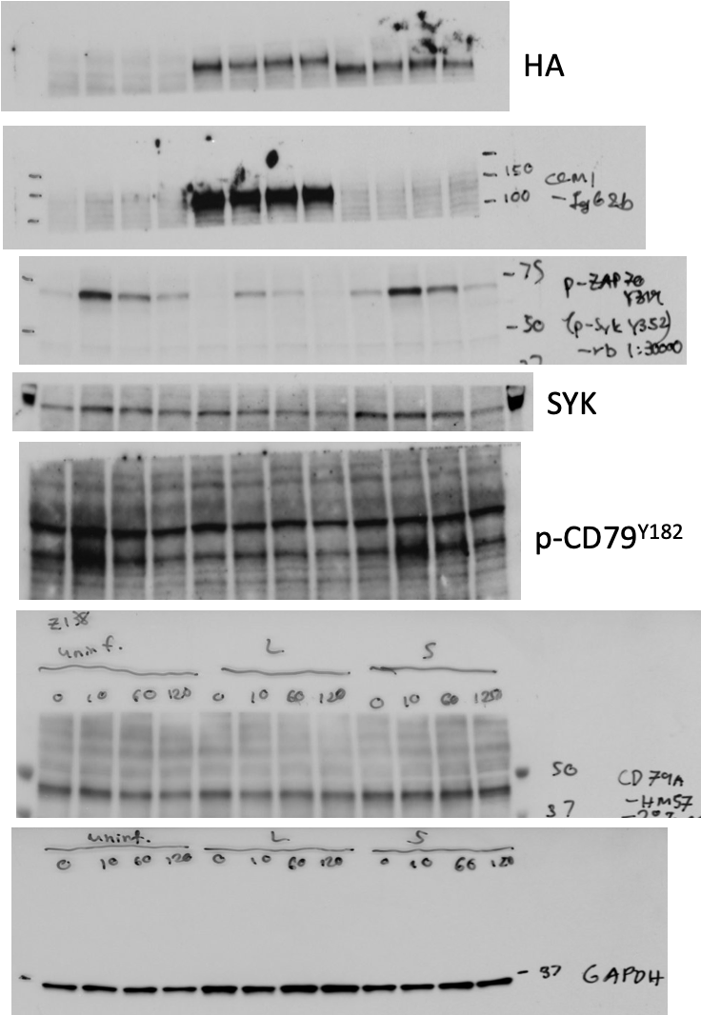
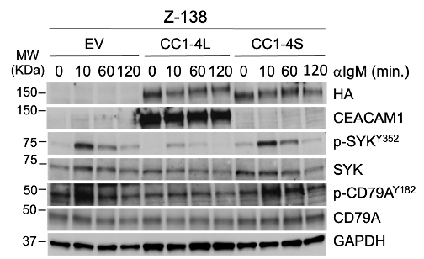
Fig 7A: Immunoblots
 | Fig 7A |  |  | Fig 7A: Densitometry |  |  | repl1 | repl2 | avg= | std=
 |  |  |  | pSYK Y352 | EV | 0' | 0.063916063327 | 0.04045263039 | 0.052184346858 | 0.01659115254
 |  |  |  |  |  | 10' | 0.87848495627 | 1.2669893247 | 1.0727371405 | 0.27471407345
 |  |  |  |  |  | 60' | 0.38653622579 | 1.1237204961 | 0.75512836097 | 0.52126799655
 |  |  |  |  |  | 120' | 0.1896723657 |  | 0.1896723657
 |  |  |  |  | 4L | 0' | 0.00090781996115 | 0.053399386074 | 0.027153603018 | 0.037117142354
 |  |  |  |  |  | 10' | 0.15123729563 | 0.50139403477 | 0.3263156652 | 0.24759820473
 |  |  |  |  |  | 60' | 0.041871672171 | 0.47795086336 | 0.25991126777 | 0.30835455322
 |  |  |  |  |  | 120' | 0.00084932181653 |  | 0.00084932181653
 |  |  |  |  | 4S | 0' | 0.1127991476 | 0.21887795976 | 0.16583855368 | 0.075009047421
 |  |  |  |  |  | 10' | 0.77647758585 | 0.82368429301 | 0.80008093943 | 0.033380182752
 |  |  |  |  |  | 60' | 0.31649652839 | 0.59017433093 | 0.45333542966 | 0.19351943004
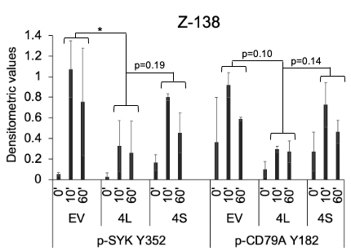
 |  |  |  |  |  | 120' | 0.04074769114 |  | 0.04074769114
 |  |  |  |  |  |  | 0
 |  |  |  | pCD79A | EV | 0' | 0.67130602358 | 0.054254305961 | 0.36278016477 | 0.43632145387
 |  |  |  |  |  | 10' | 1.0037655313 | 0.83444885206 | 0.91910719167 | 0.11972497205
 |  |  |  |  |  | 60' | 0.60100922651 | 0.5751144027 | 0.5880618146 | 0.018310405513
 |  |  |  |  |  | 120' | 0.29095428728 |  | 0.29095428728
 |  |  |  |  | 4L | 0' | 0.15214154729 | 0.044798346655 | 0.098469946972 | 0.075903105082
 |  |  |  |  |  | 10' | 0.31601855943 | 0.27474256825 | 0.29538056384 | 0.02918653327
 |  |  |  |  |  | 60' | 0.1970580306 | 0.34479117431 | 0.27092460246 | 0.10446310772
 |  |  |  |  |  | 120' | 0.058161557996 |  | 0.058161557996
 |  |  |  |  | 4S | 0' | 0.40469776964 | 0.13984333274 | 0.27227055119 | 0.18728036836
 |  |  |  |  |  | 10' | 0.88026365303 | 0.57361376673 | 0.72693870988 | 0.21683421405
 |  |  |  |  |  | 60' | 0.54450148502 | 0.3846273095 | 0.46456439726 | 0.11304811365
 |  |  |  |  |  | 120' | 0.33102095897 |  | 0.33102095897

Fig 7A: Statistics
Table Analyzed | Fig 7A pSYK Y352 |  | Table Analyzed | Fig 7A pSYK Y352
Column A | EV |  | Column A | EV
vs. | vs. |  | vs. | vs.
Column B | 4L |  | Column C | 4S

Nested t test |  |  | Nested t test
P value | 0.033 |  | P value | 0.3463
P value summary | * |  | P value summary | ns
Significantly different (P < 0.05)? | Yes |  | Significantly different (P < 0.05)? | No
One- or two-tailed P value? | Two-tailed |  | One- or two-tailed P value? | Two-tailed
t, df | t=2.756, df=6 |  | t, df | t=1.222, df=2
F, DFn, Dfd | 7.596, 1, 6 |  | F, DFn, Dfd | 1.492, 1, 2

How big is the difference? |  |  | How big is the difference?
Mean of column A | 0.9139 |  | Mean of column A | 0.9139
Mean of column B | 0.2931 |  | Mean of column C | 0.6267
Difference between means (A - B) ± SEM | 0.6208 ± 0.2253 |  | Difference between means (A - C) ± SEM | 0.2872 ± 0.2351
95% confidence interval | 0.06965 to 1.172 |  | 95% confidence interval | -0.7244 to 1.299

Random effects | SD | Variance | Random effects | SD | Variance
Variation within subcolumns | 0.3186 | 0.1015 | Variation within subcolumns | 0.3105 | 0.09644
Variation among subcolumn means | 0 | 0 | Variation among subcolumn means | 0.08401 | 0.007058

Do the subcolumns differ (within each column)? |  |  | Do the subcolumns differ (within each column)?
Chi-square, df |  |  | Chi-square, df | 0.01262, 1
P value |  |  | P value | 0.9105
P value summary |  |  | P value summary | ns
Is there significant difference between subcolumns (P < 0.05)? | No |  | Is there significant difference between subcolumns (P < 0.05)? | No

Data analyzed |  |  | Data analyzed
Number of treatments (columns) | 2 |  | Number of treatments (columns) | 2
Number of subjects (subcolumns) | 4 |  | Number of subjects (subcolumns) | 4
Total number of values | 8 |  | Total number of values | 8

Table Analyzed | Fig 7A pCD79A Y182 |  | Table Analyzed | Fig 7A pCD79A Y182
Column A | EV |  | Column A | EV
vs. | vs. |  | vs. | vs.
Column B | 4L |  | Column C | 4S

Nested t test |  |  | Nested t test
P value | 0.1052 |  | P value | 0.5328
P value summary | ns |  | P value summary | ns
Significantly different (P < 0.05)? | No |  | Significantly different (P < 0.05)? | No
One- or two-tailed P value? | Two-tailed |  | One- or two-tailed P value? | Two-tailed
t, df | t=2.834, df=2 |  | t, df | t=0.7473, df=2
F, DFn, Dfd | 8.034, 1, 2 |  | F, DFn, Dfd | 0.5584, 1, 2

How big is the difference? |  |  | How big is the difference?
Mean of column A | 0.7536 |  | Mean of column A | 0.7536
Mean of column B | 0.2832 |  | Mean of column C | 0.5958
Difference between means (A - B) ± SEM | 0.4704 ± 0.1660 |  | Difference between means (A - C) ± SEM | 0.1578 ± 0.2112
95% confidence interval | -0.2437 to 1.185 |  | 95% confidence interval | -0.7509 to 1.067

Random effects | SD | Variance | Random effects | SD | Variance
Variation within subcolumns | 0.08129 | 0.006608 | Variation within subcolumns | 0.1364 | 0.01862
Variation among subcolumn means | 0.1557 | 0.02424 | Variation among subcolumn means | 0.1879 | 0.0353

Do the subcolumns differ (within each column)? |  |  | Do the subcolumns differ (within each column)?
Chi-square, df | 3.181, 1 |  | Chi-square, df | 1.769, 1
P value | 0.0745 |  | P value | 0.1835
P value summary | ns |  | P value summary | ns
Is there significant difference between subcolumns (P < 0.05)? | No |  | Is there significant difference between subcolumns (P < 0.05)? | No

Data analyzed |  |  | Data analyzed
Number of treatments (columns) | 2 |  | Number of treatments (columns) | 2
Number of subjects (subcolumns) | 4 |  | Number of subjects (subcolumns) | 4
Total number of values | 8 |  | Total number of values | 8

Fig. 7C
Fig 7C: Densitometry | JEKO-1+gCC1+4L, IP:CC1 |  |  |  | Z-138 +gCC1+4L, IP:CC1
 | 0' | 5' | 15' | 30' | 0' | 5' | 15' | 30'
IP-A1
CC1 | 154.091 | 140.53 | 157.993 | 157.732 | 137.994 | 141.105 | 155.332 | 139.05
SHP-1 | 38.964 | 33.054 | 45.736 | 68.402 | 68.795 | 85.18 | 95.855 | 70.335
SHP-2 | 54.971 | 55.269 | 78.19 | 93.307 | 84.511 | 114.745 | 150.08 | 100.587

IP-A2
CC1 | 145.647 | 133.259 | 141.67 | 148.744 | 131.025 | 109.973 | 115.784 | 146.055
PHOSPHO-SYK | 19.847 | 125.203 | 127.528 | 121.026 | 19.024 | 30.581 | 39.344 | 37.253
SYK | 87.203 | 110.952 | 125.743 | 114.671 | 47.475 | 44.339 | 43.556 | 44.215

IP-B1
CC1 | 173.163 | 163.972 | 178.9 | 161.011 | 173.416 | 150.857 | 180.152 | 179.301
SHP-2 | 85.945 | 96.178 | 113.35 | 91.926 | 122.867 | 114.861 | 144.761 | 169.222

IP-B2
CC1 | 134.815 | 141.553 | 172.652 | 165.148 | 119.574 | 145.699 | 166.298 | 158.76
PHOSPHO-SYK | 13.923 | 114.605 | 151.433 | 139.606 | 17.922 | 25.676 | 50.342 | 56.925
SYK | 91.399 | 138.26 | 161.749 | 145.569 | 38.728 | 54.399 | 77.487 | 61.988
Experiment 2
Experiment 1
SHP-1 | 71.001 | 83.775 | 86.634 | 94.102 | 68.118 | 72.996 | 81.892 | 88.881
Relative quantification wrt CC1 for IP
CC1
SHP-1
SHP-2
CC1
p-SYK
SYK
IP#2 gel1 (IP-B1)
IP#2 gel2 (IP-B2)
IP#1 gel1 (IP-A1)
CC1
IPA1 and A2
 | 0' | 5' | 15' | 30' | 0' | 5' | 15' | 30'
CC1 | 1 | 1 | 1 | 1 | 1 | 1 | 1 | 1
SHP-1 | 0.25286356763 | 0.23520956379 | 0.28948117955 | 0.43365962519 | 0.49853616824 | 0.6036639382 | 0.61709757165 | 0.50582524272
SHP-2 | 0.35674374233 | 0.39328968903 | 0.49489534346 | 0.59155402835 | 0.61242517791 | 0.81318876014 | 0.96618855097 | 0.72338727077
SHP-1
PHOSPHO-SYK | 0.13626782563 | 0.93954629706 | 0.90017646644 | 0.81365298768 | 0.14519366533 | 0.27807734626 | 0.33980515443 | 0.25506144945
SYK | 0.59872843244 | 0.83260417683 | 0.8875767629 | 0.77092857527 | 0.36233543217 | 0.40318078074 | 0.37618323775 | 0.30272842422

SHP-2
IPB1 and B2
 | 0' | 5' | 15' | 30' | 0' | 5' | 15' | 30'
CC1 | 1 | 1 | 1 | 1 | 1 | 1 | 1 | 1
IP#1 gel2 (IP-A2)
Fig. 7C
SHP-1 | 0.5266550458 | 0.59182779595 | 0.50178393531 | 0.56980405455 | 0.5696723368 | 0.50100549764 | 0.49244128011 | 0.55984504913
SHP-2 | 0.49632427251 | 0.58655136243 | 0.6335941867 | 0.57092993646 | 0.70851017207 | 0.76138992556 | 0.8035492251 | 0.94378726276
PHOSPHO-SYK | 0.10327485814 | 0.80962607645 | 0.87709959919 | 0.84533872648 | 0.14988208139 | 0.17622632962 | 0.30272162022 | 0.3585600907
CC1
SYK | 0.67795868412 | 0.97673662868 | 0.93684984825 | 0.88144573352 | 0.3238831184 | 0.37336563738 | 0.46595268734 | 0.39045099521

p-SYK
IPA1/A2 and IPB1/B2
Fig. 7C
SYK
CC1 | 1 | 1 | 1 | 1 | 1 | 1 | 1 | 1
CC1 | 1 | 1 | 1 | 1 | 1 | 1 | 1 | 1
AVG | 1 | 1 | 1 | 1 | 1 | 1 | 1 | 1
SD | 0 | 0 | 0 | 0 | 0 | 0 | 0 | 0

SHP-1 | 0.25286356763 | 0.23520956379 | 0.28948117955 | 0.43365962519 | 0.49853616824 | 0.6036639382 | 0.61709757165 | 0.50582524272
SHP-1 | 0.5266550458 | 0.59182779595 | 0.50178393531 | 0.56980405455 | 0.5696723368 | 0.50100549764 | 0.49244128011 | 0.55984504913
AVG | 0.38975930672 | 0.41351867987 | 0.39563255743 | 0.50173183987 | 0.53410425252 | 0.55233471792 | 0.55476942588 | 0.53283514592
SD | 0.19359981085 | 0.25216717025 | 0.15012071827 | 0.09626864922 | 0.050300867174 | 0.072590479471 | 0.088145309066 | 0.038197771433

SHP-2 | 0.35674374233 | 0.39328968903 | 0.49489534346 | 0.59155402835 | 0.61242517791 | 0.81318876014 | 0.96618855097 | 0.72338727077
SHP-2 | 0.49632427251 | 0.58655136243 | 0.6335941867 | 0.57092993646 | 0.70851017207 | 0.76138992556 | 0.8035492251 | 0.94378726276
AVG | 0.42653400742 | 0.48992052573 | 0.56424476508 | 0.58124198241 | 0.66046767499 | 0.78728934285 | 0.88486888804 | 0.83358726676
SD | 0.098698339406 | 0.1366566398 | 0.098074892592 | 0.01458343523 | 0.067942350945 | 0.036627307192 | 0.11500337021 | 0.15584632891

PHOSPHO-SYK | 0.13626782563 | 0.93954629706 | 0.90017646644 | 0.81365298768 | 0.14519366533 | 0.27807734626 | 0.33980515443 | 0.25506144945
PHOSPHO-SYK | 0.10327485814 | 0.80962607645 | 0.87709959919 | 0.84533872648 | 0.14988208139 | 0.17622632962 | 0.30272162022 | 0.3585600907
AVG | 0.11977134189 | 0.87458618676 | 0.88863803281 | 0.82949585708 | 0.14753787336 | 0.22715183794 | 0.32126338732 | 0.30681077008
SD | 0.023329551047 | 0.091867469006 | 0.016317809316 | 0.022405200767 | 0.0033152107876 | 0.072019544532 | 0.026222018504 | 0.073184591071

SYK | 0.59872843244 | 0.83260417683 | 0.8875767629 | 0.77092857527 | 0.36233543217 | 0.40318078074 | 0.37618323775 | 0.30272842422
SYK | 0.67795868412 | 0.97673662868 | 0.93684984825 | 0.88144573352 | 0.3238831184 | 0.37336563738 | 0.46595268734 | 0.39045099521
AVG | 0.63834355828 | 0.90467040276 | 0.91221330557 | 0.8261871544 | 0.34310927529 | 0.38827320906 | 0.42106796255 | 0.34658970972
SD | 0.056024248238 | 0.1019170341 | 0.034841332781 | 0.078147432039 | 0.027189891816 | 0.021082490053 | 0.063476586549 | 0.06202922481

IPA1/A2 and IPB1/B2 - AVERAGE
 | JEKO-1 (gCC1+4L) |  |  |  | Z-138 (+4L)
 | 0' | 5' | 15' | 30' | 0' | 5' | 15' | 30'
CC1 | 1 | 1 | 1 | 1 | 1 | 1 | 1 | 1
p-SYK | 0.11977134189 | 0.87458618676 | 0.88863803281 | 0.82949585708 | 0.14753787336 | 0.22715183794 | 0.32126338732 | 0.30681077008
SYK | 0.63834355828 | 0.90467040276 | 0.91221330557 | 0.8261871544 | 0.34310927529 | 0.38827320906 | 0.42106796255 | 0.34658970972
SHP-1 | 0.38975930672 | 0.41351867987 | 0.39563255743 | 0.50173183987 | 0.53410425252 | 0.55233471792 | 0.55476942588 | 0.53283514592
SHP-2 | 0.42653400742 | 0.48992052573 | 0.56424476508 | 0.58124198241 | 0.66046767499 | 0.78728934285 | 0.88486888804 | 0.83358726676

IPA1/A2 and IPB1/B2 - SD
 | JEKO-1-gCC1-4L 0' | JEKO-1-gCC1-4L 5' | JEKO-1-gCC1-4L 15' | JEKO-1-gCC1-4L 30' | Z-138+4L 0' | Z-138+4L 5' | Z-138+4L 15' | Z-138+4L 30'
CC1 | 0 | 0 | 0 | 0 | 0 | 0 | 0 | 0
P-SYK | 0.023329551047 | 0.091867469006 | 0.016317809316 | 0.022405200767 | 0.0033152107876 | 0.072019544532 | 0.026222018504 | 0.073184591071
SYK | 0.056024248238 | 0.1019170341 | 0.034841332781 | 0.078147432039 | 0.027189891816 | 0.021082490053 | 0.063476586549 | 0.06202922481
...

Fig. 7D
...
 |  |  |  |  | Fig. 7D: Statistics
0 | 21 | 18 | 14 | 14 | Mann-Whitney U | 733.5 | Mann-Whitney U | 55.5 | Mann-Whitney U | 31 | Mann-Whitney U | 22
0 | 10 | 8 | 14 | 12
0 | 10 | 21 | 8 | 18 | Difference between medians |  | Difference between medians |  | Difference between medians |  | Difference between medians
0 | 1 | 12 | 20 | 5 | Median of column A | 0.000, n=173 | Median of column B | 0.000, n=221 | Median of column C | 0.000, n=213 | Median of column D | 0.000, n=175
0 | 8 | 15 | 20 | 22 | Median of column E | 9.000, n=187 | Median of column F | 12.00, n=360 | Median of column G | 13.00, n=177 | Median of column H | 12.00, n=160
0 | 4 | 14 | 16 | 7 | Difference: Actual | 9 | Difference: Actual | 12 | Difference: Actual | 13 | Difference: Actual | 12
0 | 8 | 12 | 6 | 15 | Difference: Hodges-Lehmann | 9 | Difference: Hodges-Lehmann | 12 | Difference: Hodges-Lehmann | 13 | Difference: Hodges-Lehmann | 12
0 | 7 | 13 | 6 | 18
0 | 3 | 13 | 6 | 12
0 | 8 | 26 | 30 | 16 | Fig. 7D: Original confocal IF images
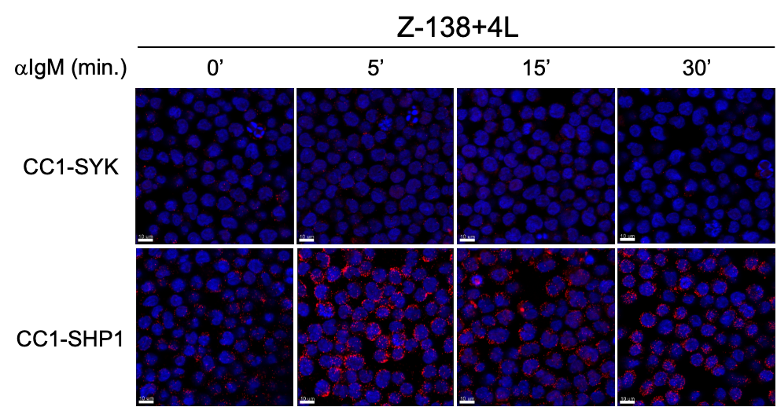
0 | 7 | 20 | 15 | 9
0 | 7 | 20 | 6 | 16
0 | 5 | 8 | 14 | 19
0 | 0 | 14 | 11 | 21
0 | 2 | 9 | 19 | 14
0 | 12 | 13 | 30 | 4
0 | 5 | 12 | 7 | 2
0 | 10 | 19 | 14 | 16
0 | 7 | 6 | 20 | 13
0 | 16 | 12 | 9 | 18
0 | 5 | 15 | 8 | 15
0 | 9 | 15 | 6 | 11
4 | 10 | 9 | 11 | 5
0 | 10 | 16 | 17 | 15
0 | 6 | 25 | 13 | 6
0 | 15 | 16 | 19 | 16
0 | 12 | 12 | 10 | 8
0 | 14 | 23 | 17 | 17
0 | 13 | 14 | 22 | 13
0 | 13 | 18 | 19 | 13
0 | 10 | 8 | 4 | 8
0 | 11 | 28 | 11 | 17
0 | 3 | 18 | 18 | 16
0 | 14 | 19 | 3 | 11
1 | 11 | 13 | 6 | 7
0 | 7 | 15 | 18 | 10
0 | 1 | 19 | 16 | 14
0 | 9 | 6 | 14 | 20
0 | 11 | 23 | 16 | 12
0 | 7 | 12 | 14 | 5
0 | 7 | 6 | 14 | 20
0 | 10 | 6 | 6 | 7
0 | 11 | 10 | 18 | 20
0 | 11 | 13 | 1 | 8
0 | 8 | 7 | 7 | 5
0 | 2 | 12 | 5 | 11
0 | 8 | 21 | 25 | 16
0 | 11 | 13 | 18 | 17
0 | 10 | 13 | 3 | 15
...

