Sheet1
Extended data Fig. 5A: Immunoblots
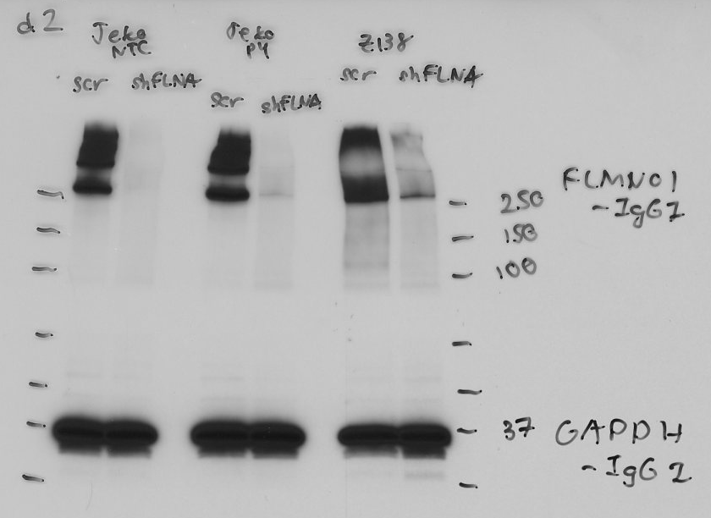

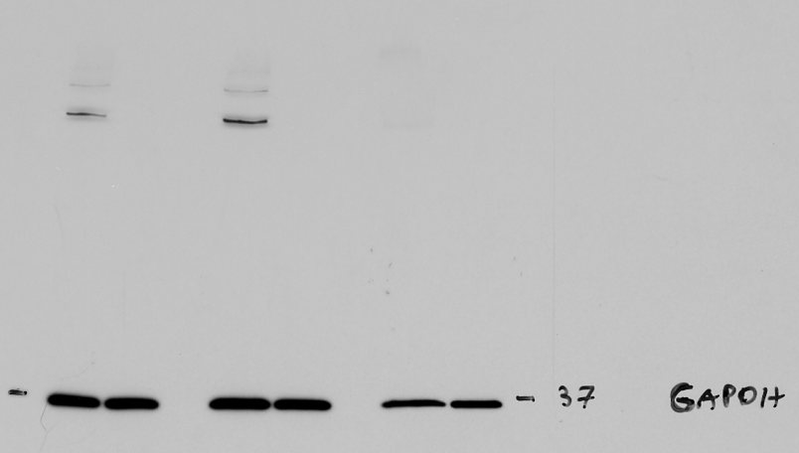

Shorter exposure

Extended data Fig. 5C: Statistics

 | shCON |  | shFLNA
 | Mean | SD | Mean | SD
Day 2 | 100 | 0 | 100 | 0
Day 4 | 84.89009335 | 4.122128059 | 63.76675026 | 1.507248489
Day 6 | 75.99561234 | 5.860162277 | 31.81395098 | 4.065926545
Day 8 | 60.47274917 | 4.16045363 | 22.919968 | 6.494059801

 |  |  | 1-tailed, paired t test
 |  | p= | 0.039791923937

