Fig. 5C
Fig 5C: Densitometry
IP#1 | 0 MIN | 5 MIN | 15 MIN | 30 MIN | IP#2 | 0 MIN | 5 MIN | 15 MIN | 30 MIN | IP#3 | 0 MIN | 5 MIN | 15 MIN | 30 MIN
CC1 | 78.468 | 98.37 | 76.581 | 93.142 | CC1 | 139.945 | 168.352 | 158.868 | 163.563 | CC1 | 130.349 | 105.691 | 115.866 | 124.004
PHOSPHO-SYK | 30.594 | 87.254 | 36.176 | 34.322 | PHOSPHO-SYK | 51.864 | 167.274 | 141.332 | 102.722 | PHOSPHO-SYK | 102.231 | 123.228 | 160.364 | 111.101
SYK | 115.123 | 127.453 | 63.193 | 45.213 | SYK | 116.185 | 172.858 | 72.793 | 70.483 | SYK | 132.824 | 114.264 | 153.116 | 108.405
SHP-1 | 42.902 | 36.882 | 22.633 | 32.878 | SHP-1 | 23.666 | 82.199 | 72.125 | 84.433 | SHP-1 | 59.623 | 18.29 | 89.803 | 101.973

Relative quantification wrt CC1 for IP | (Net Protein X/Net loading control)
IP#1 | 0 MIN | 5 MIN | 15 MIN | 30 MIN | IP#2 | 0 MIN | 5 MIN | 15 MIN | 30 MIN | IP#3 | 0 MIN | 5 MIN | 15 MIN | 30 MIN
CC1 | 1 | 1 | 1 | 1 | CC1 | 1 | 1 | 1 | 1 | CC1 | 1 | 1 | 1 | 1
PHOSPHO-SYK | 0.38989142071 | 0.88699806852 | 0.4723887126 | 0.36849112108 | PHOSPHO-SYK | 0.37060273679 | 0.99359674967 | 0.88961905481 | 0.62802712105 | PHOSPHO-SYK | 0.78428679928 | 1.1659270893 | 1.3840470889 | 0.89594690494
SYK | 1.4671330988 | 1.29564908 | 0.8251785691 | 0.48542011123 | SYK | 0.83021901461 | 1.0267653488 | 0.45819800086 | 0.43092264143 | SYK | 1.0189874874 | 1.0811138129 | 1.3214920684 | 0.87420567078
SHP-1 | 0.54674517001 | 0.37493138152 | 0.29554328097 | 0.35298791093 | SHP-1 | 0.16910929294 | 0.48825674777 | 0.45399325226 | 0.51621087899 | SHP-1 | 0.4574104903 | 0.17305163164 | 0.77505912002 | 0.82233637625
Experiment 1
Experiment 2
Experiment 3
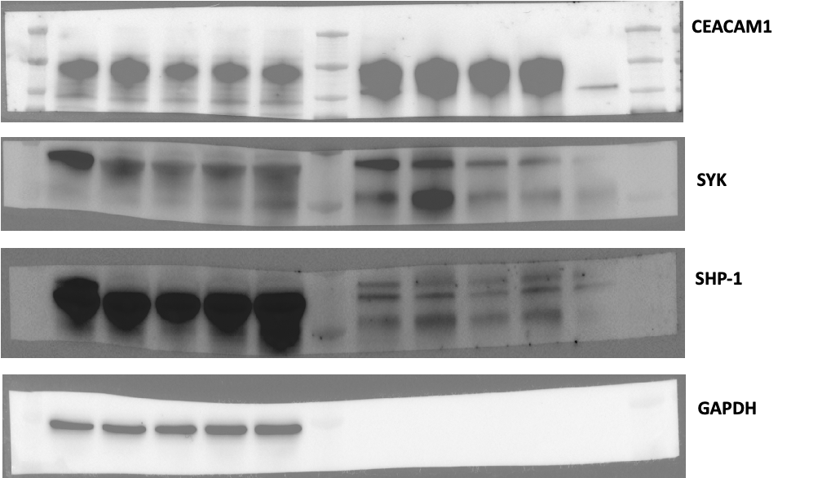
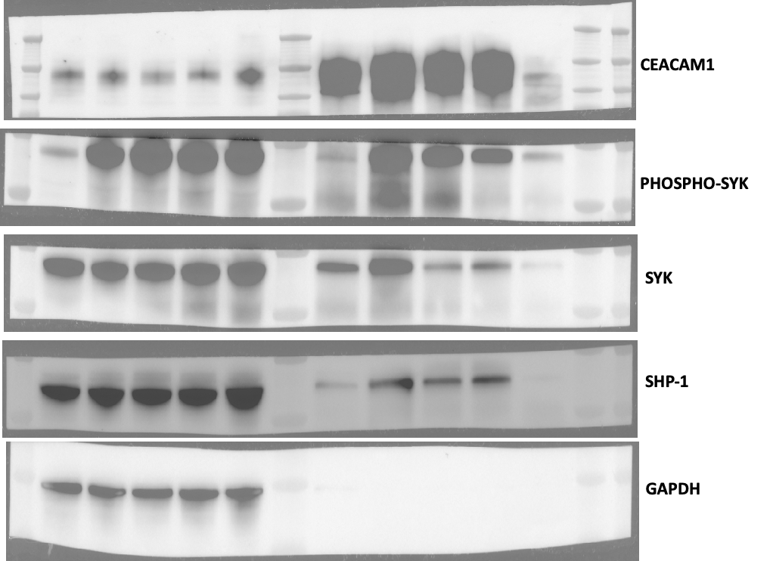
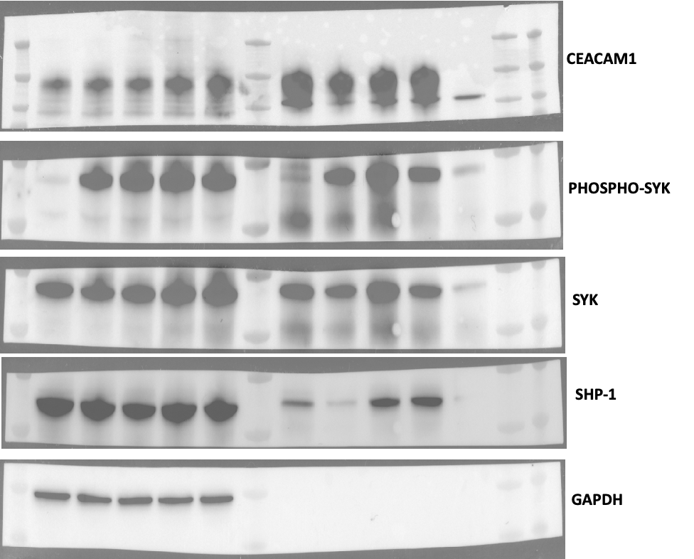
Relative quantification wrt CC1 for IP | (Net Protein X/Net loading control)
CC1 | 0 MIN | 5 MIN | 15 MIN | 30 MIN
IP1 | 1 | 1 | 1 | 1
IP2 | 1 | 1 | 1 | 1
IP3 | 1 | 1 | 1 | 1

Relative quantification wrt CC1 for IP
Phospho-Syk | 0 MIN | 5 MIN | 15 MIN | 30 MIN
IP1 | 0.38989142071 | 0.88699806852 | 0.4723887126 | 0.36849112108
IP2 | 0.37060273679 | 0.99359674967 | 0.88961905481 | 0.62802712105
IP3 | 0.78428679928 | 1.1659270893 | 1.3840470889 | 0.89594690494
Avg | 0.51492698559 | 1.0155073025 | 0.91535161877 | 0.63082171569
SD | 0.2334717226 | 0.14074943662 | 0.45637361054 | 0.26373899655

Relative quantification wrt CC1 for IP
Syk | 0 MIN | 5 MIN | 15 MIN | 30 MIN
IP1 | 1.1325859533 | 0.99574472082 | 0.79454467514 | 0.92728274986
IP2 | 0.83021901461 | 1.0267653488 | 0.45819800086 | 0.43092264143
Fig. 5C
IP3 | 1.0189874874 | 1.0811138129 | 1.3214920684 | 0.87420567078
Avg | 0.99393081846 | 1.0345412942 | 0.85807824814 | 0.74413702069
JEKO-1
SD | 0.15273283505 | 0.04321249201 | 0.43513968786 | 0.27254674757
Input
IP
CEACAM1
IgG
MW
(kDa)
Relative quantification wrt CC1 for IP
SHP-1 | 0 MIN | 5 MIN | 15 MIN | 30 MIN
IP1 | 0.54674517001 | 0.37493138152 | 0.29554328097 | 0.35298791093
0
5
15
30
5
0
5
15
30
5
αIgM (min.)
IP2 | 0.16910929294 | 0.48825674777 | 0.45399325226 | 0.51621087899
_
150
IP3 | 0.4574104903 | 0.17305163164 | 0.77505912002 | 0.82233637625
_
CEACAM1
Avg | 0.39108831775 | 0.34541325364 | 0.50819855108 | 0.56384505539
75
p-SYK^{Y352}
SD | 0.19736055037 | 0.15966231933 | 0.24431029612 | 0.23827244185
75
_
SYK
75
_
SHP-1
37
_
GAPDH
Relative quantification wrt CC1 for IP | Avg
 | 0' | 5' | 15' | 30'
CC1 | 1 | 1 | 1 | 1
p-SYK | 0.51492698559 | 1.0155073025 | 0.91535161877 | 0.63082171569
SYK | 0.99393081846 | 1.0345412942 | 0.85807824814 | 0.74413702069
SHP-1 | 0.39108831775 | 0.34541325364 | 0.50819855108 | 0.56384505539

Relative quantification wrt CC1 for IP | SD
 | 0 MIN | 5 MIN | 15 MIN | 30 MIN
CC1 | 0 | 0 | 0 | 0
PHOSPHO-SYK | 0.2334717226 | 0.14074943662 | 0.45637361054 | 0.26373899655
SYK | 0.15273283505 | 0.04321249201 | 0.43513968786 | 0.27254674757
SHP-1 | 0.19736055037 | 0.15966231933 | 0.24431029612 | 0.23827244185

Fig 5C: Statistics
Table Analyzed | JEKO-1 IP:CC1
Column A | SYK
vs. | vs.
Column B | SHP-1

Nested t test
P value | <0.0001
P value summary | ****
Significantly different (P < 0.05)? | Yes
One- or two-tailed P value? | Two-tailed
t, df | t=4.798, df=22
F, DFn, Dfd | 23.02, 1, 22

How big is the difference?
Mean of column A | 0.9077
Mean of column B | 0.4521
Difference between means (A - B) ± SEM | 0.4555 ± 0.09494
95% confidence interval | 0.2586 to 0.6524

Random effects | SD | Variance
Variation within subcolumns | 0.2326 | 0.05409
Variation among subcolumn means | 0 | 0

Do the subcolumns differ (within each column)?
Chi-square, df
P value
P value summary
Is there significant difference between subcolumns (P < 0.05)? | No

Data analyzed
Number of treatments (columns) | 2
Number of subjects (subcolumns) | 8
Total number of values | 24

Fig. 5D
Fig 5D: Densitometry
IP1 | 0 MIN | 5 MIN | 15 MIN | 30 MIN | IP2 | 0 MIN | 5 MIN | 15 MIN | 30 MIN | IP3 | 0 MIN | 5 MIN | 15 MIN | 30 MIN
CC1 | 152.779 | 152.792 | 143.634 | 158.011 | CC1 | 136.348 | 135.21 | 129.81 | 128.866 | CC1 | 139.576 | 138.449 | 139.165 | 134.404
PHOSPHO-SYK | 75.803 | 131.27 | 70.102 | 84.667 | PHOSPHO-SYK | 79.617 | 201.389 | 175.154 | 62.141 | PHOSPHO-SYK | 11.799 | 117.954 | 150.023 | 98.731
SYK | 159.035 | 160.884 | 112.258 | 75.931 | SYK | 132.148 | 167.053 | 121.388 | 66.733 | SYK | 133.622 | 161.305 | 154.142 | 95.313
SHP-1 | 61.747 | 58.55 | 55.498 | 40.984 | SHP-1 | 43.116 | 47.088 | 77.242 | 89.615 | SHP-1 | 29.817 | 28.484 | 64.881 | 41.846

Relative quantification wrt CC1 for IP | (Net Protein X/Net loading control) |  |  |  | Relative quantification wrt CC1 for IP | (Net Protein X/Net loading control) |  |  |  | Relative quantification wrt CC1 for IP | (Net Protein X/Net loading control)
 | 0 MIN | 5 MIN | 15 MIN | 30 MIN |  | 0 MIN | 5 MIN | 15 MIN | 30 MIN |  | 0 MIN | 5 MIN | 15 MIN | 30 MIN
CC1 | 1 | 1 | 1 | 1 | CC1 | 1 | 1 | 1 | 1 | CC1 | 1 | 1 | 1 | 1
PHOSPHO-SYK | 0.49616112162 | 0.85914183989 | 0.4880599301 | 0.535829784 | PHOSPHO-SYK | 0.58392495673 | 1.4894534428 | 1.3493105308 | 0.48221408285 | PHOSPHO-SYK | 0.084534590474 | 0.85196715036 | 1.0780224913 | 0.73458379215
SYK | 1.0409480361 | 1.052960888 | 0.78155589902 | 0.48054249388 | SYK | 0.96919646786 | 1.2355077287 | 0.93512056082 | 0.51784799714 | SYK | 0.95734223649 | 1.1650860606 | 1.1076204505 | 0.7091530014
SHP-1 | 0.40415894855 | 0.38320069114 | 0.38638483924 | 0.25937434736 | SHP-1 | 0.31622025992 | 0.34825826492 | 0.59503890301 | 0.69541228873 | SHP-1 | 0.21362555167 | 0.20573640835 | 0.46621636187 | 0.31134490045

Experiment 1
Experiment 2
Experiment 3
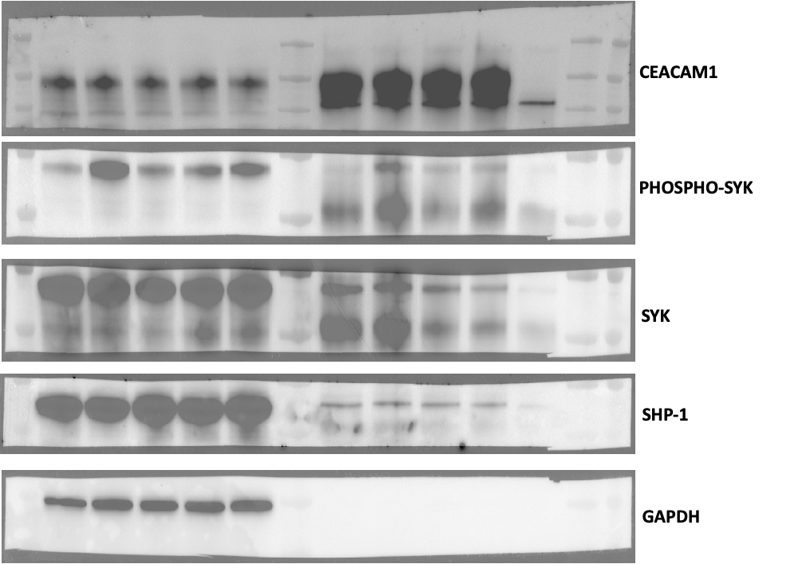
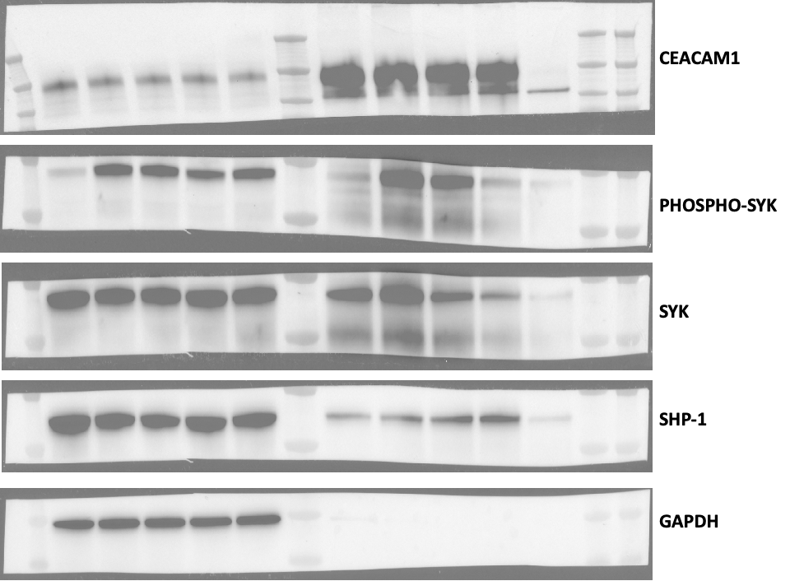
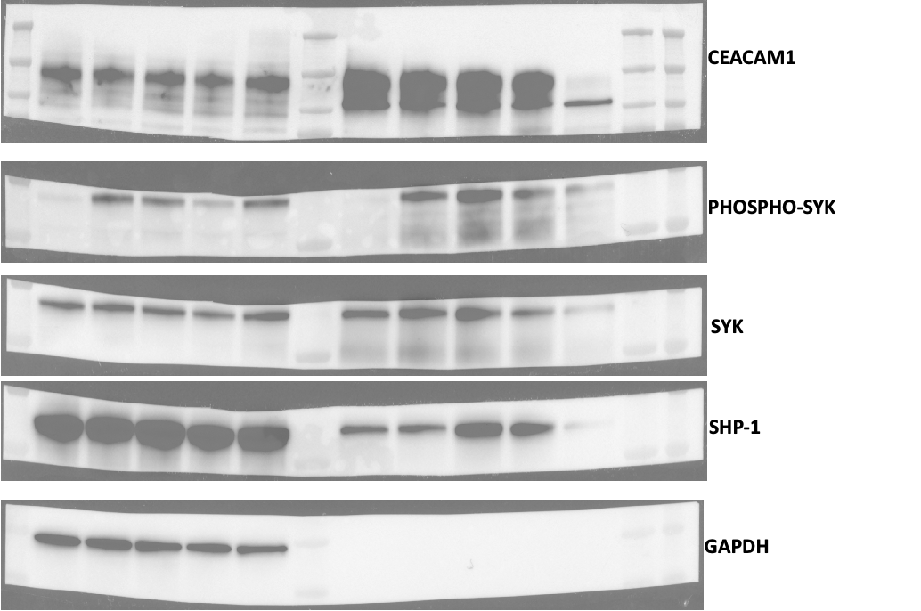
Relative quantification wrt CC1 for IP | (Net Protein X/Net loading control)
CC1 | 0 MIN | 5 MIN | 15 MIN | 30 MIN
IP1 | 1 | 1 | 1 | 1
IP2 | 1 | 1 | 1 | 1
IP3 | 1 | 1 | 1 | 1

Relative quantification wrt CC1 for IP
Phospho-Syk | 0 MIN | 5 MIN | 15 MIN | 30 MIN
IP1 | 0.49616112162 | 0.85914183989 | 0.4880599301 | 0.535829784
IP2 | 0.58392495673 | 1.4894534428 | 1.3493105308 | 0.48221408285
IP3 | 0.084534590474 | 0.85196715036 | 1.0780224913 | 0.73458379215
Avg | 0.38820688961 | 1.0668541443 | 0.97179765072 | 0.58420921967
SD | 0.26662383921 | 0.36599930919 | 0.44034184091 | 0.132958809

Fig. 5D
Relative quantification wrt CC1 for IP
Syk | 0 MIN | 5 MIN | 15 MIN | 30 MIN
IP1 | 1.0409480361 | 1.052960888 | 0.78155589902 | 0.48054249388
IP2 | 0.96919646786 | 1.2355077287 | 0.93512056082 | 0.51784799714
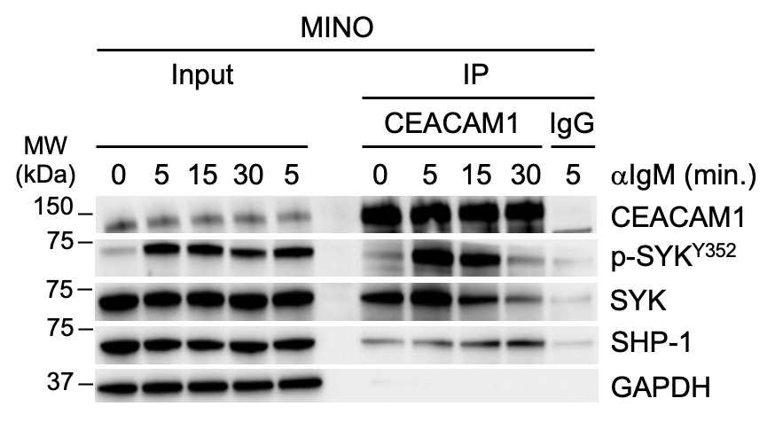
IP3 | 0.95734223649 | 1.1650860606 | 1.1076204505 | 0.7091530014
Avg | 0.9891622468 | 1.1511848924 | 0.94143230346 | 0.56918116414
SD | 0.045237779308 | 0.092063940391 | 0.16312388394 | 0.1226458787

Relative quantification wrt CC1 for IP
SHP-1 | 0 MIN | 5 MIN | 15 MIN | 30 MIN
IP1 | 0.40415894855 | 0.38320069114 | 0.38638483924 | 0.25937434736
IP2 | 0.31622025992 | 0.34825826492 | 0.59503890301 | 0.69541228873
IP3 | 0.21362555167 | 0.20573640835 | 0.46621636187 | 0.31134490045
Avg | 0.31133492005 | 0.3123984548 | 0.48254670138 | 0.42204384551
SD | 0.09536059847 | 0.094009772908 | 0.10528124037 | 0.23816583279
Relative quantification wrt CC1 for IP | Avg
 | 0' | 5' | 15' | 30'
CC1 | 1 | 1 | 1 | 1
p-SYK | 0.38820688961 | 1.0668541443 | 0.97179765072 | 0.58420921967
SYK | 0.9891622468 | 1.1511848924 | 0.94143230346 | 0.56918116414
SHP-1 | 0.31133492005 | 0.3123984548 | 0.48254670138 | 0.42204384551

Relative quantification wrt CC1 for IP | SD
 | 0 MIN | 5 MIN | 15 MIN | 30 MIN
CC1 | 0 | 0 | 0 | 0
PHOSPHO-SYK | 0.26662383921 | 0.36599930919 | 0.44034184091 | 0.132958809
SYK | 0.045237779308 | 0.092063940391 | 0.16312388394 | 0.1226458787
SHP-1 | 0.09536059847 | 0.094009772908 | 0.10528124037 | 0.23816583279

Fig 5D: Statistics
Table Analyzed | MINO IP:CC1
Column A | SYK
vs. | vs.
Column B | SHP-1

Nested t test
P value | 0.0065
P value summary | **
Significantly different (P < 0.05)? | Yes
One- or two-tailed P value? | Two-tailed
t, df | t=4.079, df=6
F, DFn, Dfd | 16.64, 1, 6

How big is the difference?
Mean of column A | 0.9127
Mean of column B | 0.3821
Difference between means (A - B) ± SEM | 0.5307 ± 0.1301
95% confidence interval | 0.2123 to 0.8490

Random effects | SD | Variance
Variation within subcolumns | 0.1313 | 0.01724
Variation among subcolumn means | 0.1676 | 0.0281

Do the subcolumns differ (within each column)?
Chi-square, df | 8.005, 1
P value | 0.0047
P value summary | **
Is there significant difference between subcolumns (P < 0.05)? | Yes

Data analyzed
Number of treatments (columns) | 2
Number of subjects (subcolumns) | 8
Total number of values | 24

