Sheet1
Densitometry |  | Area | Mean | Min | Max |  |  | Mean | minus blank | divide gapdh |  | Expt1 | Expt2 | Expt3 | Expt4 | Expt5 | Expt6 | Expt7 | Avg= | Expt1 | Expt2 | Expt3 | Expt4 | Expt5 | Expt6 | Expt7 | Avg=
 | 1 | 319 | 101.834 | 31 | 214 | pSYK Y352 | ST468 | 101.834 | 75.234 | 2.9283045306 | ST468 | 2.9283045306 | 1.0020538244 | 0.72383868812 | 0.24855516198 | 0.50712711242 | 0.27270890769 | 0.24344345716 | 0.84657595462 | 3.4589979961 | 1.1836549561 | 0.85501919133 | 0.29360054538 | 0.59903321096 | 0.32213164832 | 0.28756245182 | 1
 | 2 | 319 | 47.185 | 24 | 75 |  | ST468+4L | 47.185 | 20.585 | 0.87894961571 | ST468+4L | 0.87894961571 | 0.85081066036 | 0.57956282657 | 0.081290218139 | 0.33204926941 | 0.15148862629 | 0.13060111654 | 0.42925033329 | 1.0382407047 | 1.0050021569 | 0.68459637131 | 0.096022356524 | 0.39222619967 | 0.17894274632 | 0.15426981576 | 0.50704290731
 | 3 | 225 | 26.6 | 24 | 29 |  | blank | 26.6 | 0
 | 4 | 338 | 46.553 | 21 | 82 | GAPDH | ST468 | 46.553 | 25.692
 | 5 | 338 | 44.281 | 19 | 82 |  | ST468+4L | 44.281 | 23.42
 | 6 | 208 | 20.861 | 18 | 27 |  | blank | 20.861 | 0
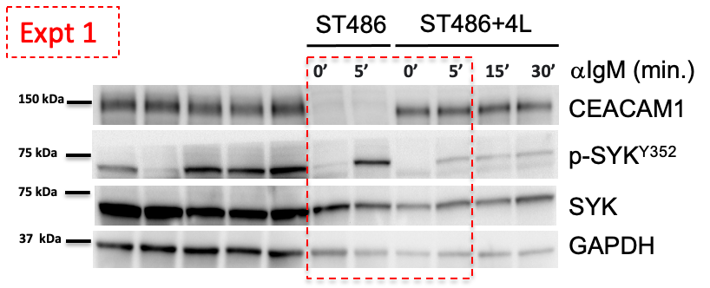
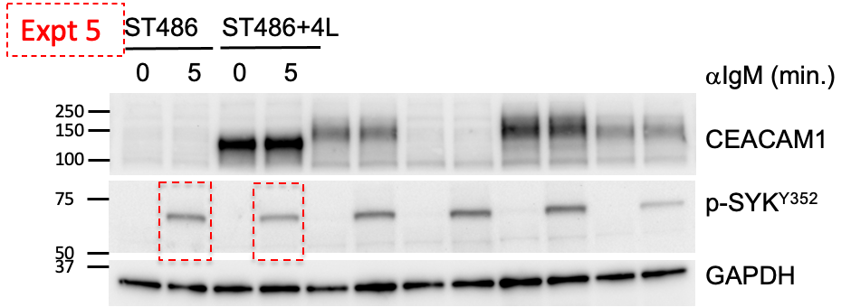
 | 7 | 364 | 142.769 | 43 | 254 | pSYK Y352 | ST468 | 142.769 | 113.192 | 1.0020538244
 | 8 | 364 | 127.393 | 41 | 239 |  | ST468+4L | 127.393 | 97.816 | 0.85081066036 |  |  |  | Table Analyzed | ST486+4L pSYK Y352 normalized
 | 9 | 208 | 29.577 | 22 | 40 |  | blank | 29.577 | 0
 | 10 | 345 | 132.299 | 29 | 255 | GAPDH | ST468 | 132.299 | 112.96 |  |  |  |  | Column B | ST486+4L
 | 11 | 345 | 134.307 | 30 | 255 |  | ST468+4L | 134.307 | 114.968 |  |  |  |  | vs. | vs.
 | 12 | 330 | 19.339 | 17 | 30 |  | blank | 19.339 | 0 |  |  |  |  | Column A | ST486
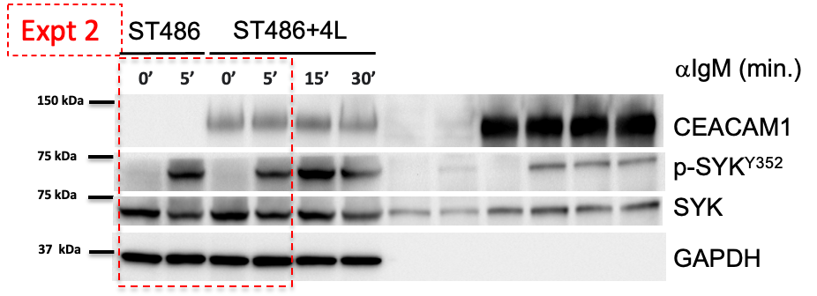
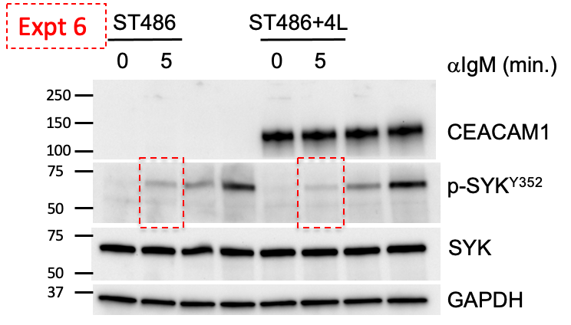
 | 13 | 312 | 102.609 | 37 | 219 | pSYK Y352 | ST468 | 102.609 | 72.567 | 0.72383868812
 | 14 | 312 | 80.843 | 37 | 157 |  | ST468+4L | 80.843 | 50.801 | 0.57956282657 |  |  |  | Wilcoxon matched-pairs signed rank test
 | 15 | 260 | 30.042 | 23 | 40 |  | blank | 30.042 | 0 |  |  |  |  | P value | 0.0156
 | 16 | 312 | 118.663 | 29 | 255 | GAPDH | ST468 | 118.663 | 100.253 |  |  |  |  | Exact or approximate P value? | Exact
 | 17 | 312 | 106.064 | 32 | 255 |  | ST468+4L | 106.064 | 87.654 |  |  |  |  | P value summary | *
 | 18 | 234 | 18.41 | 5 | 24 |  | blank | 18.41 | 0 |  |  |  |  | Significantly different (P < 0.05)? | Yes
 | 19 | 325 | 43.637 | 26 | 71 | pSYK Y352 | ST468 | 43.637 | 17.332 | 0.24855516198 |  |  |  | One- or two-tailed P value? | Two-tailed
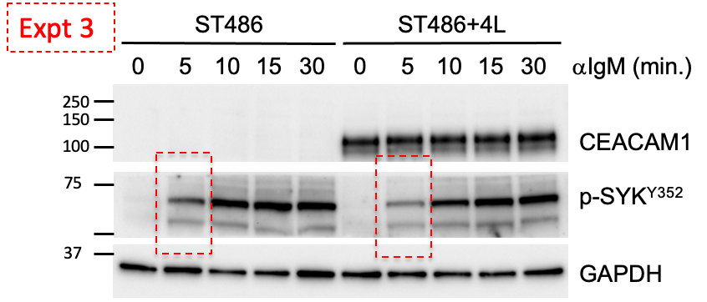
 | 20 | 325 | 36.348 | 25 | 100 |  | ST468+4L | 36.348 | 10.043 | 0.081290218139 |  |  |  | Sum of positive, negative ranks | 0.000 , -28.00
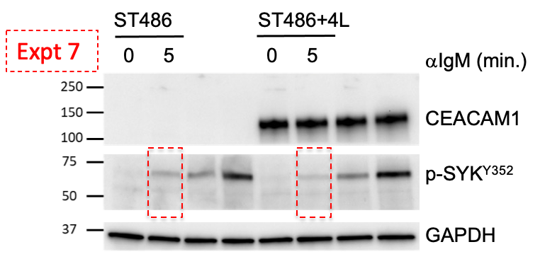
 | 21 | 275 | 26.305 | 21 | 32 |  | blank | 26.305 | 0 |  |  |  |  | Sum of signed ranks (W) | -28
 | 22 | 275 | 98.844 | 33 | 255 | GAPDH | ST468 | 98.844 | 69.731 |  |  |  |  | Number of pairs | 7
 | 23 | 275 | 152.658 | 51 | 255 |  | ST468+4L | 152.658 | 123.545 |  |  |  |  | Number of ties (ignored) | 0
 | 24 | 150 | 29.113 | 23 | 40 |  | blank | 29.113 | 0
 | 25 | 312 | 56.135 | 22 | 124 | pSYK Y352 | ST468 | 56.135 | 34.51 | 0.50712711242 |  |  |  | Median of differences
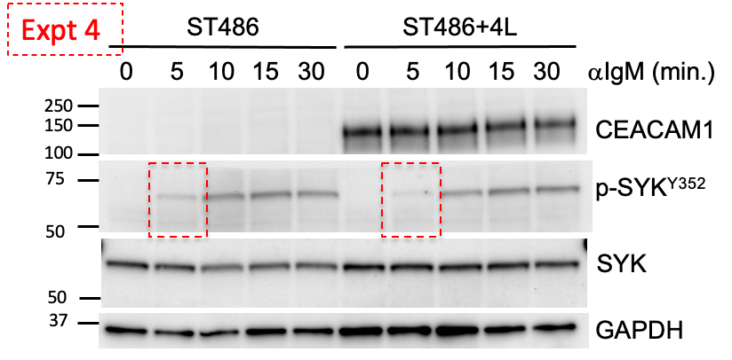
 | 26 | 312 | 49.122 | 23 | 106 |  | ST468+4L | 49.122 | 27.497 | 0.33204926941 |  |  |  | Median | -0.1787
 | 27 | 312 | 21.625 | 18 | 27 |  | blank | 21.625 | 0
 | 28 | 350 | 92.103 | 26 | 255 | GAPDH | ST468 | 92.103 | 68.05 |  |  |  |  | How effective was the pairing?
 | 29 | 350 | 106.863 | 28 | 255 |  | ST468+4L | 106.863 | 82.81 |  |  |  |  | rs (Spearman) | 0.9643
 | 40 | 225 | 24.053 | 19 | 38 |  | blank | 24.053 | 0 |  |  |  |  | P value (one tailed) | 0.0014
 | 30 | 325 | 56.828 | 29 | 93 | pSYK Y352 | ST468 | 56.828 | 22.949 | 0.27270890769 |  |  |  | P value summary | **
 | 31 | 325 | 47.378 | 31 | 69 |  | ST468+4L | 47.378 | 13.499 | 0.15148862629 |  |  |  | Was the pairing significantly effective? | Yes
 | 41 | 207 | 33.879 | 27 | 40 |  | blank | 33.879 | 0
 | 32 | 312 | 110.33 | 27 | 255 | GAPDH | ST468 | 110.33 | 84.152
 | 33 | 338 | 115.287 | 28 | 255 |  | ST468+4L | 115.287 | 89.109
 | 42 | 208 | 26.178 | 20 | 41 |  | blank | 26.178 | 0
 | 34 | 312 | 57.554 | 32 | 92 | pSYK Y352 | ST468 | 57.554 | 24.877 | 0.24344345716
 | 35 | 312 | 47.766 | 30 | 69 |  | ST468+4L | 47.766 | 15.089 | 0.13060111654
 | 36 | 260 | 32.677 | 23 | 44 |  | blank | 32.677 | 0
 | 37 | 260 | 126.215 | 30 | 255 | GAPDH | ST468 | 126.215 | 102.188
 | 38 | 260 | 139.562 | 38 | 255 |  | ST468+4L | 139.562 | 115.535
 | 39 | 182 | 24.027 | 12 | 35 |  | blank | 24.027 | 0

