Kelian_X2
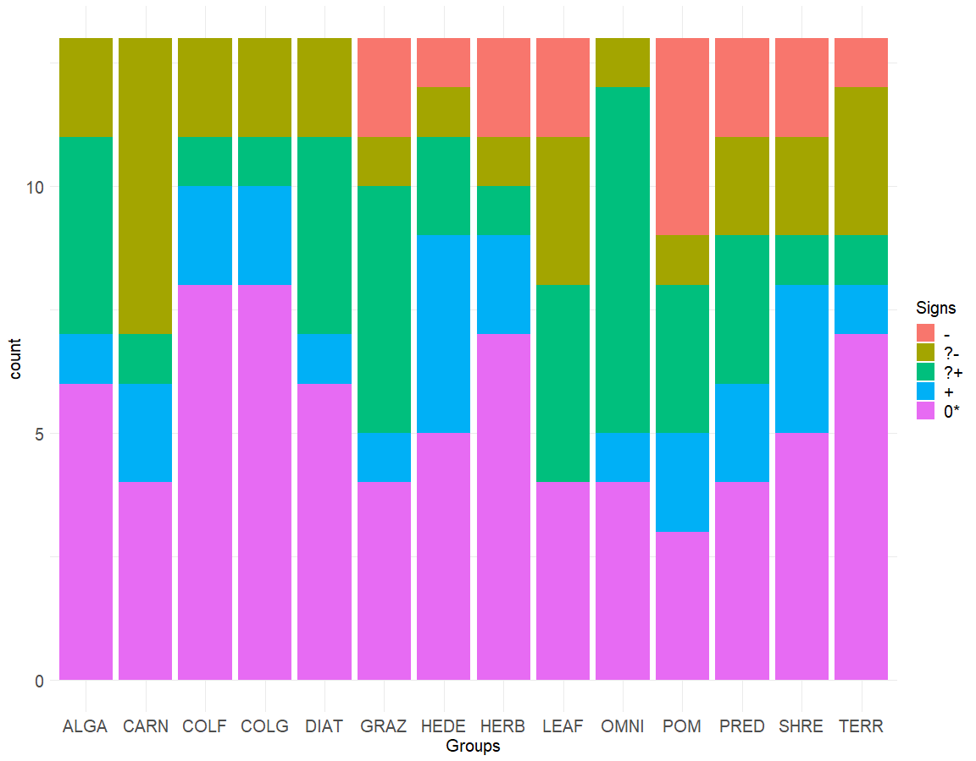
Signs of LA predictions (5 categories) |  |  |  |  |  |  | Signs of LA predictions (3 categories) |  |  |  | Signs of dynamic simulation results

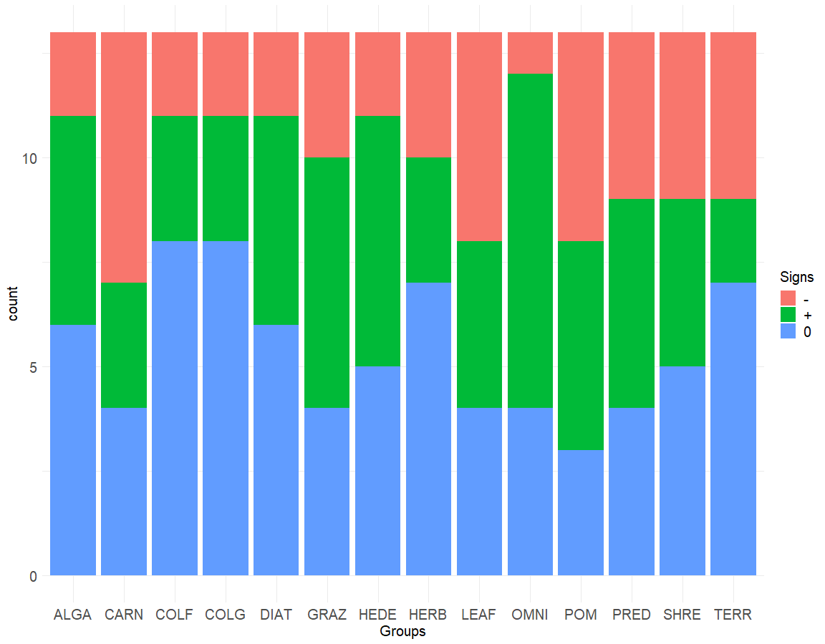
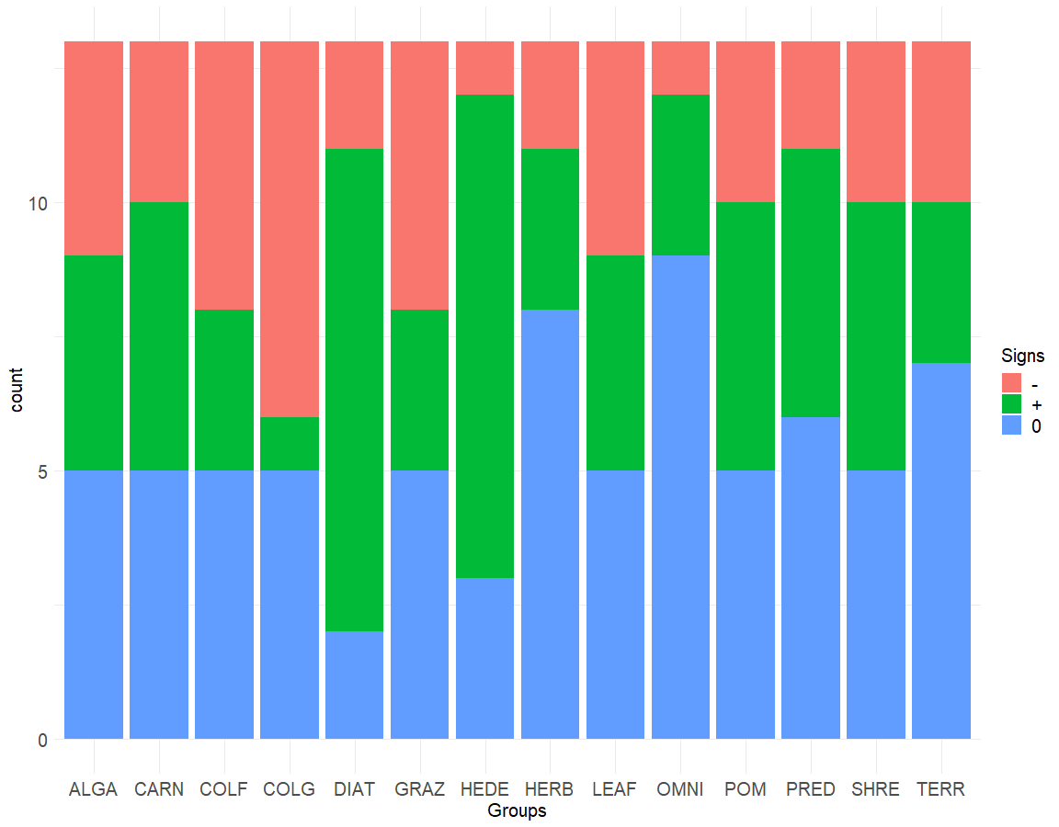
Kelian River 1 | ꭓ252=59.66 p=0.2173 |  |  |  |  |  | Kelian River 1 | ꭓ226=22.944 p=0.6361 |  |  | Kelian River 1 | ꭓ226=33.78 p=0.1407
 | - | ?- | ?+ | + | 0* |  |  | - | + | 0 |  | - | + | 0
ALGA | 0 | 2 | 4 | 1 | 6 |  | ALGA | 2 | 5 | 6 | ALGA | 4 | 4 | 5
CARN | 0 | 6 | 1 | 2 | 4 |  | CARN | 6 | 3 | 4 | CARN | 3 | 5 | 5
COLF | 0 | 2 | 1 | 2 | 8 |  | COLF | 2 | 3 | 8 | COLF | 5 | 3 | 5
COLG | 0 | 2 | 1 | 2 | 8 |  | COLG | 2 | 3 | 8 | COLG | 7 | 1 | 5
DIAT | 0 | 2 | 4 | 1 | 6 |  | DIAT | 2 | 5 | 6 | DIAT | 2 | 9 | 2
GRAZ | 2 | 1 | 5 | 1 | 4 |  | GRAZ | 3 | 6 | 4 | GRAZ | 5 | 3 | 5
HEDE | 1 | 1 | 2 | 4 | 5 |  | HEDE | 2 | 6 | 5 | HEDE | 1 | 9 | 3
HERB | 2 | 1 | 1 | 2 | 7 |  | HERB | 3 | 3 | 7 | HERB | 2 | 3 | 8
LEAF | 2 | 3 | 4 | 0 | 4 |  | LEAF | 5 | 4 | 4 | LEAF | 4 | 4 | 5
OMNI | 0 | 1 | 7 | 1 | 4 |  | OMNI | 1 | 8 | 4 | OMNI | 1 | 3 | 9
POM | 4 | 1 | 3 | 2 | 3 |  | POM | 5 | 5 | 3 | POM | 3 | 5 | 5
PRED | 2 | 2 | 3 | 2 | 4 |  | PRED | 4 | 5 | 4 | PRED | 2 | 5 | 6
SHRE | 2 | 2 | 1 | 3 | 5 |  | SHRE | 4 | 4 | 5 | SHRE | 3 | 5 | 5
TERR | 1 | 3 | 1 | 1 | 7 |  | TERR | 4 | 2 | 7 | TERR | 3 | 3 | 7

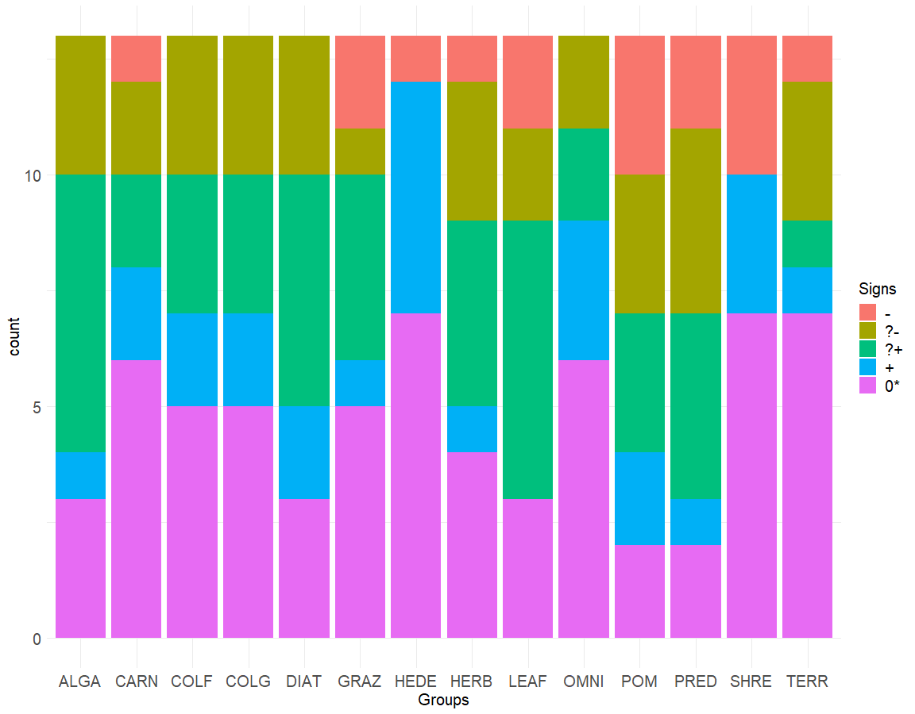
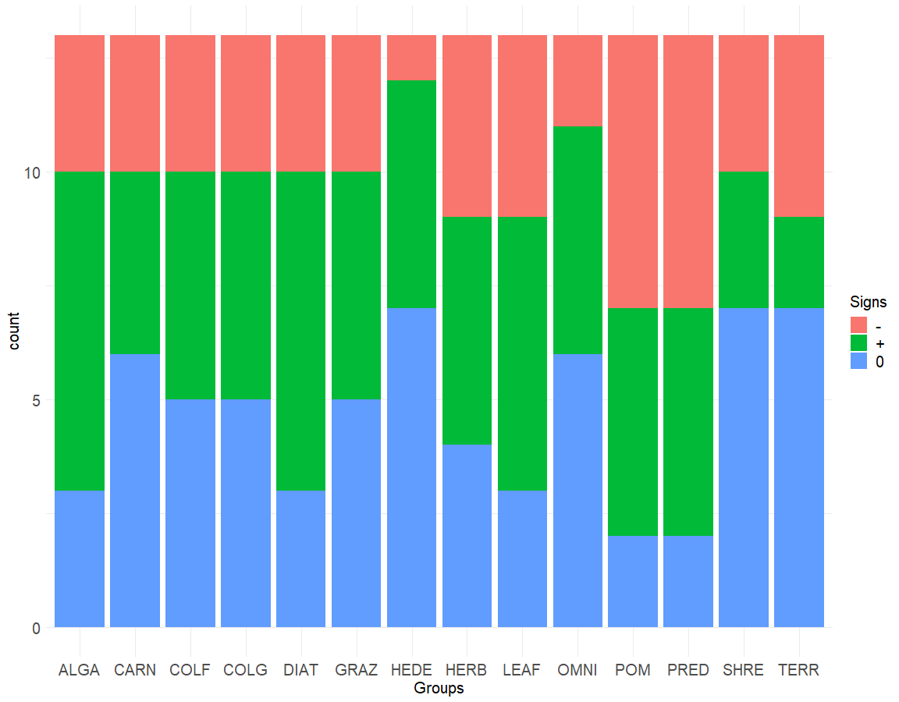
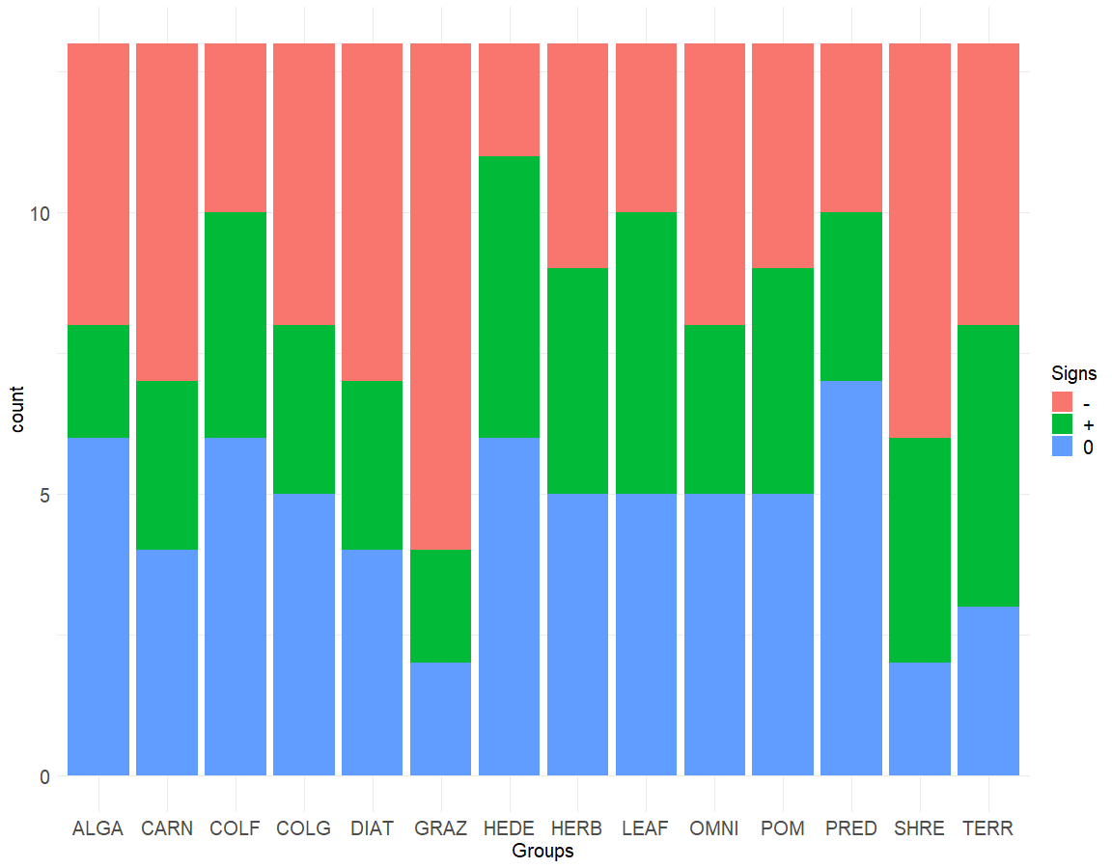
Kelian River 2 | ꭓ252=57.85 p=0.2681 |  |  |  |  |  | Kelian River 2 | ꭓ226=20.793 p=0.7526 |  |  | Kelian River 2 | ꭓ226=19.321 p=0.8226
 | - | ?- | ?+ | + | 0* |  |  | - | + | 0 |  | - | + | 0
ALGA | 0 | 3 | 6 | 1 | 3 |  | ALGA | 3 | 7 | 3 | ALGA | 5 | 2 | 6
CARN | 1 | 2 | 2 | 2 | 6 |  | CARN | 3 | 4 | 6 | CARN | 6 | 3 | 4
COLF | 0 | 3 | 3 | 2 | 5 |  | COLF | 3 | 5 | 5 | COLF | 3 | 4 | 6
COLG | 0 | 3 | 3 | 2 | 5 |  | COLG | 3 | 5 | 5 | COLG | 5 | 3 | 5
DIAT | 0 | 3 | 5 | 2 | 3 |  | DIAT | 3 | 7 | 3 | DIAT | 6 | 3 | 4
GRAZ | 2 | 1 | 4 | 1 | 5 |  | GRAZ | 3 | 5 | 5 | GRAZ | 9 | 2 | 2
HEDE | 1 | 0 | 0 | 5 | 7 |  | HEDE | 1 | 5 | 7 | HEDE | 2 | 5 | 6
HERB | 1 | 3 | 4 | 1 | 4 |  | HERB | 4 | 5 | 4 | HERB | 4 | 4 | 5
LEAF | 2 | 2 | 6 | 0 | 3 |  | LEAF | 4 | 6 | 3 | LEAF | 3 | 5 | 5
OMNI | 0 | 2 | 2 | 3 | 6 |  | OMNI | 2 | 5 | 6 | OMNI | 5 | 3 | 5
POM | 3 | 3 | 3 | 2 | 2 |  | POM | 6 | 5 | 2 | POM | 4 | 4 | 5
PRED | 2 | 4 | 4 | 1 | 2 |  | PRED | 6 | 5 | 2 | PRED | 3 | 3 | 7
SHRE | 3 | 0 | 0 | 3 | 7 |  | SHRE | 3 | 3 | 7 | SHRE | 7 | 4 | 2
TERR | 1 | 3 | 1 | 1 | 7 |  | TERR | 4 | 2 | 7 | TERR | 5 | 5 | 3

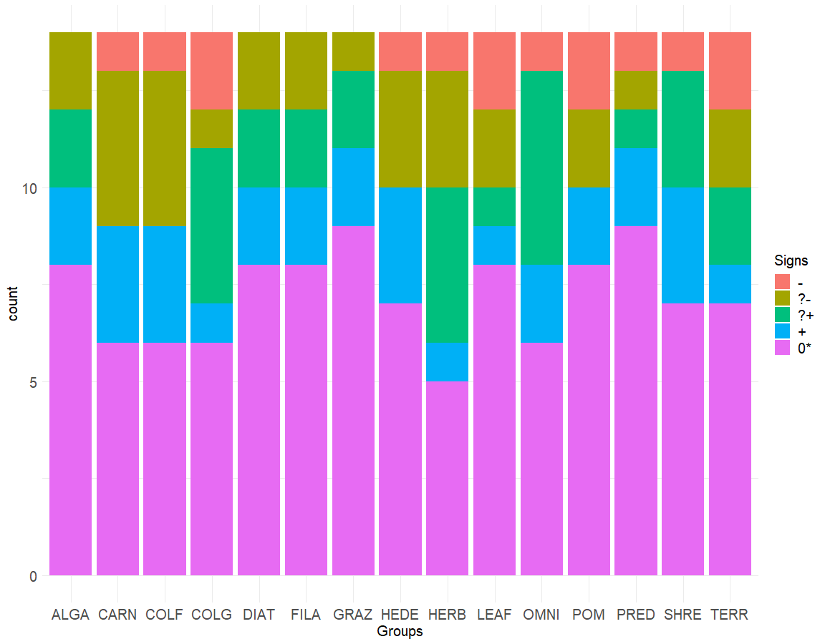
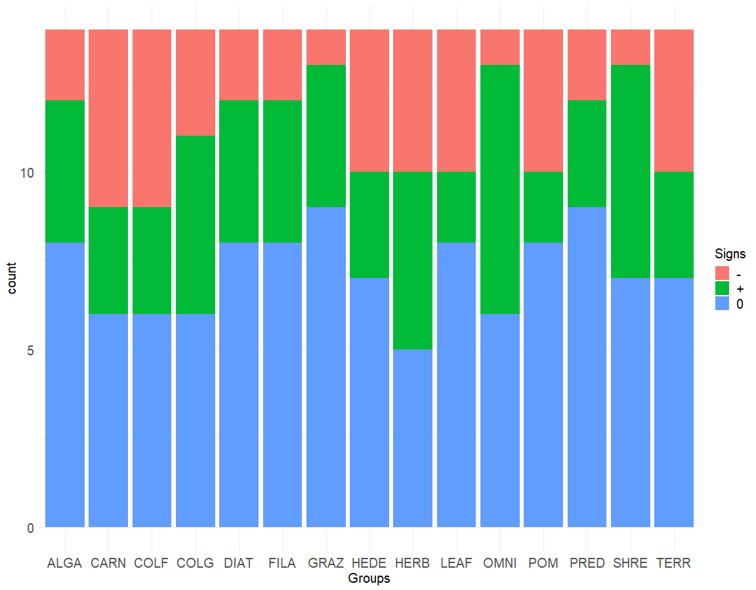
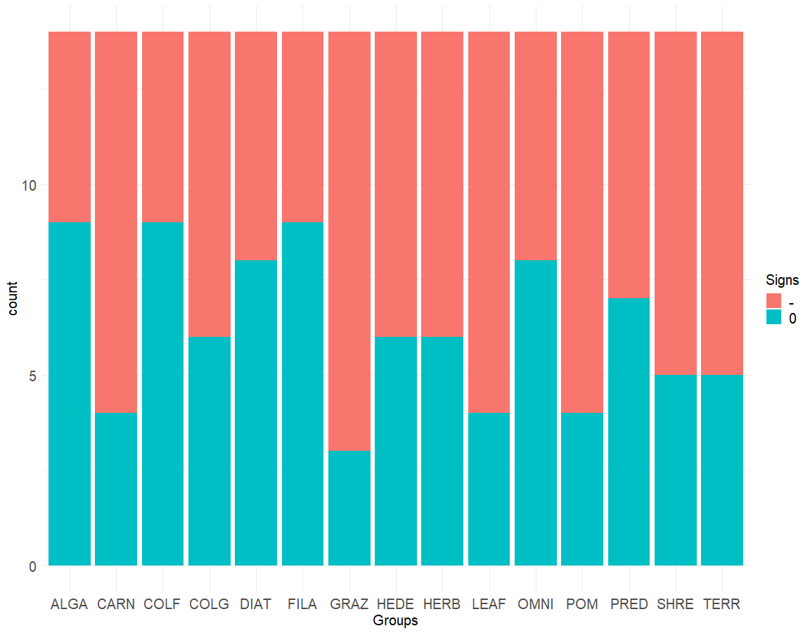
Kelian River 3 | ꭓ256=44.8 p=0.8586 |  |  |  |  |  | Kelian River 3 | ꭓ228=19.869 p=0.8692 |  |  | Kelian River 3 | ꭓ214=16.907 p=0.2612
 | - | ?- | ?+ | + | 0* |  |  | - | + | 0 |  | - | 0
ALGA | 0 | 2 | 2 | 2 | 8 |  | ALGA | 2 | 4 | 8 | ALGA | 5 | 9
CARN | 1 | 4 | 0 | 3 | 6 |  | CARN | 5 | 3 | 6 | CARN | 10 | 4
COLF | 1 | 4 | 0 | 3 | 6 |  | COLF | 5 | 3 | 6 | COLF | 5 | 9
COLG | 2 | 1 | 4 | 1 | 6 |  | COLG | 3 | 5 | 6 | COLG | 8 | 6
DIAT | 0 | 2 | 2 | 2 | 8 |  | DIAT | 2 | 4 | 8 | DIAT | 6 | 8
FILA | 0 | 2 | 2 | 2 | 8 |  | FILA | 2 | 4 | 8 | FILA | 5 | 9
GRAZ | 0 | 1 | 2 | 2 | 9 |  | GRAZ | 1 | 4 | 9 | GRAZ | 11 | 3
HEDE | 1 | 3 | 0 | 3 | 7 |  | HEDE | 4 | 3 | 7 | HEDE | 8 | 6
HERB | 1 | 3 | 4 | 1 | 5 |  | HERB | 4 | 5 | 5 | HERB | 8 | 6
LEAF | 2 | 2 | 1 | 1 | 8 |  | LEAF | 4 | 2 | 8 | LEAF | 10 | 4
OMNI | 1 | 0 | 5 | 2 | 6 |  | OMNI | 1 | 7 | 6 | OMNI | 6 | 8
POM | 2 | 2 | 0 | 2 | 8 |  | POM | 4 | 2 | 8 | POM | 10 | 4
PRED | 1 | 1 | 1 | 2 | 9 |  | PRED | 2 | 3 | 9 | PRED | 7 | 7
SHRE | 1 | 0 | 3 | 3 | 7 |  | SHRE | 1 | 6 | 7 | SHRE | 9 | 5
TERR | 2 | 2 | 2 | 1 | 7 |  | TERR | 4 | 3 | 7 | TERR | 9 | 5

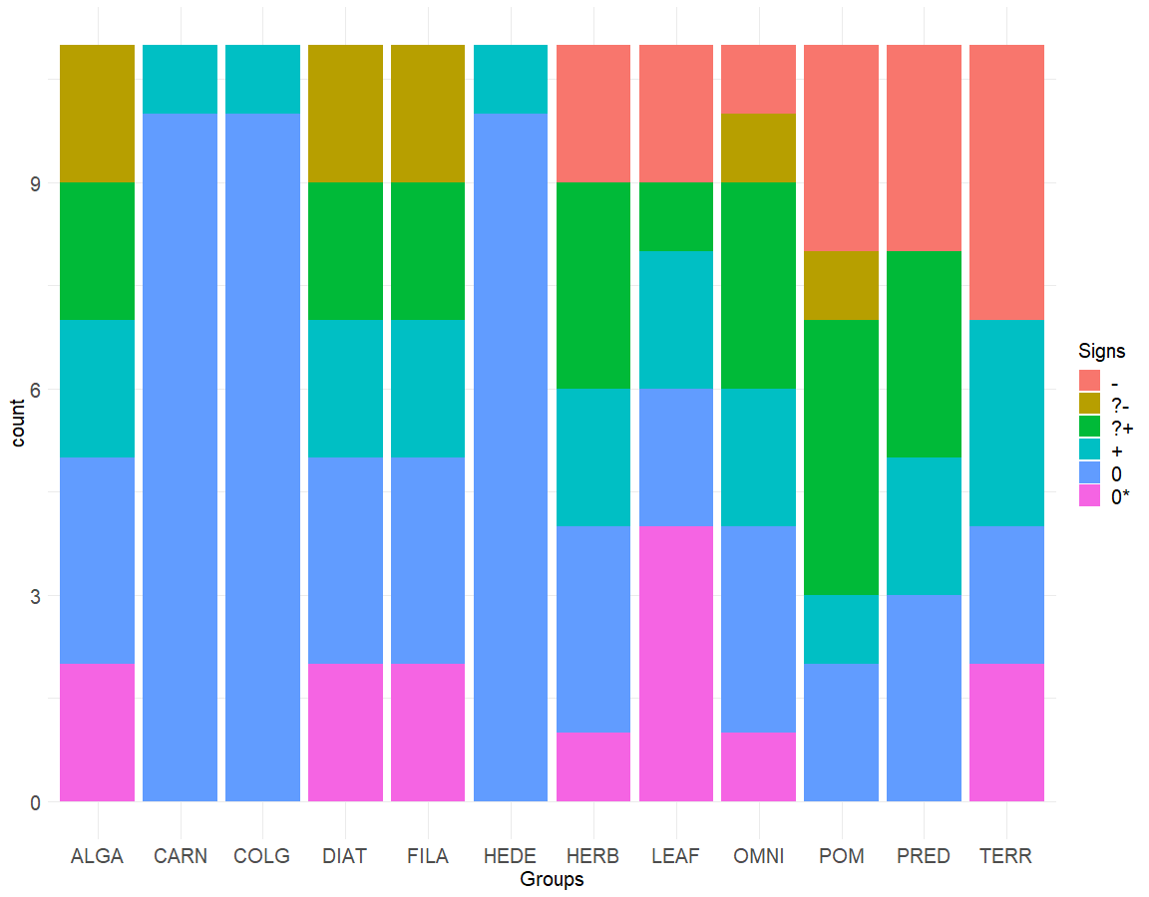
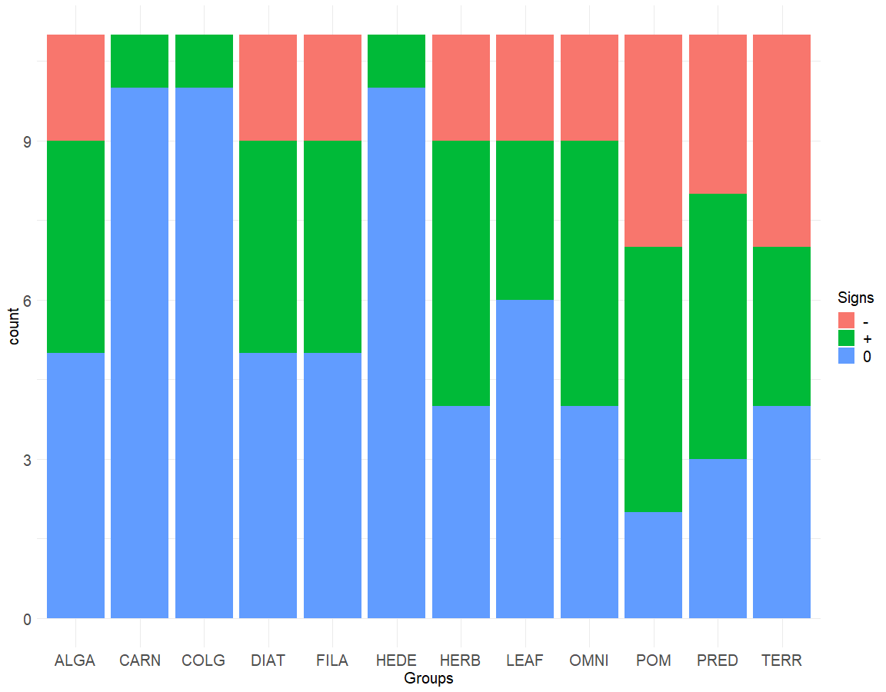
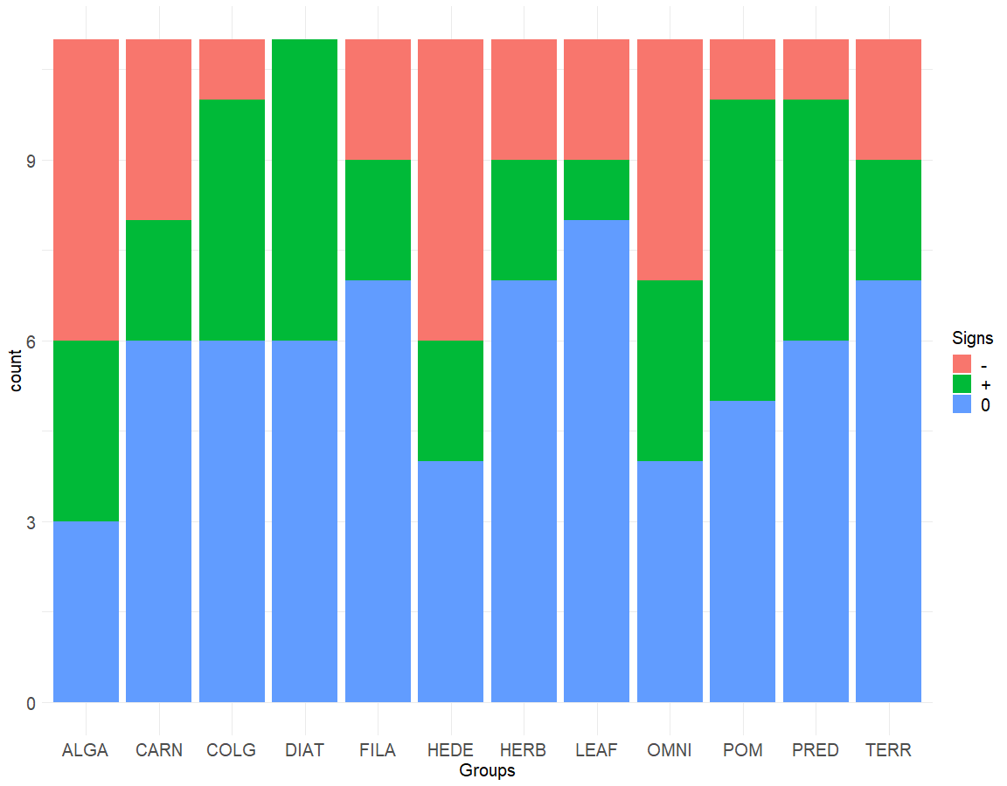
Kelian River 4 | ꭓ255=90.9 p=0.001661 |  |  |  |  |  | Kelian River 4 | ꭓ222=34.67 p=0.04193 |  |  | Kelian River 4 | ꭓ222=22.989 p=0.4024
 | - | ?- | ?+ | + | 0 | 0* |  | - | + | 0 |  | - | + | 0
ALGA | 0 | 2 | 2 | 2 | 3 | 2 | ALGA | 2 | 4 | 5 | ALGA | 5 | 3 | 3
CARN | 0 | 0 | 0 | 1 | 10 | 0 | CARN | 0 | 1 | 10 | CARN | 3 | 2 | 6
COLG | 0 | 0 | 0 | 1 | 10 | 0 | COLG | 0 | 1 | 10 | COLG | 1 | 4 | 6
DIAT | 0 | 2 | 2 | 2 | 3 | 2 | DIAT | 2 | 4 | 5 | DIAT | 0 | 5 | 6
FILA | 0 | 2 | 2 | 2 | 3 | 2 | FILA | 2 | 4 | 5 | FILA | 2 | 2 | 7
HEDE | 0 | 0 | 0 | 1 | 10 | 0 | HEDE | 0 | 1 | 10 | HEDE | 5 | 2 | 4
HERB | 2 | 0 | 3 | 2 | 3 | 1 | HERB | 2 | 5 | 4 | HERB | 2 | 2 | 7
LEAF | 2 | 0 | 1 | 2 | 2 | 4 | LEAF | 2 | 3 | 6 | LEAF | 2 | 1 | 8
OMNI | 1 | 1 | 3 | 2 | 3 | 1 | OMNI | 2 | 5 | 4 | OMNI | 4 | 3 | 4
POM | 3 | 1 | 4 | 1 | 2 | 0 | POM | 4 | 5 | 2 | POM | 1 | 5 | 5
PRED | 3 | 0 | 3 | 2 | 3 | 0 | PRED | 3 | 5 | 3 | PRED | 1 | 4 | 6
TERR | 4 | 0 | 0 | 3 | 2 | 2 | TERR | 4 | 3 | 4 | TERR | 2 | 2 | 7

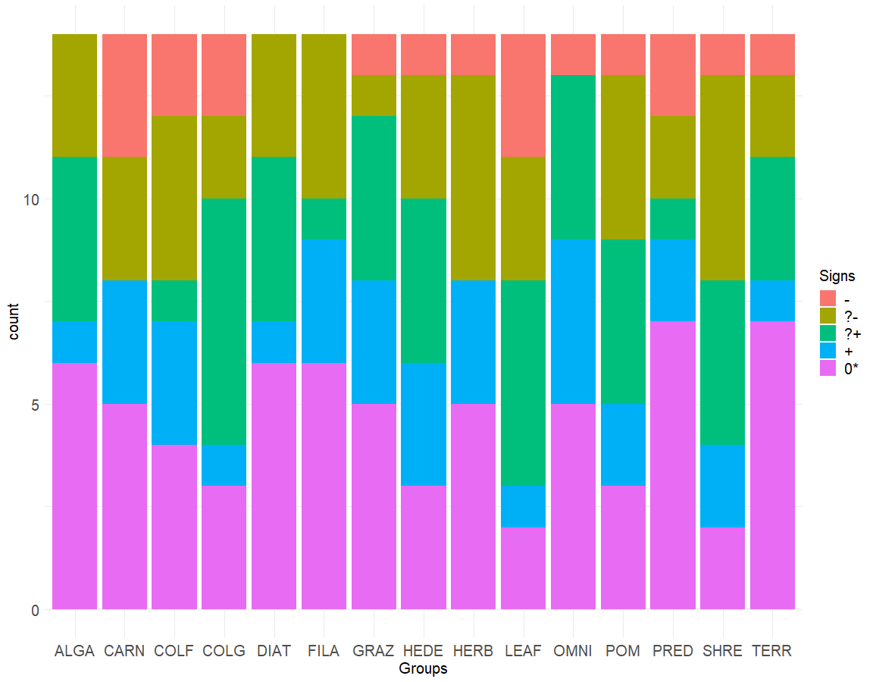
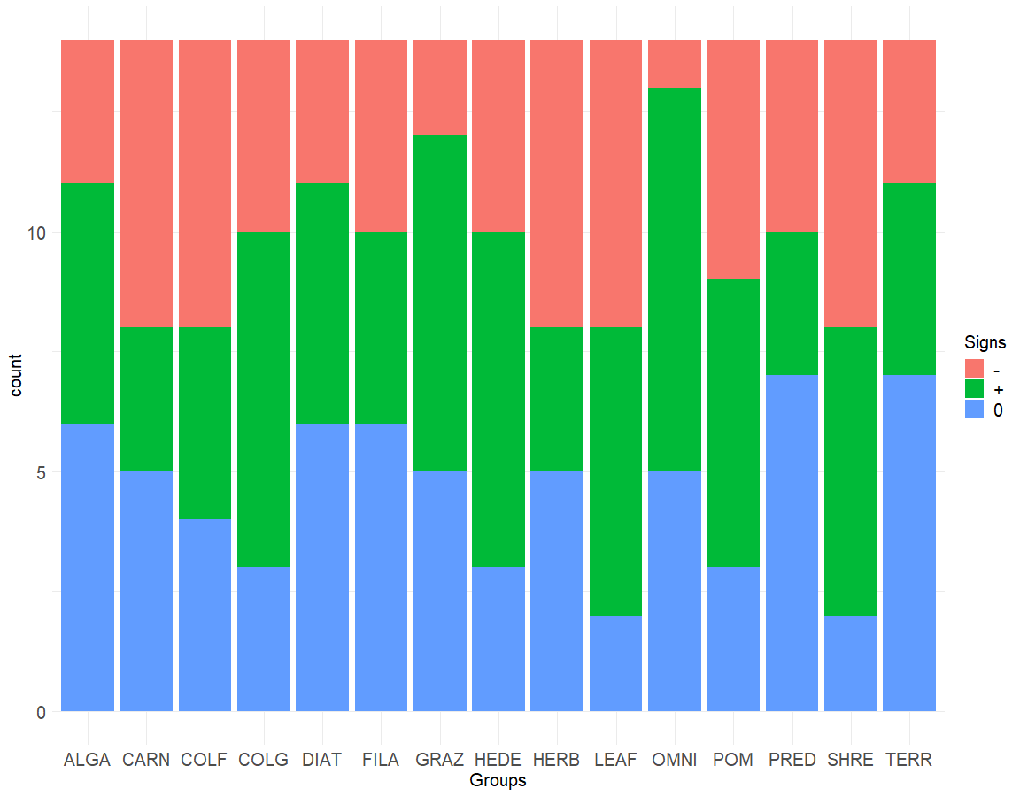
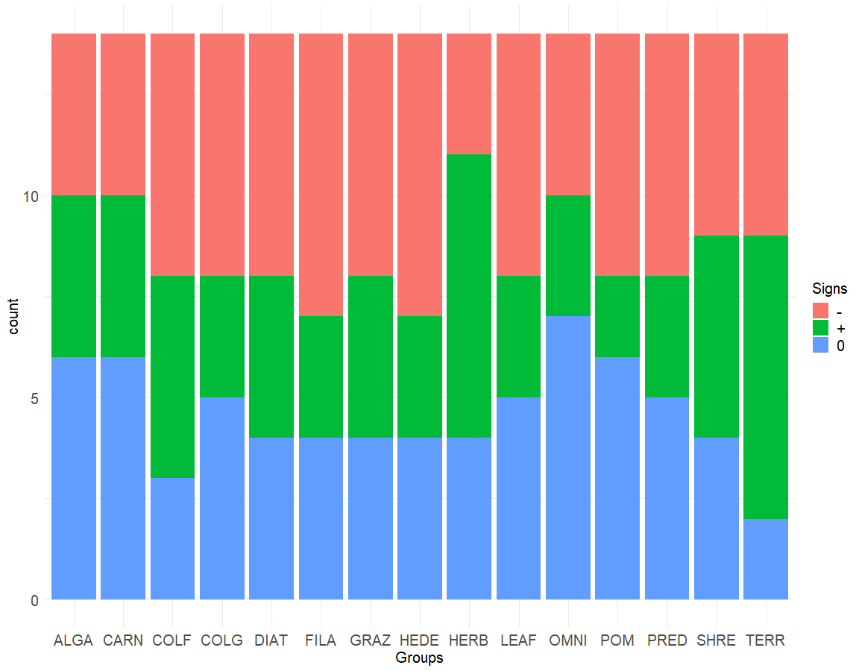
Kelian River 5 | ꭓ256=51.21 p=0.6563 |  |  |  |  |  | Kelian River 5 | ꭓ228=24.66 p=0.6463 |  |  | Kelian River 5 | ꭓ228=16.26 p=0.9618
 | - | ?- | ?+ | + | 0* |  |  | - | + | 0 |  | - | + | 0
ALGA | 0 | 3 | 4 | 1 | 6 |  | ALGA | 3 | 5 | 6 | ALGA | 4 | 4 | 6
CARN | 3 | 3 | 0 | 3 | 5 |  | CARN | 6 | 3 | 5 | CARN | 4 | 4 | 6
COLF | 2 | 4 | 1 | 3 | 4 |  | COLF | 6 | 4 | 4 | COLF | 6 | 5 | 3
COLG | 2 | 2 | 6 | 1 | 3 |  | COLG | 4 | 7 | 3 | COLG | 6 | 3 | 5
DIAT | 0 | 3 | 4 | 1 | 6 |  | DIAT | 3 | 5 | 6 | DIAT | 6 | 4 | 4
FILA | 0 | 4 | 1 | 3 | 6 |  | FILA | 4 | 4 | 6 | FILA | 7 | 3 | 4
GRAZ | 1 | 1 | 4 | 3 | 5 |  | GRAZ | 2 | 7 | 5 | GRAZ | 6 | 4 | 4
HEDE | 1 | 3 | 4 | 3 | 3 |  | HEDE | 4 | 7 | 3 | HEDE | 7 | 3 | 4
HERB | 1 | 5 | 0 | 3 | 5 |  | HERB | 6 | 3 | 5 | HERB | 3 | 7 | 4
LEAF | 3 | 3 | 5 | 1 | 2 |  | LEAF | 6 | 6 | 2 | LEAF | 6 | 3 | 5
OMNI | 1 | 0 | 4 | 4 | 5 |  | OMNI | 1 | 8 | 5 | OMNI | 4 | 3 | 7
POM | 1 | 4 | 4 | 2 | 3 |  | POM | 5 | 6 | 3 | POM | 6 | 2 | 6
PRED | 2 | 2 | 1 | 2 | 7 |  | PRED | 4 | 3 | 7 | PRED | 6 | 3 | 5
SHRE | 1 | 5 | 4 | 2 | 2 |  | SHRE | 6 | 6 | 2 | SHRE | 5 | 5 | 4
TERR | 1 | 2 | 3 | 1 | 7 |  | TERR | 3 | 4 | 7 | TERR | 5 | 7 | 2

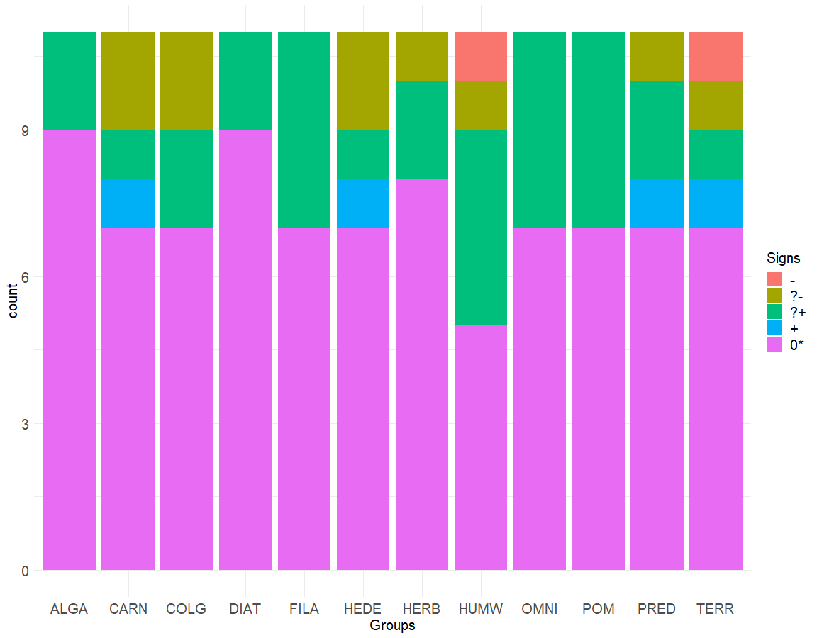
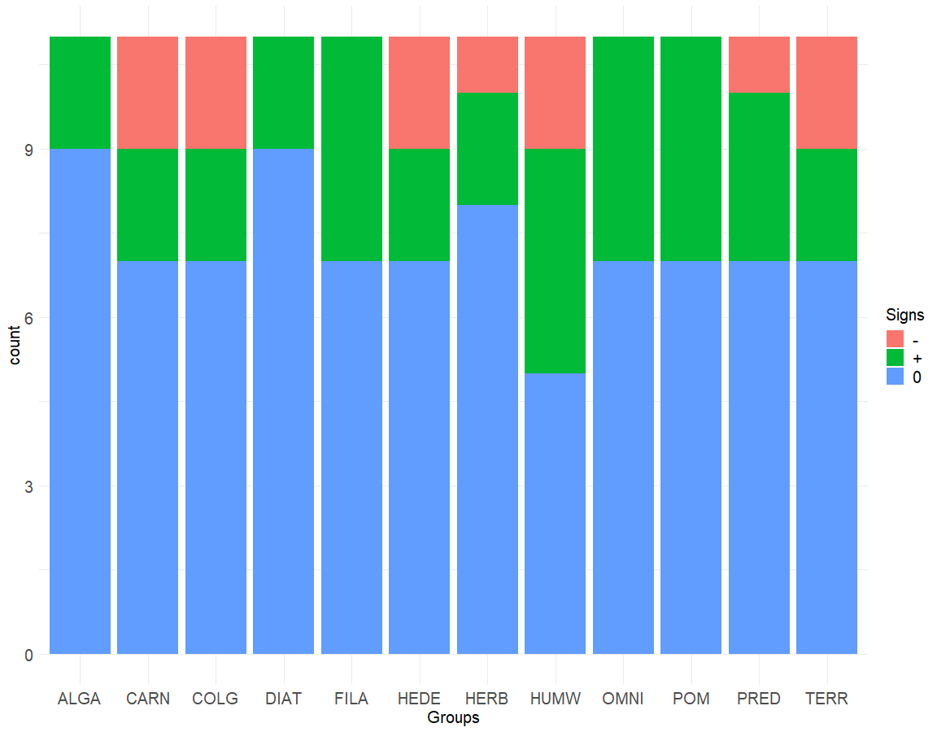
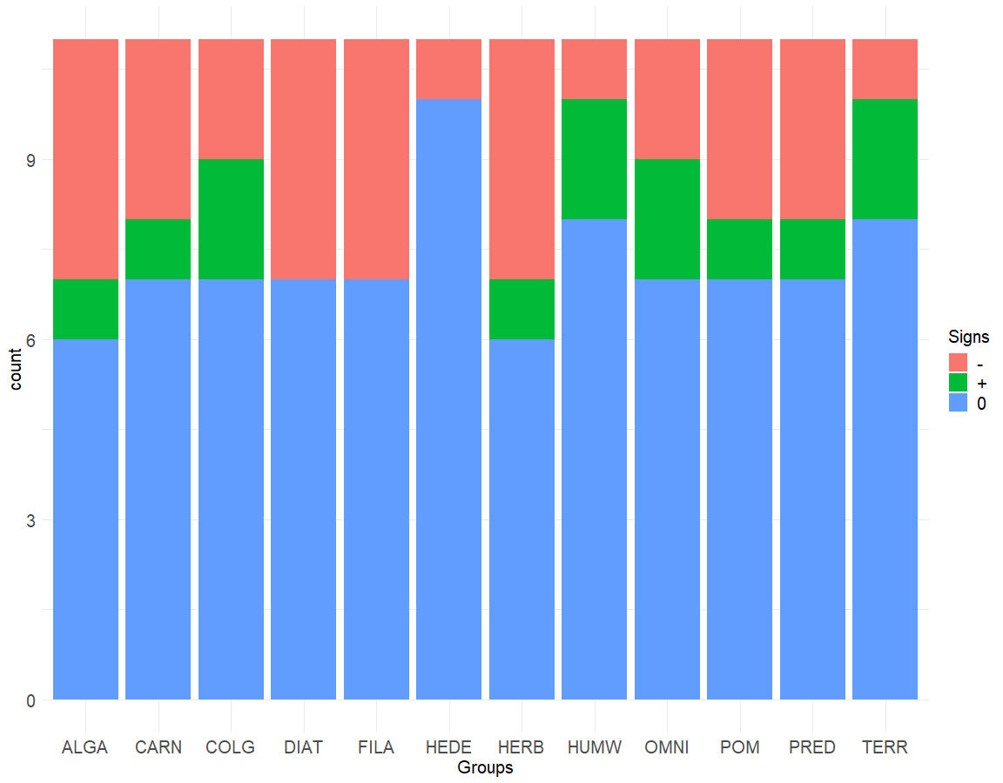
Kelian River 6 | ꭓ244=35.89 p=0.8029 |  |  |  |  |  | Kelian River 6 | ꭓ222=15.417 p=0.8437 |  |  | Kelian River 6 | ꭓ222=14.324 p=0.8896
 | - | ?- | ?+ | + | 0* |  |  | - | + | 0 |  | - | + | 0
ALGA | 0 | 0 | 2 | 0 | 9 |  | ALGA | 0 | 2 | 9 | ALGA | 4 | 1 | 6
CARN | 0 | 2 | 1 | 1 | 7 |  | CARN | 2 | 2 | 7 | CARN | 3 | 1 | 7
COLG | 0 | 2 | 2 | 0 | 7 |  | COLG | 2 | 2 | 7 | COLG | 2 | 2 | 7
DIAT | 0 | 0 | 2 | 0 | 9 |  | DIAT | 0 | 2 | 9 | DIAT | 4 | 0 | 7
FILA | 0 | 0 | 4 | 0 | 7 |  | FILA | 0 | 4 | 7 | FILA | 4 | 0 | 7
HEDE | 0 | 2 | 1 | 1 | 7 |  | HEDE | 2 | 2 | 7 | HEDE | 1 | 0 | 10
HERB | 0 | 1 | 2 | 0 | 8 |  | HERB | 1 | 2 | 8 | HERB | 4 | 1 | 6
HUMW | 1 | 1 | 4 | 0 | 5 |  | HUMW | 2 | 4 | 5 | HUMW | 1 | 2 | 8
OMNI | 0 | 0 | 4 | 0 | 7 |  | OMNI | 0 | 4 | 7 | OMNI | 2 | 2 | 7
POM | 0 | 0 | 4 | 0 | 7 |  | POM | 0 | 4 | 7 | POM | 3 | 1 | 7
PRED | 0 | 1 | 2 | 1 | 7 |  | PRED | 1 | 3 | 7 | PRED | 3 | 1 | 7
TERR | 1 | 1 | 1 | 1 | 7 |  | TERR | 2 | 2 | 7 | TERR | 1 | 2 | 8

X2_probak
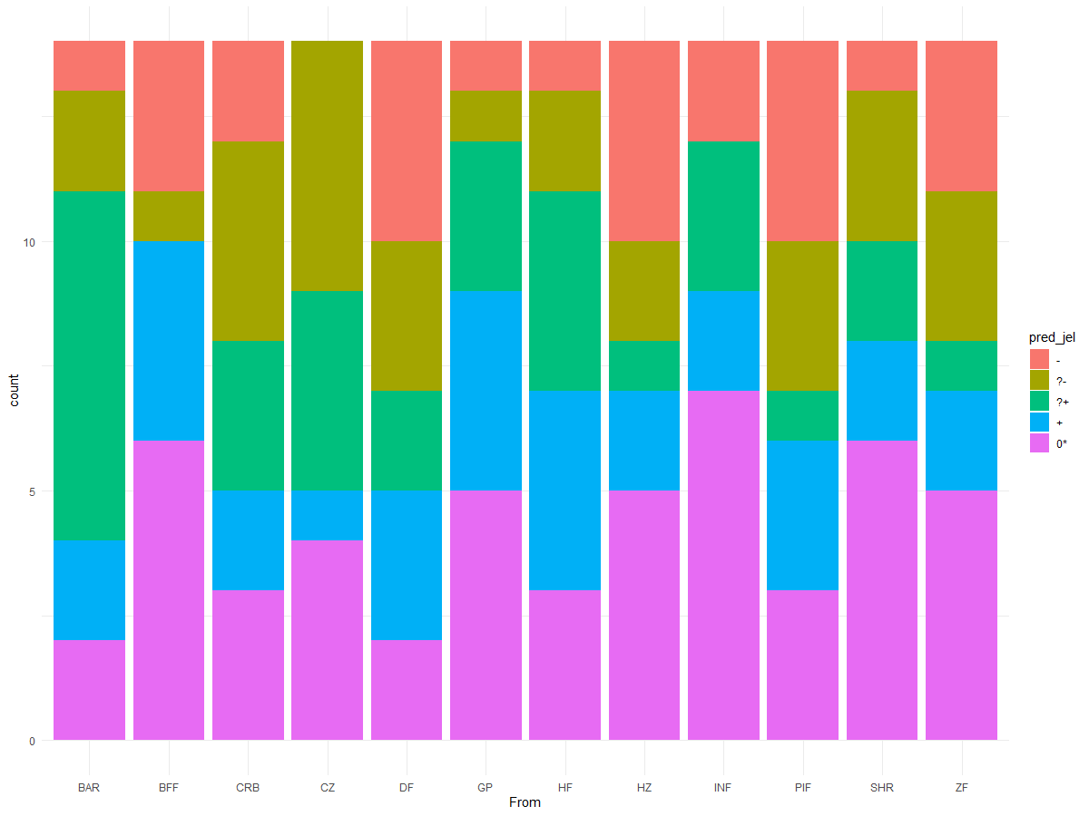
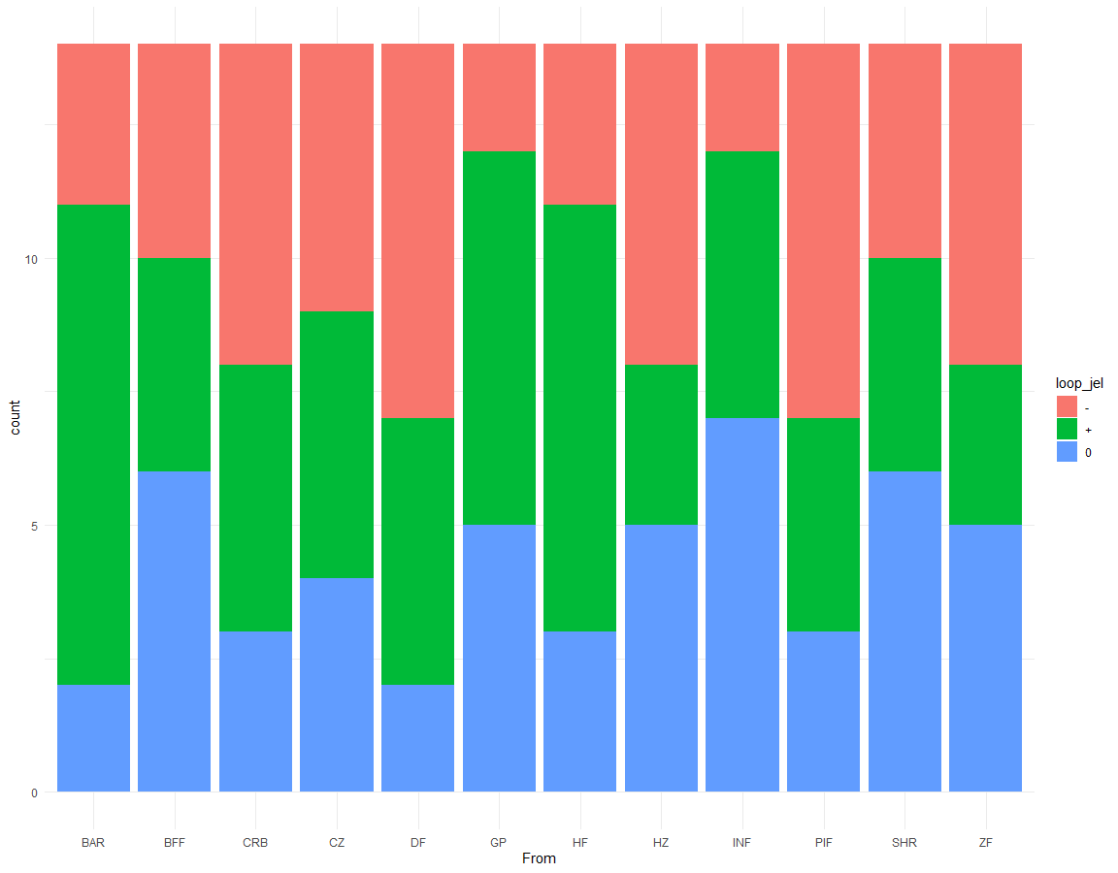
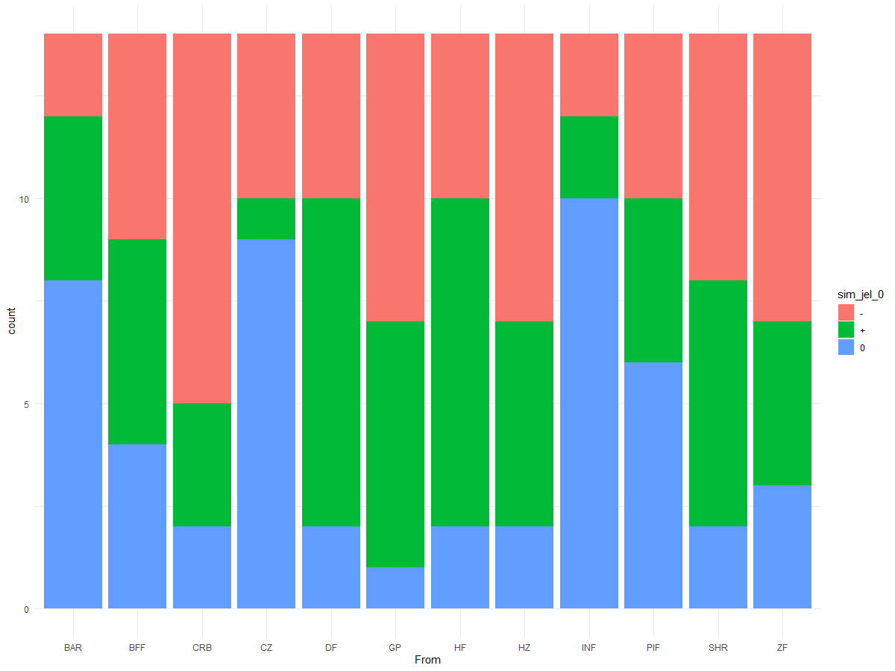

Signs of LA predictions |  |  |  |  |  |  | Signs of LA predictions only +, -, and 0 |  |  |  | Signs of dynamic simulation results
Kuosheng Bay | ꭓ244=45.06 p=0.4272 |  |  |  |  |  | Kuosheng Bay | ꭓ222=22.85 p=0.4103 |  |  | Kuosheng Bay | ꭓ222=46.81 p=0.001551
 | - | ?- | ?+ | + | 0* |  |  | - | + | 0 |  | - | + | 0
BAR | 1 | 2 | 7 | 2 | 2 |  | BAR | 3 | 9 | 2 | BAR | 2 | 4 | 8
BFF | 3 | 1 | 0 | 4 | 6 |  | BFF | 4 | 4 | 6 | BFF | 5 | 5 | 4
CRB | 2 | 4 | 3 | 2 | 3 |  | CRB | 6 | 5 | 3 | CRB | 9 | 3 | 2
CZ | 0 | 5 | 4 | 1 | 4 |  | CZ | 5 | 5 | 4 | CZ | 4 | 1 | 9
DF | 4 | 3 | 2 | 3 | 2 |  | DF | 7 | 5 | 2 | DF | 4 | 8 | 2
GP | 1 | 1 | 3 | 4 | 5 |  | GP | 2 | 7 | 5 | GP | 7 | 6 | 1
HF | 1 | 2 | 4 | 4 | 3 |  | HF | 3 | 8 | 3 | HF | 4 | 8 | 2
HZ | 4 | 2 | 1 | 2 | 5 |  | HZ | 6 | 3 | 5 | HZ | 7 | 5 | 2
INF | 2 | 0 | 3 | 2 | 7 |  | INF | 2 | 5 | 7 | INF | 2 | 2 | 10
PIF | 4 | 3 | 1 | 3 | 3 |  | PIF | 7 | 4 | 3 | PIF | 4 | 4 | 6
SHR | 1 | 3 | 2 | 2 | 6 |  | SHR | 4 | 4 | 6 | SHR | 6 | 6 | 2
ZF | 3 | 3 | 1 | 2 | 5 |  | ZF | 6 | 3 | 5 | ZF | 7 | 4 | 3

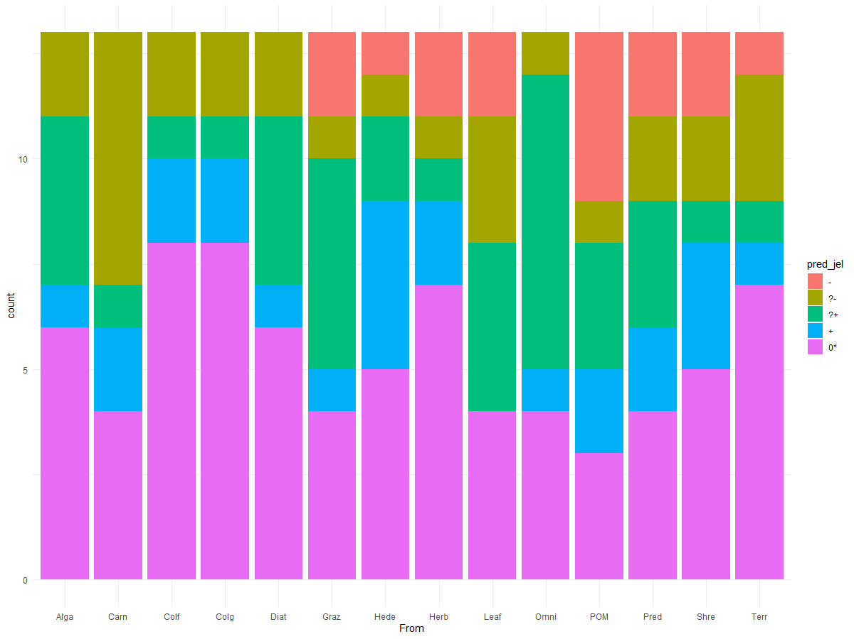
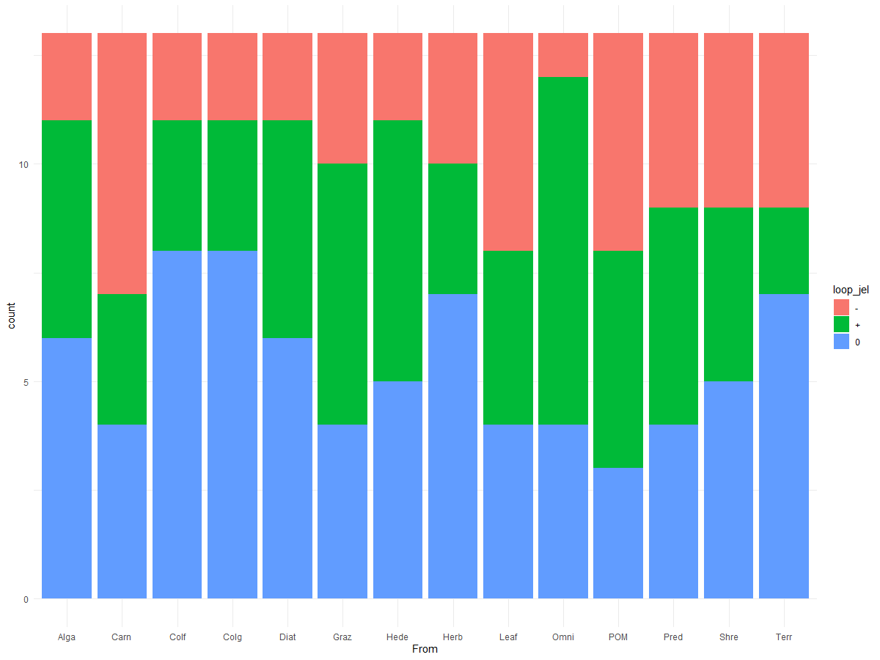
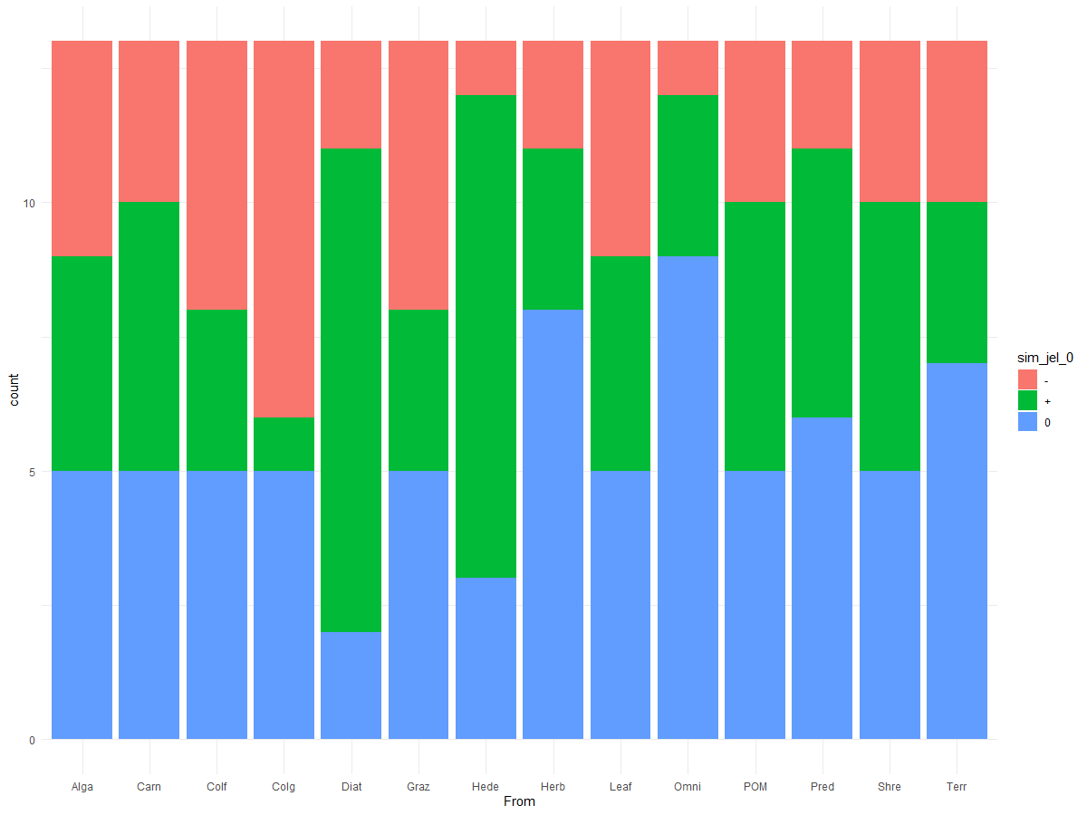
Signs of LA predictions |  |  |  |  |  |  | Signs of LA predictions only +, -, and 0 |  |  |  | Signs of dynamic simulation results
Kelian River 1 | ꭓ252=59.66 p=0.2173 |  |  |  |  |  | Kelian River 1 | ꭓ226=22.944 p=0.6361 |  |  | Kelian River 1 | ꭓ226=33.78 p=0.1407
 | - | ?- | ?+ | + | 0* |  |  | - | + | 0 |  | - | + | 0
Alga | 0 | 2 | 4 | 1 | 6 |  | Alga | 2 | 5 | 6 | Alga | 4 | 4 | 5
Carn | 0 | 6 | 1 | 2 | 4 |  | Carn | 6 | 3 | 4 | Carn | 3 | 5 | 5
Colf | 0 | 2 | 1 | 2 | 8 |  | Colf | 2 | 3 | 8 | Colf | 5 | 3 | 5
Colg | 0 | 2 | 1 | 2 | 8 |  | Colg | 2 | 3 | 8 | Colg | 7 | 1 | 5
Diat | 0 | 2 | 4 | 1 | 6 |  | Diat | 2 | 5 | 6 | Diat | 2 | 9 | 2
Graz | 2 | 1 | 5 | 1 | 4 |  | Graz | 3 | 6 | 4 | Graz | 5 | 3 | 5
Hede | 1 | 1 | 2 | 4 | 5 |  | Hede | 2 | 6 | 5 | Hede | 1 | 9 | 3
Herb | 2 | 1 | 1 | 2 | 7 |  | Herb | 3 | 3 | 7 | Herb | 2 | 3 | 8
Leaf | 2 | 3 | 4 | 0 | 4 |  | Leaf | 5 | 4 | 4 | Leaf | 4 | 4 | 5
Omni | 0 | 1 | 7 | 1 | 4 |  | Omni | 1 | 8 | 4 | Omni | 1 | 3 | 9
POM | 4 | 1 | 3 | 2 | 3 |  | POM | 5 | 5 | 3 | POM | 3 | 5 | 5
Pred | 2 | 2 | 3 | 2 | 4 |  | Pred | 4 | 5 | 4 | Pred | 2 | 5 | 6
Shre | 2 | 2 | 1 | 3 | 5 |  | Shre | 4 | 4 | 5 | Shre | 3 | 5 | 5
Terr | 1 | 3 | 1 | 1 | 7 |  | Terr | 4 | 2 | 7 | Terr | 3 | 3 | 7

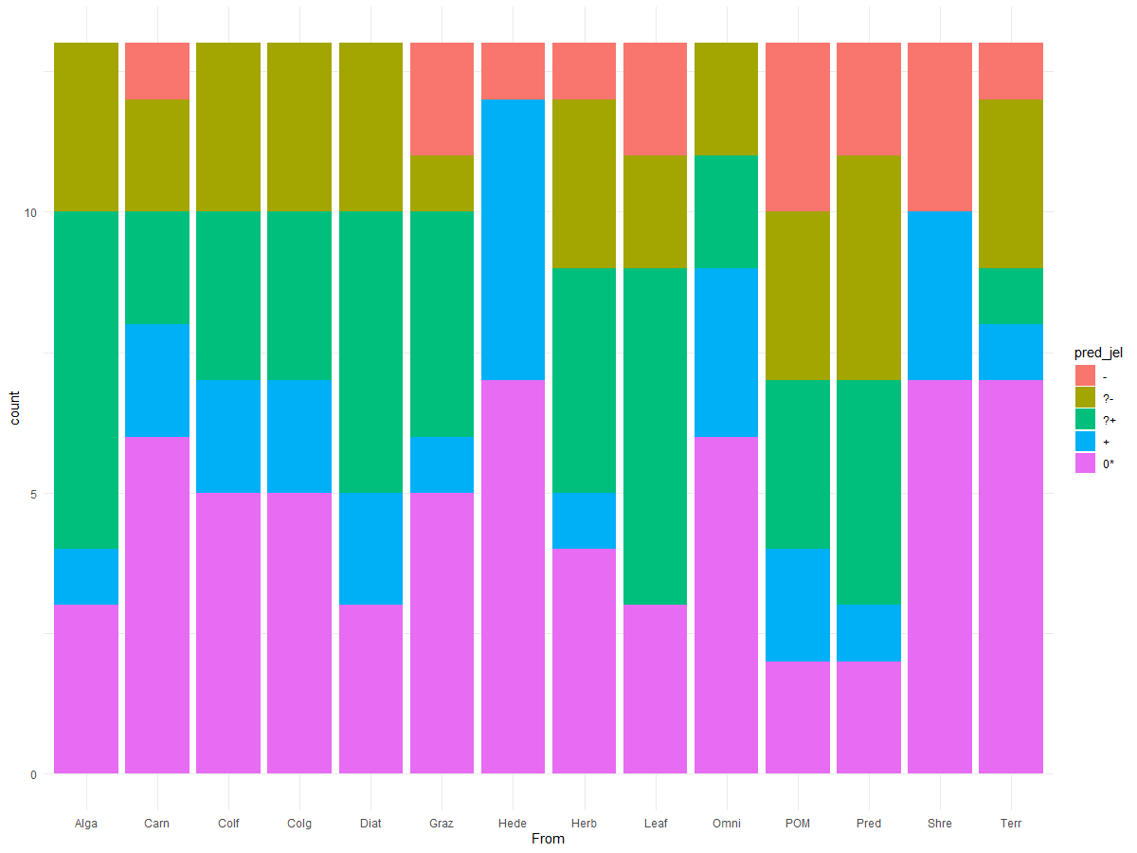
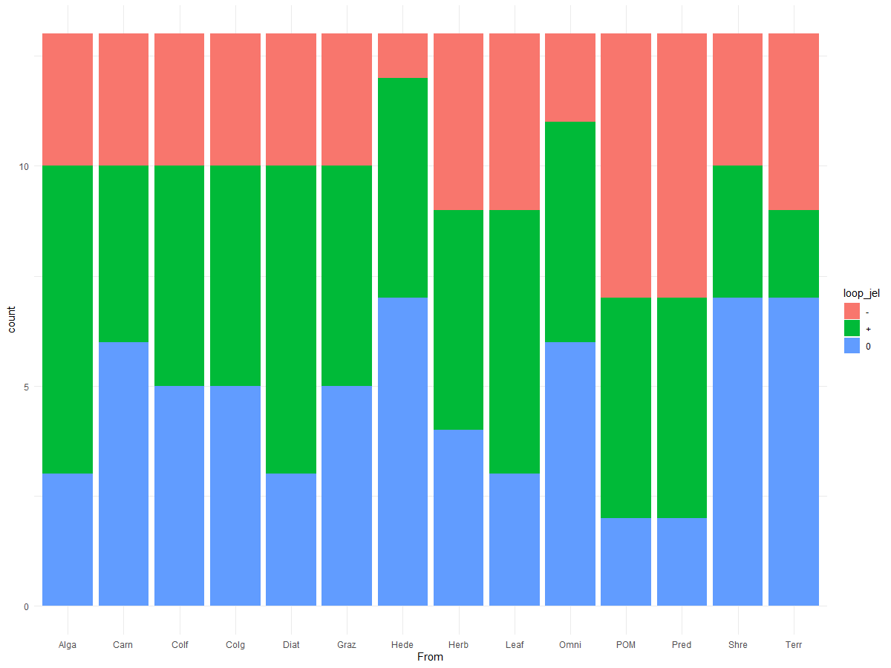
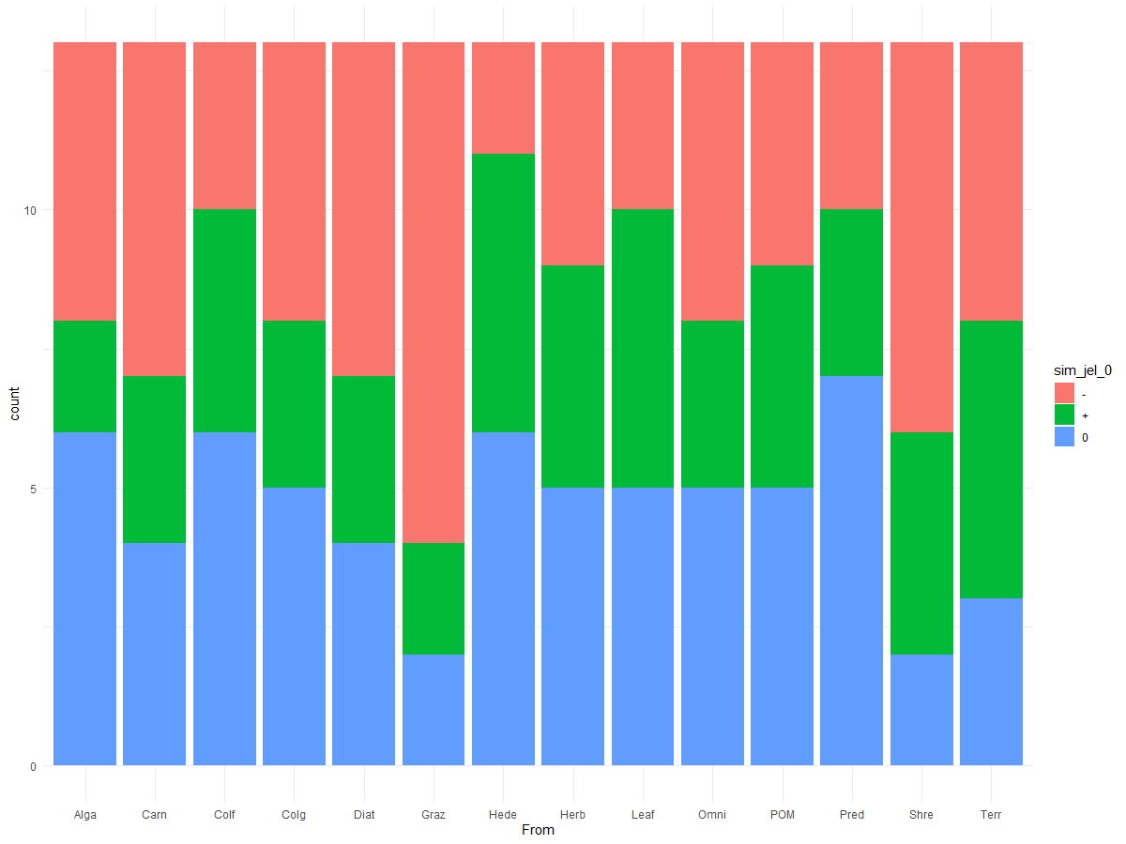
Signs of LA predictions |  |  |  |  |  |  | Signs of LA predictions only +, -, and 0 |  |  |  | Signs of dynamic simulation results
Kelian River 2 | ꭓ252=57.85 p=0.2681 |  |  |  |  |  | Kelian River 2 | ꭓ226=20.793 p=0.7526 |  |  | Kelian River 2 | ꭓ226=19.321 p=0.8226
 | - | ?- | ?+ | + | 0* |  |  | - | + | 0 |  | - | + | 0
Alga | 0 | 3 | 6 | 1 | 3 |  | Alga | 3 | 7 | 3 | Alga | 5 | 2 | 6
Carn | 1 | 2 | 2 | 2 | 6 |  | Carn | 3 | 4 | 6 | Carn | 6 | 3 | 4
Colf | 0 | 3 | 3 | 2 | 5 |  | Colf | 3 | 5 | 5 | Colf | 3 | 4 | 6
Colg | 0 | 3 | 3 | 2 | 5 |  | Colg | 3 | 5 | 5 | Colg | 5 | 3 | 5
Diat | 0 | 3 | 5 | 2 | 3 |  | Diat | 3 | 7 | 3 | Diat | 6 | 3 | 4
Graz | 2 | 1 | 4 | 1 | 5 |  | Graz | 3 | 5 | 5 | Graz | 9 | 2 | 2
Hede | 1 | 0 | 0 | 5 | 7 |  | Hede | 1 | 5 | 7 | Hede | 2 | 5 | 6
Herb | 1 | 3 | 4 | 1 | 4 |  | Herb | 4 | 5 | 4 | Herb | 4 | 4 | 5
Leaf | 2 | 2 | 6 | 0 | 3 |  | Leaf | 4 | 6 | 3 | Leaf | 3 | 5 | 5
Omni | 0 | 2 | 2 | 3 | 6 |  | Omni | 2 | 5 | 6 | Omni | 5 | 3 | 5
POM | 3 | 3 | 3 | 2 | 2 |  | POM | 6 | 5 | 2 | POM | 4 | 4 | 5
Pred | 2 | 4 | 4 | 1 | 2 |  | Pred | 6 | 5 | 2 | Pred | 3 | 3 | 7
Shre | 3 | 0 | 0 | 3 | 7 |  | Shre | 3 | 3 | 7 | Shre | 7 | 4 | 2
Terr | 1 | 3 | 1 | 1 | 7 |  | Terr | 4 | 2 | 7 | Terr | 5 | 5 | 3

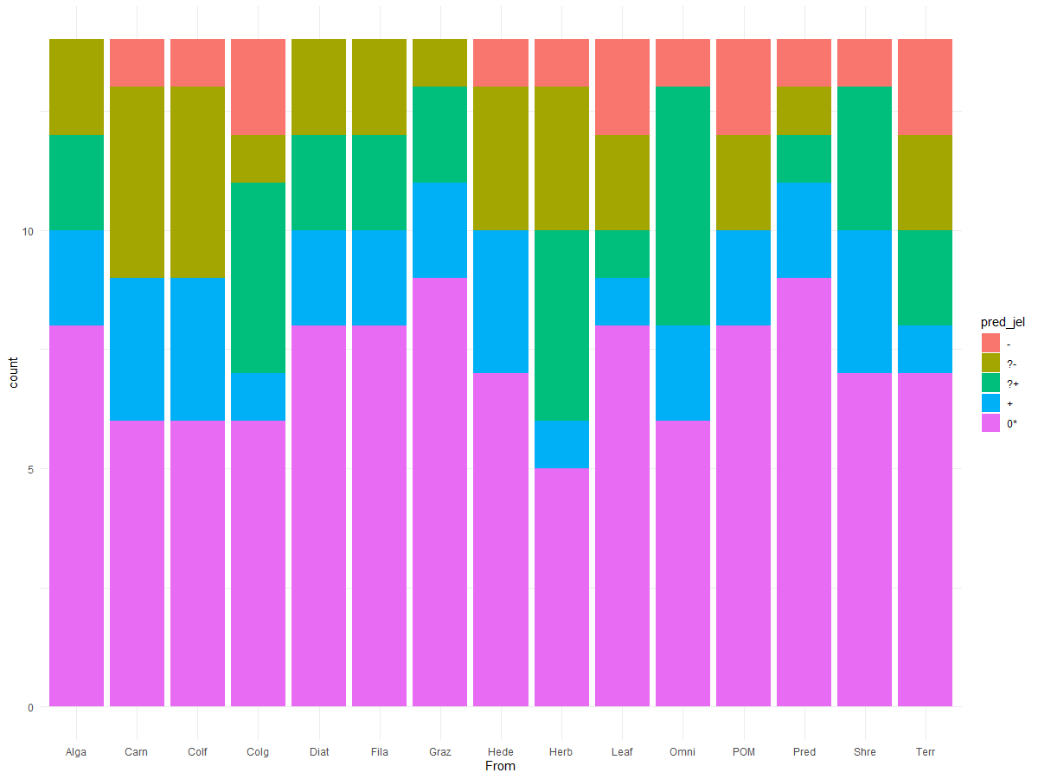
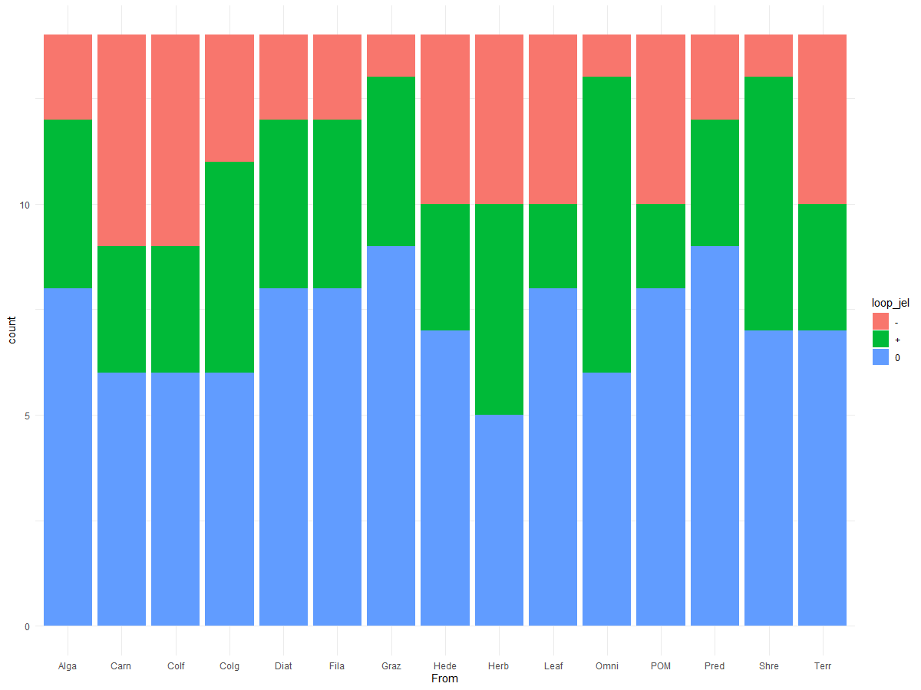
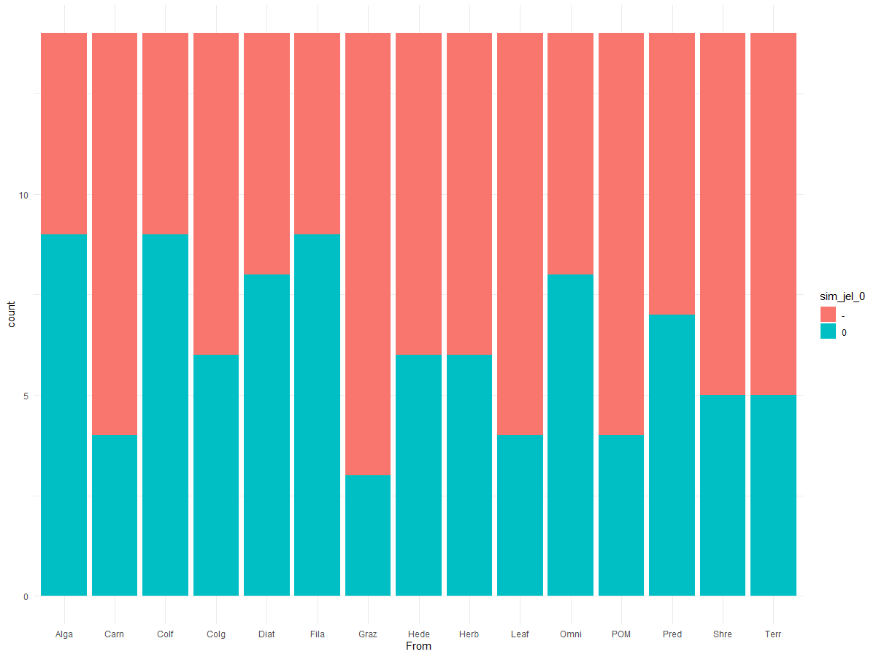
Signs of LA predictions |  |  |  |  |  |  | Signs of LA predictions only +, -, and 0 |  |  |  | Signs of dynamic simulation results
Kelian River 3 | ꭓ256=44.8 p=0.8586 |  |  |  |  |  | Kelian River 3 | ꭓ228=19.869 p=0.8692 |  |  | Kelian River 3 | ꭓ214=16.907 p=0.2612
 | - | ?- | ?+ | + | 0* |  |  | - | + | 0 |  | - | 0
Alga | 0 | 2 | 2 | 2 | 8 |  | Alga | 2 | 4 | 8 | Alga | 5 | 9
Carn | 1 | 4 | 0 | 3 | 6 |  | Carn | 5 | 3 | 6 | Carn | 10 | 4
Colf | 1 | 4 | 0 | 3 | 6 |  | Colf | 5 | 3 | 6 | Colf | 5 | 9
Colg | 2 | 1 | 4 | 1 | 6 |  | Colg | 3 | 5 | 6 | Colg | 8 | 6
Diat | 0 | 2 | 2 | 2 | 8 |  | Diat | 2 | 4 | 8 | Diat | 6 | 8
Fila | 0 | 2 | 2 | 2 | 8 |  | Fila | 2 | 4 | 8 | Fila | 5 | 9
Graz | 0 | 1 | 2 | 2 | 9 |  | Graz | 1 | 4 | 9 | Graz | 11 | 3
Hede | 1 | 3 | 0 | 3 | 7 |  | Hede | 4 | 3 | 7 | Hede | 8 | 6
Herb | 1 | 3 | 4 | 1 | 5 |  | Herb | 4 | 5 | 5 | Herb | 8 | 6
Leaf | 2 | 2 | 1 | 1 | 8 |  | Leaf | 4 | 2 | 8 | Leaf | 10 | 4
Omni | 1 | 0 | 5 | 2 | 6 |  | Omni | 1 | 7 | 6 | Omni | 6 | 8
POM | 2 | 2 | 0 | 2 | 8 |  | POM | 4 | 2 | 8 | POM | 10 | 4
Pred | 1 | 1 | 1 | 2 | 9 |  | Pred | 2 | 3 | 9 | Pred | 7 | 7
Shre | 1 | 0 | 3 | 3 | 7 |  | Shre | 1 | 6 | 7 | Shre | 9 | 5
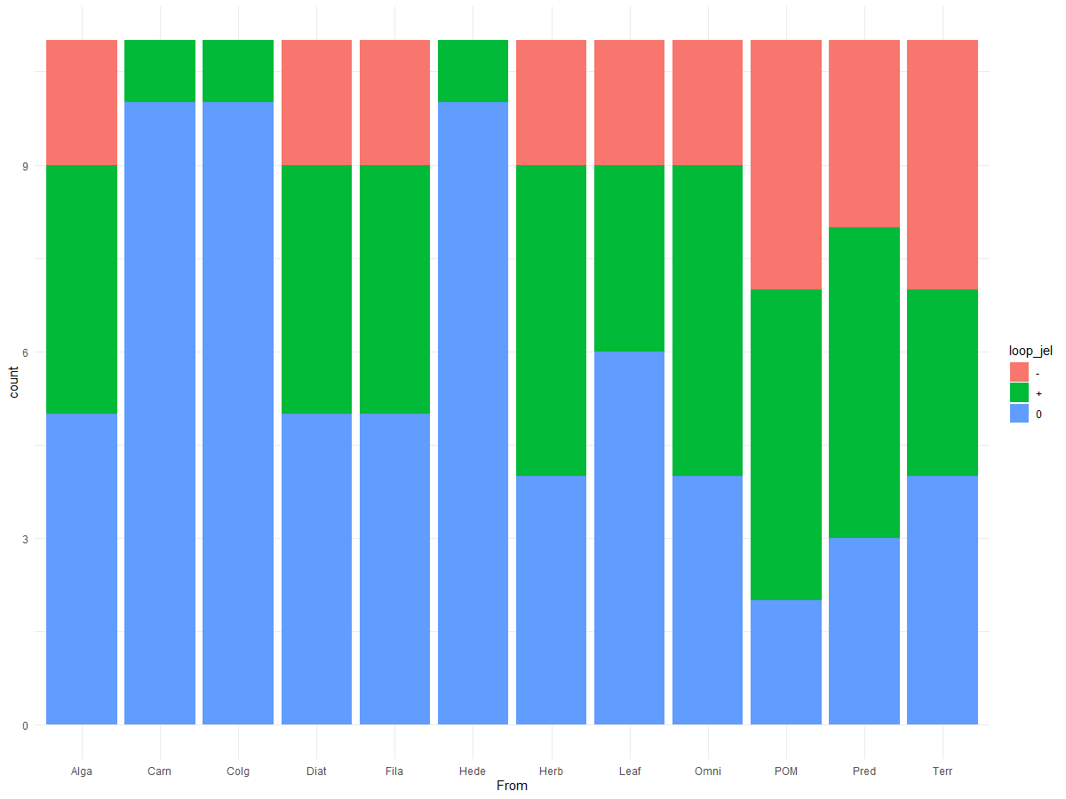
Terr | 2 | 2 | 2 | 1 | 7 |  | Terr | 4 | 3 | 7 | Terr | 9 | 5
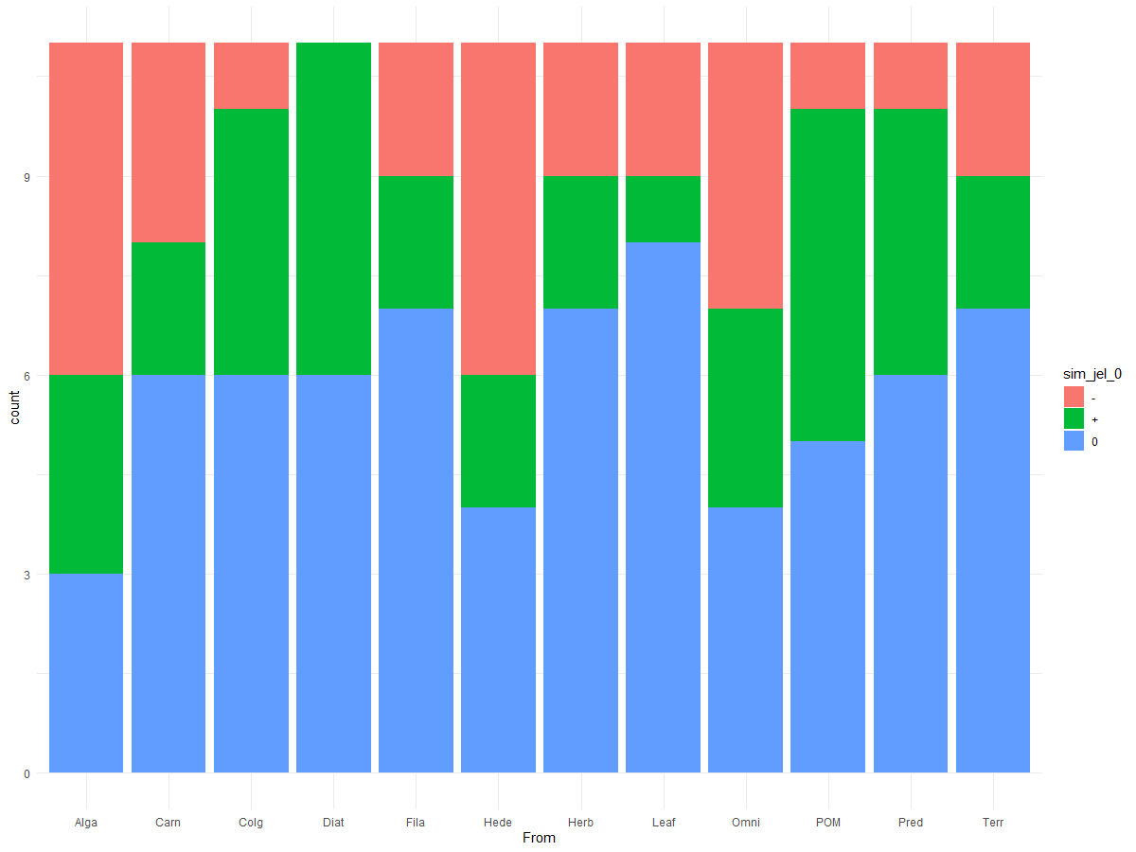
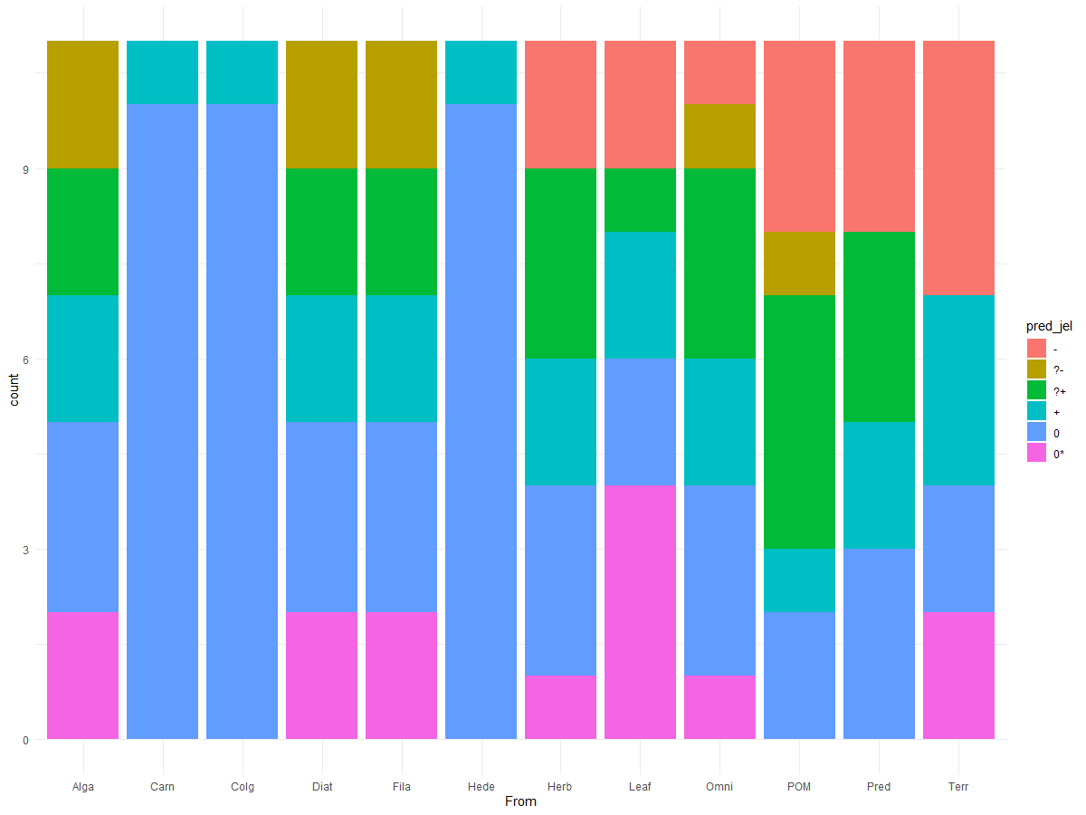
Signs of LA predictions |  |  |  |  |  |  | Signs of LA predictions only +, -, and 0 |  |  |  | Signs of dynamic simulation results
Kelian River 4 | ꭓ255=90.9 p=0.001661 |  |  |  |  |  | Kelian River 4 | ꭓ222=34.67 p=0.04193 |  |  | Kelian River 4 | ꭓ222=22.989 p=0.4024
 | - | ?- | ?+ | + | 0 | 0* |  | - | + | 0 |  | - | + | 0
Alga | 0 | 2 | 2 | 2 | 3 | 2 | Alga | 2 | 4 | 5 | Alga | 5 | 3 | 3
Carn | 0 | 0 | 0 | 1 | 10 | 0 | Carn | 0 | 1 | 10 | Carn | 3 | 2 | 6
Colg | 0 | 0 | 0 | 1 | 10 | 0 | Colg | 0 | 1 | 10 | Colg | 1 | 4 | 6
Diat | 0 | 2 | 2 | 2 | 3 | 2 | Diat | 2 | 4 | 5 | Diat | 0 | 5 | 6
Fila | 0 | 2 | 2 | 2 | 3 | 2 | Fila | 2 | 4 | 5 | Fila | 2 | 2 | 7
Hede | 0 | 0 | 0 | 1 | 10 | 0 | Hede | 0 | 1 | 10 | Hede | 5 | 2 | 4
Herb | 2 | 0 | 3 | 2 | 3 | 1 | Herb | 2 | 5 | 4 | Herb | 2 | 2 | 7
Leaf | 2 | 0 | 1 | 2 | 2 | 4 | Leaf | 2 | 3 | 6 | Leaf | 2 | 1 | 8
Omni | 1 | 1 | 3 | 2 | 3 | 1 | Omni | 2 | 5 | 4 | Omni | 4 | 3 | 4
POM | 3 | 1 | 4 | 1 | 2 | 0 | POM | 4 | 5 | 2 | POM | 1 | 5 | 5
Pred | 3 | 0 | 3 | 2 | 3 | 0 | Pred | 3 | 5 | 3 | Pred | 1 | 4 | 6
Terr | 4 | 0 | 0 | 3 | 2 | 2 | Terr | 4 | 3 | 4 | Terr | 2 | 2 | 7

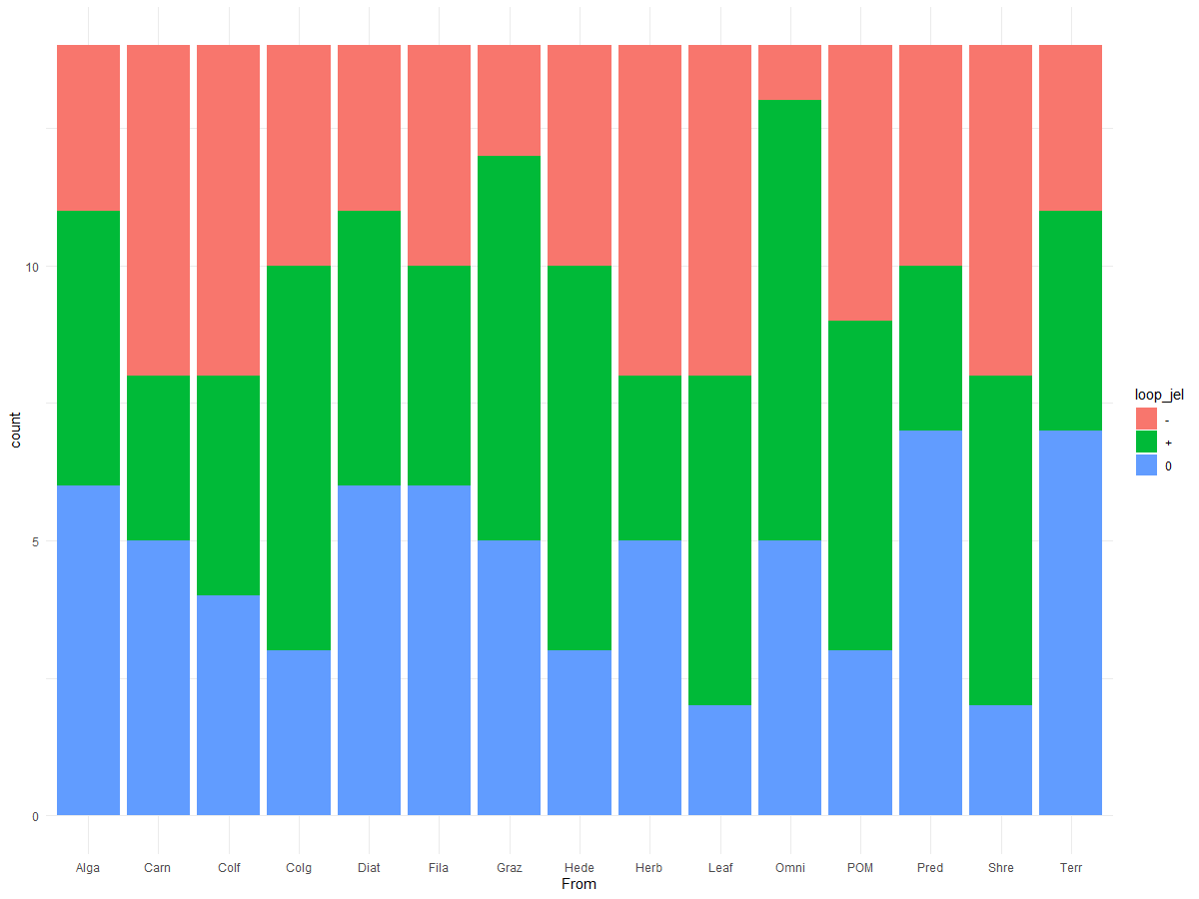
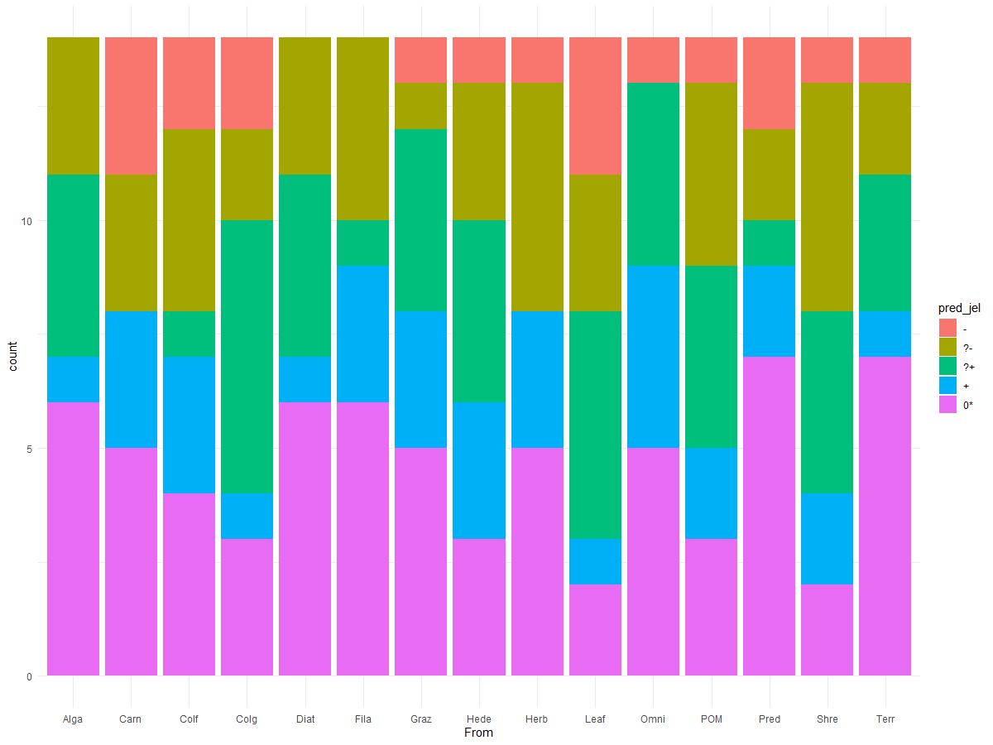
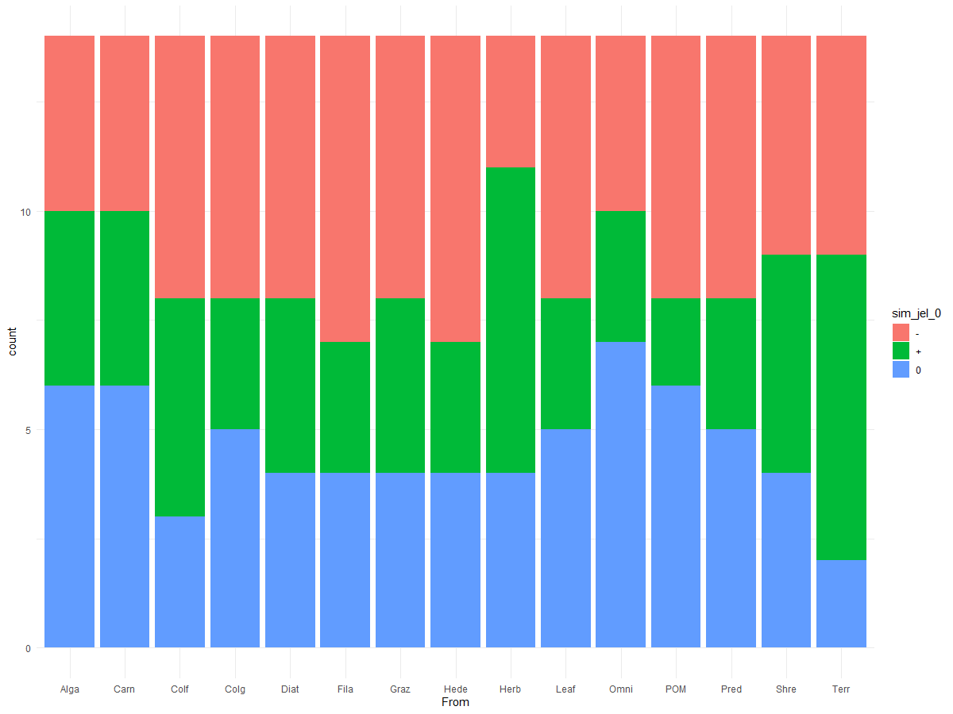
Signs of LA predictions |  |  |  |  |  |  | Signs of LA predictions only +, -, and 0 |  |  |  | Signs of dynamic simulation results
Kelian River 5 | ꭓ256=51.21 p=0.6563 |  |  |  |  |  | Kelian River 5 | ꭓ228=24.66 p=0.6463 |  |  | Kelian River 5 | ꭓ228=16.26 p=0.9618
 | - | ?- | ?+ | + | 0* |  |  | - | + | 0 |  | - | + | 0
Alga | 0 | 3 | 4 | 1 | 6 |  | Alga | 3 | 5 | 6 | Alga | 4 | 4 | 6
Carn | 3 | 3 | 0 | 3 | 5 |  | Carn | 6 | 3 | 5 | Carn | 4 | 4 | 6
Colf | 2 | 4 | 1 | 3 | 4 |  | Colf | 6 | 4 | 4 | Colf | 6 | 5 | 3
Colg | 2 | 2 | 6 | 1 | 3 |  | Colg | 4 | 7 | 3 | Colg | 6 | 3 | 5
Diat | 0 | 3 | 4 | 1 | 6 |  | Diat | 3 | 5 | 6 | Diat | 6 | 4 | 4
Fila | 0 | 4 | 1 | 3 | 6 |  | Fila | 4 | 4 | 6 | Fila | 7 | 3 | 4
Graz | 1 | 1 | 4 | 3 | 5 |  | Graz | 2 | 7 | 5 | Graz | 6 | 4 | 4
Hede | 1 | 3 | 4 | 3 | 3 |  | Hede | 4 | 7 | 3 | Hede | 7 | 3 | 4
Herb | 1 | 5 | 0 | 3 | 5 |  | Herb | 6 | 3 | 5 | Herb | 3 | 7 | 4
Leaf | 3 | 3 | 5 | 1 | 2 |  | Leaf | 6 | 6 | 2 | Leaf | 6 | 3 | 5
Omni | 1 | 0 | 4 | 4 | 5 |  | Omni | 1 | 8 | 5 | Omni | 4 | 3 | 7
POM | 1 | 4 | 4 | 2 | 3 |  | POM | 5 | 6 | 3 | POM | 6 | 2 | 6
Pred | 2 | 2 | 1 | 2 | 7 |  | Pred | 4 | 3 | 7 | Pred | 6 | 3 | 5
Shre | 1 | 5 | 4 | 2 | 2 |  | Shre | 6 | 6 | 2 | Shre | 5 | 5 | 4
Terr | 1 | 2 | 3 | 1 | 7 |  | Terr | 3 | 4 | 7 | Terr | 5 | 7 | 2

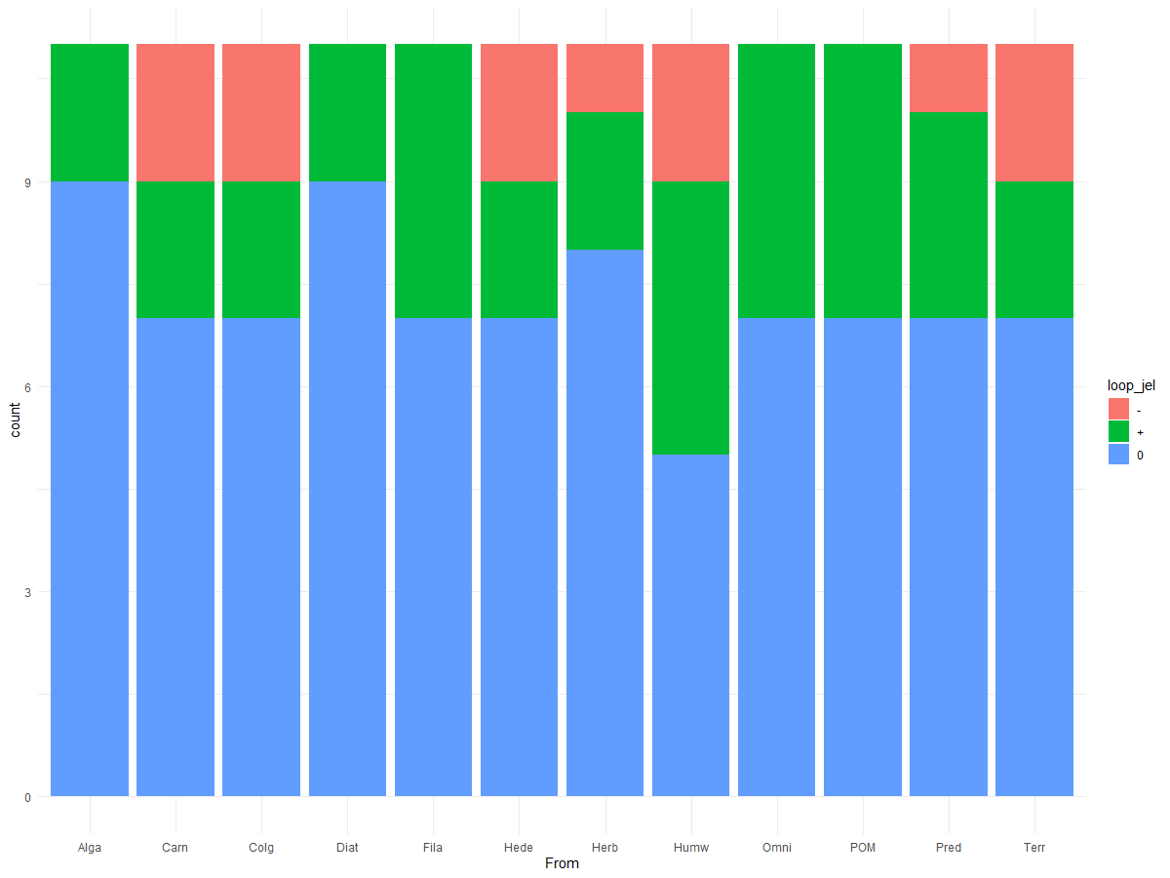
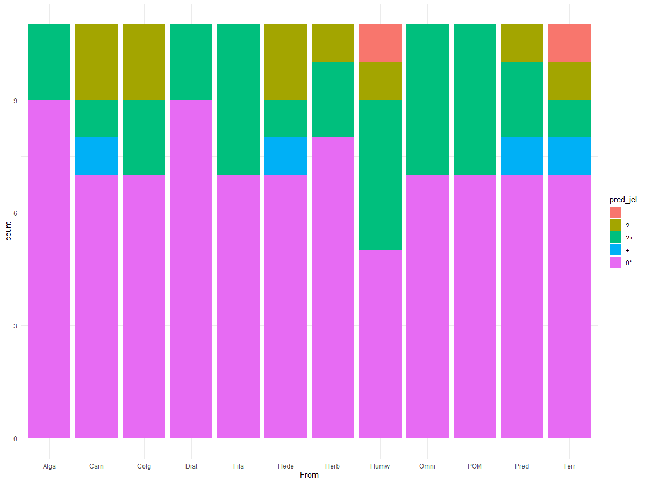
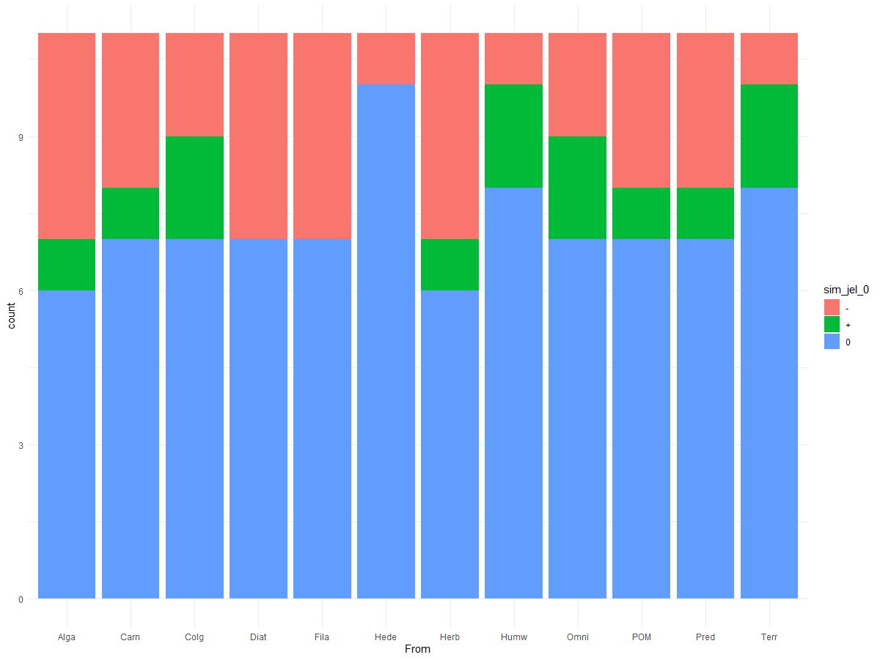
Signs of LA predictions |  |  |  |  |  |  | Signs of LA predictions only +, -, and 0 |  |  |  | Signs of dynamic simulation results
Kelian River 6 | ꭓ244=35.89 p=0.8029 |  |  |  |  |  | Kelian River 6 | ꭓ222=15.417 p=0.8437 |  |  | Kelian River 6 | ꭓ222=14.324 p=0.8896
 | - | ?- | ?+ | + | 0* |  |  | - | + | 0 |  | - | + | 0
Alga | 0 | 0 | 2 | 0 | 9 |  | Alga | 0 | 2 | 9 | Alga | 4 | 1 | 6
Carn | 0 | 2 | 1 | 1 | 7 |  | Carn | 2 | 2 | 7 | Carn | 3 | 1 | 7
Colg | 0 | 2 | 2 | 0 | 7 |  | Colg | 2 | 2 | 7 | Colg | 2 | 2 | 7
Diat | 0 | 0 | 2 | 0 | 9 |  | Diat | 0 | 2 | 9 | Diat | 4 | 0 | 7
Fila | 0 | 0 | 4 | 0 | 7 |  | Fila | 0 | 4 | 7 | Fila | 4 | 0 | 7
Hede | 0 | 2 | 1 | 1 | 7 |  | Hede | 2 | 2 | 7 | Hede | 1 | 0 | 10
Herb | 0 | 1 | 2 | 0 | 8 |  | Herb | 1 | 2 | 8 | Herb | 4 | 1 | 6
Humw | 1 | 1 | 4 | 0 | 5 |  | Humw | 2 | 4 | 5 | Humw | 1 | 2 | 8
Omni | 0 | 0 | 4 | 0 | 7 |  | Omni | 0 | 4 | 7 | Omni | 2 | 2 | 7
POM | 0 | 0 | 4 | 0 | 7 |  | POM | 0 | 4 | 7 | POM | 3 | 1 | 7
Pred | 0 | 1 | 2 | 1 | 7 |  | Pred | 1 | 3 | 7 | Pred | 3 | 1 | 7
Terr | 1 | 1 | 1 | 1 | 7 |  | Terr | 2 | 2 | 7 | Terr | 1 | 2 | 8

