Table S4
Table S4. List of microglial signature genes from this study (NET-sig, n=1,971)) and those common to this study and prior three published studies by Galatro et al., Gosselin et al. and Olah et al. (Core_gene_set, n=350).

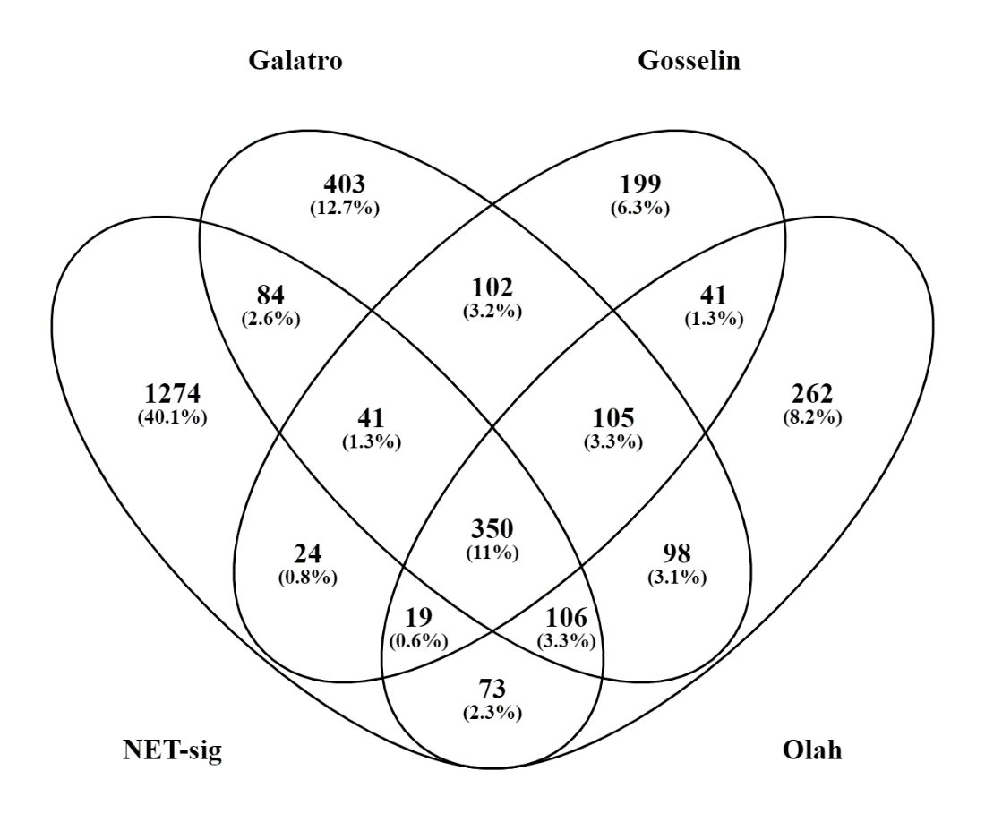
Our_signature_genes_1971 | Our_signature_genes_1971 | Core_gene_set_350 | Core_gene_set_350
ENSG00000260682 | 7SK | ENSG00000003400 | CASP10
ENSG00000175899 | A2M | ENSG00000005844 | ITGAL
ENSG00000245105 | A2M-AS1 | ENSG00000006327 | TNFRSF12A
ENSG00000125257 | ABCC4 | ENSG00000006747 | SCIN
ENSG00000106077 | ABHD11 | ENSG00000007129 | CEACAM21
ENSG00000114786 | ABHD14A-ACY1 | ENSG00000009790 | TRAF3IP3
ENSG00000168792 | ABHD15 | ENSG00000010327 | STAB1
ENSG00000204427 | ABHD16A | ENSG00000010610 | CD4
ENSG00000108798 | ABI3 | ENSG00000010671 | BTK
ENSG00000260246 | AC000032.2 | ENSG00000011422 | PLAUR
ENSG00000188223 | AC002398.9 | ENSG00000012779 | ALOX5
ENSG00000232759 | AC002480.3 | ENSG00000018280 | SLC11A1
ENSG00000225541 | AC002480.5 | ENSG00000023892 | DEF6
ENSG00000268193 | AC002985.3 | ENSG00000025708 | TYMP
ENSG00000273862 | AC004477.1 | ENSG00000026297 | RNASET2
ENSG00000267755 | AC004623.2 | ENSG00000027697 | IFNGR1
ENSG00000269881 | AC004754.3 | ENSG00000028137 | TNFRSF1B
ENSG00000237286 | AC004906.3 | ENSG00000038945 | MSR1
ENSG00000268983 | AC005253.4 | ENSG00000042980 | ADAM28
ENSG00000256210 | AC005255.3 | ENSG00000043462 | LCP2
ENSG00000225606 | AC005281.2 | ENSG00000054219 | LY75
ENSG00000268565 | AC005339.2 | ENSG00000057657 | PRDM1
ENSG00000269604 | AC005523.2 | ENSG00000059377 | TBXAS1
ENSG00000279584 | AC005593.2 | ENSG00000066294 | CD84
ENSG00000269749 | AC005614.5 | ENSG00000067066 | SP100
ENSG00000227694 | AC005884.1 | ENSG00000070190 | DAPP1
ENSG00000244563 | AC006011.4 | ENSG00000073737 | DHRS9
ENSG00000242073 | AC006014.7 | ENSG00000073849 | ST6GAL1
ENSG00000267459 | AC006116.27 | ENSG00000075884 | ARHGAP15
ENSG00000268355 | AC006129.1 | ENSG00000076944 | STXBP2
ENSG00000268027 | AC006129.2 | ENSG00000077420 | APBB1IP
ENSG00000280014 | AC006129.3 | ENSG00000079263 | SP140
ENSG00000263900 | AC006483.1 | ENSG00000079277 | MKNK1
ENSG00000267001 | AC006538.4 | ENSG00000081237 | PTPRC
ENSG00000268292 | AC006547.15 | ENSG00000082074 | FYB
ENSG00000269145 | AC007192.6 | ENSG00000086730 | LAT2
ENSG00000234431 | AC007283.5 | ENSG00000087253 | LPCAT2
ENSG00000172974 | AC007318.5 | ENSG00000087589 | CASS4
ENSG00000235321 | AC007556.3 | ENSG00000089127 | OAS1
ENSG00000242539 | AC007620.3 | ENSG00000089639 | GMIP
ENSG00000233870 | AC007881.4 | ENSG00000089820 | ARHGAP4
ENSG00000279018 | AC007906.1 | ENSG00000090104 | RGS1
ENSG00000279644 | AC008074.1 | ENSG00000090382 | LYZ
ENSG00000232220 | AC008440.5 | ENSG00000093072 | CECR1
ENSG00000266432 | AC008703.2 | ENSG00000095303 | PTGS1
ENSG00000275210 | AC008984.2 | ENSG00000095585 | BLNK
ENSG00000260345 | AC009052.12 | ENSG00000095970 | TREM2
ENSG00000279473 | AC009065.4 | ENSG00000099985 | OSM
ENSG00000275857 | AC009133.21 | ENSG00000100055 | CYTH4
ENSG00000277669 | AC009133.22 | ENSG00000100292 | HMOX1
ENSG00000224152 | AC009506.1 | ENSG00000100365 | NCF4
ENSG00000267216 | AC010642.1 | ENSG00000100368 | CSF2RB
ENSG00000225370 | AC011515.2 | ENSG00000100504 | PYGL
ENSG00000204196 | AC011737.2 | ENSG00000101336 | HCK
ENSG00000229233 | AC011891.5 | ENSG00000102854 | MSLN
ENSG00000266728 | AC015688.3 | ENSG00000104043 | ATP8B4
ENSG00000238449 | AC019131.1 | ENSG00000104814 | MAP4K1
ENSG00000216054 | AC019201.1 | ENSG00000104894 | CD37
ENSG00000262477 | AC021224.1 | ENSG00000104951 | IL4I1
ENSG00000233849 | AC022201.5 | ENSG00000104972 | LILRB1
ENSG00000267740 | AC024592.12 | ENSG00000104974 | LILRA1
ENSG00000215068 | AC025171.1 | ENSG00000105246 | EBI3
ENSG00000266205 | AC025678.1 | ENSG00000105281 | SLC1A5
ENSG00000266374 | AC026512.1 | ENSG00000105366 | SIGLEC8
ENSG00000249319 | AC068533.7 | ENSG00000105383 | CD33
ENSG00000235027 | AC068580.6 | ENSG00000105501 | SIGLEC5
ENSG00000259661 | AC068831.15 | ENSG00000105851 | PIK3CG
ENSG00000277089 | AC069363.1 | ENSG00000106034 | CPED1
ENSG00000249240 | AC069368.3 | ENSG00000106066 | CPVL
ENSG00000225889 | AC074289.1 | ENSG00000106560 | GIMAP2
ENSG00000232581 | AC079742.4 | ENSG00000106952 | TNFSF8
ENSG00000224875 | AC083949.1 | ENSG00000107099 | DOCK8
ENSG00000186019 | AC084219.4 | ENSG00000107719 | PALD1
ENSG00000230532 | AC091133.1 | ENSG00000107968 | MAP3K8
ENSG00000230113 | AC091177.1 | ENSG00000108798 | ABI3
ENSG00000239203 | AC093484.4 | ENSG00000109861 | CTSC
ENSG00000268083 | AC104534.3 | ENSG00000110077 | MS4A6A
ENSG00000276852 | AC104650.1 | ENSG00000110079 | MS4A4A
ENSG00000275955 | AC108479.3 | ENSG00000110324 | IL10RA
ENSG00000279909 | AC110615.1 | ENSG00000110719 | TCIRG1
ENSG00000274425 | AC114271.2 | ENSG00000110848 | CD69
ENSG00000279152 | AC129492.1 | ENSG00000110876 | SELPLG
ENSG00000279396 | AC130469.1 | ENSG00000110934 | BIN2
ENSG00000274767 | AC131056.3 | ENSG00000111679 | PTPN6
ENSG00000261487 | AC135048.13 | ENSG00000112303 | VNN2
ENSG00000252809 | AC135050.1 | ENSG00000112343 | TRIM38
ENSG00000266077 | AC139149.1 | ENSG00000112799 | LY86
ENSG00000237181 | AC147651.4 | ENSG00000113532 | ST8SIA4
ENSG00000277573 | AC245407.1 | ENSG00000114013 | CD86
ENSG00000240303 | ACAD11 | ENSG00000115165 | CYTIP
ENSG00000183549 | ACSM5 | ENSG00000115956 | PLEK
ENSG00000075624 | ACTB | ENSG00000116701 | NCF2
ENSG00000188460 | ACTBP11 | ENSG00000116711 | PLA2G4A
ENSG00000213763 | ACTBP2 | ENSG00000116774 | OLFML3
ENSG00000243989 | ACY1 | ENSG00000116815 | CD58
ENSG00000132744 | ACY3 | ENSG00000117676 | RPS6KA1
ENSG00000267120 | AD000671.6 | ENSG00000118308 | LRMP
ENSG00000280194 | AD000864.6 | ENSG00000118503 | TNFAIP3
ENSG00000279504 | AD001527.4 | ENSG00000118785 | SPP1
ENSG00000042980 | ADAM28 | ENSG00000119535 | CSF3R
ENSG00000184060 | ADAP2 | ENSG00000120280 | CXorf21
ENSG00000121281 | ADCY7 | ENSG00000120889 | TNFRSF10B
ENSG00000121933 | ADORA3 | ENSG00000121281 | ADCY7
ENSG00000159322 | ADPGK | ENSG00000121316 | PLBD1
ENSG00000144843 | ADPRH | ENSG00000121797 | CCRL2
ENSG00000169252 | ADRB2 | ENSG00000121895 | TMEM156
ENSG00000229047 | AF127577.10 | ENSG00000122122 | SASH3
ENSG00000226751 | AF127936.5 | ENSG00000122861 | PLAU
ENSG00000263640 | AF235103.1 | ENSG00000123329 | ARHGAP9
ENSG00000204472 | AIF1 | ENSG00000123338 | NCKAP1L
ENSG00000197976 | AKAP17A | ENSG00000125089 | SH3TC1
ENSG00000117448 | AKR1A1 | ENSG00000125257 | ABCC4
ENSG00000085662 | AKR1B1 | ENSG00000125538 | IL1B
ENSG00000111780 | AL021546.6 | ENSG00000125730 | C3
ENSG00000212084 | AL121914.1 | ENSG00000126561 | STAT5A
ENSG00000265381 | AL121987.1 | ENSG00000127084 | FGD3
ENSG00000223134 | AL122015.1 | ENSG00000127951 | FGL2
ENSG00000207765 | AL132780.1 | ENSG00000128604 | IRF5
ENSG00000260669 | AL136419.6 | ENSG00000129226 | CD68
ENSG00000264286 | AL138930.1 | ENSG00000129450 | SIGLEC9
ENSG00000266700 | AL139396.1 | ENSG00000129465 | RIPK3
ENSG00000259052 | AL157871.2 | ENSG00000129534 | MIS18BP1
ENSG00000279392 | AL158801.1 | ENSG00000129667 | RHBDF2
ENSG00000222309 | AL391839.1 | ENSG00000130300 | PLVAP
ENSG00000278371 | AL442127.2 | ENSG00000130775 | THEMIS2
ENSG00000279767 | AL513523.2 | ENSG00000131042 | LILRB2
ENSG00000212066 | AL645941.1 | ENSG00000131724 | IL13RA1
ENSG00000276877 | AL662801.1 | ENSG00000132274 | TRIM22
ENSG00000258529 | ALG9 | ENSG00000132965 | ALOX5AP
ENSG00000012779 | ALOX5 | ENSG00000133106 | EPSTI1
ENSG00000132965 | ALOX5AP | ENSG00000133246 | PRAM1
ENSG00000214274 | ANG | ENSG00000133800 | LYVE1
ENSG00000130812 | ANGPTL6 | ENSG00000134061 | CD180
ENSG00000131503 | ANKHD1 | ENSG00000134207 | SYT6
ENSG00000254996 | ANKHD1-EIF4EBP3 | ENSG00000134516 | DOCK2
ENSG00000152766 | ANKRD22 | ENSG00000134955 | SLC37A2
ENSG00000164111 | ANXA5 | ENSG00000135077 | HAVCR2
ENSG00000136250 | AOAH | ENSG00000135838 | NPL
...

