Supplementary Figure 1A
Supplementary Figure 1A:
Original gel blot of PCR for evaluation of T7E1 assay in PC-3 cells.

PC-3 cells
PC-3 cells

Supplementary Figure 1G
Supplementary Figure 1G:
Original gel blot of Western blot for evaluation of RhoB protein expression in PC-3 cells or DU145 cells.



RhoB

PC-3 cells



GAPDH

PC-3 cells

GAPDH

DU145 cells

RhoB

DU145 cells

Supplementary Figure 2
Supplementary Figure 2:
Original gel blot of Western blot for evaluation of EMT related protein expression in PC-3 cells or DU145 cells.

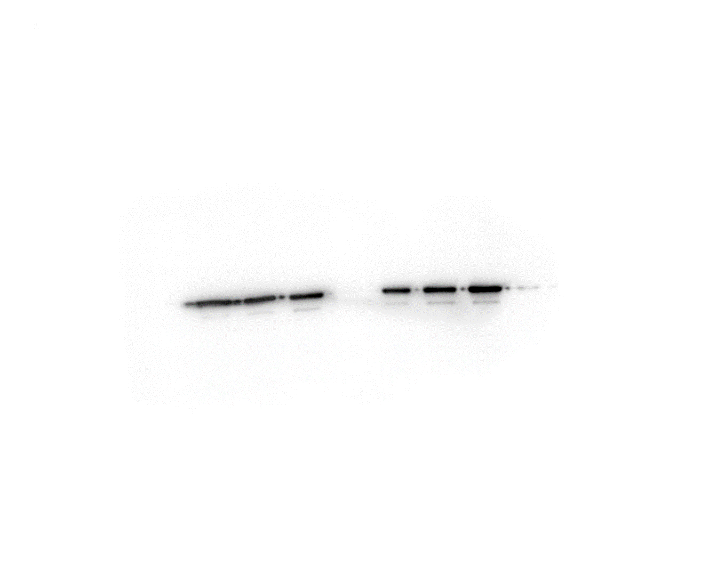

GAPDH

PC-3 cells
DU145 cells

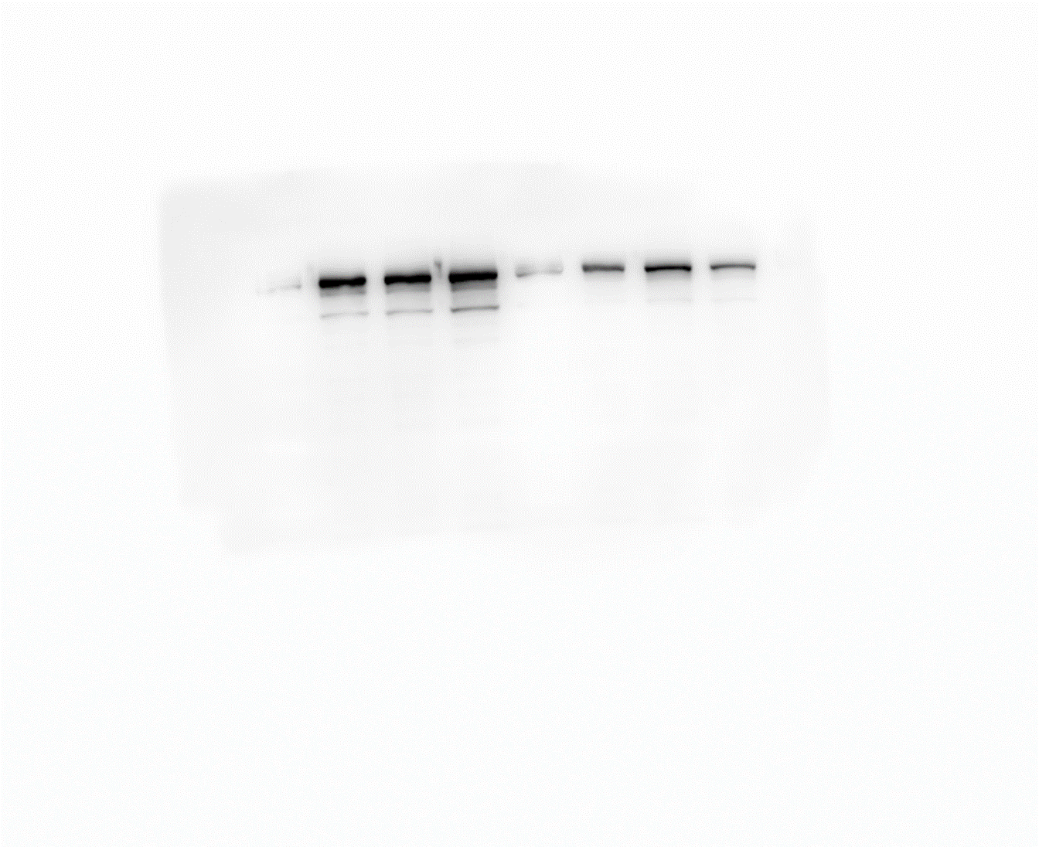

β-catenin

DU145 cells

β-catenin

PC3 cells

Vimentin

PC-3 cells

Vimentin

DU145 cells

ZO-1

PC-3 cells
DU145 cells

N-Cadherin

DU145 cells

N-Cadherin

PC-3 cells

E-Cadherin

DU145 cells

E-Cadherin

PC-3 cells

Figure 9
Supplementary Figure 2:
Original gel blot of Western blot for evaluation of docetaxel sensitivity related protein expression in PC-3 cells or DU145 cells.

GAPDH

p-FAK

RhoB

p-Y416-Src

p-Y527-Src

Src

AKT

p-T308-AKT

NF-κB

p-S473-AKT

p85α

p85β

p110α

p110β

FAK

