Sheet1
 | Supplementary Table 4. Significantly Associated mutations with COVID-19 groups. The P-value was calcuated using Chi-square test and odds ratio with 95% CI are presented. Moreover Mitomap was used as reference for identification of these variants in other diseases.

Sr. | Mutations | Gene | consequence_terms | aa change | COVID(n=147) | HC(n=40) | % in COVID19 | % in Control | p_value | odds_ratio | ci_lower | ci_upper | gnomad_AN | gnomad_AC_hom | Reported in COVID19 | Other diseases
1 | 16051A>G | D-loop | upstream_gene_variant | - | 16 | 0 | 10.9 | 0 | 0.0253 | inf |  | inf | 56416 | 1427 | No | -
2 | 16157T>C | D-loop | upstream_gene_variant | - | 0 | 3 | 0.0 | 7.5 | 0.0092 | 0.000 |  |  | 56433 | 33 | No | -
3 | 16163A>G | D-loop | upstream_gene_variant | - | 0 | 3 | 0.0 | 7.5 | 0.0092 | 0.000 |  |  | 56425 | 910 | No | -
4 | 16186C>T | D-loop | upstream_gene_variant | - | 0 | 3 | 0.0 | 7.5 | 0.0092 | 0.000 |  |  | 56420 | 782 | No | -
5 | 16311T>C | D-loop | upstream_gene_variant | - | 36 | 3 | 24.5 | 7.5 | 0.0168 | 4.000 | 1.163 | 13.756 | 53482 | 11686 | No | -
6 | 16335A>G | D-loop | upstream_gene_variant | - | 0 | 2 | 0.0 | 5 | 0.0449 | 0.000 |  |  | 56421 | 167 | No | -
7 | 214A>G | D-loop | upstream_gene_variant | - | 2 | 5 | 1.4 | 12.5 | 0.0054 | 0.097 | 0.018 | 0.519 | 56339 | 165 | No | -
8 | 263A>G | D-loop | upstream_gene_variant | - | 135 | 29 | 91.8 | 72.5 | 0.0023 | 4.267 | 1.716 | 10.614 | 56420 | 55895 | No | -
9 | 310T>TC | D-loop | upstream_gene_variant | - | 55 | 6 | 37.4 | 15 | 0.0075 | 3.388 | 1.337 | 8.586 | 7080 | 375 | No | Possible protective factor for normal tension glaucoma
10 | 461C>T | D-loop | upstream_gene_variant | - | 3 | 4 | 2.0 | 10 | 0.0389 | 0.188 | 0.040 | 0.875 | 56434 | 40 | No | -
11 | 489T>C | D-loop | upstream_gene_variant | - | 58 | 23 | 39.5 | 57.5 | 0.0485 | 0.482 | 0.237 | 0.979 | 56350 | 6162 | No | Low VO2max response
12 | 8697G>A | MT-ATP6 | synonymous_variant | M | 1 | 3 | 0.7 | 7.5 | 0.0313 | 0.084 | 0.009 | 0.836 | 56422 | 3210 | No | -
13 | 5984A>G | MT-CO1 | synonymous_variant | G | 0 | 2 | 0.0 | 5 | 0.0449 | 0.000 |  |  | 56429 | 144 | No | -
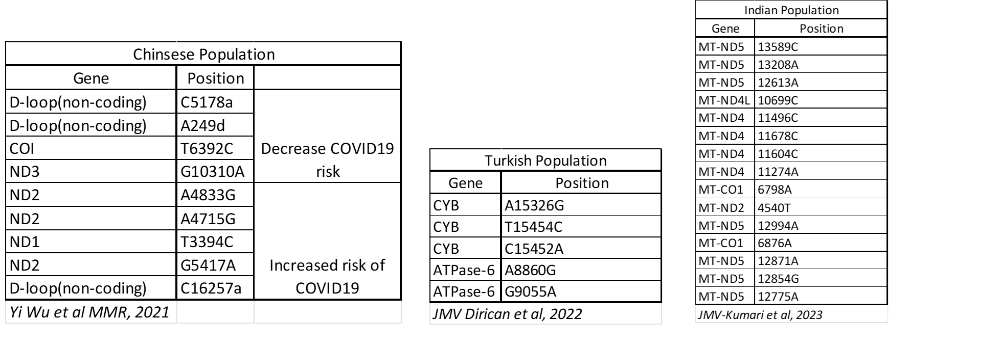
14 | 6340C>T | MT-CO1 | missense_variant | T/I | 0 | 2 | 0.0 | 5 | 0.0449 | 0.000 |  |  | 56432 | 55 | No | Prostate Cancer
15 | 6491C>T | MT-CO1 | synonymous_variant | L | 0 | 2 | 0.0 | 5 | 0.0449 | 0.000 |  |  | 56433 | 3 | No | -
16 | 6746C>T | MT-CO1 | synonymous_variant | G | 0 | 3 | 0.0 | 7.5 | 0.0092 | 0.000 |  |  | 56434 | 8 | No | -
17 | 7804A>G | MT-CO2 | synonymous_variant | L | 0 | 3 | 0.0 | 7.5 | 0.0092 | 0.000 |  |  | 56431 | 18 | No | -
18 | 7853G>A | MT-CO2 | missense_variant | V/I | 0 | 2 | 0.0 | 5 | 0.0449 | 0.000 |  |  | 56421 | 259 | No | -
19 | 7967C>T | MT-CO2 | synonymous_variant | L | 1 | 3 | 0.7 | 7.5 | 0.0313 | 0.084 | 0.009 | 0.836 | 56434 | 18 | No | -
20 | 15452C>A | MT-CYB | missense_variant | L/I | 1 | 3 | 0.7 | 7.5 | 0.0313 | 0.084 | 0.009 | 0.836 | 56415 | 6223 | Dirican et al., 2022 | -
21 | 15607A>G | MT-CYB | synonymous_variant | K | 1 | 3 | 0.7 | 7.5 | 0.0313 | 0.084 | 0.009 | 0.836 | 56422 | 3136 | No | -
22 | 15850T>G | MT-CYB | synonymous_variant | T | 0 | 2 | 0.0 | 5 | 0.0449 | 0.000 |  |  | 56434 | 2 | No | -
23 | 153A>G | D-loop | upstream_gene_variant | - | 1 | 4 | 0.7 | 10 | 0.0078 | 0.062 | 0.007 | 0.568 | 56411 | 3123 | No | -
24 | 3507C>G | MT-ND1 | synonymous_variant | T | 1 | 3 | 0.7 | 7.5 | 0.0313 | 0.084 | 0.009 | 0.836 | 56434 | 6 | No | -
25 | 3745G>A | MT-ND1 | missense_variant | A/T | 0 | 3 | 0.0 | 7.5 | 0.0092 | 0.000 |  |  | 56406 | 105 | No | LHON / high altitude variant
26 | 4048G>A | MT-ND1 | missense_variant | D/N | 0 | 3 | 0.0 | 7.5 | 0.0092 | 0.000 |  |  | 56404 | 329 | No | -
27 | 4592T>C | MT-ND2 | synonymous_variant | I | 0 | 3 | 0.0 | 7.5 | 0.0092 | 0.000 |  |  | 56430 | 49 | No | -
28 | 4917A>G | MT-ND2 | missense_variant | N/D | 1 | 3 | 0.7 | 7.5 | 0.0313 | 0.084 | 0.009 | 0.836 | 56429 | 3247 | No | LHON / Insulin Resistance / AMD / NRTI-PN
29 | 4946C>T | MT-ND2 | synonymous_variant | I | 0 | 2 | 0.0 | 5 | 0.0449 | 0.000 |  |  | 56434 | 1 | No | -
30 | 5301A>G | MT-ND2 | missense_variant | I/V | 3 | 4 | 2.0 | 10 | 0.0389 | 0.188 | 0.040 | 0.875 | 56433 | 137 | No | -
31 | 11251A>G | MT-ND4 | synonymous_variant | L | 1 | 3 | 0.7 | 7.5 | 0.0313 | 0.084 | 0.009 | 0.836 | 56419 | 6211 | No | Reduced risk of PD
32 | 11467A>G | MT-ND4 | synonymous_variant | L | 28 | 2 | 19.0 | 5 | 0.0303 | 4.471 | 1.017 | 19.646 | 56343 | 8766 | No | Altered brain pH / sCJD patients
33 | 10640T>C | MT-ND4L | synonymous_variant | N | 3 | 4 | 2.0 | 10 | 0.0389 | 0.188 | 0.040 | 0.875 | 56426 | 287 | No | -
34 | 12372G>A | MT-ND5 | synonymous_variant | L | 33 | 3 | 22.4 | 7.5 | 0.0406 | 3.570 | 1.034 | 12.322 | 56353 | 8901 | No | Altered brain pH / sCJD patients
35 | 12633C>A | MT-ND5 | synonymous_variant | S | 0 | 3 | 0.0 | 7.5 | 0.0092 | 0.000 |  |  | 56433 | 717 | No | -
36 | 13998C>T | MT-ND5 | synonymous_variant | D | 0 | 3 | 0.0 | 7.5 | 0.0092 | 0.000 |  |  | 56433 | 9 | No | -
37 | 14128A>G | MT-ND5 | missense_variant | T/A | 5 | 7 | 3.4 | 17.5 | 0.0043 | 0.166 | 0.050 | 0.556 | 56429 | 219 | No | -
38 | 955A>AC | MT-RNR1 | non_coding_transcript_exon_variant | - | 0 | 2 | 0.0 | 5 | 0.0449 | 0.166 |  |  | 56200 | 1 | No | Possible association with sepsis
39 | 5824G>A | MT-TC | non_coding_transcript_exon_variant | - | 0 | 2 | 0.0 | 5 | 0.0449 | 0.000 |  |  | 56424 | 61 | No | -
40 | 593T>C | MT-TF | non_coding_transcript_exon_variant | - | 1 | 3 | 0.7 | 7.5 | 0.0313 | 0.084 | 0.009 | 0.836 | 56418 | 140 | No | Nonsyndromic hearing loss / LHON
41 | 12192G>A | MT-TH | non_coding_transcript_exon_variant | - | 0 | 2 | 0.0 | 5 | 0.0449 | 0.000 |  |  | 56428 | 223 | No | MICM / possible G15927A deafness modulator
42 | 12308A>G | MT-TL2 | non_coding_transcript_exon_variant | - | 28 | 2 | 19.0 | 5 | 0.0303 | 4.471 | 1.017 | 19.646 | 56336 | 8754 | No | CPEO / Stroke / CM / Breast & Renal & Prostate Cancer Risk / Altered brain pH /sCJD
43 | 4418T>C | MT-TM | non_coding_transcript_exon_variant | - | 0 | 3 | 0.0 | 7.5 | 0.0092 | 0.000 |  |  | 56429 | 220 | No | -
44 | 15970T>C | MT-TP | non_coding_transcript_exon_variant | - | 0 | 3 | 0.0 | 7.5 | 0.0092 | 0.000 |  |  | 56428 | 5 | No | -
45 | 4380C>T | MT-TQ | non_coding_transcript_exon_variant | - | 0 | 3 | 0.0 | 7.5 | 0.0092 | 0.000 |  |  | 56433 | 13 | No | -
46 | 5558A>G | MT-TW | non_coding_transcript_exon_variant | - | 3 | 4 | 2.0 | 10 | 0.0389 | 0.188 | 0.040 | 0.875 | 56429 | 134 | No | Reported in tic disorder patient

