S.Fig1_CMplot
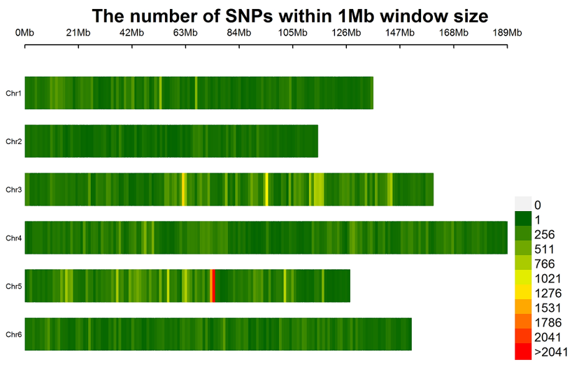
Supplementary FIGURE S1 | Distribution of the 147,977 single nucleotide polymorphism (SNP) markers on the 6 chromosomes of spinach. Spinach chromosomes are on the vertical axis. Chromosome length in Mb is on the horizontal axis, and the color represents the number of SNPs per 1Mb window size, SNP density.

S.Fig2_phylogeneticTree
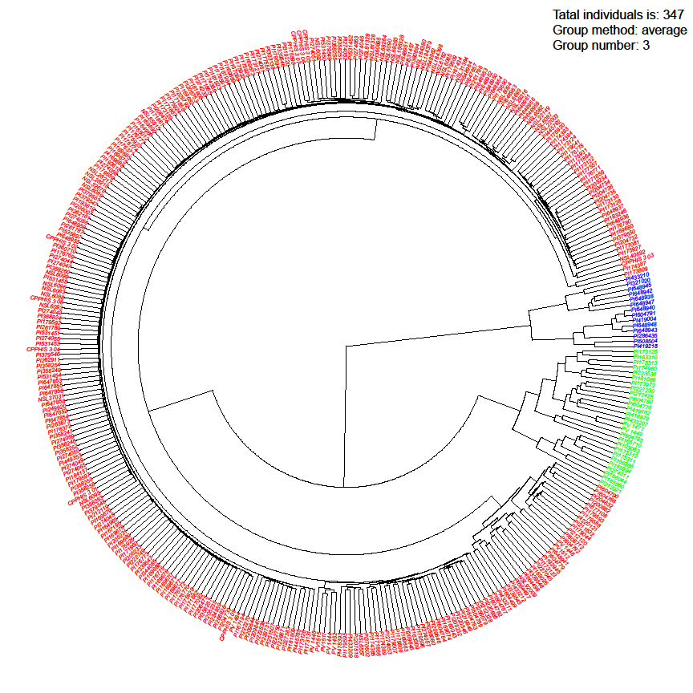
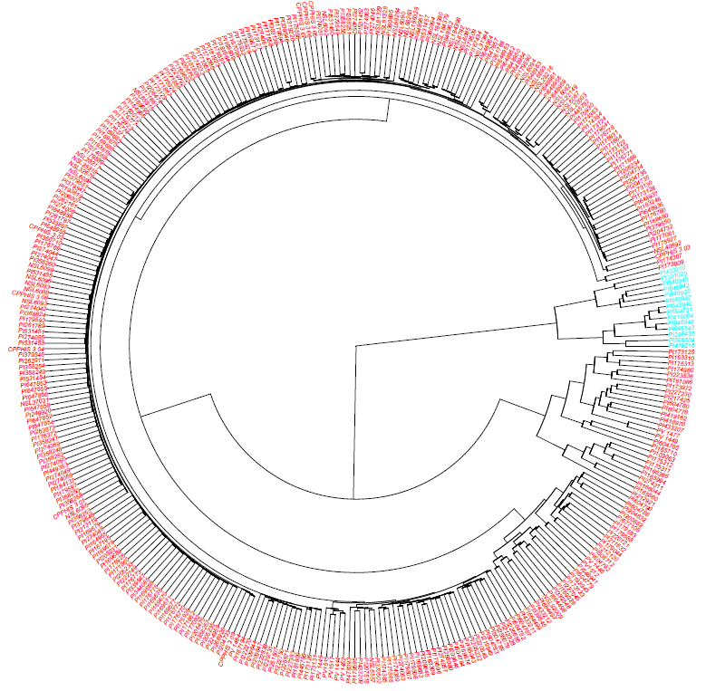
Supplementary FIGURE S2 | Phylogenetic tree of two and three sub-populations by neighbor-joining (NJ) method drawn by GAPIT 3 in 347 spinach lines, where PCA=2 (left) and PCA =3 (right).

S.Fig3_manhattan.QQ
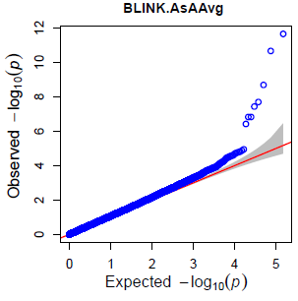
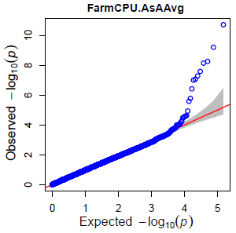
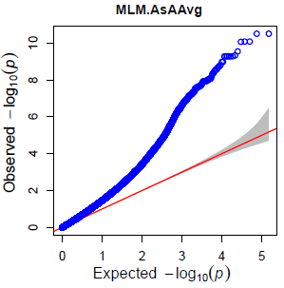
Supplementary FIGURE S3 |The Manhattan and QQ plots of BLINK, FarmCPU, and MLM models for ascorbic acid (AsA) content by GAPIT 3.

S.Fig4_tassel.manhattan.qq
Supplementary FIGURE S4 |The Manhattan and QQ-plot of SMR, GLM, and MLM models for ascorbic acid (AsA) content by TASSEL 5.

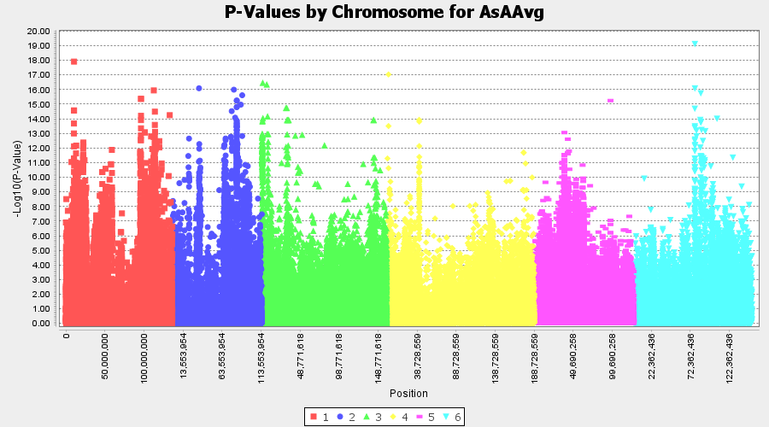
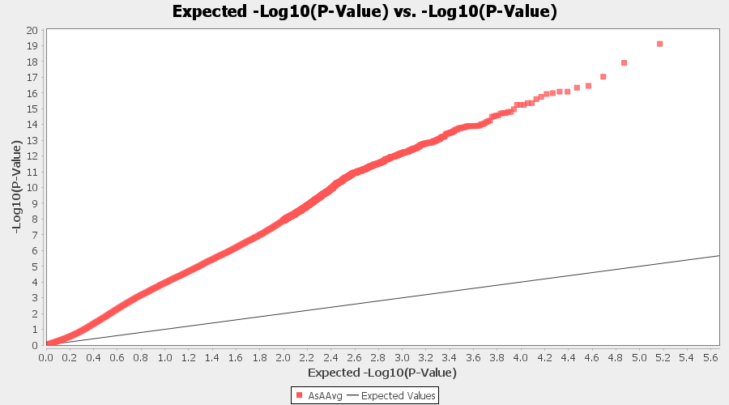

 | SMR

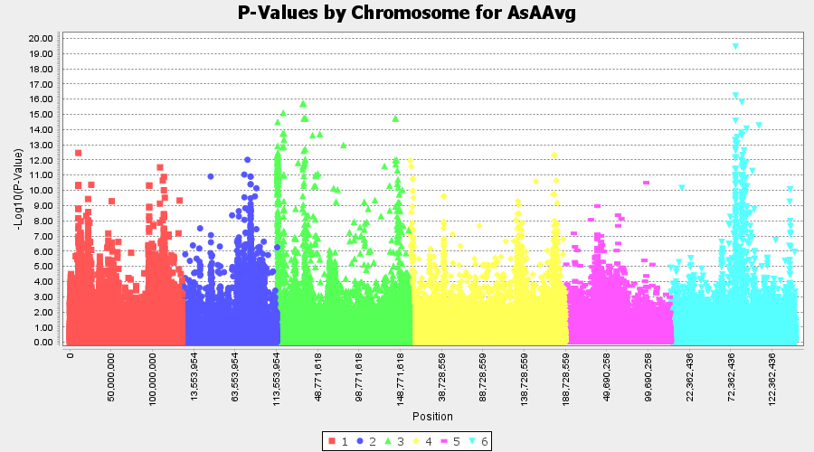
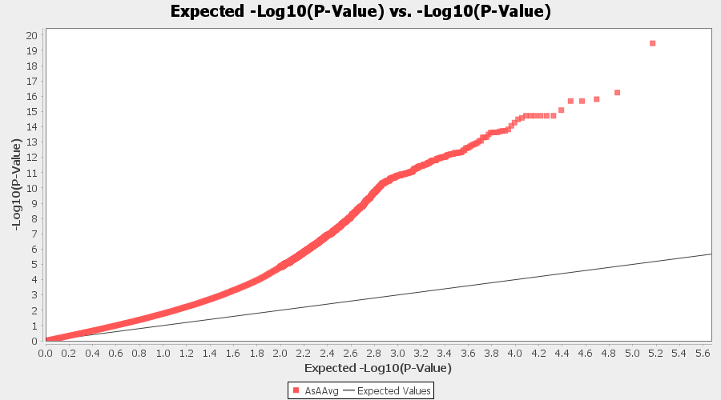

 | GLM

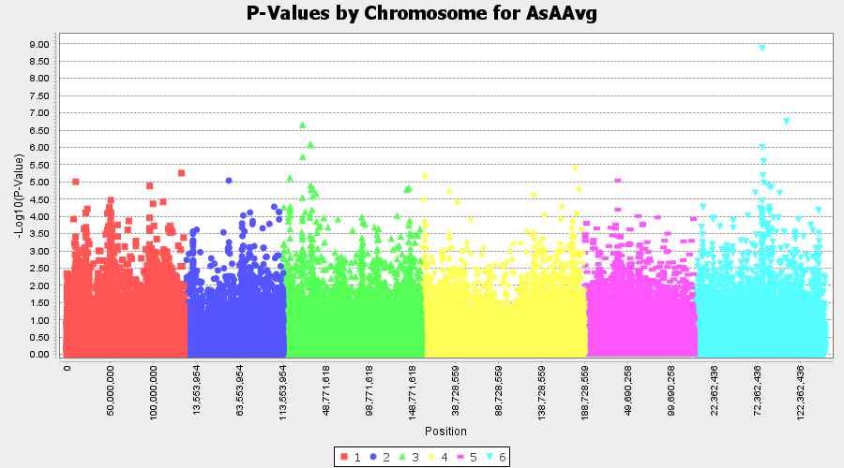
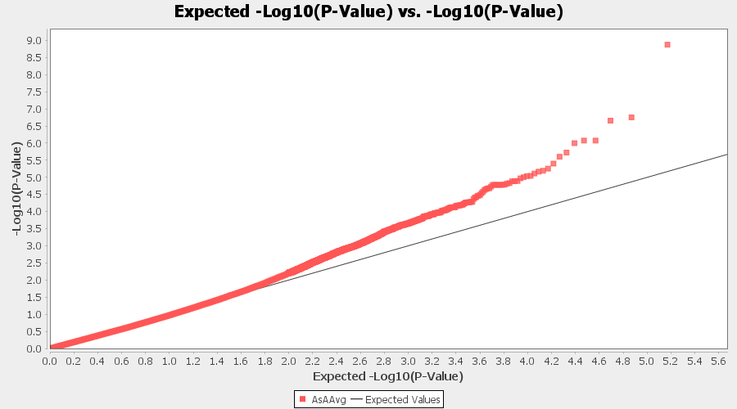

 | MLM

S.Fig5_GP_2
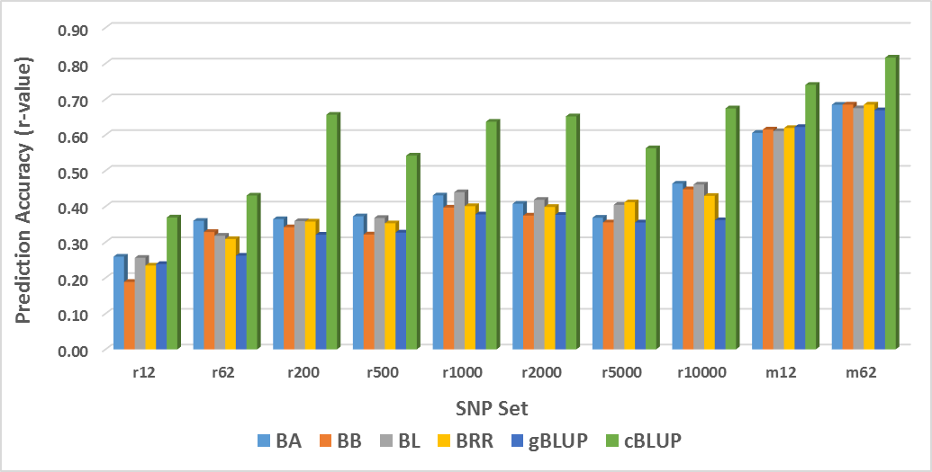
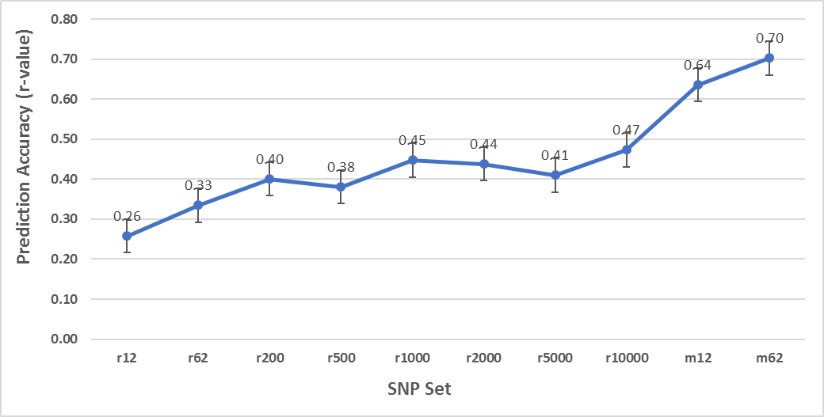
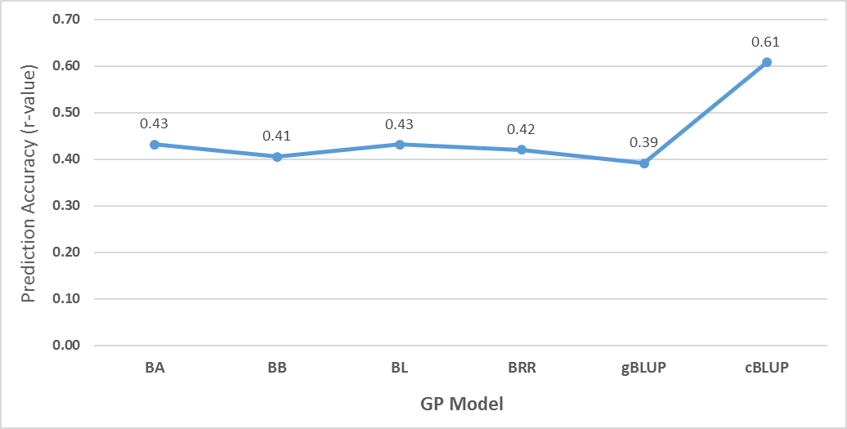
Supplementary FIGURE S5| Genomic prediction forascorbic acid (AsA) content in 347 spinach lines , where (top) ten different SNP number set from 12 randomly selected SNPs to 10,000 SNPs and two SNP marker sets estimated by six GP models; (middle) averaged prediction accuracy (r-value) among ten different SNP sets estimated from six models; (bottom) six GP models, Bayes A (BA), Bayes B (BB), BL, BRR, gBLUP, and cBLUP averaged from ten different SNP sets.

