Berenschot, moleculen
Moleculen, Berenschot (2018) | https://pro.energytransitionmodel.com/scenarios/342557 | Wind (EJ) | Solar (EJ) | Average Wind (MW) | Average solar (MW | Stand-alone and household batteries (MWh) | Batteries (MW) | Total Batteries (MW) | Batteries over renewables: b_p/r
cases-elektronen_enof_moleculen_twee_transitiepaden_voor_een_co2-neutrale_toekomst.pdf (berenschot.nl) |  | 0.02718 | 0.026 | 861.87214612 | 824.45459158 | 0 | 0 | 0 | 0.00
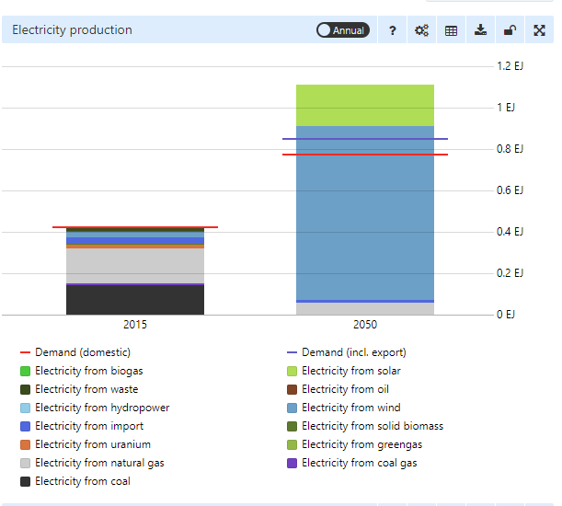
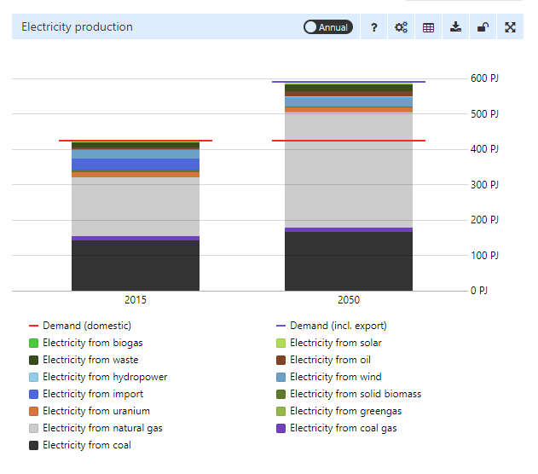

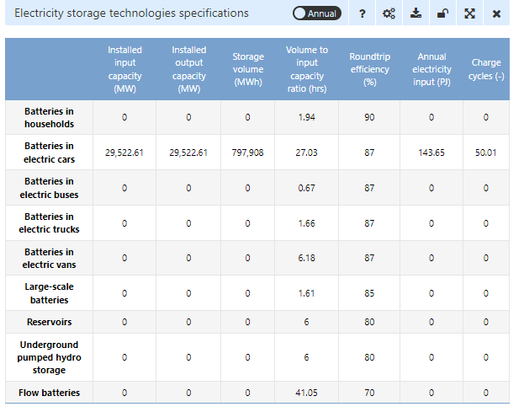
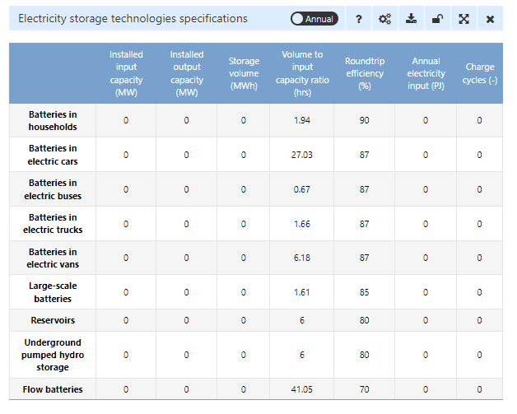

CE Delft, nationaal
Nationaal, CE Delft (2017) | https://pro.energytransitionmodel.com/scenarios/369650 | Wind (EJ) | Solar (EJ) | Average Wind (MW) | Average solar (MW) | Stand-alone and household batteries (MWh) | Batteries in Vehicles (MW) | Total Batteries (MW) | Batteries over renewables: b_p/r
CE_Delft_3L53_Net_voor_de_Toekomst_Zonder_BIJL.pdf |  | 1.01 | 0.121 | 32026.889904 | 3836.88483 | 73755 | 19928 | 38366.75 | 1.07
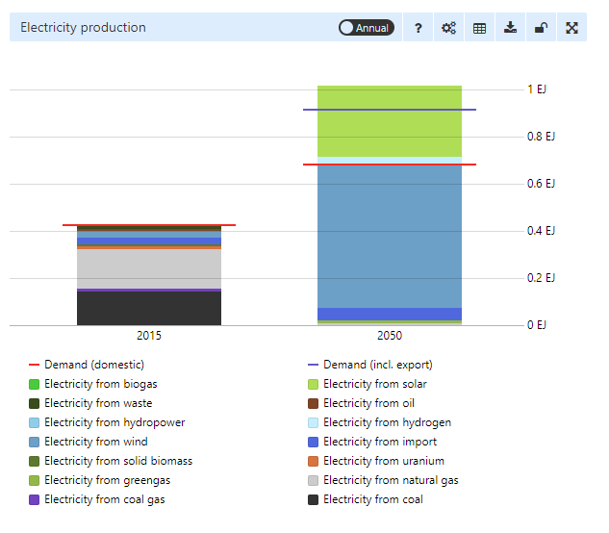
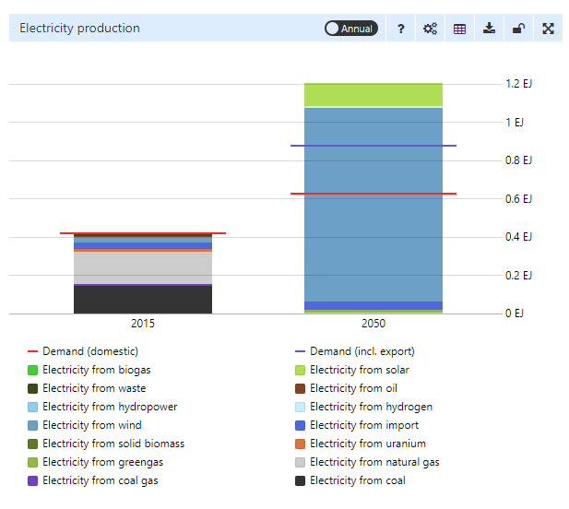

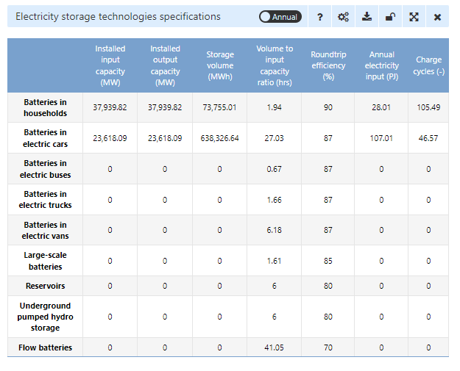
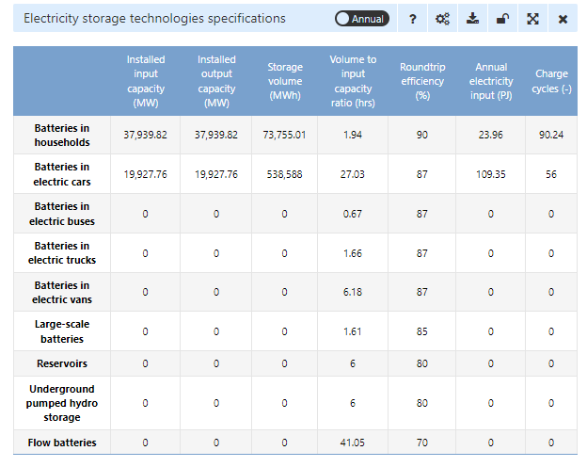

CE Delft, internationaal
Internationaal, CE Delft (2017) | https://pro.energytransitionmodel.com/scenarios/369651 | Wind (EJ) | Solar (EJ) | Average Wind (MW) | Average solar (MW) | Stand-alone and household batteries (MWh) | Batteries in vehicles (MW) | Total Batteries (MW) | Batteries over renewables: b_p/r
CE_Delft_3L53_Net_voor_de_Toekomst_Zonder_BIJL.pdf |  | 0.159 | 0.056 | 5041.8569254 | 1775.7483511 | 2258 | 4428 | 4992.5 | 0.73
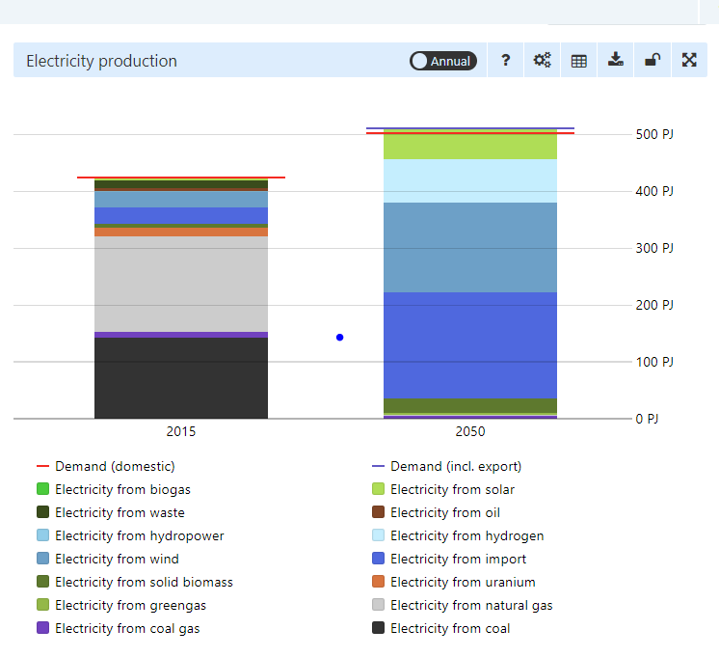

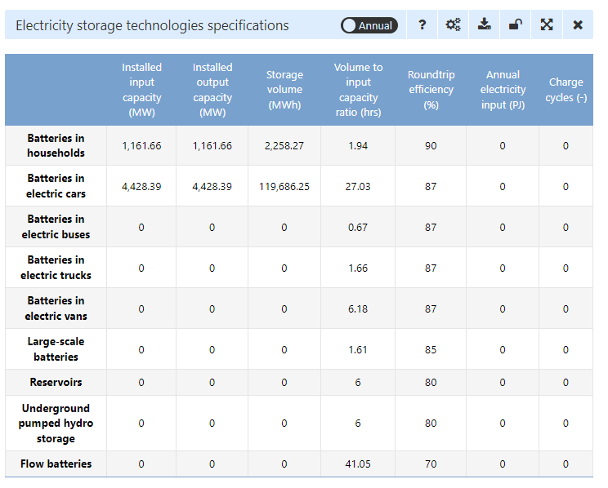

CE Delft, generiek
Generiek, CE Delft (2017) | https://pro.energytransitionmodel.com/scenarios/369652 | Wind (EJ) | Solar (EJ) | Average Wind (MW) | Average solar (MW) | Stand-alone and household batteries (MWh) | Batteries in vehicles (MW) | Total Batteries (MW) | Batteries over renewables: b_p/r
CE_Delft_3L53_Net_voor_de_Toekomst_Zonder_BIJL.pdf |  | 0.113 | 0.06381 | 3583.2064942 | 2023.4018265 | 3162 | 2214 | 3004.5 | 0.54
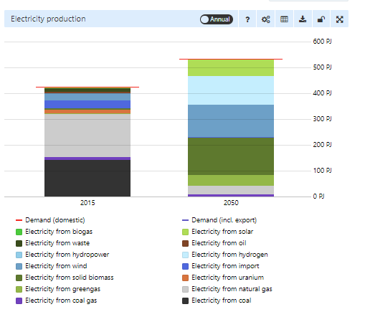

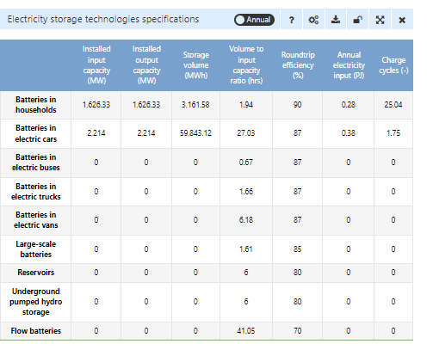

Ber. & Kalav., regionaal
Regionaal, Berenschot & Kalavasta (2020) | https://pro.energytransitionmodel.com/saved_scenarios/9184 |  | Wind (EJ) | Solar (EJ) | Average Wind (MW) | Average solar (MW) | Stand-alone and household batteries (MWh) | Batteries in vehicles (MW) | Total Batteries (MW) | Batteries over renewables: b_p/r
rapport_klimaatneutrale_energiescenario_s_2050_2.pdf (berenschot.nl) |  | Original report with scenario definition | 0.718 | 0.376 | 22767.630644 | 11922.881786 | 44000 | 0 | 11000 | 0.32
NetbeheerNL_Rapport-Energiesysteem_A4_FC.pdf (netbeheernederland.nl) |  | Contains updated values on batteries
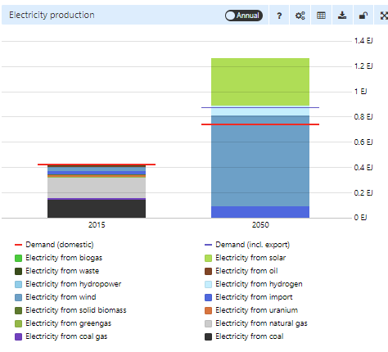

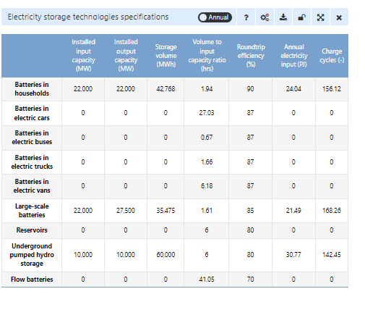

Ber. & Kalav., nationaal
Nationaal, Berenschot & Kalavasta (2020) | https://pro.energytransitionmodel.com/saved_scenarios/9185 |  | Wind (EJ) | Solar (EJ) | Average Wind (MW) | Average solar (MW) | Stand-alone and household batteries (MWh) | Batteries in Vehicles (MW) | Total Batteries (MW) | Batteries over renewables: b_p/r
rapport_klimaatneutrale_energiescenario_s_2050_2.pdf (berenschot.nl) |  | Original report with scenario definition | 1.05 | 0.32 | 33295.281583 | 10147.133435 | 74527 | 0 | 18631.75 | 0.43
NetbeheerNL_Rapport-Energiesysteem_A4_FC.pdf (netbeheernederland.nl) |  | Contains updated values on batteries

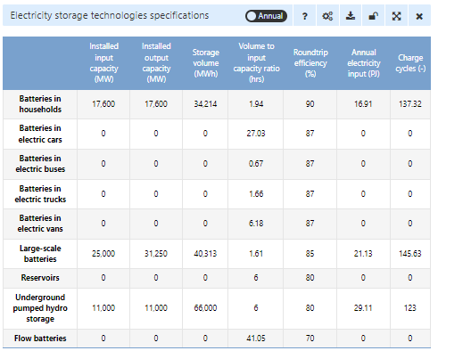

Ber. & Kalav., internationaal
Internationaal, Berenschot & Kalavasta (2020) | https://pro.energytransitionmodel.com/saved_scenarios/9187 |  | Wind (EJ) | Solar (EJ) | Average Wind (MW) | Average solar (MW) | Stand-alone and household batteries (MWh) | Batteries in Vehicles (MW) | Total Batteries (MW) | Batteries over renewables: b_p/r
rapport_klimaatneutrale_energiescenario_s_2050_2.pdf (berenschot.nl) |  | Original report with scenario definition | 0.554 | 0.156 | 17567.224759 | 4946.7275495 | 39682 | 0 | 9920.5 | 0.44
NetbeheerNL_Rapport-Energiesysteem_A4_FC.pdf (netbeheernederland.nl) |  | Contains updated values on batteries
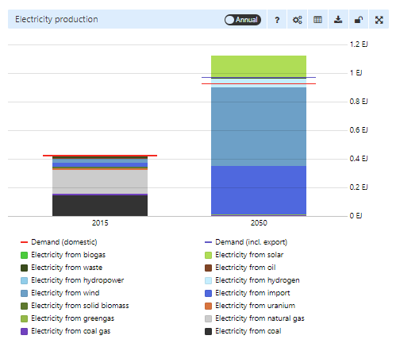

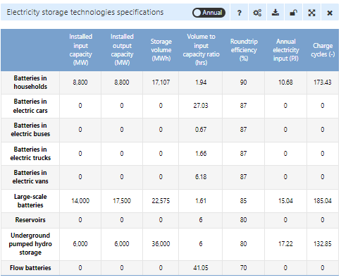

Ber. & Kalav., europese sturing
Europese CO2-sturing, Berenschot & Kalavasta (2020) | https://pro.energytransitionmodel.com/saved_scenarios/9186 |  | Wind (EJ) | Solar (EJ) | Average Wind (MW) | Average solar (MW) | Stand-alone and household batteries (MWh) | Batteries in Vehicles (MW) | Total Batteries (MW) | Batteries over renewables: b_p/r
rapport_klimaatneutrale_energiescenario_s_2050_2.pdf (berenschot.nl) |  | Original report with scenario definition | 0.594 | 0.174 | 18835.616438 | 5517.5038052 | 44520 | 0 | 11130 | 0.46
NetbeheerNL_Rapport-Energiesysteem_A4_FC.pdf (netbeheernederland.nl) |  | Contains updated values on batteries

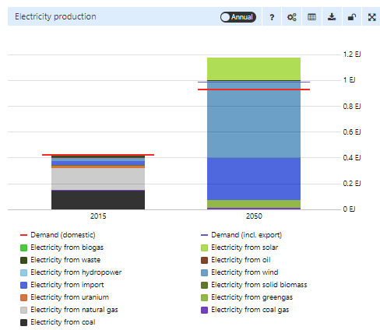

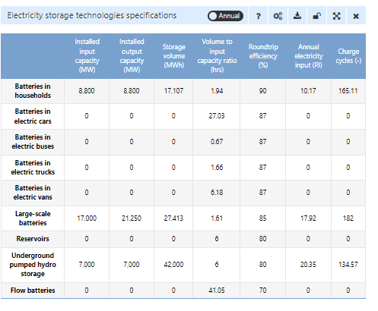

Gasunie, verkenning 2050
Verkenning 2050, Gasunie (2018) | https://beta-pro.energytransitionmodel.com/scenarios/748145 | Wind (EJ) | Solar (EJ) | Average Wind (MW) | Average solar (MW) | Stand-alone and household batteries (MWh) | Batteries in Vehicles (MW) | Total Batteries (MW) | Batteries over renewables: b_p/r
https://www.gasunie.nl/en/expertise/natural-gas/customised-gas/$4059/$4061 |  | 0.573 | 0.222 | 18169.710807 | 7039.5738204 | 73775 | 0 | 18443.75 | 0.73

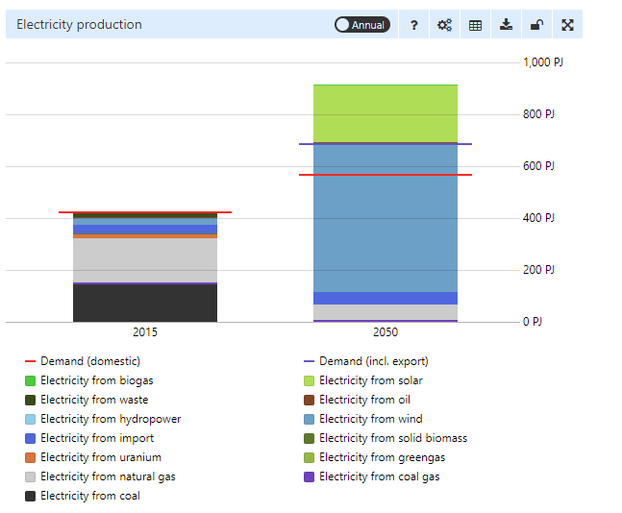

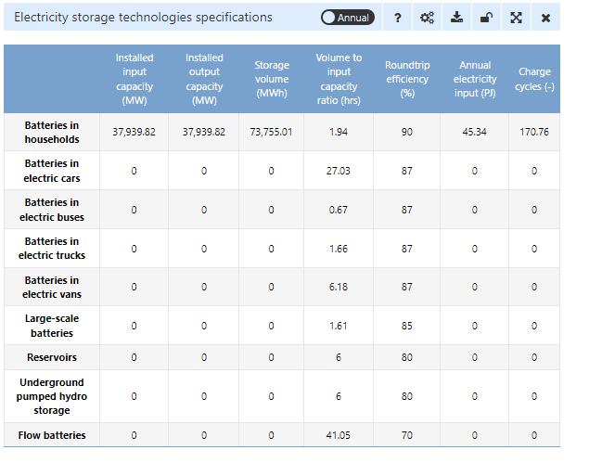

Quintel Intelligence (2015)
Quintel Intelligence (2015) | https://pro.energytransitionmodel.com/scenarios/423882 | Wind (EJ) | Solar (EJ) | Average Wind (MW) | Average solar (MW) | Stand-alone and household batteries (MWh) | Batteries in Vehicles (MW) | Total Batteries (MW) | Batteries over renewables: b_p/r
https://s3-eu-west-1.amazonaws.com/static.quintel.com/publications/beelden_van_een_co2-arme_nederlandse_samenleving_in_2050_-_quintel_intelligence.pdf |  | 0.281 | 0.078 | 8910.4515474 | 2473.3637747 | 0 | 0 | 0 | 0.00

