S1 Theoretical Size
 | ssDNA M13mp18 |  | ds DNA 1 turn
DNA nanostructures | bases number | 6-turn spiral | bases number | length (nm) | Height (nm) | Size (nm)
Line | 7249 | 6 | 10.67 | 3.6 | 2 | 407.63
Ring | 7249 | 6 | 10.67 | 3.6 | 2 | 129.75
Triangle | 7249 | / | 10.67 | 3.6 | 2 | 109.91
Octahedron | 7249 | 6 | 10.67 | 3.6 | 2 | 33.97

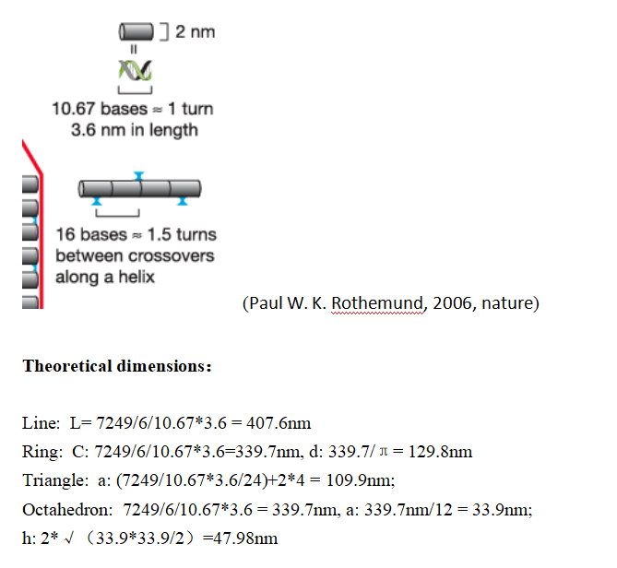

The 24 in the triangle formula means that each side length in the design diagram is folded 8 times, while the total length of the long DNA strand is folded 24 times due to the three side lengths.
The 12 in the octahedron formula means that the octahedron has a total of 12 side lengths

