appendix3_calculation example
Calculation example:

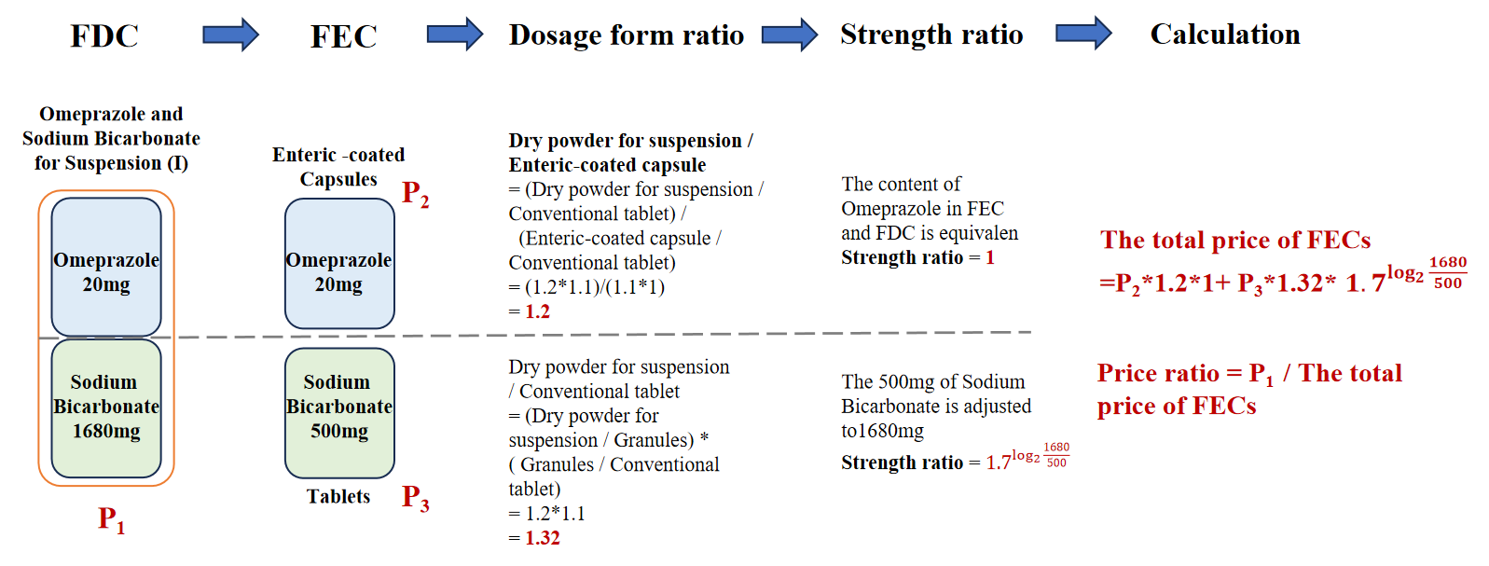

appendix4_price distribution
The price of FDC | The price of FEC | 5.7909
0.2023 | 0.0717 | 2.2183
0.5216 | 0.0717
1.2100 | 0.0717
1.4995 | 0.0717 |  | FDC | FEC
1.5292 | 0.0717 | (0,1] | 2 | 43
1.5400 | 0.0717 | (1,2] | 7 | 22
1.5800 | 0.0717 | (2,3] | 8 | 12
1.7204 | 0.0717 | (3,4] | 4 | 10
1.8429 | 0.1677 | (4,5] | 8 | 1
2.1888 | 0.1677 | (5,6] | 3 | 1
2.2966 | 0.1677 | (6,7] | 4 | 0
2.3900 | 0.1910 | (7,8] | 3 | 4
2.5561 | 0.2336 | (8,9] | 1 | 0
2.7284 | 0.2391 | (9,10] | 2 | 1
2.7300 | 0.2391 | (10,50] | 9 | 28
2.8085 | 0.3188 | (50,+∞] | 12 | 12
3.0000 | 0.3382
3.6852 | 0.3382
3.6866 | 0.3837
3.8410 | 0.3837
3.8750 | 0.3842
4.1000 | 0.3900
4.1500 | 0.3951
4.1782 | 0.3951
4.2275 | 0.4072
4.6865 | 0.5061
4.7328 | 0.5061
4.7900 | 0.5061
4.8814 | 0.5648
5.6978 | 0.5648
5.7403 | 0.5953
5.7909 | 0.6525
6.0960 | 0.6987
6.1429 | 0.6987
6.1930 | 0.6987
6.2100 | 0.7821
7.1285 | 0.8136
7.4930 | 0.8136
7.6500 | 0.8136
8.5230 | 0.8925
9.6597 | 0.9121
9.7142 | 0.9484
10.5771 | 0.9850
19.9678 | 1.0092
24.2996 | 1.1310
24.8521 | 1.2622
27.6094 | 1.3261
29.0200 | 1.3381
36.0687 | 1.3739
36.4296 | 1.3739
41.0000 | 1.3819
63.0000 | 1.4032
64.3600 | 1.4032
78.0000 | 1.4032
132.2600 | 1.5700
143.7500 | 1.6717
145.2800 | 1.6717
155.1000 | 1.6717
192.0000 | 1.6717
217.6000 | 1.6717
221.6100 | 1.6717
232.0000 | 1.6717
239.0000 | 1.6717
 | 1.9478
 | 1.9478
 | 2.0474
 | 2.2037
 | 2.2329
 | 2.2440
 | 2.3046
 | 2.3643
 | 2.3643
 | 2.4000
 | 2.7311
 | 2.9217
 | 2.9217
 | 2.9947
 | 3.2000
 | 3.2181
 | 3.3113
 | 3.5863
 | 3.7000
 | 3.7000
 | 3.7000
 | 3.7000
 | 3.7000
 | 3.7093
 | 4.7318
 | 5.2939
 | 7.1211
 | 7.2199
 | 7.4791
 | 7.6278
 | 9.6250
 | 11.1820
 | 11.1820
 | 11.1820
 | 11.1820
 | 13.8330
 | 13.8330
 | 13.8330
 | 13.8330
 | 13.8330
 | 14.3044
 | 14.3075
 | 14.4933
 | 14.9700
 | 18.7000
 | 22.7642
 | 22.7871
 | 23.377
 | 24.5689
 | 24.6185
 | 26.5520
 | 29.5000
 | 32.7925
 | 37.2515
 | 39.3500
 | 43.9785
 | 45.8435
 | 46.0545
 | 48.8091
 | 50.5700
 | 55.4450
 | 60.3200
 | 60.3200
 | 61.2933
 | 61.2933
 | 63.6133
 | 66.5500
 | 79.2000
 | 79.2000
 | 134.2800
 | 315.2700

