Appendix Figure 3
Impact of OI on physical well-being and functioning by OI severity
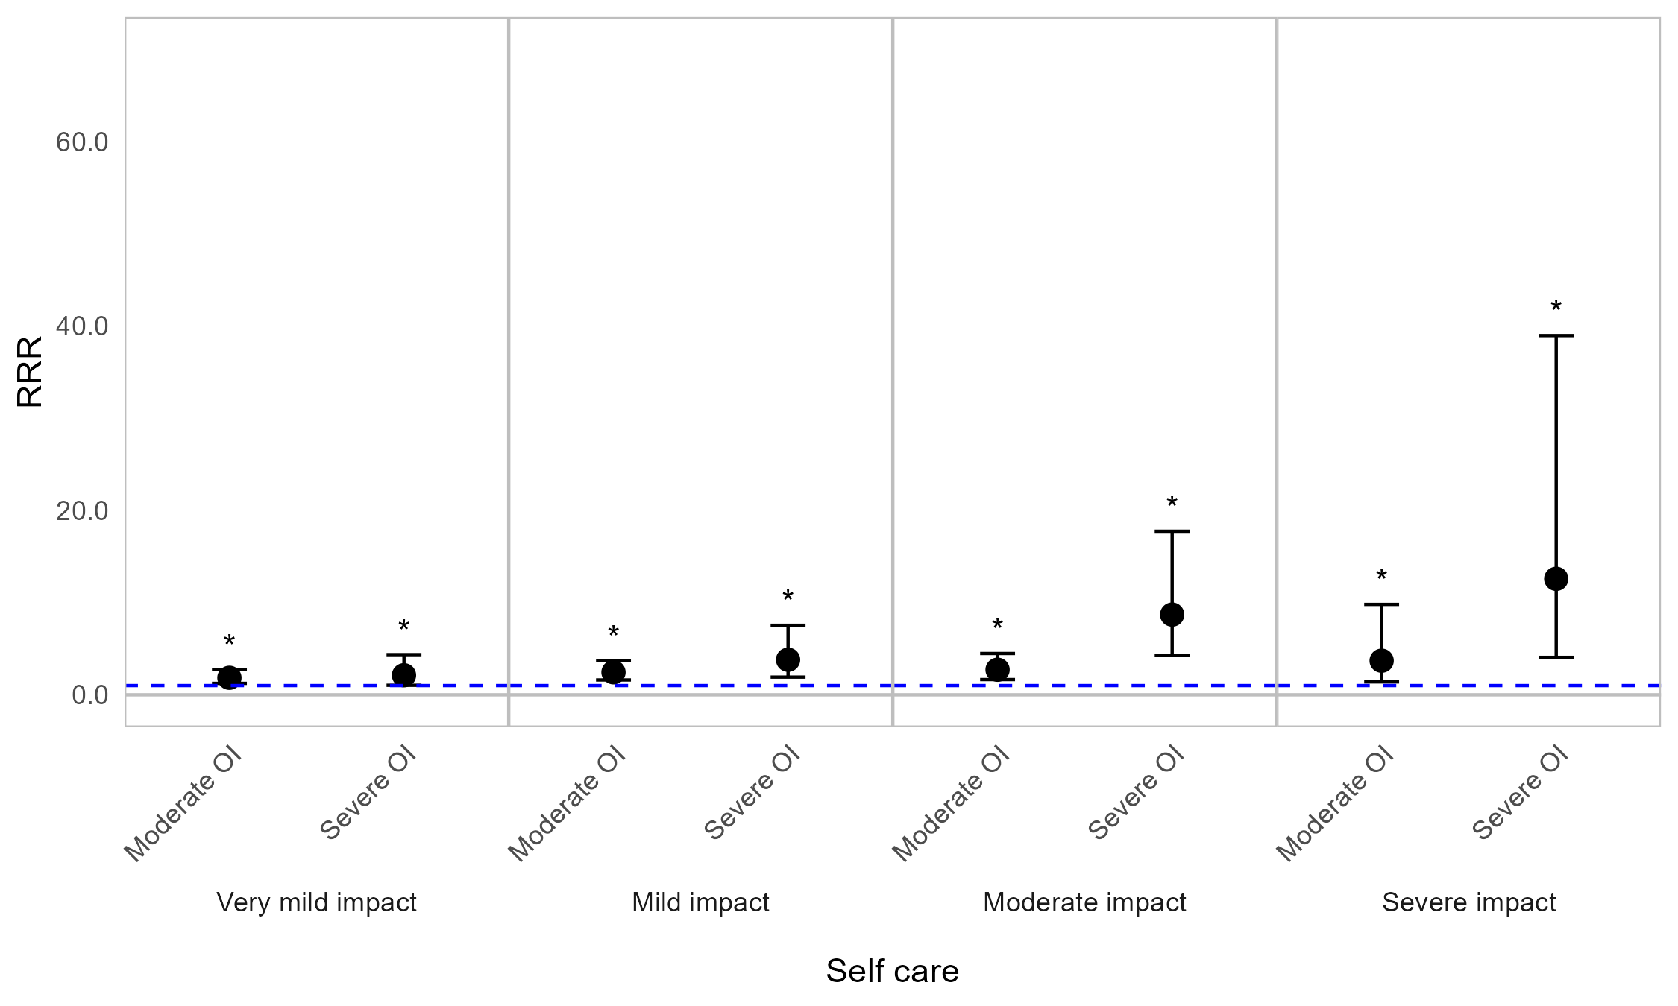



Appendix Figure 3A. Regression graph for OI severity and impact on physical well-being and functioning. The base line at y=1 represents individuals with mild OI (self-reported). Points above this line indicate higher relative risk ratio for those with moderate or severe OI, compared with those with mild OI (self-reported). Error bars are 95% confidence intervals. Asterisks are shown for statistically significant associations (P≤0.05). Graph shows relative risk ratios (RRR).

Impact of OI on physical well-being and functioning by age (years)
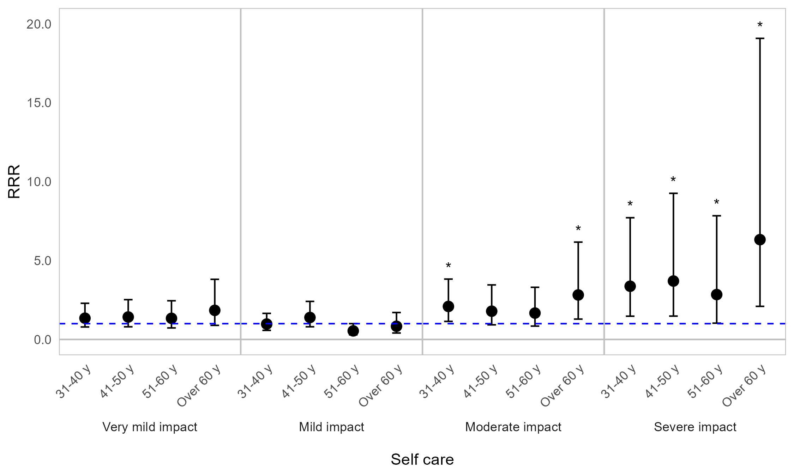
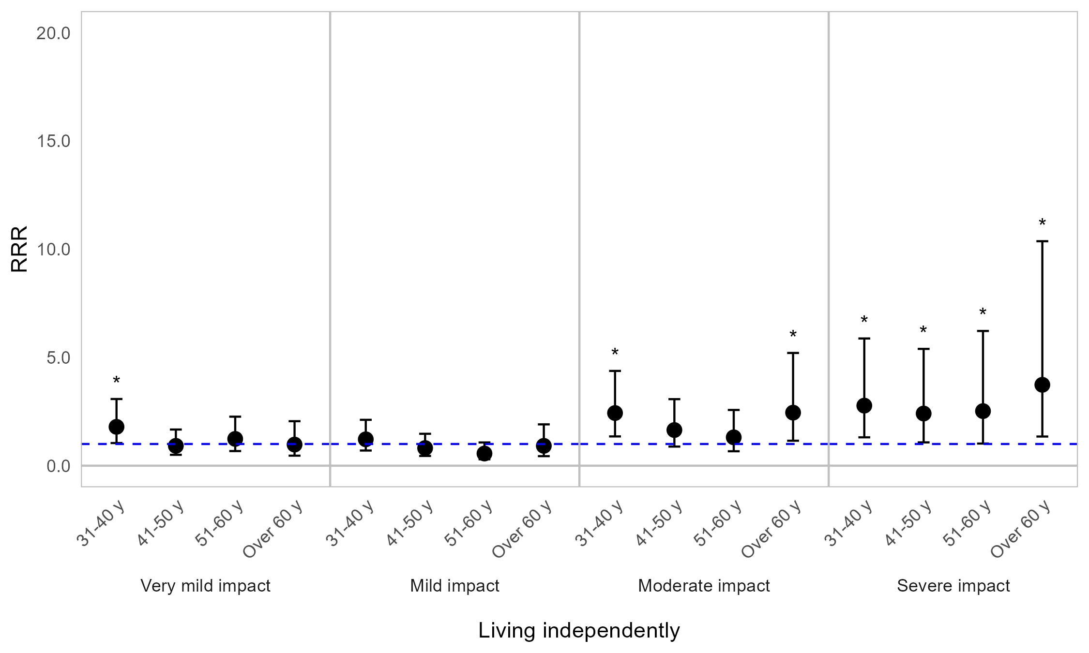


Appendix Figure 3B. Regression graph for age and physical well-being and functioning. The base line at y=1 represents individuals aged 18–30 years. Points above this line indicate higher relative risk ratio for individuals in a particular age category, compared with 18–30-year-olds. Error bars are 95% confidence intervals. Asterisks are shown for statistically significant associations (P≤0.05). Graph shows relative risk ratios (RRR).

Impact of OI on physical well-being and functioning by sex
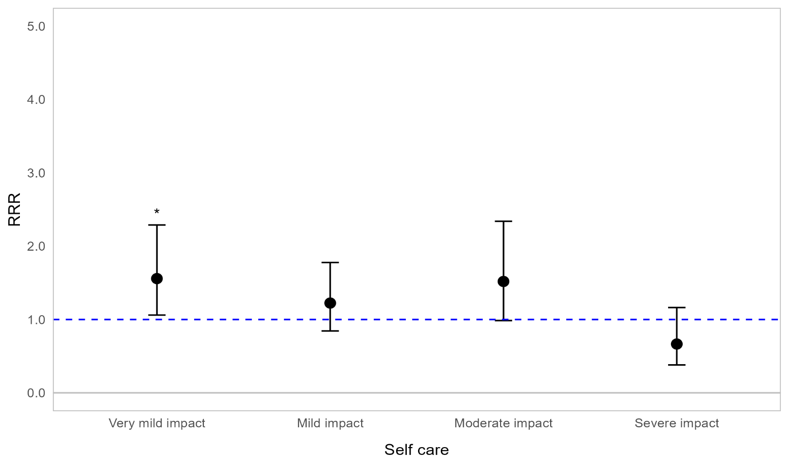
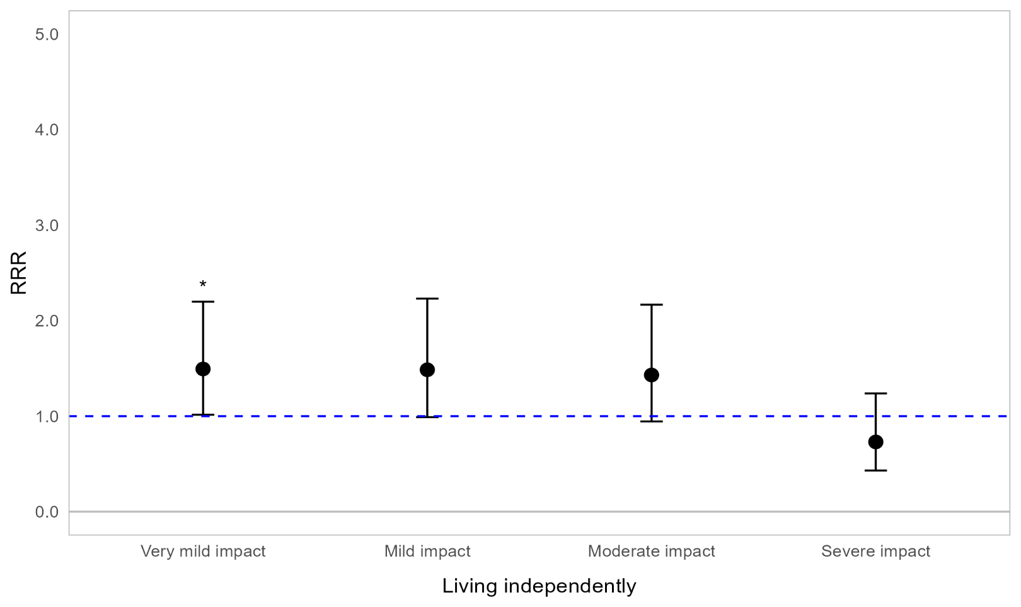
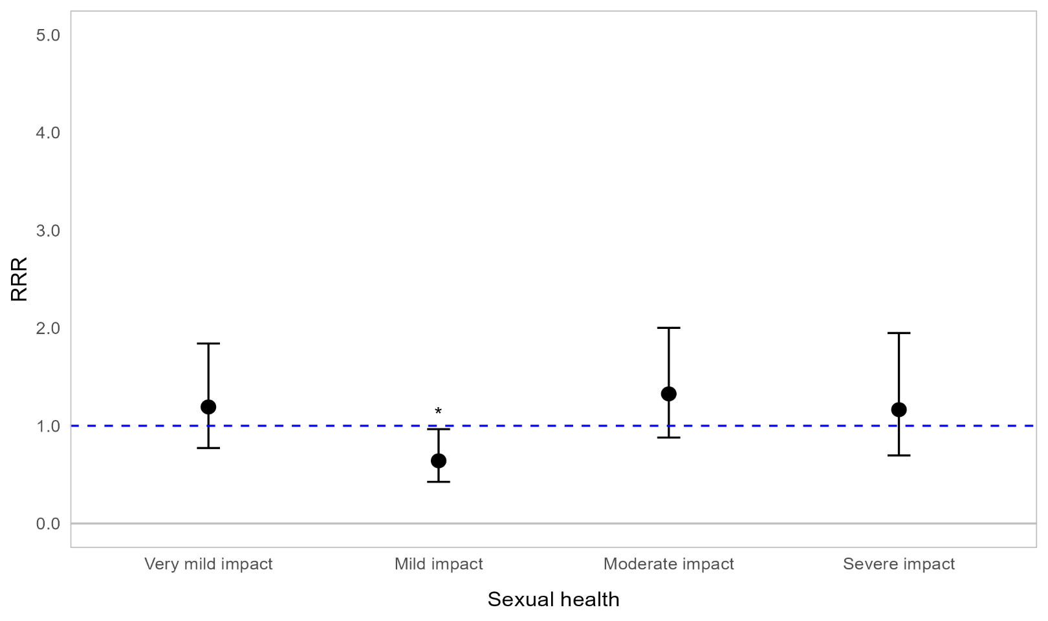

Appendix Figure 3C. Regression graph for sex and impact on physical well-being and functioning. The base line at y=1 represents male respondents. Points above this line indicate higher relative risk ratio for female respondents compared with male respondents. Error bars are 95% confidence intervals. Asterisks are shown for statistically significant associations (P≤0.05). Graph shows relative risk ratios (RRR).

Impact of OI on physical well-being and functioning by fracture frequency
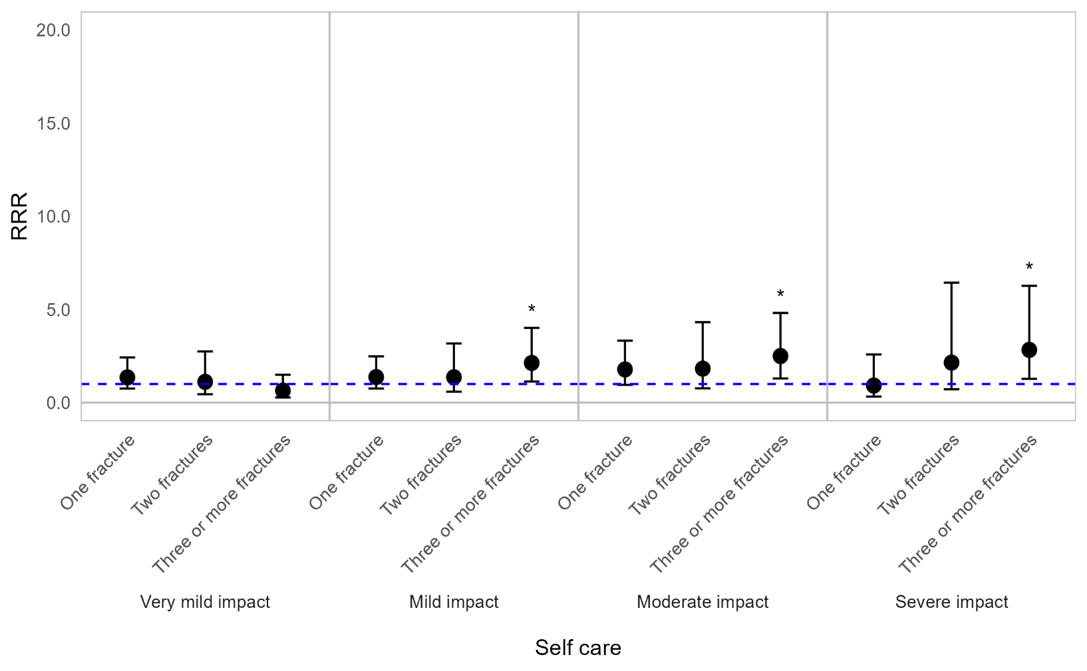



Appendix Figure 3D. Regression graph for fracture frequency and impact on physical well-being and functioning. Fracture frequency is reported as reported as number of fractures in the past 12 months. The base line at y=1 represents individuals who experienced 0 fractures in the past 12 months. Points above this line indicate higher relative risk ratio for those who experienced 1, 2, or 3 or more fractures, compared with those who did not experience fractures, in the past 12 months. Error bars are 95% confidence intervals. Asterisks are shown for statistically significant associations (P≤0.05). Graph shows relative risk ratios (RRR).

Impact of OI on physical well-being and functioning by symptom experienced
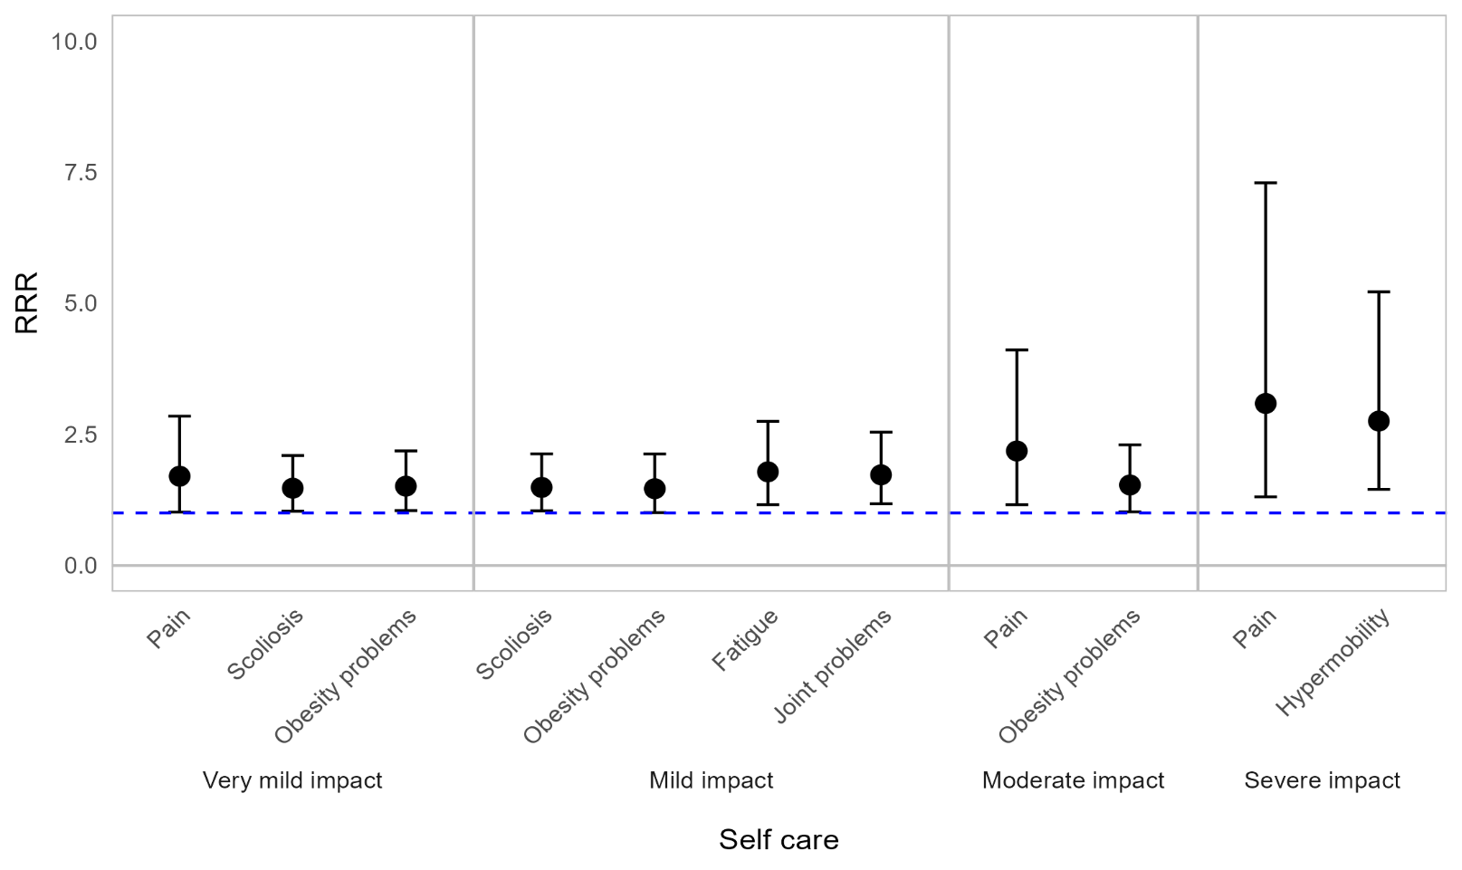
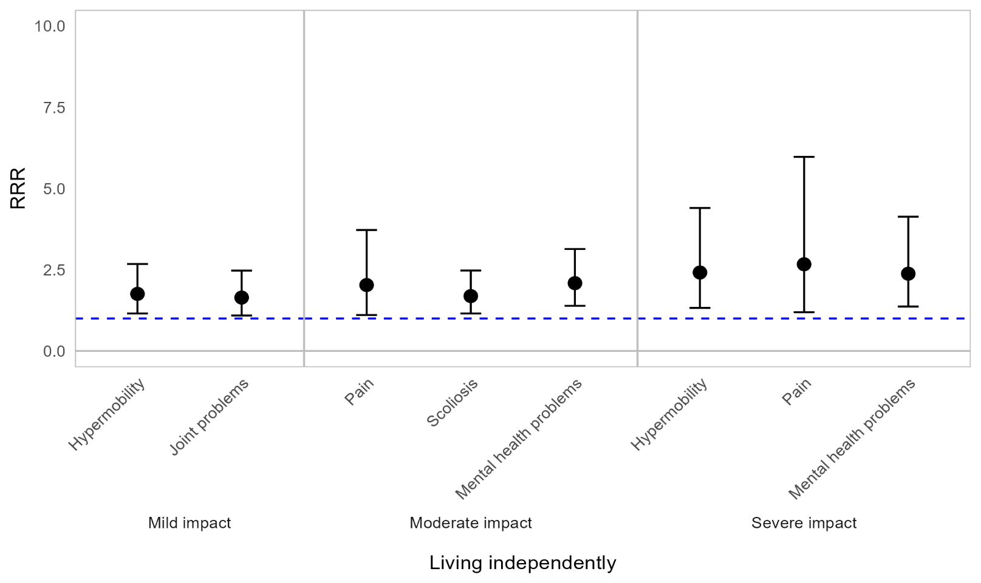
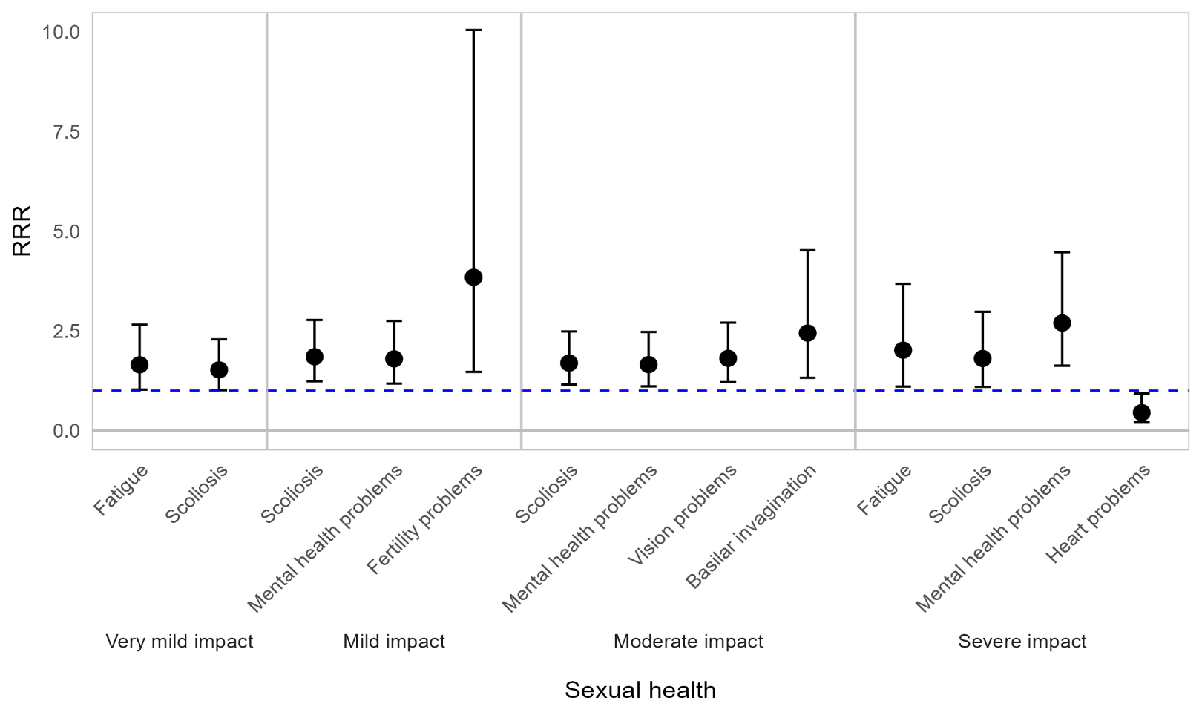

Appendix Figure 3E. Regression graph for signs, symptoms and events and impact on physical well-being and functioning. The base line at y=1 represents individuals who did not experience the particular sign, symptom or event in the past 12 months. Points above this line indicate higher relative risk ratio for individuals who experienced the sign, symptom or event compared with those who did not. Error bars are 95% confidence intervals. Graph shows relative risk ratios (RRR).

Impact of OI on physical well-being and functioning by mobility status
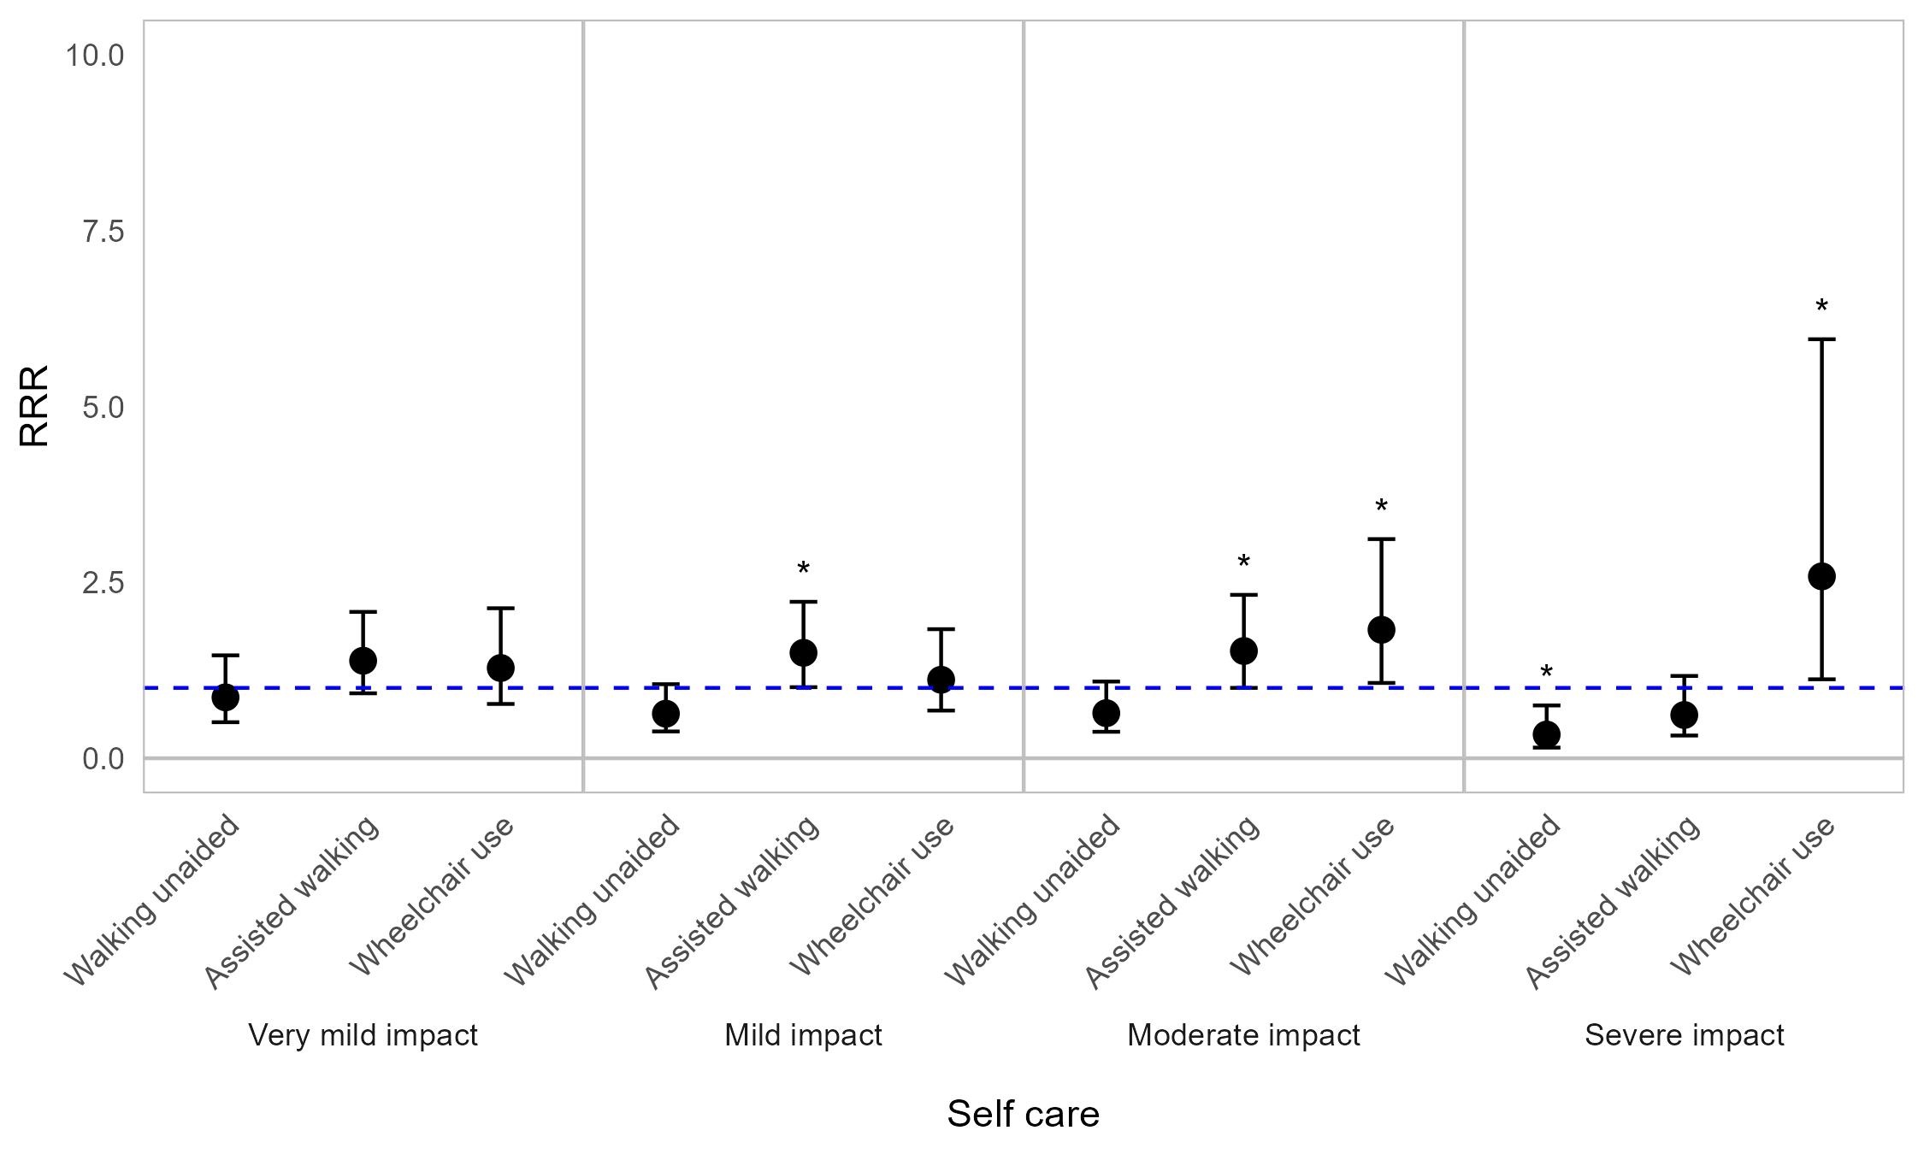
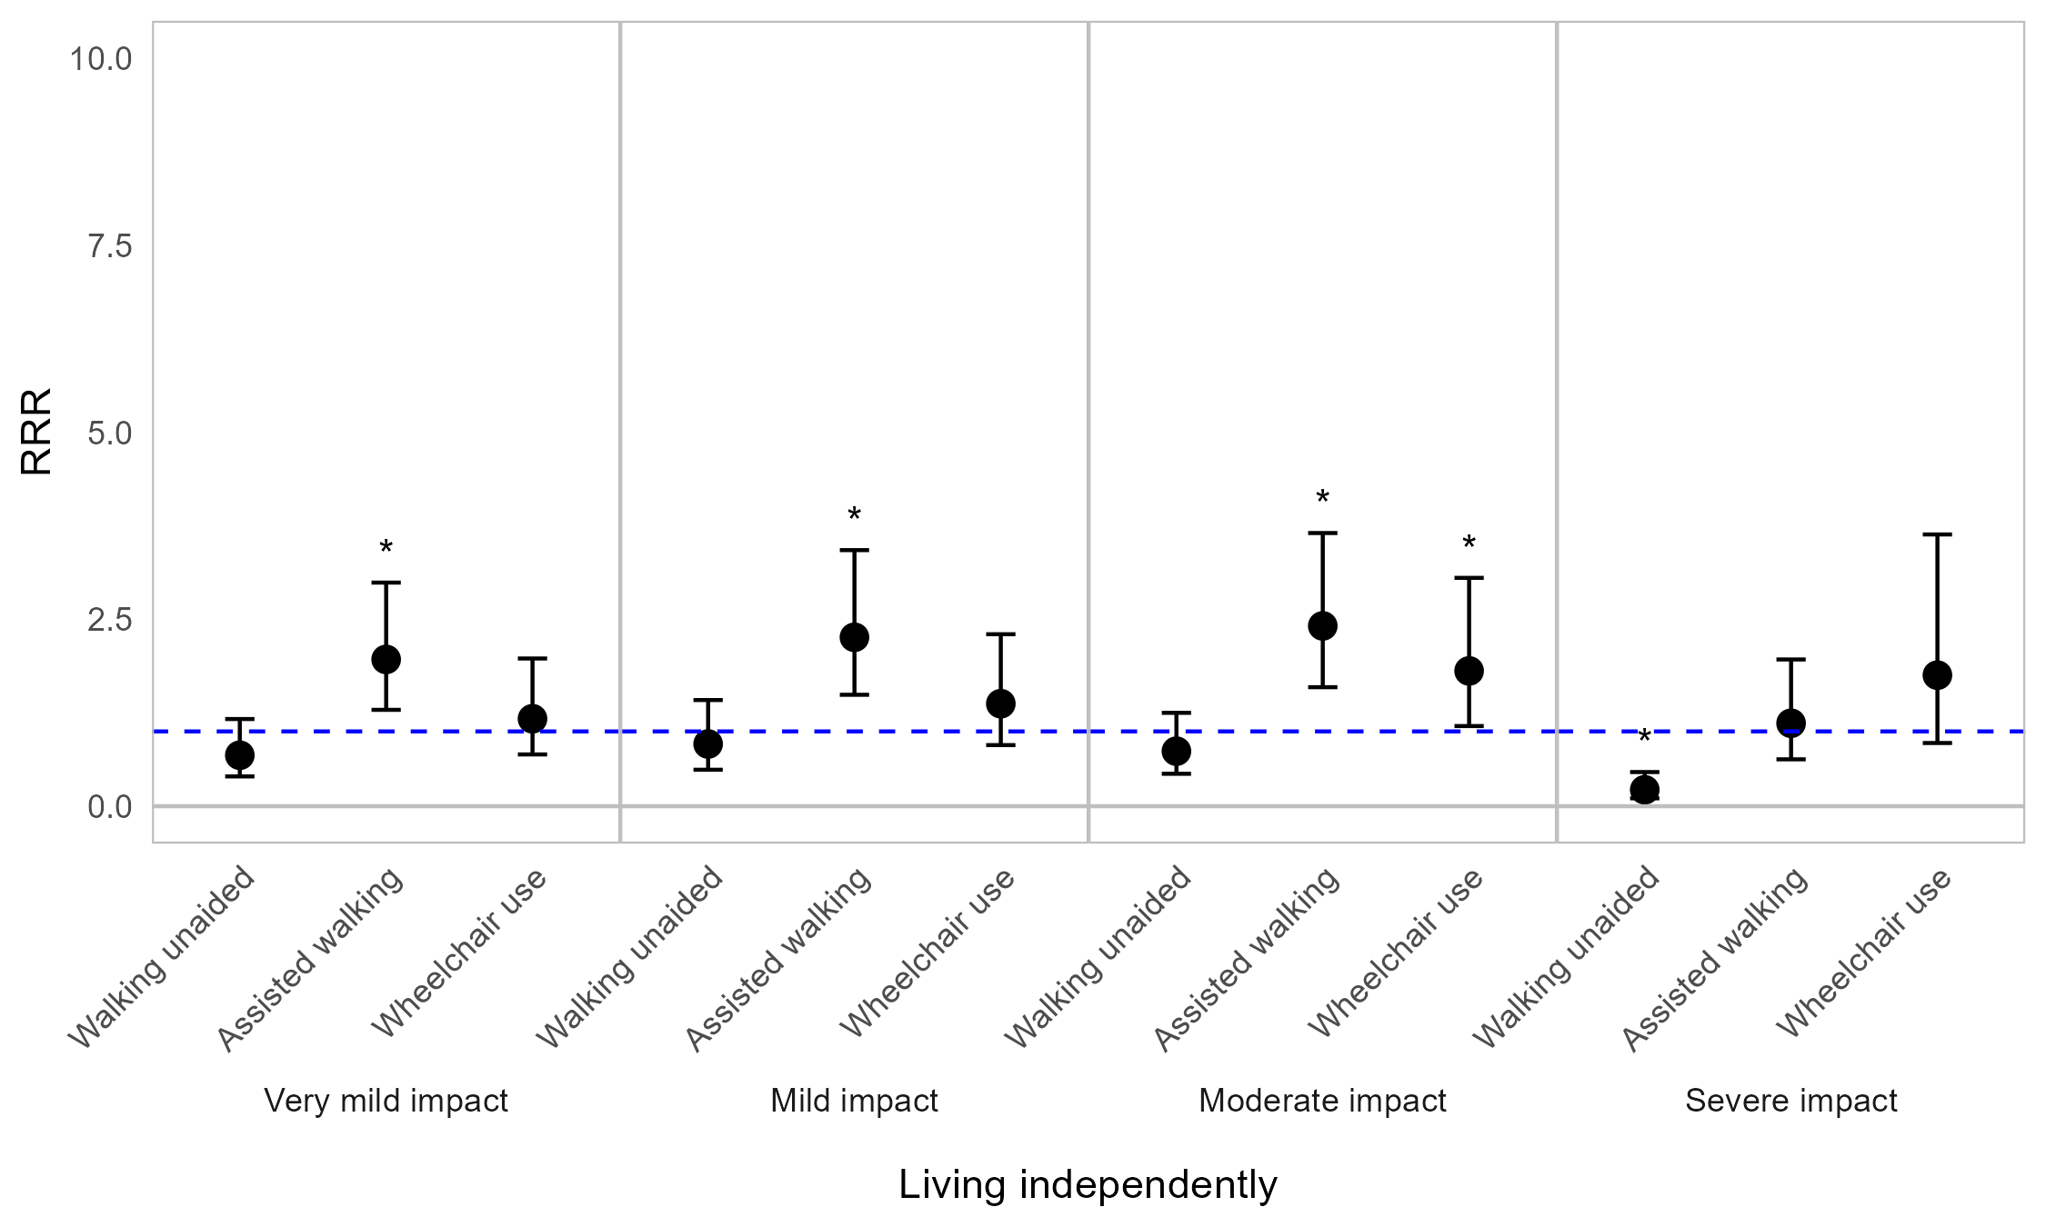


Appendix Figure 3F. Regression graph for mobility status and impact on physical well-being and functioning. The base line at y=1 represents individuals not in the specified mobility status subcategory. Points above this line indicate higher relative risk ratio for mobility status subgroups compared with the rest of the population (those not in the specified mobility subgroup). Error bars are 95% confidence intervals. Asterisks are shown for statistically significant associations (P≤0.05). Graph shows relative risk ratios (RRR).

Impact of OI on physical well-being and functioning by household living arrangement
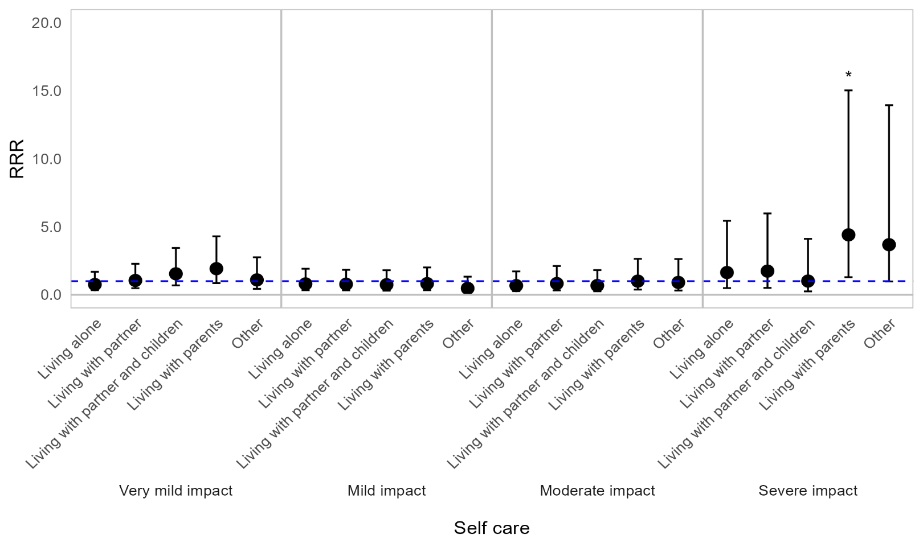
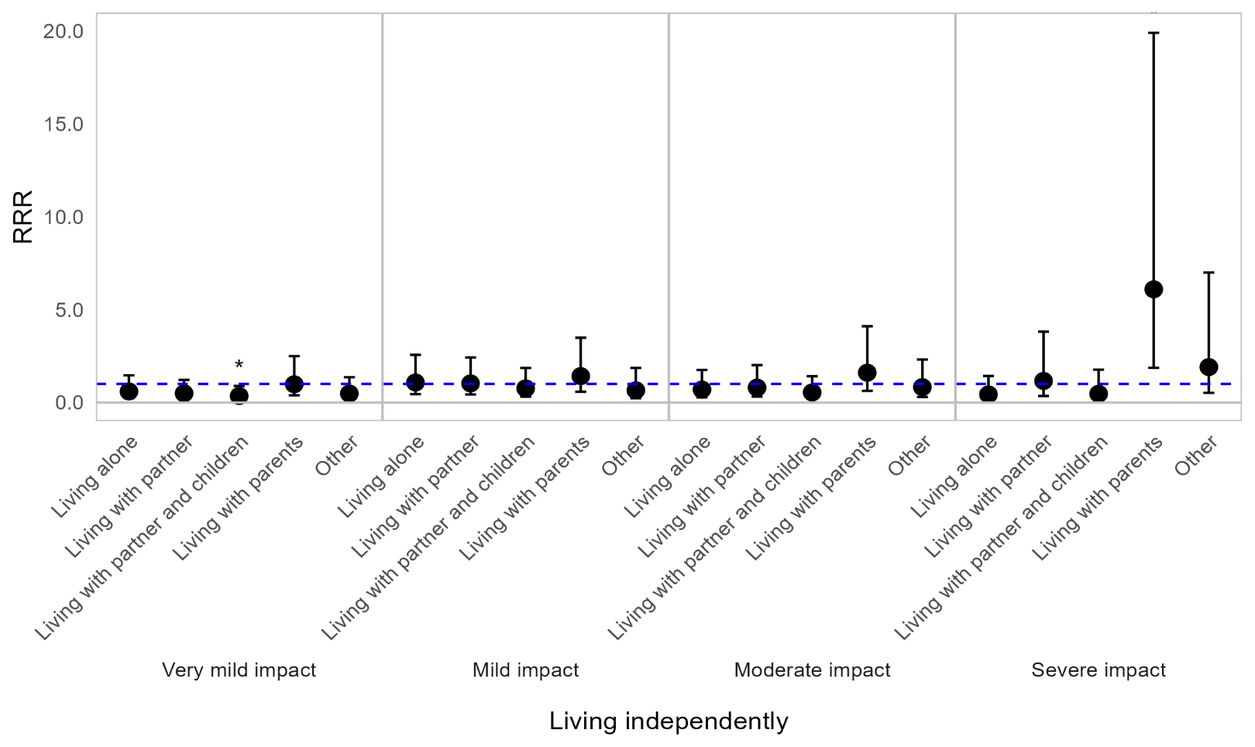
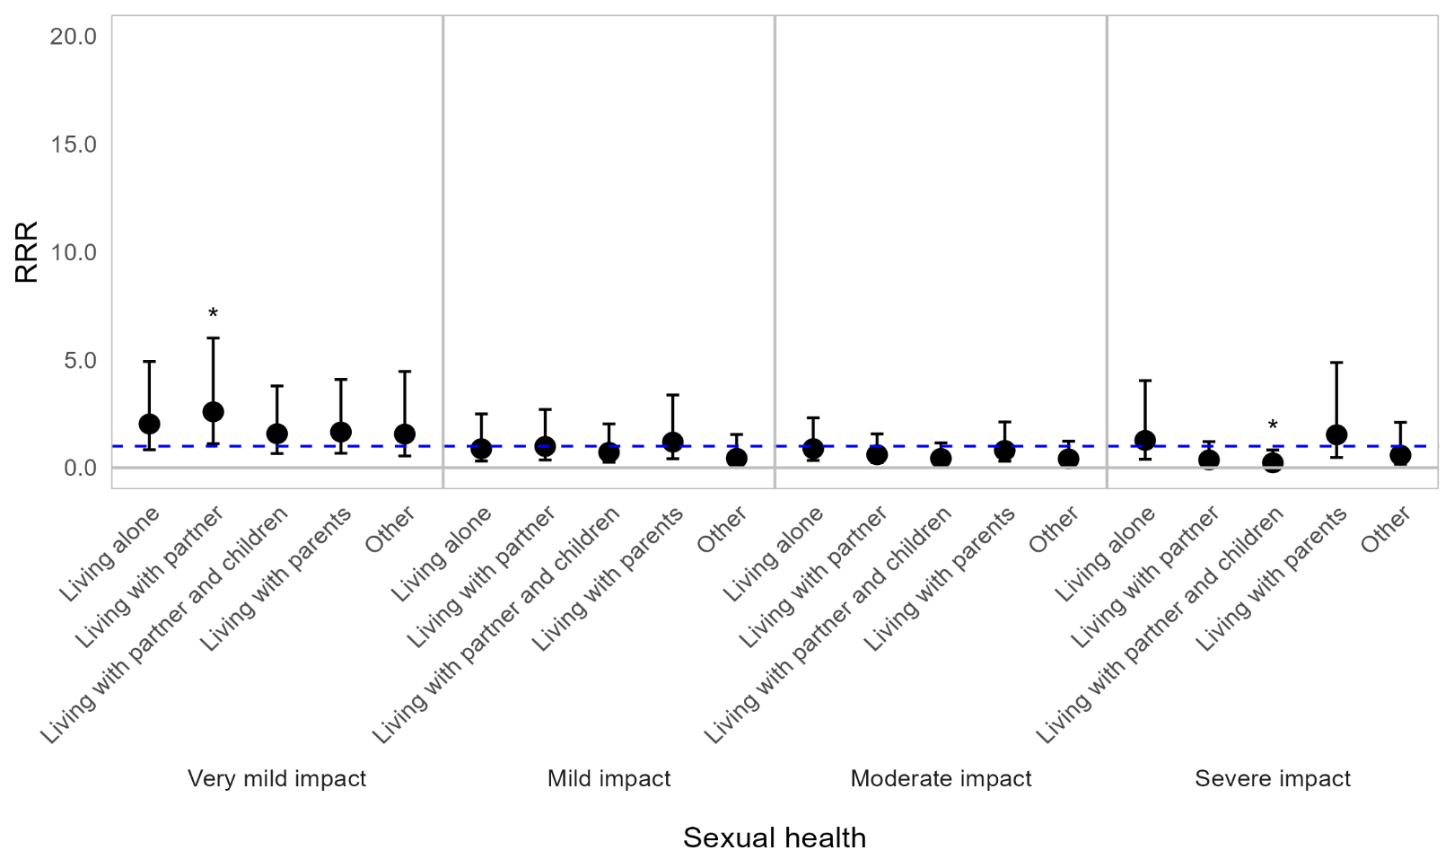

Appendix Figure 3G. Regression graph for household living arrangement and impact on physical well-being and functioning. The base line at y=1 represents individuals not in the specified living status subcategory. Points above this line indicate higher relative risk ratio for living status subgroups compared with the rest of the population (those not in the specified living subgroup). Error bars are 95% confidence intervals. Asterisks are shown for statistically significant associations (P≤0.05). Graph shows relative risk ratios (RRR).

Impact of OI on physical well-being and functioning by employment status
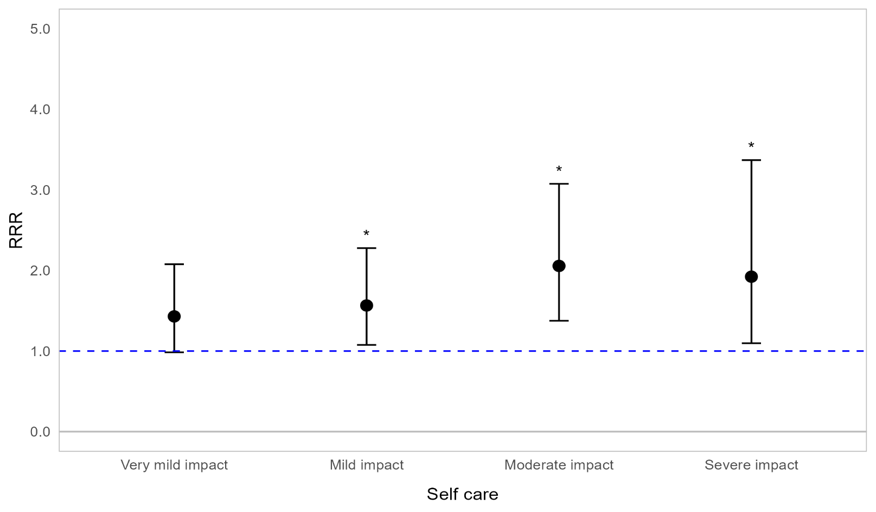
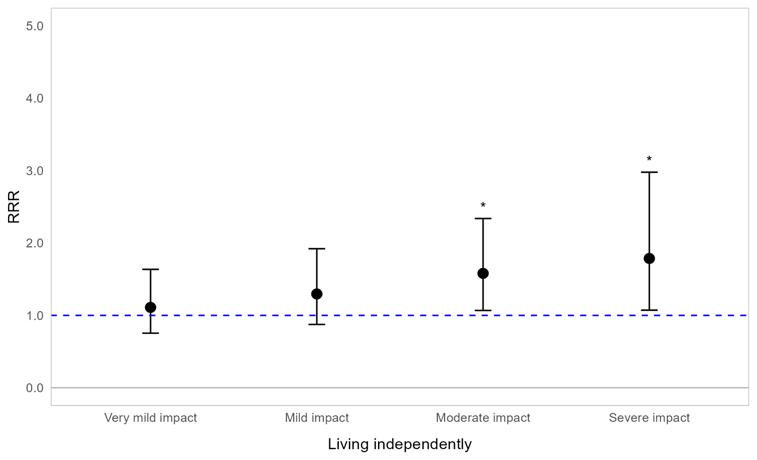


Appendix Figure 3H. Regression graph of employment status and impact on physical well-being and functioning. The base line at y=1 represents those in paid employment. Points above this line indicate higher relative risk ratio for unemployed respondents compared with employed respondents. Error bars are 95% confidence intervals. Asterisks are shown for statistically significant associations (P≤0.05). Graph shows relative risk ratios (RRR).

