Appendix Figure 9
Impact of OI on worrying about careers and finances by OI severity
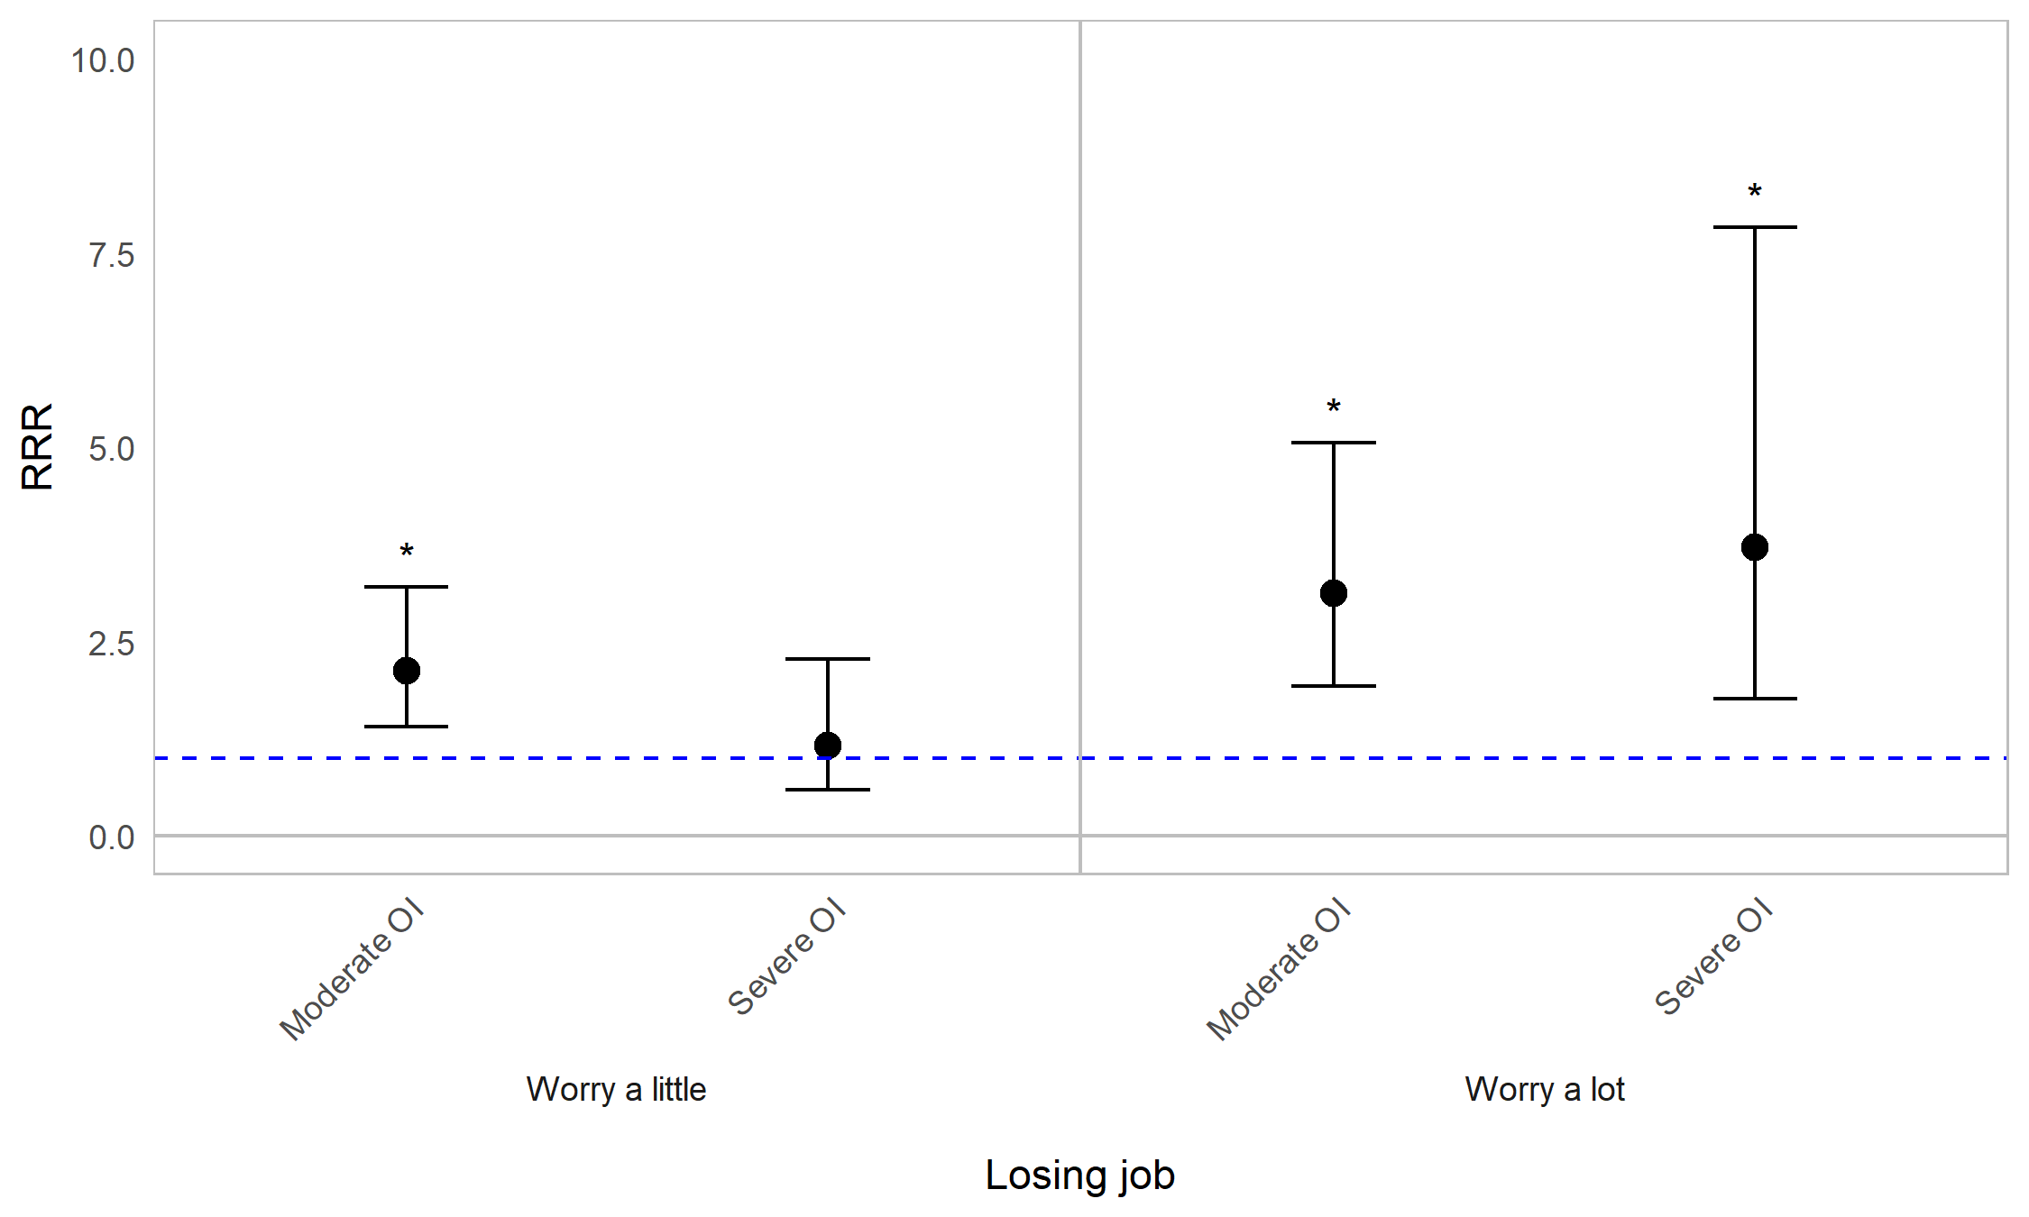
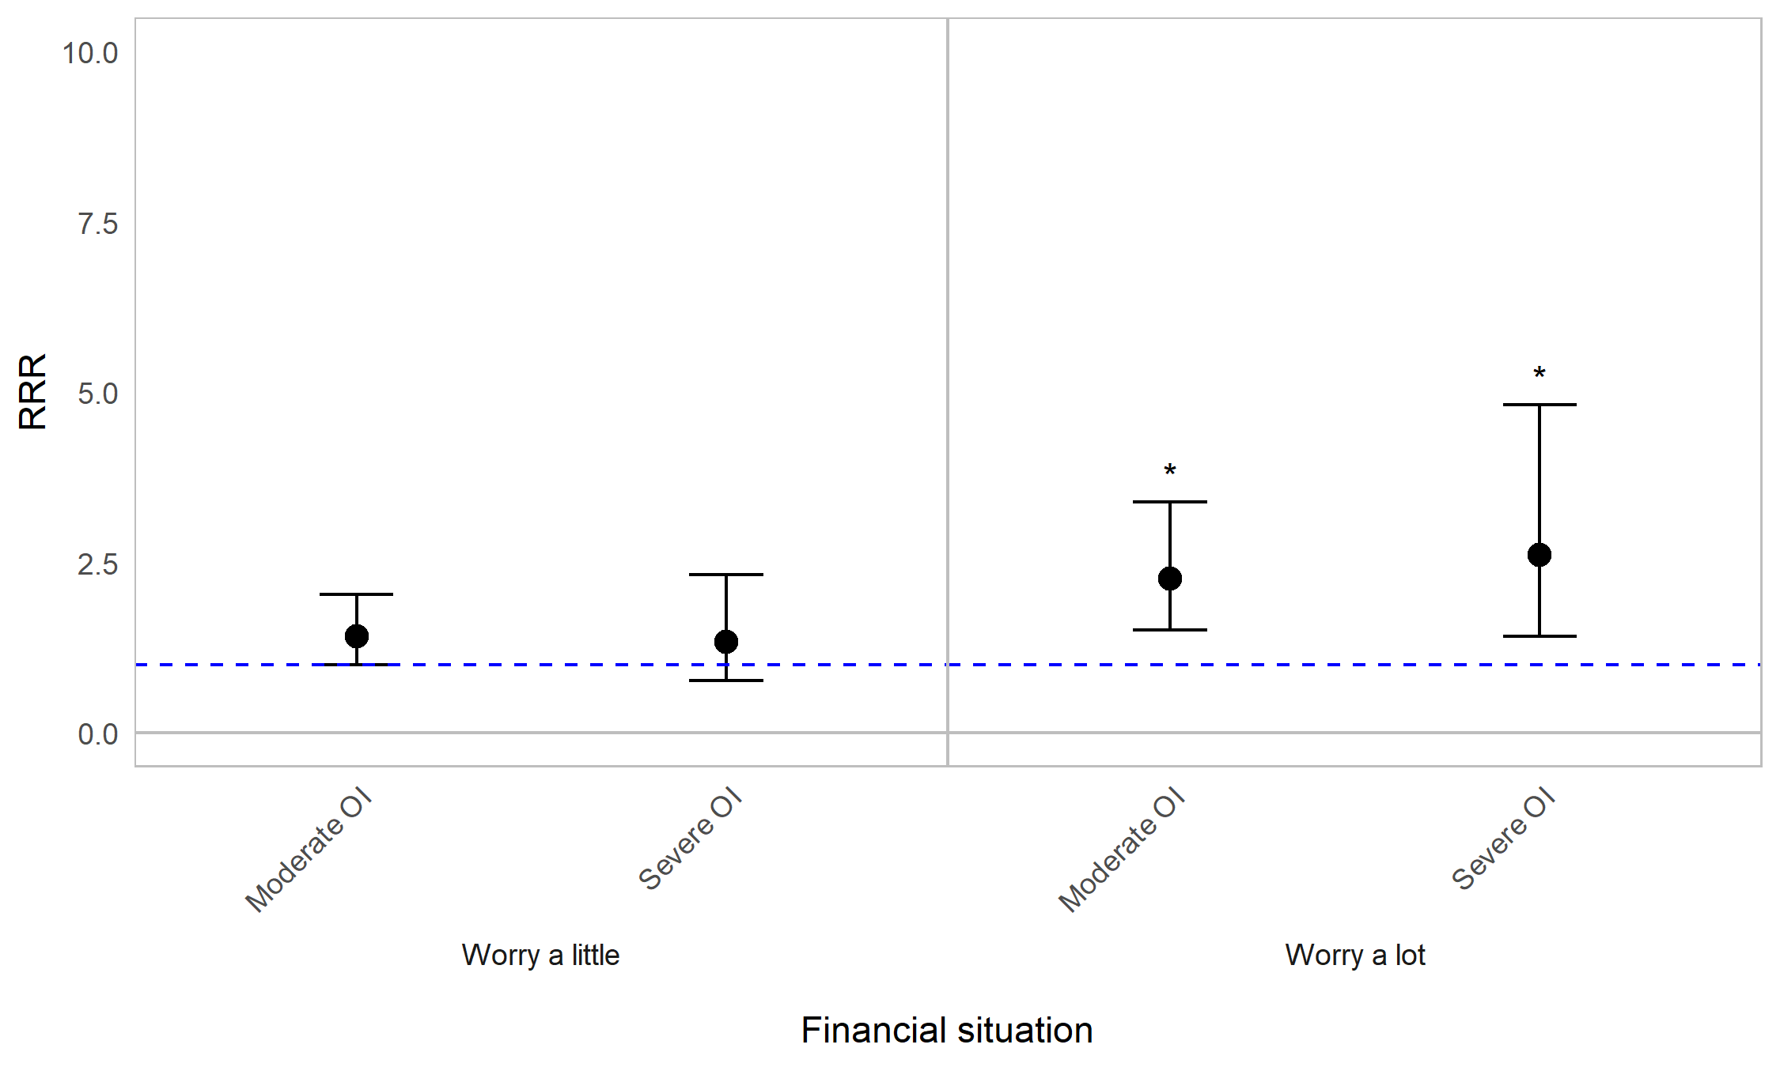


Appendix Figure 9A. Regression graph for OI severity and worrying about careers and finances. The base line at y=1 represents individuals with mild OI (self-reported). Points above this line indicate higher relative risk ratio for those with moderate or severe OI, compared with those with mild OI (self-reported). Error bars are 95% confidence intervals. Asterisks are shown for statistically significant associations (P≤0.05). Graph shows relative risk ratios (RRR).

Impact of OI on worrying about careers and finances by age (years)
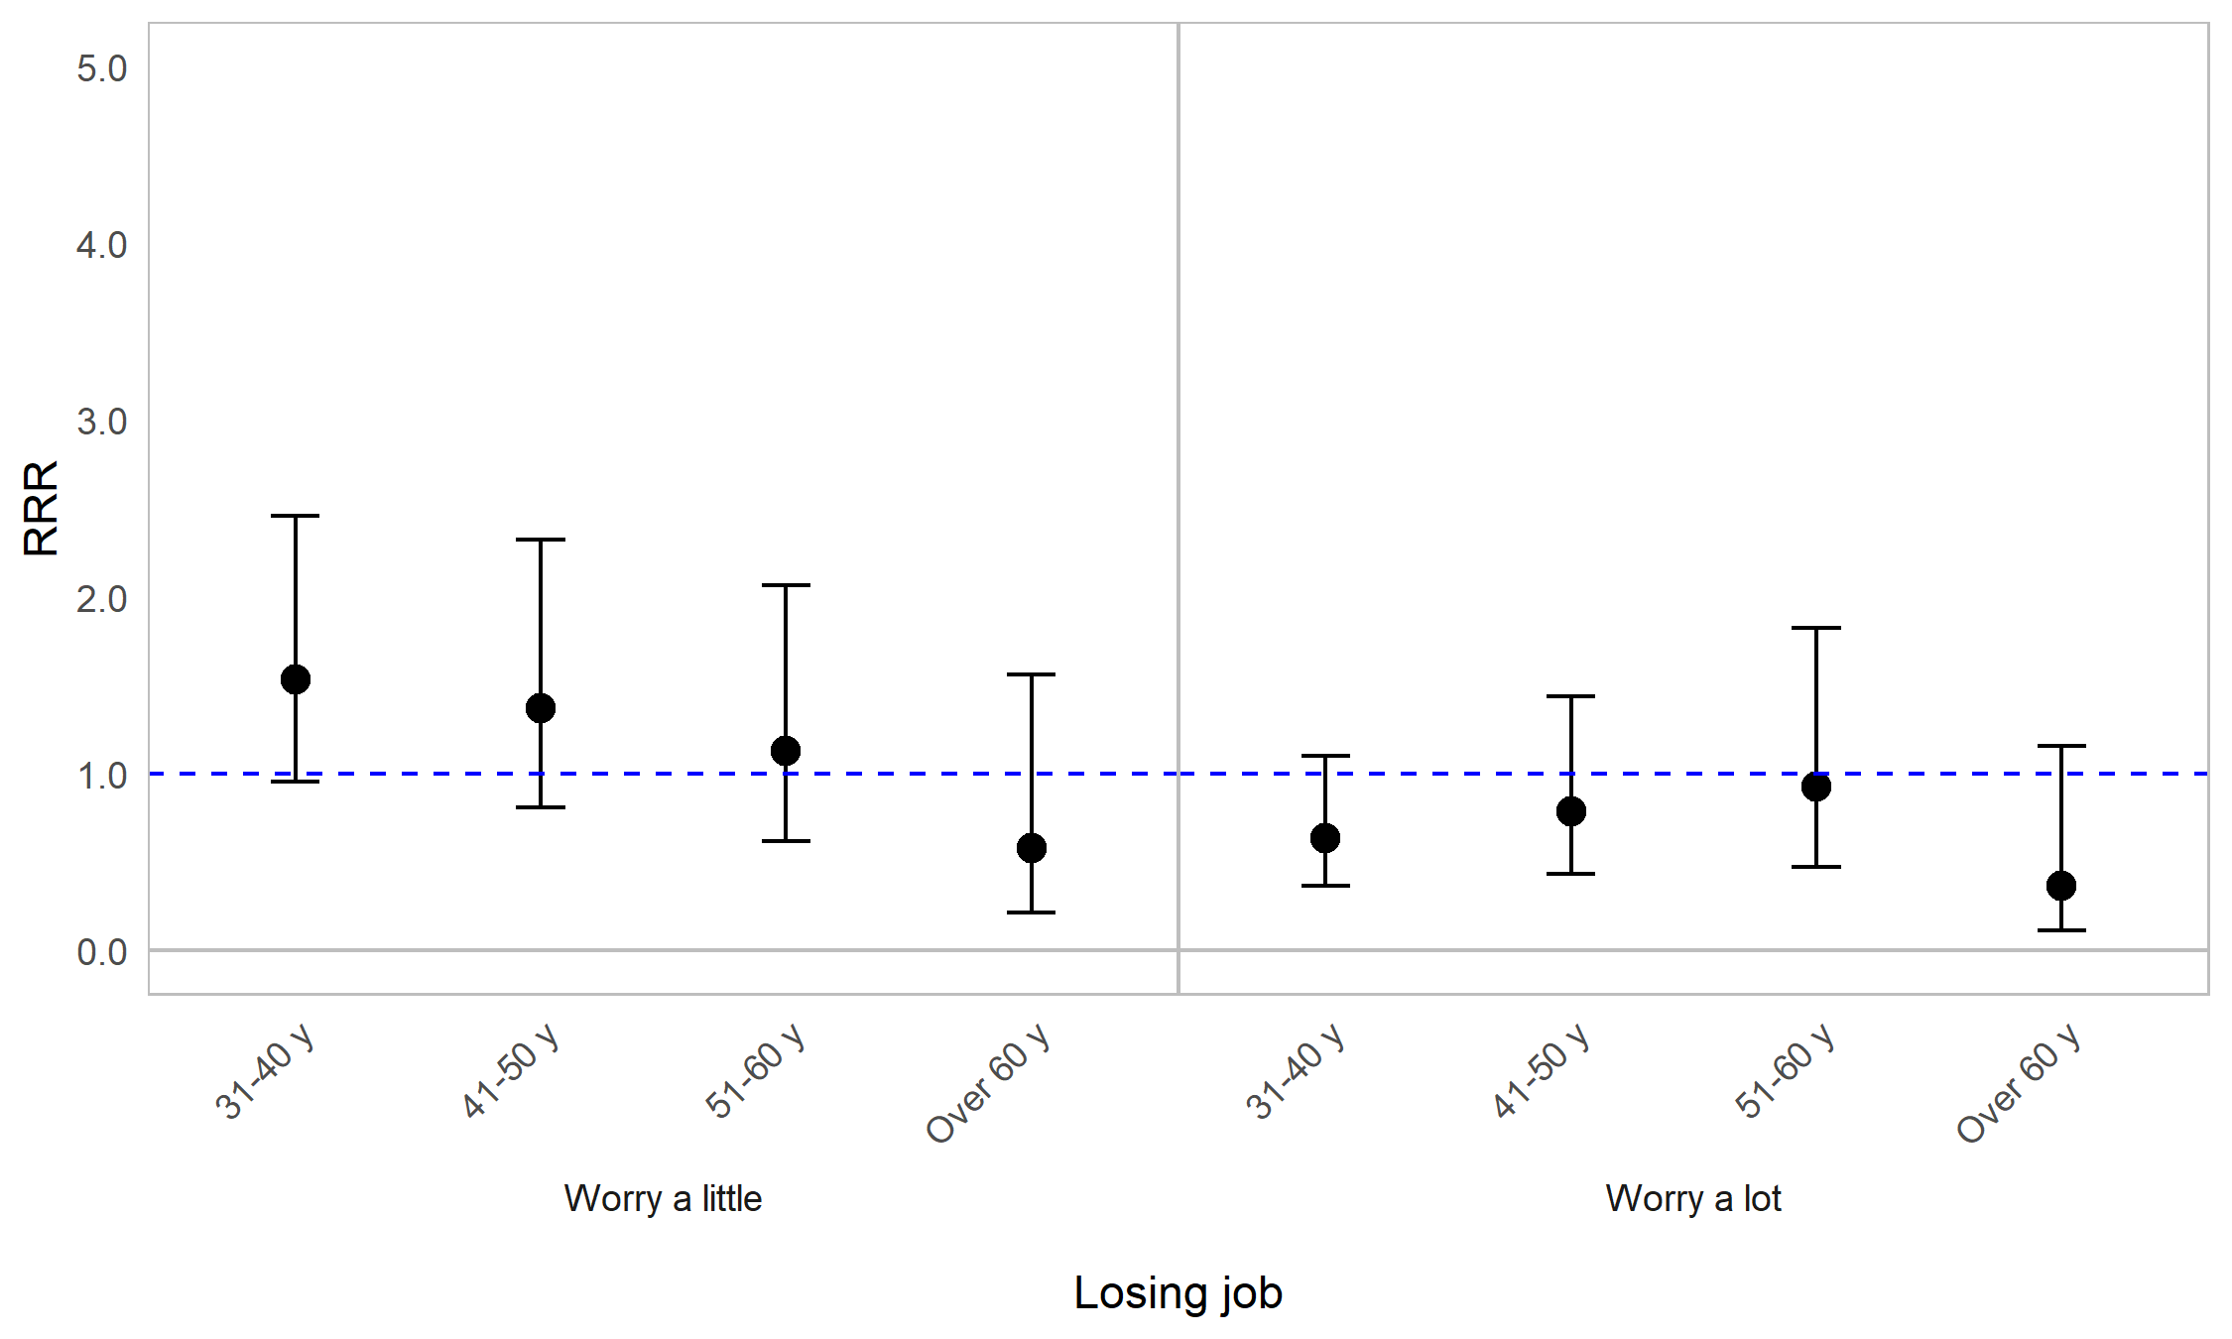
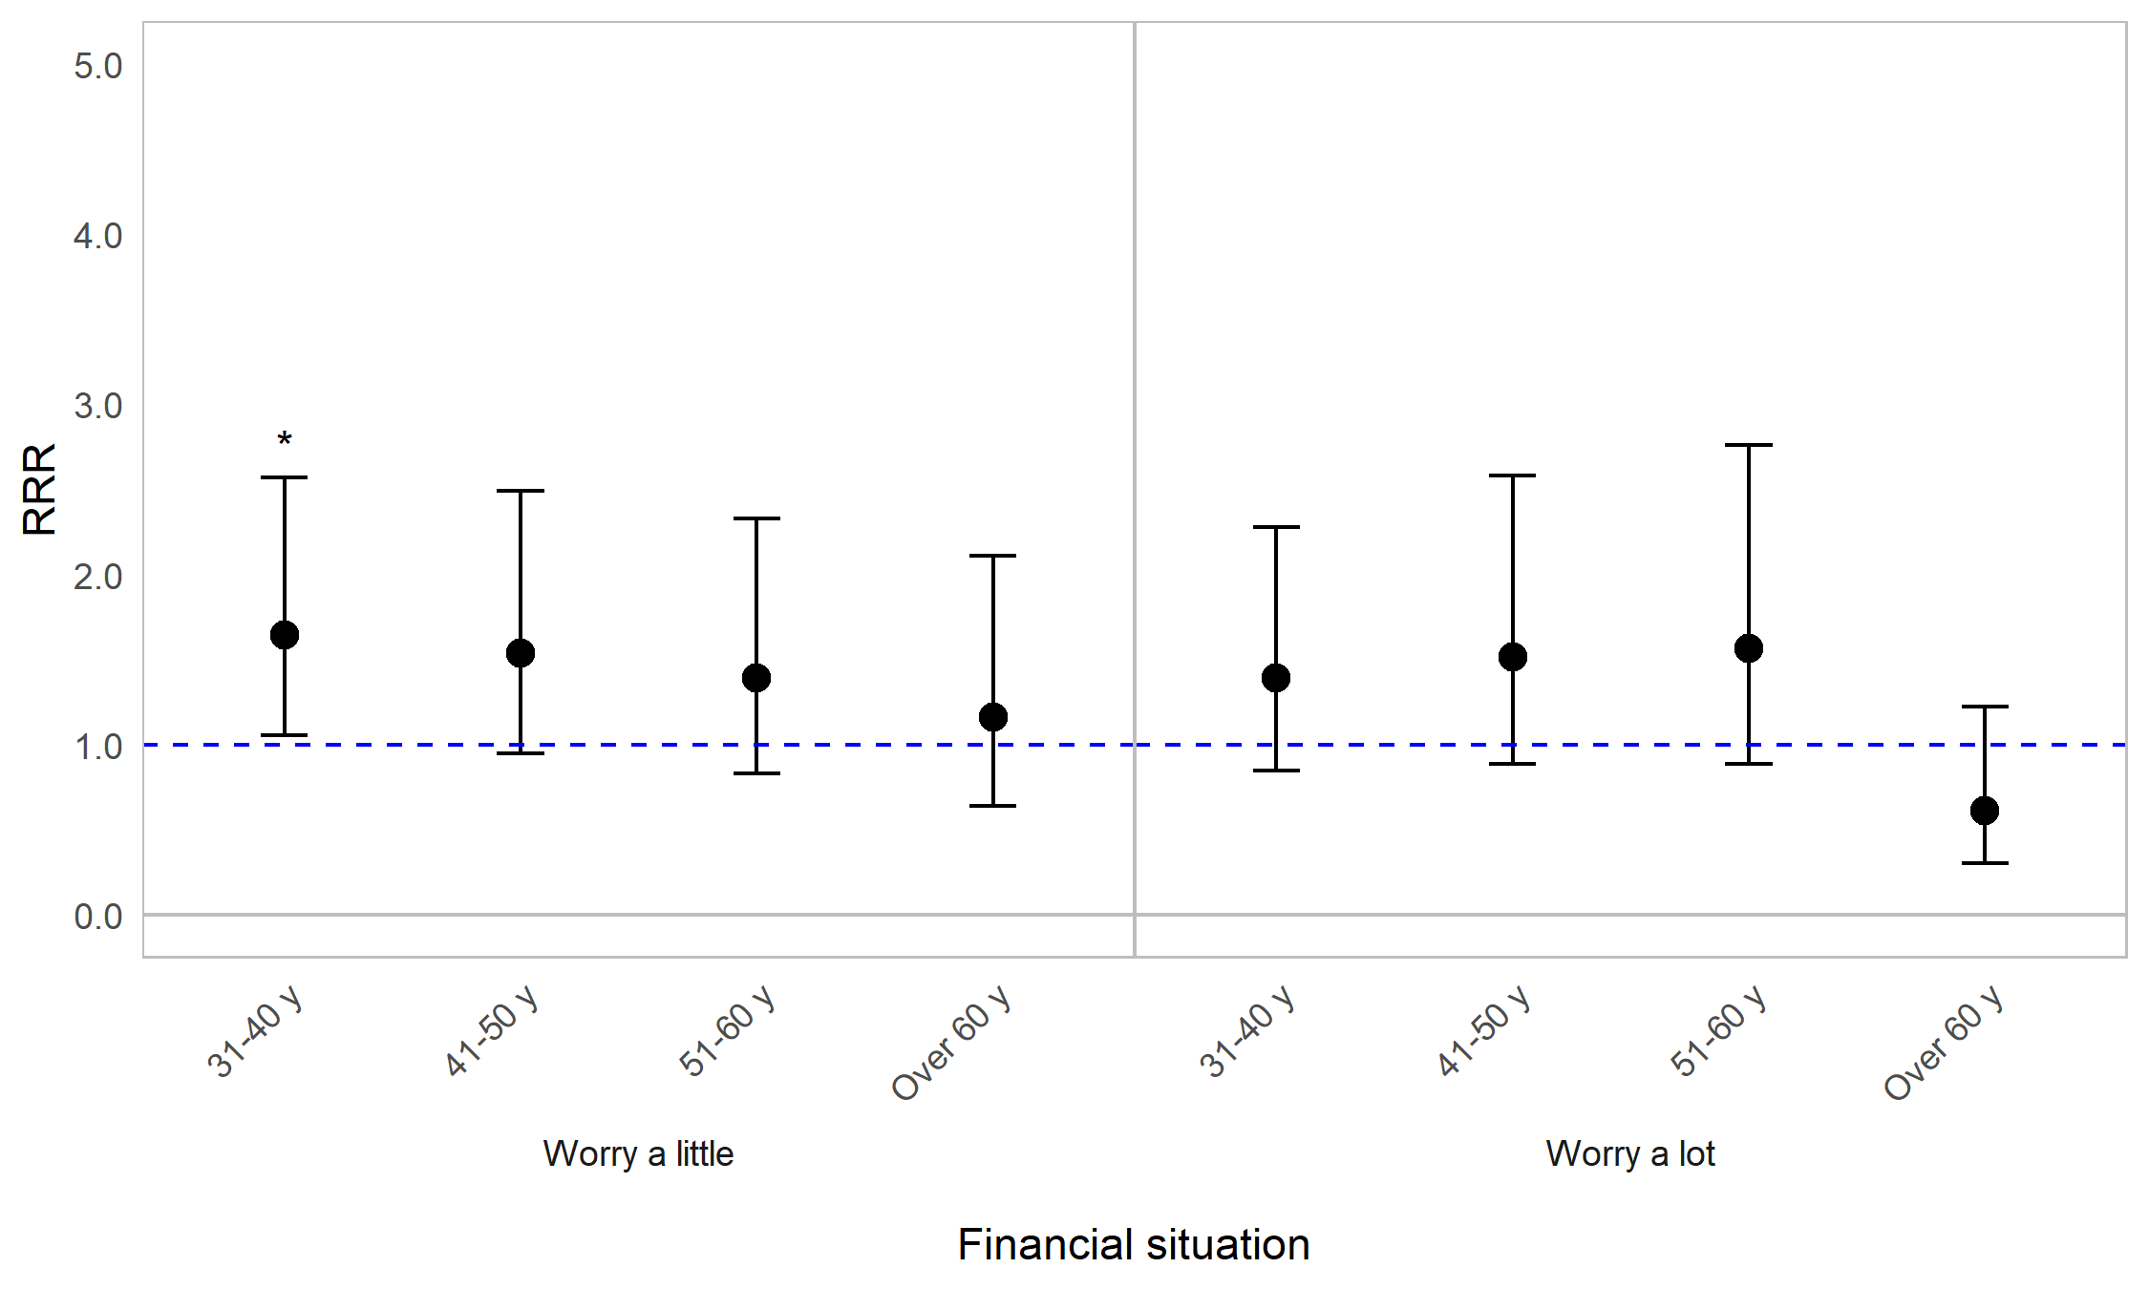
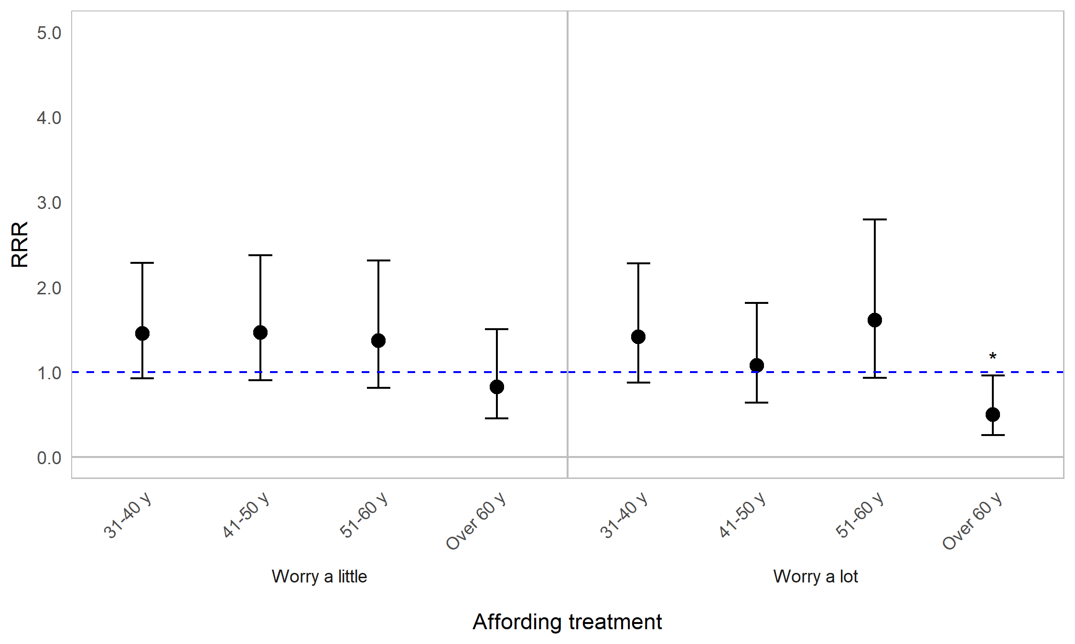

Appendix Figure 9B. Regression graph for age and worrying about careers and finances. The base line at y=1 represents individuals aged 18–30. Points above this line indicate higher relative risk ratio for individuals in a particular age category, compared with 18–30-year-olds. Error bars are 95% confidence intervals. Asterisks are shown for statistically significant associations (P≤0.05). Graph shows relative risk ratios (RRR).

Impact of OI on worrying about careers and finances by sex
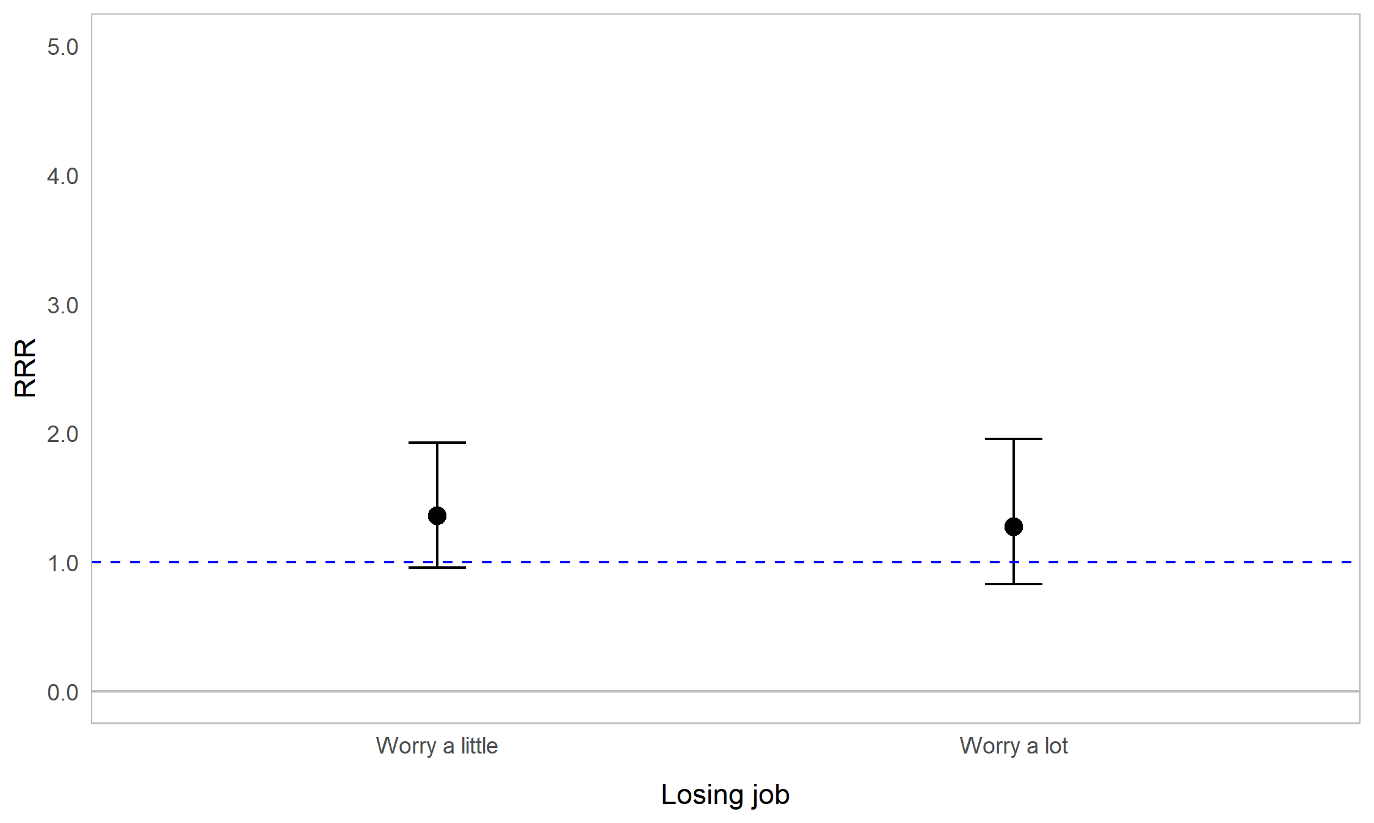
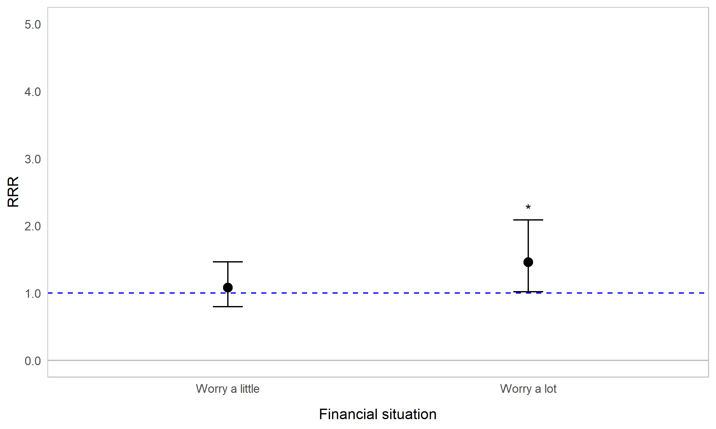
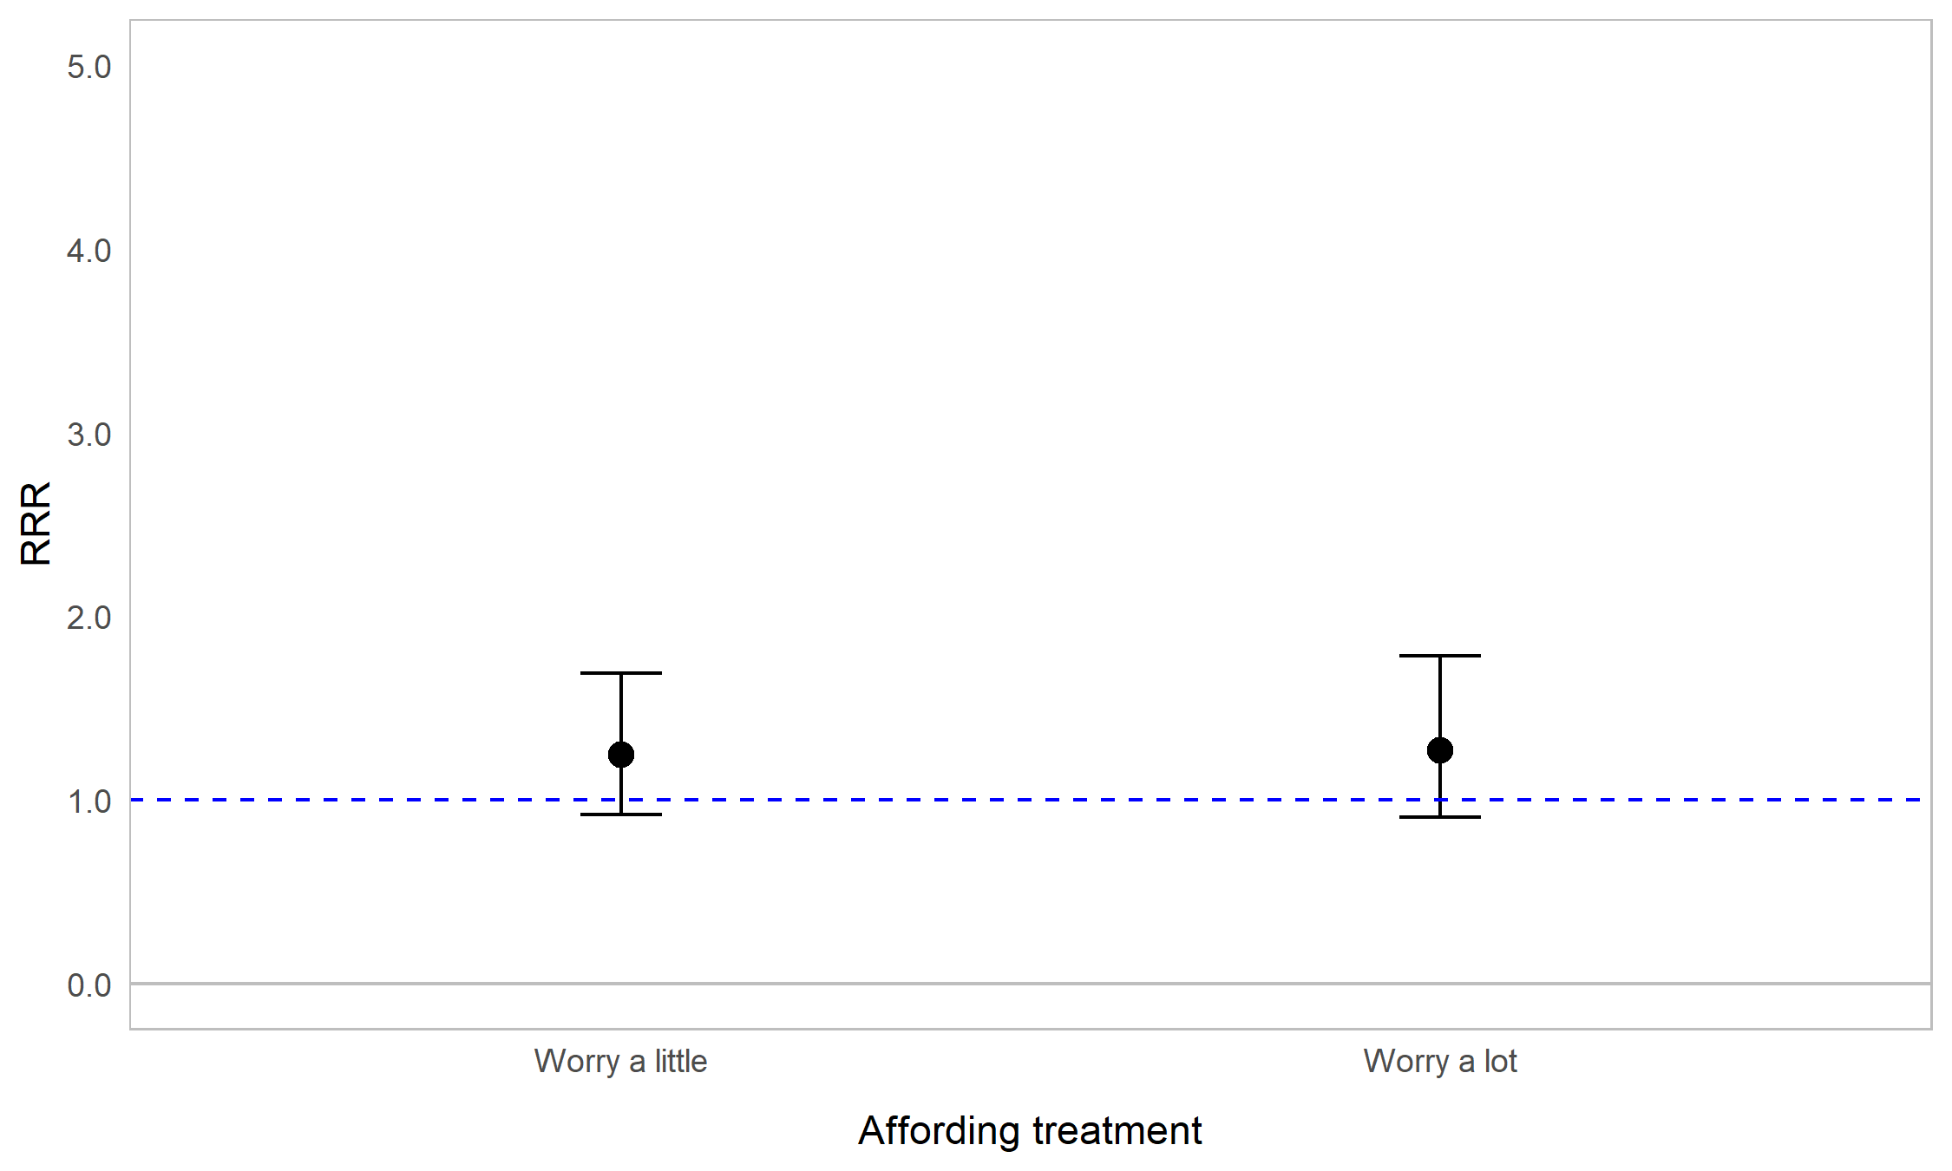

Appendix Figure 9C. Regression graph for sex and worrying about careers and finances. The base line at y=1 represents male respondents. Points above this line indicate higher relative risk ratio for female respondents compared with male respondents. Error bars are 95% confidence intervals. Asterisks are shown for statistically significant associations (P≤0.05). Graph shows relative risk ratios (RRR).

Impact of OI on worrying about careers and finances on fracture frequency
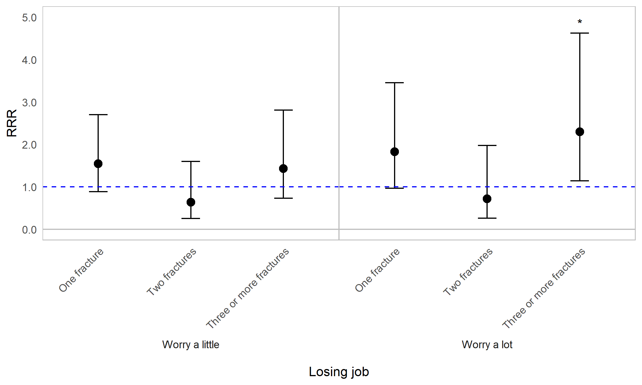
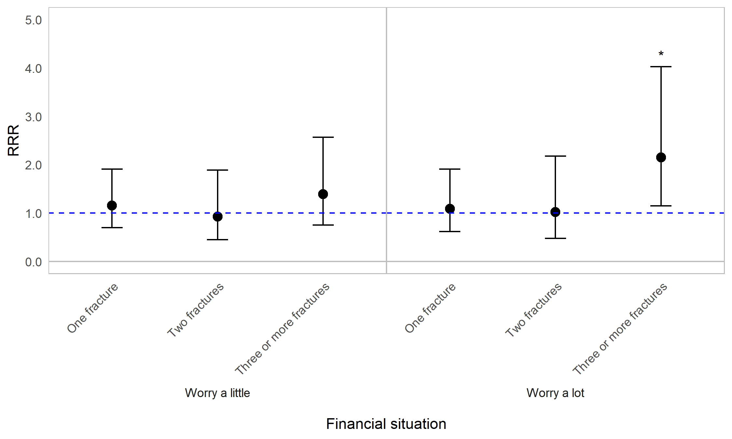
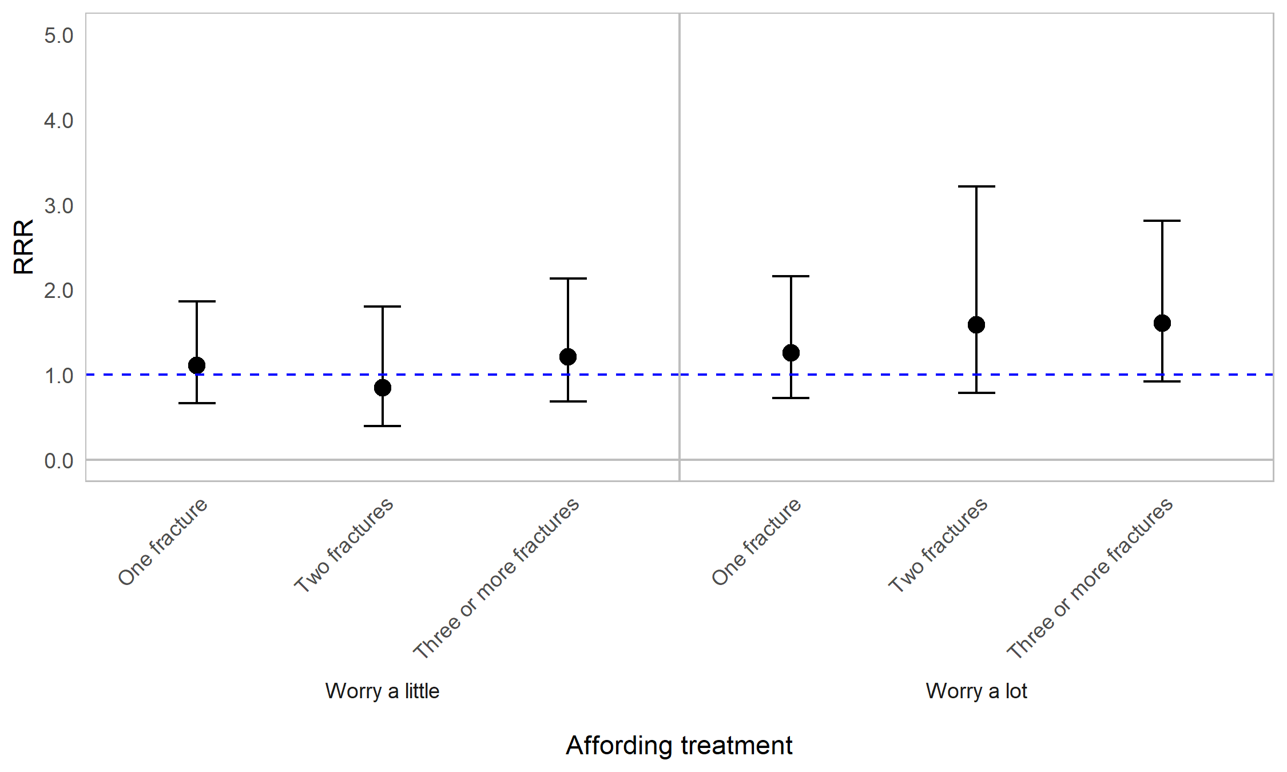

Appendix Figure 9D. Regression graph showing fracture frequency and worrying about careers and finances. Fracture frequency is reported as reported as number of fractures in the past 12 months. The base line at y=1 represents individuals who experienced 0 fractures in the past 12 months. Points above this line indicate higher relative risk ratio for those who experienced 1, 2, or 3 or more fractures, compared with those who did not experience fractures, in the past 12 months. Error bars are 95% confidence intervals. Asterisks are shown for statistically significant associations (P≤0.05). Graph shows relative risk ratios (RRR).

Impact of OI on worrying about careers and finances by signs, symptoms, and events
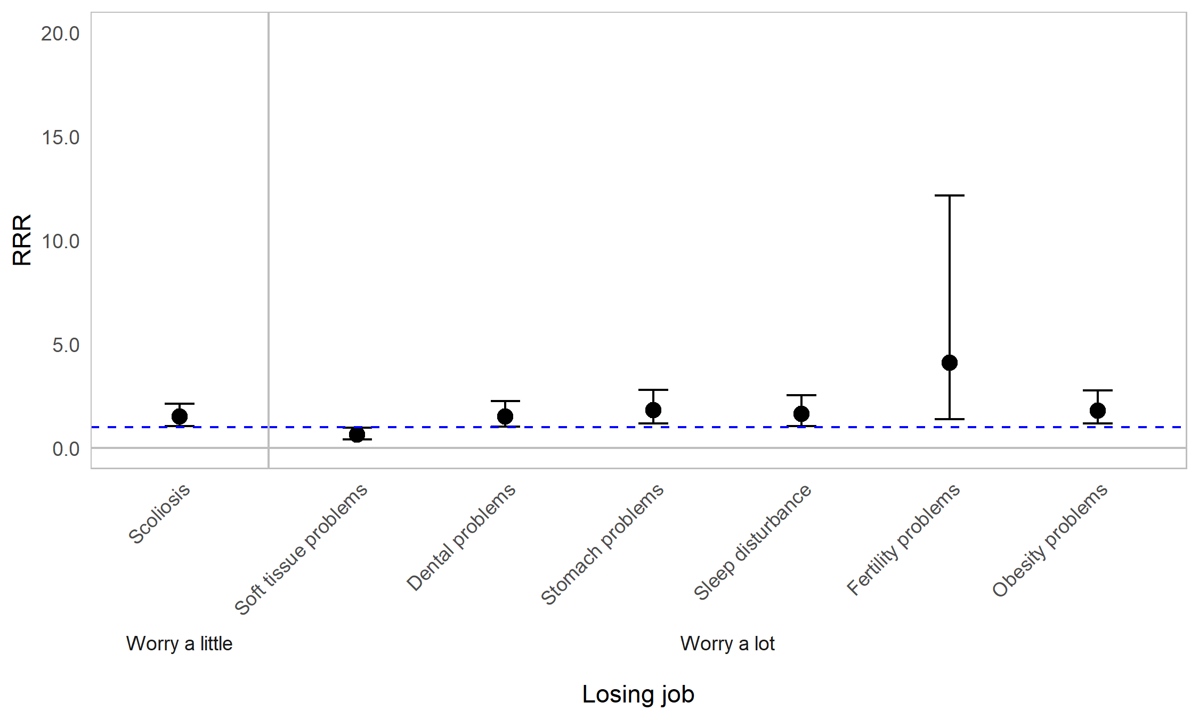
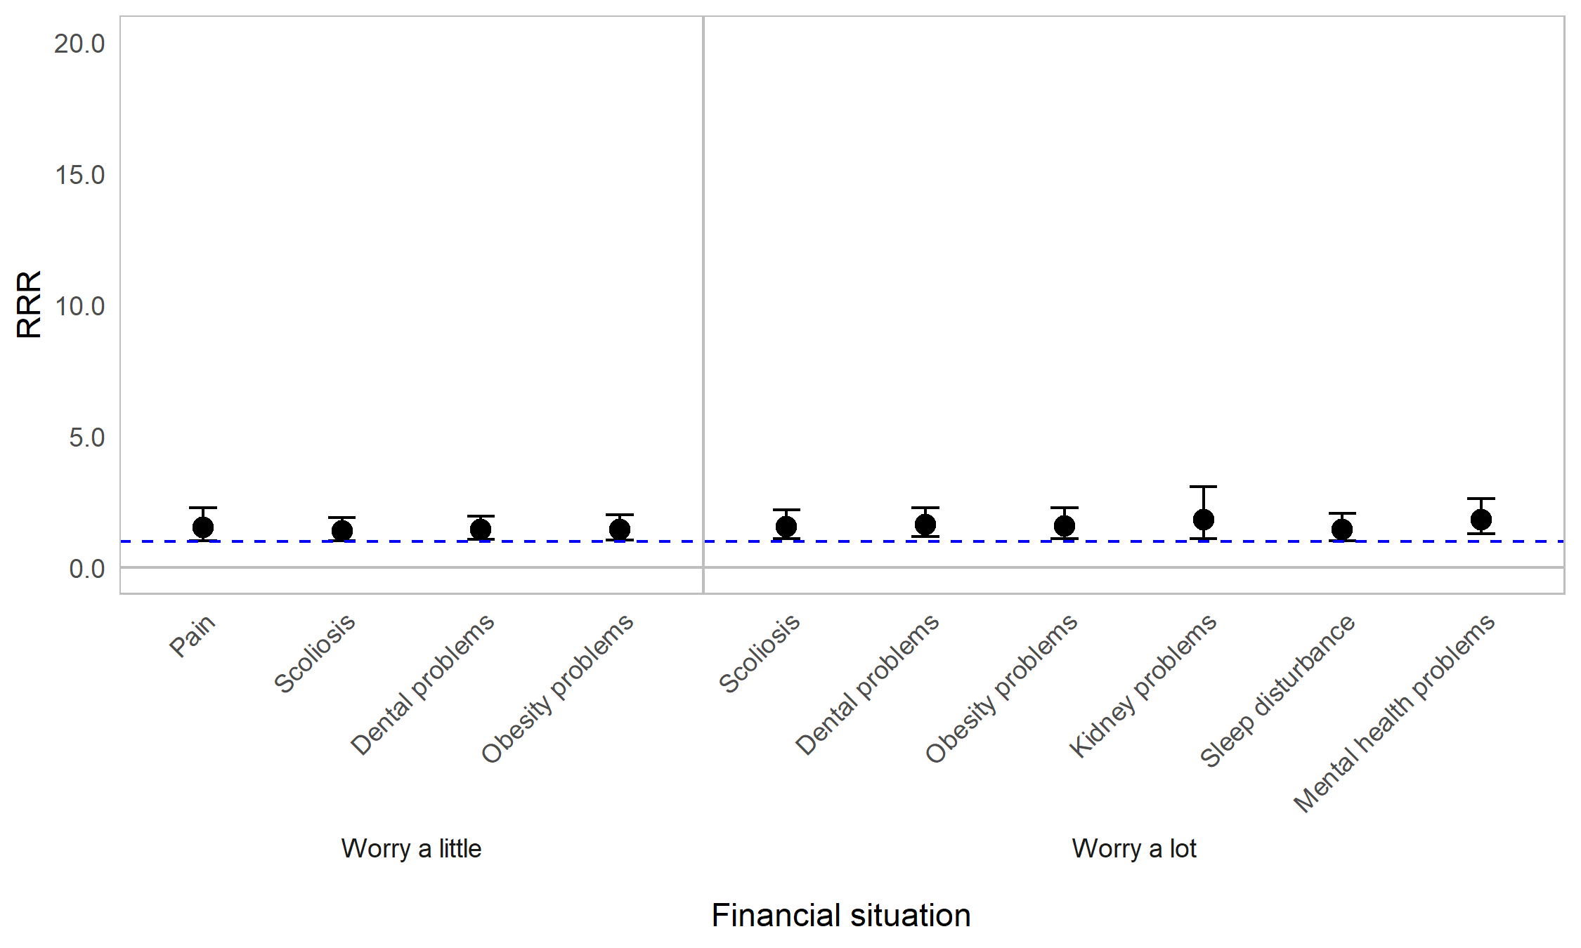
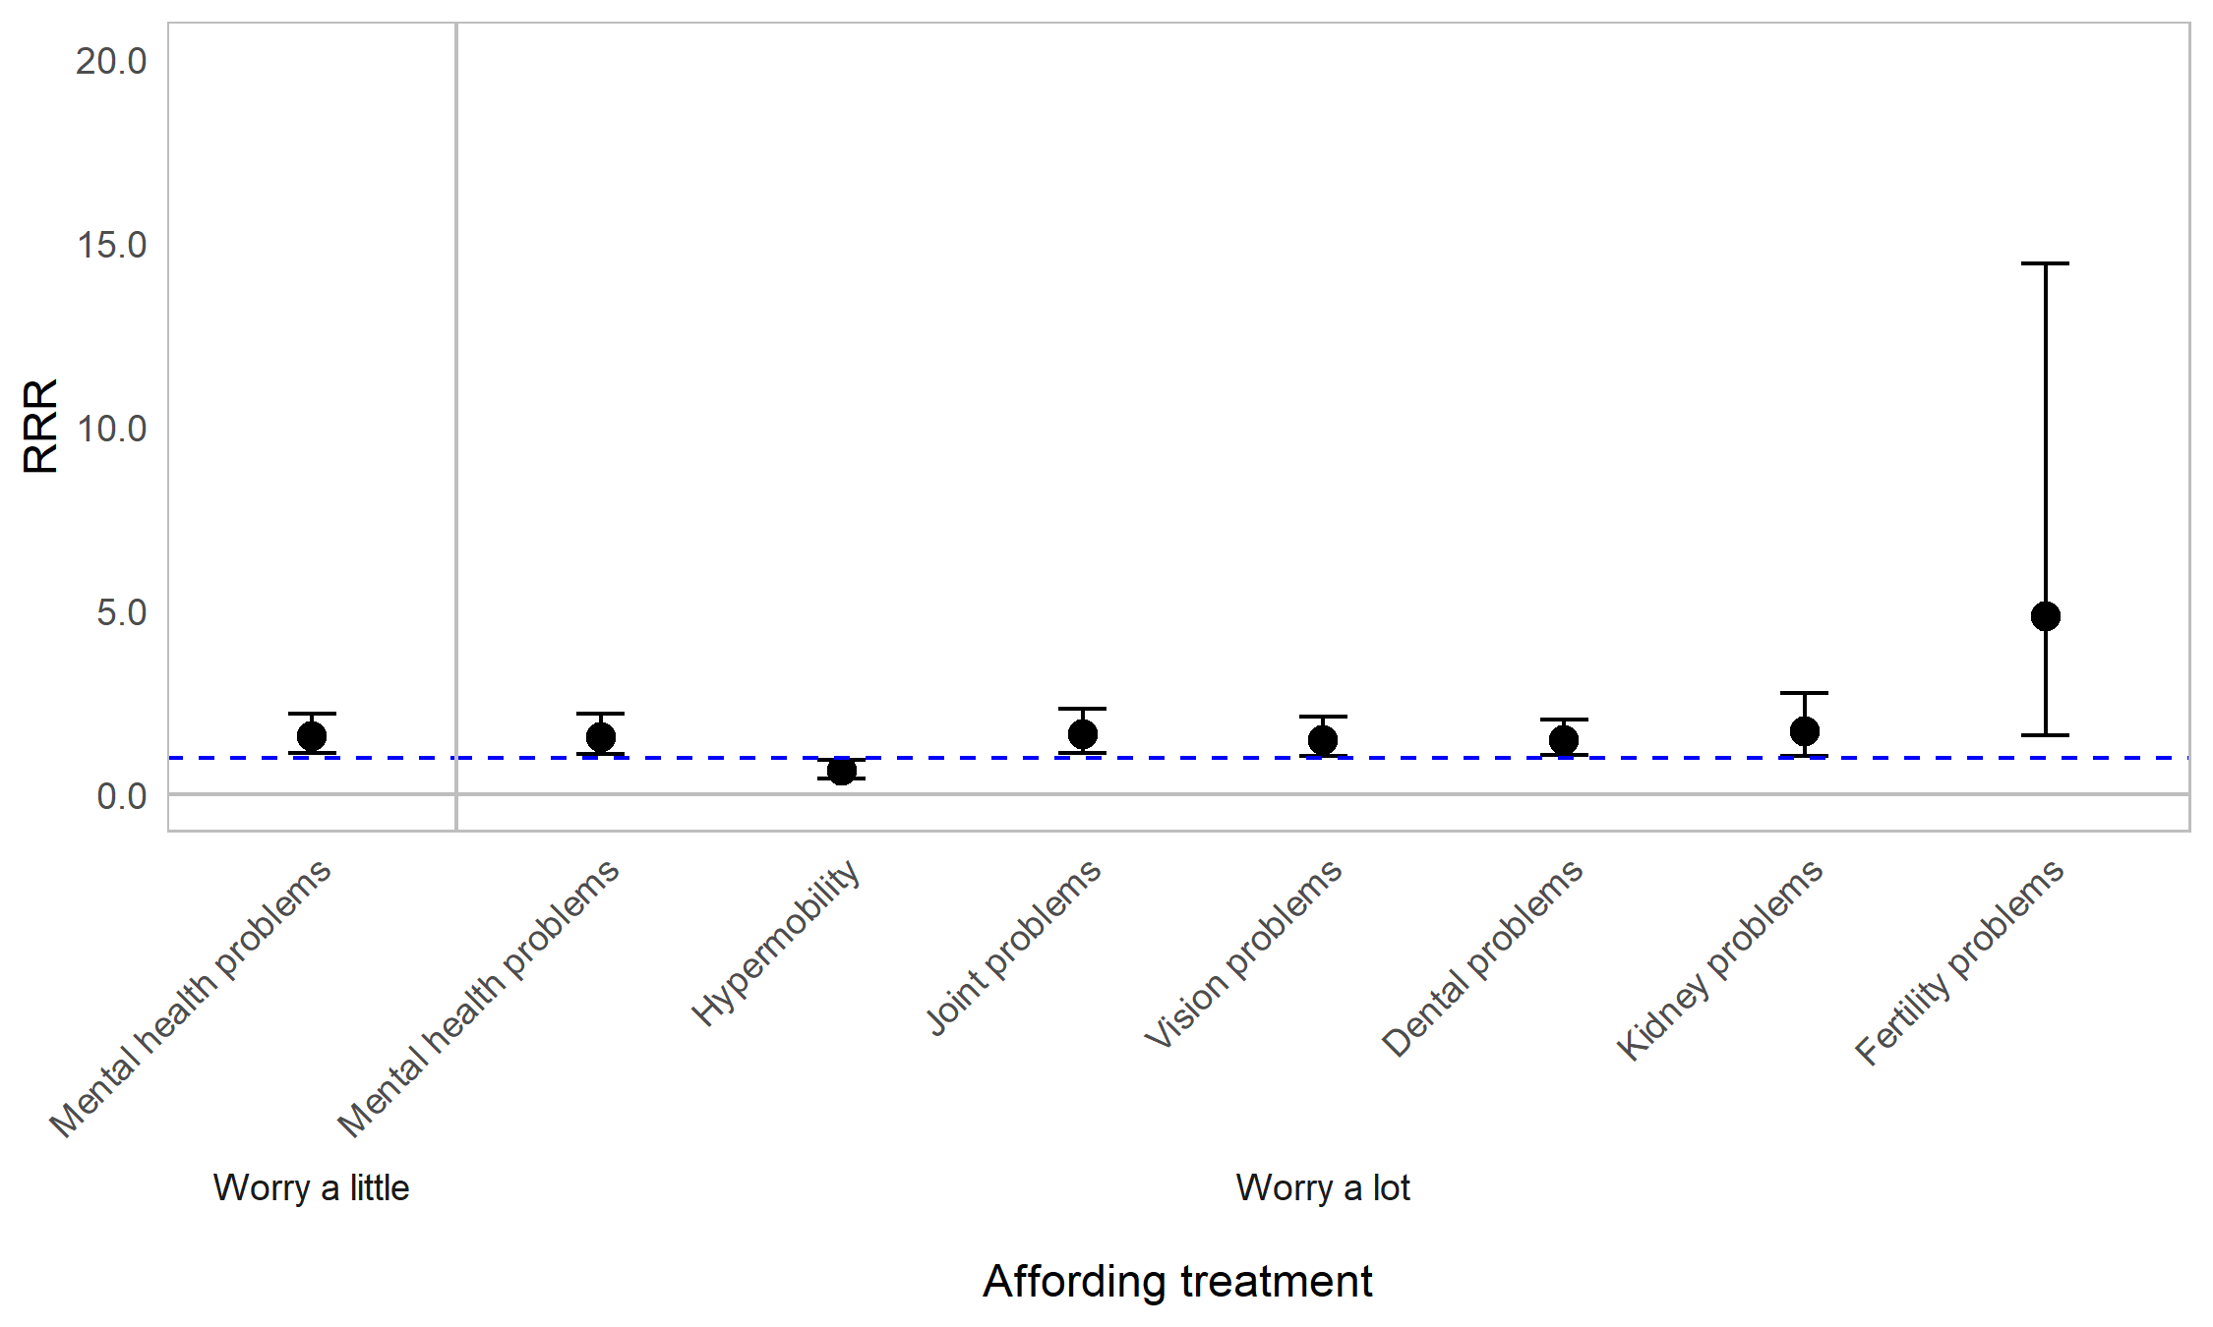

Appendix Figure 9E. Regression graph for signs symptoms and events and worrying about careers and finances. The base line at y=1 represents individuals not experiencing the particular symptom in the past 12 months. Points above this line indicate higher relative risk ratio for individuals experiencing the listed symptom, compared with those not experiencing the symptom. Error bars are 95% confidence intervals. Graph shows relative risk ratios (RRR).

Impact of OI on worrying about careers and finances by mobility status
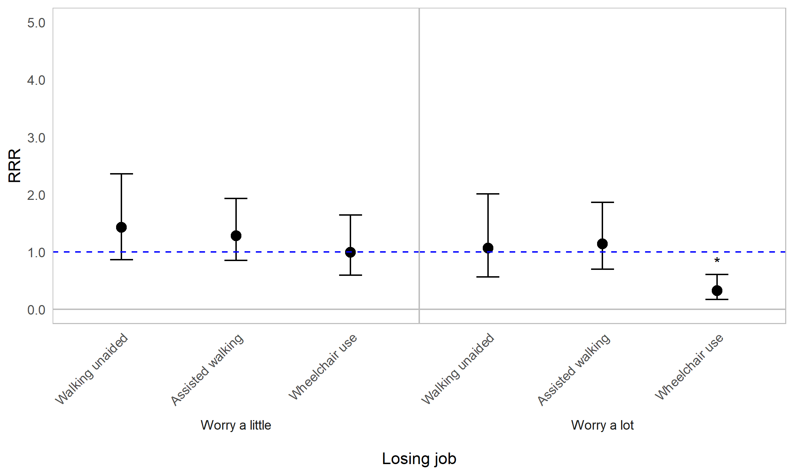
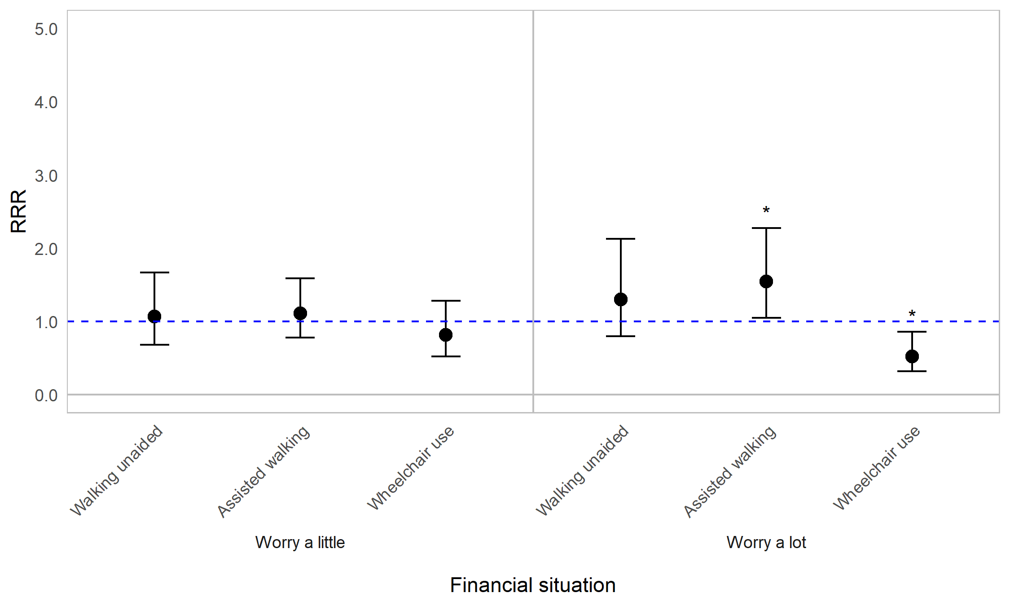
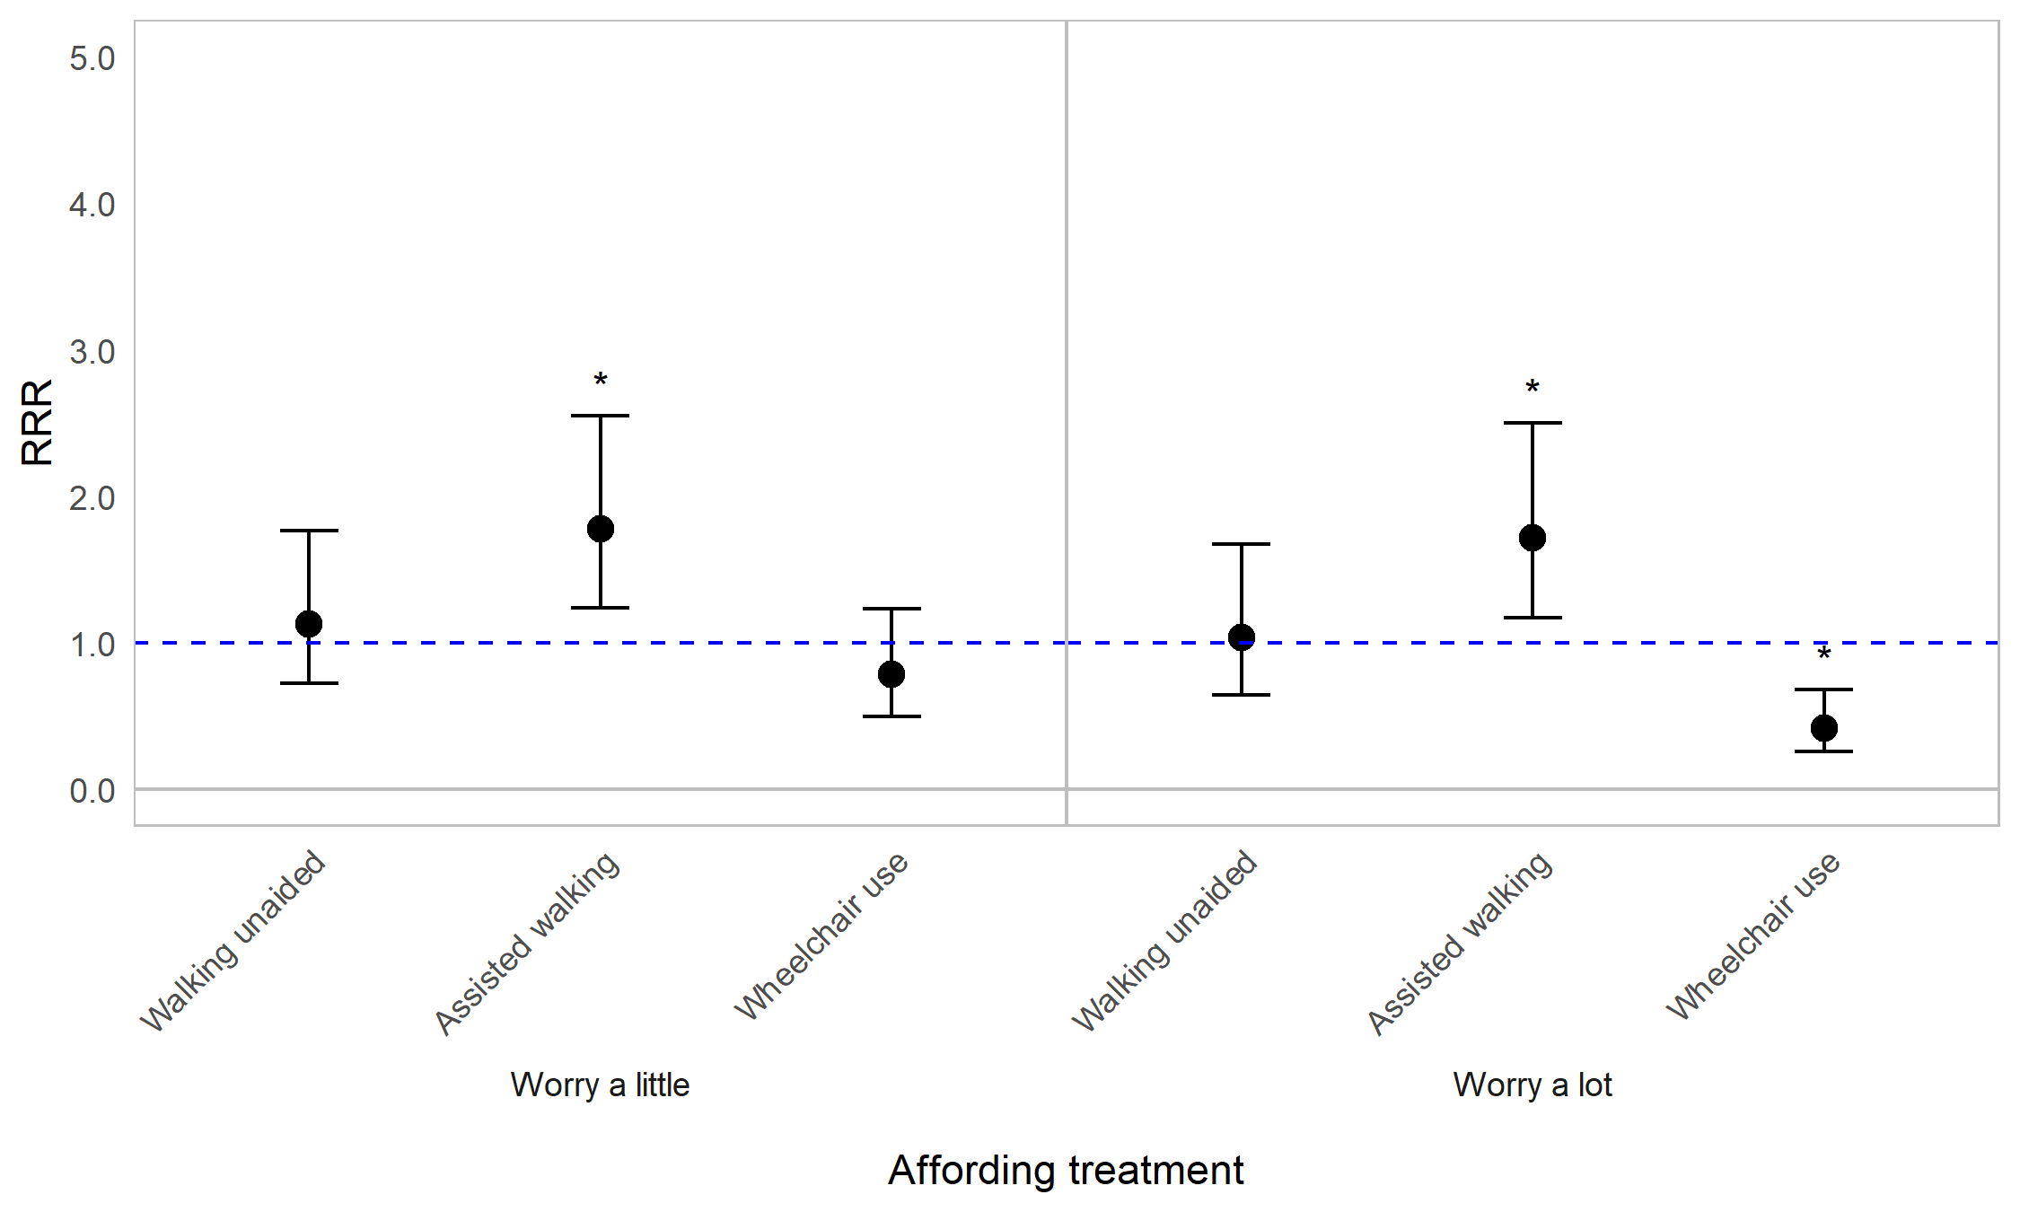

Appendix Figure 9F. Regression graph for mobility status and worrying about careers and finances. The base line at y=1 represents individuals not in the specified mobility status subcategory. Points above this line indicate higher relative risk ratio for mobility status subgroups compared with the rest of the population (those not in the specified mobility subgroup). Error bars are 95% confidence intervals. Asterisks are shown for statistically significant associations (P≤0.05). Graph shows relative risk ratios (RRR).

Impact of OI on worrying about careers and finances by household living arrangement
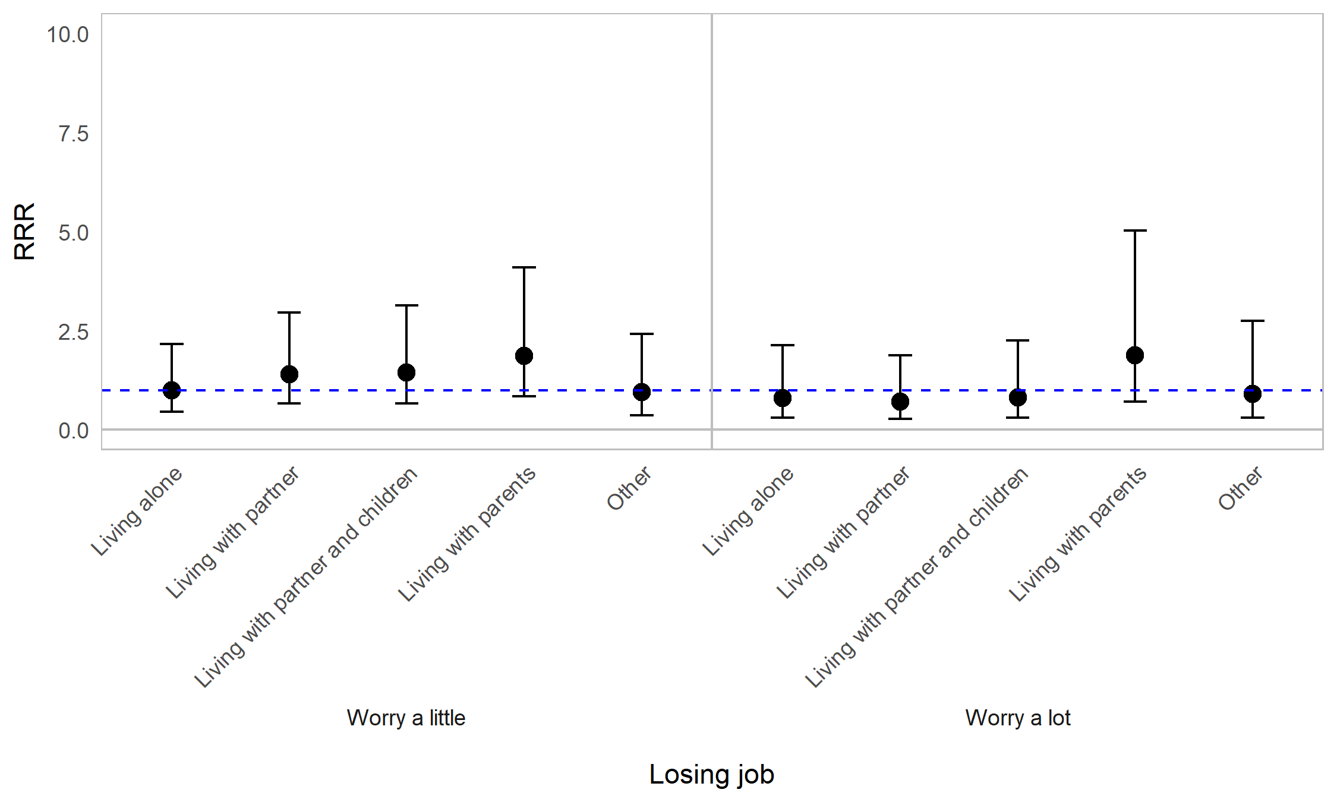
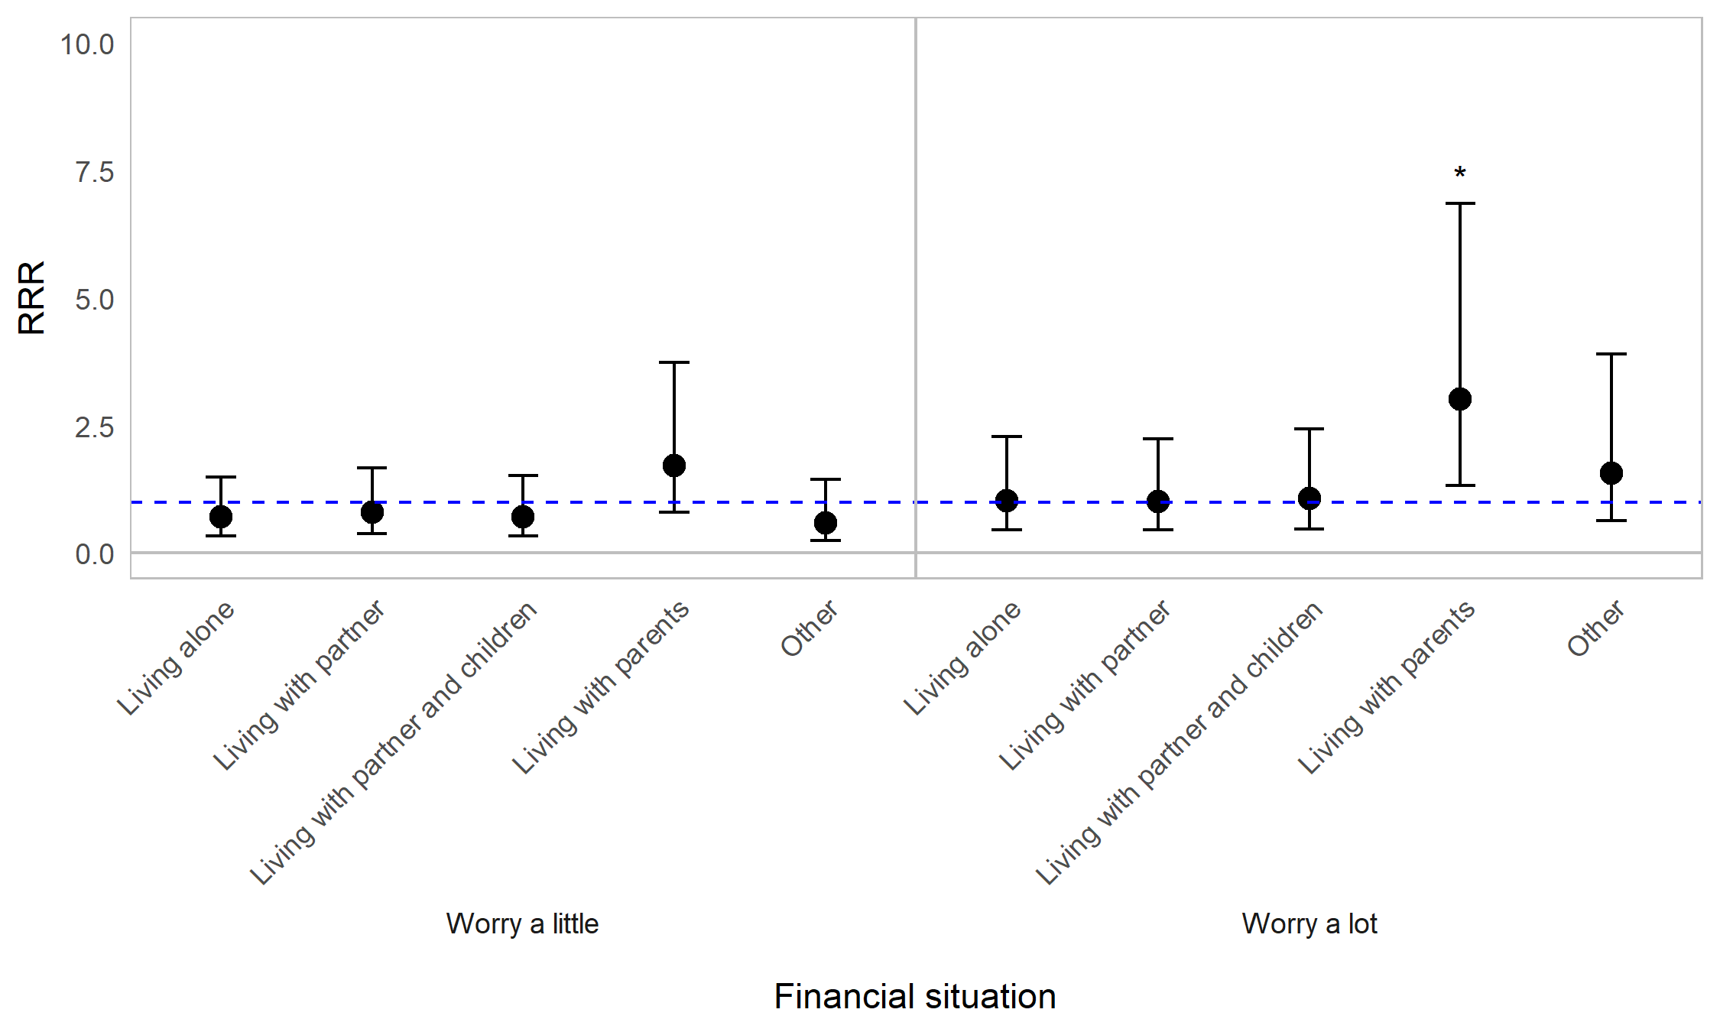
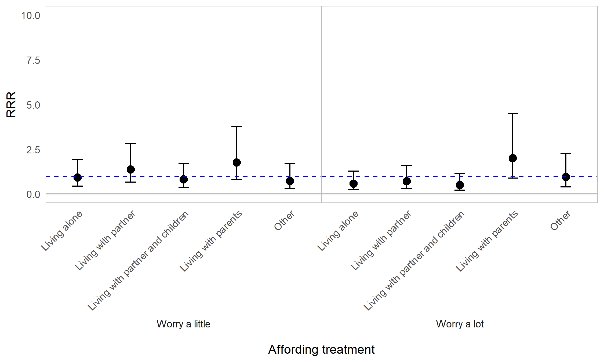

Appendix Figure 9G. Regression graph for household living arrangement and worrying about careers and finances. The base line at y=1 represents individuals not in the specified living status subcategory. Points above this line indicate higher relative risk ratio for living status subgroups compared with the rest of the population (those not in the specified living subgroup). Error bars are 95% confidence intervals. Asterisks are shown for statistically significant associations (P≤0.05). Graph shows relative risk ratios (RRR).

Impact of OI on worrying about careers and finances by employment status
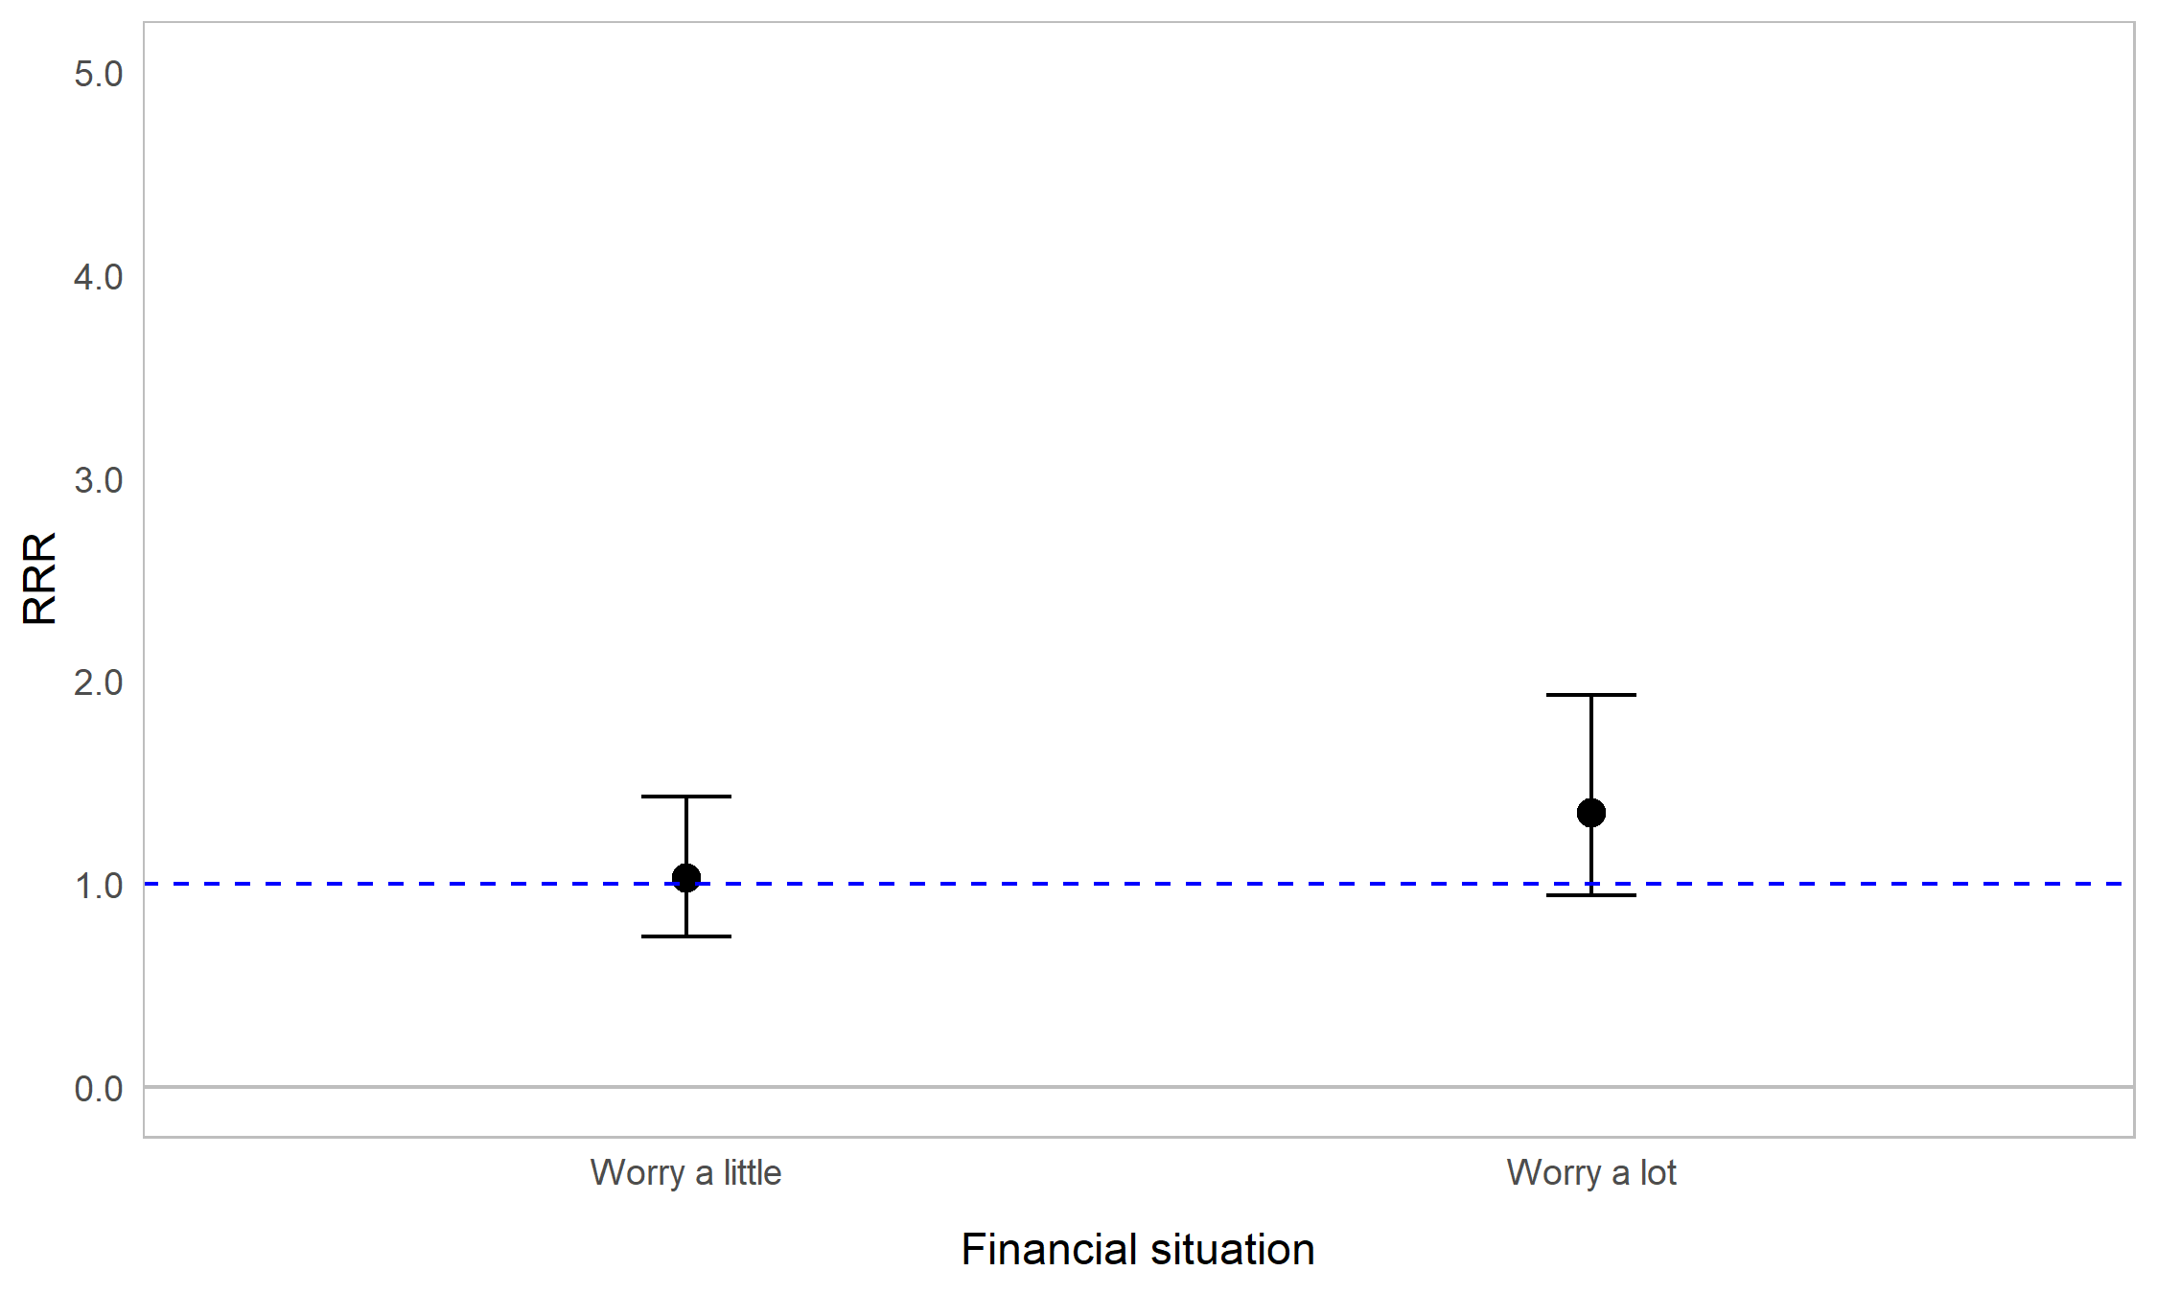
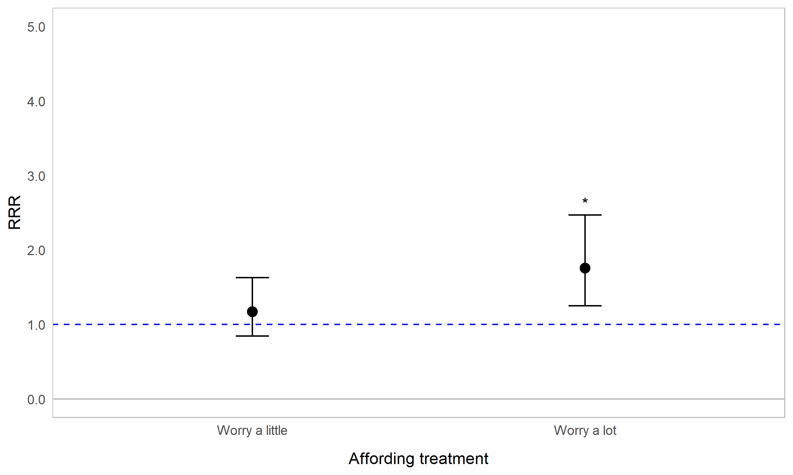

Appendix Figure 9H. Regression graph for employment status and worrying about careers and finances. The base line at y=1 represents those in paid employment. Points above this line indicate higher relative risk ratio for unemployed respondents compared with employed respondents. Error bars are 95% confidence intervals. Asterisks are shown for statistically significant associations (P≤0.05). Associations between worrying about losing job, and employment status, were not tested for due to collinearity. Graph shows relative risk ratios (RRR).

