Appendix Figure 4
Impact of OI on social life and relationships by OI severity
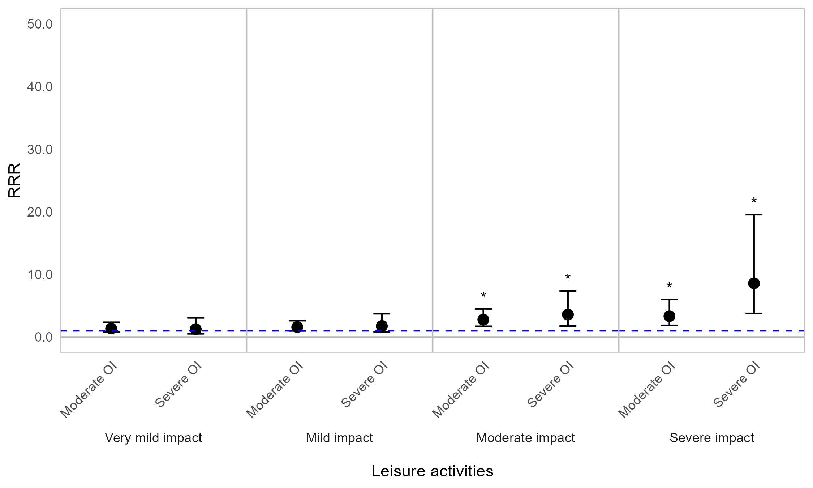

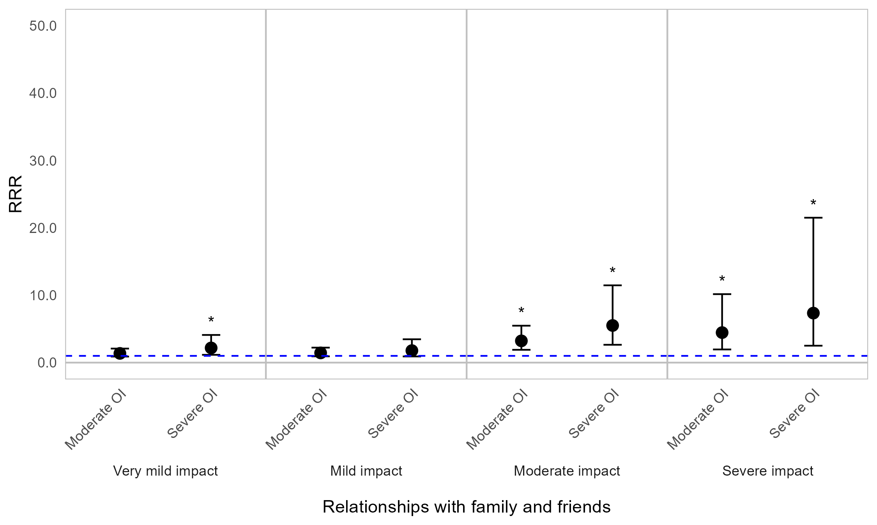


Appendix Figure 4A. Regression graph for OI severity and impact on social life and relationships. The base line at y=1 represents individuals with mild OI (self-reported). Points above this line indicate higher relative risk ratio for those with moderate or severe OI, compared with those with mild OI(self-reported). Error bars are 95% confidence intervals. Asterisks are shown for statistically significant associations (P≤0.05). Graph shows relative risk ratios (RRR).

Impact of OI on social life and relationships by age (years)
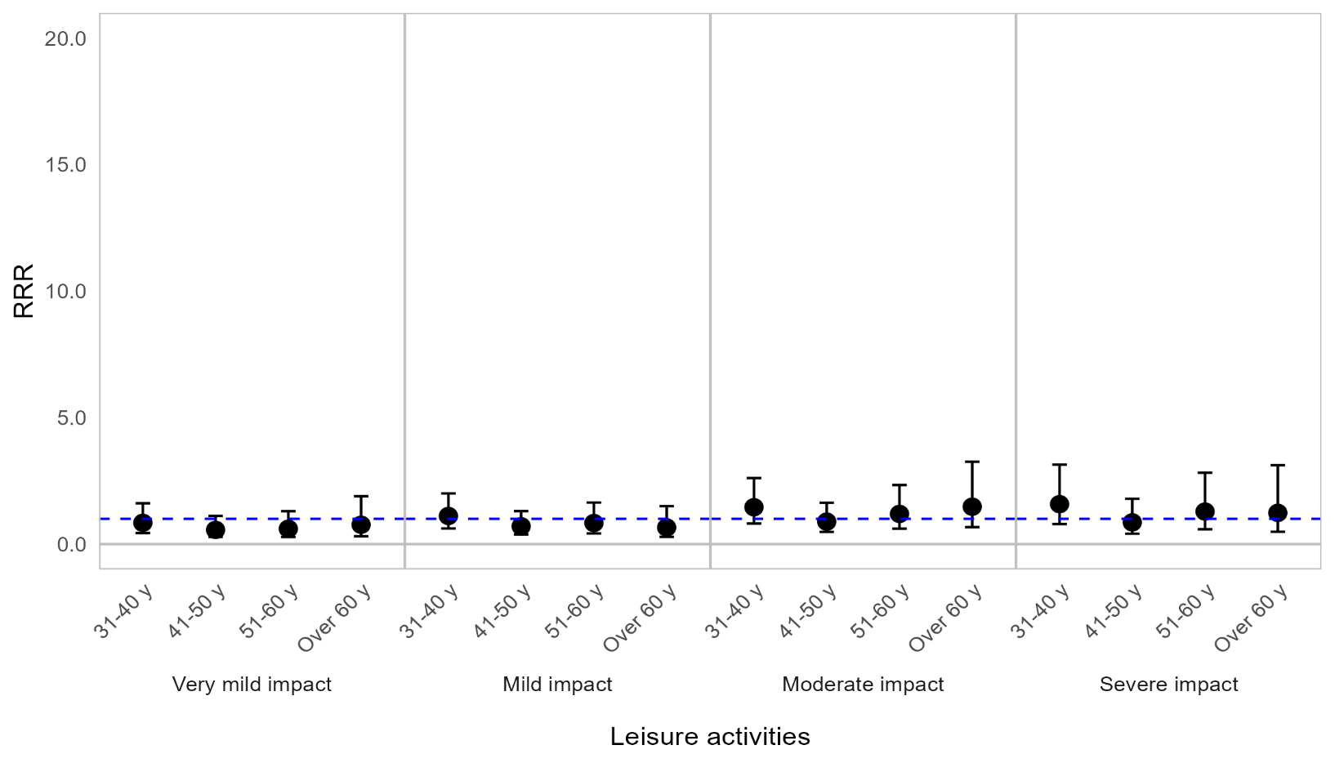
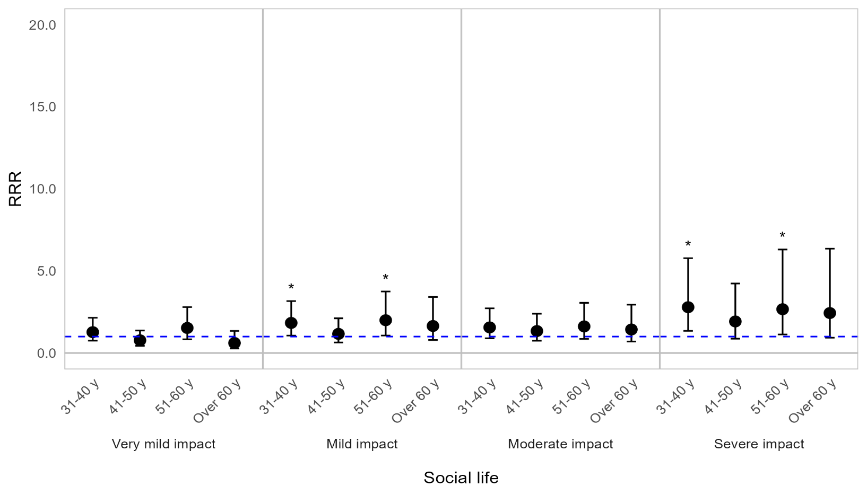
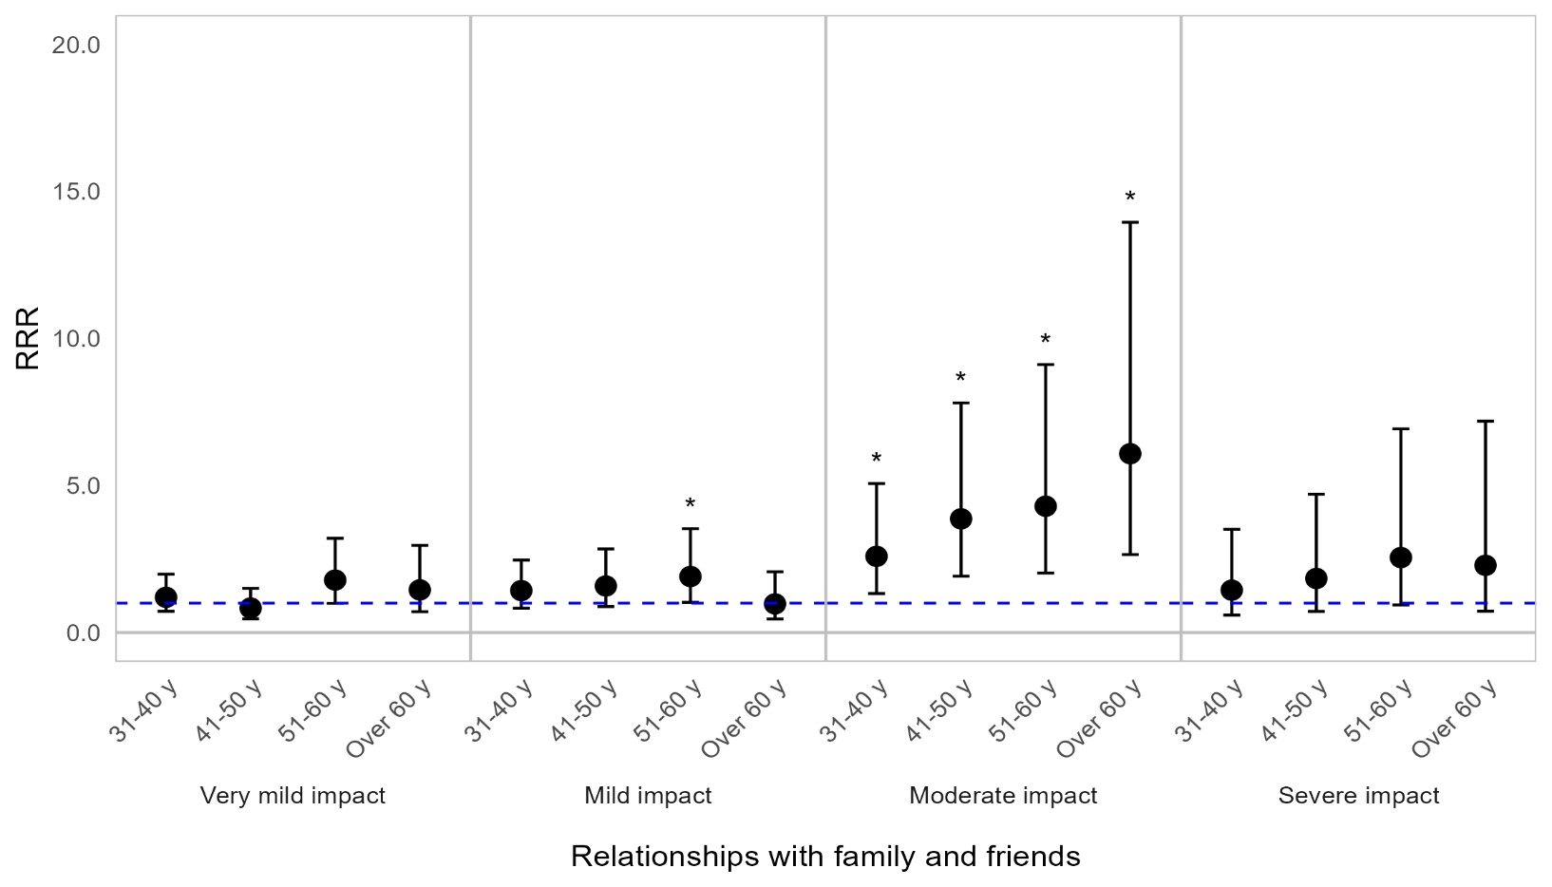
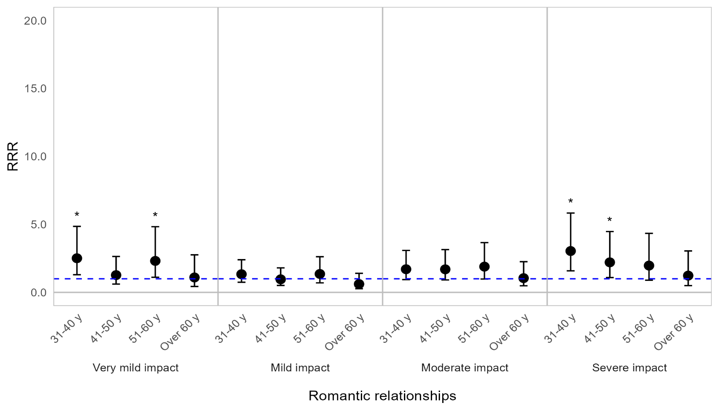

Appendix Figure 4B. Regression graph for age and social life and relationships. The base line at y=1 represents individuals aged 18–30 years. Points above this line indicate higher relative risk ratio for individuals in a particular age category, compared with 18–30-year-olds. Error bars are 95% confidence intervals. Asterisks are shown for statistically significant associations (P ≤0.05). Graph shows relative risk ratios (RRR).

Impact of OI on social life and relationships by sex
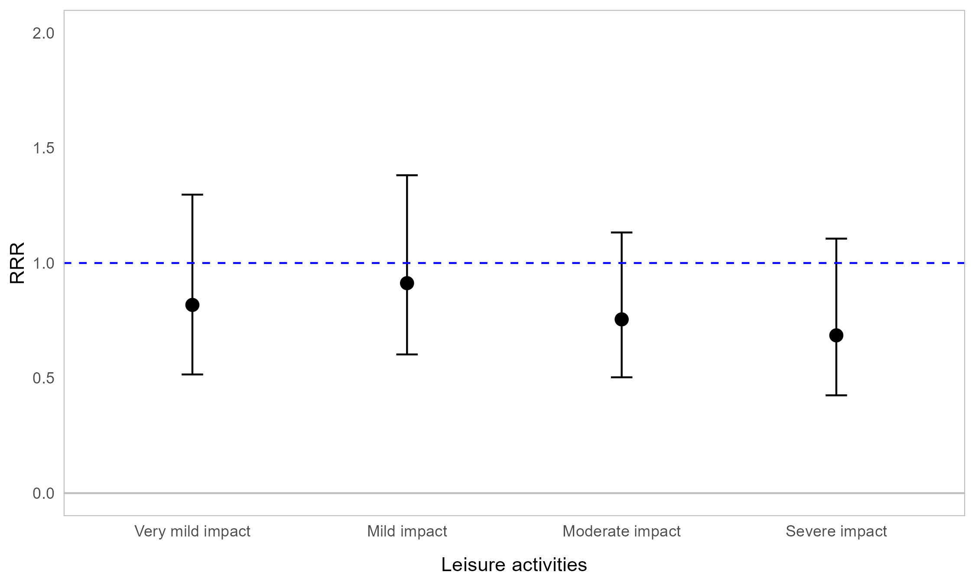
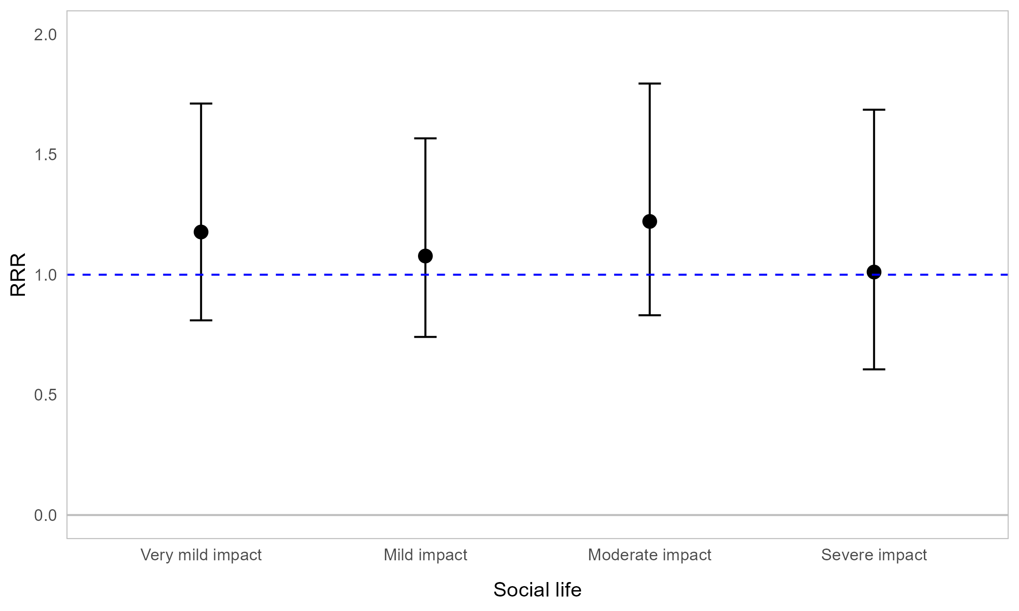
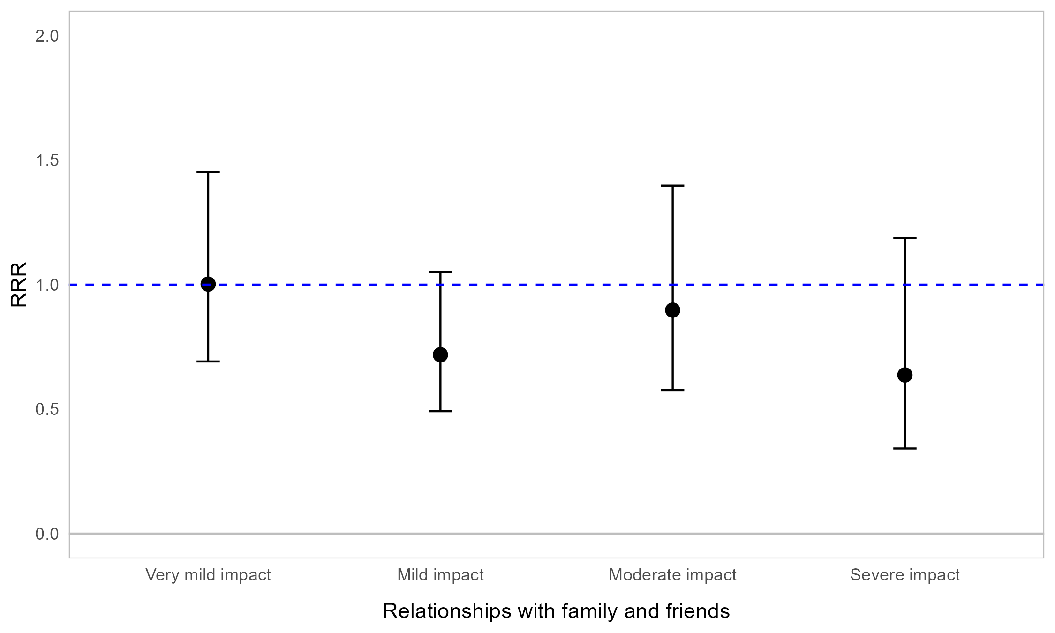
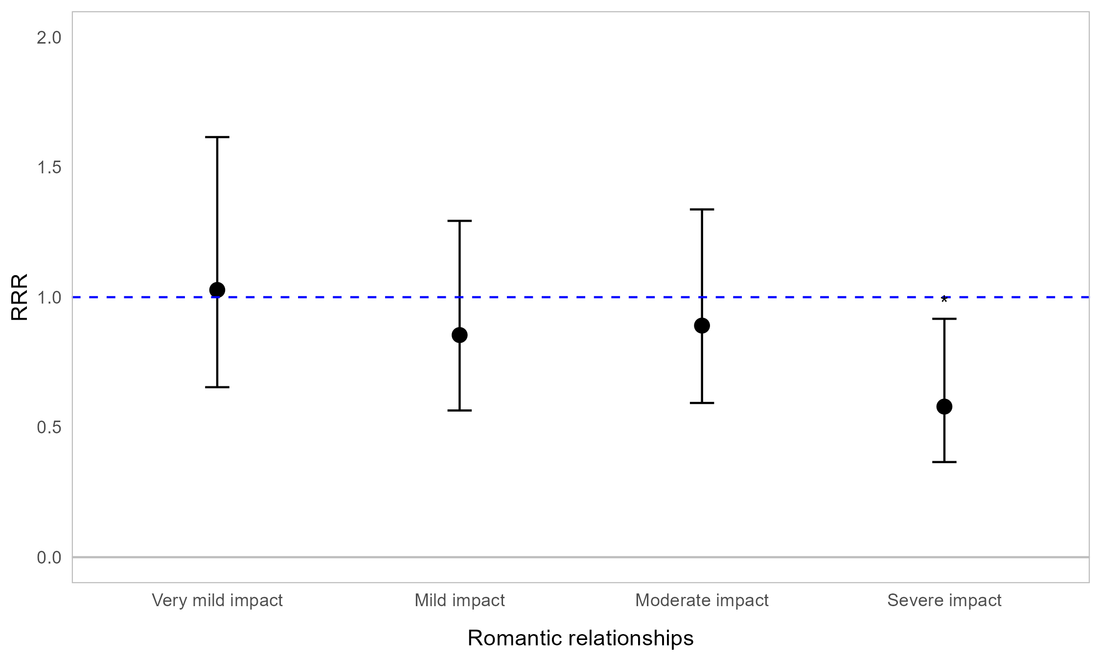

Appendix Figure 4C. Regression graph for sex and impact on social life and relationships. The base line at y=1 represents male respondents. Points above this line indicate higher relative risk ratio for female respondents compared with male respondents. Error bars are 95% confidence intervals. Asterisks are shown for statistically significant associations (P ≤0.05). Graph shows relative risk ratios (RRR).

Impact of OI on social life and relationships by fracture frequency
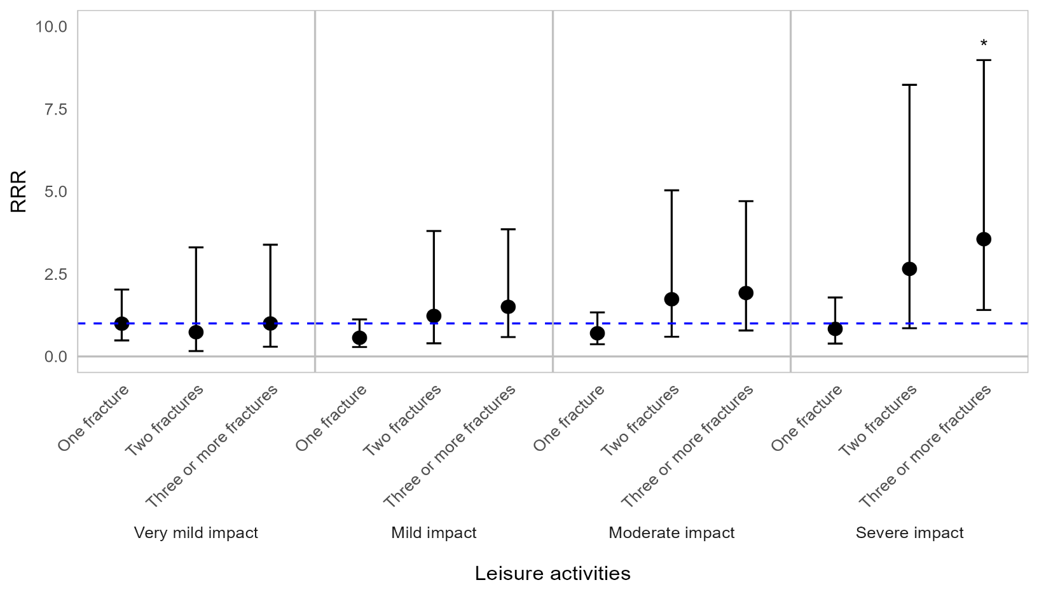
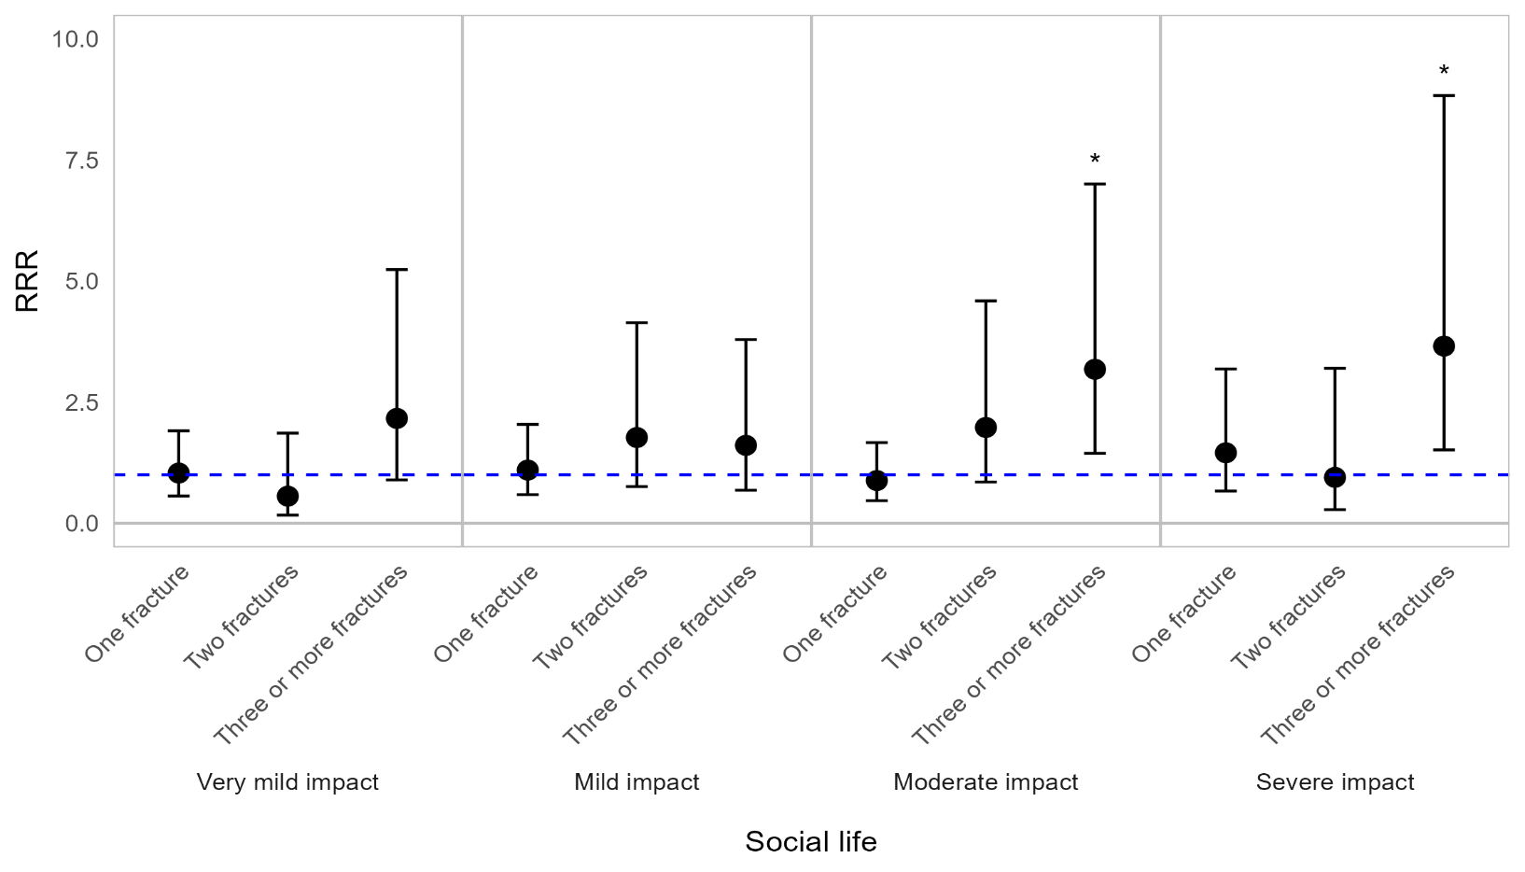
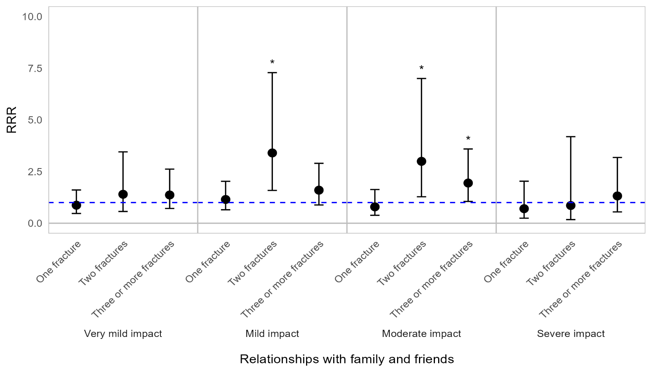
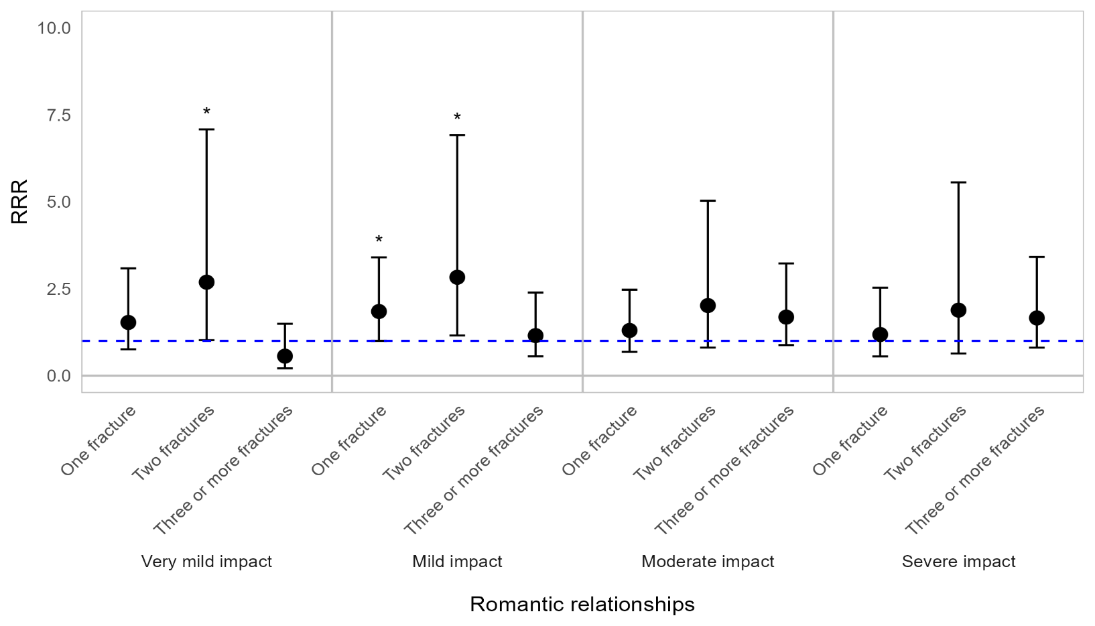

Appendix Figure 4D. Regression graph for fracture frequency and impact on social life and relationships. Fracture frequency is reported as reported as number of fractures in the past 12 months. The base line at y=1 represents individuals who experienced 0 fractures in the past 12 months. Points above this line indicate higher relative risk ratio for those who experienced 1, 2, or 3 or more fractures, compared with those who did not experience fractures, in the past 12 months. Error bars are 95% confidence intervals. Asterisks are shown for statistically significant associations (P ≤0.05). Graph shows relative risk ratios (RRR).

Impact of OI on social life and relationships by signs, symptoms, and events experienced
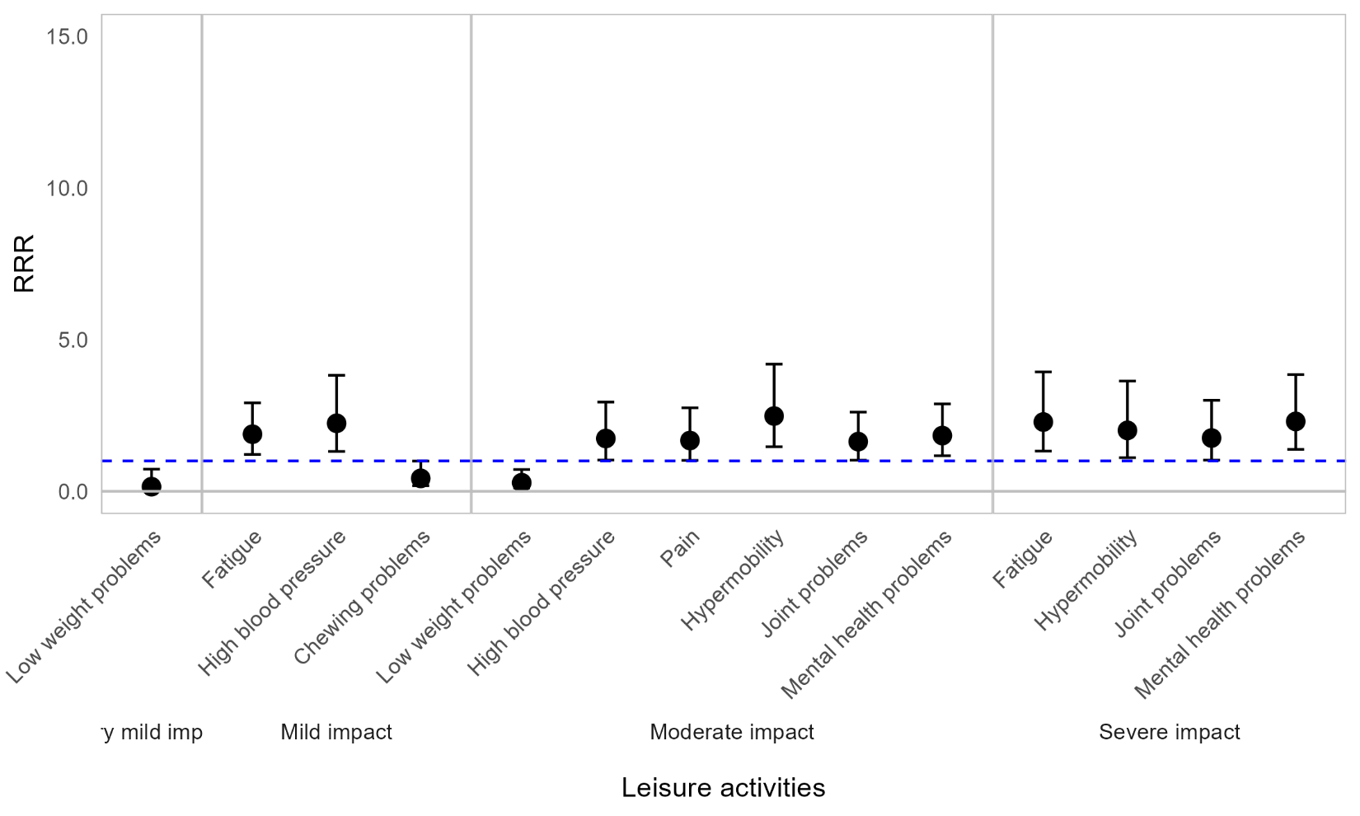
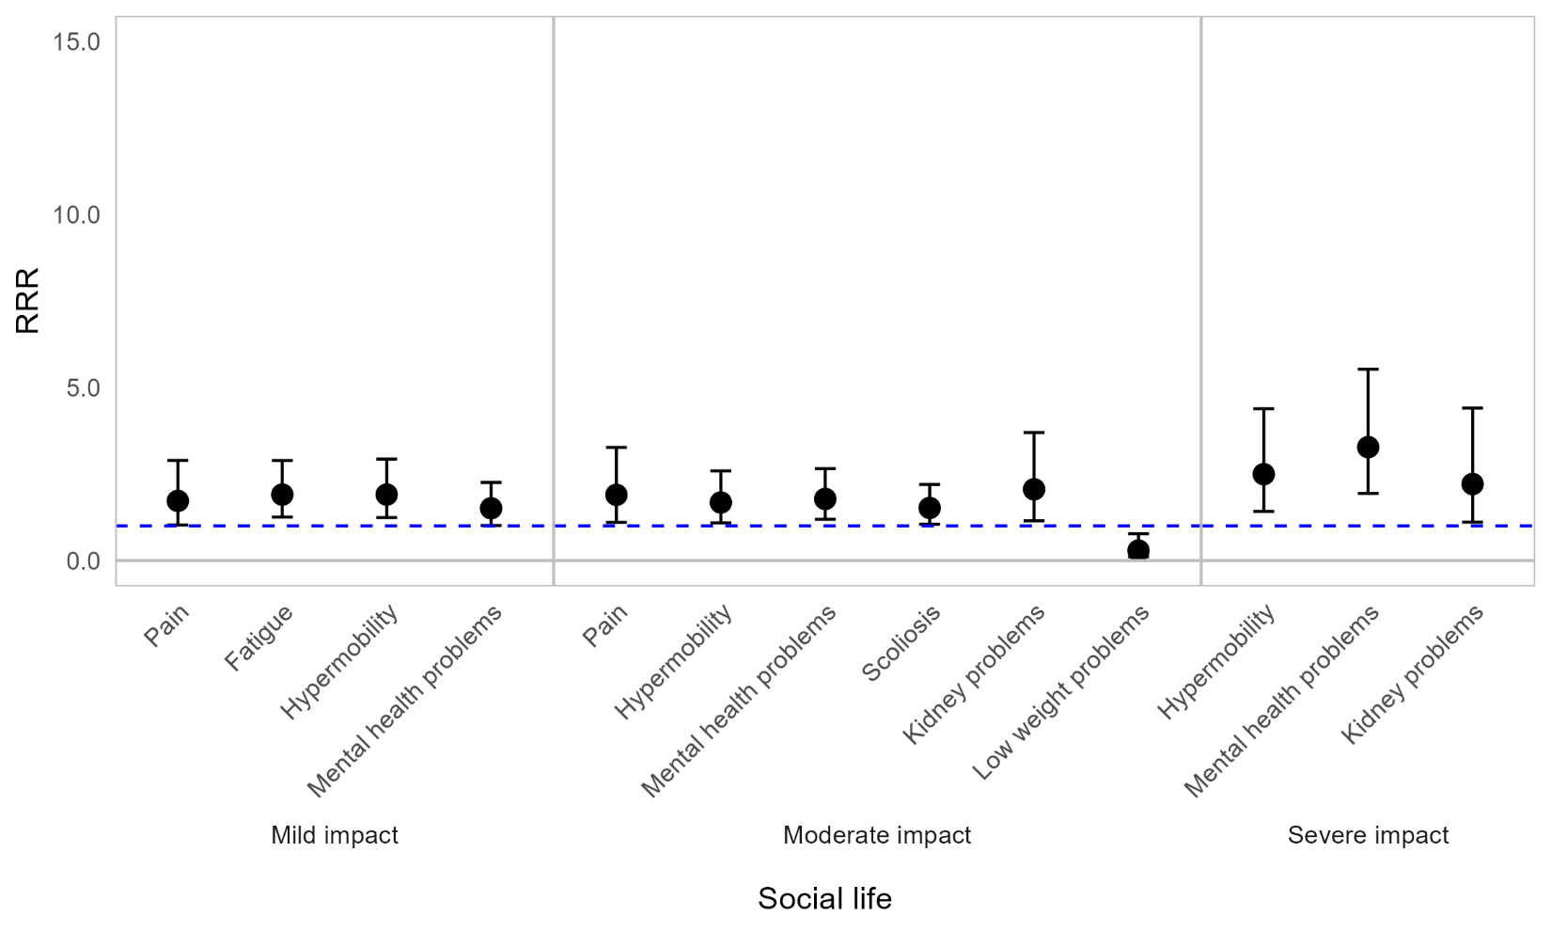
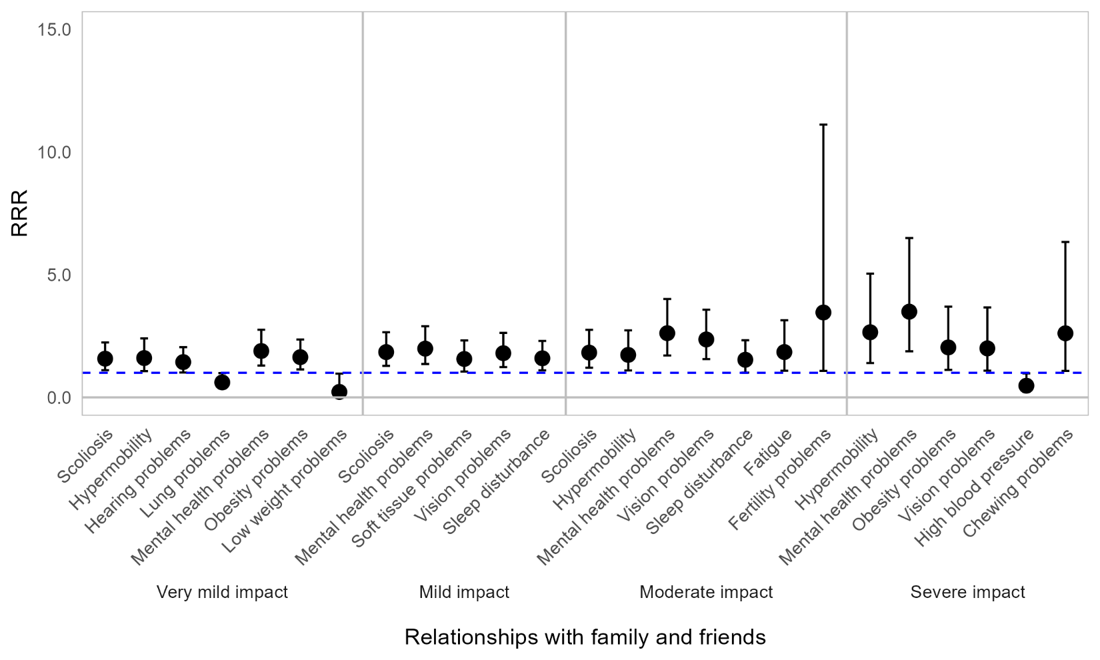
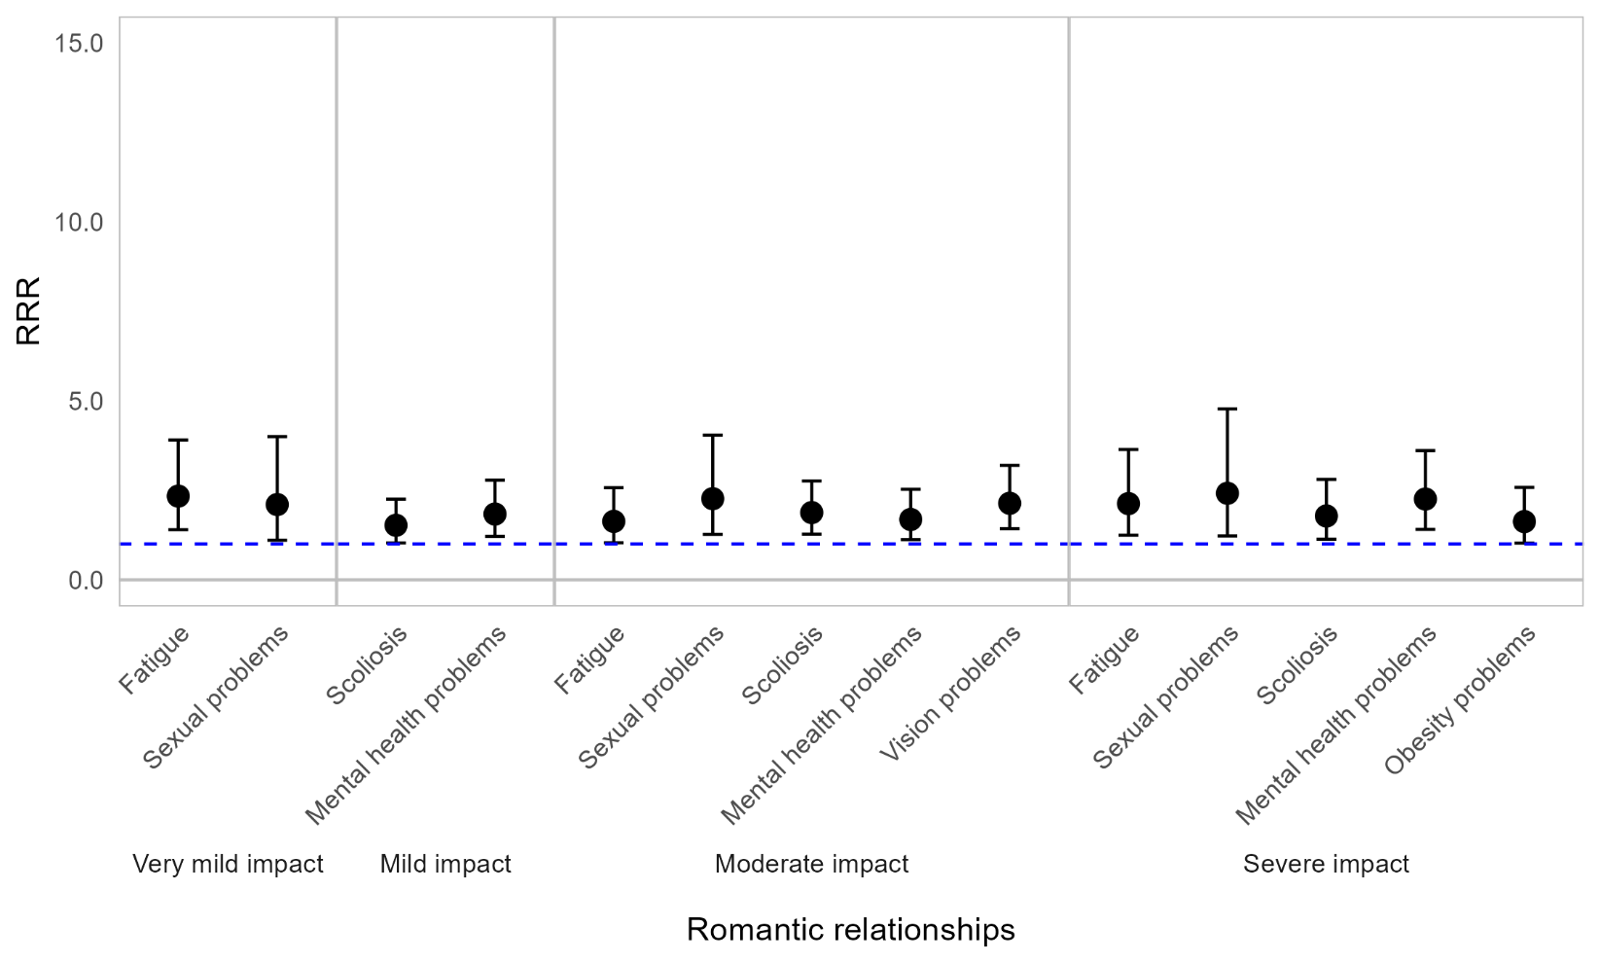

Appendix Figure 4E. Regression graph for signs, symptoms and events and impact on social life and relationships. The base line at y=1 represents individuals who did not experience the particular sign, symptom or event in the past 12 months. Points above this line indicate higher relative risk ratio for individuals who experienced the sign, symptom or event compared with those who did not. Error bars are 95% confidence intervals. Asterisks are shown for statistically significant associations (P ≤0.05). Graph shows relative risk ratios (RRR).

Impact of OI on social life and relationships by mobility status
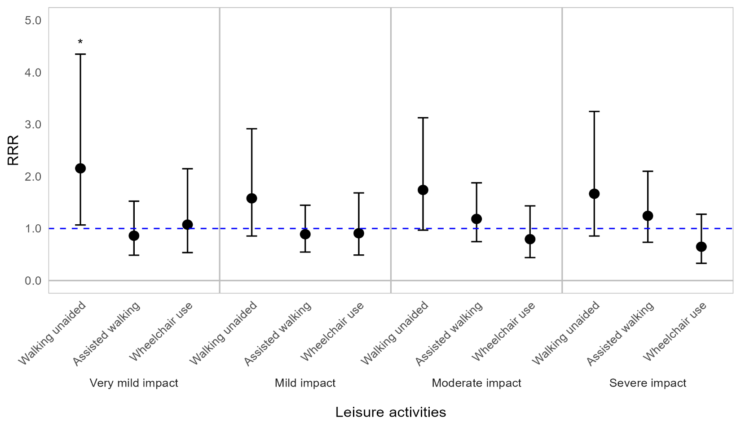
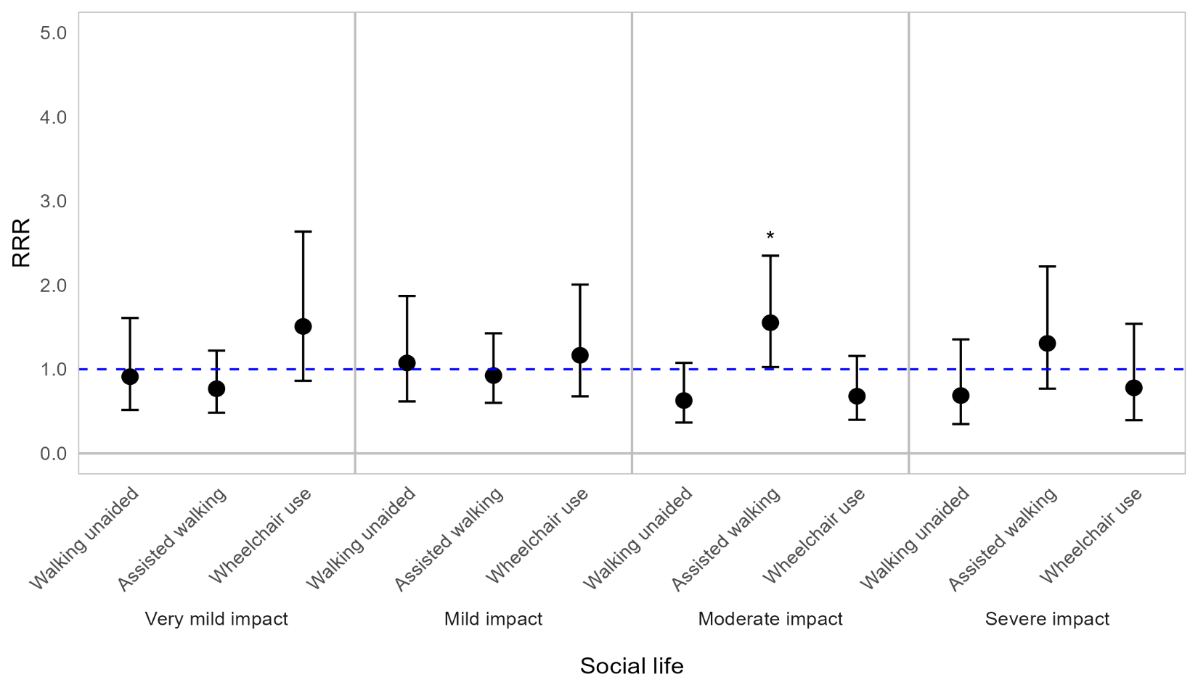
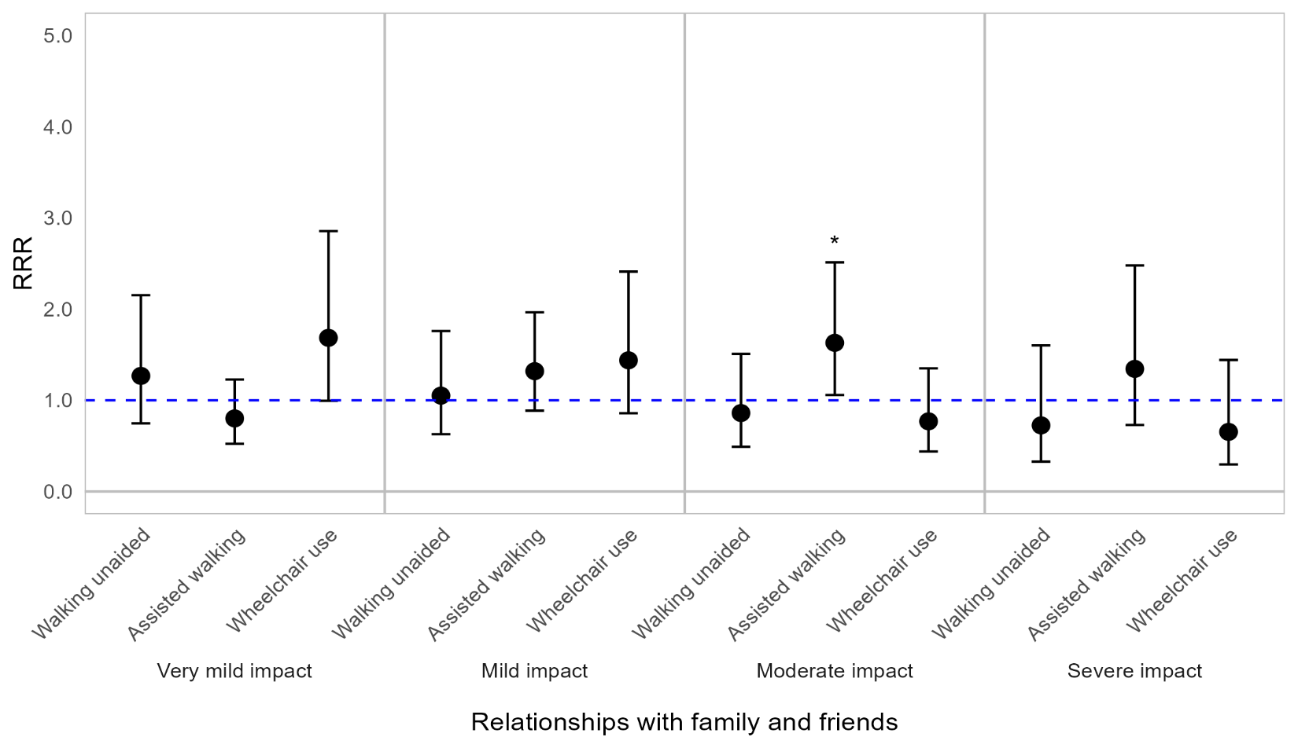


Appendix Figure 4F. Regression graph for mobility status and impact on social life and relationships. The base line at y=1 represents individuals not in the specified mobility status subcategory. Points above this line indicate higher relative risk ratio for mobility status subgroups compared with the rest of the population (those not in the specified mobility subgroup). Error bars are 95% confidence intervals. Asterisks are shown for statistically significant associations (P ≤0.05). Graph shows relative risk ratios (RRR).

Impact of OI on social life and relationships by household living arrangement
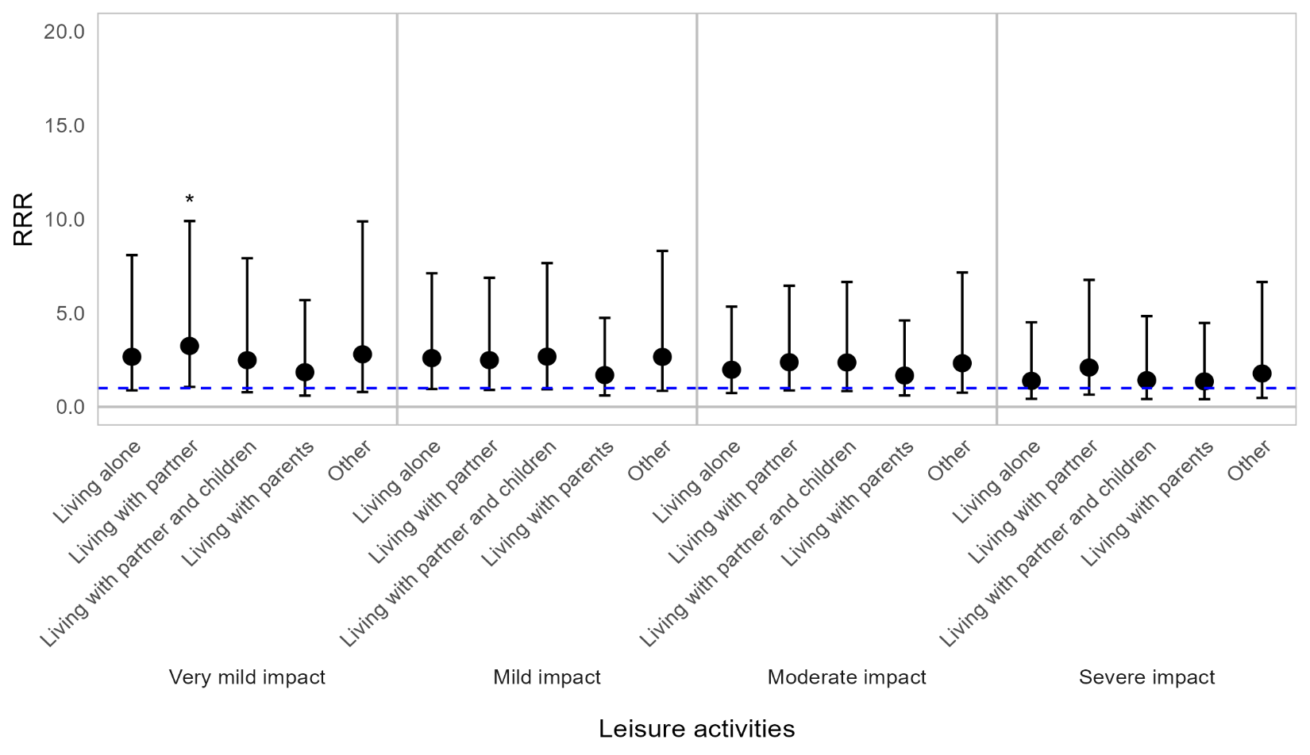
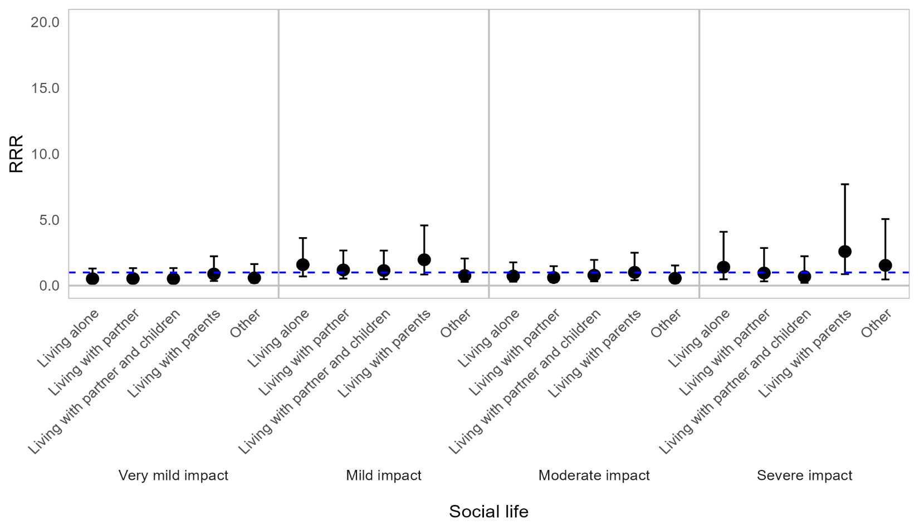
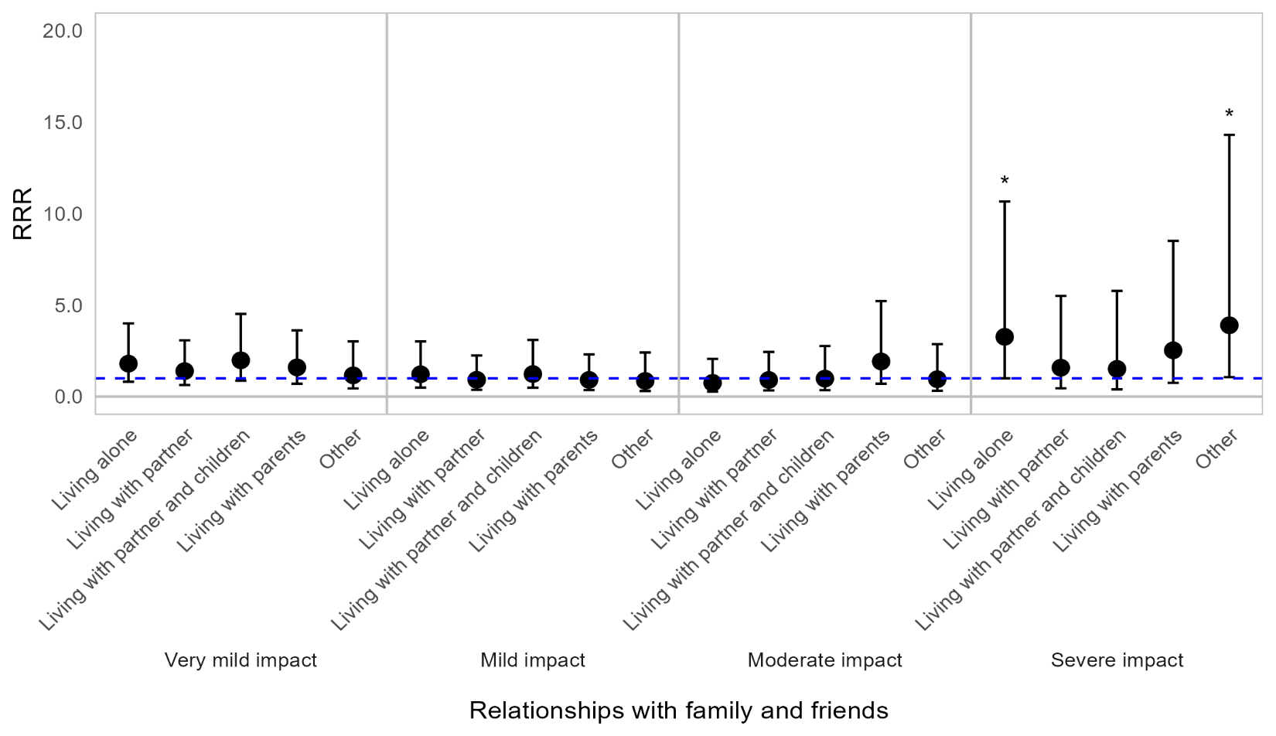
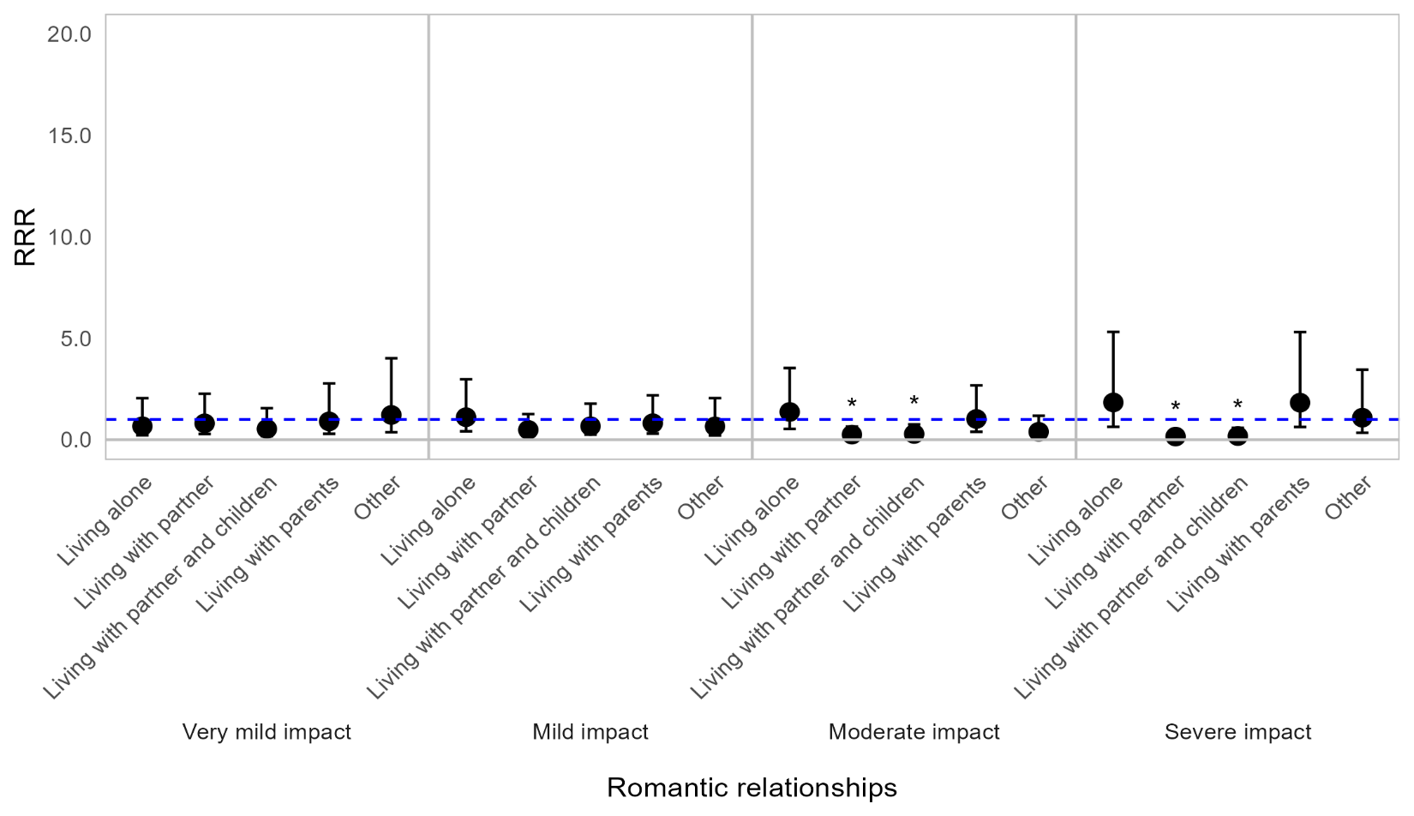

Appendix Figure 4G. Regression graph for household living arrangement and impact on social life and relationships. The base line at y=1 represents individuals not in the specified living status subcategory. Points above this line indicate higher relative risk ratio for living status subgroups compared with the rest of the population (those not in the specified living subgroup). Error bars are 95% confidence intervals. Asterisks are shown for statistically significant associations (P ≤0.05). Graph shows relative risk ratios (RRR).

Impact of OI on social life and relationships by employment status
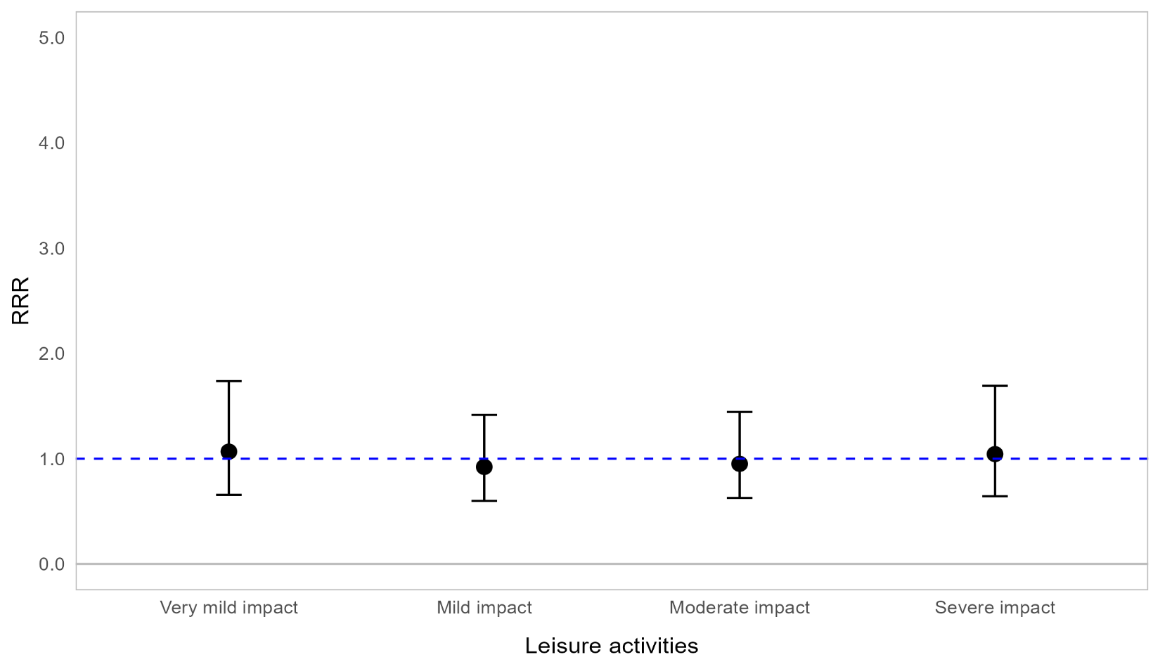
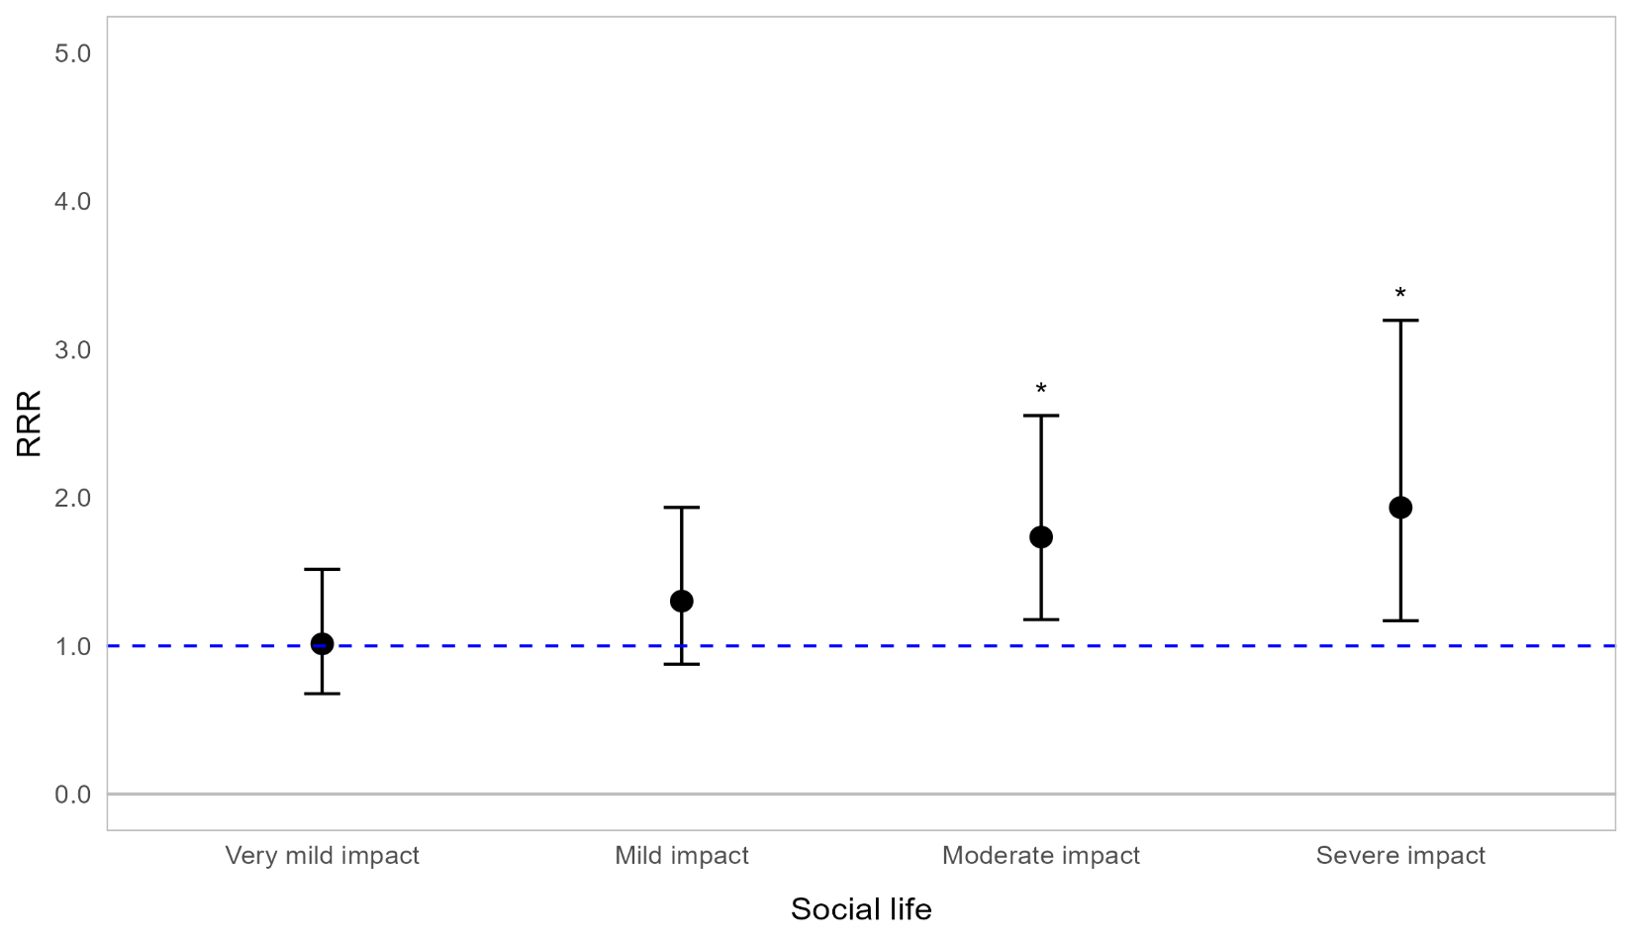
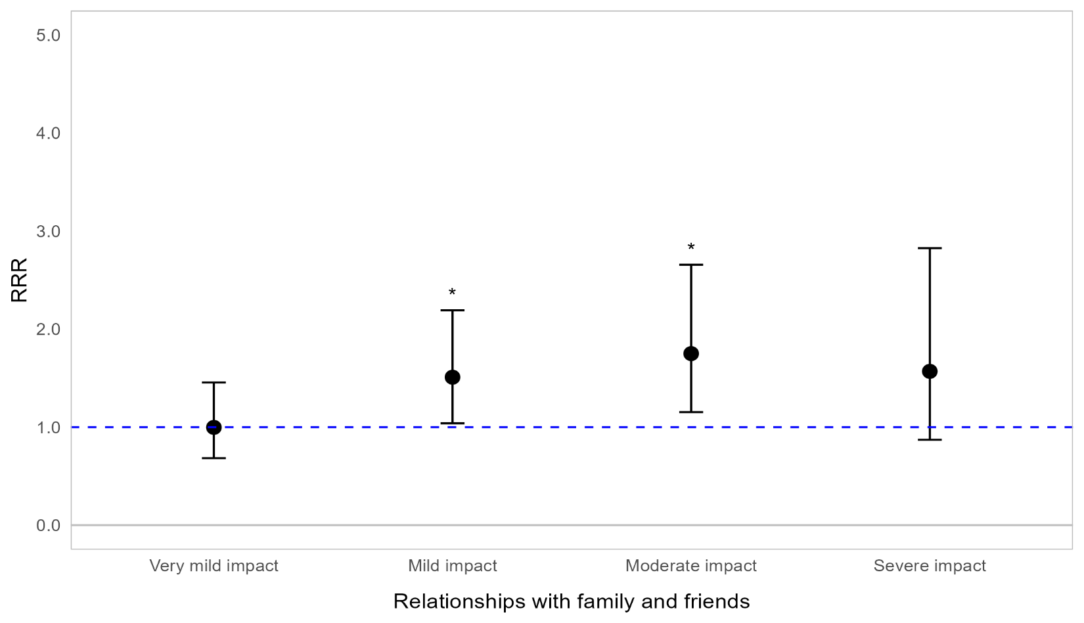
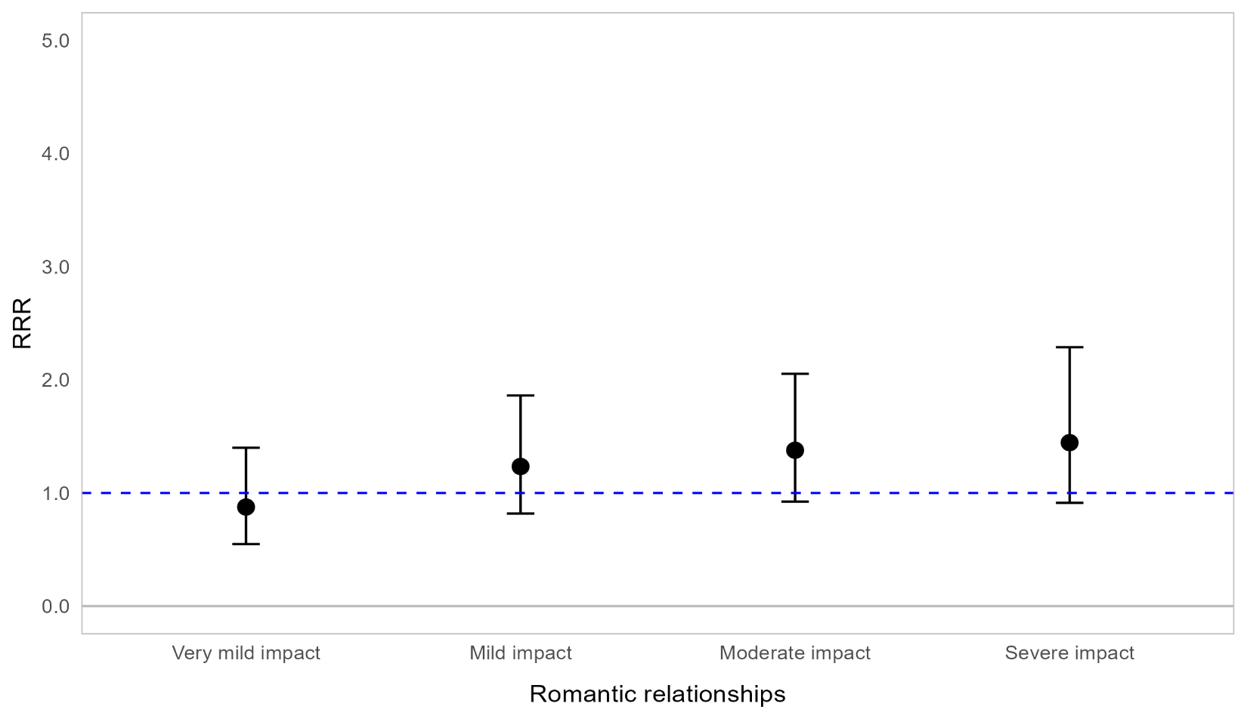

Appendix Figure 4H. Regression graph for employment status and impact on social life and relationships. The base line at y=1 represents those in paid employment. Points above this line indicate higher relative risk ratio for unemployed respondents compared with employed respondents. Error bars are 95% confidence intervals. Asterisks are shown for statistically significant associations (P ≤0.05). Graph shows relative risk ratios (RRR).

