Appendix Figure 10
Impact of OI on worrying about healthcare by OI severity
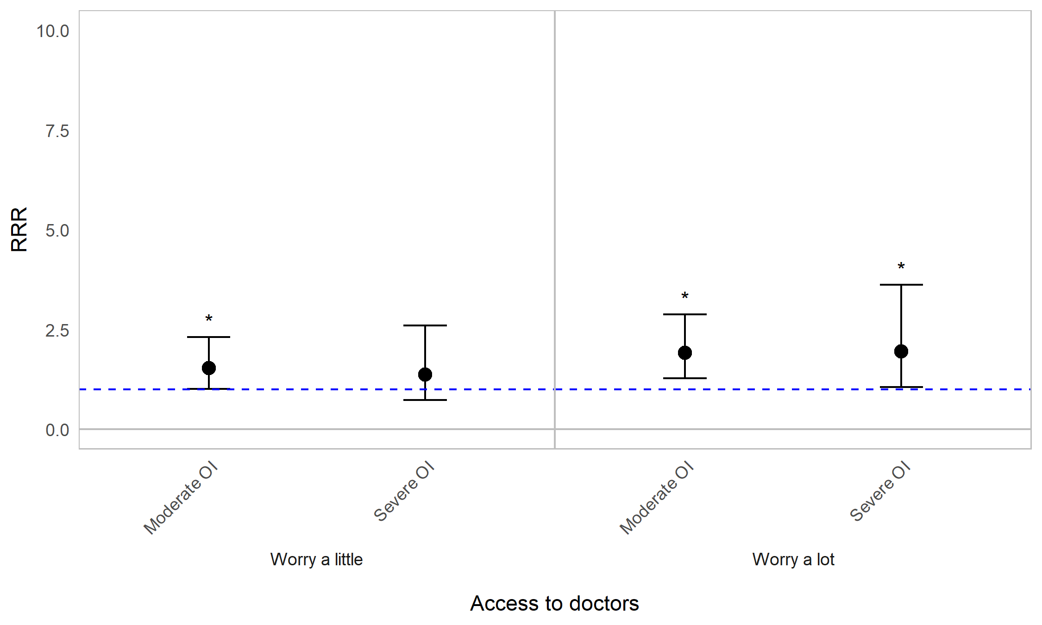
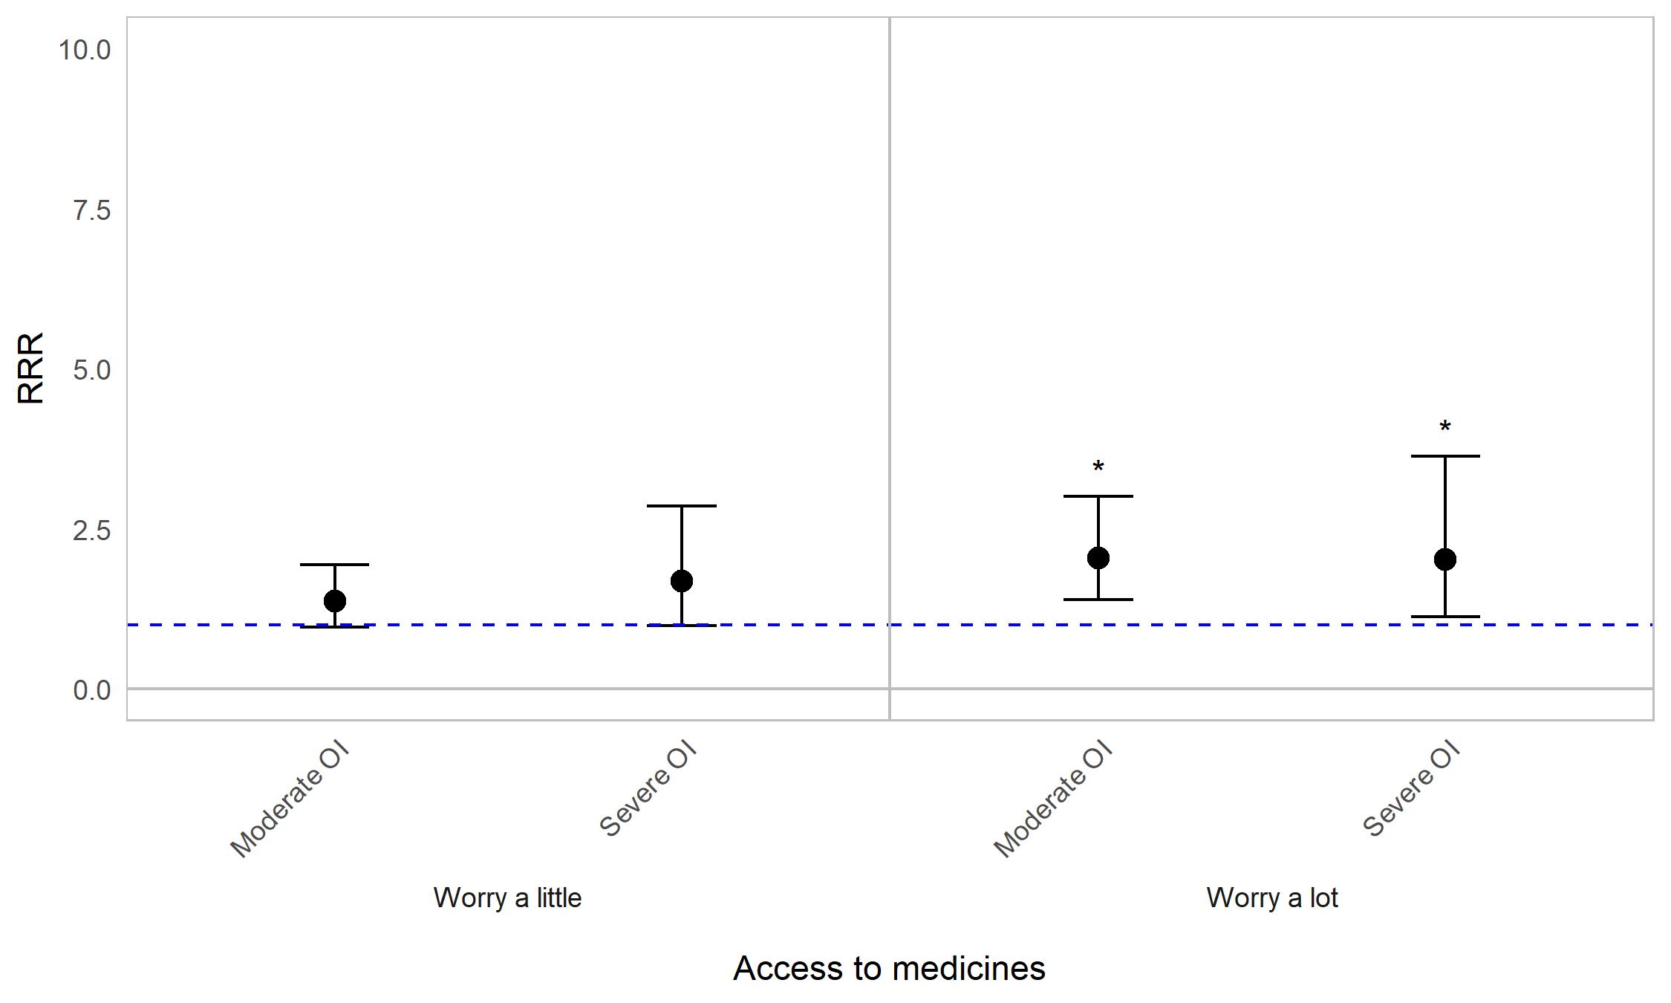

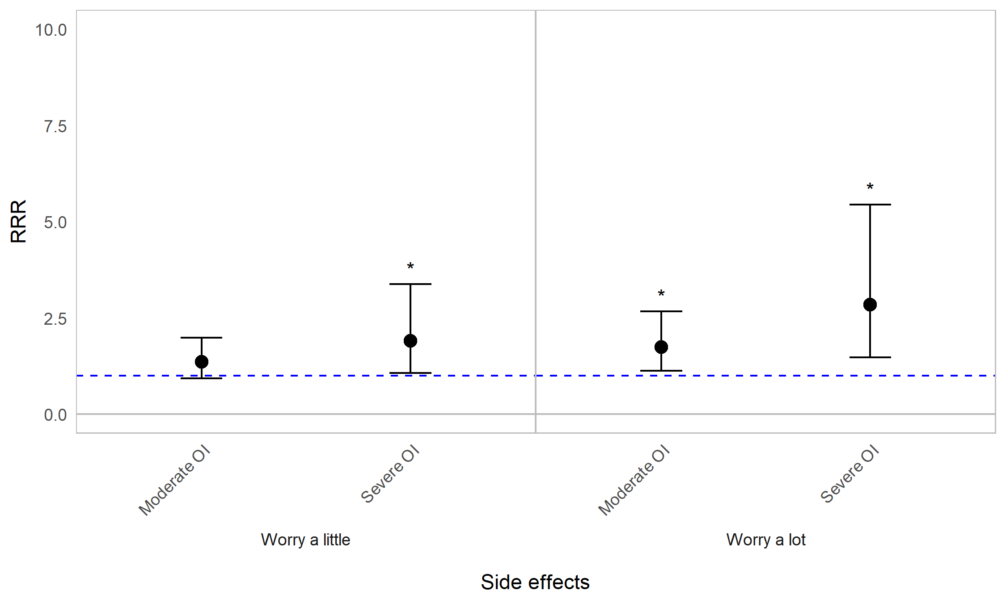

Appendix Figure 10A. Regression graph for OI severity and worrying about healthcare. The base line at y=1 represents individuals with mild OI (self-reported). Points above this line indicate higher relative risk ratio for those with moderate or severe OI, compared with those with mild OI (self-reported). Error bars are 95% confidence intervals. Asterisks are shown for statistically significant associations (P≤0.05). Graph shows relative risk ratios (RRR).

Impact of OI on worrying about healthcare by age (years)
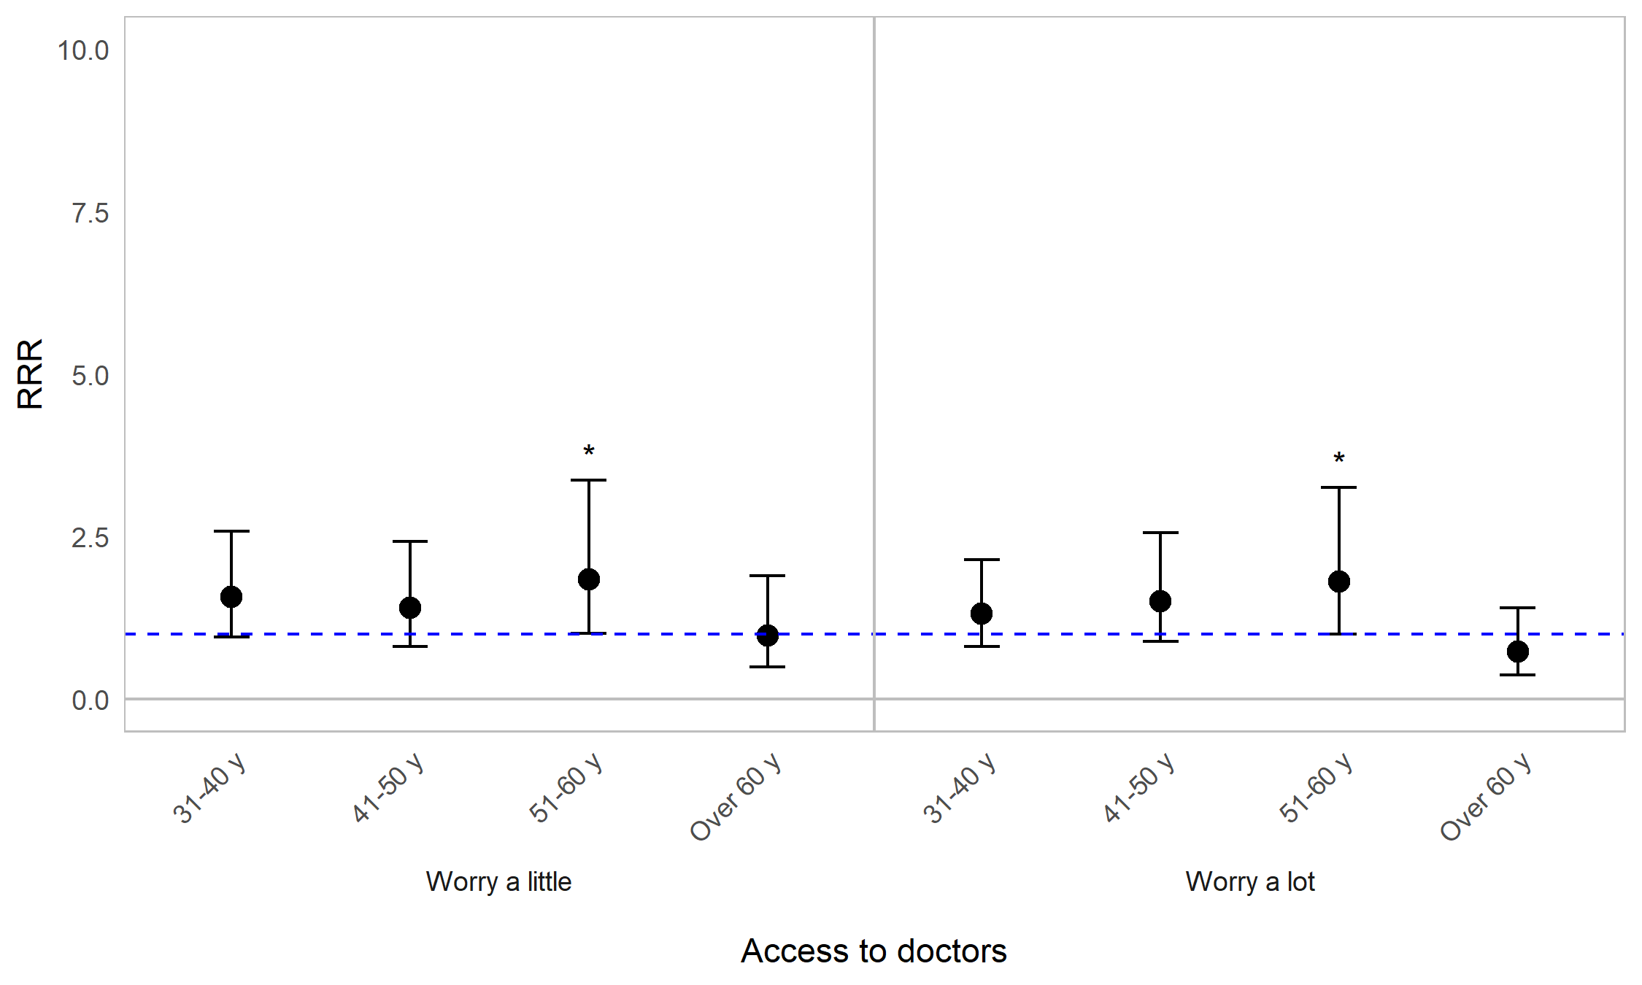
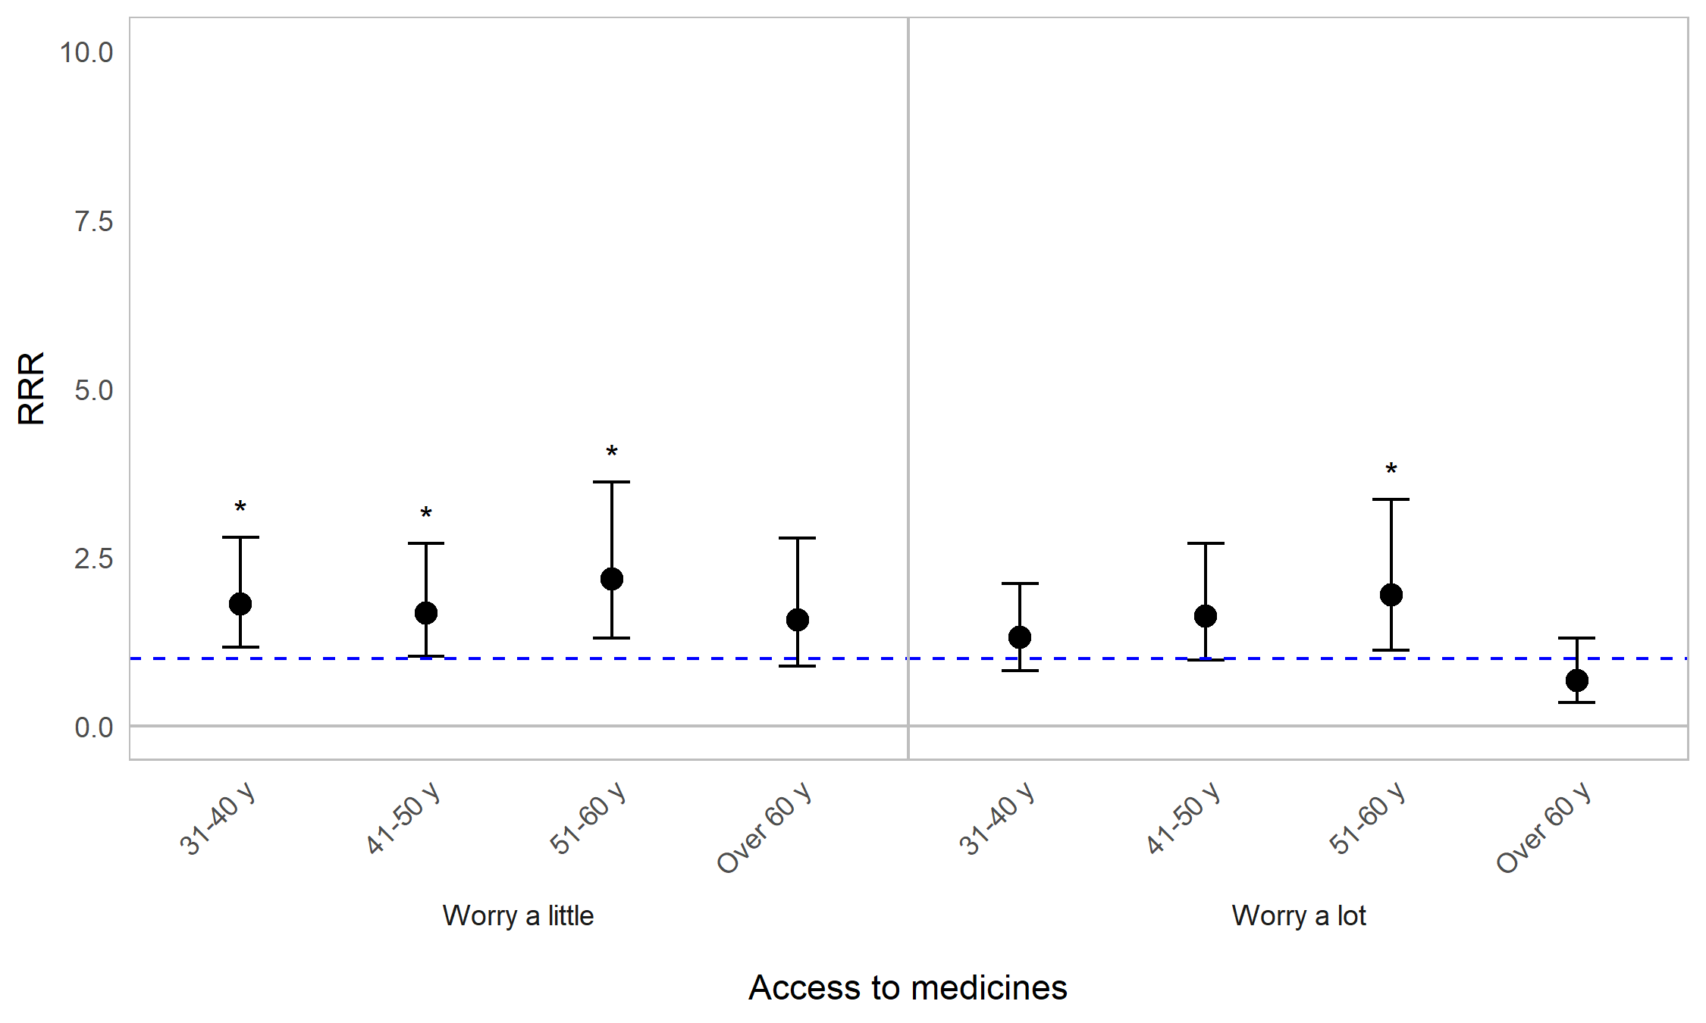
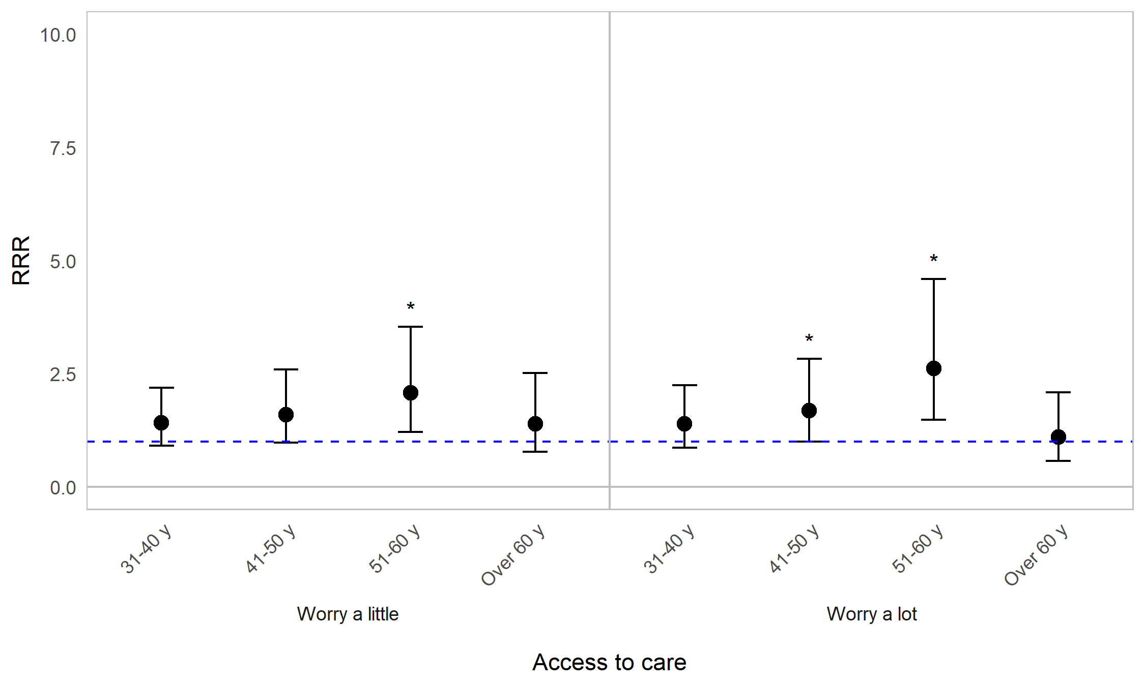
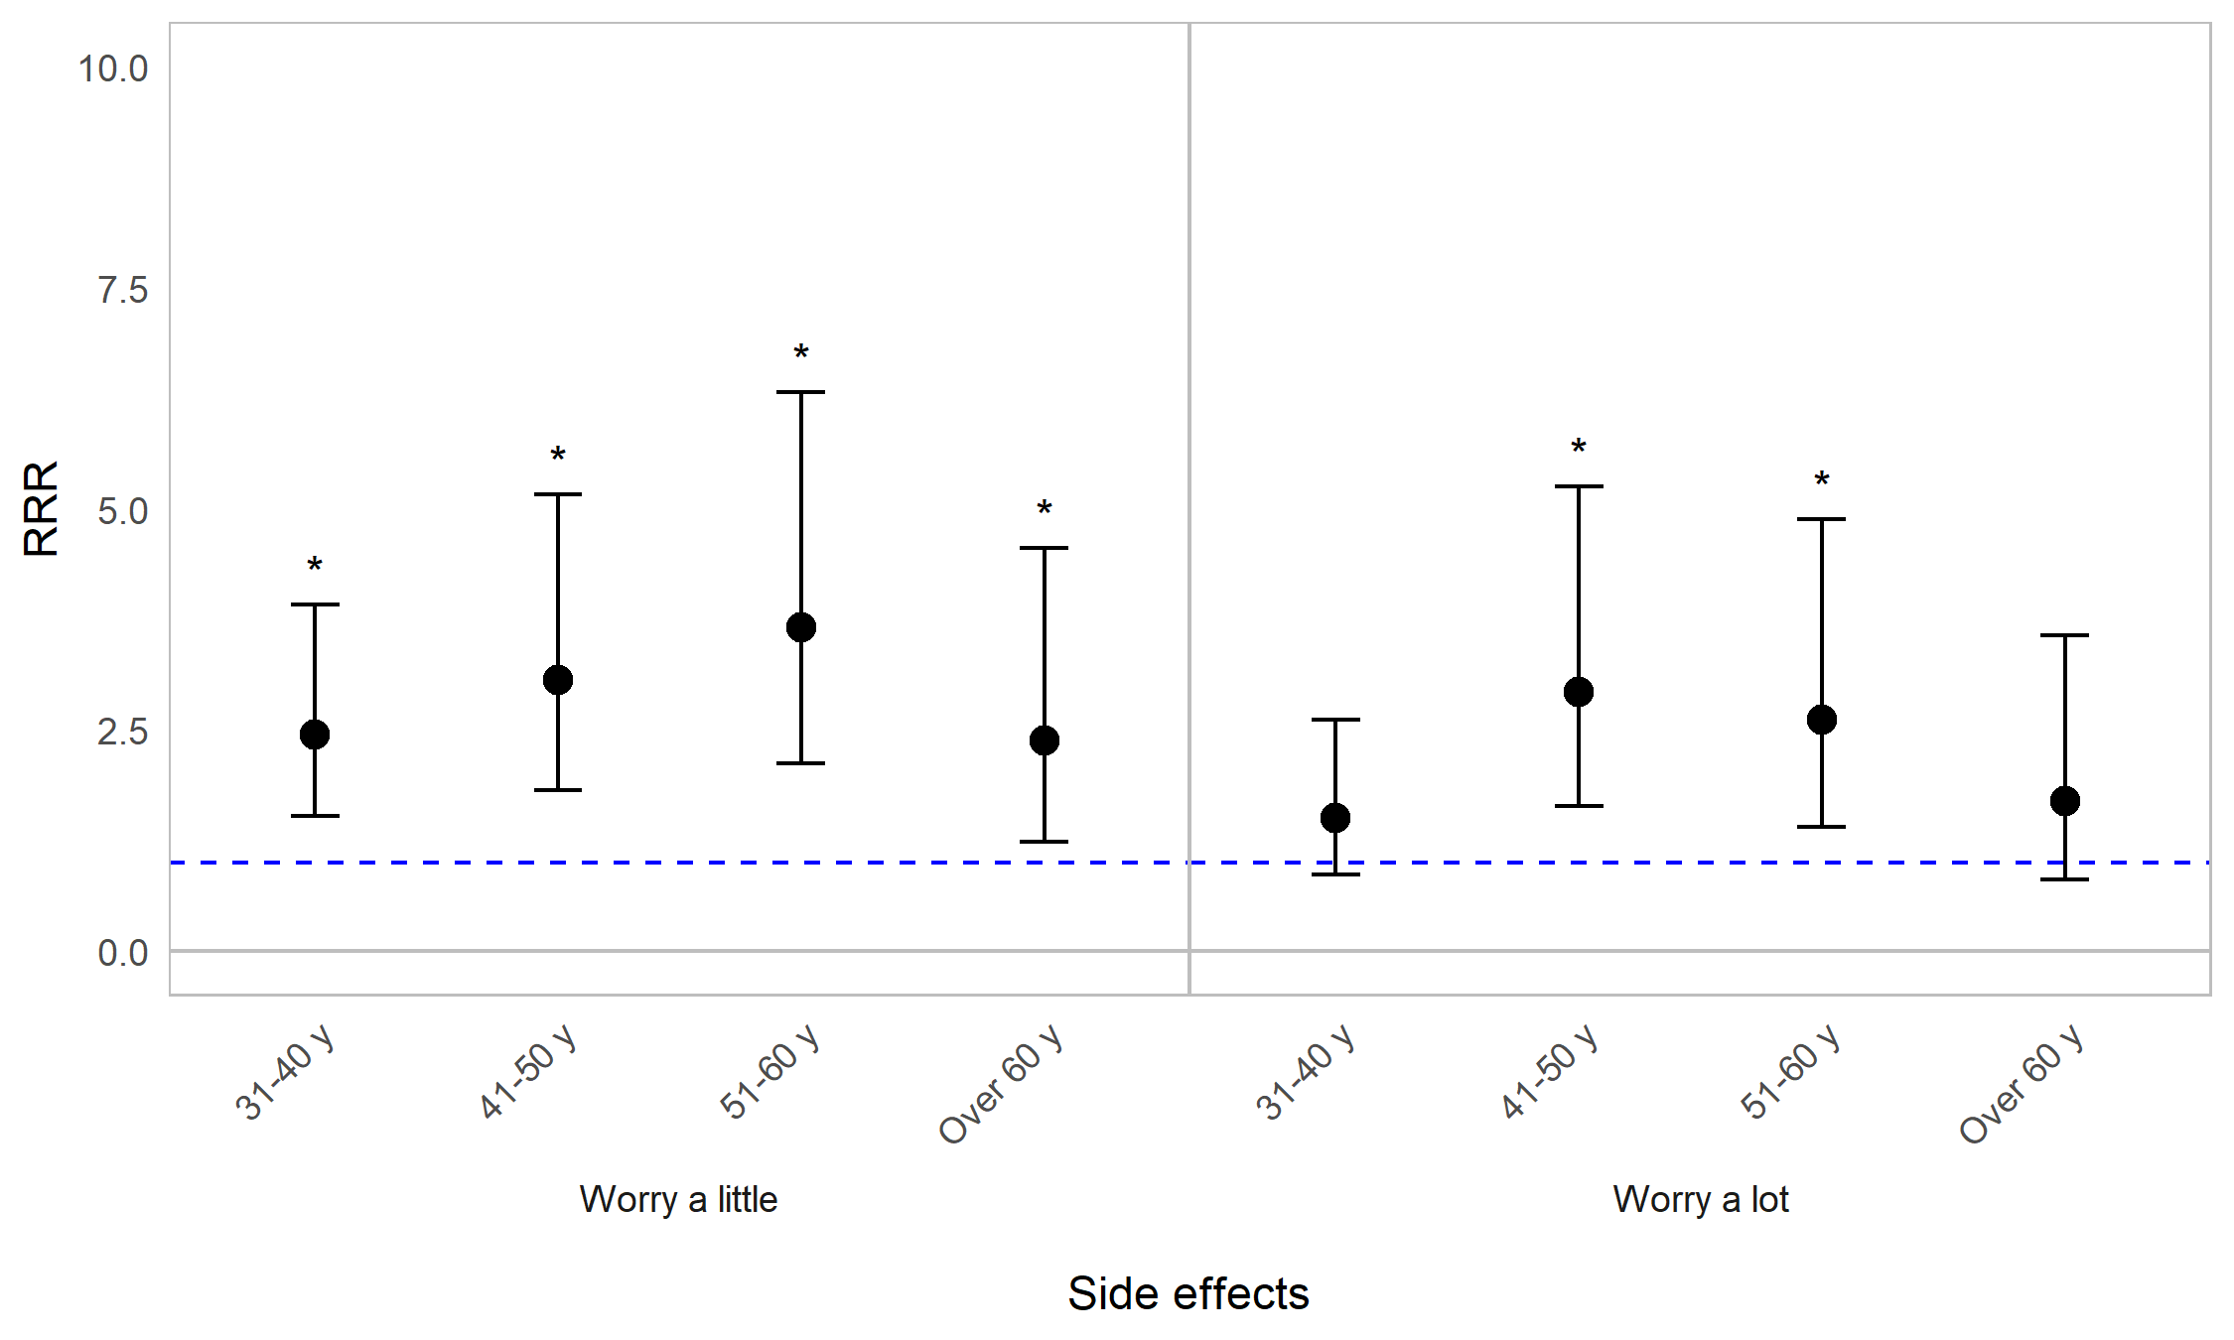

Appendix Figure 10B. Regression graph for age and worrying about healthcare. The base line at y=1 represents individuals aged 18–30. Points above this line indicate higher relative risk ratio for individuals in a particular age category, compared with 18–30-year-olds. Error bars are 95% confidence intervals. Asterisks are shown for statistically significant associations (P≤0.05). Graph shows relative risk ratios (RRR).

Impact of OI on worrying about healthcare by sex
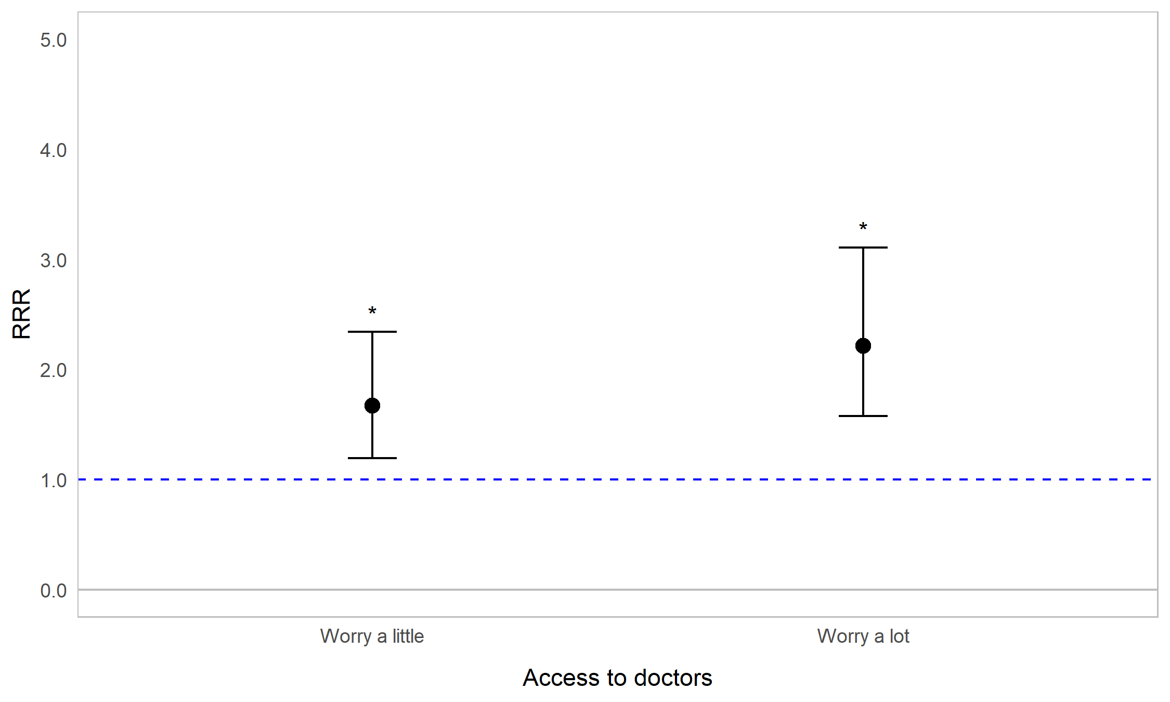
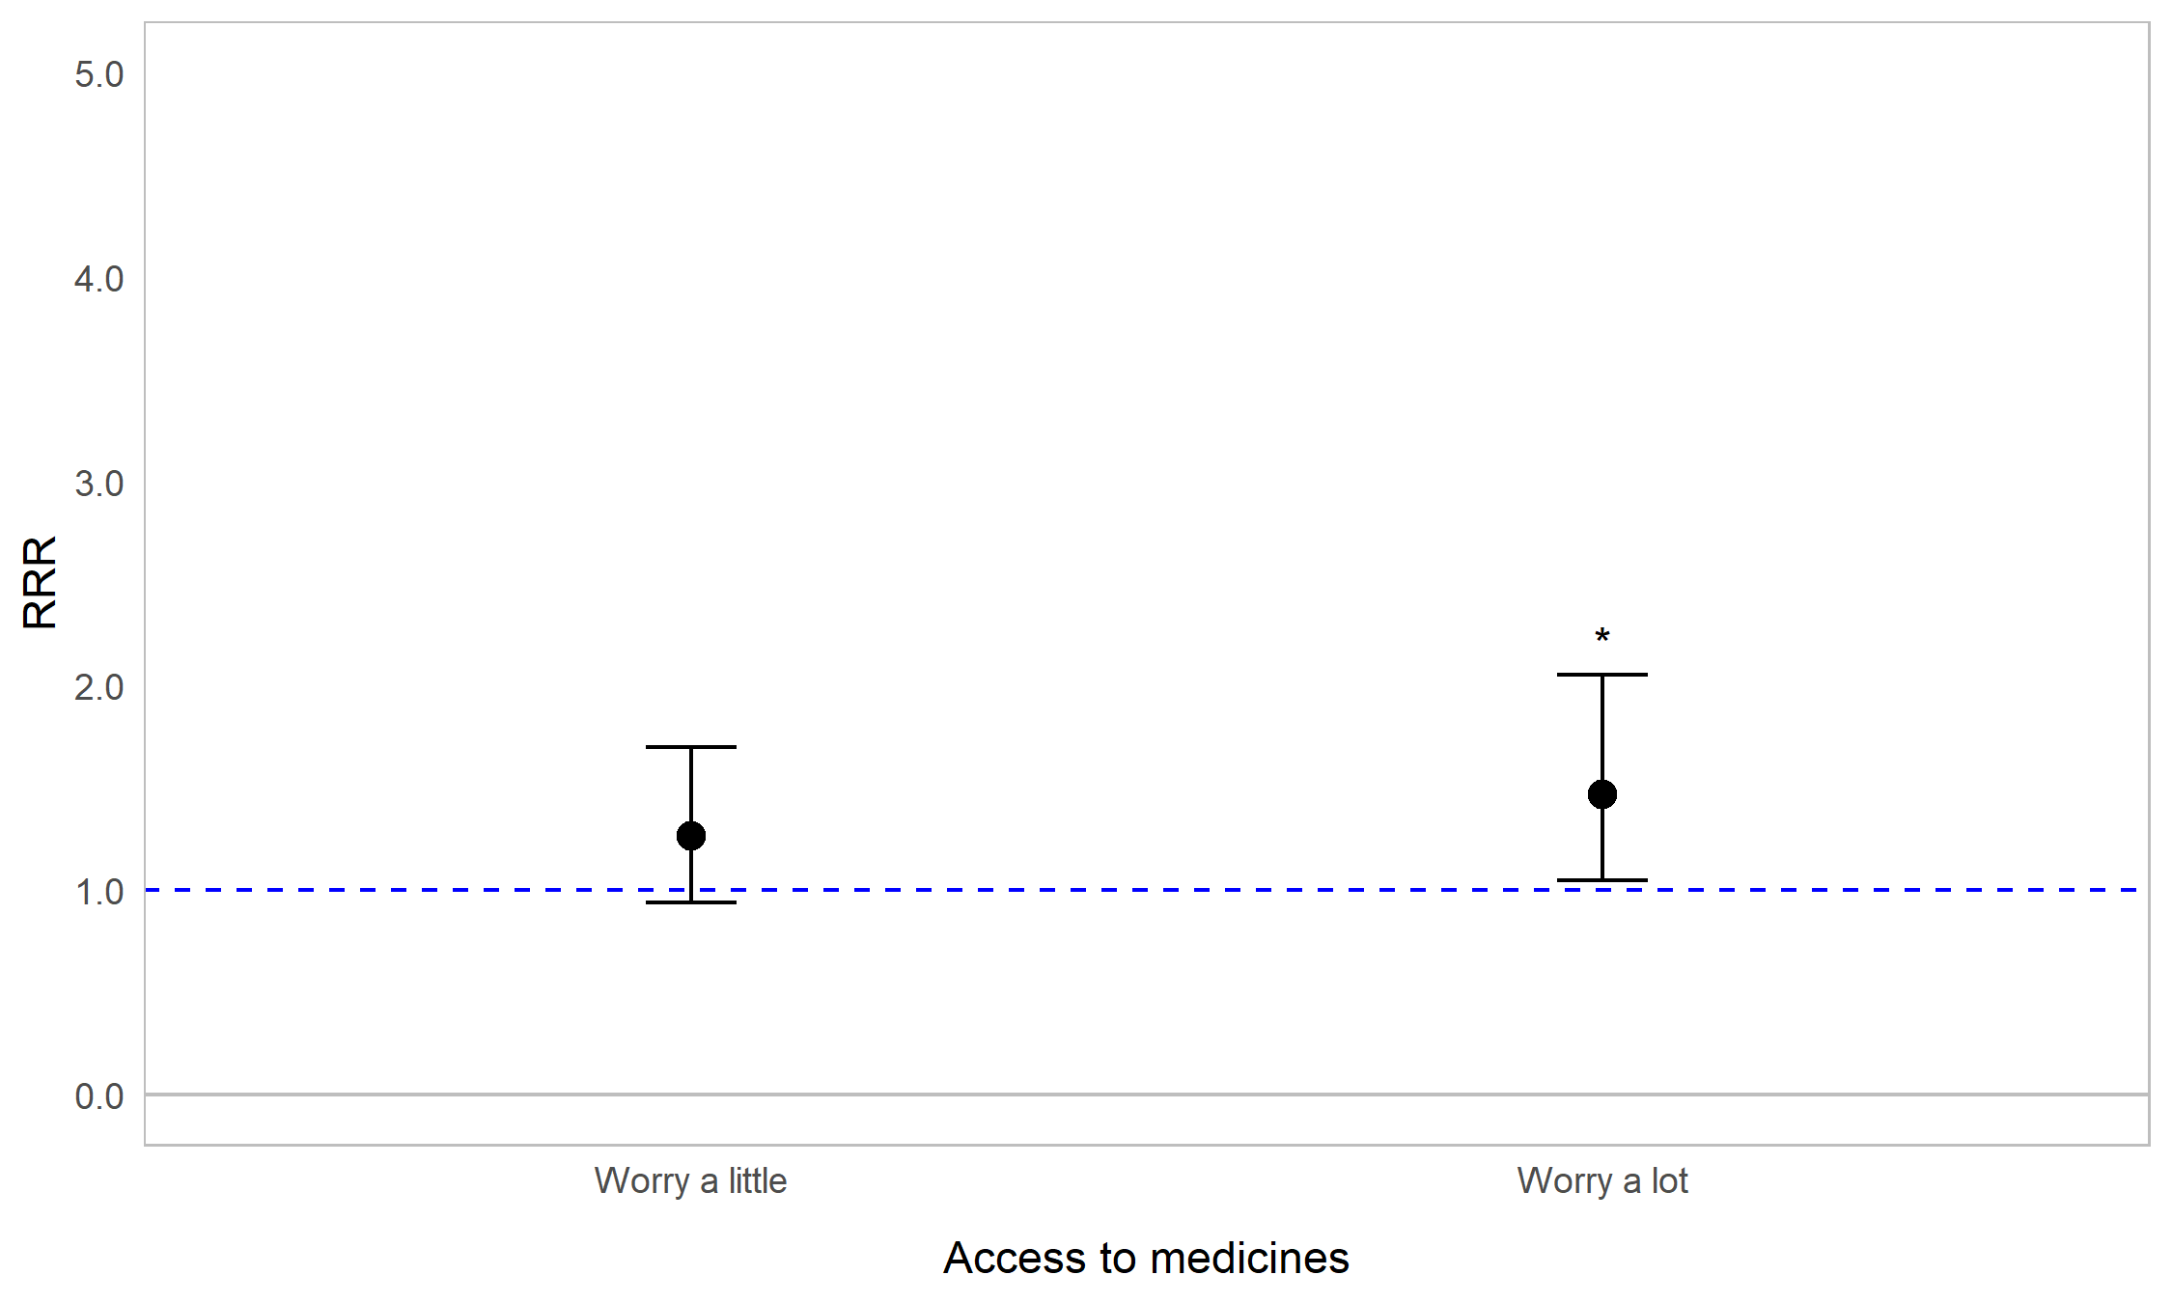
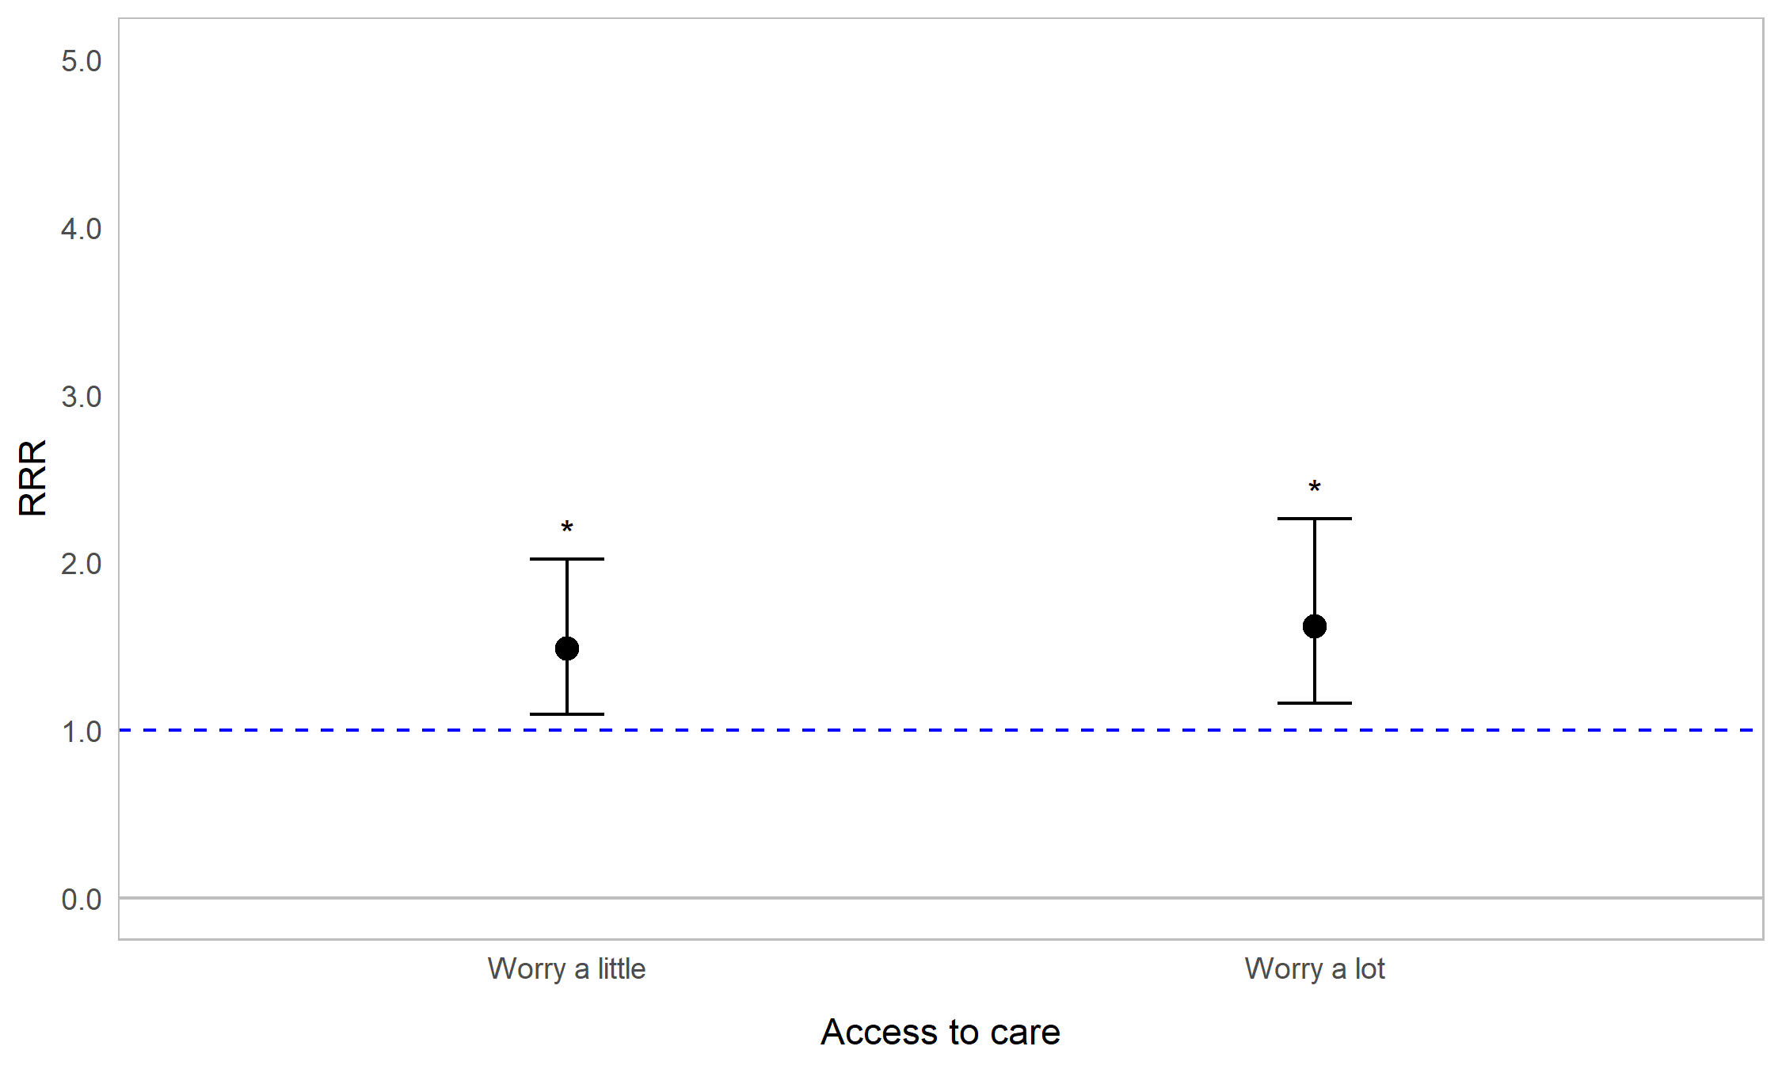
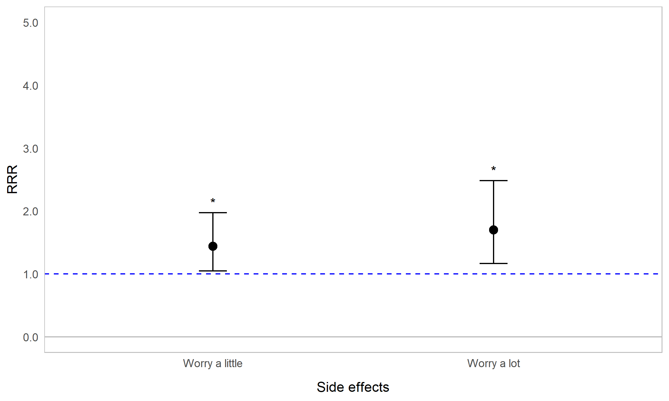

Appendix Figure 10C. Regression graph for sex and worrying about healthcare. The base line at y=1 represents male respondents. Points above this line indicate higher relative risk ratio for female respondents compared with male respondents. Error bars are 95% confidence intervals. Asterisks are shown for statistically significant associations (P≤0.05). Graph shows relative risk ratios (RRR).

Impact of OI on worrying about healthcare by fracture frequency
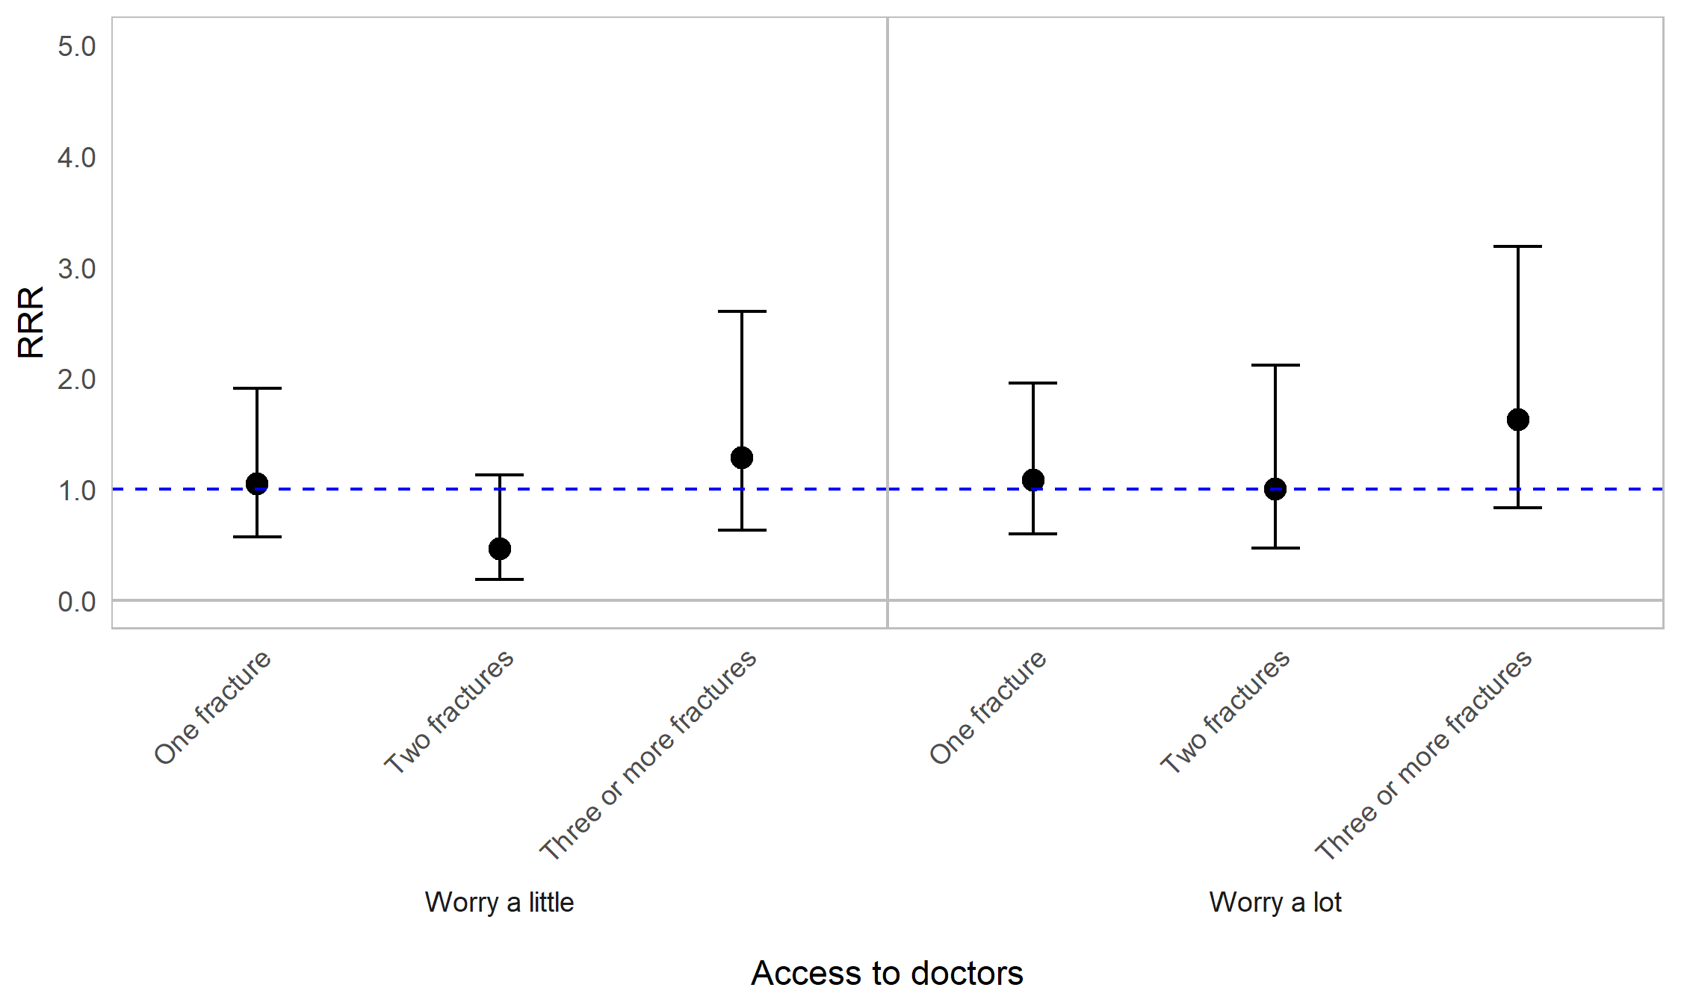
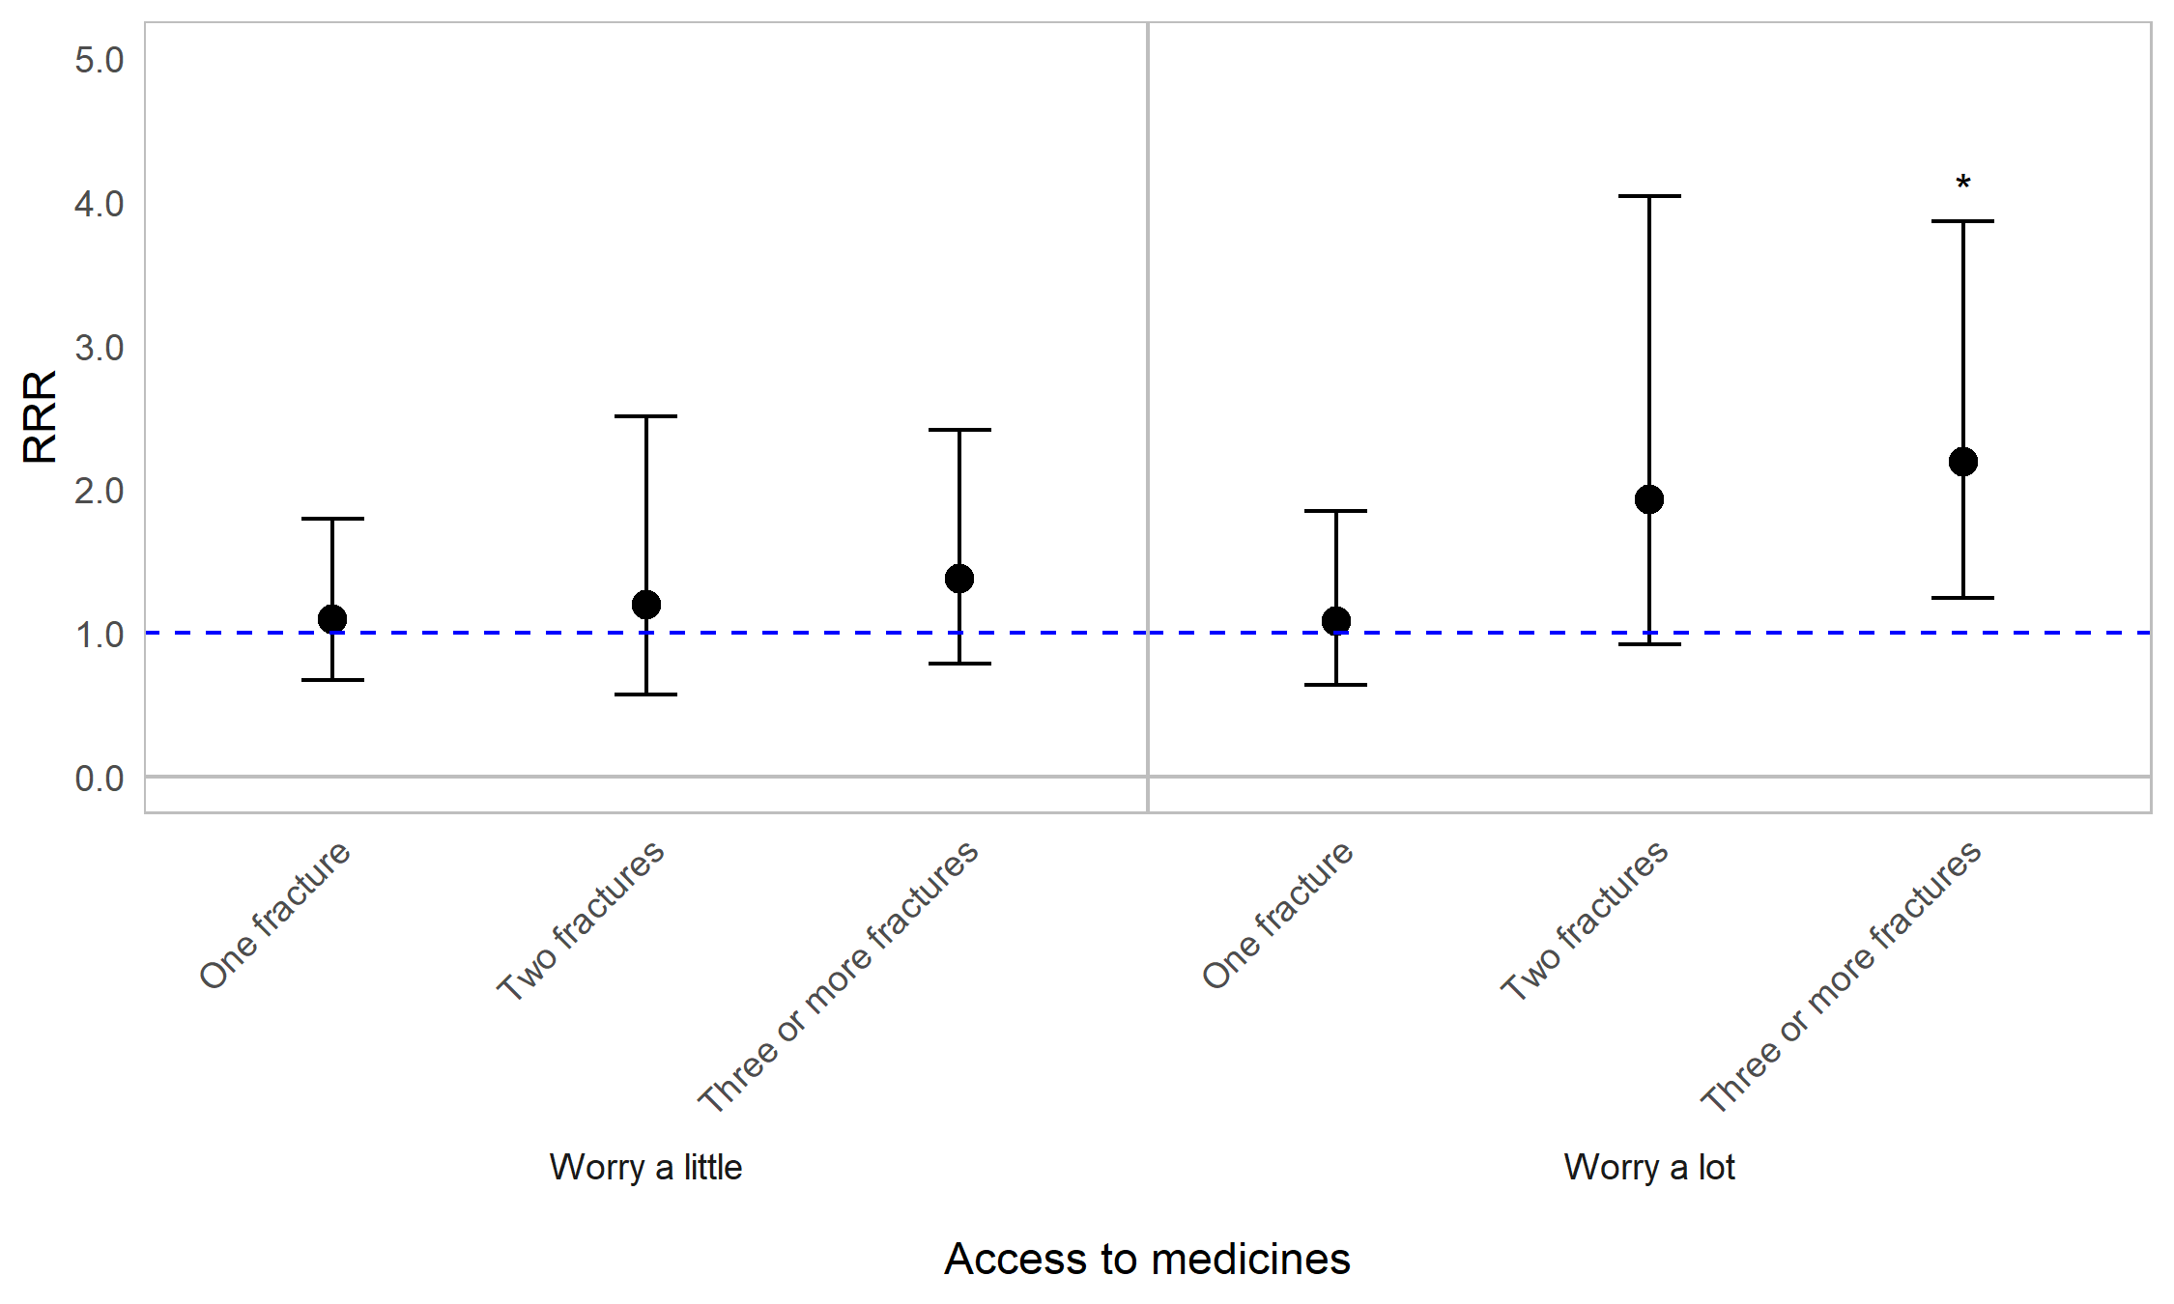
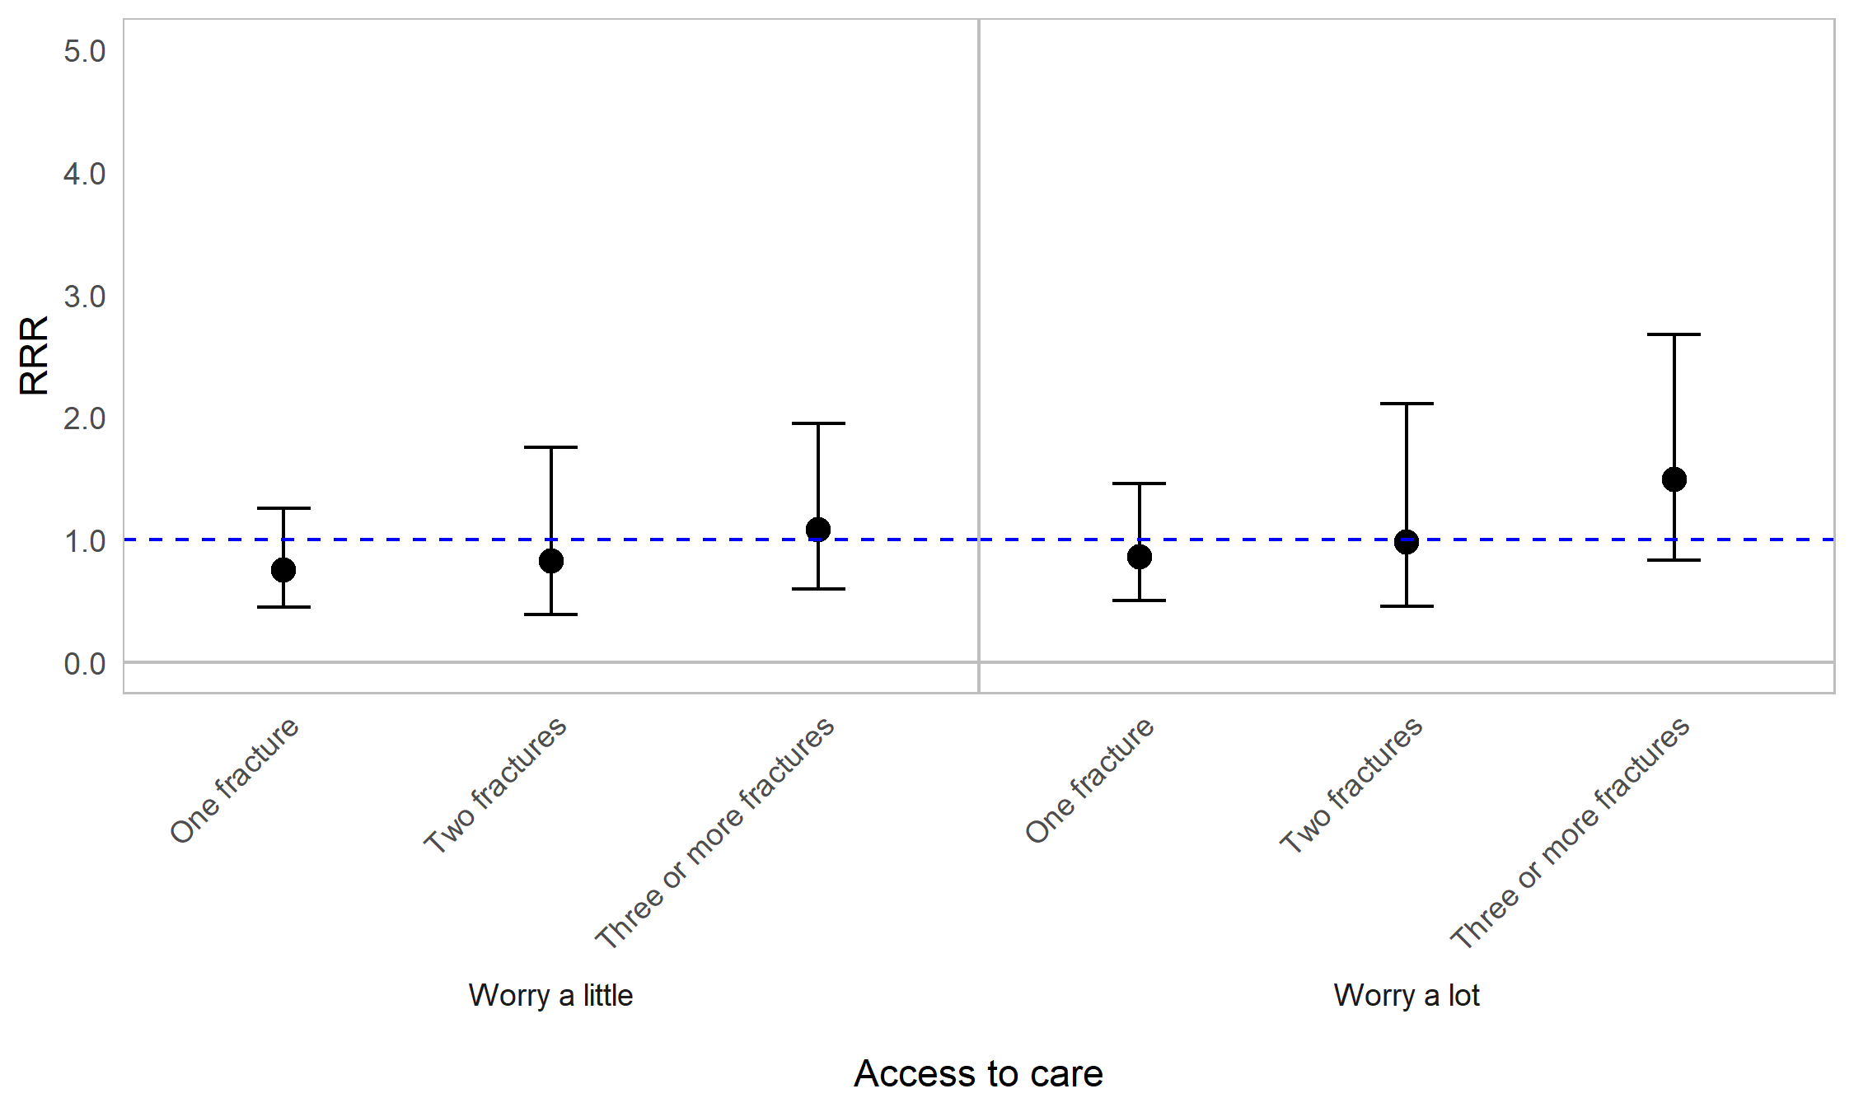
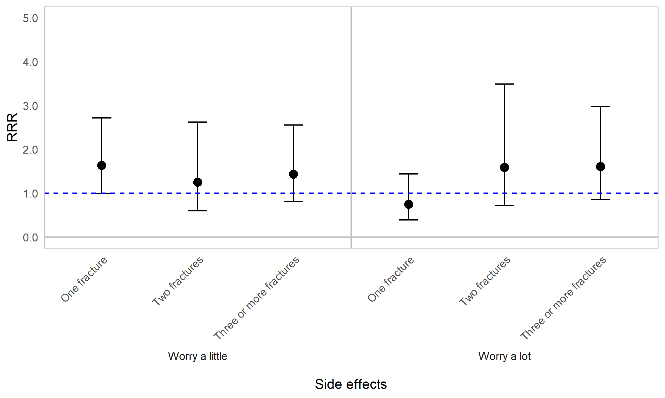

Appendix Figure 10D. Regression graph for fracture frequency and worrying about healthcare. Fracture frequency is reported as reported as number of fractures in the past 12 months. The base line at y=1 represents individuals who experienced 0 fractures in the past 12 months. Points above this line indicate higher relative risk ratio for those who experienced 1, 2, or 3 or more fractures, compared with those who did not experience fractures, in the past 12 months. Error bars are 95% confidence intervals. Asterisks are shown for statistically significant associations (P≤0.05). Graph shows relative risk ratios (RRR).

Impact of OI on worrying about healthcare by signs, symptoms, and events
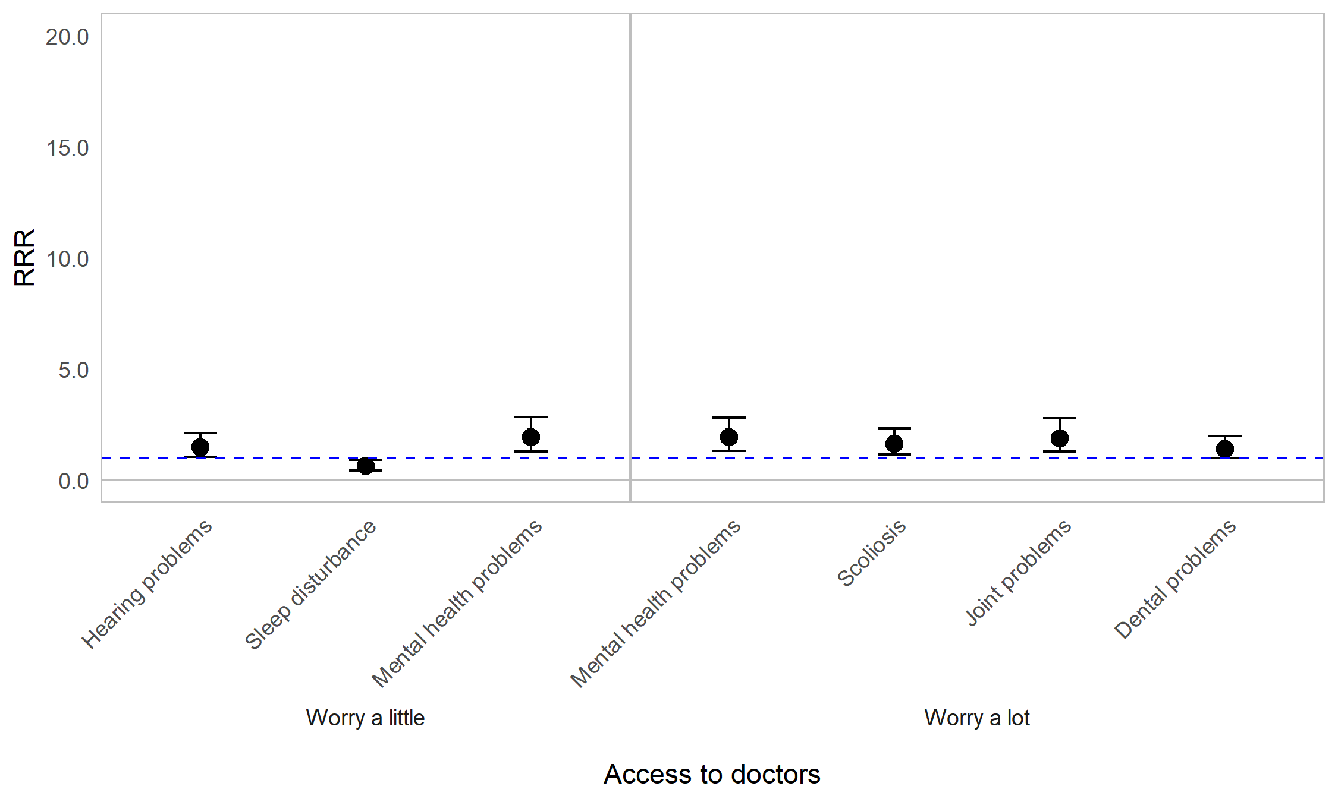
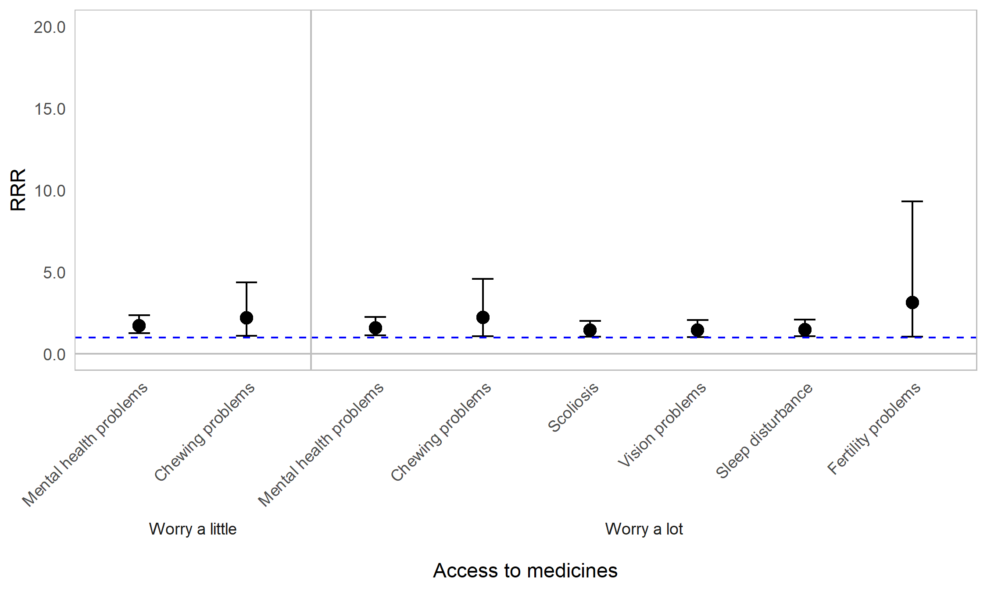
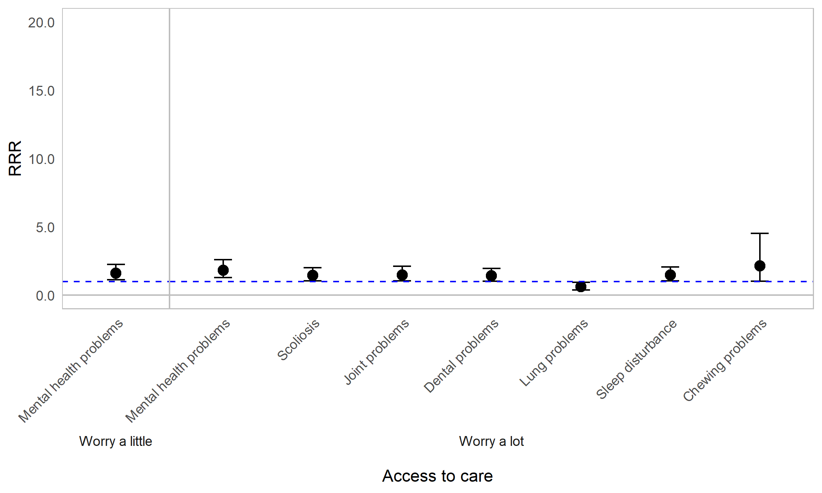
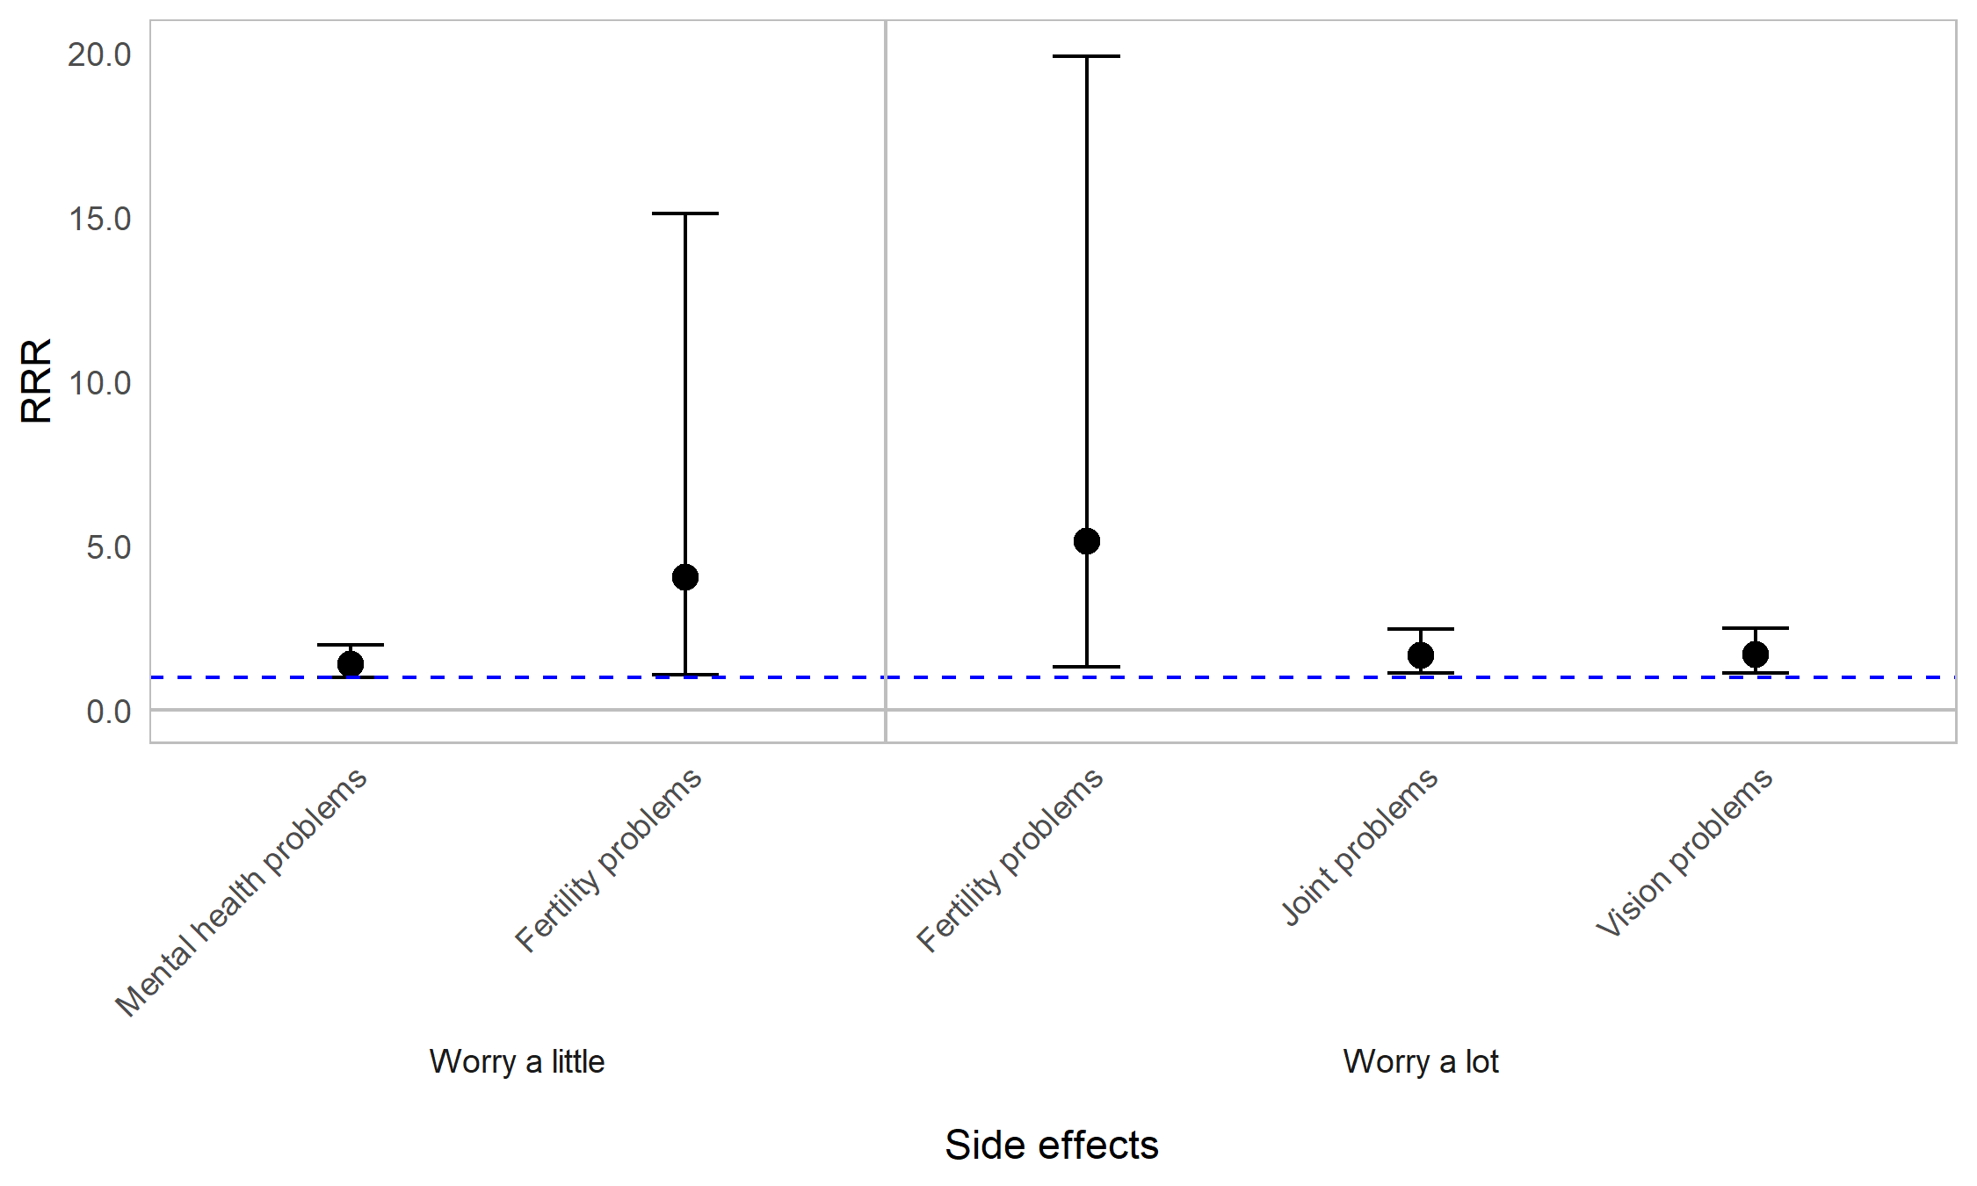

Appendix Figure 10E. Regression graph for signs symptoms and events and worrying about healthcare. The base line at y=1 represents individuals not experiencing the particular symptom in the past 12 months. Points above this line indicate higher relative risk ratio for individuals experiencing the listed symptom, compared with those not experiencing the symptom. Error bars are 95% confidence intervals. Graph shows relative risk ratios (RRR).

Impact of OI on worrying about healthcare by mobility status
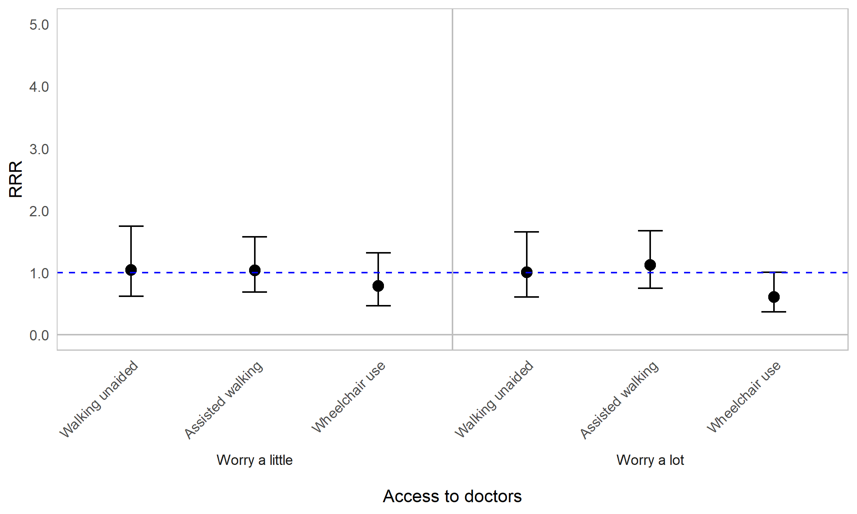
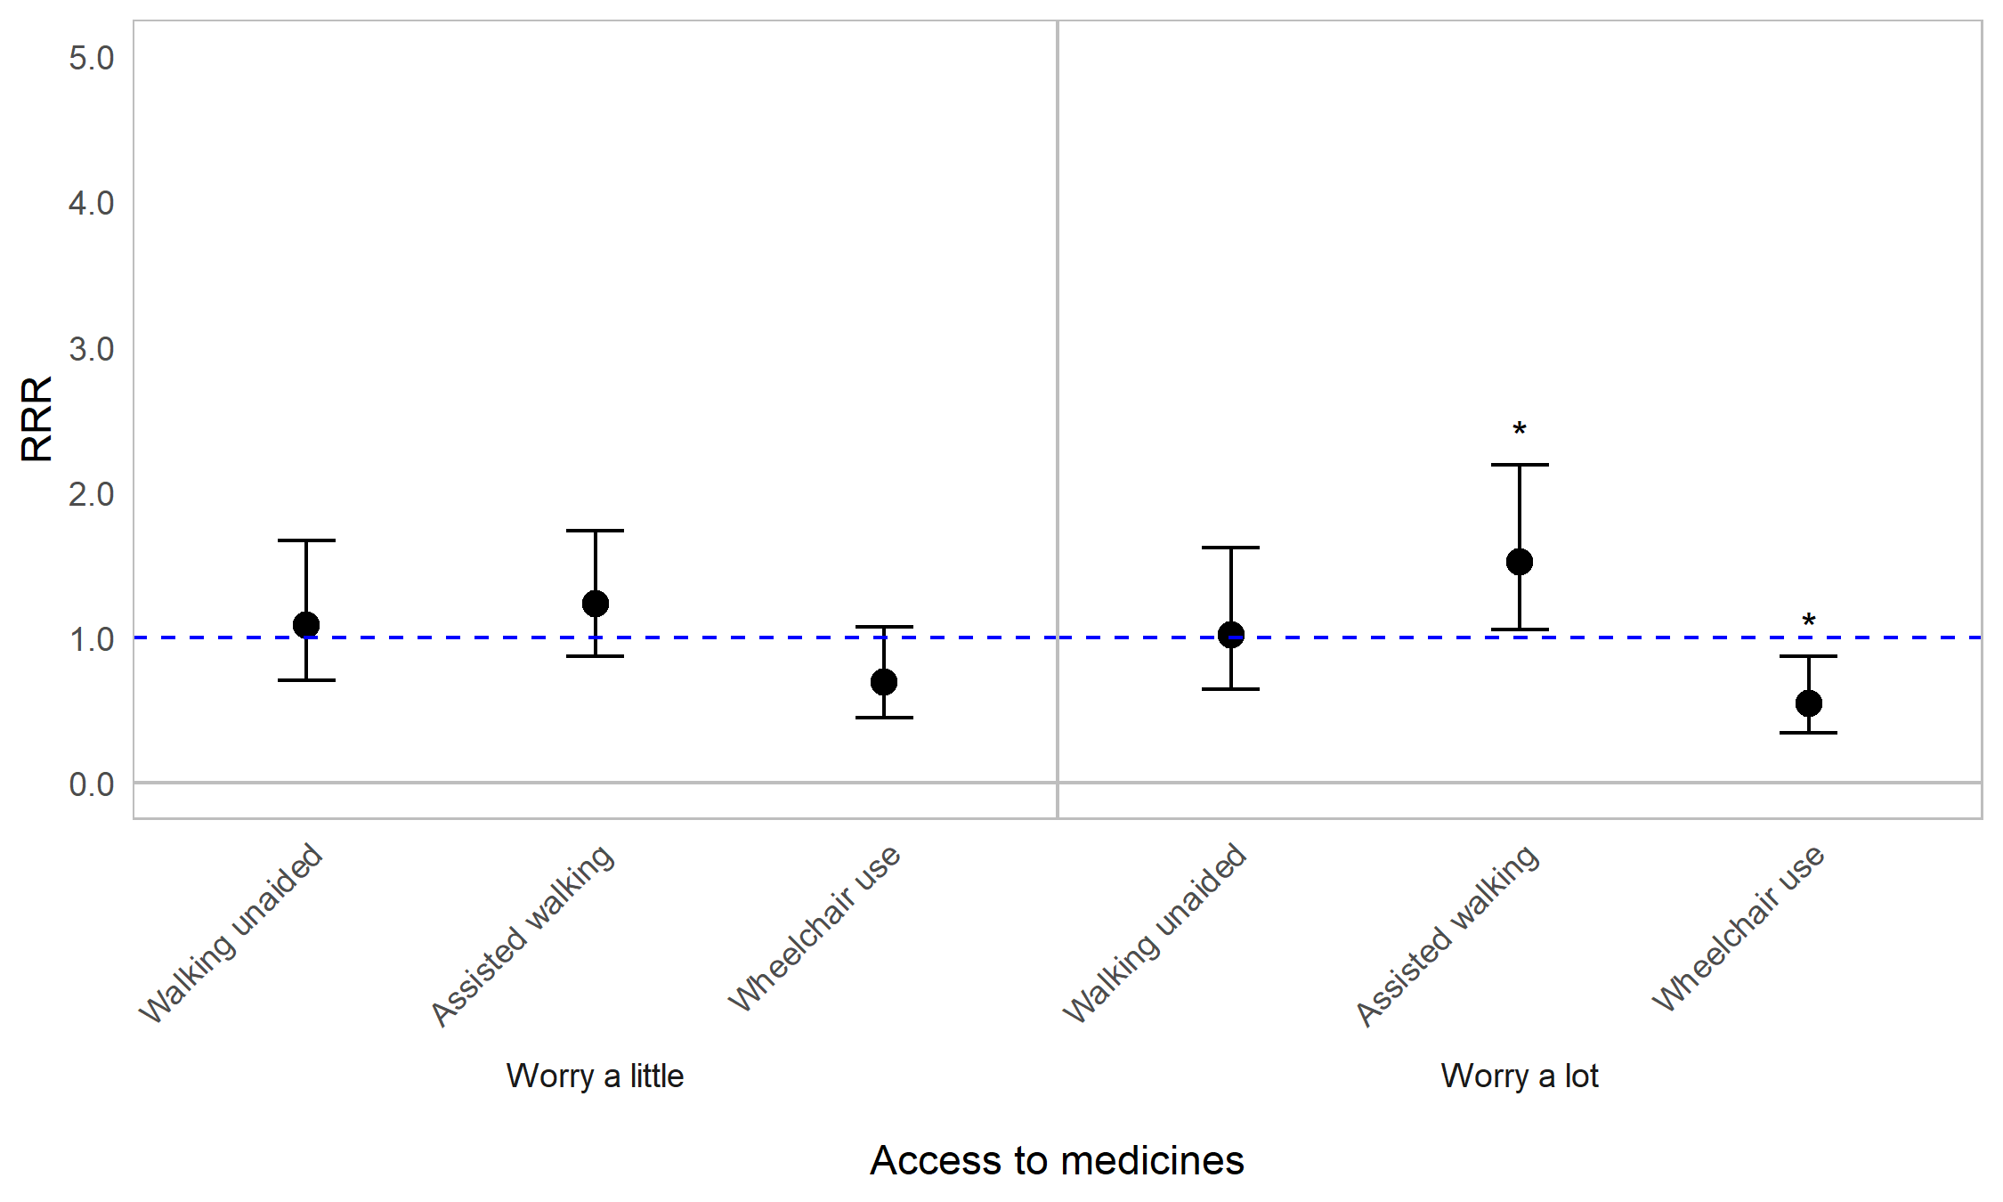
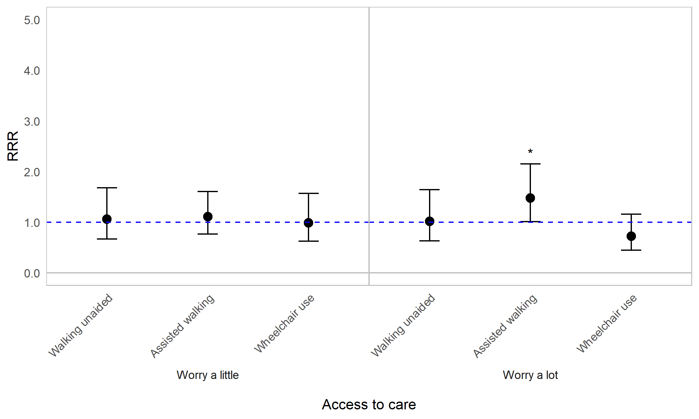
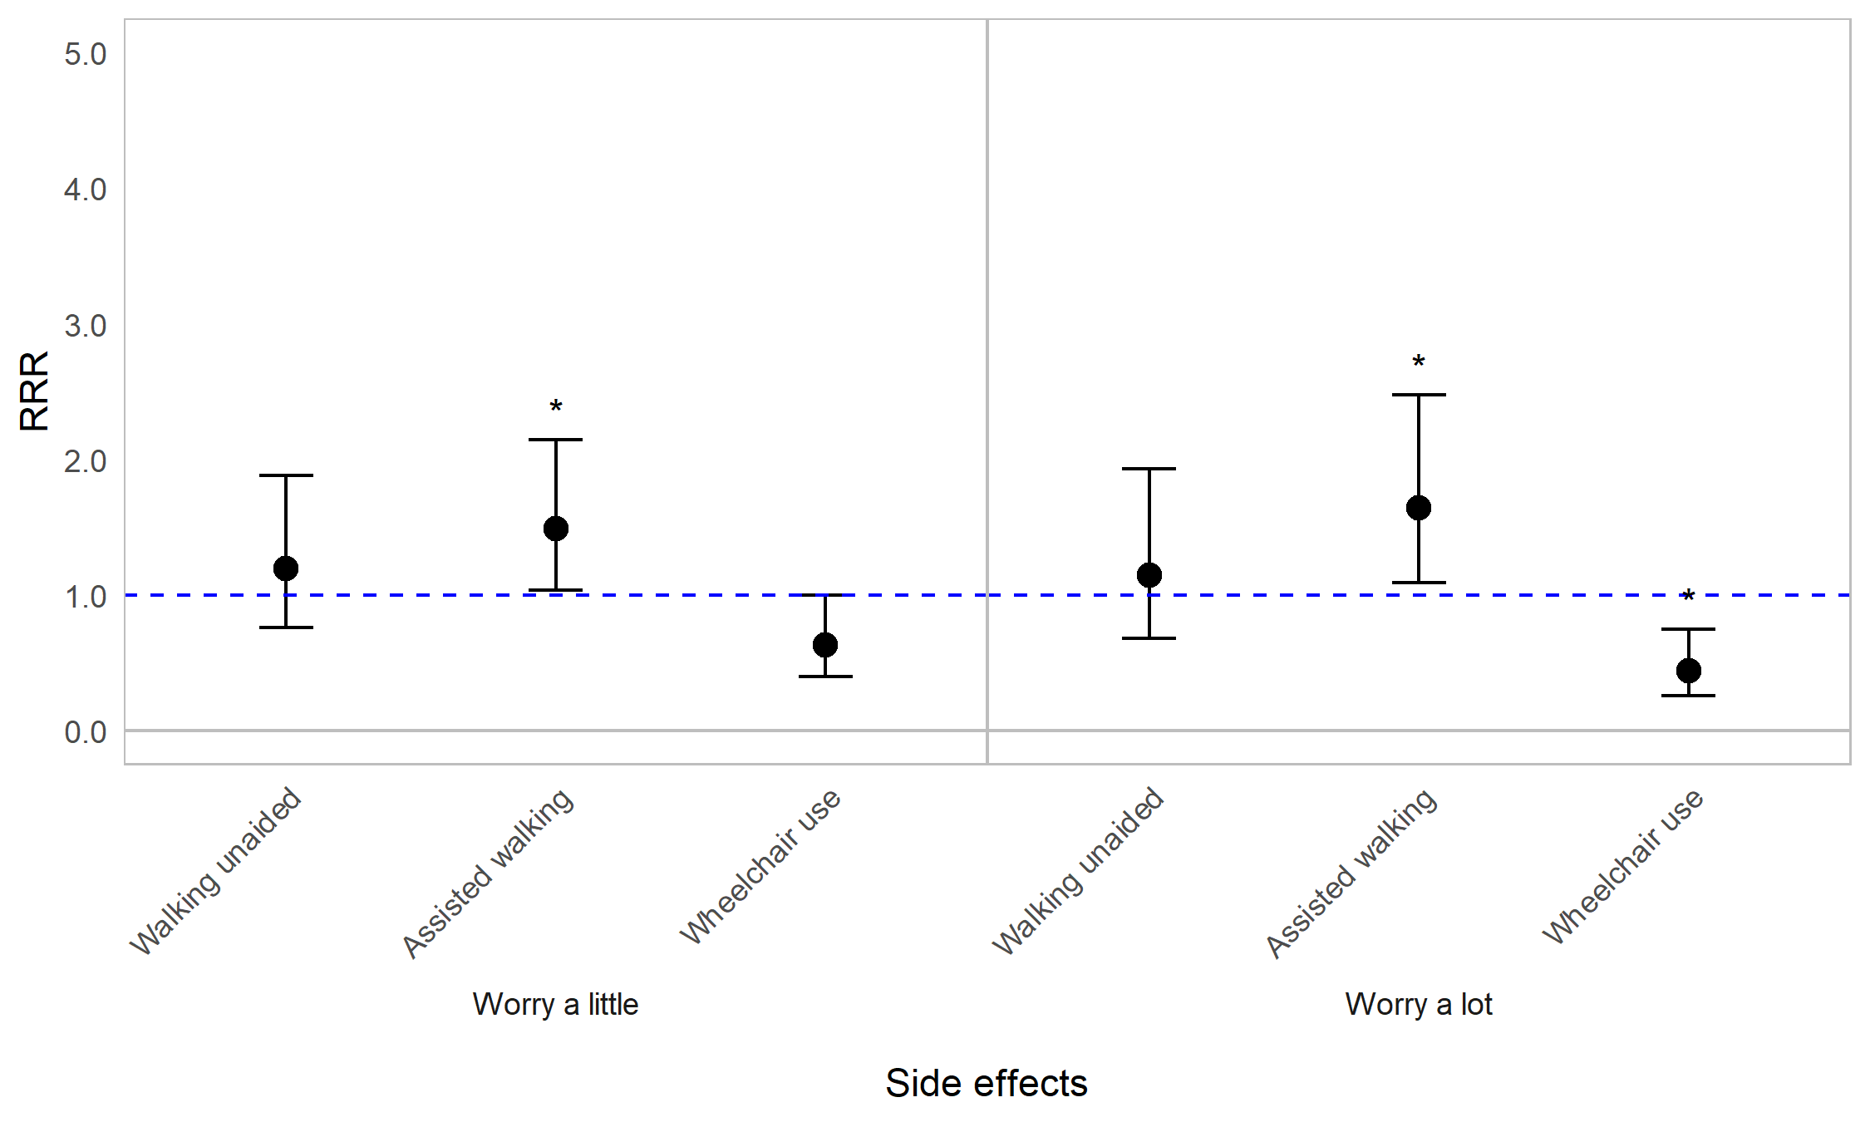

Appendix Figure 10F. Regression graph for mobility status and worrying about healthcare. The base line at y=1 represents individuals not in the specified mobility status subcategory. Points above this line indicate higher relative risk ratio for mobility status subgroups compared with the rest of the population (those not in the specified mobility subgroup). Error bars are 95% confidence intervals. Asterisks are shown for statistically significant associations (P≤0.05). Graph shows relative risk ratios (RRR).

Impact of OI on worrying about healthcare by household living arrangement
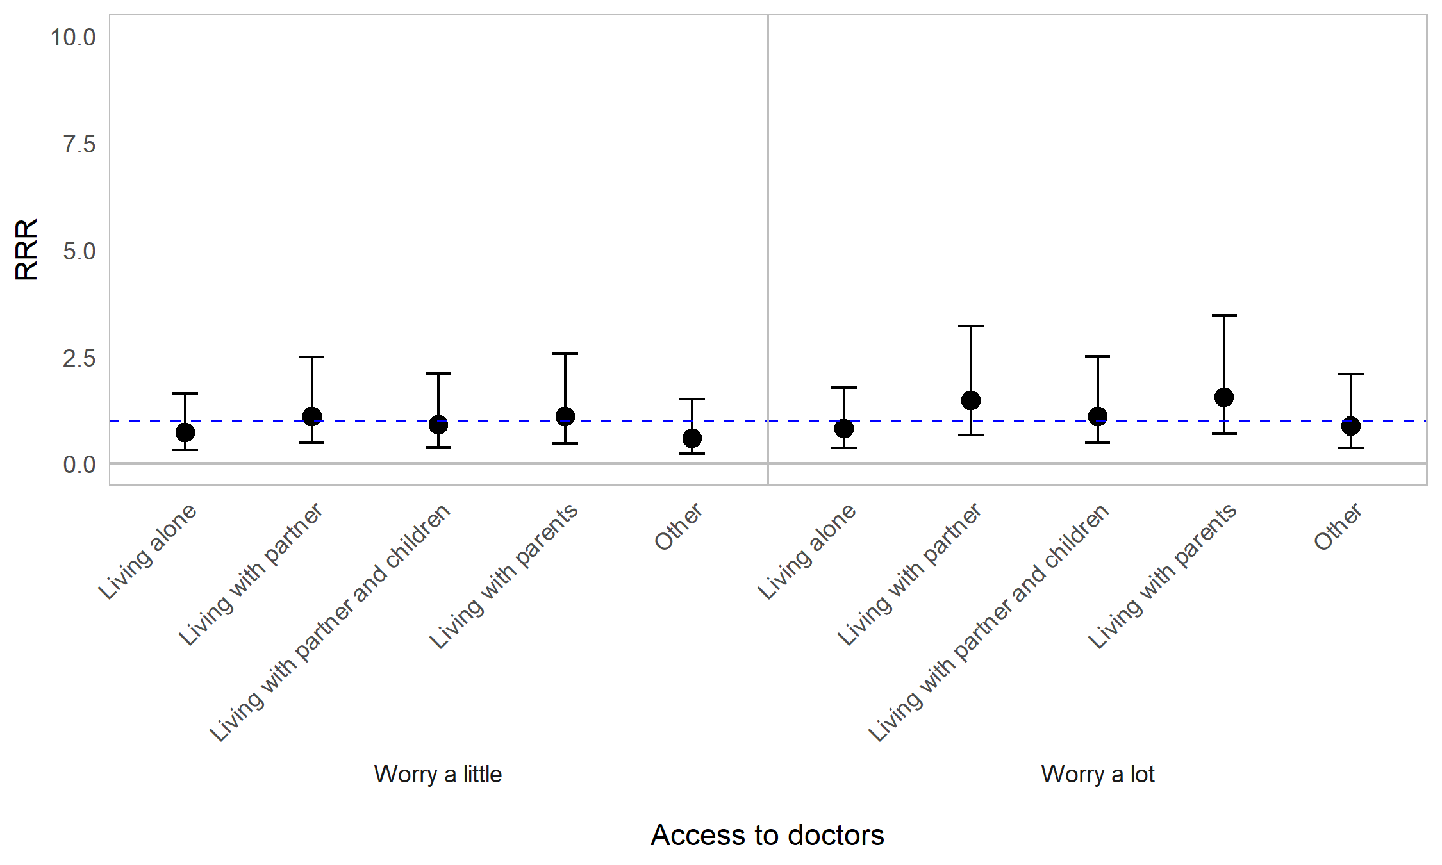
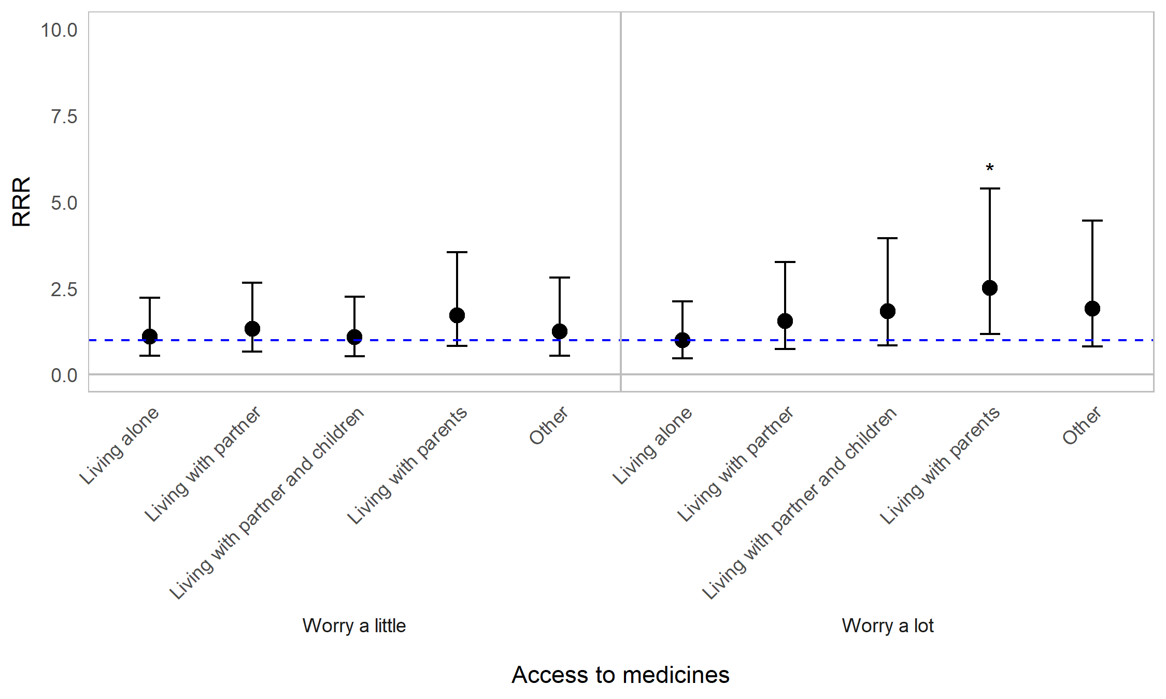
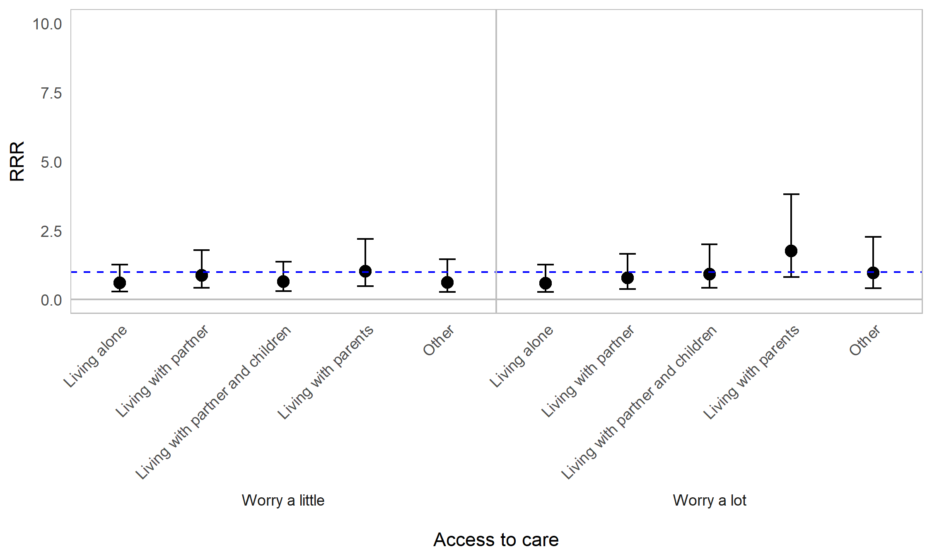
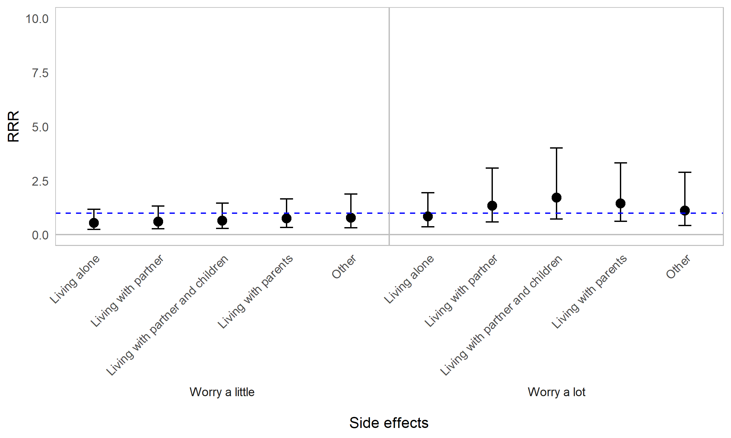

Appendix Figure 10G. Regression graph for household living arrangement and worrying about healthcare. The base line at y=1 represents individuals not in the specified living status subcategory. Points above this line indicate higher relative risk ratio for living status subgroups compared with the rest of the population (those not in the specified living subgroup). Error bars are 95% confidence intervals. Asterisks are shown for statistically significant associations (P≤0.05). Graph shows relative risk ratios (RRR).

Impact of OI on worrying about healthcare by employment status
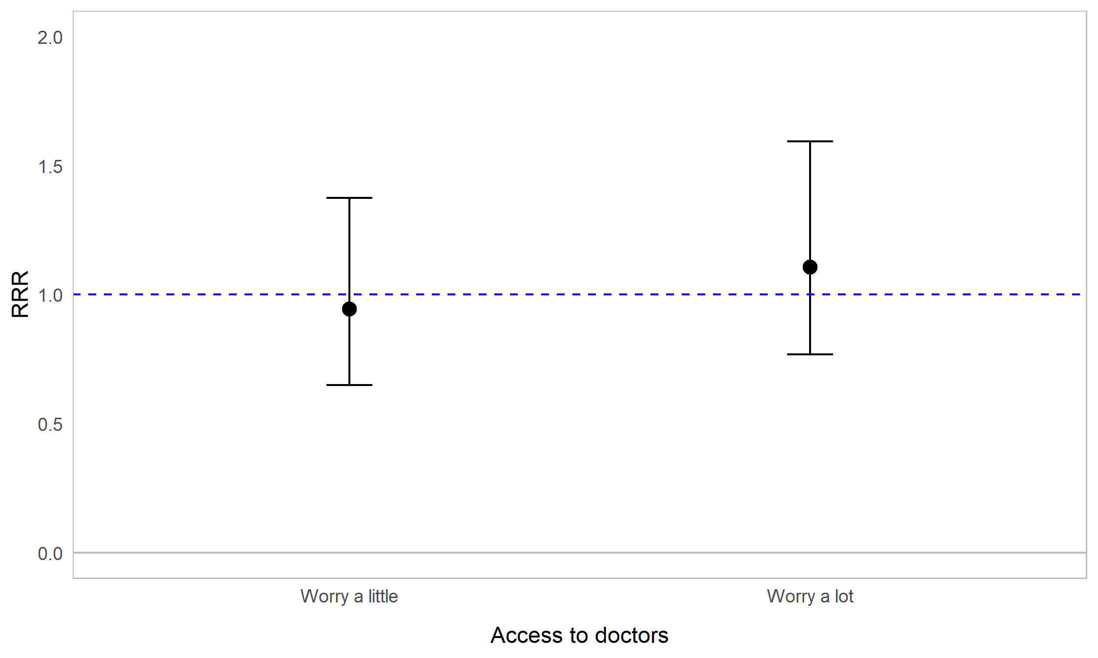
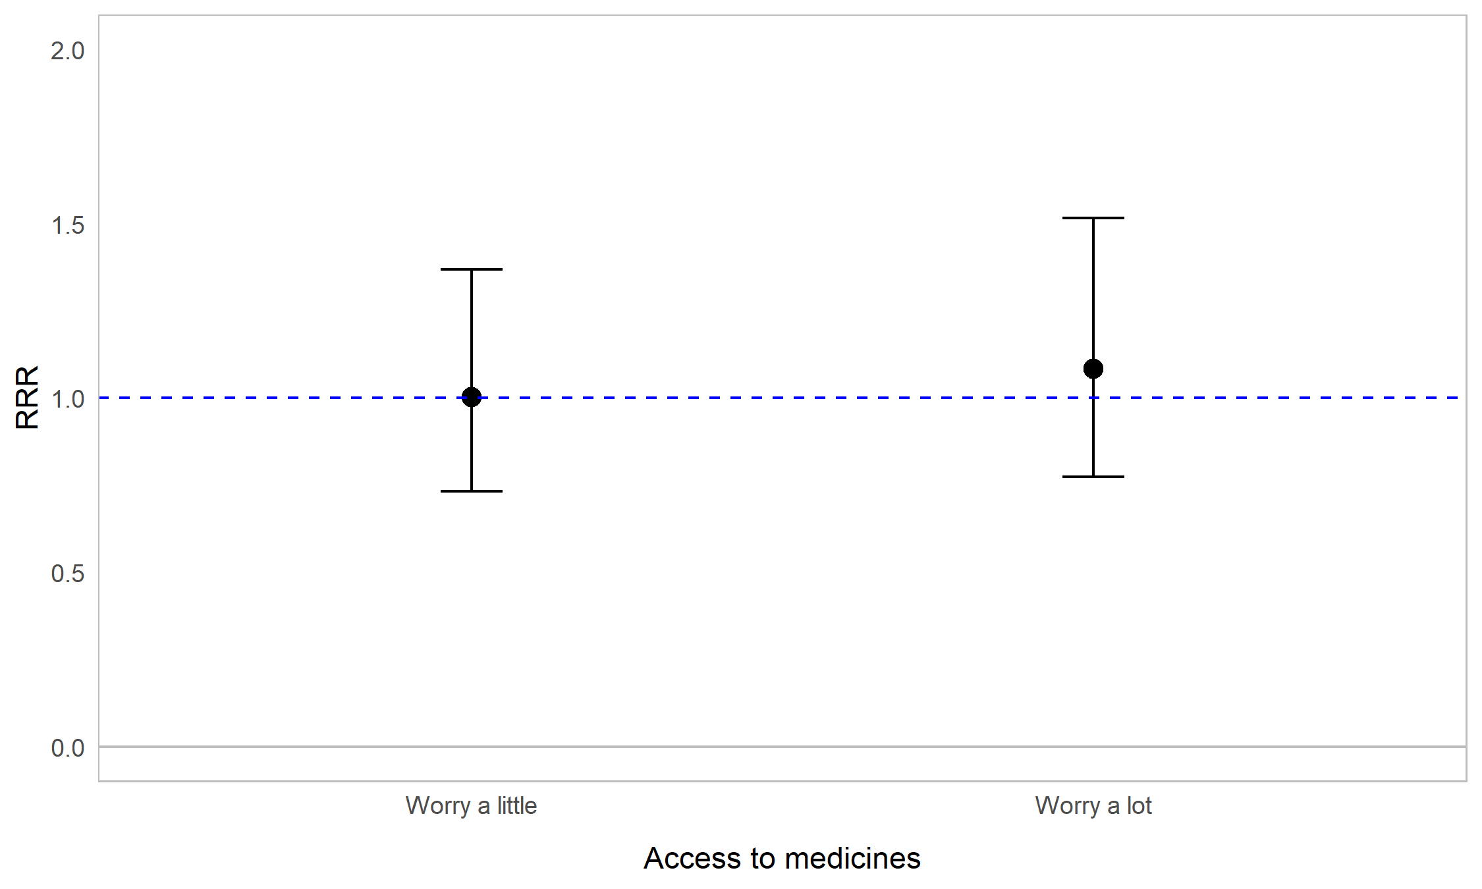
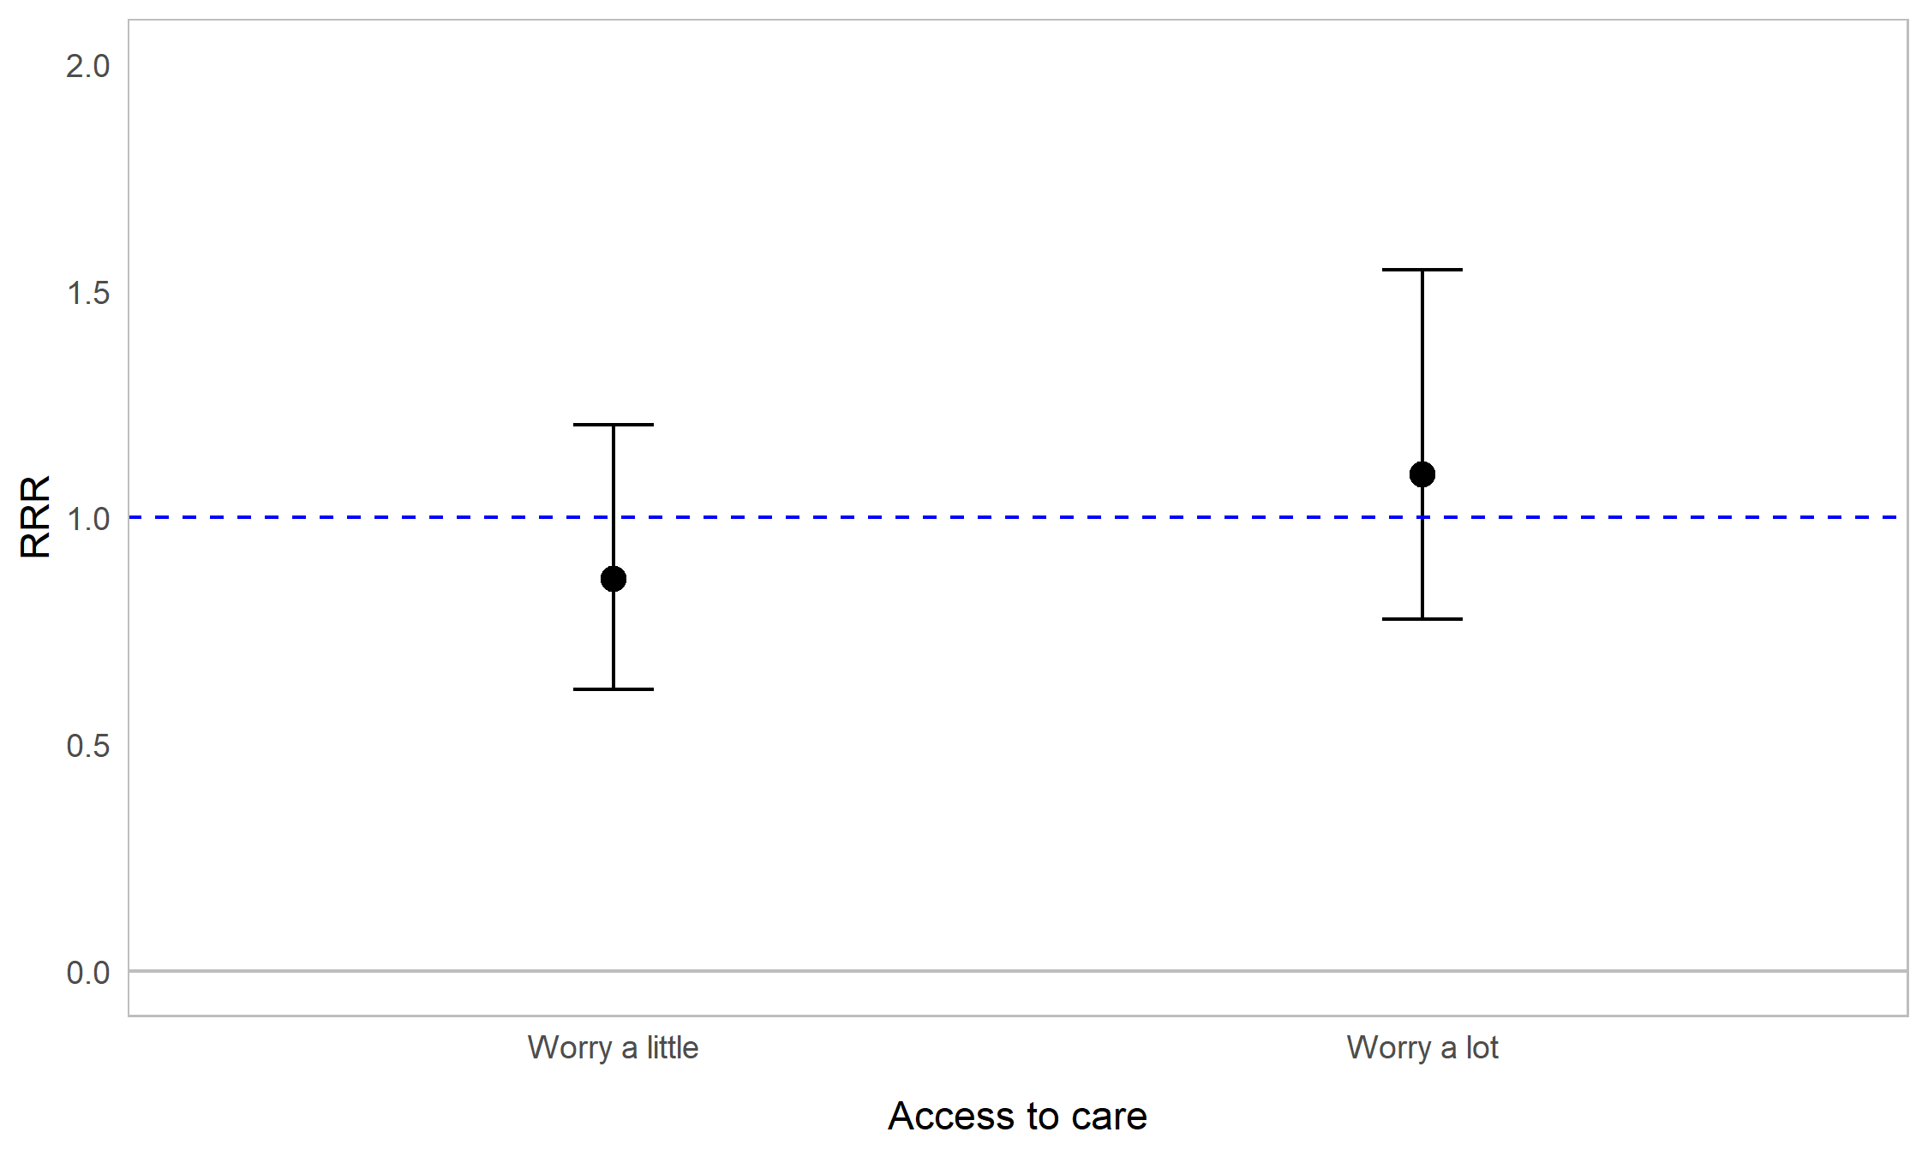
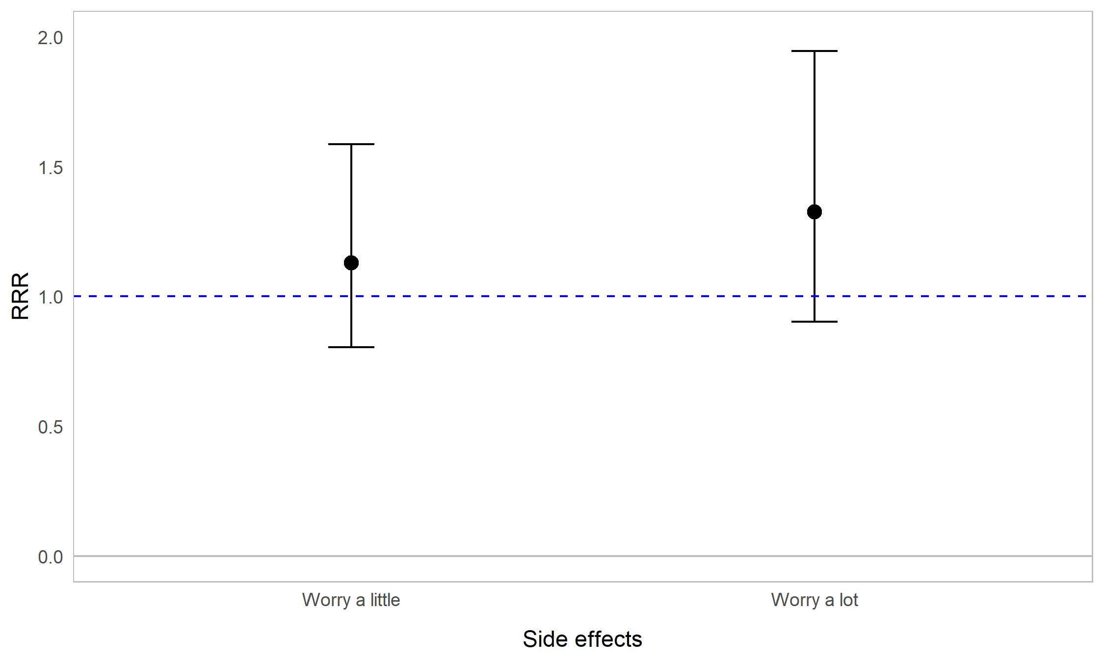

Appendix Figure 10H. Regression graph for employment status and worrying about healthcare. The base line at y=1 represents those in paid employment. Points above this line indicate higher relative risk ratio for unemployed respondents compared with employed respondents. Error bars are 95% confidence intervals. Asterisks are shown for statistically significant associations (P≤0.05). Graph shows relative risk ratios (RRR).

