C1C2 increased ini
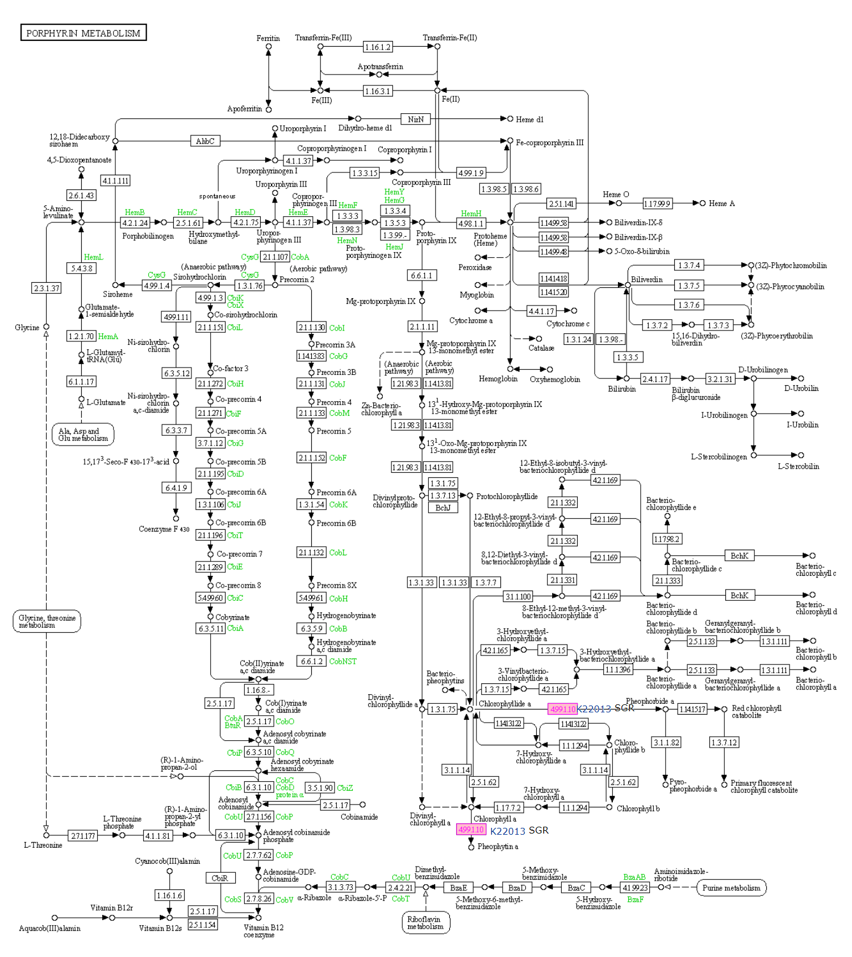
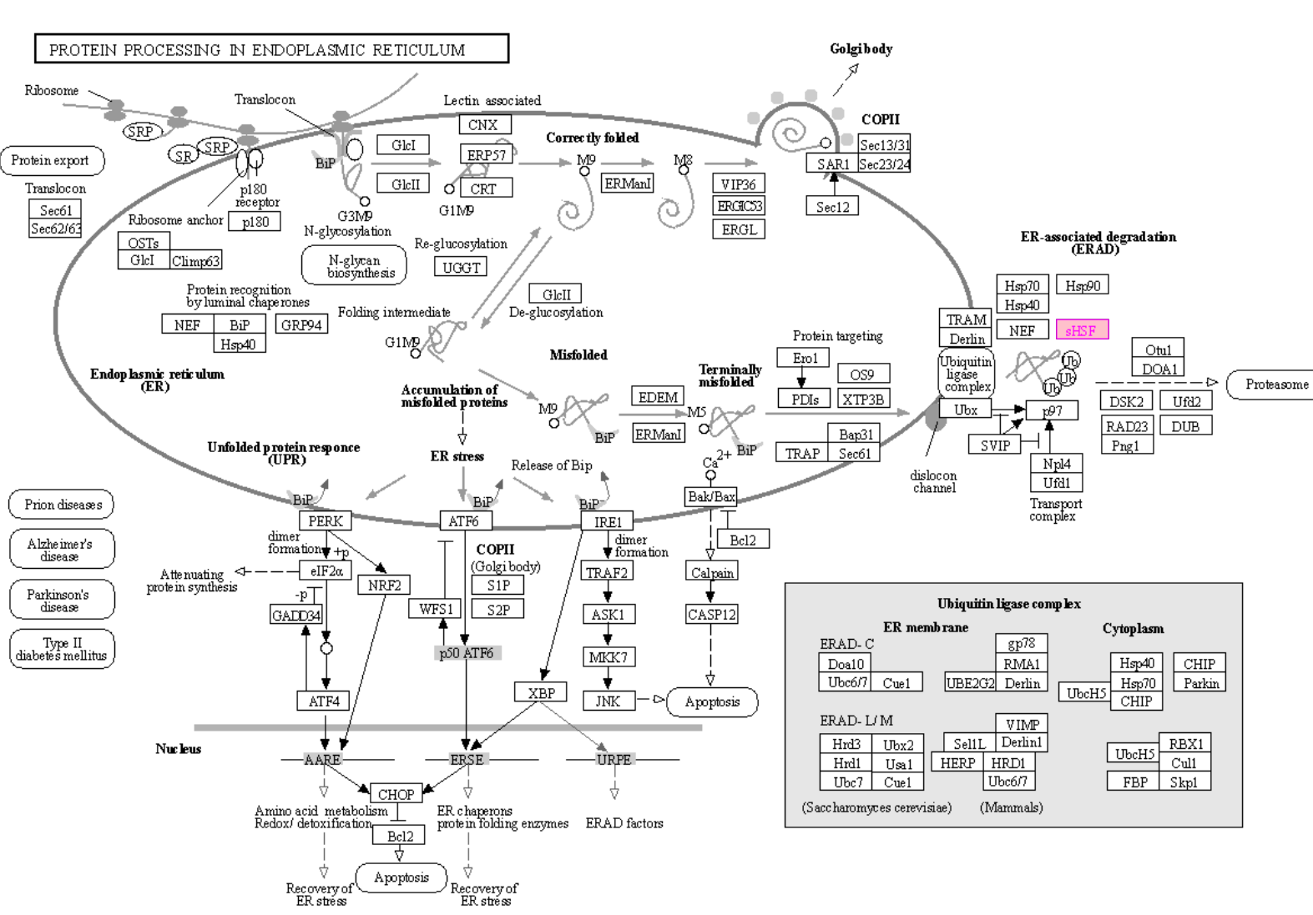
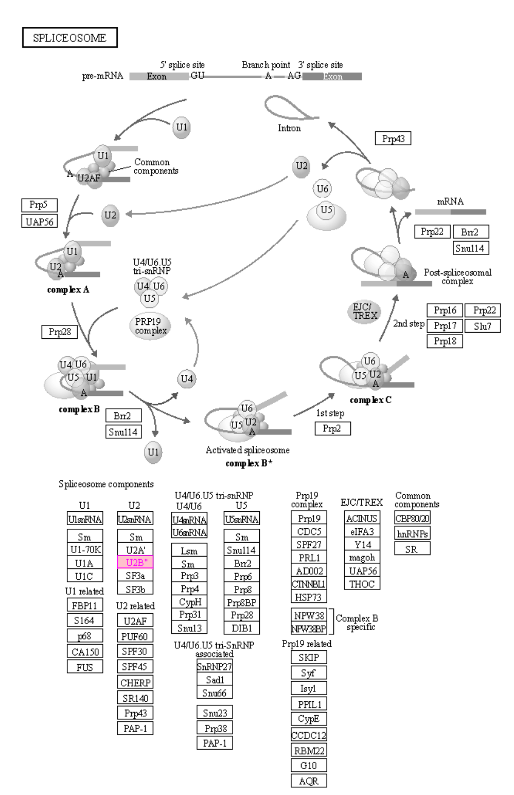
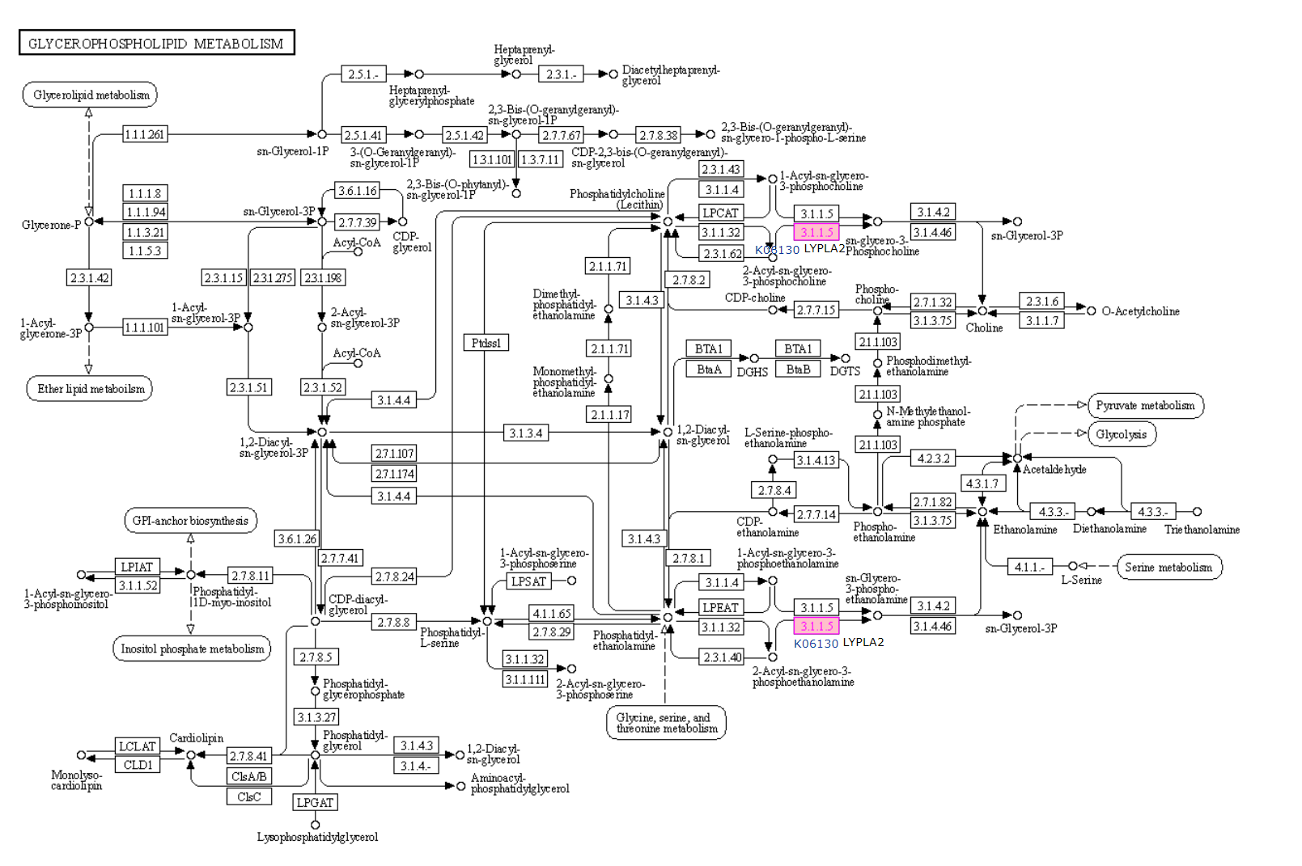
INPUT DATA
Contig | Raw_count_C1 | Raw_count_C2 | Normalized_C1 | Normalized_C2 | foldchange | KO | KO_description | ens_description | ens_description-2 | ens_gene | NOTE
Contig20715 | 0 | 10 | 0 | 8 | 9.6 | K21866 | POLLUX, DMI1, CASTOR; ion channel POLLUX/CASTOR | hypothetical | ion channel DMI1-like | DCAR_006675 | signal initiation
Contig1823 | 0 | 5 | 0 | 4 | 8.5 | K06130 | LYPLA2; lysophospholipase II [EC:3.1.1.5] | hypothetical |  | DCAR_003042
Contig8182 | 29 | 6766 | 20 | 6767 | 8.4 | K13993 | HSP20; HSP20 family protein | HSP21 | small heat shock protein, chloroplastic | DCAR_008975
Contig17754 | 0 | 4 | 0 | 3 | 8.2 | K11094 | SNRPB2; U2 small nuclear ribonucleoprotein B'' | hypothetical | U2 small nuclear ribonucleoprotein B''-like | DCAR_005705
Contig1527 | 0 | 3 | 0 | 2 | 7.8 | K03100 | lepB; signal peptidase I [EC:3.4.21.89] | hypothetical |  | DCAR_020941
Contig17310 | 0 | 3 | 0 | 2 | 7.8 | K22856 | EEF1AKMT2, EFM4, METTL10; EEF1A lysine methyltransferase 2 [EC:2.1.1.-] | hypothetical |  | DCAR_010720
Contig23694 | 0 | 3 | 0 | 2 | 7.8 | K22013 | SGR, SGRL; magnesium dechelatase [EC:4.99.1.10] | hypothetical | protein STAY-GREEN, chloroplastic-like | DCAR_000893
Contig23696 | 0 | 3 | 0 | 2 | 7.8 | K22013 | SGR, SGRL; magnesium dechelatase [EC:4.99.1.10] | hypothetical | protein STAY-GREEN, chloroplastic-like | DCAR_000893


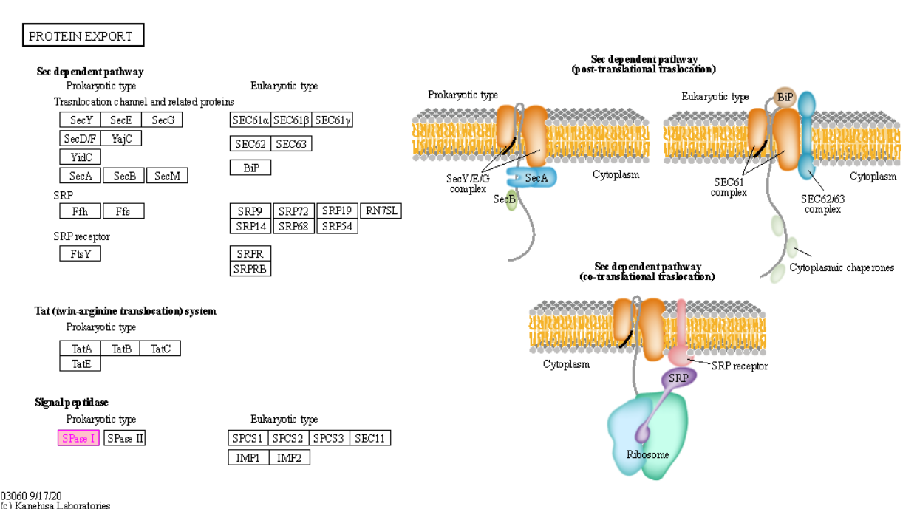
Metabolism
Global and overview maps | 01110 Biosynthesis of secondary metabolites (1)
Lipid metabolism | 00564 Glycerophospholipid metabolism (1)
Metabolism of cofactors and vitamins | 00860 Porphyrin metabolism (1)
Genetic Information Processing
Transcription | 03040 Spliceosome (1)
Folding, sorting and degradation | 03060 Protein export (1) | 04141 Protein processing in endoplasmic reticulum (1)

C1C2 increased acclimation
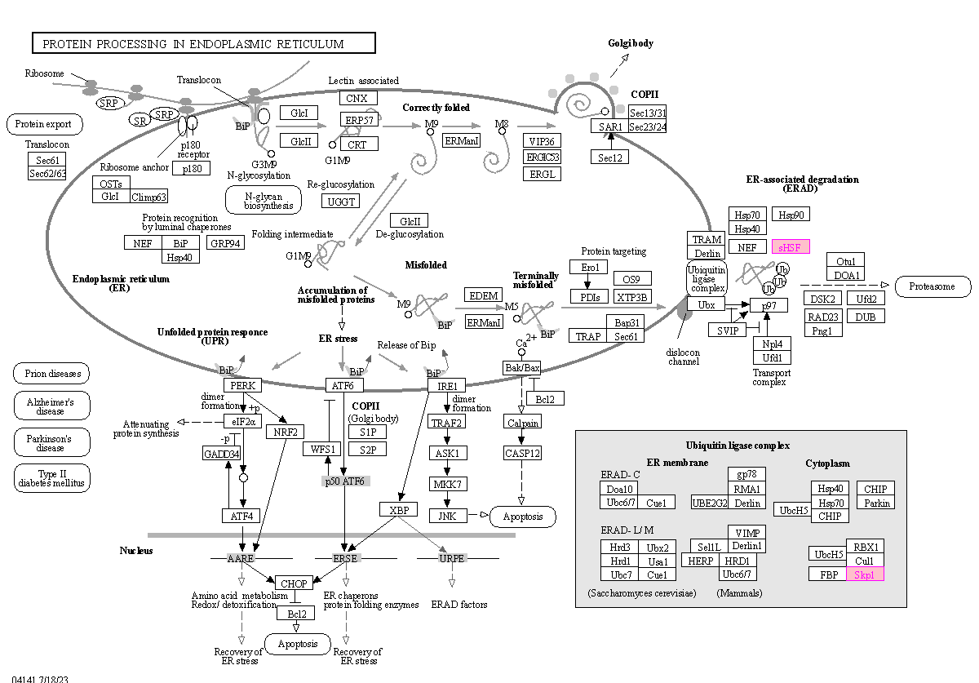
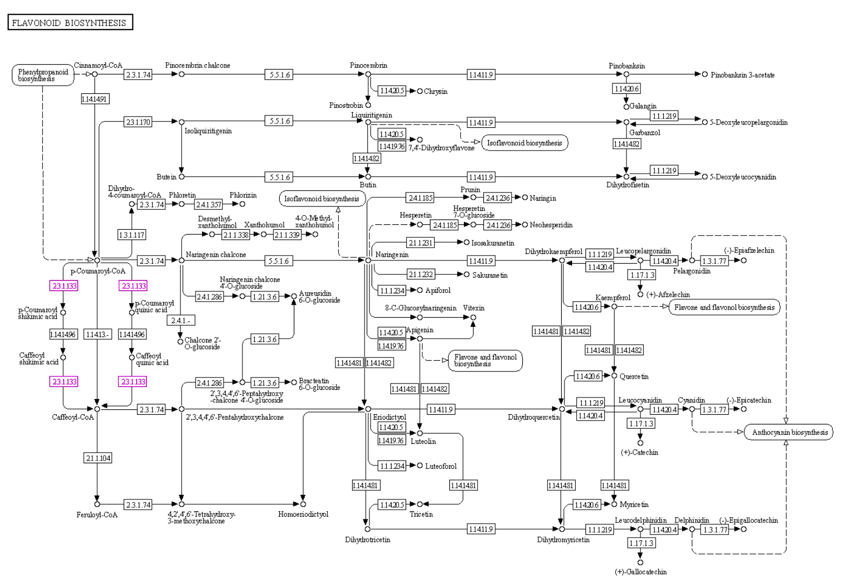
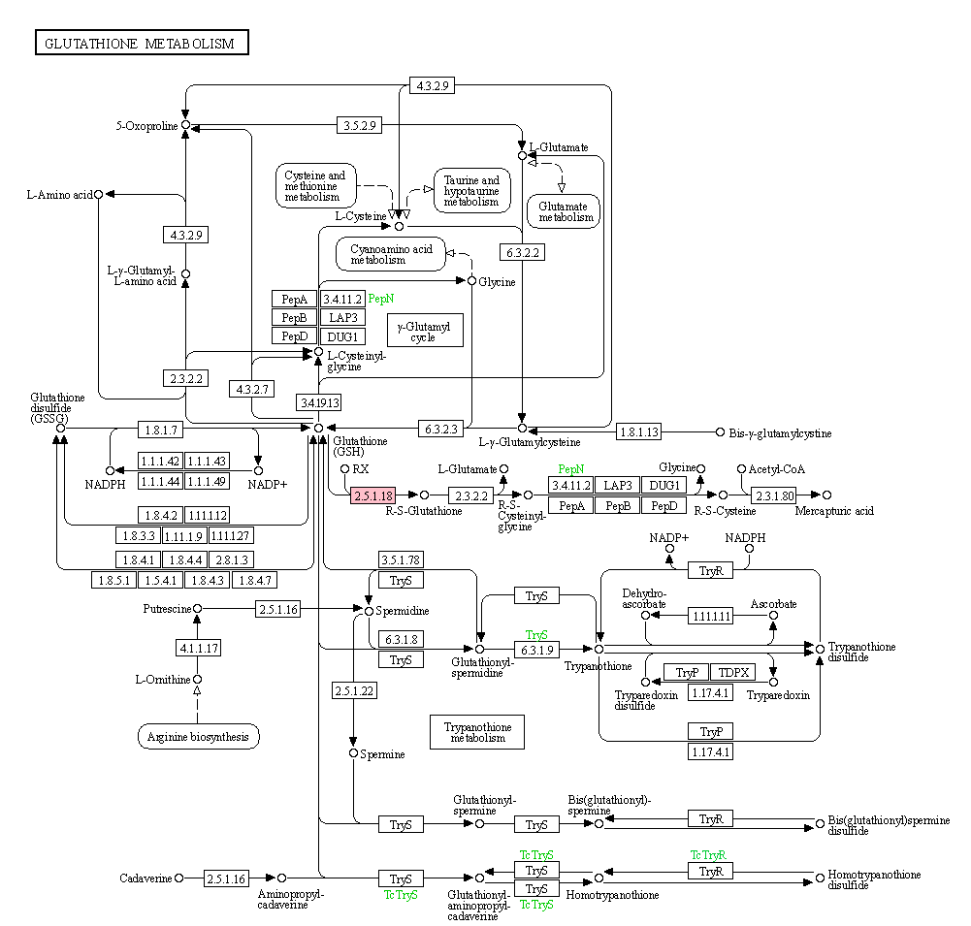
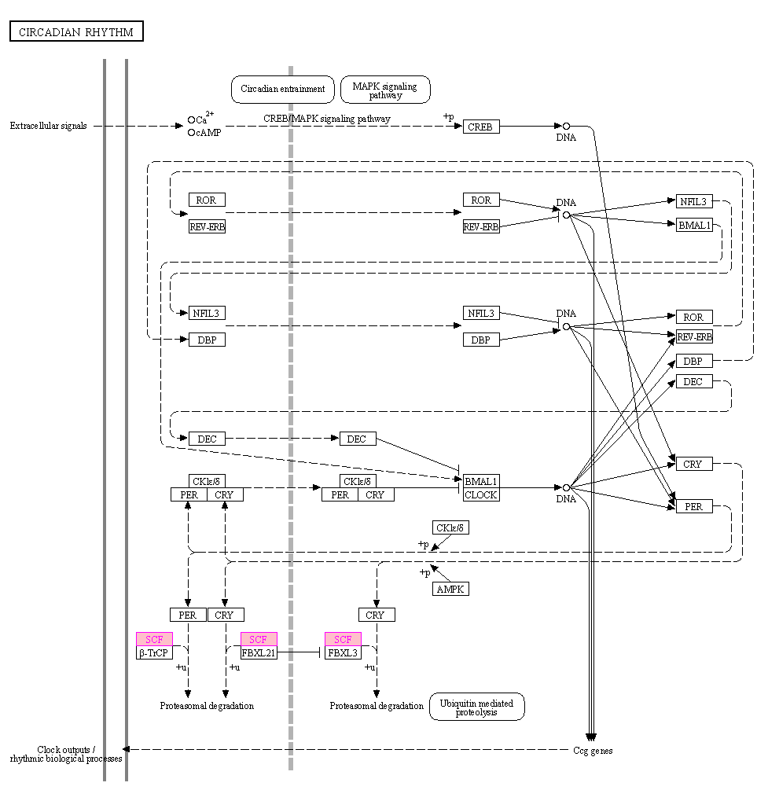
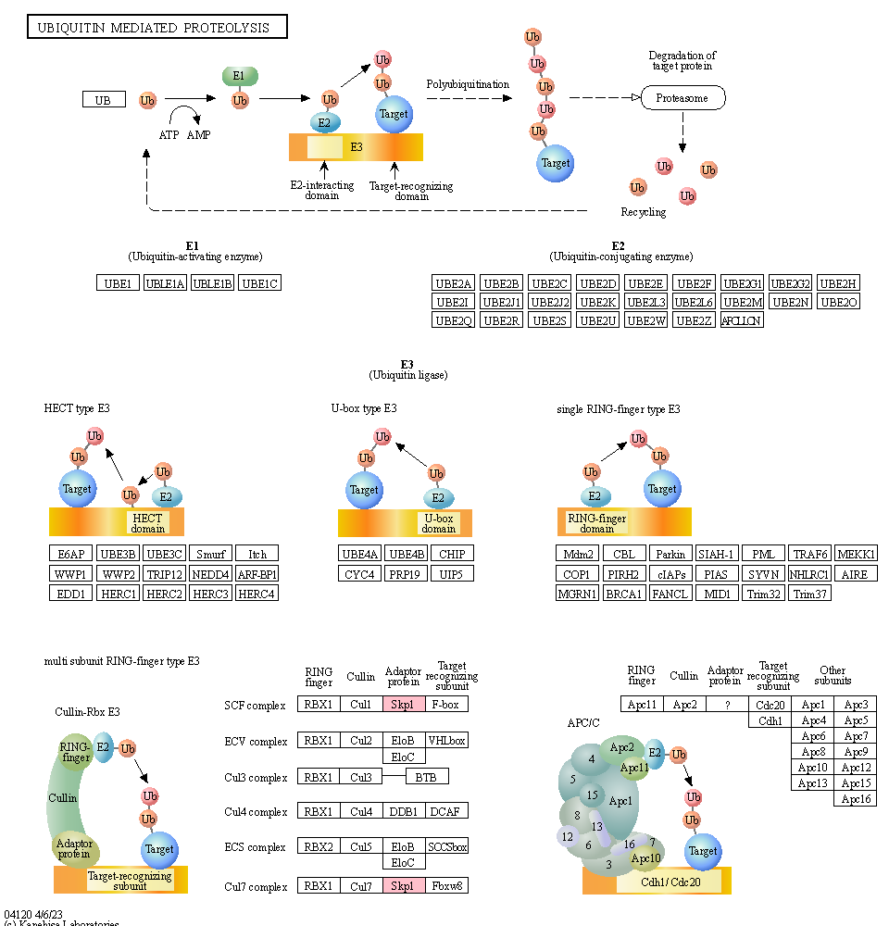
INPUT DATA
Contig | Raw_count_C1 | Raw_count_C2 | Normalized_C1 | Normalized_C2 | foldchange | KO | KO_description | ens_description | ens_description-2 | ens_gene | NOTE
Contig1370 | 1025 | 5025 | 775 | 4513 | 2.5 | K09489 | HSPA4; heat shock 70kDa protein 4 | Heat | heat shock 70 kDa protein 8 | DCAR_030628
Contig5639 | 171 | 1709 | 123 | 1446 | 3.6 | K00430 | E1.11.1.7; peroxidase [EC:1.11.1.7] | hypothetical | peroxidase 16-like | DCAR_014690
Contig19616 | 72 | 862 | 51 | 720 | 3.8 | K07304 | msrA; peptide-methionine (S)-S-oxide reductase [EC:1.8.4.11] | hypothetical | peptide methionine sulfoxide reductase A3-like | DCAR_009460
Contig10791 | 67 | 591 | 48 | 472 | 3.3 | K23977 | GTK; L-glutamine---4-(methylsulfanyl)-2-oxobutanoate aminotransferase [EC:2.6.1.117] | hypothetical | probable N-succinyldiaminopimelate aminotransferase DapC | DCAR_017393
Contig10790 | 60 | 527 | 42 | 417 | 3.3 | K23977 | GTK; L-glutamine---4-(methylsulfanyl)-2-oxobutanoate aminotransferase [EC:2.6.1.117] | hypothetical | probable N-succinyldiaminopimelate aminotransferase DapC | DCAR_017393
Contig20938 | 72 | 428 | 51 | 338 | 2.7 | K00799 | GST, gst; glutathione S-transferase [EC:2.5.1.18] | hypothetical | glutathione S-transferase U17-like | DCAR_026583
Contig2842 | 46 | 385 | 32 | 309 | 3.3 | K15378 | SLC45A1_2_4; solute carrier family 45, member 1/2/4 | hypothetical | sucrose transport protein-like | DCAR_014266
Contig1570 | 12 | 261 | 8 | 206 | 4.7 | K00799 | GST, gst; glutathione S-transferase [EC:2.5.1.18] | hypothetical |  | DCAR_012145
Contig19439 | 54 | 212 | 38 | 168 | 2.1 | K17907 | ATG9; autophagy-related protein 9 | hypothetical |  | DCAR_000939
Contig24656 | 40 | 210 | 28 | 167 | 2.6 | K13993 | HSP20; HSP20 family protein | hypothetical | 17.1 kDa class II heat shock protein-like | DCAR_021555
Contig15205 | 38 | 146 | 27 | 118 | 2.2 | K09705 | K09705; uncharacterized protein | hypothetical | uncharacterized LOC108211426 | DCAR_010492
Contig24162 | 17 | 135 | 12 | 109 | 3.2 | K12639 | CYP724, D11; steroid 22S-hydroxylase [EC:1.14.14.178] | hypothetical |  | DCAR_021741
Contig24657 | 28 | 113 | 19 | 91 | 2.2 | K13993 | HSP20; HSP20 family protein | hypothetical | 17.1 kDa class II heat shock protein-like | DCAR_021555
Contig7707 | 21 | 105 | 15 | 84 | 2.5 | K13065 | E2.3.1.133, HCT; shikimate O-hydroxycinnamoyltransferase [EC:2.3.1.133] | hypothetical | acetyl-CoA-benzylalcohol acetyltransferase-like | DCAR_000928
Contig24660 | 13 | 99 | 9 | 79 | 3.2 | K13993 | HSP20; HSP20 family protein | hypothetical | 17.1 kDa class II heat shock protein-like | DCAR_021555
Contig10254 | 24 | 88 | 17 | 71 | 2.1 | K09338 | HD-ZIP; homeobox-leucine zipper protein | hypothetical |  | DCAR_020355
Contig1270 | 23 | 86 | 16 | 69 | 2.1 | K14820 | BRX1, BRIX1; ribosome biogenesis protein BRX1 | hypothetical |  | DCAR_019543
Contig18679 | 19 | 83 | 13 | 66 | 2.4 | K22706 | UGT85A19; (R)-mandelonitrile beta-glucosyltransferase [EC:2.4.1.354] | UDP-glycosyltransferase |  | DCAR_028044
Contig23703 | 13 | 75 | 9 | 60 | 2.8 | K22013 | SGR, SGRL; magnesium dechelatase [EC:4.99.1.10] | hypothetical |  | DCAR_008432
Contig19989 | 12 | 51 | 8 | 41 | 2.3 | K02986 | RP-S4, rpsD; small subunit ribosomal protein S4 | ribosomal |  | DCAR_032455
Contig22637 | 9 | 48 | 6 | 38 | 2.7 | K03094 | SKP1, CBF3D; S-phase kinase-associated protein 1 | hypothetical | SKP1-like protein 1A | DCAR_003173

Metabolism
Global and overview maps | 01100 Metabolic pathways (6) | 01110 Biosynthesis of secondary metabolites (5)
Amino acid metabolism | 00270 Cysteine and methionine metabolism (1)
Metabolism of other amino acids | 00460 Cyanoamino acid metabolism (1) | 00480 Glutathione metabolism (1)
Metabolism of cofactors and vitamins | 00860 Porphyrin metabolism (1)
Metabolism of terpenoids and polyketides | 00905 Brassinosteroid biosynthesis (1)
Biosynthesis of other secondary metabolites | 00940 Phenylpropanoid biosynthesis (2) | 00945 Stilbenoid, diarylheptanoid and gingerol biosynthesis (1) | 00941 Flavonoid biosynthesis (1)
Genetic Information Processing
Translation | 03010 Ribosome (1)
Folding, sorting and degradation | 04141 Protein processing in endoplasmic reticulum (2) | 04120 Ubiquitin mediated proteolysis (1)
Chromosome | 03083 Polycomb repressive complex (1)

C1C2 decreased ini
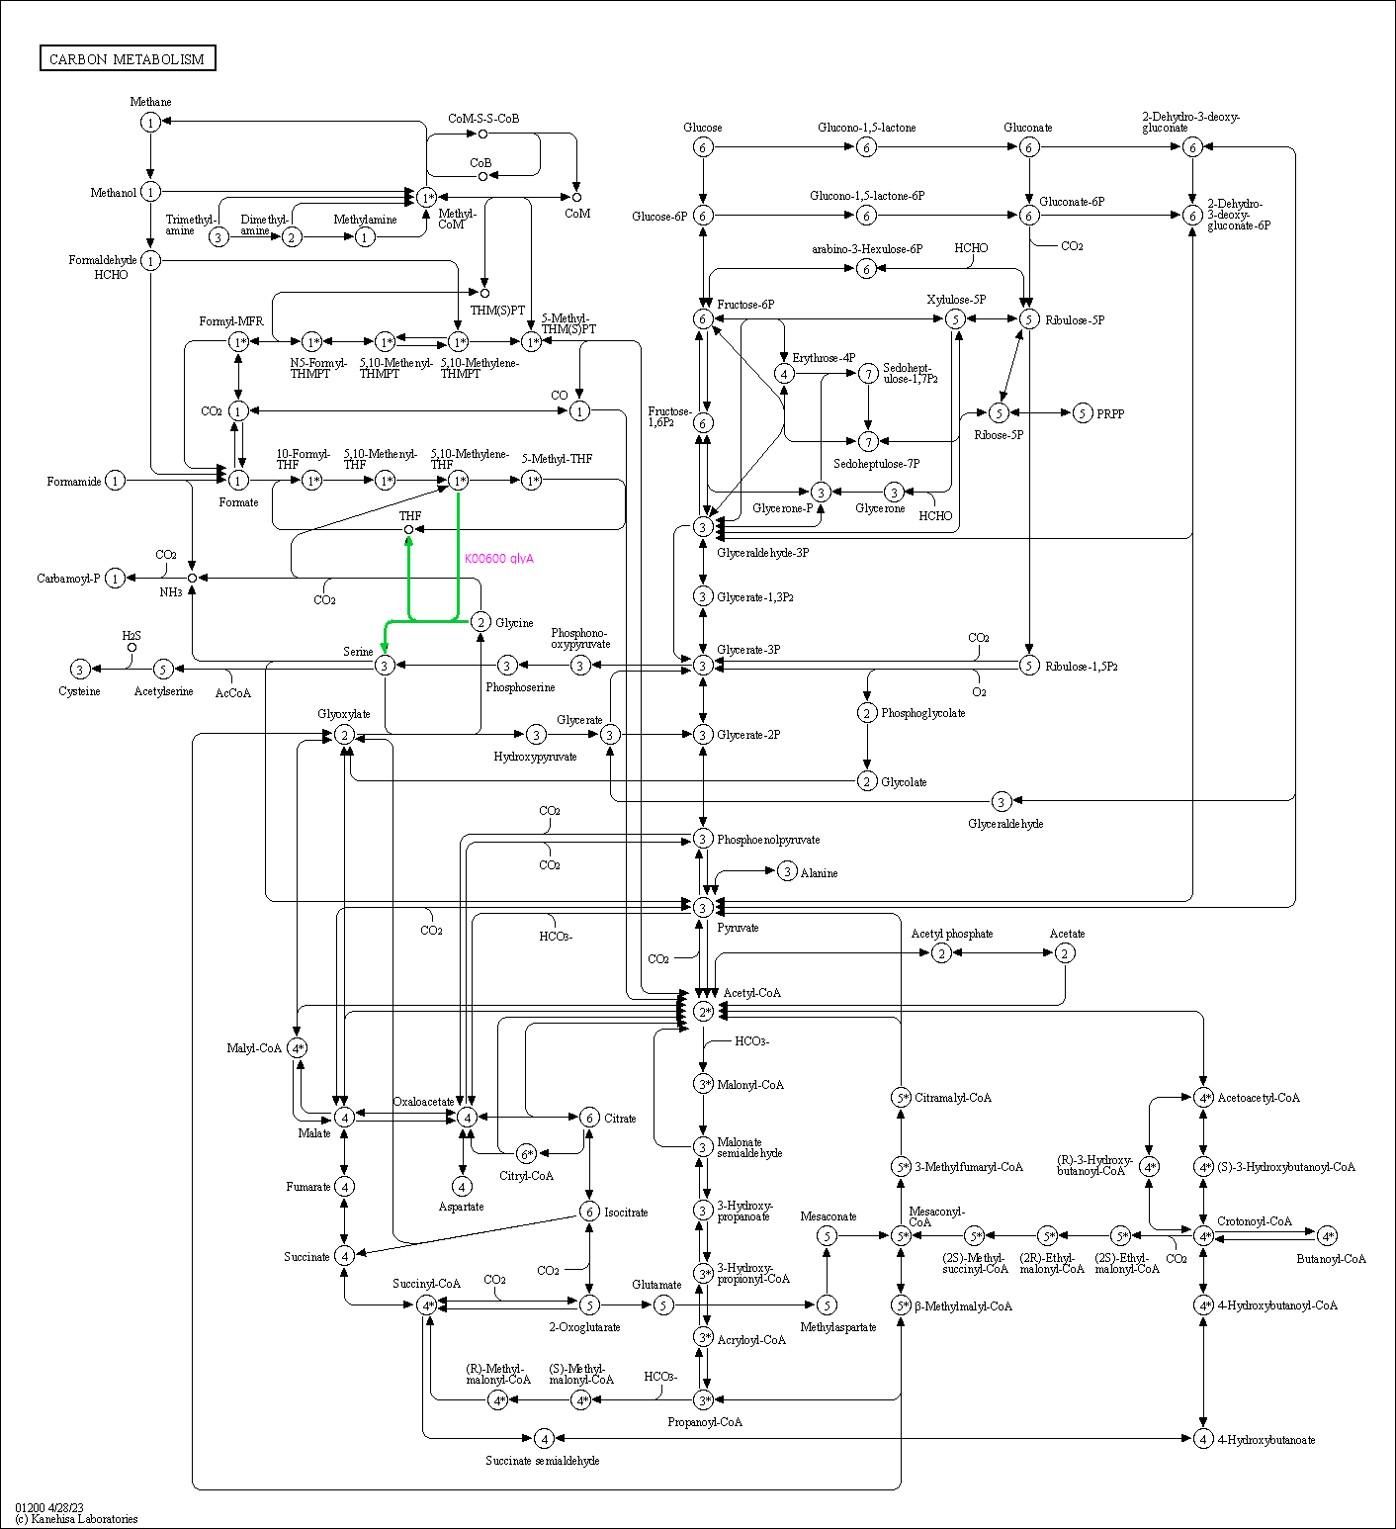
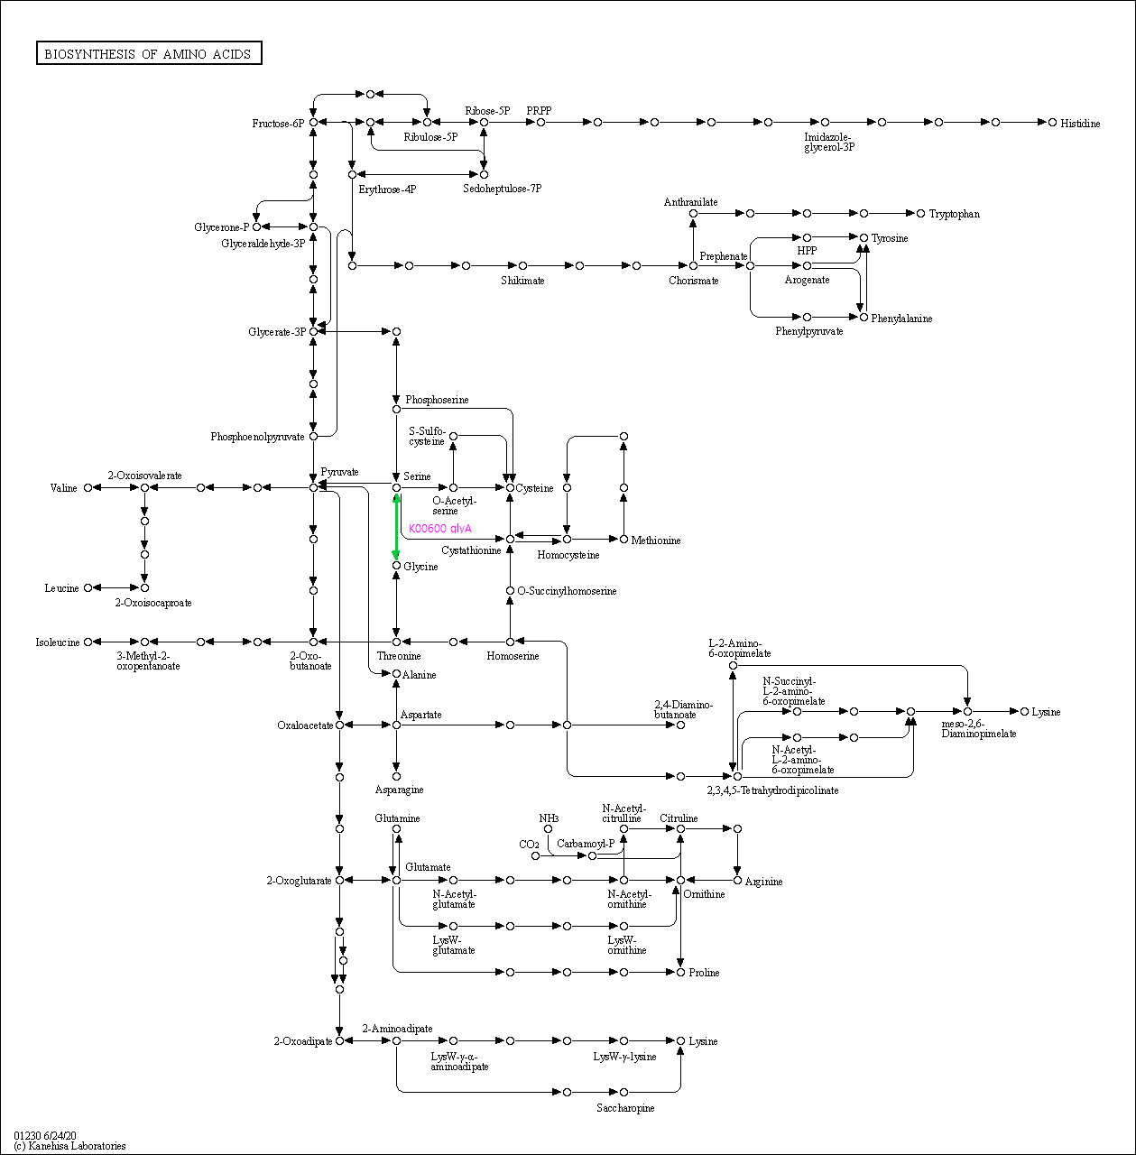
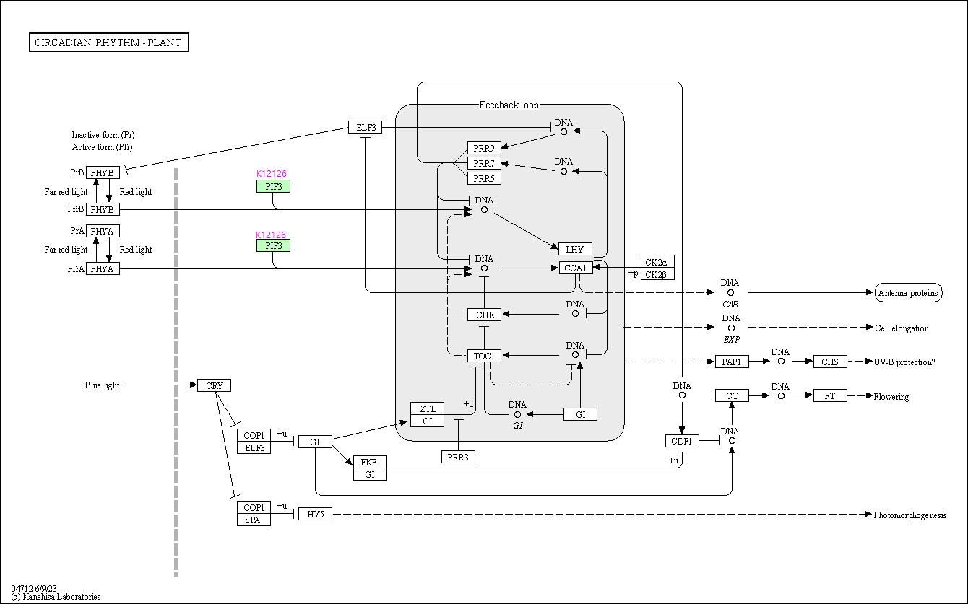
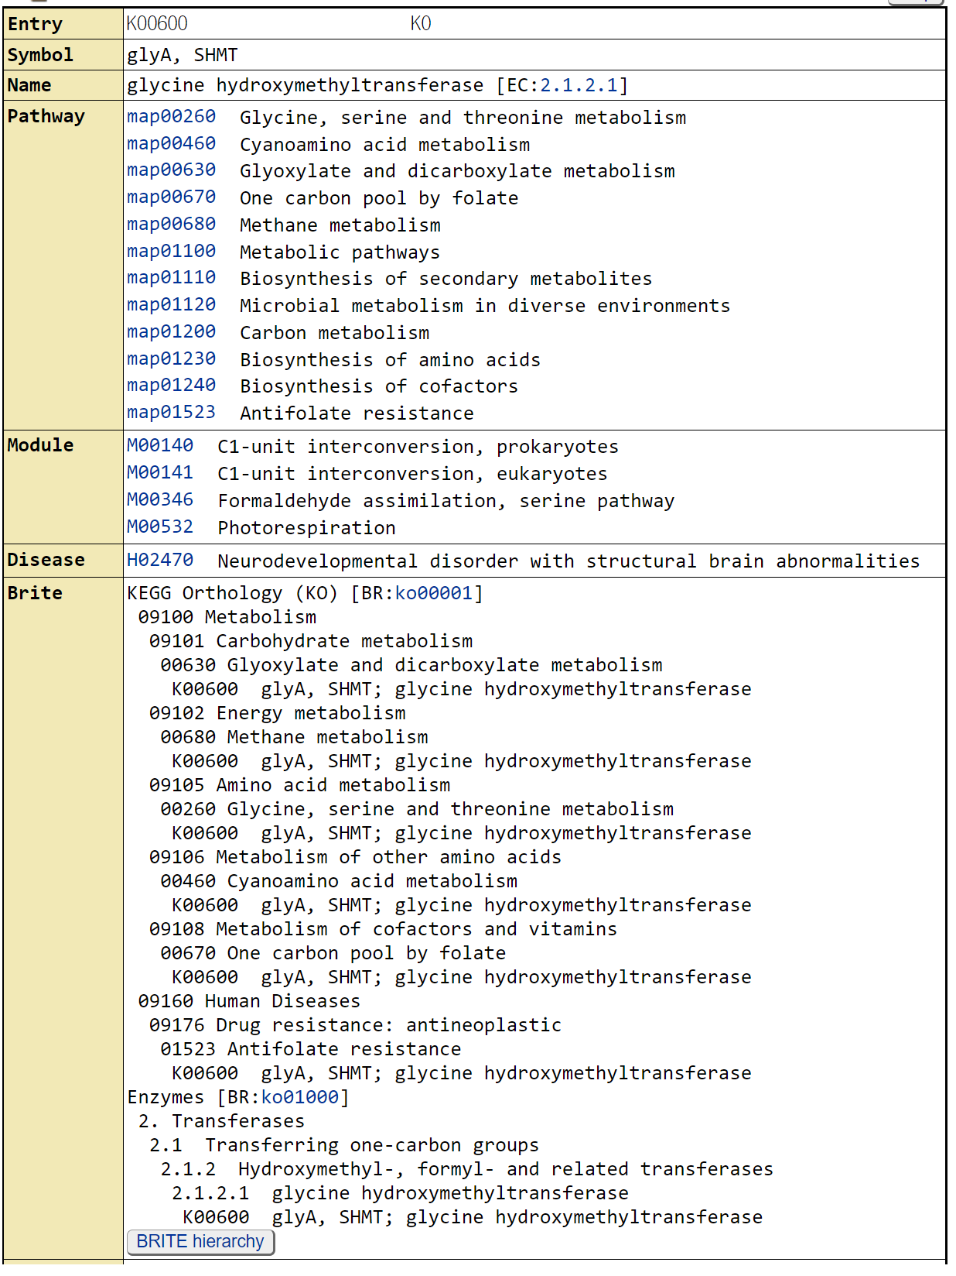
INPUT DATA
Contig | Raw_count_C1 | Raw_count_C2 | Normalized_C1 | Normalized_C2 | foldchange | KO | KO_description | ens_description | ens_description-2 | ens_gene | NOTE
Contig1941 | 12 | 0 | 8 | 0 | -9.0 | K17866 | DPH2; diphthamide biosynthesis protein 2 | hypothetical | diphthamide biosynthesis protein 2 | DCAR_028436 | Ambient temp adaptation initiation
Contig12148 | 12 | 0 | 8 | 0 | -9.0 | K00600 | glyA, SHMT; glycine hydroxymethyltransferase [EC:2.1.2.1] | serine |  | DCAR_012841 | Ambient temp adaptation initiation
Contig15661 | 10 | 0 | 7 | 0 | -8.7 | K03070 | secA; preprotein translocase subunit SecA [EC:7.4.2.8] | hypothetical | protein translocase subunit SECA2, chloroplastic | DCAR_022875 | Ambient temp adaptation initiation
Contig184 | 8 | 0 | 5 | 0 | -8.4 | K11824 | AP2A; AP-2 complex subunit alpha | hypothetical | AP-2 complex subunit alpha-2-like | DCAR_015485 | Ambient temp adaptation initiation
Contig22415 | 8 | 0 | 5 | 0 | -8.4 | K12126 | PIF3; phytochrome-interacting factor 3 | hypothetical |  | DCAR_029297 | Ambient temp adaptation initiation
Contig24549 | 6 | 0 | 4 | 0 | -7.9 | K08243 | CHR; chalcone reductase | hypothetical | non-functional NADPH-dependent codeinone reductase 2-like | DCAR_030312 | Ambient temp adaptation initiation
Contig3127 | 4 | 0 | 2 | 0 | -7.2 | K09284 | AP2; AP2-like factor, euAP2 lineage | hypothetical |  | DCAR_006477 | Ambient temp adaptation initiation
Contig11715 | 4 | 0 | 2 | 0 | -7.2 | K05909 | E1.10.3.2; laccase [EC:1.10.3.2] | hypothetical | laccase-11-like | DCAR_017702 | Ambient temp adaptation initiation
Contig11990 | 4 | 0 | 2 | 0 | -7.2 | K11498 | CENPE, KIF10; centromeric protein E | hypothetical |  | DCAR_017343 | Ambient temp adaptation initiation
Contig3198 | 3 | 0 | 2 | 0 | -6.8 | K14404 | CPSF4, YTH1; cleavage and polyadenylation specificity factor subunit 4 | hypothetical | putative uncharacterized protein DDB_G0274405 | DCAR_006628 | Ambient temp adaptation initiation
Contig6683 | 3 | 0 | 2 | 0 | -6.8 | K15322 | TSEN2; tRNA-splicing endonuclease subunit Sen2 [EC:4.6.1.16] | hypothetical |  | DCAR_006383 | Ambient temp adaptation initiation
Contig11968 | 3 | 0 | 2 | 0 | -6.8 | K03969 | pspA; phage shock protein A | hypothetical | probable membrane-associated 30 kDa protein, chloroplastic | DCAR_023942 | Ambient temp adaptation initiation
Contig14898 | 3 | 0 | 2 | 0 | -6.8 | K09338 | HD-ZIP; homeobox-leucine zipper protein | hypothetical | homeobox-leucine zipper protein ATHB-14-like | DCAR_027865 | Ambient temp adaptation initiation
Contig22413 | 3 | 0 | 2 | 0 | -6.8 | K12126 | PIF3; phytochrome-interacting factor 3 | hypothetical |  | DCAR_029297 | Ambient temp adaptation initiation

Metabolism |  |  |  |  |  |  |  | Genetic Information Processing
Global and overview maps | 01100 Metabolic pathways (2) | 01110 Biosynthesis of secondary metabolites (2) | 01120 Microbial metabolism in diverse environments (1) | 01200 Carbon metabolism (1) | 01230 Biosynthesis of amino acids (1) | 01240 Biosynthesis of cofactors (1) |  | Translation | 03015 mRNA surveillance pathway (1)
Carbohydrate metabolism | 00630 Glyoxylate and dicarboxylate metabolism (1) | Energy metabolism | 00680 Methane metabolism (1) |  |  |  |  | Folding, sorting and degradation | 03060 Protein export (1)
Amino acid metabolism | 00260 Glycine, serine and threonine metabolism (1) |  |  |  |  |  |  | Environmental Information Processing
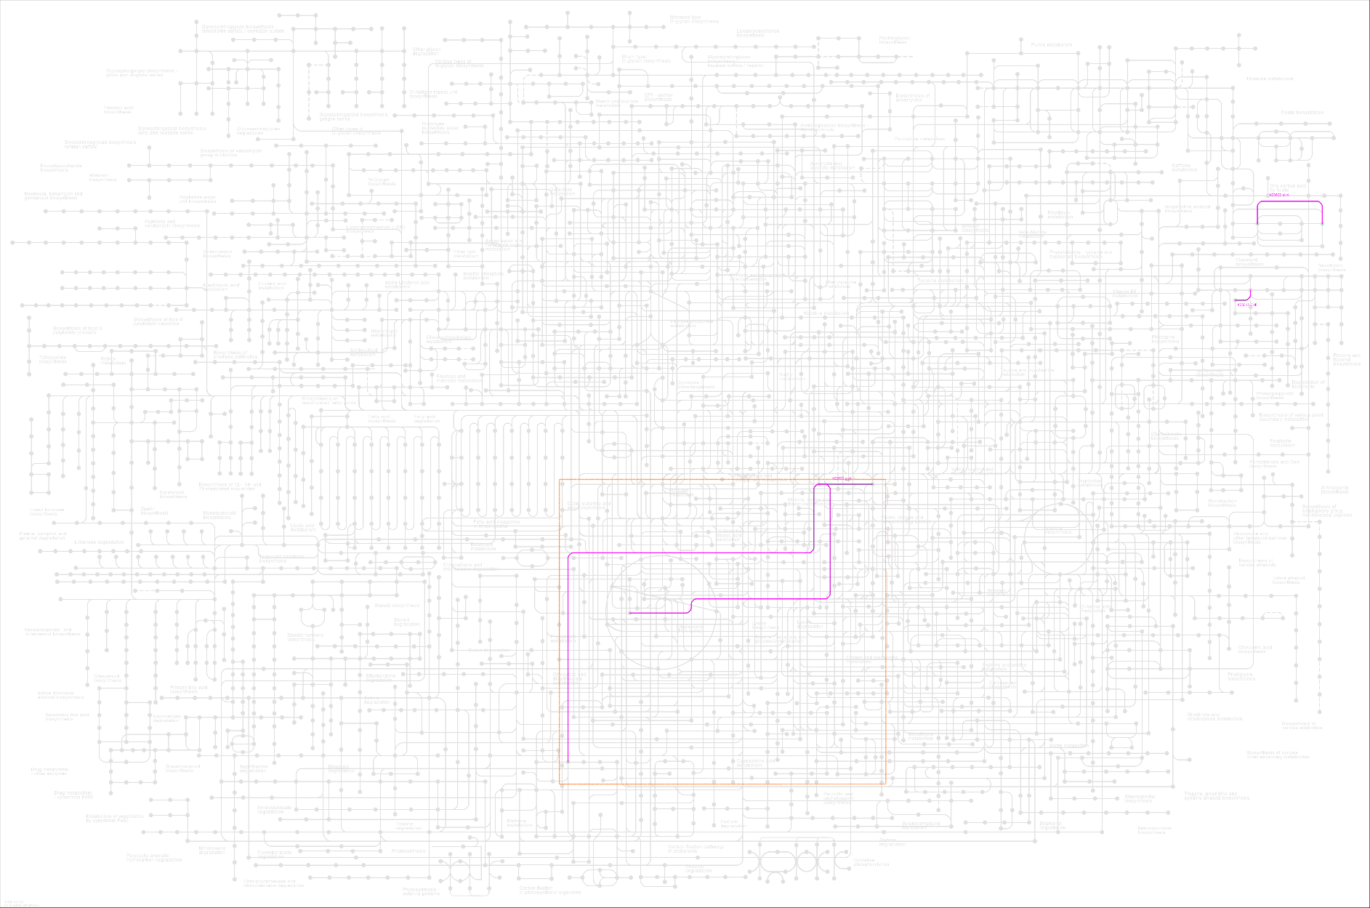
Metabolism of other amino acids | 00460 Cyanoamino acid metabolism (1) |  |  |  |  |  |  | Signal transduction | 04075 Plant hormone signal transduction (1)
Metabolism of cofactors and vitamins | 00670 One carbon pool by folate (1) |  |  |  |  |  |  | Organismal Systems
Biosynthesis of other secondary metabolites | 00941 Flavonoid biosynthesis (1) |  |  |  |  |  |  | Environmental adaptation | 04712 Circadian rhythm - plant (1)

Orthologs, modules and networks | ko00001 KEGG Orthology (KO) (13)
Protein families: metabolism | ko01000 Enzymes (4) | ko01009 Protein phosphatases and associated proteins (1)
Protein families: genetic information processing | ko03000 Transcription factors (3) | ko03021 Transcription machinery (1) | ko03019 Messenger RNA biogenesis (1) | ko03016 Transfer RNA biogenesis (1) | ko03012 Translation factors (1) | ko04131 Membrane trafficking (1) | ko03036 Chromosome and associated proteins (1)
Protein families: signaling and cellular processes | ko02044 Secretion system (1) | ko04147 Exosome (1)

C1C2 decreased acclimation
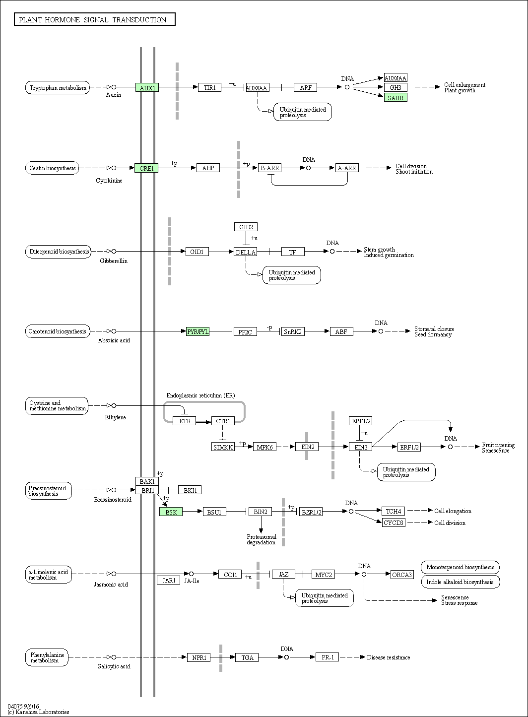
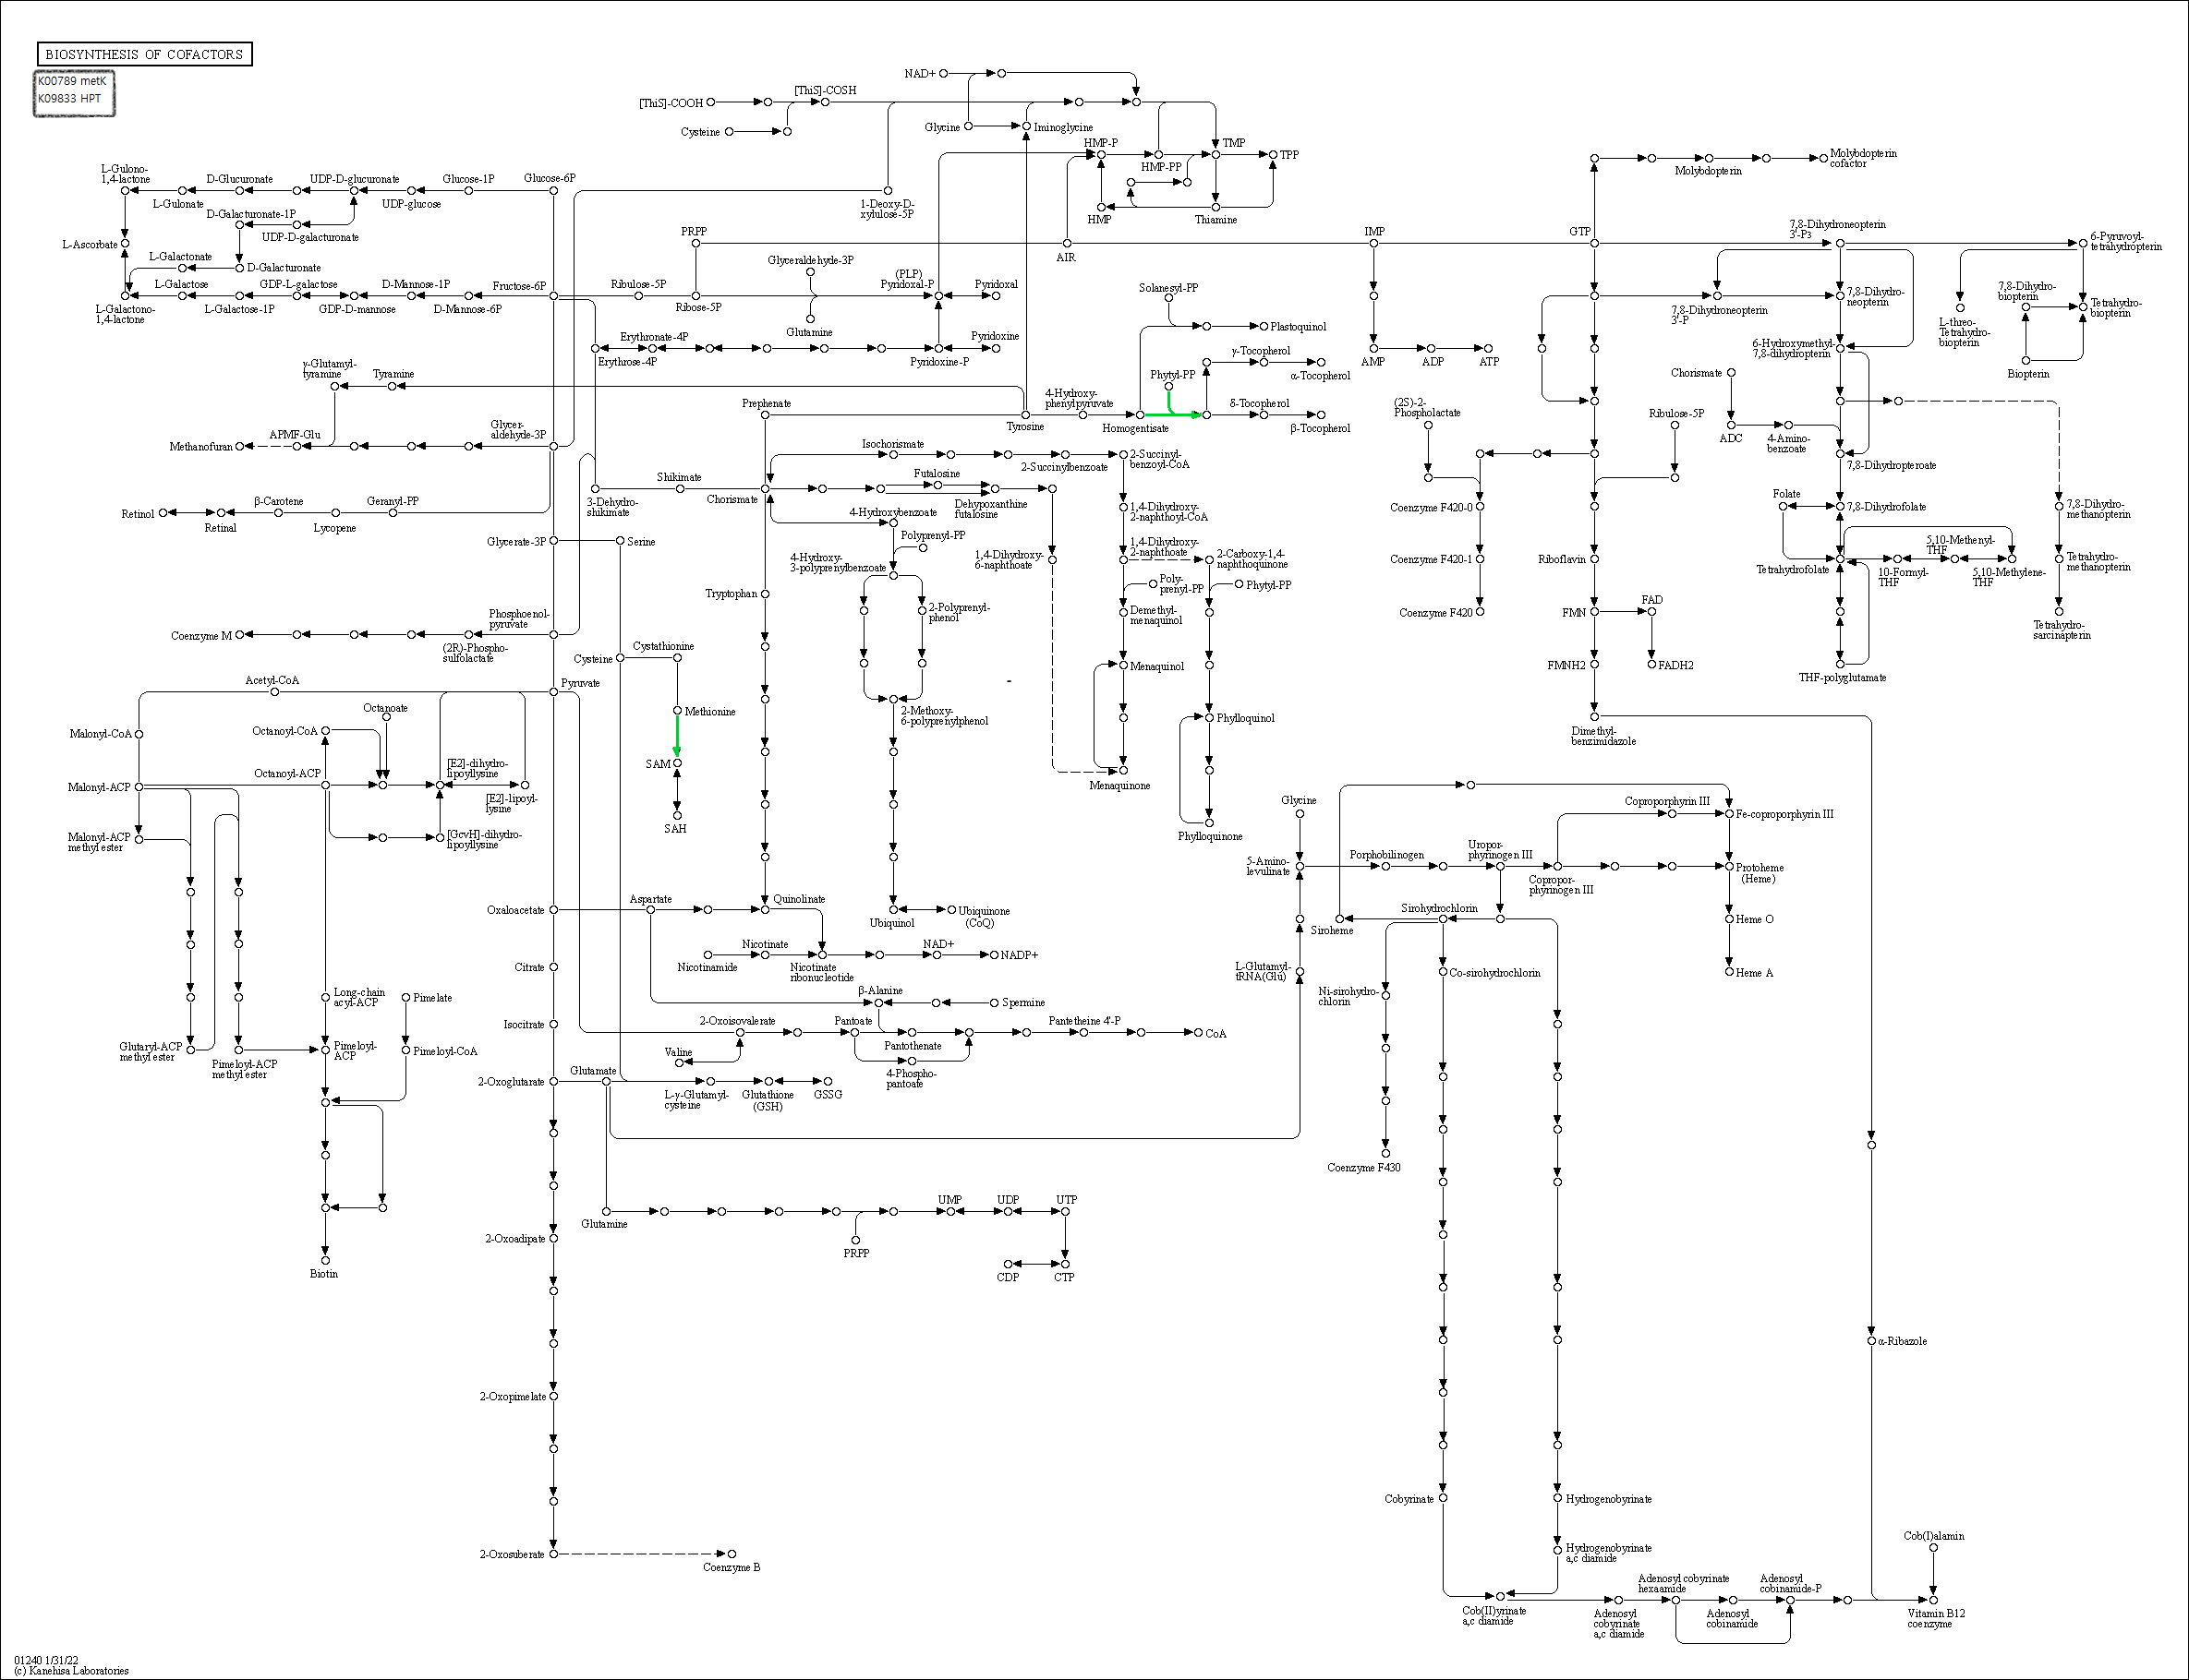
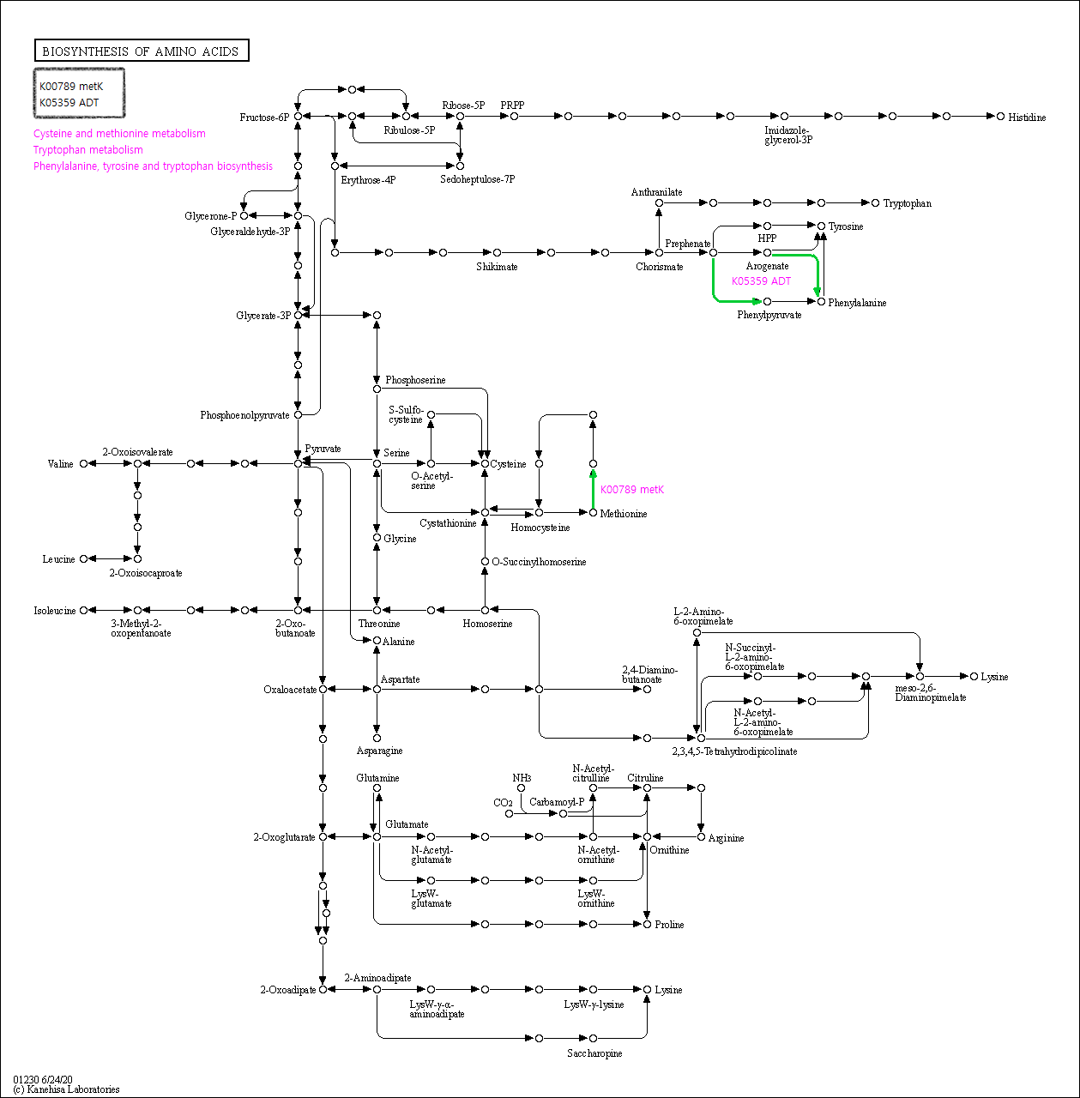
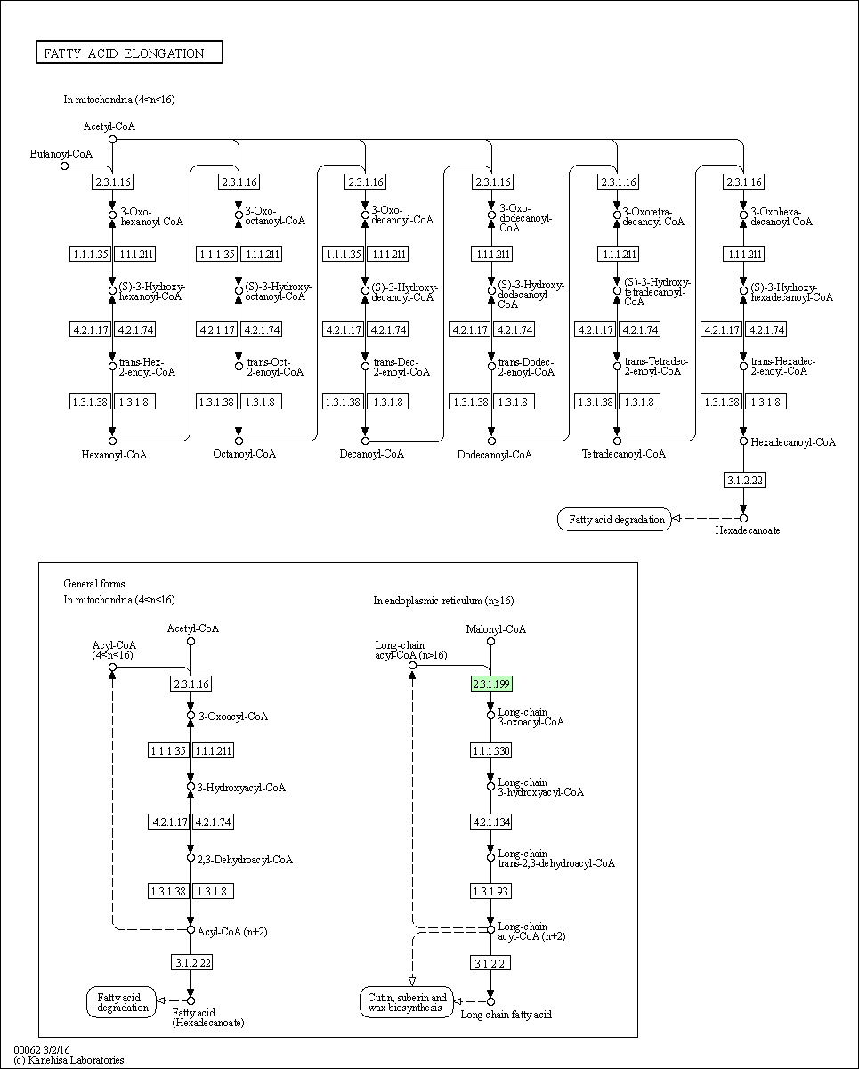
INPUT DATA
Contig | Raw_count_C1 | Raw_count_C2 | Normalized_C1 | Normalized_C2 | foldchange | KO | KO_description | ens_description | ens_description-2 | ens_gene
Contig4821 | 60274 | 16376 | 57973 | 19184 | -1.6 | K22544 | SAMHD1; deoxynucleoside triphosphate triphosphohydrolase SAMHD1 [EC:3.1.5.-] | hypothetical | deoxynucleoside triphosphate triphosphohydrolase SAMHD1 homolog | DCAR_011207
Contig23675 | 58098 | 4991 | 54799 | 4428 | -3.6 | K00430 | E1.11.1.7; peroxidase [EC:1.11.1.7] | hypothetical | peroxidase 42 | DCAR_004218
Contig14987 | 11057 | 2812 | 10249 | 2431 | -2.1 | K00789 | metK, MAT; S-adenosylmethionine synthetase [EC:2.5.1.6] | hypothetical | S-adenosylmethionine synthase 5-like | DCAR_026957
Contig4837 | 5147 | 1435 | 4699 | 1225 | -1.9 | K03283 | HSPA1s; heat shock 70kDa protein 1/2/6/8 | hypothetical | heat shock cognate 70 kDa protein | DCAR_017659
Contig13201 | 3334 | 952 | 3016 | 789 | -1.9 | K05765 | CFL; cofilin | hypothetical | actin-depolymerizing factor 1 | DCAR_014837
Contig2853 | 3081 | 1040 | 2788 | 862 | -1.7 | K15397 | KCS; 3-ketoacyl-CoA synthase [EC:2.3.1.199] | hypothetical | 3-ketoacyl-CoA synthase 11-like | DCAR_022888
Contig18169 | 2929 | 862 | 2652 | 720 | -1.9 | K16055 | TPS; trehalose 6-phosphate synthase/phosphatase [EC:2.4.1.15 3.1.3.12] | hypothetical |  | DCAR_007921
Contig2325 | 2772 | 1017 | 2535 | 842 | -1.6 | K09291 | TPR, MLP1, MLP2; nucleoprotein TPR | nuclear | nuclear-pore anchor | DCAR_013704
Contig11690 | 2164 | 596 | 1875 | 477 | -2.0 | K01176 | AMY, amyA, malS; alpha-amylase [EC:3.2.1.1] | hypothetical | uncharacterized LOC108196268 | DCAR_025428
Contig2175 | 2109 | 524 | 1809 | 415 | -2.1 | K13679 | WAXY; granule-bound starch synthase [EC:2.4.1.242] | hypothetical | granule-bound starch synthase 1, chloroplastic/amyloplastic | DCAR_008624
Contig20907 | 2058 | 321 | 1770 | 251 | -2.8 | K14489 | AHK2_3_4; arabidopsis histidine kinase 2/3/4 (cytokinin receptor) [EC:2.7.13.3] | hypothetical |  | DCAR_023548
Contig9611 | 1914 | 88 | 1593 | 71 | -4.5 | K01051 | E3.1.1.11; pectinesterase [EC:3.1.1.11] | hypothetical |  | DCAR_023588
Contig16021 | 1906 | 386 | 1586 | 309 | -2.4 | K24193 | STP; MFS transporter, SP family, sugar:H+ symporter | hypothetical | sugar carrier protein C-like | DCAR_004142
Contig15677 | 1725 | 619 | 1400 | 498 | -1.5 | K08867 | WNK, PRKWNK; WNK lysine deficient protein kinase [EC:2.7.11.1] | hypothetical | probable serine/threonine-protein kinase WNK9 | DCAR_027214
Contig16541 | 1695 | 560 | 1366 | 442 | -1.6 | K01051 | E3.1.1.11; pectinesterase [EC:3.1.1.11] | hypothetical | pectinesterase-like | DCAR_016089
Contig7828 | 1418 | 480 | 1104 | 383 | -1.5 | K11593 | ELF2C, AGO; eukaryotic translation initiation factor 2C | hypothetical |  | DCAR_004316
Contig12241 | 1405 | 460 | 1091 | 367 | -1.6 | K03320 | amt, AMT, MEP; ammonium transporter, Amt family | hypothetical |  | DCAR_017155
Contig1015 | 1305 | 53 | 1019 | 42 | -4.6 | K01728 | pel; pectate lyase [EC:4.2.2.2] | hypothetical | probable pectate lyase 1 | DCAR_024313
Contig5482 | 1253 | 404 | 980 | 320 | -1.6 | K13947 | PIN; auxin efflux carrier family protein | hypothetical | auxin efflux carrier component 7-like | DCAR_026777
Contig11750 | 1173 | 334 | 899 | 264 | -1.8 | K16055 | TPS; trehalose 6-phosphate synthase/phosphatase [EC:2.4.1.15 3.1.3.12] | hypothetical |  | DCAR_013781
Contig9970 | 964 | 83 | 729 | 66 | -3.5 | K14488 | SAUR; SAUR family protein | hypothetical | auxin-induced protein 15A | DCAR_022786
Contig1014 | 890 | 127 | 674 | 102 | -2.7 | K01728 | pel; pectate lyase [EC:4.2.2.2] | hypothetical | probable pectate lyase 1 | DCAR_024313
Contig10696 | 855 | 108 | 648 | 87 | -2.9 | K22314 | GGP; glucosinolate gamma-glutamyl hydrolase [EC:3.4.19.16] | hypothetical | gamma-glutamyl peptidase 5-like | DCAR_001852
Contig2113 | 833 | 192 | 629 | 153 | -2.0 | K05658 | ABCB1, CD243; ATP-binding cassette, subfamily B (MDR/TAP), member 1 [EC:7.6.2.2] | hypothetical | ABC transporter B family member 4-like | DCAR_018243
Contig22518 | 698 | 195 | 526 | 156 | -1.8 | K10760 | IPT; adenylate dimethylallyltransferase (cytokinin synthase) [EC:2.5.1.27 2.5.1.112] | hypothetical | adenylate isopentenyltransferase 3, chloroplastic-like | DCAR_012465
Contig11622 | 553 | 120 | 418 | 96 | -2.1 | K10398 | KIF11, EG5; kinesin family member 11 | hypothetical | kinesin-like protein KIN-5D | DCAR_006020
Contig18680 | 507 | 80 | 379 | 64 | -2.6 | K22706 | UGT85A19; (R)-mandelonitrile beta-glucosyltransferase [EC:2.4.1.354] | UDP-glycosyltransferase |  | DCAR_028044
Contig9226 | 474 | 135 | 355 | 109 | -1.7 | K05359 | ADT, PDT; arogenate/prephenate dehydratase [EC:4.2.1.91 4.2.1.51] | hypothetical |  | DCAR_006147
Contig5479 | 466 | 152 | 348 | 123 | -1.5 | K13947 | PIN; auxin efflux carrier family protein | hypothetical | auxin efflux carrier component 2-like | DCAR_017997
Contig11623 | 315 | 59 | 230 | 47 | -2.3 | K10398 | KIF11, EG5; kinesin family member 11 | hypothetical | kinesin-like protein KIN-5D | DCAR_006020
Contig15785 | 310 | 54 | 227 | 43 | -2.4 | K24139 | PILS, ECM3; auxin efflux carrier family protein | hypothetical |  | DCAR_013948
Contig17413 | 275 | 60 | 198 | 48 | -2.1 | K10357 | MYO5; myosin V | myosin-like |  | DCAR_029573
Contig18772 | 258 | 79 | 185 | 63 | -1.6 | K18726 | FAF2, UBXD8; FAS-associated factor 2 | hypothetical |  | DCAR_021573
Contig10283 | 237 | 70 | 172 | 56 | -1.6 | K15280 | SLC35C2; solute carrier family 35, member C2 | hypothetical |  | DCAR_010149
Contig18396 | 189 | 30 | 136 | 24 | -2.5 | K00430 | E1.11.1.7; peroxidase [EC:1.11.1.7] | hypothetical | peroxidase 3 | DCAR_021186
Contig15795 | 173 | 41 | 124 | 33 | -1.9 | K24139 | PILS, ECM3; auxin efflux carrier family protein | hypothetical |  | DCAR_013948
Contig19030 | 169 | 47 | 121 | 37 | -1.7 | K21843 | TTC7; tetratricopeptide repeat protein 7 | hypothetical |  | DCAR_012567
Contig24607 | 163 | 50 | 116 | 40 | -1.6 | K10999 | CESA; cellulose synthase A [EC:2.4.1.12] | MUR10 |  | DCAR_019410
Contig22612 | 162 | 23 | 116 | 18 | -2.7 | K14496 | PYL; abscisic acid receptor PYR/PYL family | hypothetical | abscisic acid receptor PYL4-like | DCAR_015362
Contig22315 | 148 | 26 | 105 | 21 | -2.4 | K24194 | BOR; boron transporter | hypothetical |  | DCAR_002534
Contig20052 | 141 | 19 | 101 | 15 | -2.8 | K01087 | otsB; trehalose 6-phosphate phosphatase [EC:3.1.3.12] | hypothetical |  | DCAR_020193
Contig1036 | 133 | 21 | 95 | 17 | -2.5 | K13946 | AUX1, LAX; auxin influx carrier (AUX1 LAX family) | hypothetical | auxin transporter-like protein 4 | DCAR_018713
Contig11798 | 129 | 37 | 91 | 29 | -1.6 | K03834 | tyrP; tyrosine-specific transport protein | Serine/threonine-protein |  | DCAR_019108
Contig20867 | 126 | 37 | 89 | 29 | -1.6 | K14500 | BSK; BR-signaling kinase [EC:2.7.11.1] | Serine/threonine-protein |  | DCAR_005608
Contig3770 | 110 | 35 | 79 | 28 | -1.5 | K00279 | CKX; cytokinin dehydrogenase [EC:1.5.99.12] | hypothetical | cytokinin dehydrogenase 1-like | DCAR_020517
Contig20158 | 106 | 20 | 76 | 16 | -2.3 | K18801 | GXM; glucuronoxylan 4-O-methyltransferase [EC:2.1.1.112] | GXM3 |  | DCAR_001706
Contig16342 | 101 | 21 | 72 | 17 | -2.1 | K09286 | EREBP; EREBP-like factor | hypothetical |  | DCAR_000752
Contig1045 | 83 | 13 | 59 | 10 | -2.6 | K09833 | HPT, HGGT, ubiA; homogentisate phytyltransferase / homogentisate geranylgeranyltransferase [EC:2.5.1.115 2.5.1.116] | hypothetical |  | DCAR_027838
Contig11535 | 76 | 18 | 54 | 14 | -1.9 | K05387 | GRIP; glutamate receptor, ionotropic, plant | hypothetical |  | DCAR_019277
Contig20038 | 74 | 13 | 53 | 10 | -2.4 | K05909 | E1.10.3.2; laccase [EC:1.10.3.2] | hypothetical |  | DCAR_015451
Contig2568 | 74 | 22 | 53 | 17 | -1.6 | K06901 | pbuG, azgA, ghxP, ghxQ, adeQ; adenine/guanine/hypoxanthine permease | hypothetical |  | DCAR_026207
Contig19019 | 67 | 8 | 48 | 6 | -3.0 | K13066 | COMT; caffeic acid 3-O-methyltransferase / acetylserotonin O-methyltransferase [EC:2.1.1.68 2.1.1.4] | Methyltransferase | caffeic acid 3-O-methyltransferase | DCAR_010571

Metabolism |  |  |  |  | Genetic Information Processing

Global and overview maps | 01100 Metabolic pathways (14) | 01110 Biosynthesis of secondary metabolites (13) | 01230 Biosynthesis of amino acids (2) | 01240 Biosynthesis of cofactors (2) | Transcription | 03040 Spliceosome (1)
Carbohydrate metabolism | 00040 Pentose and glucuronate interconversions (2) | 00500 Starch and sucrose metabolism (4) |  |  | Translation | 03013 Nucleocytoplasmic transport (1)
Lipid metabolism | 00062 Fatty acid elongation (1) |  |  |  | Folding, sorting and degradation | 04141 Protein processing in endoplasmic reticulum (1)
Amino acid metabolism | 00270 Cysteine and methionine metabolism (1) | 00380 Tryptophan metabolism (1) | 00400 Phenylalanine, tyrosine and tryptophan biosynthesis (1) |  | Environmental Information Processing
Metabolism of other amino acids | 00460 Cyanoamino acid metabolism (1) |  |  |  | Membrane transport | 02010 ABC transporters (1)
Metabolism of cofactors and vitamins | 00130 Ubiquinone and other terpenoid-quinone biosynthesis (1) |  |  |  | Signal transduction | 02020 Two-component system (1) | 04010 MAPK signaling pathway (1) | 04016 MAPK signaling pathway - plant (1) | 04075 Plant hormone signal transduction (5)
Metabolism of terpenoids and polyketides | 00908 Zeatin biosynthesis (2)
Biosynthesis of other secondary metabolites | 00940 Phenylpropanoid biosynthesis (2) | 00999 Biosynthesis of various plant secondary metabolites; Including: Crocin biosynthesis, Ginsenoside biosynthesis, Saponin adjuvant biosynthesis, Cannabidiol biosynthesis, Mugineic acid biosynthesis, Pentagalloylglucose biosynthesis, Benzoxazinoid biosynthesis, Gramine biosynthesis, Coumarin biosynthesis, Furanocoumarin biosynthesis, Hordatine biosynthesis, Podophyllotoxin biosynthesis (1)

Orthologs, modules and networks | ko00001 KEGG Orthology (KO) (45)
Protein families: metabolism | ko01000 Enzymes (24) | ko01001 Protein kinases (2) | ko01009 Protein phosphatases and associated proteins (2) | ko01003 Glycosyltransferases (4) | ko01006 Prenyltransferases (2)
Protein families: genetic information processing | ko03000 Transcription factors (1) | ko03019 Messenger RNA biogenesis (4) | ko03041 Spliceosome (1) | ko03009 Ribosome biogenesis (1) | ko03110 Chaperones and folding catalysts (1) | ko04131 Membrane trafficking (4) | ko03051 Proteasome (1) | ko03036 Chromosome and associated proteins (2) | ko03400 DNA repair and recombination proteins (1) | ko03029 Mitochondrial biogenesis (2)
Protein families: signaling and cellular processes | ko02000 Transporters (9) | ko04812 Cytoskeleton proteins (3) | ko04147 Exosome (3) | ko04040 Ion channels (1) | ko04090 CD molecules (1)

C2C3 increased ini
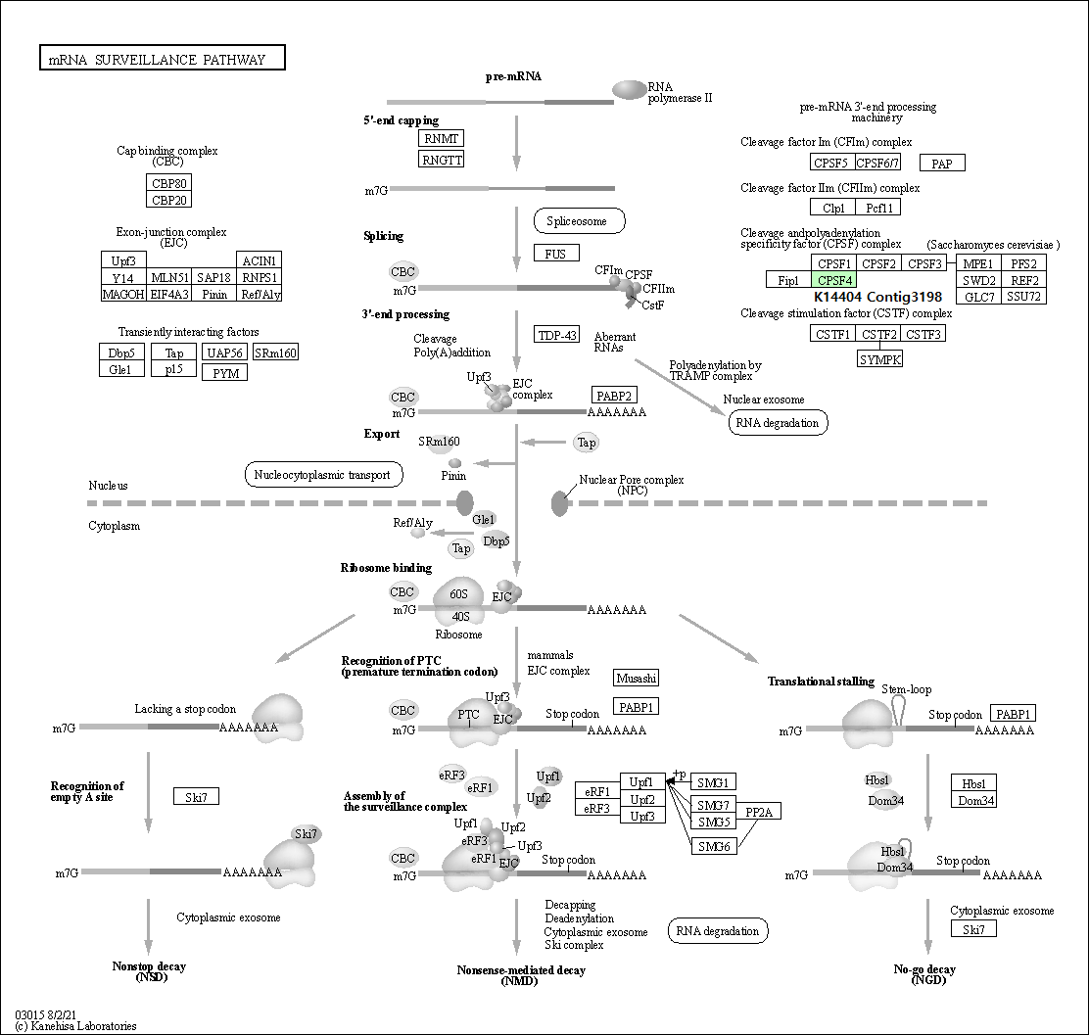
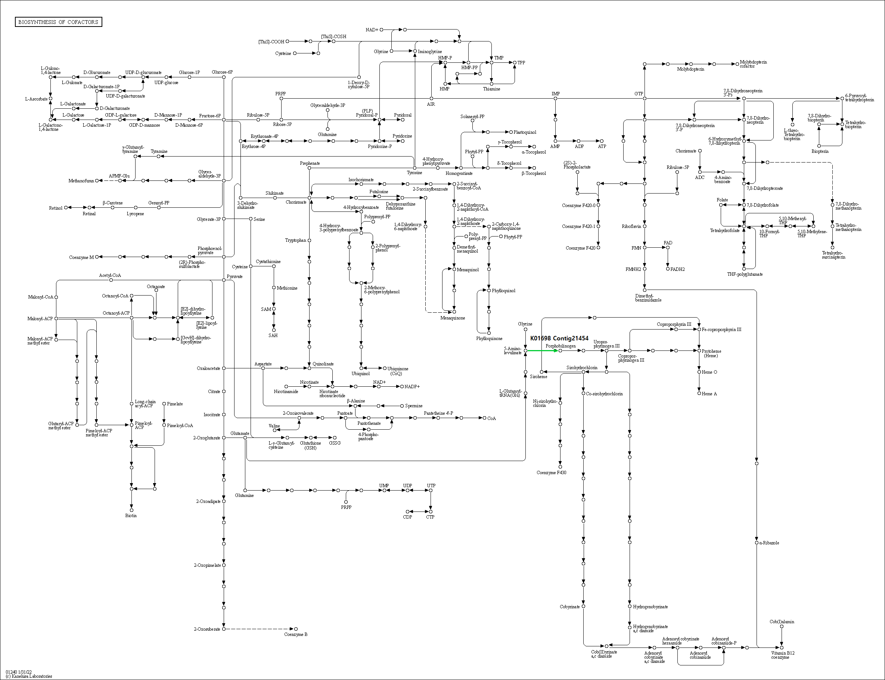
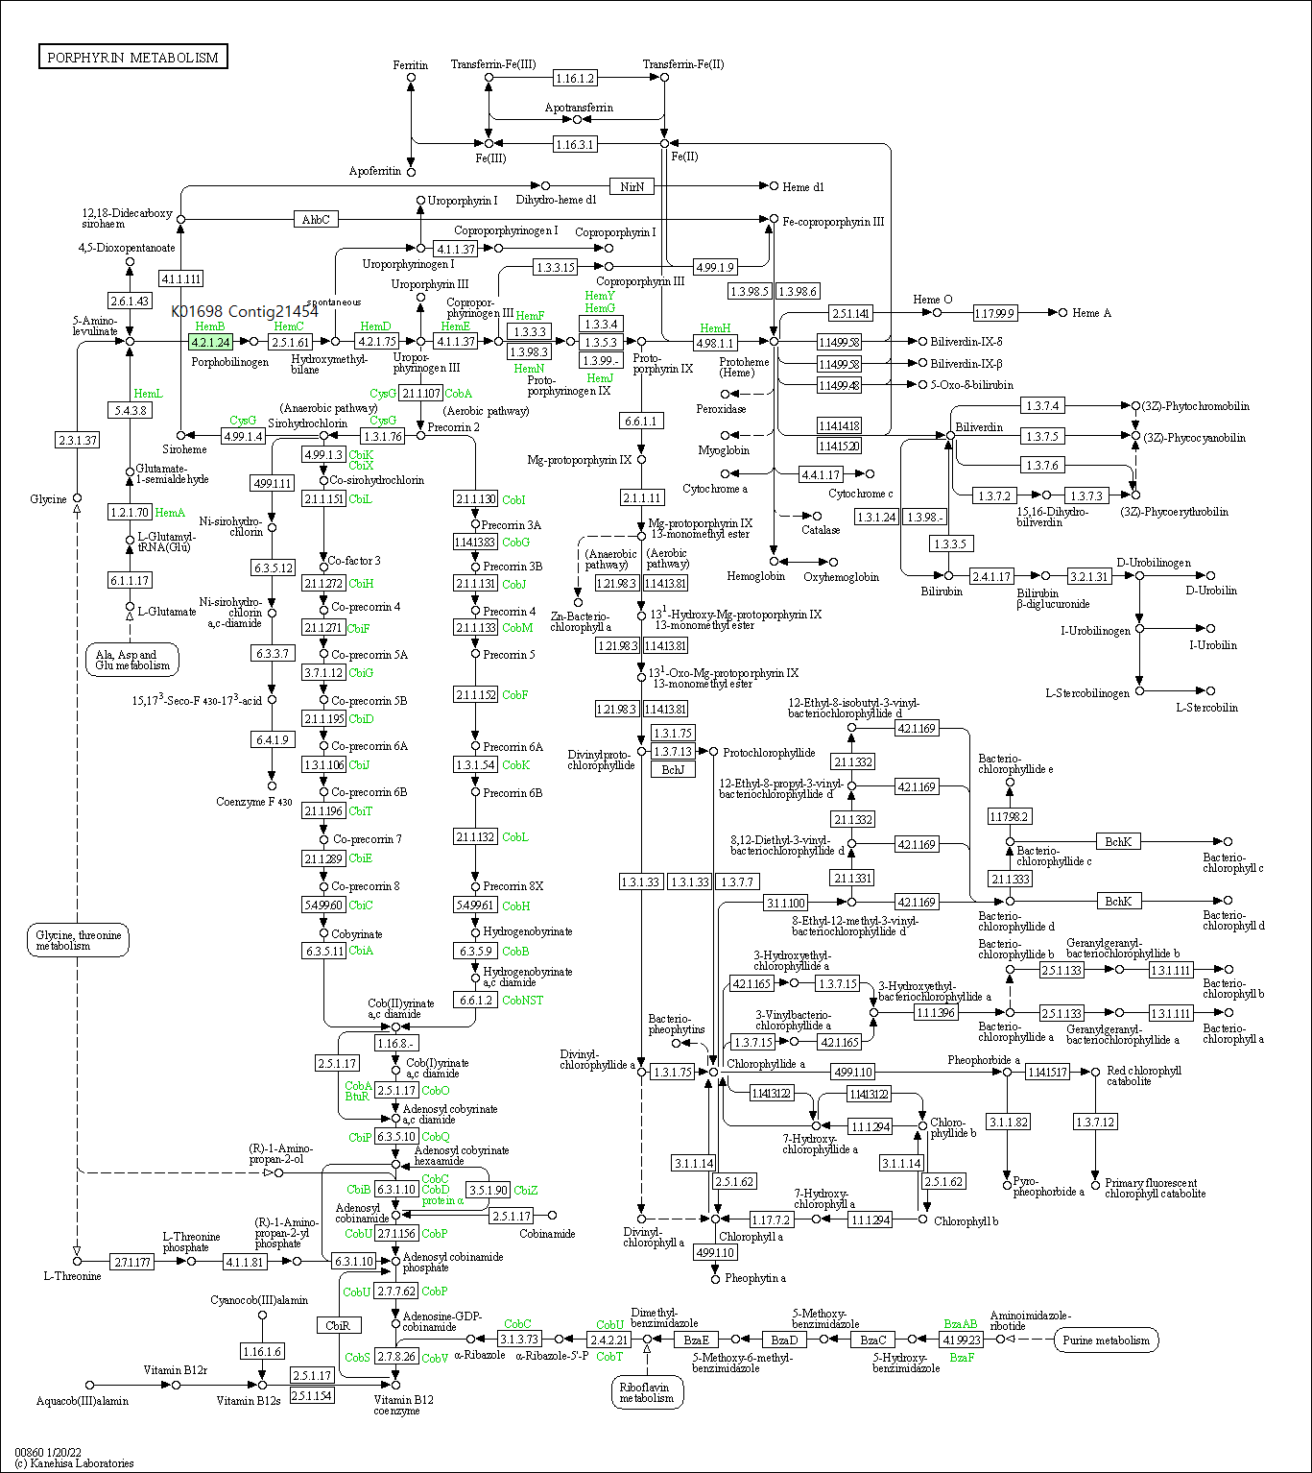
INPUT DATA
Contig | Raw_count_C2 | Raw_count_C3 | Normalized_C2 | Normalized_C3 | foldchange | KO | KO_description | ens_description | ens_description-2 | ens_gene | NOTE
Contig16368 | 0 | 6 | 0 | 20 | 10.3 | K03246 | EIF3I; translation initiation factor 3 subunit I | hypothetical | serine-threonine kinase receptor-associated protein-like | DCAR_021326
Contig21454 | 0 | 5 | 0 | 18 | 10.1 | K01698 | hemB, ALAD; porphobilinogen synthase [EC:4.2.1.24] | hypothetical | delta-aminolevulinic acid dehydratase, chloroplastic | DCAR_016682
Contig3198 | 0 | 3 | 0 | 12 | 9.5 | K14404 | CPSF4, YTH1; cleavage and polyadenylation specificity factor subunit 4 | hypothetical | putative uncharacterized protein DDB_G0274405 | DCAR_006628


Metabolism
Global and overview maps | 01100 Metabolic pathways (1) | 01110 Biosynthesis of secondary metabolites (1) | 01120 Microbial metabolism in diverse environments (1) | 01240 Biosynthesis of cofactors (1)
Metabolism of cofactors and vitamins | 00860 Porphyrin metabolism (1)
Genetic Information Processing
Translation | 03015 mRNA surveillance pathway (1)

Protein families: metabolism | ko01000 Enzymes (1) | K01698 | Contig21454
Protein families: genetic information processing | ko03021 Transcription machinery (1) | K14404 | Contig3198
 | ko03019 Messenger RNA biogenesis (1) | K14404 | Contig3198
 | ko03012 Translation factors (1) | K03246 | Contig16368
Protein families: signaling and cellular processes | ko04147 Exosome (1) | K01698 | Contig21454

C2C3 increased acclimation
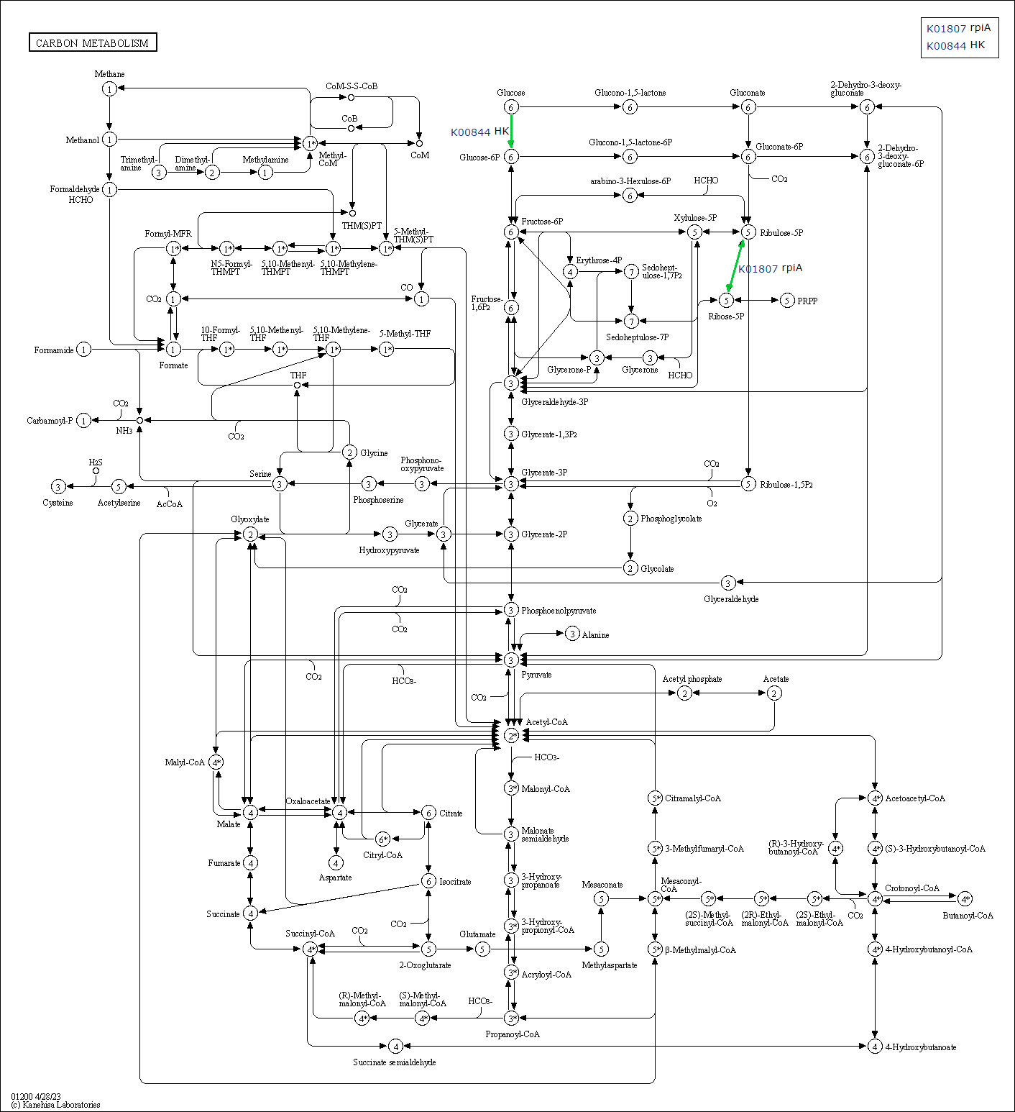
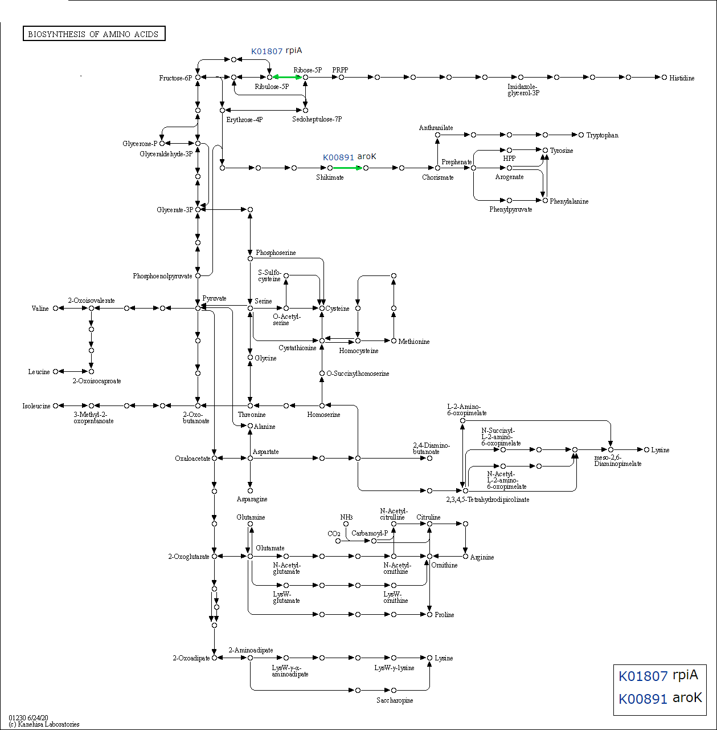
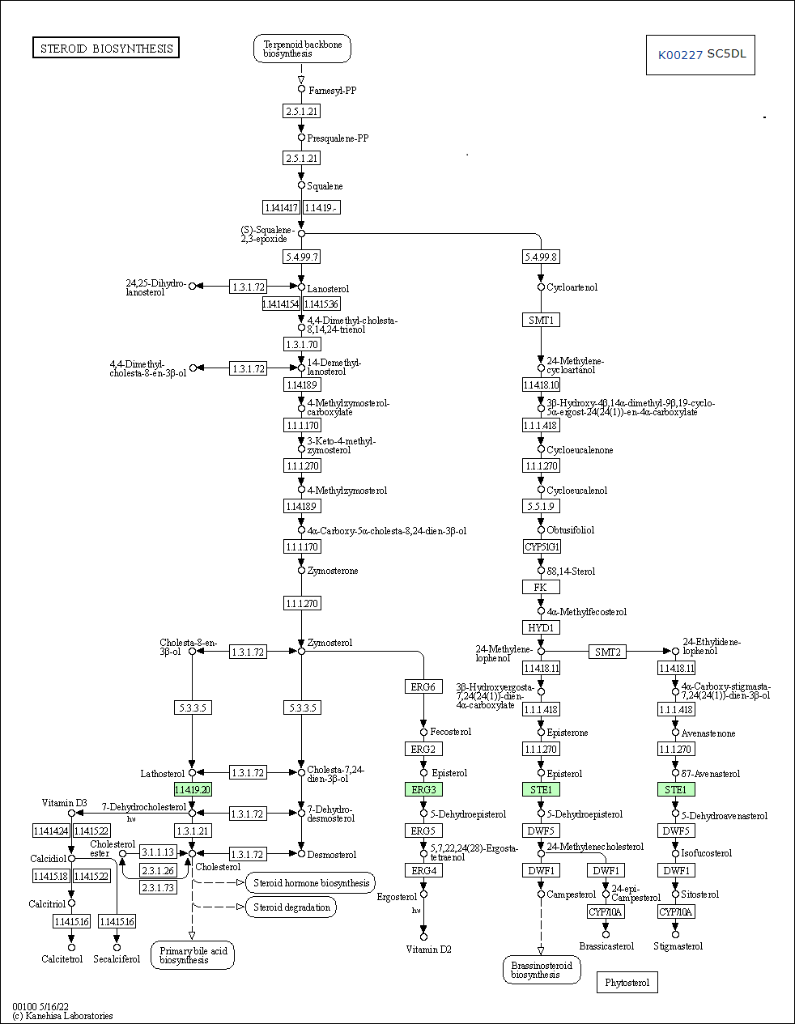
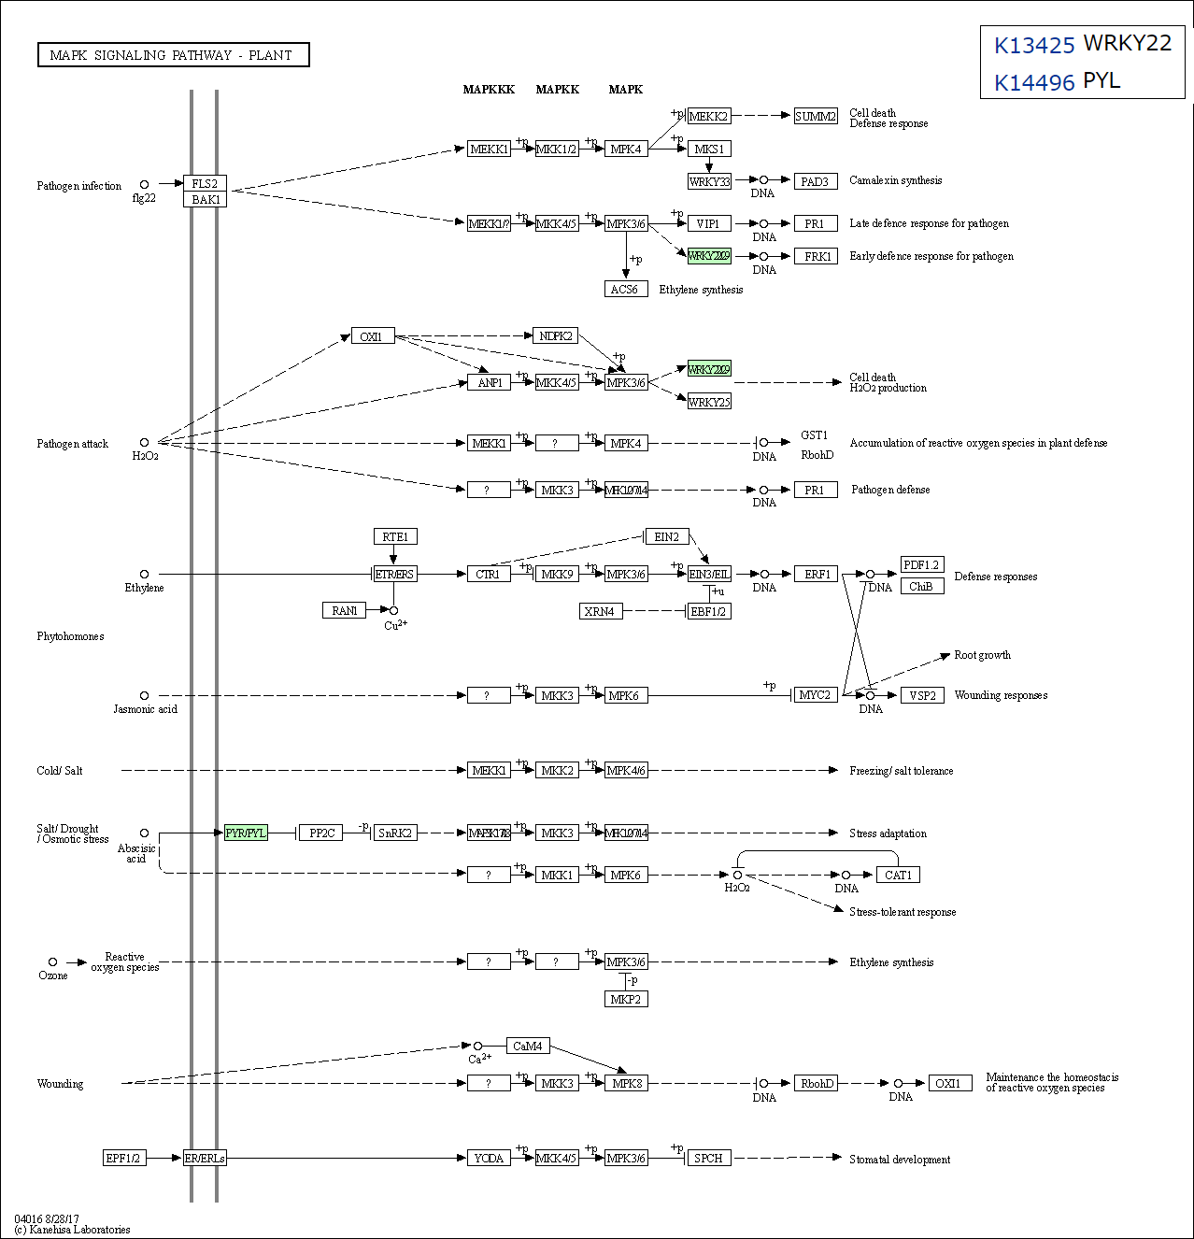
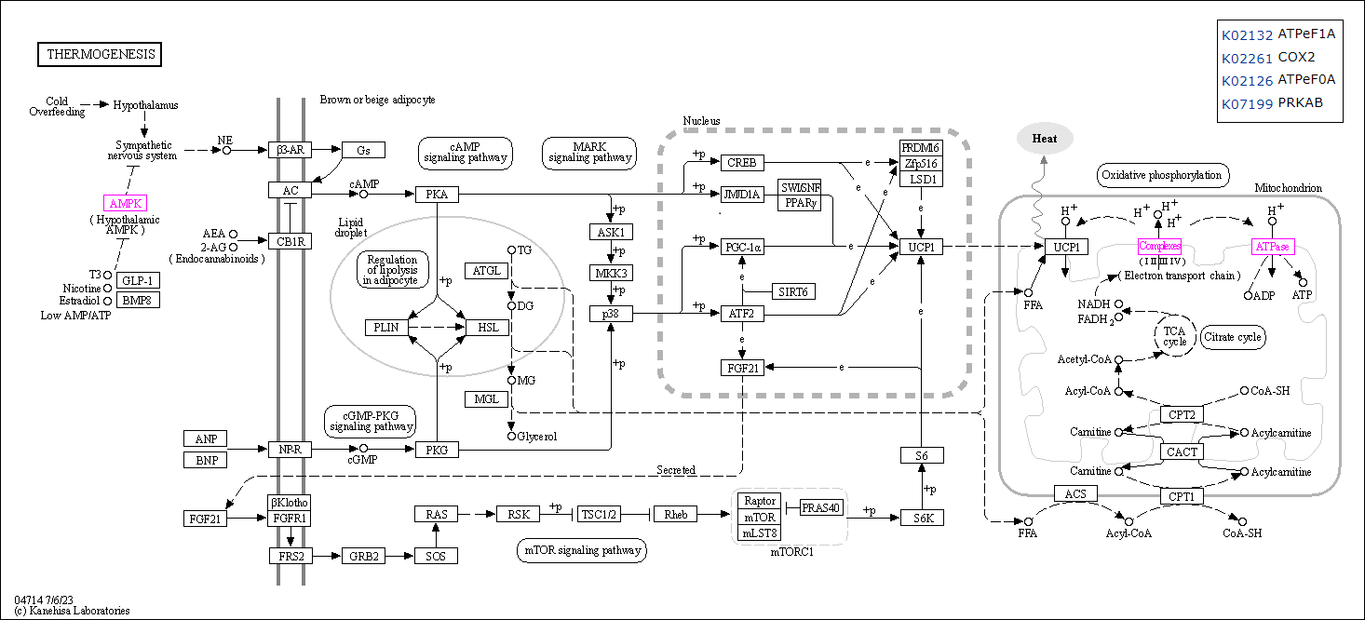
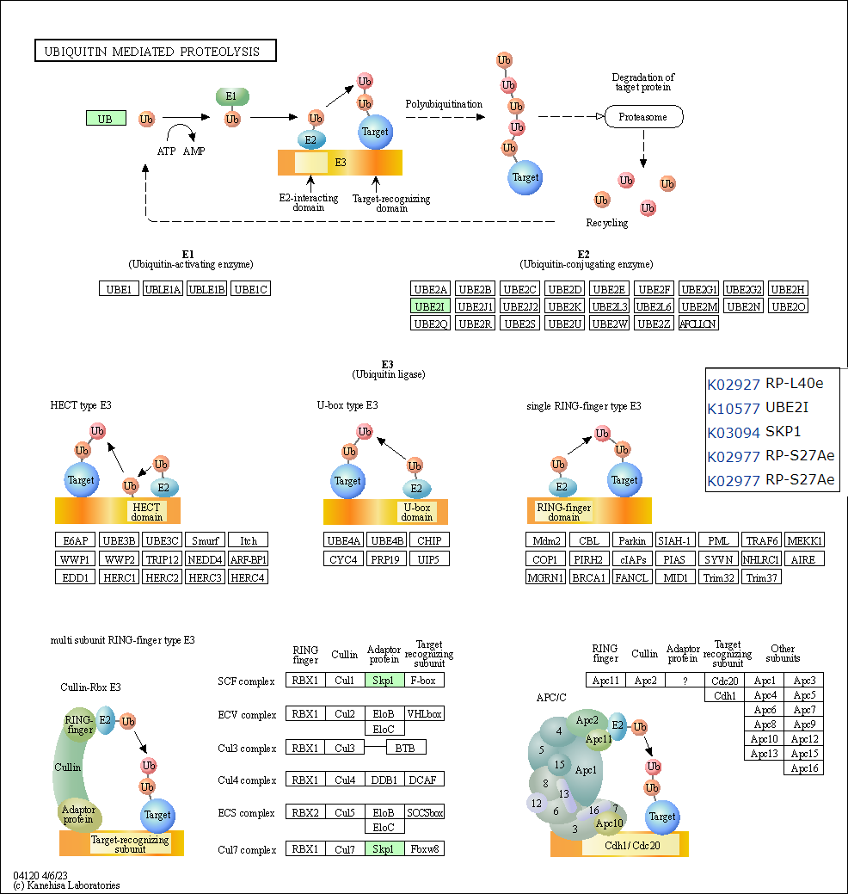
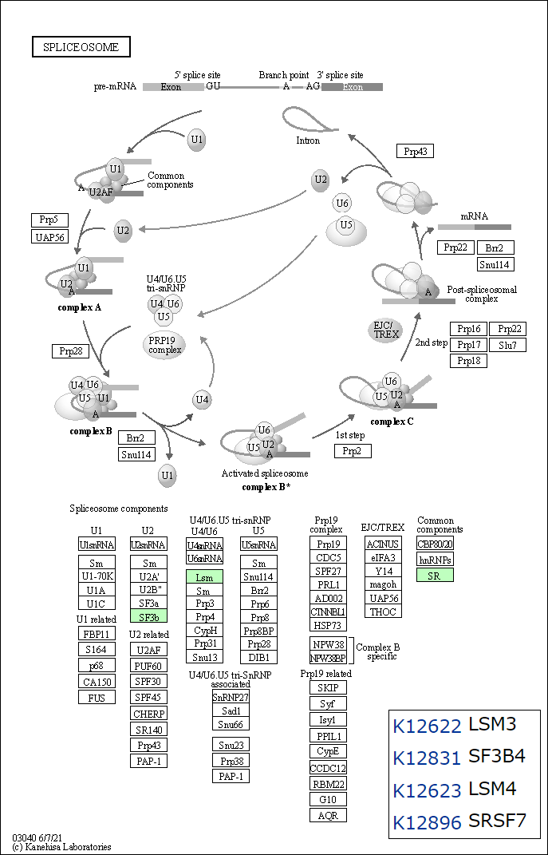
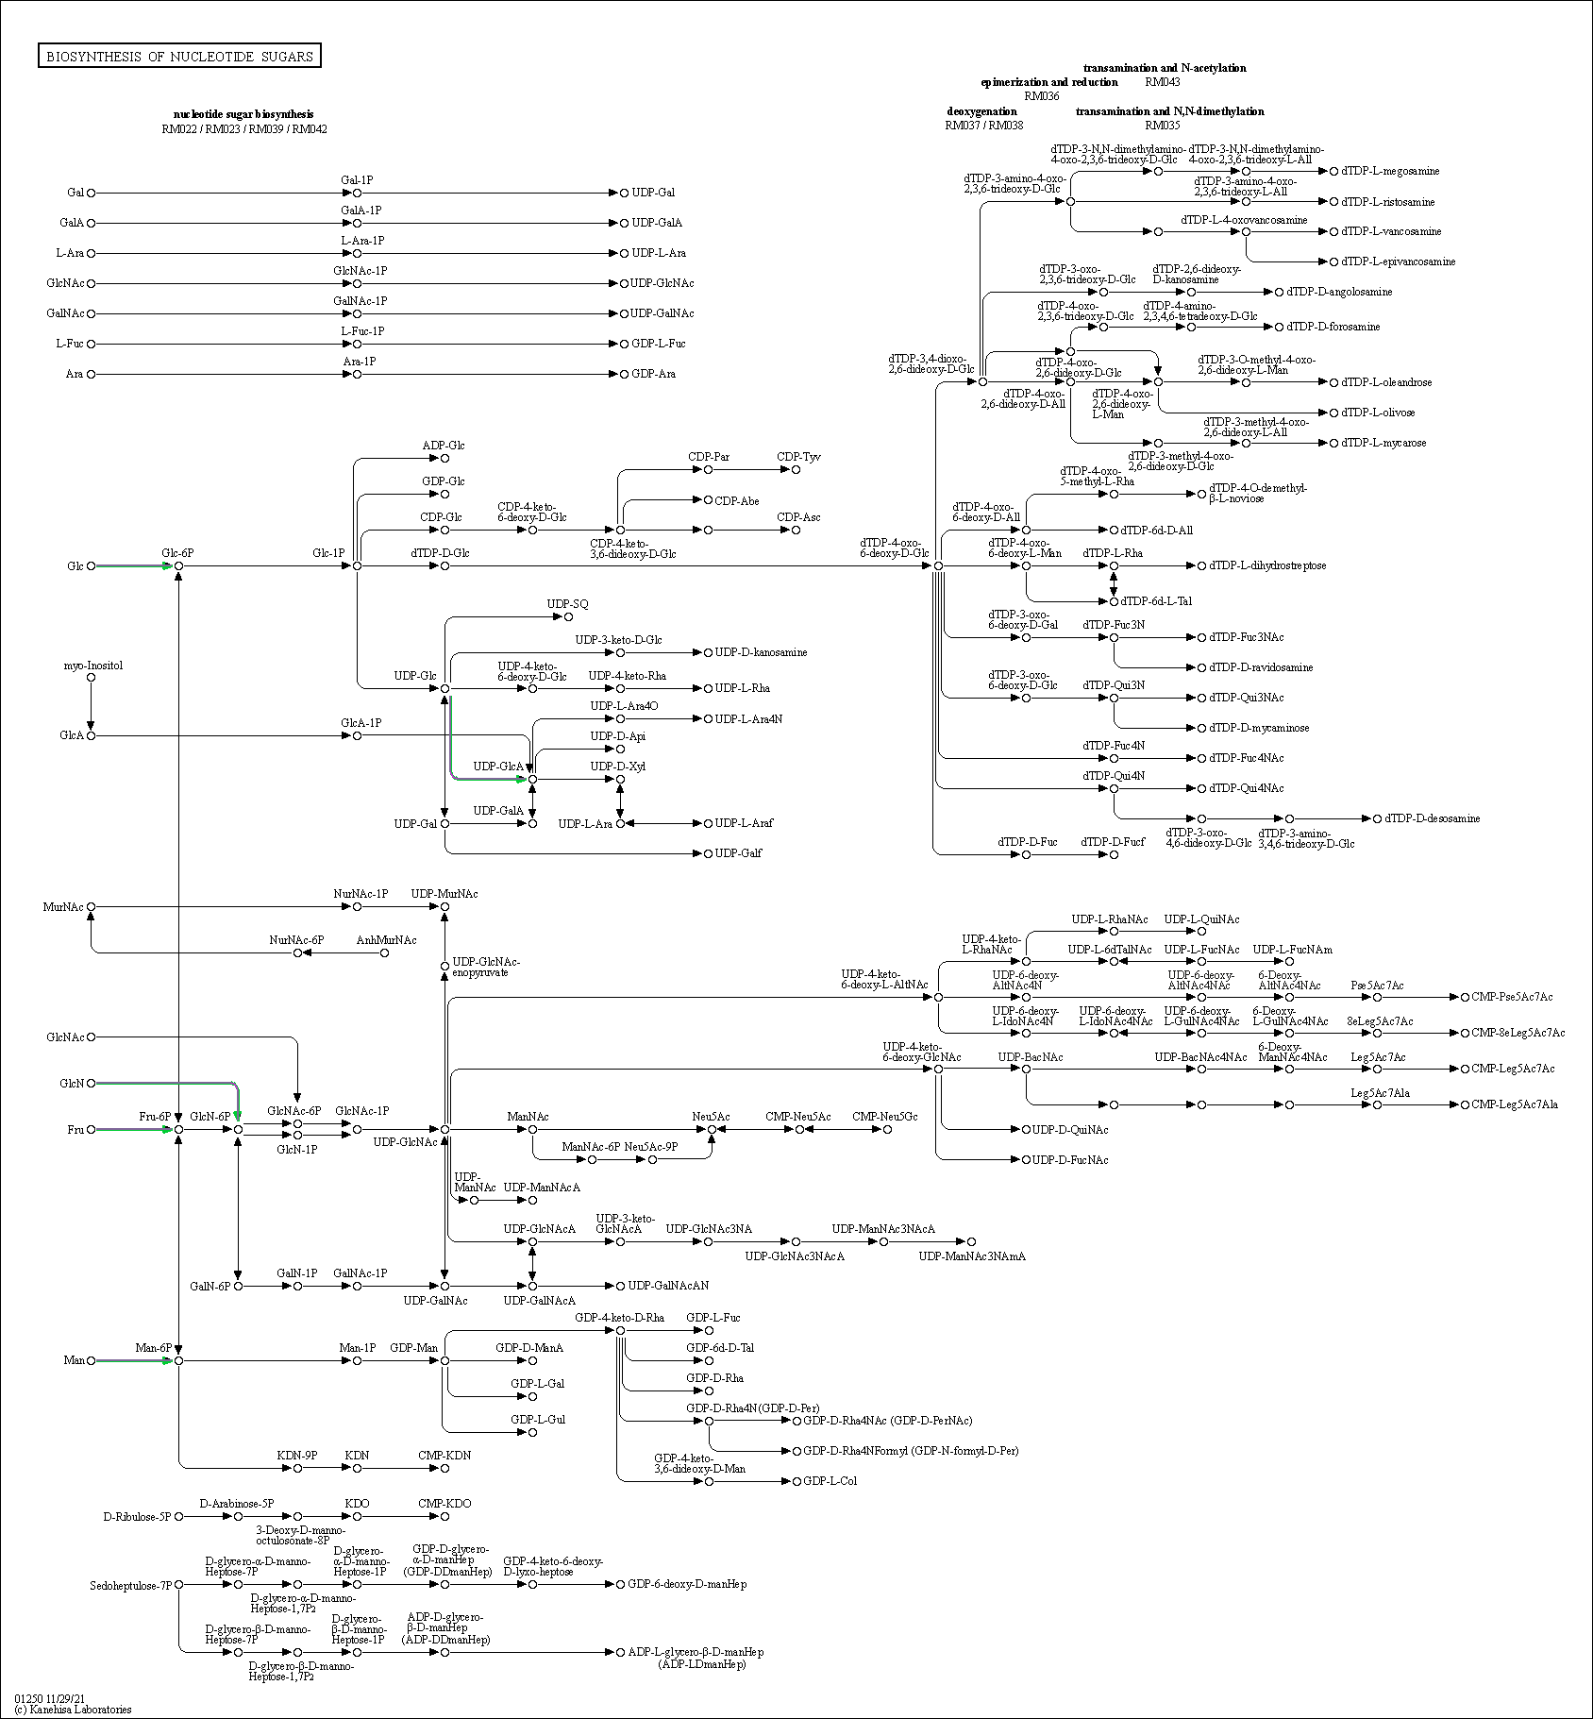
INPUT DATA
Contig | Raw_count_C2 | Raw_count_C3 | Normalized_C2 | Normalized_C3 | foldchange | KO | KO_description | ens_description | ens_description-2 | ens_gene | NOTE
Contig9792 | 1182 | 3696 | 977 | 4676 | 2.3 | K02132 | ATPeF1A, ATP5A1, ATP1; F-type H+-transporting ATPase subunit alpha | ATP |  | DCAR_032469 | Heat stress response
Contig12694 | 1192 | 2996 | 987 | 3964 | 2.0 | K18635 | SPR1; protein SPIRAL1 and related proteins | hypothetical | protein SPIRAL1-like 1 | DCAR_025441 | Heat stress response
Contig385 | 808 | 2354 | 667 | 3237 | 2.3 | K14488 | SAUR; SAUR family protein | hypothetical |  | DCAR_022787 | Heat stress response
Contig12674 | 895 | 2274 | 747 | 3121 | 2.1 | K01802 | E5.2.1.8; peptidylprolyl isomerase [EC:5.2.1.8] | hypothetical | peptidyl-prolyl cis-trans isomerase CYP19-3-like | DCAR_022854 | Heat stress response
Contig23472 | 766 | 2004 | 631 | 2713 | 2.1 | K07955 | ARL8; ADP-ribosylation factor-like protein 8 | At5g52210 | ADP-ribosylation factor-related protein 1 | DCAR_020241 | Heat stress response
Contig4074 | 667 | 1537 | 538 | 2205 | 2.0 | K20368 | CNIH, ERV14; protein cornichon | hypothetical | protein cornichon homolog 4-like | DCAR_000862 | Heat stress response
Contig8582 | 677 | 1512 | 548 | 2176 | 2.0 | K12622 | LSM3; U6 snRNA-associated Sm-like protein LSm3 | hypothetical | sm-like protein LSM3A | DCAR_014432 | Heat stress response
Contig11057 | 625 | 1459 | 502 | 2115 | 2.1 | K13250 | SSR2; translocon-associated protein subunit beta | hypothetical | translocon-associated protein subunit beta | DCAR_021812 | Heat stress response
Contig11056 | 557 | 1299 | 440 | 1894 | 2.1 | K13250 | SSR2; translocon-associated protein subunit beta | hypothetical | translocon-associated protein subunit beta | DCAR_021812 | Heat stress response
Contig9068 | 439 | 1098 | 348 | 1700 | 2.3 | K03676 | grxC, GLRX, GLRX2; glutaredoxin 3 | hypothetical | monothiol glutaredoxin-S6-like | DCAR_031430 | Heat stress response
Contig1569 | 443 | 1097 | 352 | 1698 | 2.3 | K02261 | COX2; cytochrome c oxidase subunit 2 | cytochrome |  | DCAR_032452 | Heat stress response
Contig15250 | 384 | 1071 | 308 | 1672 | 2.4 | K24345 | KIC; calcium-binding protein KIC and related proteins | hypothetical |  | DCAR_009703 | Heat stress response
Contig1041 | 10 | 1028 | 8 | 1626 | 7.7 | K06236 | COL1A; collagen type I alpha | hypothetical | uncharacterized LOC108227099 | DCAR_023216 | Heat stress response
Contig14703 | 389 | 929 | 311 | 1532 | 2.3 | K11275 | H1_5; histone H1/5 | HIS1-3 |  | DCAR_021495 | Heat stress response
Contig24048 | 407 | 838 | 323 | 1414 | 2.1 | K14779 | DDX52, ROK1; ATP-dependent RNA helicase DDX52/ROK1 [EC:3.6.4.13] | DEAD-box | DEAD-box ATP-dependent RNA helicase 57 | DCAR_020876 | Heat stress response
Contig8773 | 344 | 799 | 273 | 1366 | 2.3 | K02634 | petA; apocytochrome f | cytochrome |  | DCAR_032497 | Heat stress response
Contig21792 | 352 | 742 | 281 | 1294 | 2.2 | K08341 | GABARAP, ATG8, LC3; GABA(A) receptor-associated protein | hypothetical |  | DCAR_004914 | Heat stress response
Contig23744 | 286 | 741 | 225 | 1292 | 2.5 | K11254 | H4; histone H4 | hypothetical |  | DCAR_027657 | Heat stress response
Contig10643 | 302 | 735 | 237 | 1285 | 2.4 | K00227 | SC5DL, ERG3; Delta7-sterol 5-desaturase [EC:1.14.19.20] | hypothetical | delta(7)-sterol-C5(6)-desaturase-like | DCAR_017183 | Heat stress response
Contig9643 | 412 | 733 | 326 | 1281 | 2.0 | K23313 | TEN1; CST complex subunit TEN1 | CST | CST complex subunit TEN1 | DCAR_030493 | Heat stress response
Contig22554 | 329 | 732 | 260 | 1279 | 2.3 | K17867 | DPH4, DNAJC24; diphthamide biosynthesis protein 4 | hypothetical | chaperone protein dnaJ 11, chloroplastic-like | DCAR_017599 | Heat stress response
Contig23400 | 354 | 726 | 283 | 1271 | 2.2 | K03116 | tatA; sec-independent protein translocase protein TatA | hypothetical |  | DCAR_009267 | Heat stress response
Contig24181 | 236 | 715 | 189 | 1259 | 2.7 | K20000 | MATK; maturase K | maturase |  | DCAR_032465 | Heat stress response
Contig15011 | 291 | 700 | 229 | 1249 | 2.5 | K09539 | DNAJC19; DnaJ homolog subfamily C member 19 | hypothetical | mitochondrial import inner membrane translocase subunit TIM14-1-like | DCAR_014965 | Heat stress response
Contig19439 | 212 | 681 | 168 | 1225 | 2.9 | K17907 | ATG9; autophagy-related protein 9 | hypothetical |  | DCAR_000939 | Heat stress response
Contig18073 | 343 | 644 | 272 | 1169 | 2.1 | K01807 | rpiA; ribose 5-phosphate isomerase A [EC:5.3.1.6] | hypothetical | probable ribose-5-phosphate isomerase 2 | DCAR_026764 | Heat stress response
Contig16313 | 362 | 644 | 288 | 1169 | 2.0 | K20185 | BLOC1S1; biogenesis of lysosome-related organelles complex 1 subunit 1 | Biogenesis |  | DCAR_014464 | Heat stress response
Contig1570 | 261 | 640 | 206 | 1162 | 2.5 | K00799 | GST, gst; glutathione S-transferase [EC:2.5.1.18] | hypothetical |  | DCAR_012145 | Heat stress response
Contig1784 | 307 | 631 | 241 | 1150 | 2.3 | K00306 | PIPOX; sarcosine oxidase / L-pipecolate oxidase [EC:1.5.3.1 1.5.3.7] | hypothetical | probable sarcosine oxidase | DCAR_000687 | Heat stress response
Contig19184 | 285 | 598 | 224 | 1115 | 2.3 | K02126 | ATPeF0A, MTATP6, ATP6; F-type H+-transporting ATPase subunit a | ATP |  | DCAR_032438 | Heat stress response
Contig16742 | 308 | 591 | 241 | 1106 | 2.2 | K21806 | VCPKMT, METTL21D; protein N-lysine methyltransferase METTL21D [EC:2.1.1.-] | hypothetical |  | DCAR_013041 | Heat stress response
Contig6150 | 322 | 555 | 253 | 1058 | 2.1 | K01507 | ppa; inorganic pyrophosphatase [EC:3.6.1.1] | hypothetical | soluble inorganic pyrophosphatase 4-like | DCAR_014833 | Heat stress response
Contig23746 | 176 | 554 | 142 | 1056 | 2.9 | K11254 | H4; histone H4 | hypothetical |  | DCAR_027657 | Heat stress response
Contig9504 | 262 | 544 | 207 | 1042 | 2.3 | K02943 | RP-LP2, RPLP2; large subunit ribosomal protein LP2 | hypothetical | 60S acidic ribosomal protein P2-like | DCAR_013374 | Heat stress response
Contig21574 | 291 | 473 | 229 | 940 | 2.0 | K21888 | DHAR; glutathione dehydrogenase/transferase [EC:1.8.5.1 2.5.1.18] | hypothetical | glutathione S-transferase DHAR2 | DCAR_027680 | Heat stress response
Contig5949 | 221 | 451 | 177 | 905 | 2.4 | K00020 | HIBADH, mmsB; 3-hydroxyisobutyrate dehydrogenase [EC:1.1.1.31] | hypothetical | probable 3-hydroxyisobutyrate dehydrogenase-like 1, mitochondrial | DCAR_010689 | Heat stress response
Contig23825 | 158 | 435 | 128 | 887 | 2.8 | K13993 | HSP20; HSP20 family protein | hypothetical | 18.2 kDa class I heat shock protein-like | DCAR_011766 | Heat stress response
Contig21816 | 165 | 416 | 133 | 846 | 2.7 | K12399 | AP3S; AP-3 complex subunit sigma | hypothetical |  | DCAR_022975 | Heat stress response
Contig2445 | 245 | 398 | 195 | 819 | 2.1 | K02957 | RP-S15Ae, RPS15A; small subunit ribosomal protein S15Ae | hypothetical | 40S ribosomal protein S15a | DCAR_014834 | Heat stress response
Contig15666 | 207 | 387 | 165 | 800 | 2.3 | K13464 | JAZ; jasmonate ZIM domain-containing protein | hypothetical |  | DCAR_011935 | Heat stress response
Contig24657 | 113 | 386 | 91 | 796 | 3.1 | K13993 | HSP20; HSP20 family protein | hypothetical | 17.1 kDa class II heat shock protein-like | DCAR_021555 | Heat stress response
Contig24656 | 210 | 385 | 167 | 795 | 2.3 | K13993 | HSP20; HSP20 family protein | hypothetical | 17.1 kDa class II heat shock protein-like | DCAR_021555 | Heat stress response
Contig4405 | 247 | 372 | 197 | 773 | 2.0 | K08505 | SFT1; protein transport protein SFT1 | hypothetical | bet1-like protein At4g14600 | DCAR_001735 | Heat stress response
Contig732 | 223 | 369 | 178 | 765 | 2.1 | K06130 | LYPLA2; lysophospholipase II [EC:3.1.1.5] | hypothetical | acyl-protein thioesterase 2-like | DCAR_009207 | Heat stress response
Contig21218 | 146 | 366 | 118 | 761 | 2.7 | K12831 | SF3B4, SAP49; splicing factor 3B subunit 4 | hypothetical | spliceosome-associated protein 49-like | DCAR_001170 | Heat stress response
Contig9784 | 214 | 360 | 170 | 749 | 2.1 | K07199 | PRKAB; 5'-AMP-activated protein kinase, regulatory beta subunit | hypothetical |  | DCAR_025227 | Heat stress response
Contig15094 | 217 | 357 | 172 | 741 | 2.1 | K12623 | LSM4; U6 snRNA-associated Sm-like protein LSm4 | hypothetical |  | DCAR_002821 | Heat stress response
Contig21791 | 205 | 321 | 163 | 684 | 2.1 | K08341 | GABARAP, ATG8, LC3; GABA(A) receptor-associated protein | hypothetical |  | DCAR_004914 | Heat stress response
Contig12675 | 117 | 320 | 94 | 682 | 2.9 | K01802 | E5.2.1.8; peptidylprolyl isomerase [EC:5.2.1.8] | hypothetical | peptidyl-prolyl cis-trans isomerase CYP19-3-like | DCAR_022854 | Heat stress response
Contig19435 | 90 | 313 | 72 | 669 | 3.2 | K17907 | ATG9; autophagy-related protein 9 | hypothetical | autophagy-related protein 9-like | DCAR_005697 | Heat stress response
Contig6476 | 143 | 313 | 115 | 669 | 2.5 | K00550 | PLMT; phosphatidyl-N-methylethanolamine N-methyltransferase [EC:2.1.1.71] | hypothetical |  | DCAR_021369 | Heat stress response
Contig15205 | 146 | 306 | 118 | 657 | 2.5 | K09705 | K09705; uncharacterized protein | hypothetical | uncharacterized LOC108211426 | DCAR_010492 | Heat stress response
Contig4616 | 65 | 302 | 52 | 651 | 3.6 | K02705 | psbC; photosystem II CP43 chlorophyll apoprotein | photosystem |  | DCAR_032480 | Heat stress response
Contig21817 | 184 | 294 | 148 | 636 | 2.1 | K12399 | AP3S; AP-3 complex subunit sigma | hypothetical |  | DCAR_022975 | Heat stress response
Contig13785 | 96 | 292 | 77 | 632 | 3.0 | K02927 | RP-L40e, RPL40, UBA52; ubiquitin-large subunit ribosomal protein L40e | hypothetical | ubiquitin-60S ribosomal protein L40-like | DCAR_020247 | Heat stress response
Contig2384 | 146 | 280 | 118 | 615 | 2.4 | K13448 | CML; calcium-binding protein CML | hypothetical |  | DCAR_009425 | Heat stress response
Contig6580 | 129 | 275 | 104 | 609 | 2.6 | K04797 | pfdA, PFDN5; prefoldin alpha subunit | Probable | probable prefoldin subunit 5 | DCAR_023468 | Heat stress response
Contig23824 | 165 | 237 | 133 | 550 | 2.1 | K13993 | HSP20; HSP20 family protein | hypothetical | 18.2 kDa class I heat shock protein-like | DCAR_011766 | Heat stress response
Contig13952 | 155 | 231 | 126 | 539 | 2.1 | K17267 | COPG; coatomer subunit gamma | hypothetical | coatomer subunit gamma-2-like | DCAR_003642 | Heat stress response
Contig23266 | 165 | 225 | 133 | 529 | 2.0 | K07024 | SPP; sucrose-6-phosphatase [EC:3.1.3.24] | hypothetical | sucrose-phosphatase 1 | DCAR_013458 | Heat stress response
Contig23823 | 162 | 224 | 131 | 527 | 2.0 | K13993 | HSP20; HSP20 family protein | hypothetical | 18.2 kDa class I heat shock protein-like | DCAR_011766 | Heat stress response
Contig18410 | 75 | 218 | 60 | 519 | 3.1 | K17604 | ZSWIM3; zinc finger SWIM domain-containing protein 3 | hypothetical | protein FAR1-RELATED SEQUENCE 8-like | DCAR_013073 | Heat stress response
Contig24660 | 99 | 208 | 79 | 491 | 2.6 | K13993 | HSP20; HSP20 family protein | hypothetical | 17.1 kDa class II heat shock protein-like | DCAR_021555 | Heat stress response
Contig17007 | 116 | 204 | 94 | 484 | 2.4 | K09286 | EREBP; EREBP-like factor | hypothetical | ethylene-responsive transcription factor ERF010-like | DCAR_010871 | Heat stress response
Contig4010 | 116 | 183 | 94 | 439 | 2.2 | K03120 | TBP, tbp; transcription initiation factor TFIID TATA-box-binding protein | hypothetical |  | DCAR_009248 | Heat stress response
Contig14295 | 132 | 178 | 106 | 430 | 2.0 | K10880 | XRCC3; DNA-repair protein XRCC3 | DNA | DNA repair protein XRCC3 homolog | DCAR_014703 | Heat stress response
Contig11891 | 113 | 170 | 91 | 414 | 2.2 | K11275 | H1_5; histone H1/5 | HIS1-3 |  | DCAR_021495 | Heat stress response
Contig9970 | 83 | 153 | 66 | 373 | 2.5 | K14488 | SAUR; SAUR family protein | hypothetical | auxin-induced protein 15A | DCAR_022786 | Heat stress response
Contig9921 | 60 | 151 | 48 | 370 | 3.0 | K15078 | SLX1; structure-specific endonuclease subunit SLX1 [EC:3.6.1.-] | hypothetical | uncharacterized LOC108207709 | DCAR_004798 | Heat stress response
Contig635 | 61 | 141 | 48 | 351 | 2.9 | K10577 | UBE2I, UBC9; ubiquitin-conjugating enzyme E2 I | SCE1A | SUMO-conjugating enzyme SCE1-like | DCAR_025749 | Heat stress response
Contig15009 | 82 | 139 | 65 | 348 | 2.4 | K09539 | DNAJC19; DnaJ homolog subfamily C member 19 | hypothetical | mitochondrial import inner membrane translocase subunit TIM14-1-like | DCAR_014965 | Heat stress response
Contig19836 | 77 | 136 | 61 | 345 | 2.5 | K18551 | SDT1; pyrimidine and pyridine-specific 5'-nucleotidase [EC:3.1.3.-] | hypothetical | uncharacterized protein C24B11.05 | DCAR_012293 | Heat stress response
Contig18411 | 104 | 135 | 83 | 344 | 2.0 | K17604 | ZSWIM3; zinc finger SWIM domain-containing protein 3 | hypothetical | protein FAR1-RELATED SEQUENCE 8-like | DCAR_013073 | Heat stress response
Contig8844 | 105 | 132 | 84 | 340 | 2.0 | K25796 | YAB; plant-specific transcription factor YABBY family protein | Axial |  | DCAR_008543 | Heat stress response
Contig6786 | 23 | 130 | 18 | 335 | 4.2 | K20617 | CYP71A; cytochrome P450 family 71 subfamily A | hypothetical | cytochrome P450 71A9-like | DCAR_007455 | Heat stress response
Contig19989 | 51 | 127 | 41 | 331 | 3.0 | K02986 | RP-S4, rpsD; small subunit ribosomal protein S4 | ribosomal |  | DCAR_032455 | Heat stress response
Contig5879 | 99 | 125 | 79 | 326 | 2.0 | K16281 | RHA1; RING-H2 zinc finger protein RHA1 | hypothetical |  | DCAR_000632 | Heat stress response
Contig22637 | 48 | 118 | 38 | 309 | 3.0 | K03094 | SKP1, CBF3D; S-phase kinase-associated protein 1 | hypothetical | SKP1-like protein 1A | DCAR_003173 | Heat stress response
Contig2151 | 95 | 117 | 76 | 306 | 2.0 | K03267 | ERF3, GSPT; peptide chain release factor subunit 3 | hypothetical |  | DCAR_015168 | Heat stress response
Contig4618 | 53 | 112 | 42 | 295 | 2.8 | K02705 | psbC; photosystem II CP43 chlorophyll apoprotein | photosystem |  | DCAR_032480 | Heat stress response
Contig8731 | 68 | 97 | 54 | 262 | 2.3 | K15111 | SLC25A26; solute carrier family 25 (mitochondrial S-adenosylmethionine transporter), member 26 | hypothetical |  | DCAR_014419 | Heat stress response
Contig5950 | 64 | 95 | 51 | 258 | 2.3 | K00020 | HIBADH, mmsB; 3-hydroxyisobutyrate dehydrogenase [EC:1.1.1.31] | hypothetical | probable 3-hydroxyisobutyrate dehydrogenase-like 1, mitochondrial | DCAR_010689 | Heat stress response
Contig4477 | 69 | 89 | 55 | 248 | 2.2 | K21444 | PCBP3_4; poly(rC)-binding protein 3/4 | hypothetical | poly(rC)-binding protein 4-like | DCAR_015826 | Heat stress response
Contig6820 | 47 | 88 | 37 | 246 | 2.7 | K18857 | ADH1; alcohol dehydrogenase class-P [EC:1.1.1.1] | hypothetical | alcohol dehydrogenase 1-like | DCAR_027612 | Heat stress response
Contig11892 | 40 | 83 | 32 | 230 | 2.9 | K11275 | H1_5; histone H1/5 | HIS1-3 |  | DCAR_021495 | Heat stress response
Contig13522 | 50 | 81 | 40 | 225 | 2.5 | K00012 | UGDH, ugd; UDPglucose 6-dehydrogenase [EC:1.1.1.22] | hypothetical | UDP-glucose 6-dehydrogenase 1 | DCAR_025416 | Heat stress response
Contig6645 | 63 | 80 | 50 | 223 | 2.2 | K14563 | NOP1, FBL; rRNA 2'-O-methyltransferase fibrillarin [EC:2.1.1.-] | hypothetical |  | DCAR_032382 | Heat stress response
Contig10345 | 70 | 78 | 56 | 219 | 2.0 | K12896 | SRSF7, SFRS7; serine/arginine-rich splicing factor 7 | hypothetical |  | DCAR_000686 | Heat stress response
Contig8732 | 61 | 76 | 48 | 213 | 2.1 | K15111 | SLC25A26; solute carrier family 25 (mitochondrial S-adenosylmethionine transporter), member 26 | hypothetical |  | DCAR_014419 | Heat stress response
Contig23265 | 47 | 75 | 37 | 211 | 2.5 | K07024 | SPP; sucrose-6-phosphatase [EC:3.1.3.24] | hypothetical |  | DCAR_016909 | Heat stress response
Contig23820 | 39 | 72 | 31 | 202 | 2.7 | K13993 | HSP20; HSP20 family protein | hypothetical | 18.2 kDa class I heat shock protein-like | DCAR_011766 | Heat stress response
Contig17695 | 41 | 70 | 33 | 197 | 2.6 | K13425 | WRKY22; WRKY transcription factor 22 | hypothetical |  | DCAR_006949 | Heat stress response
Contig14020 | 36 | 69 | 29 | 194 | 2.8 | K02977 | RP-S27Ae, RPS27A, UBA80; ubiquitin-small subunit ribosomal protein S27Ae | hypothetical | ubiquitin-40S ribosomal protein S27a | DCAR_024457 | Heat stress response
Contig16439 | 59 | 66 | 47 | 186 | 2.0 | K20790 | NME5; nucleoside diphosphate kinase homolog 5 | hypothetical | probable nucleoside diphosphate kinase 5 | DCAR_026420 | Heat stress response
Contig22612 | 23 | 65 | 18 | 182 | 3.3 | K14496 | PYL; abscisic acid receptor PYR/PYL family | hypothetical | abscisic acid receptor PYL4-like | DCAR_015362 | Heat stress response
Contig14018 | 23 | 62 | 18 | 173 | 3.3 | K02977 | RP-S27Ae, RPS27A, UBA80; ubiquitin-small subunit ribosomal protein S27Ae | hypothetical | ubiquitin-40S ribosomal protein S27a | DCAR_024457 | Heat stress response
Contig15924 | 53 | 59 | 42 | 165 | 2.0 | K10683 | BARD1; BRCA1-associated RING domain protein 1 | hypothetical | BRCA1-associated RING domain protein 1-like | DCAR_004683 | Heat stress response
Contig6151 | 40 | 54 | 32 | 152 | 2.3 | K01507 | ppa; inorganic pyrophosphatase [EC:3.6.1.1] | hypothetical | soluble inorganic pyrophosphatase 4-like | DCAR_014833 | Heat stress response
Contig13951 | 25 | 53 | 20 | 148 | 2.9 | K17267 | COPG; coatomer subunit gamma | hypothetical | coatomer subunit gamma-2-like | DCAR_003642 | Heat stress response
Contig10422 | 46 | 52 | 36 | 145 | 2.0 | K00326 | CYB5R; cytochrome-b5 reductase [EC:1.6.2.2] | hypothetical |  | DCAR_020640 | Heat stress response
Contig20992 | 24 | 50 | 19 | 138 | 2.9 | K26392 | STOML2, SLP2; stomatin-like protein 2 | hypothetical |  | DCAR_020386 | Heat stress response
Contig5713 | 36 | 47 | 29 | 129 | 2.2 | K00891 | aroK, aroL; shikimate kinase [EC:2.7.1.71] | hypothetical |  | DCAR_001370 | Heat stress response
Contig20204 | 25 | 45 | 20 | 124 | 2.6 | K09422 | MYBP; transcription factor MYB, plant | hypothetical | transcription factor MYB44-like | DCAR_008824 | Heat stress response
Contig10599 | 23 | 43 | 18 | 119 | 2.7 | K00844 | HK; hexokinase [EC:2.7.1.1] | hypothetical | hexokinase-3 | DCAR_029969 | Heat stress response
Contig2558 | 28 | 43 | 22 | 119 | 2.4 | K20843 | GALT2S; hydroxyproline O-galactosyltransferase 2/3/4/5/6 [EC:2.4.1.-] | hypothetical |  | DCAR_007869 | Heat stress response
Contig6787 | 25 | 42 | 20 | 116 | 2.6 | K20617 | CYP71A; cytochrome P450 family 71 subfamily A | hypothetical | cytochrome P450 71A9-like | DCAR_007455 | Heat stress response
Contig18396 | 30 | 38 | 24 | 107 | 2.2 | K00430 | E1.11.1.7; peroxidase [EC:1.11.1.7] | hypothetical | peroxidase 3 | DCAR_021186 | Heat stress response
Contig21453 | 27 | 36 | 21 | 102 | 2.3 | K01698 | hemB, ALAD; porphobilinogen synthase [EC:4.2.1.24] | hypothetical | delta-aminolevulinic acid dehydratase, chloroplastic | DCAR_016682 | Heat stress response

Metabolism |  |  |  |  |  |  |  |  |  |  | Genetic Information Processing
Global and overview maps | 01100 Metabolic pathways (19) | 01110 Biosynthesis of secondary metabolites (9) | 01120 Microbial metabolism in diverse environments (5) | 01200 Carbon metabolism (2) | 01230 Biosynthesis of amino acids (2) | 01250 Biosynthesis of nucleotide sugars (2) | 01240 Biosynthesis of cofactors (2) |  |  |  | Transcription | 03022 Basal transcription factors (1) | 03040 Spliceosome (4)
Carbohydrate metabolism | 00010 Glycolysis / Gluconeogenesis (2) | 00030 Pentose phosphate pathway (1) | 00040 Pentose and glucuronate interconversions (1) | 00051 Fructose and mannose metabolism (1) | 00052 Galactose metabolism (1) | 00053 Ascorbate and aldarate metabolism (2) | 00500 Starch and sucrose metabolism (2) | 00520 Amino sugar and nucleotide sugar metabolism (3) | 00620 Pyruvate metabolism (1) |  | Translation | 03010 Ribosome (5) | 03013 Nucleocytoplasmic transport (1) | 03015 mRNA surveillance pathway (1) | 03008 Ribosome biogenesis in eukaryotes (1)
Energy metabolism | 00190 Oxidative phosphorylation (4) | 00195 Photosynthesis (2) | 00710 Carbon fixation in photosynthetic organisms (1) |  |  |  |  |  |  |  | Folding, sorting and degradation | 03060 Protein export (1) | 04141 Protein processing in endoplasmic reticulum (3) | 04130 SNARE interactions in vesicular transport (1) | 04120 Ubiquitin mediated proteolysis (4) | 03018 RNA degradation (2)
Lipid metabolism | 00071 Fatty acid degradation (1) | 00100 Steroid biosynthesis (1) | 00564 Glycerophospholipid metabolism (2) | 00592 alpha-Linolenic acid metabolism (1) |  |  |  |  |  |  | Replication and repair | 03440 Homologous recombination (2) | 03460 Fanconi anemia pathway (1)
Amino acid metabolism | 00260 Glycine, serine and threonine metabolism (1) | 00280 Valine, leucine and isoleucine degradation (1) | 00310 Lysine degradation (1) | 00350 Tyrosine metabolism (1) | 00400 Phenylalanine, tyrosine and tryptophan biosynthesis (1) |  |  |  |  |  | Chromosome | 03083 Polycomb repressive complex (1)
Metabolism of other amino acids | 00480 Glutathione metabolism (2) |  |  |  |  |  |  |  |  |  | Environmental Information Processing
Glycan biosynthesis and metabolism | 00541 O-Antigen nucleotide sugar biosynthesis (1) |  |  |  |  |  |  |  |  |  | Signal transduction | 04016 MAPK signaling pathway - plant (2) | 04075 Plant hormone signal transduction (3)
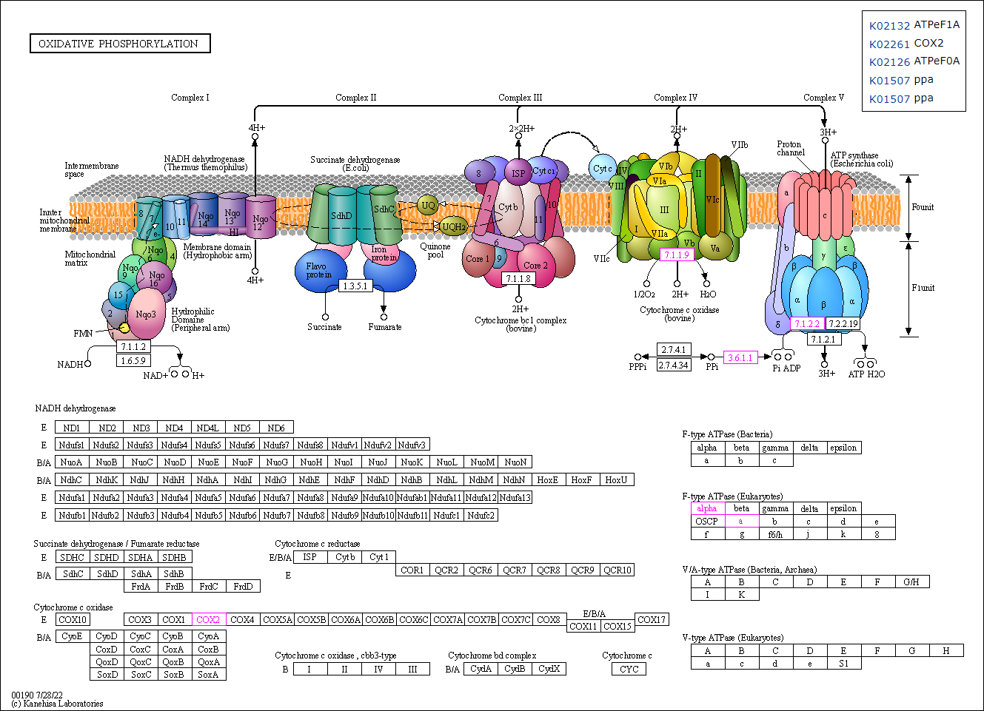
Metabolism of cofactors and vitamins | 00760 Nicotinate and nicotinamide metabolism (1) | 00860 Porphyrin metabolism (1)
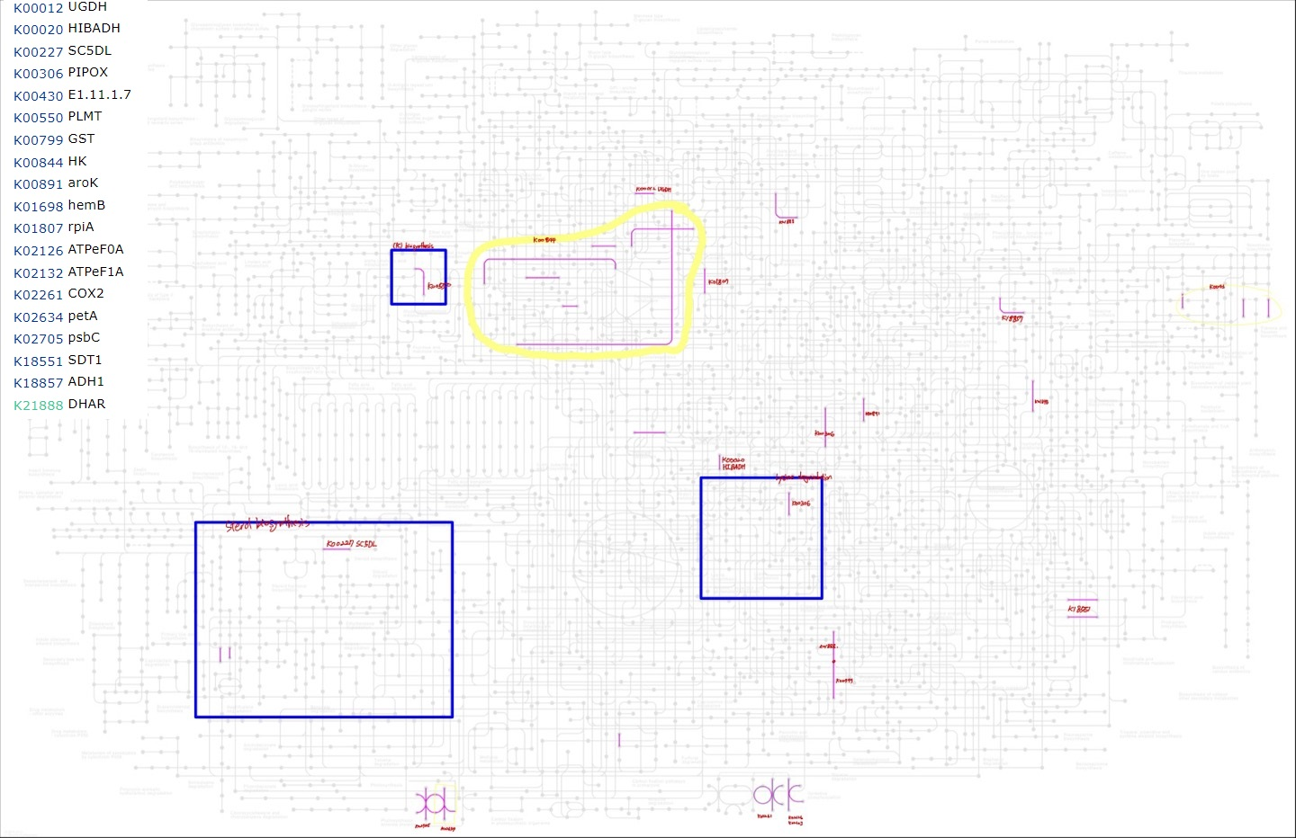
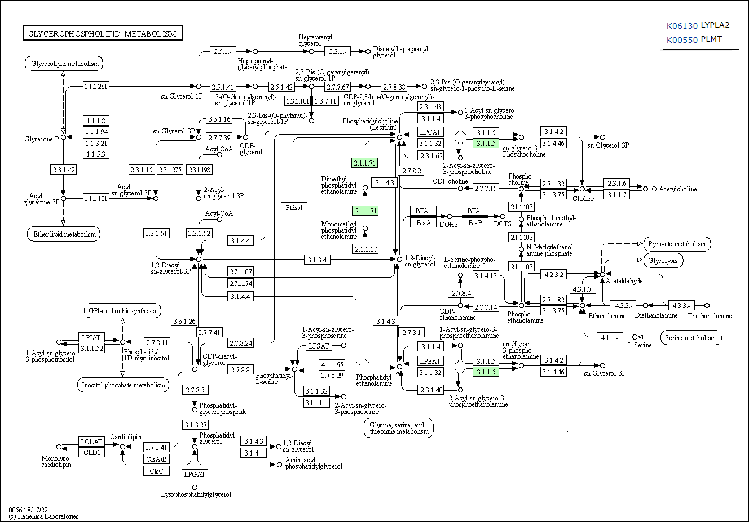
Biosynthesis of other secondary metabolites | 00940 Phenylpropanoid biosynthesis (1) | 00521 Streptomycin biosynthesis (1) | 00524 Neomycin, kanamycin and gentamicin biosynthesis (1)

Orthologs, modules and networks | ko00001 KEGG Orthology (KO) (83)
Protein families: metabolism | ko01000 Enzymes (24) | ko01009 Protein phosphatases and associated proteins (1) | ko01003 Glycosyltransferases (1) | ko00199 Cytochrome P450 (1) | ko00194 Photosynthesis proteins (2)
Protein families: genetic information processing | ko03000 Transcription factors (5) | ko03021 Transcription machinery (1) | ko03019 Messenger RNA biogenesis (6) | ko03041 Spliceosome (4) | ko03011 Ribosome (5) | ko03009 Ribosome biogenesis (2) | ko03016 Transfer RNA biogenesis (1) | ko03012 Translation factors (2) | ko03110 Chaperones and folding catalysts (4) | ko04131 Membrane trafficking (11) | ko04121 Ubiquitin system (7) | ko03032 DNA replication proteins (1) | ko03036 Chromosome and associated proteins (4) | ko03400 DNA repair and recombination proteins (3) | ko03029 Mitochondrial biogenesis (5)
Protein families: signaling and cellular processes | ko02000 Transporters (5) | ko02044 Secretion system (1) | ko03037 Cilium and associated proteins (1) | ko04812 Cytoskeleton proteins (2) | ko04147 Exosome (3) | ko04031 GTP-binding proteins (1) | ko00536 Glycosaminoglycan binding proteins (1)

C2C3 decreased acclimation
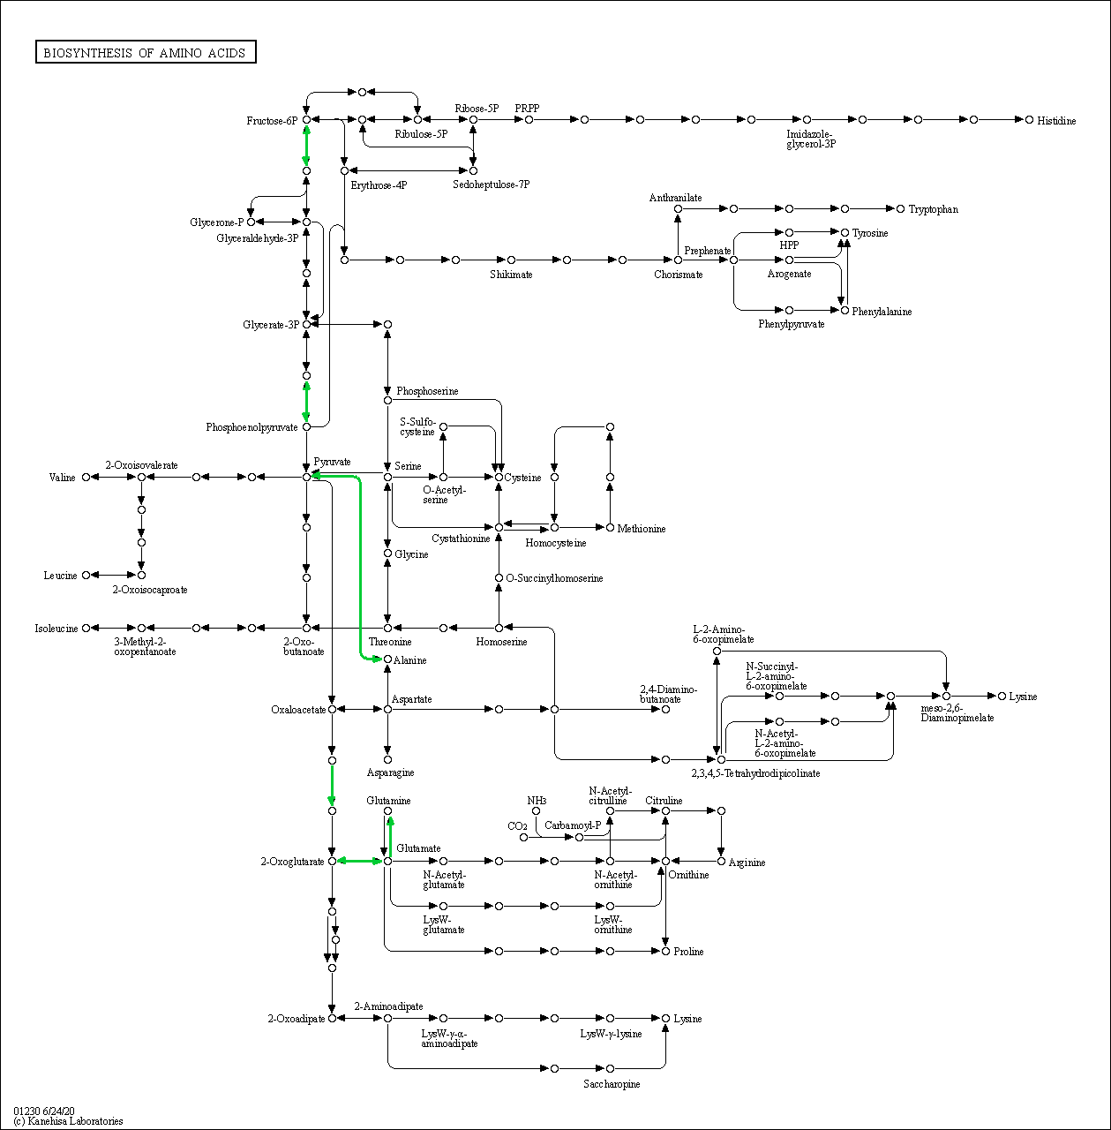
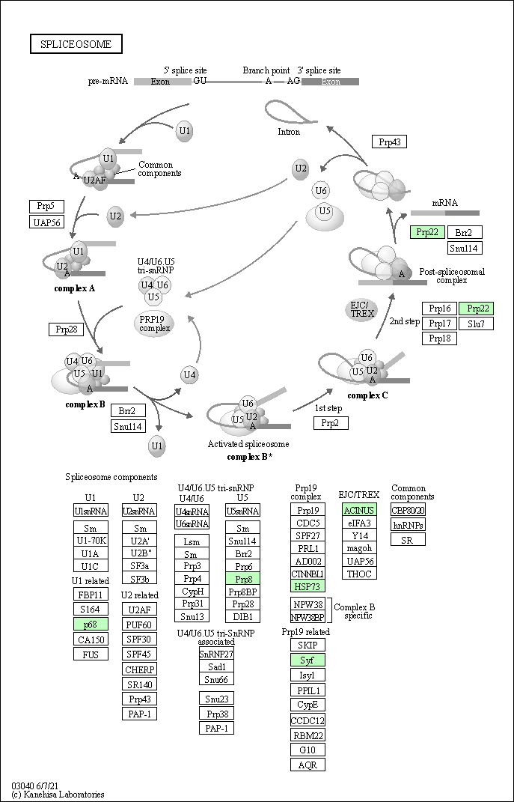
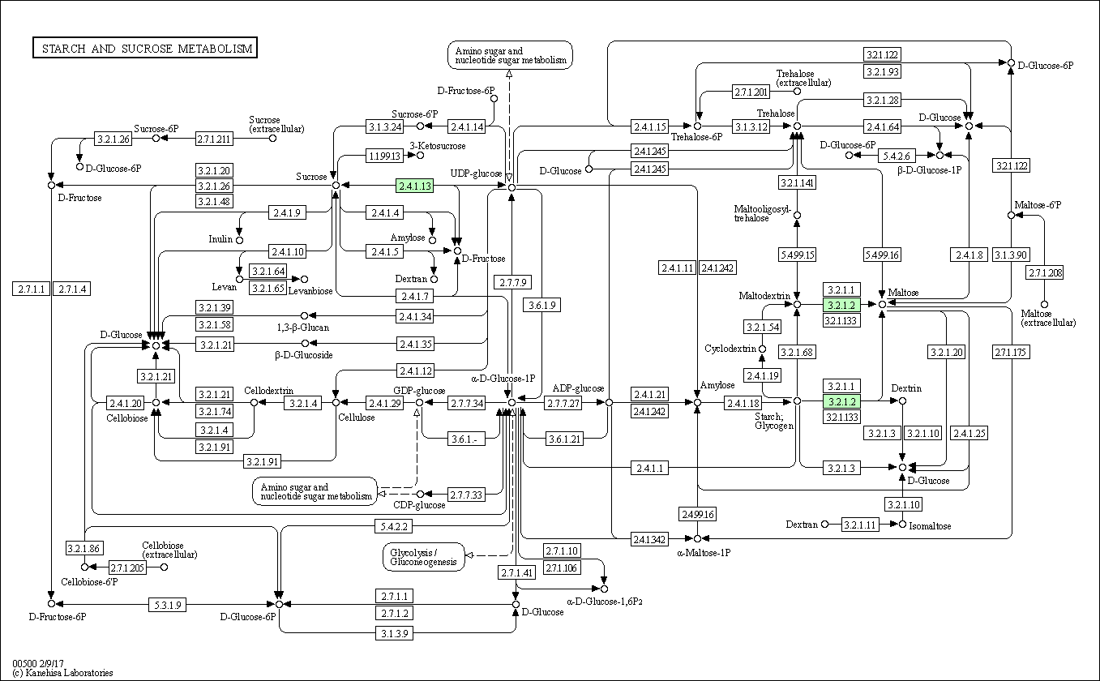
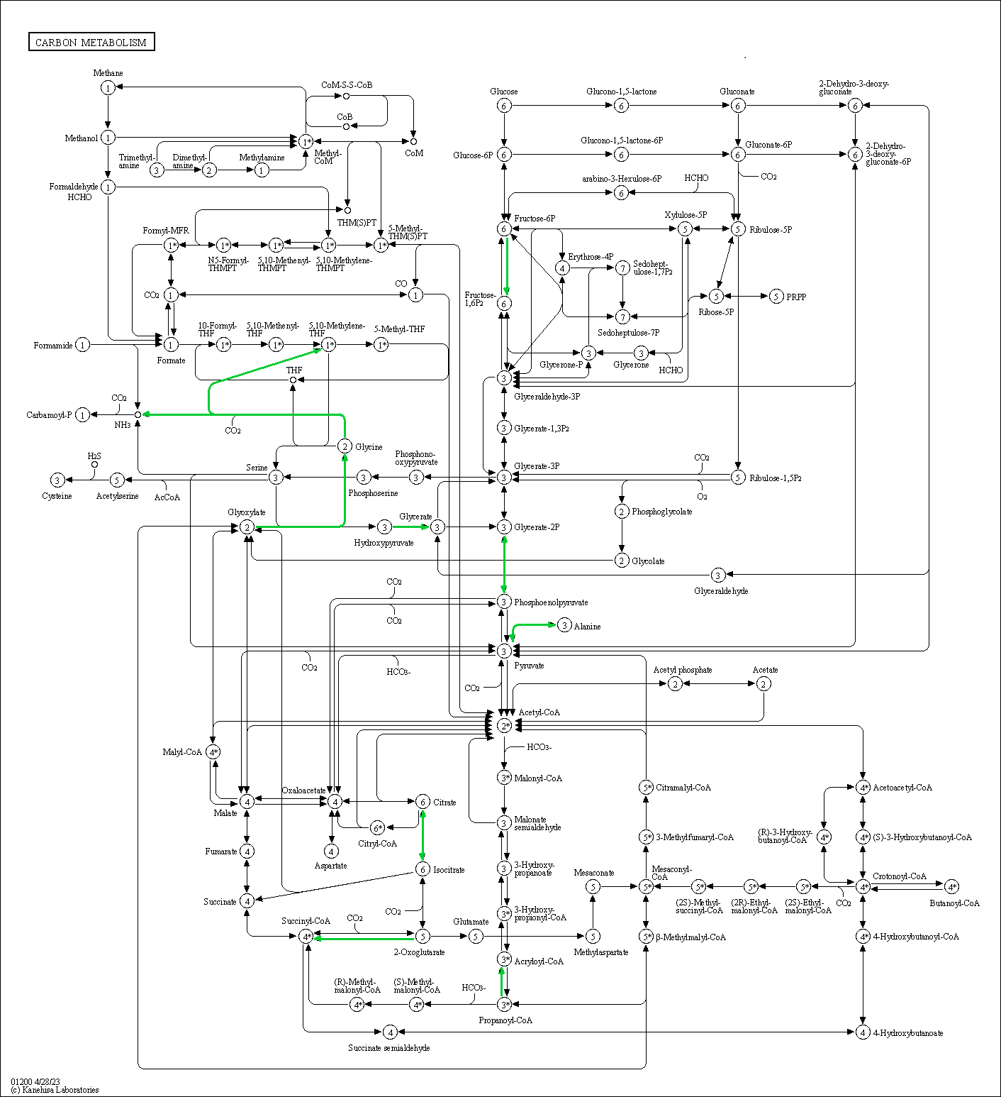
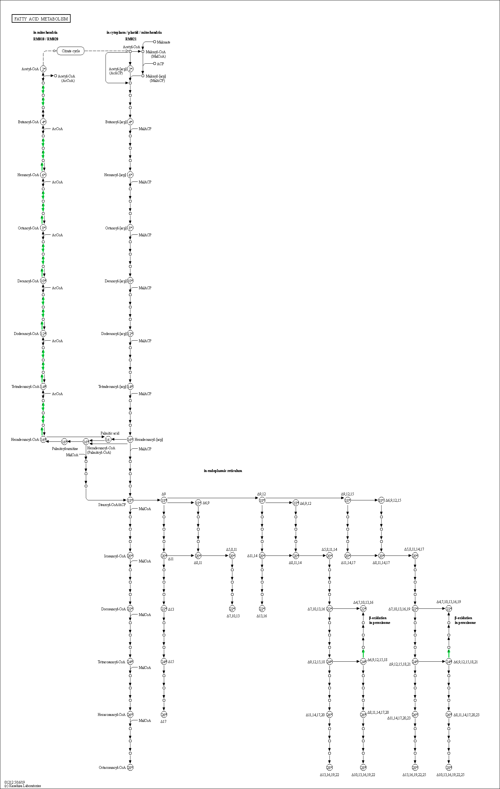
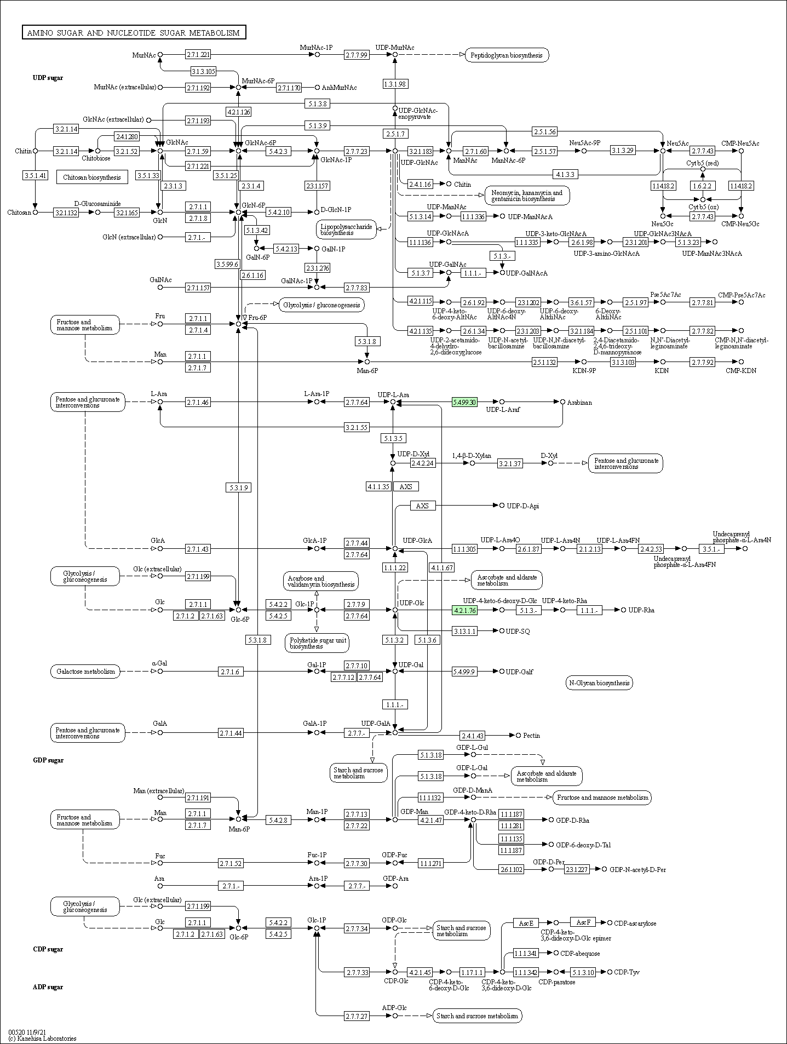
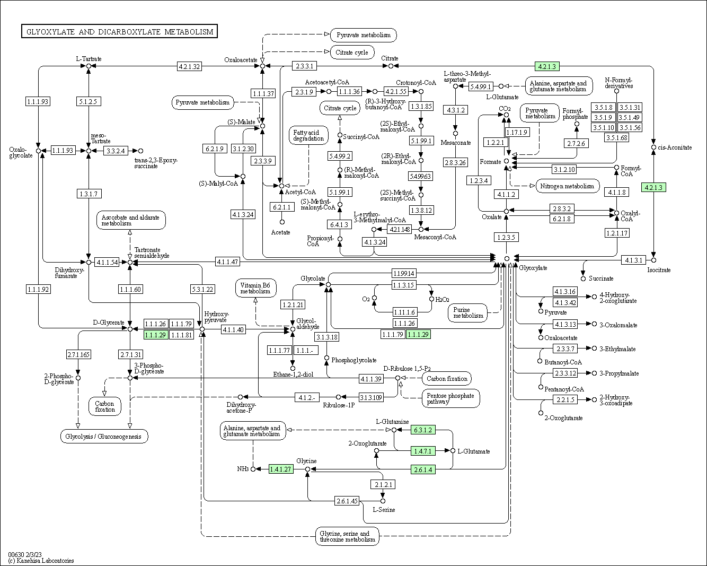
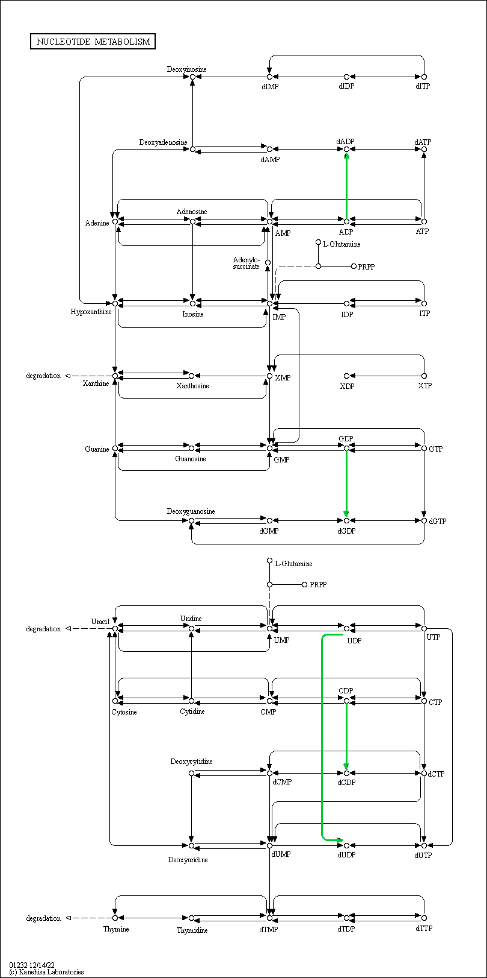
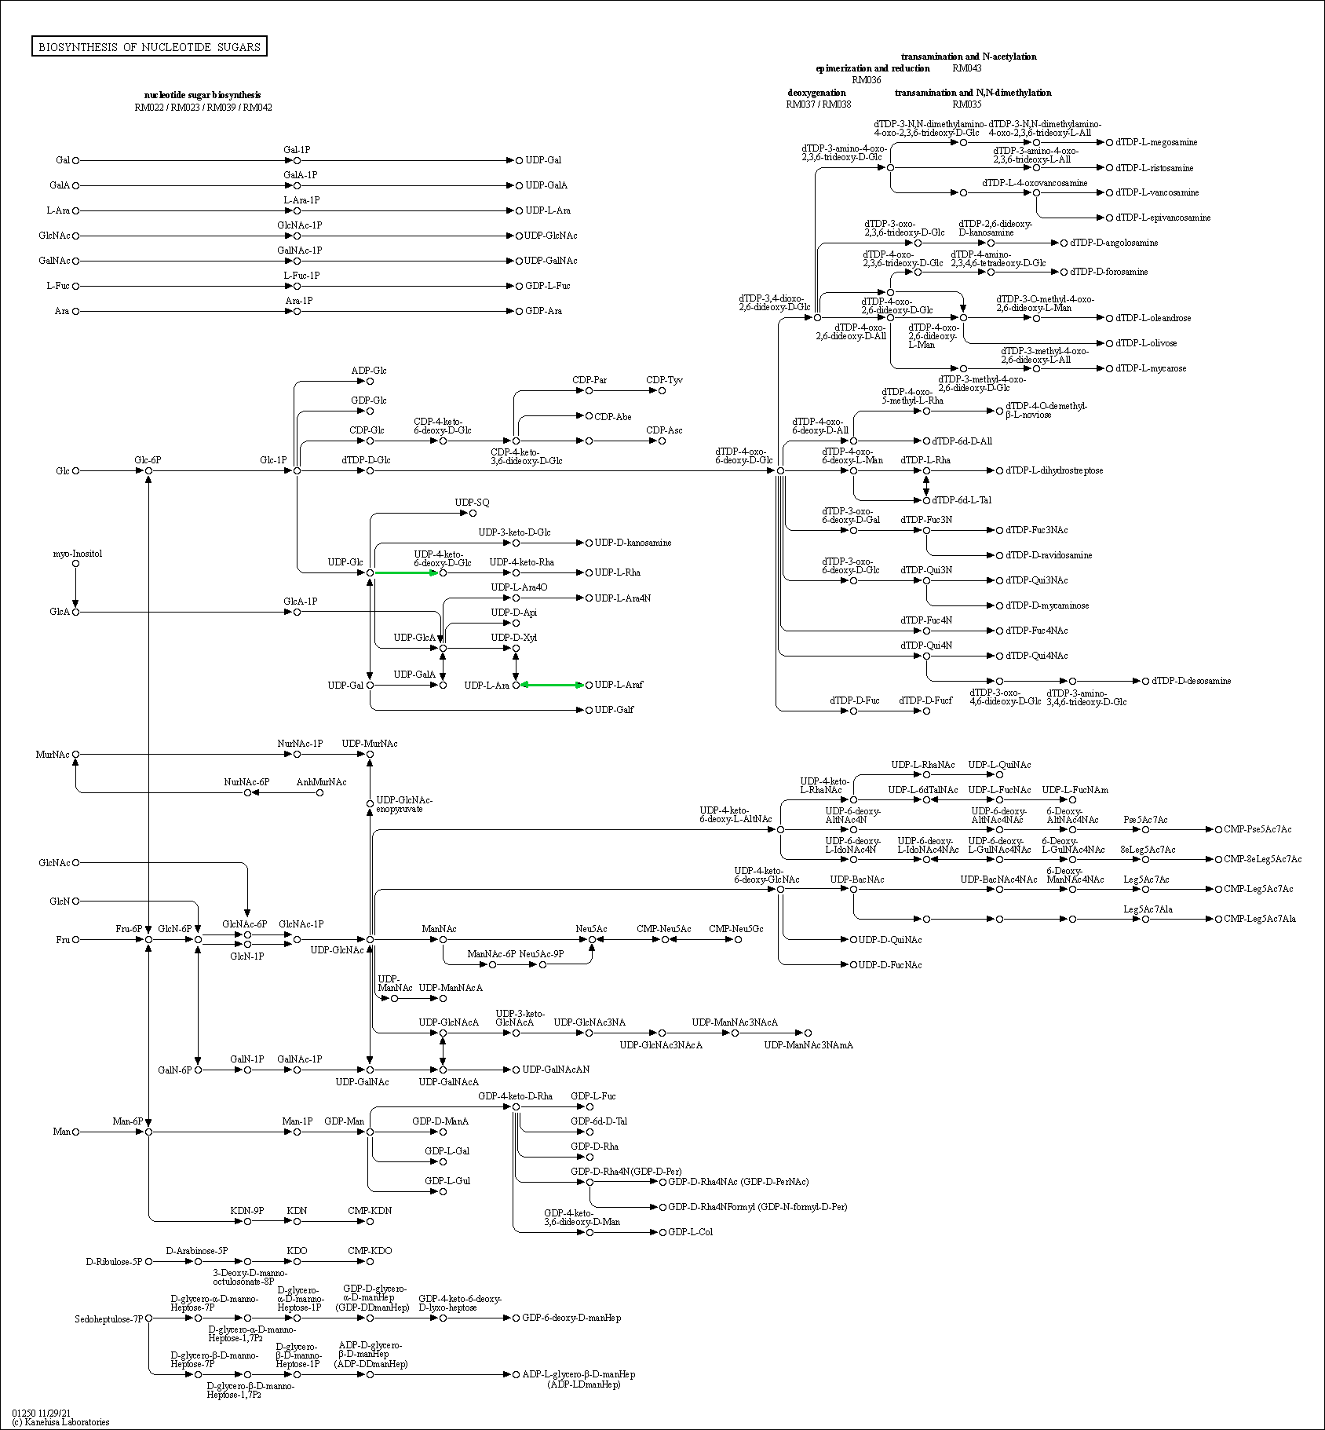
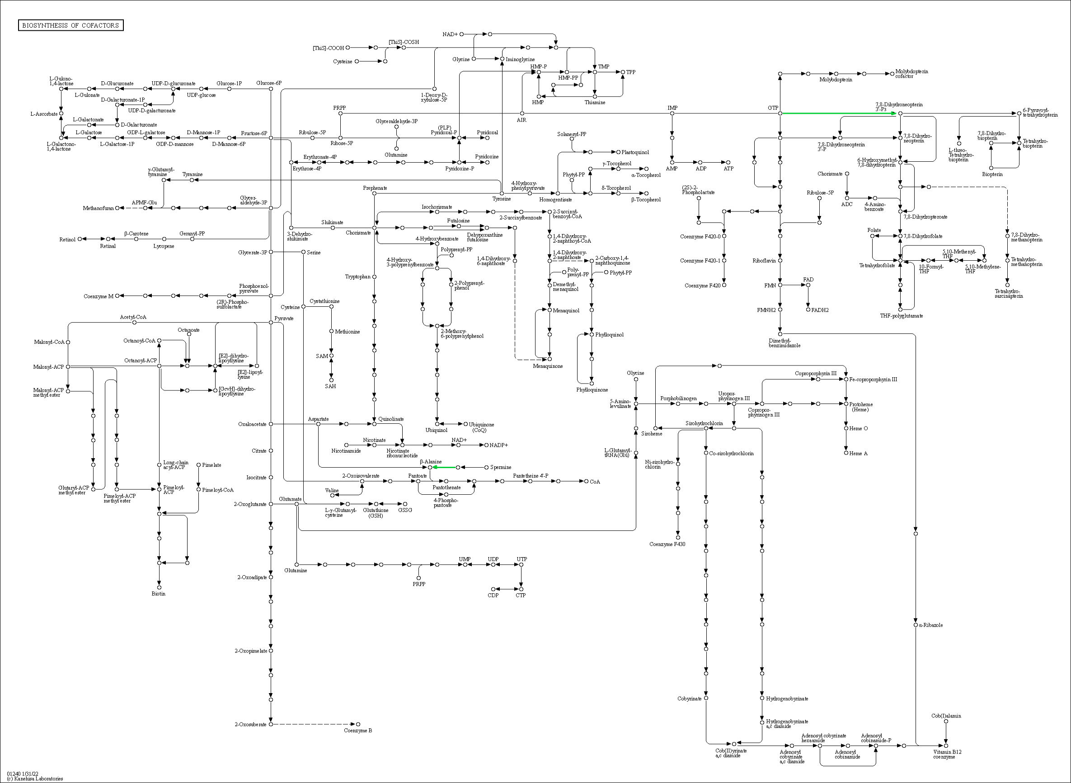
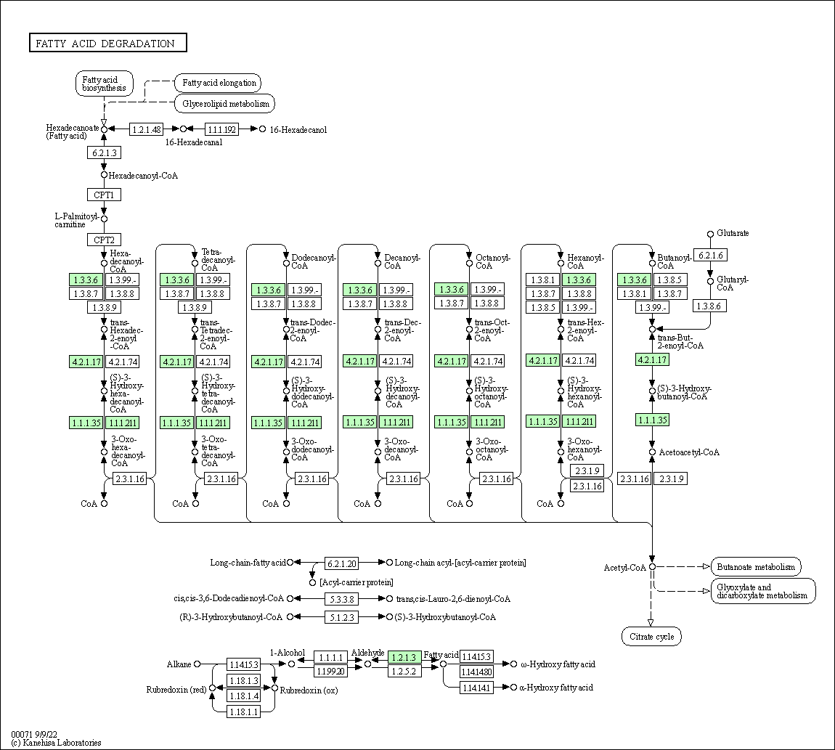
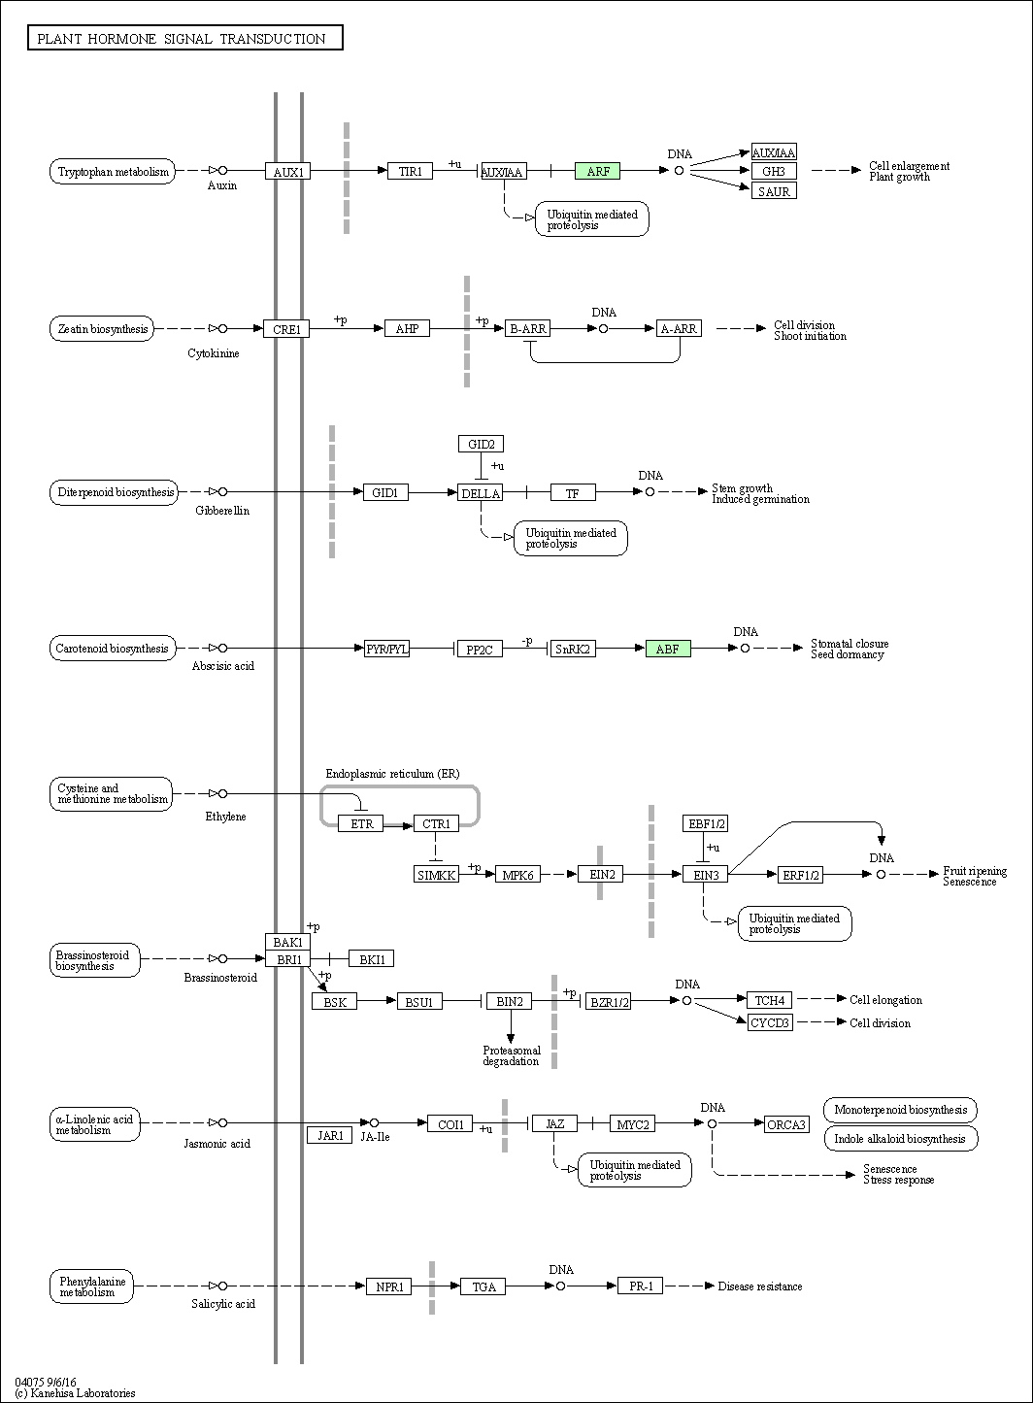
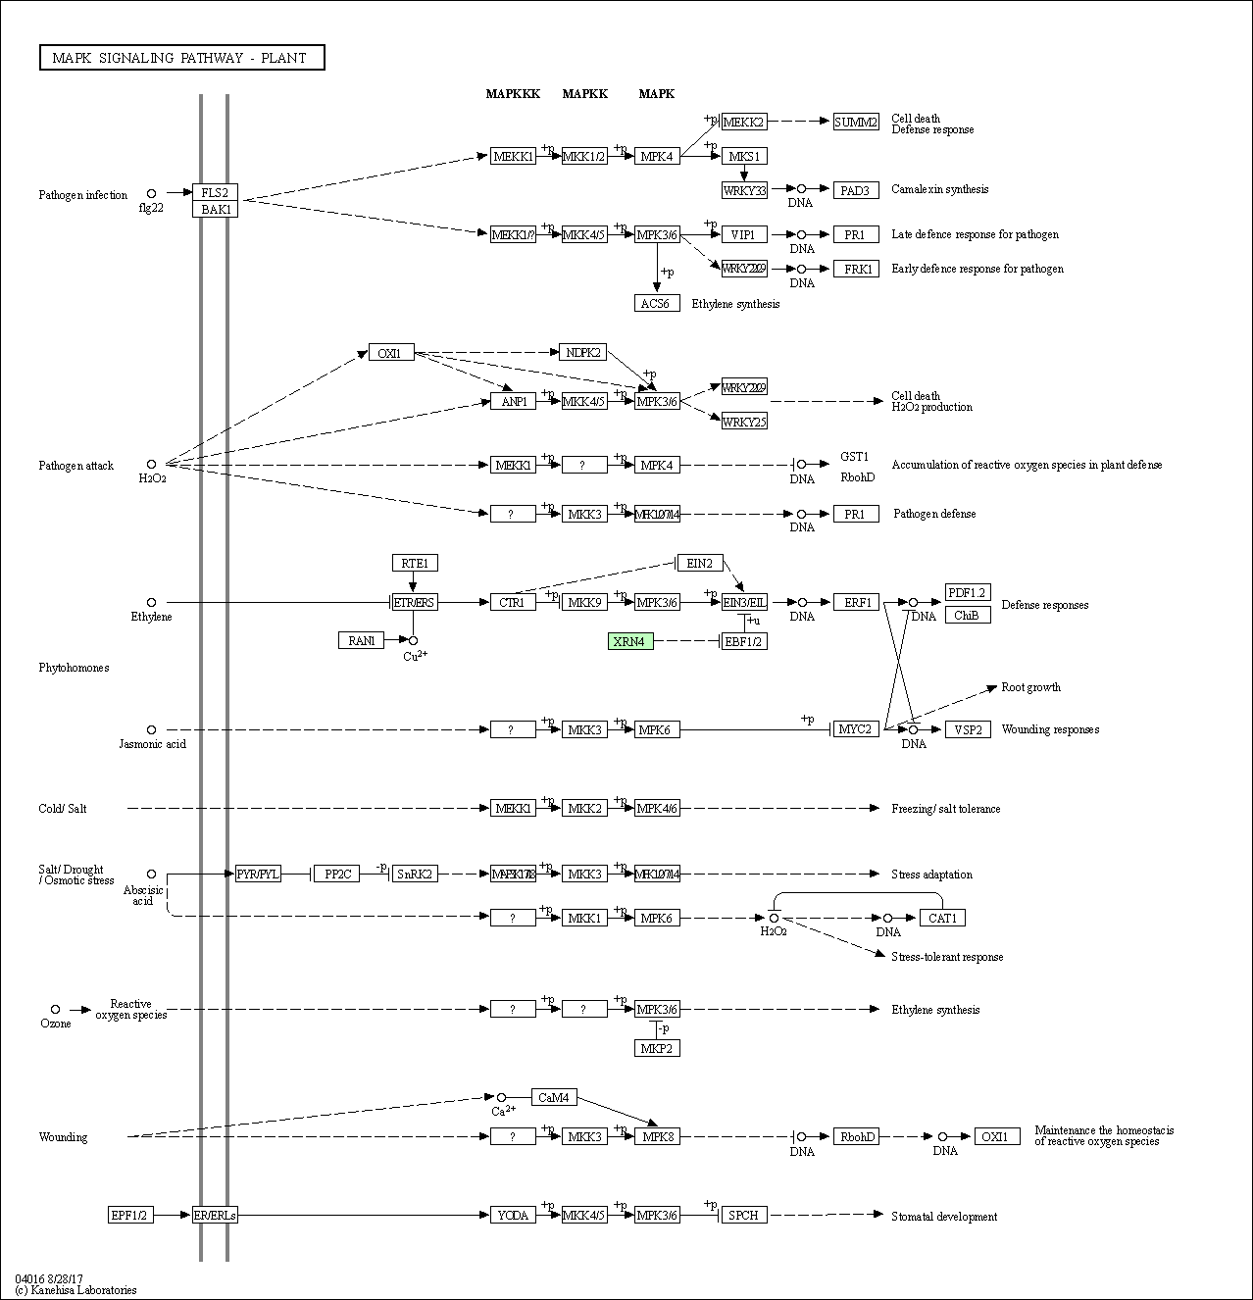
INPUT DATA
Contig | Raw_count_C2 | Raw_count_C3 | Normalized_C2 | Normalized_C3 | foldchange | KO | KO_description | ens_description | ens_description-2 | ens_gene
Contig10639 | 55387 | 10561 | 57973 | 11438 | -2.3 | K15893 | HPR1; glycerate dehydrogenase [EC:1.1.1.29] | hydroxypyruvate | glycerate dehydrogenase HPR, peroxisomal | DCAR_022947
Contig4473 | 30897 | 6423 | 33163 | 7166 | -2.2 | K25900 | RD21; cysteine proteinase RD21 [EC:3.4.22.-] | hypothetical | low-temperature-induced cysteine proteinase-like | DCAR_019420
Contig21987 | 24340 | 3304 | 26392 | 4361 | -2.6 | K03242 | EIF2S3; translation initiation factor 2 subunit 3 | hypothetical |  | DCAR_002471
Contig21909 | 21037 | 2402 | 21260 | 3297 | -2.7 | K03798 | ftsH, hflB; cell division protease FtsH [EC:3.4.24.-] | hypothetical |  | DCAR_009779
Contig21910 | 16983 | 2125 | 19509 | 2917 | -2.7 | K03798 | ftsH, hflB; cell division protease FtsH [EC:3.4.24.-] | hypothetical |  | DCAR_009779
Contig23547 | 15163 | 942 | 16139 | 1550 | -3.4 | K00281 | GLDC, gcvP; glycine cleavage system P protein (glycine dehydrogenase) [EC:1.4.4.2] | hypothetical |  | DCAR_003129
Contig753 | 15057 | 2363 | 15815 | 3261 | -2.3 | K03283 | HSPA1s; heat shock 70kDa protein 1/2/6/8 | hypothetical | stromal 70 kDa heat shock-related protein, chloroplastic-like | DCAR_025327
Contig1419 | 14863 | 1706 | 15443 | 2375 | -2.7 | K01915 | glnA, GLUL; glutamine synthetase [EC:6.3.1.2] | Glutamine |  | DCAR_027142
Contig14252 | 9216 | 1003 | 9067 | 1603 | -2.5 | K02357 | tsf, TSFM; elongation factor Ts | Elongation | uncharacterized LOC108212998 | DCAR_012058
Contig1272 | 8269 | 369 | 8059 | 765 | -3.4 | K03234 | EEF2; elongation factor 2 | hypothetical |  | DCAR_009642
Contig8182 | 6766 | 1070 | 6767 | 1669 | -2.0 | K13993 | HSP20; HSP20 family protein | HSP21 | small heat shock protein, chloroplastic | DCAR_008975
Contig1390 | 6131 | 675 | 5844 | 1218 | -2.3 | K03255 | TIF31, CLU1; protein TIF31 | hypothetical |  | DCAR_025251
Contig19460 | 5920 | 406 | 5417 | 828 | -2.7 | K12856 | PRPF8, PRP8; pre-mRNA-processing factor 8 | hypothetical | pre-mRNA-processing-splicing factor 8-like | DCAR_025515
Contig629 | 5795 | 474 | 5224 | 943 | -2.5 | K09489 | HSPA4; heat shock 70kDa protein 4 | hypothetical | heat shock 70 kDa protein 16-like | DCAR_008146
Contig1370 | 5025 | 552 | 4513 | 1055 | -2.1 | K09489 | HSPA4; heat shock 70kDa protein 4 | Heat | heat shock 70 kDa protein 8 | DCAR_030628
Contig1557 | 4928 | 541 | 4284 | 1039 | -2.0 | K14272 | GGAT; glutamate--glyoxylate aminotransferase [EC:2.6.1.4 2.6.1.2 2.6.1.44] | hypothetical | glutamate--glyoxylate aminotransferase 2 | DCAR_024439
Contig1296 | 4614 | 356 | 4000 | 739 | -2.4 | K00164 | OGDH, sucA; 2-oxoglutarate dehydrogenase E1 component [EC:1.2.4.2] | hypothetical | 2-oxoglutarate dehydrogenase, mitochondrial-like | DCAR_023132
Contig20567 | 4557 | 282 | 3919 | 619 | -2.7 | K12124 | GI; GIGANTEA | Protein | protein GIGANTEA | DCAR_001164
Contig1365 | 3851 | 342 | 3327 | 717 | -2.2 | K13525 | VCP, CDC48; transitional endoplasmic reticulum ATPase | hypothetical | cell division control protein 48 homolog E | DCAR_014993
Contig21678 | 3624 | 213 | 3128 | 503 | -2.6 | K03255 | TIF31, CLU1; protein TIF31 | hypothetical |  | DCAR_020092
Contig1358 | 3580 | 233 | 3084 | 545 | -2.5 | K08244 | R1; alpha-glucan, water dikinase [EC:2.7.9.4] | hypothetical |  | DCAR_029738
Contig2165 | 3530 | 318 | 3031 | 676 | -2.2 | K01681 | ACO, acnA; aconitate hydratase [EC:4.2.1.3] | Aconitate | aconitate hydratase, cytoplasmic-like | DCAR_022565
Contig23428 | 3530 | 371 | 3031 | 769 | -2.0 | K08869 | ADCK, ABC1; aarF domain-containing kinase | hypothetical | uncharacterized aarF domain-containing protein kinase At1g79600, chloroplastic-like | DCAR_013343
Contig4664 | 3190 | 248 | 2743 | 569 | -2.3 | K03070 | secA; preprotein translocase subunit SecA [EC:7.4.2.8] | hypothetical |  | DCAR_005716
Contig1387 | 2841 | 186 | 2449 | 445 | -2.5 | K01528 | DNM1_3; dynamin 1/3 [EC:3.6.5.5] | hypothetical | dynamin-2A-like | DCAR_022281
Contig1597 | 2676 | 141 | 2315 | 351 | -2.7 | K00951 | relA; GTP pyrophosphokinase [EC:2.7.6.5] | RSH1 | putative GTP diphosphokinase RSH1, chloroplastic | DCAR_018318
Contig3103 | 2652 | 131 | 2281 | 338 | -2.8 | K10527 | MFP2; enoyl-CoA hydratase/3-hydroxyacyl-CoA dehydrogenase [EC:4.2.1.17 1.1.1.35 1.1.1.211] | Peroxisomal |  | DCAR_028698
Contig7514 | 2524 | 221 | 2157 | 524 | -2.0 | K12818 | DHX8, PRP22; ATP-dependent RNA helicase DHX8/PRP22 [EC:3.6.4.13] | hypothetical |  | DCAR_014198
Contig15204 | 2062 | 107 | 1748 | 286 | -2.6 | K01535 | PMA1, PMA2; H+-transporting ATPase [EC:7.1.2.1] | hypothetical | plasma membrane ATPase 4-like | DCAR_009918
Contig8487 | 2013 | 173 | 1712 | 419 | -2.0 | K01873 | VARS, valS; valyl-tRNA synthetase [EC:6.1.1.9] | hypothetical | valine--tRNA ligase, mitochondrial 1 | DCAR_020225
Contig9746 | 1961 | 107 | 1672 | 286 | -2.5 | K15747 | LUT5, CYP97A3; beta-ring hydroxylase [EC:1.14.-.-] | Protein |  | DCAR_023843
Contig5863 | 1881 | 100 | 1603 | 270 | -2.6 | K15979 | SND1; staphylococcal nuclease domain-containing protein 1 | hypothetical |  | DCAR_025630
Contig1518 | 1880 | 83 | 1600 | 230 | -2.8 | K03163 | TOP1; DNA topoisomerase I [EC:5.6.2.1] | hypothetical | DNA topoisomerase 1-like | DCAR_008813
Contig10512 | 1729 | 89 | 1469 | 248 | -2.6 | K25639 | SUPT16H, SPT16; FACT complex subunit SPT16 | hypothetical |  | DCAR_005264
Contig24213 | 1688 | 64 | 1432 | 179 | -3.0 | K00695 | SUS; sucrose synthase [EC:2.4.1.13] | hypothetical | sucrose synthase | DCAR_028527
Contig1369 | 1675 | 98 | 1424 | 264 | -2.4 | K13525 | VCP, CDC48; transitional endoplasmic reticulum ATPase | hypothetical | cell division control protein 48 homolog E-like | DCAR_016471
Contig17083 | 1637 | 60 | 1391 | 168 | -3.0 | K11593 | ELF2C, AGO; eukaryotic translation initiation factor 2C | hypothetical | protein argonaute 16-like | DCAR_021141
Contig2490 | 1621 | 81 | 1376 | 225 | -2.6 | K12867 | SYF1, XAB2; pre-mRNA-splicing factor SYF1 | hypothetical | pre-mRNA-splicing factor SYF1 | DCAR_003206
Contig23461 | 1596 | 122 | 1352 | 318 | -2.1 | K01537 | ATP2C; P-type Ca2+ transporter type 2C [EC:7.2.2.10] | hypothetical |  | DCAR_016976
Contig3868 | 1485 | 49 | 1264 | 136 | -3.2 | K03347 | CUL1, CDC53; cullin 1 | hypothetical | cullin-1-like | DCAR_027084
Contig23460 | 1473 | 80 | 1259 | 223 | -2.5 | K01537 | ATP2C; P-type Ca2+ transporter type 2C [EC:7.2.2.10] | Calcium-transporting | calcium-transporting ATPase 12, plasma membrane-type-like | DCAR_002697
Contig2505 | 1413 | 117 | 1207 | 306 | -2.0 | K10590 | TRIP12; E3 ubiquitin-protein ligase TRIP12 [EC:2.3.2.26] | E3 | E3 ubiquitin-protein ligase UPL4 | DCAR_017728
Contig728 | 1357 | 106 | 1149 | 284 | -2.0 | K07052 | K07052; CAAX protease family protein | hypothetical | uncharacterized LOC108199284 | DCAR_028528
Contig13150 | 1258 | 82 | 1055 | 227 | -2.2 | K18749 | LSM14, RAP55, SCD6; protein LSM14 | hypothetical | protein decapping 5-like | DCAR_023693
Contig22059 | 1250 | 81 | 1046 | 225 | -2.2 | K14486 | K14486, ARF; auxin response factor | hypothetical | auxin response factor 1 | DCAR_003280
Contig1584 | 1248 | 83 | 1041 | 230 | -2.2 | K14521 | NAT10, KRE33; N-acetyltransferase 10 [EC:2.3.1.-] | hypothetical | RNA cytidine acetyltransferase 1-like | DCAR_001378
Contig482 | 1205 | 79 | 1002 | 221 | -2.2 | K16276 | K16276, BTS; zinc finger protein-like protein | hypothetical |  | DCAR_021543
Contig1250 | 1182 | 68 | 977 | 191 | -2.4 | K11968 | ARIH1; ariadne-1 [EC:2.3.2.31] | hypothetical |  | DCAR_029921
Contig15719 | 1165 | 29 | 961 | 82 | -3.6 | K20715 | PHOT; phototropin [EC:2.7.11.1] | hypothetical | phototropin-2 | DCAR_029730
Contig22153 | 1143 | 86 | 948 | 240 | -2.0 | K14792 | RRP5, PDCD11; rRNA biogenesis protein RRP5 | rRNA |  | DCAR_016871
Contig951 | 1137 | 77 | 943 | 216 | -2.1 | K18443 | GBF1; golgi-specific brefeldin A-resistance guanine nucleotide exchange factor 1 | ARF |  | DCAR_028721
Contig9490 | 1054 | 73 | 873 | 205 | -2.1 | K22184 | BRD9; bromodomain-containing protein 9 | hypothetical | uncharacterized LOC108223217 | DCAR_016713
Contig21828 | 961 | 8 | 795 | 26 | -4.9 | K11654 | SMARCA5, SNF2H, ISWI; SWI/SNF-related matrix-associated actin-dependent regulator of chromatin subfamily A member 5 [EC:5.6.2.-] | hypothetical | probable ATP-dependent DNA helicase CHR12 | DCAR_002397
Contig483 | 916 | 48 | 765 | 133 | -2.5 | K16276 | K16276, BTS; zinc finger protein-like protein | hypothetical | uncharacterized LOC108209282 | DCAR_007254
Contig16260 | 858 | 62 | 717 | 173 | -2.0 | K03010 | RPB2, POLR2B; DNA-directed RNA polymerase II subunit RPB2 [EC:2.7.7.6] | hypothetical | DNA-directed RNA polymerase III subunit 2-like | DCAR_012513
Contig10093 | 851 | 63 | 707 | 176 | -2.0 | K14439 | SMARCAD1; SWI/SNF-related matrix-associated actin-dependent regulator of chromatin subfamily A containing DEAD/H box 1 [EC:5.6.2.-] | ETL1 | protein CHROMATIN REMODELING 19 | DCAR_023526
Contig2223 | 813 | 54 | 672 | 152 | -2.1 | K14794 | RRP12; ribosomal RNA-processing protein 12 | hypothetical |  | DCAR_009063
Contig1367 | 794 | 53 | 653 | 148 | -2.1 | K13525 | VCP, CDC48; transitional endoplasmic reticulum ATPase | hypothetical | cell division control protein 48 homolog E-like | DCAR_016471
Contig12701 | 730 | 27 | 597 | 76 | -3.0 | K04077 | groEL, HSPD1; chaperonin GroEL [EC:5.6.1.7] | Chaperonin |  | DCAR_016155
Contig14034 | 727 | 12 | 593 | 38 | -4.0 | K17302 | COPB2, SEC27; coatomer subunit beta' | hypothetical |  | DCAR_026311
Contig2116 | 706 | 8 | 573 | 26 | -4.4 | K03260 | EIF4G; translation initiation factor 4G | hypothetical |  | DCAR_025037
Contig813 | 704 | 51 | 571 | 141 | -2.0 | K10581 | UBE2O; ubiquitin-conjugating enzyme E2 O [EC:2.3.2.24] | Probable | probable ubiquitin-conjugating enzyme E2 23 | DCAR_022945
Contig22003 | 700 | 25 | 567 | 71 | -3.0 | K20102 | YTHDF; YTH domain-containing family protein | hypothetical | uncharacterized LOC108196126 | DCAR_023821
Contig13545 | 697 | 50 | 563 | 138 | -2.0 | K21437 | ANKRD13; ankyrin repeat domain-containing protein 13 | hypothetical |  | DCAR_023089
Contig1619 | 696 | 3 | 562 | 12 | -5.5 | K00284 | GLU, gltS; glutamate synthase (ferredoxin) [EC:1.4.7.1] | hypothetical | ferredoxin-dependent glutamate synthase 1, chloroplastic/mitochondrial | DCAR_020564
Contig8502 | 679 | 37 | 550 | 105 | -2.4 | K14573 | NOP4, RBM28; nucleolar protein 4 | hypothetical | RNA-binding protein 28 | DCAR_023026
Contig1400 | 678 | 29 | 549 | 82 | -2.7 | K01662 | dxs; 1-deoxy-D-xylulose-5-phosphate synthase [EC:2.2.1.7] | 1-deoxy-D-xylulose-5-phosphate |  | DCAR_022887
Contig2531 | 677 | 49 | 548 | 136 | -2.0 | K20553 | XRN4; 5'-3' exoribonuclease 4 [EC:3.1.13.-] | XRN4 |  | DCAR_001928
Contig3325 | 661 | 28 | 532 | 79 | -2.8 | K03255 | TIF31, CLU1; protein TIF31 | hypothetical |  | DCAR_025251
Contig7077 | 660 | 25 | 530 | 71 | -2.9 | K10268 | FBXL2_20; F-box and leucine-rich repeat protein 2/20 | hypothetical | F-box protein SKIP17-like | DCAR_002728
Contig2317 | 619 | 6 | 498 | 20 | -4.6 | K03178 | UBE1, UBA1; ubiquitin-activating enzyme E1 [EC:6.2.1.45] | hypothetical |  | DCAR_007353
Contig15677 | 619 | 39 | 498 | 110 | -2.2 | K08867 | WNK, PRKWNK; WNK lysine deficient protein kinase [EC:2.7.11.1] | hypothetical | probable serine/threonine-protein kinase WNK9 | DCAR_027214
Contig2128 | 616 | 44 | 494 | 121 | -2.0 | K13412 | CPK; calcium-dependent protein kinase [EC:2.7.11.1] | hypothetical | calcium-dependent protein kinase-like | DCAR_004217
Contig22746 | 570 | 14 | 453 | 43 | -3.4 | K05658 | ABCB1, CD243; ATP-binding cassette, subfamily B (MDR/TAP), member 1 [EC:7.6.2.2] | hypothetical | ABC transporter B family member 11-like | DCAR_012302
Contig3385 | 568 | 37 | 451 | 105 | -2.1 | K11000 | CALS; callose synthase [EC:2.4.1.-] | hypothetical | callose synthase 7-like | DCAR_016901
Contig1846 | 566 | 26 | 449 | 74 | -2.6 | K19525 | VPS13A_C; vacuolar protein sorting-associated protein 13A/C | hypothetical | uncharacterized LOC108198692 | DCAR_026963
Contig7601 | 537 | 7 | 425 | 23 | -4.2 | K11367 | CHD1; chromodomain-helicase-DNA-binding protein 1 [EC:5.6.2.-] | Protein | protein CHROMATIN REMODELING 5 | DCAR_002093
Contig8283 | 528 | 22 | 418 | 64 | -2.7 | K22768 | MBD9; methyl-CpG-binding domain-containing protein 9 [EC:2.3.1.48] | MBD9 | methyl-CpG-binding domain-containing protein 9-like | DCAR_021679
Contig11523 | 506 | 29 | 400 | 82 | -2.3 | K11855 | USP36_42; ubiquitin carboxyl-terminal hydrolase 36/42 [EC:3.4.19.12] | hypothetical | ubiquitin carboxyl-terminal hydrolase 19 | DCAR_012860
Contig17209 | 501 | 34 | 397 | 96 | -2.0 | K01883 | CARS, cysS; cysteinyl-tRNA synthetase [EC:6.1.1.16] | hypothetical |  | DCAR_023645
Contig20162 | 486 | 29 | 386 | 82 | -2.2 | K21797 | SAC1, SACM1L; phosphatidylinositol 4-phosphatase [EC:3.1.3.-] | hypothetical | phosphoinositide phosphatase SAC6-like | DCAR_010124
Contig20789 | 470 | 1 | 376 | 6 | -6.1 | K25819 | ABCD1, PXA1; ATP-binding cassette, subfamily D (ALD), peroxisomal ABC transporter [EC:7.6.2.4] | Peroxisomal | ABC transporter D family member 1 | DCAR_003505
Contig17931 | 444 | 24 | 353 | 69 | -2.4 | K03136 | TFIIE1, GTF2E1, TFA1, tfe; transcription initiation factor TFIIE subunit alpha | hypothetical | general transcription factor IIE subunit 1-like | DCAR_015131
Contig15655 | 441 | 19 | 350 | 55 | -2.7 | K05236 | COPA, RET1; coatomer subunit alpha | hypothetical | coatomer subunit alpha-1-like | DCAR_022446
Contig4069 | 438 | 29 | 347 | 82 | -2.1 | K01177 | E3.2.1.2; beta-amylase [EC:3.2.1.2] | Beta-amylase | beta-amylase 7 | DCAR_025190
Contig15323 | 433 | 30 | 342 | 85 | -2.0 | K12735 | PPIL4; peptidyl-prolyl cis-trans isomerase-like 4 [EC:5.2.1.8] | Peptidyl-prolyl |  | DCAR_013743
Contig13777 | 430 | 0 | 340 | 1 | -9.3 | K20353 | SEC16; COPII coat assembly protein SEC16 | hypothetical | protein transport protein SEC16B homolog | DCAR_027773
Contig1594 | 430 | 12 | 340 | 38 | -3.2 | K08955 | YME1; ATP-dependent metalloprotease [EC:3.4.24.-] | hypothetical | ATP-dependent zinc metalloprotease FTSH 4, mitochondrial-like | DCAR_003130
Contig17745 | 423 | 11 | 334 | 35 | -3.3 | K01456 | E3.5.1.52, NGLY1, PNG1; peptide-N4-(N-acetyl-beta-glucosaminyl)asparagine amidase [EC:3.5.1.52] | Transglutaminase |  | DCAR_029737
Contig1295 | 419 | 27 | 331 | 76 | -2.1 | K00164 | OGDH, sucA; 2-oxoglutarate dehydrogenase E1 component [EC:1.2.4.2] | hypothetical | 2-oxoglutarate dehydrogenase, mitochondrial-like | DCAR_023132
Contig18135 | 418 | 8 | 330 | 26 | -3.6 | K10643 | CNOT4, NOT4, MOT2; CCR4-NOT transcription complex subunit 4 [EC:2.3.2.27] | hypothetical |  | DCAR_018847
Contig7563 | 415 | 29 | 328 | 82 | -2.0 | K17637 | EXOC2, SEC5; exocyst complex component 2 | hypothetical | exocyst complex component SEC5A-like | DCAR_014431
Contig6475 | 398 | 1 | 316 | 6 | -5.8 | K11592 | DICER1, DCR1; endoribonuclease Dicer [EC:3.1.26.-] | hypothetical | endoribonuclease Dicer homolog 3-like | DCAR_004371
Contig22043 | 393 | 11 | 313 | 35 | -3.2 | K01537 | ATP2C; P-type Ca2+ transporter type 2C [EC:7.2.2.10] | hypothetical | calcium-transporting ATPase 4, endoplasmic reticulum-type-like | DCAR_006018
Contig674 | 388 | 28 | 311 | 79 | -2.0 | K03141 | TFIIH1, GTF2H1, TFB1; transcription initiation factor TFIIH subunit 1 | hypothetical |  | DCAR_017597
Contig654 | 381 | 21 | 305 | 61 | -2.3 | K00454 | LOX2S; lipoxygenase [EC:1.13.11.12] | hypothetical | linoleate 13S-lipoxygenase 3-1, chloroplastic-like | DCAR_026417
Contig1936 | 380 | 18 | 304 | 52 | -2.5 | K00695 | SUS; sucrose synthase [EC:2.4.1.13] | hypothetical | sucrose synthase 2 | DCAR_002856
Contig8872 | 377 | 8 | 302 | 26 | -3.5 | K13110 | MFAP1; microfibrillar-associated protein 1 | hypothetical |  | DCAR_004345
Contig9380 | 377 | 21 | 302 | 61 | -2.3 | K17263 | CAND1, TIP120A; cullin-associated NEDD8-dissociated protein 1 | Cullin-associated | cullin-associated NEDD8-dissociated protein 1 | DCAR_001727
Contig12697 | 343 | 17 | 272 | 50 | -2.4 | K00850 | pfkA, PFK; 6-phosphofructokinase 1 [EC:2.7.1.11] | hypothetical | ATP-dependent 6-phosphofructokinase 3-like | DCAR_004458
Contig16092 | 332 | 6 | 263 | 20 | -3.7 | K12450 | RHM; UDP-glucose 4,6-dehydratase [EC:4.2.1.76] | hypothetical |  | DCAR_013782
Contig7535 | 308 | 7 | 241 | 23 | -3.4 | K10393 | KIF2_24, MCAK; kinesin family member 2/24 | hypothetical |  | DCAR_030524
Contig12696 | 306 | 20 | 240 | 58 | -2.0 | K00850 | pfkA, PFK; 6-phosphofructokinase 1 [EC:2.7.1.11] | hypothetical | ATP-dependent 6-phosphofructokinase 3-like | DCAR_028637
Contig8428 | 296 | 4 | 232 | 15 | -4.0 | K01530 | E7.6.2.1; phospholipid-translocating ATPase [EC:7.6.2.1] | hypothetical | probable phospholipid-transporting ATPase 4 | DCAR_010257
Contig12702 | 296 | 10 | 232 | 32 | -2.8 | K04077 | groEL, HSPD1; chaperonin GroEL [EC:5.6.1.7] | Chaperonin |  | DCAR_016155
Contig8427 | 287 | 1 | 226 | 6 | -5.3 | K01530 | E7.6.2.1; phospholipid-translocating ATPase [EC:7.6.2.1] | hypothetical | probable phospholipid-transporting ATPase 4 | DCAR_026409
Contig136 | 268 | 7 | 211 | 23 | -3.2 | K12823 | DDX5, DBP2; ATP-dependent RNA helicase DDX5/DBP2 [EC:3.6.4.13] | hypothetical | ATP-dependent RNA helicase-like protein DB10 | DCAR_011241
Contig9851 | 268 | 10 | 211 | 32 | -2.7 | K01881 | PARS, proS; prolyl-tRNA synthetase [EC:6.1.1.15] | hypothetical | proline--tRNA ligase, chloroplastic/mitochondrial-like | DCAR_014517
Contig8977 | 267 | 8 | 211 | 26 | -3.0 | K00232 | E1.3.3.6, ACOX1, ACOX3; acyl-CoA oxidase [EC:1.3.3.6] | hypothetical | peroxisomal acyl-coenzyme A oxidase 1-like | DCAR_027764
Contig1028 | 263 | 8 | 208 | 26 | -3.0 | K17710 | PTCD1; pentatricopeptide repeat domain-containing protein 1 | hypothetical | pentatricopeptide repeat-containing protein At2g18940, chloroplastic | DCAR_020128
Contig283 | 259 | 11 | 205 | 35 | -2.6 | K12127 | TOC1, APRR1; pseudo-response regulator 1 | Two-component | two-component response regulator-like APRR1 | DCAR_016576
Contig21827 | 248 | 5 | 198 | 18 | -3.5 | K11654 | SMARCA5, SNF2H, ISWI; SWI/SNF-related matrix-associated actin-dependent regulator of chromatin subfamily A member 5 [EC:5.6.2.-] | hypothetical | probable ATP-dependent DNA helicase CHR12 | DCAR_002397
Contig12896 | 234 | 4 | 187 | 15 | -3.6 | K03093 | sigI; RNA polymerase sigma factor | RNA | RNA polymerase sigma factor sigC | DCAR_004457
Contig10718 | 226 | 14 | 180 | 43 | -2.1 | K12875 | ACIN1, ACINUS; apoptotic chromatin condensation inducer in the nucleus | hypothetical | apoptotic chromatin condensation inducer in the nucleus-like | DCAR_011493
Contig11373 | 220 | 2 | 176 | 9 | -4.3 | K20924 | CSLD; cellulose synthase-like protein [EC:2.4.1.-] | hypothetical | cellulose synthase A catalytic subunit 5 [UDP-forming]-like | DCAR_011470
Contig22010 | 217 | 2 | 172 | 9 | -4.3 | K20102 | YTHDF; YTH domain-containing family protein | hypothetical | uncharacterized LOC108196126 | DCAR_023821
Contig1596 | 208 | 0 | 165 | 1 | -8.2 | K08955 | YME1; ATP-dependent metalloprotease [EC:3.4.24.-] | hypothetical | ATP-dependent zinc metalloprotease FTSH 4, mitochondrial-like | DCAR_003130
Contig5802 | 207 | 13 | 165 | 41 | -2.0 | K11855 | USP36_42; ubiquitin carboxyl-terminal hydrolase 36/42 [EC:3.4.19.12] | hypothetical |  | DCAR_019622
Contig15105 | 206 | 3 | 164 | 12 | -3.8 | K18730 | GIGYF; PERQ amino acid-rich with GYF domain-containing protein | hypothetical | uncharacterized LOC108195870 | DCAR_024651
Contig14559 | 203 | 10 | 162 | 32 | -2.3 | K04498 | EP300, CREBBP, KAT3; E1A/CREB-binding protein [EC:2.3.1.48] | hypothetical | probable histone acetyltransferase HAC-like 1 | DCAR_010975
Contig6246 | 183 | 9 | 147 | 29 | -2.3 | K15200 | GTF3C2; general transcription factor 3C polypeptide 2 | hypothetical | uncharacterized LOC108218785 | DCAR_013376
Contig2816 | 176 | 5 | 142 | 18 | -3.0 | K20843 | GALT2S; hydroxyproline O-galactosyltransferase 2/3/4/5/6 [EC:2.4.1.-] | hypothetical |  | DCAR_007869
Contig16249 | 176 | 9 | 142 | 29 | -2.3 | K03254 | EIF3A; translation initiation factor 3 subunit A | hypothetical | eukaryotic translation initiation factor 3 subunit A-like | DCAR_022132
Contig4913 | 174 | 10 | 139 | 32 | -2.1 | K09422 | MYBP; transcription factor MYB, plant | hypothetical | uncharacterized LOC108197297 | DCAR_028712
Contig13219 | 165 | 6 | 133 | 20 | -2.7 | K20867 | GAUT12S; galacturonosyltransferase 12/13/14/15 [EC:2.4.1.-] | hypothetical |  | DCAR_011052
Contig16467 | 159 | 0 | 129 | 1 | -7.9 | K20476 | RIC1; RAB6A-GEF complex partner protein 1 | hypothetical | RAB6A-GEF complex partner protein 1-like | DCAR_006941
Contig8553 | 155 | 9 | 126 | 29 | -2.1 | K09142 | SPOUT1; methyltransferase [EC:2.1.1.-] | hypothetical | putative methyltransferase C9orf114 | DCAR_002398
Contig19157 | 153 | 2 | 124 | 9 | -3.8 | K22381 | ZNF598; E3 ubiquitin-protein ligase ZNF598 [EC:2.3.2.27] | hypothetical | E3 ubiquitin-protein ligase HEL2-like | DCAR_001894
Contig8483 | 153 | 5 | 124 | 18 | -2.8 | K13379 | RGP, UTM; reversibly glycosylated polypeptide / UDP-arabinopyranose mutase [EC:2.4.1.- 5.4.99.30] | hypothetical | probable UDP-arabinopyranose mutase 5 | DCAR_029906
Contig22004 | 150 | 2 | 121 | 9 | -3.8 | K20102 | YTHDF; YTH domain-containing family protein | hypothetical | uncharacterized LOC108196126 | DCAR_023821
Contig18934 | 146 | 1 | 118 | 6 | -4.4 | K20403 | TTI1; TELO2-interacting protein 1 | hypothetical | TELO2-interacting protein 1 homolog | DCAR_019921
Contig17340 | 142 | 0 | 114 | 1 | -7.7 | K14432 | ABF; ABA responsive element binding factor | hypothetical | ABSCISIC ACID-INSENSITIVE 5-like protein 7 | DCAR_019240
Contig2504 | 140 | 0 | 113 | 1 | -7.7 | K10590 | TRIP12; E3 ubiquitin-protein ligase TRIP12 [EC:2.3.2.26] | hypothetical | E3 ubiquitin-protein ligase UPL3-like | DCAR_022773
Contig6419 | 135 | 4 | 109 | 15 | -2.9 | K21989 | TMEM63, CSC1; calcium permeable stress-gated cation channel | hypothetical |  | DCAR_020044
Contig24162 | 135 | 4 | 109 | 15 | -2.9 | K12639 | CYP724, D11; steroid 22S-hydroxylase [EC:1.14.14.178] | hypothetical |  | DCAR_021741
Contig19539 | 133 | 5 | 107 | 18 | -2.6 | K10143 | RFWD2, COP1; E3 ubiquitin-protein ligase RFWD2 [EC:2.3.2.27] | hypothetical | E3 ubiquitin-protein ligase COP1-like | DCAR_000480
Contig9173 | 130 | 8 | 105 | 26 | -2.0 | K15445 | TRMT10, TRM10, RG9MTD; tRNA (guanine9-N1)-methyltransferase [EC:2.1.1.221] | hypothetical | tRNA (guanine(9)-N1)-methyltransferase | DCAR_006316
Contig1745 | 127 | 3 | 102 | 12 | -3.1 | K09338 | HD-ZIP; homeobox-leucine zipper protein | hypothetical | homeobox-leucine zipper protein ANTHOCYANINLESS 2-like | DCAR_008592
Contig13041 | 127 | 5 | 102 | 18 | -2.5 | K14793 | RRP9; ribosomal RNA-processing protein 9 | hypothetical | U3 snoRNP-associated protein-like EMB2271 | DCAR_003859
Contig16061 | 125 | 0 | 100 | 1 | -7.5 | K22913 | FIG4; phosphatidylinositol 3,5-bisphosphate 5-phosphatase [EC:3.1.3.-] | hypothetical | phosphoinositide phosphatase SAC3-like | DCAR_010489
Contig3142 | 124 | 1 | 99 | 6 | -4.2 | K10643 | CNOT4, NOT4, MOT2; CCR4-NOT transcription complex subunit 4 [EC:2.3.2.27] | hypothetical |  | DCAR_018851
Contig6254 | 124 | 1 | 99 | 6 | -4.2 | K10807 | RRM1; ribonucleoside-diphosphate reductase subunit M1 [EC:1.17.4.1] | hypothetical | ribonucleoside-diphosphate reductase large subunit | DCAR_011466
Contig11622 | 120 | 7 | 96 | 23 | -2.0 | K10398 | KIF11, EG5; kinesin family member 11 | hypothetical | kinesin-like protein KIN-5D | DCAR_006020
Contig23066 | 117 | 4 | 94 | 15 | -2.7 | K12823 | DDX5, DBP2; ATP-dependent RNA helicase DDX5/DBP2 [EC:3.6.4.13] | hypothetical | ATP-dependent RNA helicase-like protein DB10 | DCAR_011241
Contig415 | 114 | 3 | 92 | 12 | -2.9 | K00485 | FMO; dimethylaniline monooxygenase (N-oxide forming) / hypotaurine monooxygenase [EC:1.14.13.8 1.8.1.-] | hypothetical |  | DCAR_025223
Contig6855 | 114 | 5 | 92 | 18 | -2.4 | K19998 | SCFD1, SLY1; sec1 family domain-containing protein 1 | hypothetical | SEC1 family transport protein SLY1-like | DCAR_006289
Contig17023 | 113 | 3 | 91 | 12 | -2.9 | K18469 | TBC1D5; TBC1 domain family member 5 | hypothetical | uncharacterized LOC108223111 | DCAR_019802
Contig2906 | 112 | 2 | 91 | 9 | -3.3 | K00968 | PCYT1; choline-phosphate cytidylyltransferase [EC:2.7.7.15] | hypothetical | choline-phosphate cytidylyltransferase 1-like | DCAR_001284
Contig19436 | 111 | 2 | 89 | 9 | -3.3 | K17907 | ATG9; autophagy-related protein 9 | hypothetical | autophagy-related protein 9-like | DCAR_005697
Contig22260 | 110 | 6 | 89 | 20 | -2.1 | K06111 | EXOC4, SEC8; exocyst complex component 4 | SEC8 |  | DCAR_019085
Contig8862 | 108 | 5 | 87 | 18 | -2.3 | K17470 | SULTR1; sulfate transporter 1, high-affinity | Sulfate |  | DCAR_032172
Contig9239 | 105 | 0 | 84 | 1 | -7.2 | K07203 | MTOR, FRAP, TOR; serine/threonine-protein kinase mTOR [EC:2.7.11.1] | Serine/threonine-protein |  | DCAR_021938
Contig11372 | 104 | 2 | 83 | 9 | -3.2 | K20924 | CSLD; cellulose synthase-like protein [EC:2.4.1.-] | hypothetical | cellulose synthase A catalytic subunit 3 [UDP-forming]-like | DCAR_022397
Contig17210 | 100 | 6 | 80 | 20 | -2.0 | K01883 | CARS, cysS; cysteinyl-tRNA synthetase [EC:6.1.1.16] | hypothetical |  | DCAR_023645
Contig2367 | 99 | 0 | 79 | 1 | -7.2 | K10865 | MRE11; double-strand break repair protein MRE11 | DNA |  | DCAR_018424
Contig14980 | 99 | 0 | 79 | 1 | -7.2 | K13217 | PRPF39, PRP39; pre-mRNA-processing factor 39 | hypothetical |  | DCAR_004690
Contig5586 | 98 | 3 | 79 | 12 | -2.7 | K14407 | CSTF2, RNA15; cleavage stimulation factor subunit 2 | Cleavage | cleavage stimulating factor 64 | DCAR_003088
Contig17013 | 96 | 4 | 77 | 15 | -2.4 | K15042 | KPNA5_6; importin subunit alpha-6/7 | hypothetical | importin subunit alpha-like | DCAR_012360
Contig16469 | 95 | 1 | 76 | 6 | -3.8 | K20476 | RIC1; RAB6A-GEF complex partner protein 1 | hypothetical | RAB6A-GEF complex partner protein 1-like | DCAR_006941
Contig185 | 90 | 1 | 72 | 6 | -3.7 | K11824 | AP2A; AP-2 complex subunit alpha | hypothetical | AP-2 complex subunit alpha-2-like | DCAR_015485
Contig6856 | 88 | 1 | 71 | 6 | -3.7 | K19998 | SCFD1, SLY1; sec1 family domain-containing protein 1 | hypothetical | SEC1 family transport protein SLY1-like | DCAR_015668
Contig9611 | 88 | 4 | 71 | 15 | -2.2 | K01051 | E3.1.1.11; pectinesterase [EC:3.1.1.11] | hypothetical |  | DCAR_023588
Contig3352 | 86 | 0 | 69 | 1 | -6.9 | K21444 | PCBP3_4; poly(rC)-binding protein 3/4 | hypothetical |  | DCAR_031004
Contig12961 | 85 | 2 | 68 | 9 | -2.9 | K03106 | SRP54, ffh; signal recognition particle subunit SRP54 [EC:3.6.5.4] | SRP54CP |  | DCAR_020740
Contig6404 | 83 | 3 | 66 | 12 | -2.4 | K00128 | ALDH; aldehyde dehydrogenase (NAD+) [EC:1.2.1.3] | hypothetical |  | DCAR_028207
Contig6405 | 81 | 1 | 64 | 6 | -3.5 | K00128 | ALDH; aldehyde dehydrogenase (NAD+) [EC:1.2.1.3] | hypothetical |  | DCAR_028207
Contig393 | 80 | 4 | 64 | 15 | -2.1 | K00511 | SQLE, ERG1; squalene monooxygenase [EC:1.14.14.17] | hypothetical |  | DCAR_029850
Contig24557 | 70 | 1 | 56 | 6 | -3.3 | K12607 | CNOT10; CCR4-NOT transcription complex subunit 10 | hypothetical | CCR4-NOT transcription complex subunit 10-like | DCAR_009323
Contig16248 | 69 | 3 | 55 | 12 | -2.2 | K03254 | EIF3A; translation initiation factor 3 subunit A | hypothetical | eukaryotic translation initiation factor 3 subunit A-like | DCAR_022132
Contig5391 | 63 | 2 | 50 | 9 | -2.5 | K01689 | ENO, eno; enolase [EC:4.2.1.11] | hypothetical | enolase-like | DCAR_020782
Contig9057 | 62 | 0 | 49 | 1 | -6.5 | K01537 | ATP2C; P-type Ca2+ transporter type 2C [EC:7.2.2.10] | hypothetical |  | DCAR_027251
Contig7998 | 61 | 3 | 48 | 12 | -2.0 | K01495 | GCH1, folE; GTP cyclohydrolase IA [EC:3.5.4.16] | hypothetical |  | DCAR_026976
Contig15104 | 60 | 0 | 48 | 1 | -6.4 | K18730 | GIGYF; PERQ amino acid-rich with GYF domain-containing protein | hypothetical | uncharacterized LOC108195870 | DCAR_024651
Contig22100 | 60 | 3 | 48 | 12 | -2.0 | K13091 | RBM23_39; RNA-binding protein 23/39 | hypothetical |  | DCAR_003181
Contig1746 | 55 | 0 | 44 | 1 | -6.3 | K09338 | HD-ZIP; homeobox-leucine zipper protein | hypothetical |  | DCAR_026332
Contig23776 | 55 | 2 | 44 | 9 | -2.3 | K15305 | VAC14, TAX1BP2; vacuole morphology and inheritance protein 14 | hypothetical |  | DCAR_007328

Metabolism |  |  |  |  |  |  |  |  |  |  |  |  |  |  | Genetic Information Processing
Global and overview maps | 01100 Metabolic pathways (29) | 01110 Biosynthesis of secondary metabolites (17) | 01120 Microbial metabolism in diverse environments (9) | 01200 Carbon metabolism (8) | 01210 2-Oxocarboxylic acid metabolism (2) | 01212 Fatty acid metabolism (2) | 01230 Biosynthesis of amino acids (5) | 01232 Nucleotide metabolism (1) | 01250 Biosynthesis of nucleotide sugars (2) | 01240 Biosynthesis of cofactors (2) |  |  |  |  | Transcription | 03020 RNA polymerase (1) | 03022 Basal transcription factors (2) | 03040 Spliceosome (6)
Carbohydrate metabolism | 00010 Glycolysis / Gluconeogenesis (3) | 00020 Citrate cycle (TCA cycle) (2) | 00030 Pentose phosphate pathway (1) | 00040 Pentose and glucuronate interconversions (1) | 00051 Fructose and mannose metabolism (1) | 00052 Galactose metabolism (1) | 00053 Ascorbate and aldarate metabolism (1) | 00500 Starch and sucrose metabolism (2) | 00520 Amino sugar and nucleotide sugar metabolism (2) | 00620 Pyruvate metabolism (1) | 00630 Glyoxylate and dicarboxylate metabolism (6) | 00640 Propanoate metabolism (1) | 00562 Inositol phosphate metabolism (2) |  | Translation | 00970 Aminoacyl-tRNA biosynthesis (3) | 03013 Nucleocytoplasmic transport (2) | 03015 mRNA surveillance pathway (2) | 03008 Ribosome biogenesis in eukaryotes (2)
Energy metabolism | 00190 Oxidative phosphorylation (1) | 00710 Carbon fixation in photosynthetic organisms (1) | 00720 Carbon fixation pathways in prokaryotes (1) | 00680 Methane metabolism (2) | 00910 Nitrogen metabolism (2) |  |  |  |  |  |  |  |  |  | Folding, sorting and degradation | 03060 Protein export (2) | 04141 Protein processing in endoplasmic reticulum (5) | 04120 Ubiquitin mediated proteolysis (5) | 03018 RNA degradation (5)
Lipid metabolism | 00071 Fatty acid degradation (3) | 00100 Steroid biosynthesis (1) | 00561 Glycerolipid metabolism (1) | 00564 Glycerophospholipid metabolism (1) | 00591 Linoleic acid metabolism (1) | 00592 alpha-Linolenic acid metabolism (3) | 01040 Biosynthesis of unsaturated fatty acids (1) |  |  |  |  |  |  |  | Replication and repair | 03420 Nucleotide excision repair (2) | 03440 Homologous recombination (1) | 03450 Non-homologous end-joining (1)
Nucleotide metabolism | 00230 Purine metabolism (2) | 00240 Pyrimidine metabolism (1)
Amino acid metabolism | 00250 Alanine, aspartate and glutamate metabolism (2) | 00260 Glycine, serine and threonine metabolism (3) | 00280 Valine, leucine and isoleucine degradation (1) | 00310 Lysine degradation (1) | 00220 Arginine biosynthesis (2) | 00330 Arginine and proline metabolism (1) | 00340 Histidine metabolism (1) | 00380 Tryptophan metabolism (1)
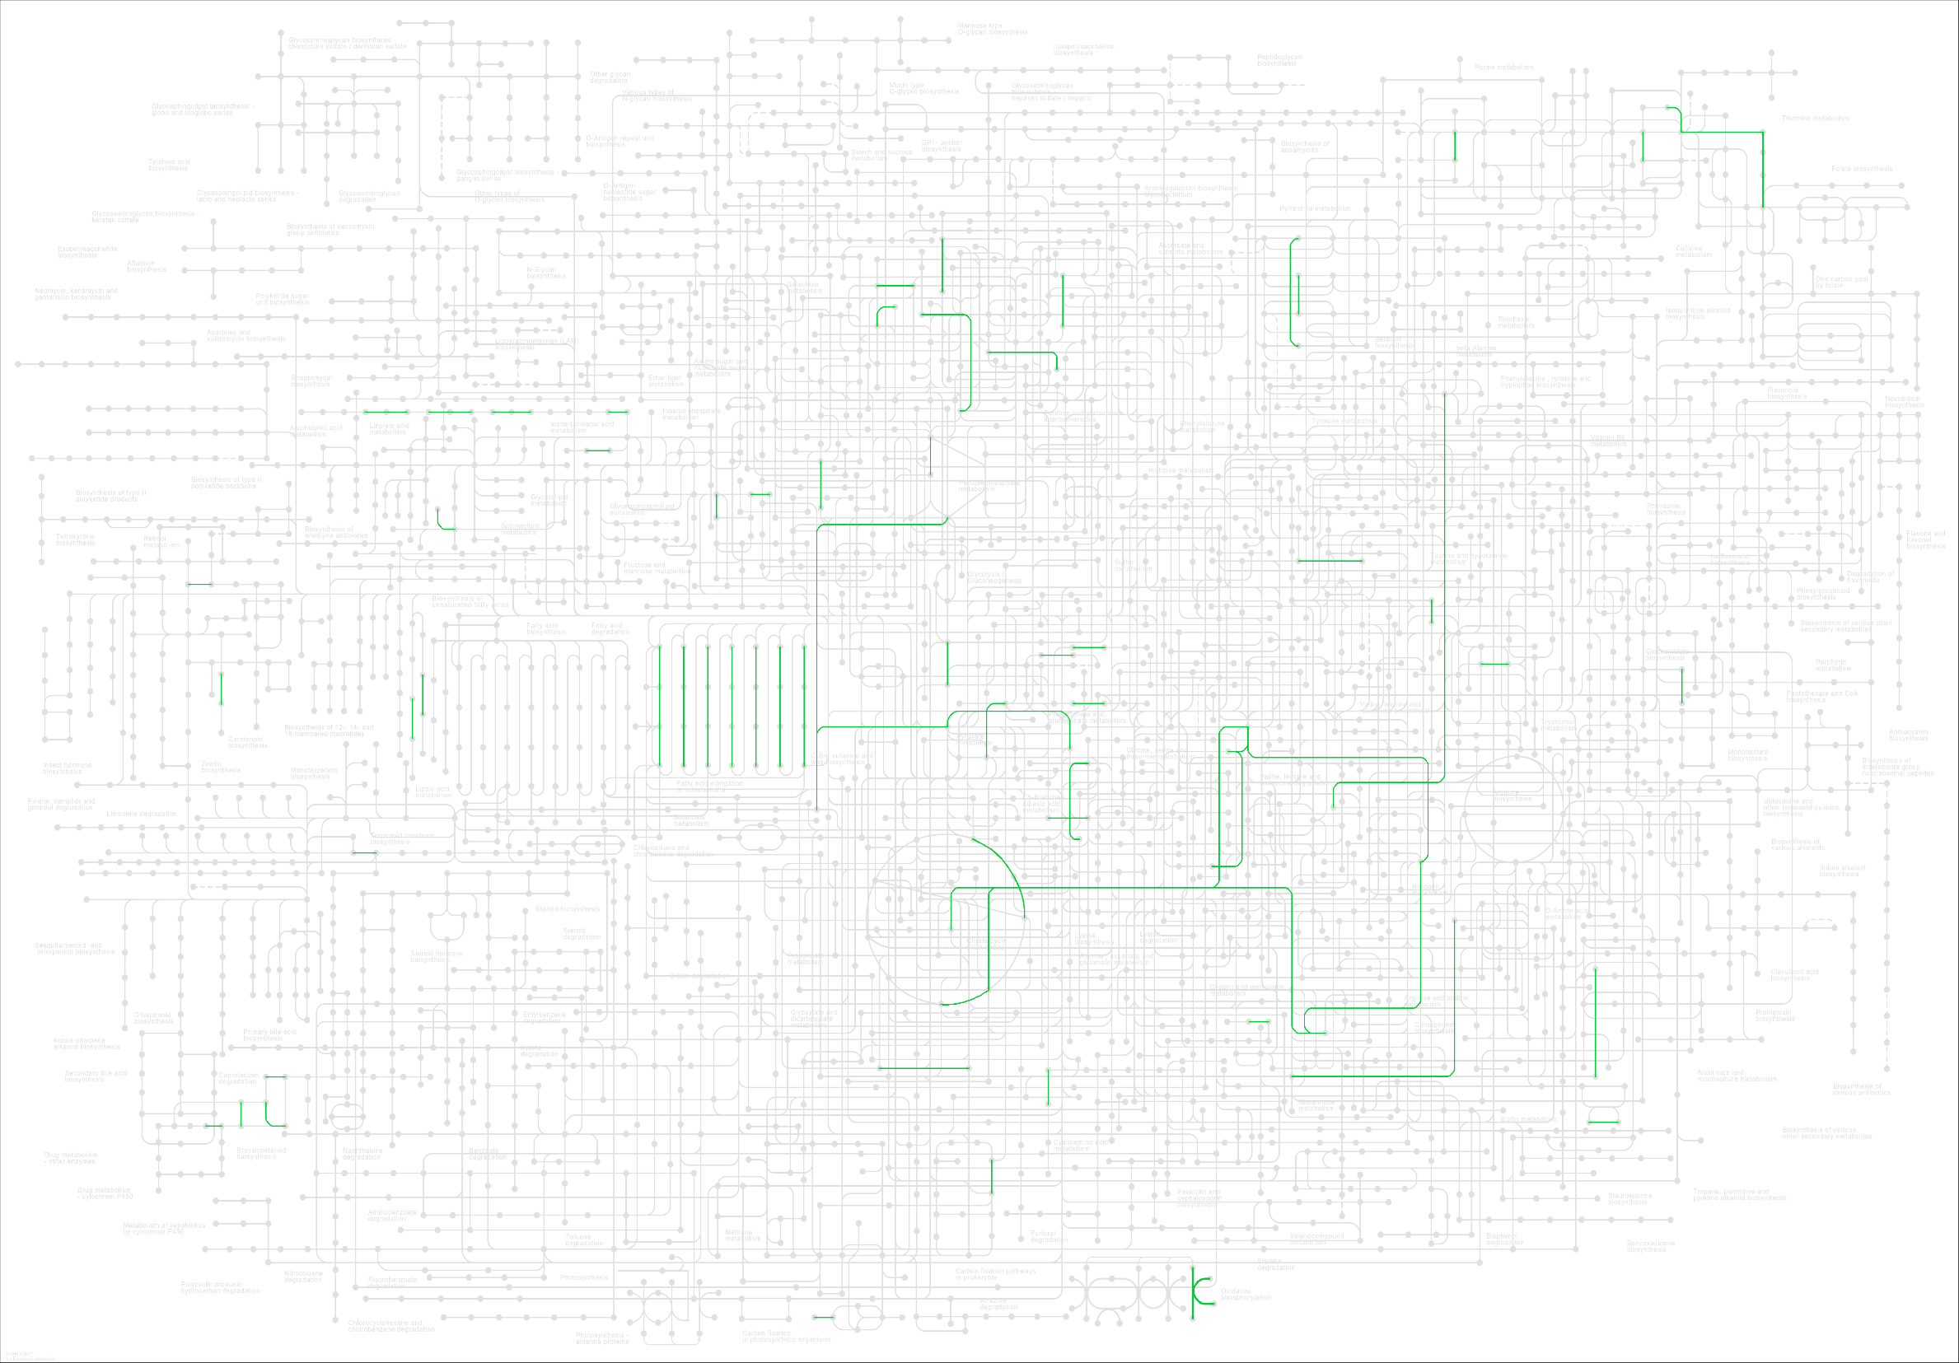
Metabolism of other amino acids | 00410 beta-Alanine metabolism (2) | 00430 Taurine and hypotaurine metabolism (1) | 00440 Phosphonate and phosphinate metabolism (1) | 00480 Glutathione metabolism (1)
Metabolism of cofactors and vitamins | 00730 Thiamine metabolism (1) | 00770 Pantothenate and CoA biosynthesis (1) | 00785 Lipoic acid metabolism (2) | 00790 Folate biosynthesis (1)
Metabolism of terpenoids and polyketides | 00900 Terpenoid backbone biosynthesis (1) | 00909 Sesquiterpenoid and triterpenoid biosynthesis (1) | 00906 Carotenoid biosynthesis (1) | 00905 Brassinosteroid biosynthesis (1) | 00981 Insect hormone biosynthesis (1) | 00903 Limonene degradation (1)

Genes and Proteins
Orthologs, modules and networks | ko00001 KEGG Orthology (KO) (145)
Protein families: metabolism | ko01000 Enzymes (77) | ko01001 Protein kinases (5) | ko01009 Protein phosphatases and associated proteins (3) | ko01002 Peptidases and inhibitors (6) | ko01003 Glycosyltransferases (6) | ko01007 Amino acid related enzymes (4) | ko00199 Cytochrome P450 (2)
Protein families: genetic information processing | ko03000 Transcription factors (5) | ko03021 Transcription machinery (7) | ko03019 Messenger RNA biogenesis (16) | ko03041 Spliceosome (10) | ko03009 Ribosome biogenesis (8) | ko03016 Transfer RNA biogenesis (5) | ko03012 Translation factors (6) | ko03110 Chaperones and folding catalysts (6) | ko04131 Membrane trafficking (17) | ko04121 Ubiquitin system (12) | ko03051 Proteasome (1) | ko03032 DNA replication proteins (2) | ko03036 Chromosome and associated proteins (14) | ko03400 DNA repair and recombination proteins (5) | ko03029 Mitochondrial biogenesis (6)
Protein families: signaling and cellular processes | ko02000 Transporters (4) | ko02044 Secretion system (2) | ko04812 Cytoskeleton proteins (2) | ko04147 Exosome (13) | ko04090 CD molecules (1)

