Figure1
 | Ado+Control Adu+Control Ado+IFS Adu+IFS

Figure1 J | 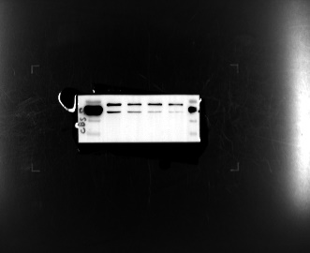 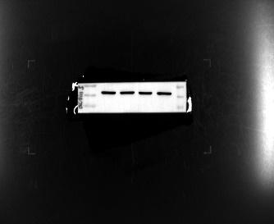
Figure1 B |  | Ado+Control | Adu+Control | Ado+IFS | Adu+IFS | Figure1 E | Ado+Control | Adu+Control | Ado+IFS | Adu+IFS | Figure1 I | adoc | aduc | adop | adup
 | 1 | 2.37 | 1.32 | 9.79 | 16.12 |  | 107.29 | 101.22 | 117.82 | 131.42 |  | 2603.24 | 2428.91 | 1850.60 | 889.30
 | 2 | 1.41 | 4.41 | 16.51 | 31.98 |  | 139.64 | 143.39 | 143.41 | 148.97 |  | 2878.71 | 2147.67 | 2272.67 | 1363.60
 | 3 | 3 | 6.24 | 10.74 | 51.47 |  | 148.97 | 162.13 | 80.78 | 154.87 |  | 2083.28 | 2684.59 | 2234.79 | 1387.95
 | 4 | 0.56 | 2.53 | 16.18 | 38.99 |  | 125.83 | 165.69 | 119.56 | 90.41 |  | 2462.06 | 2769.81 | 1647.68 | 1512.74
 | 5 | 2.73 | 2.47 | 11.75 | 52.08 |  | 92.03 | 152.62 | 131.93 | 167.40 |  | 2684.59 | 1874.95 | 2537.81 | 1212.09
 | 6 | 0.92 | 7.93 | 15.45 | 17.68 |  | 136.36 | 133.79 | 107.70 | 121.71 |  | 3116.80 | 2272.67 | 2176.52 | 1022.70
 | 7 | 3.88 | 1.71 | 18.43 | 27.10 |  | 158.50 | 99.92 | 139.52 | 178.51
 | 8 | 5.38 | 2.28 | 10.30 | 84.08 |  | 109.39 | 132.71 | 113.81 | 152.69
 | 9 | 2.07 | 3.64 | 15.45 | 60 |  | 53.66 | 126.93 | 150.89 | 103.44
 | 10 | 8.16 | 6.28 | 18.43 | 23.31 |  | 136.87 | 150.79 | 114.33 | 118.21

Figure1 C |  | Ado+Control | Adu+Control | Ado+IFS | Adu+IFS | Figure1 G | Ado+Control | Adu+Control | Ado+IFS | Adu+IFS
 | 1 | 0.51 | 1.81 | 42.04 | 38.3 |  | 57.98 | 56.13 | 63.65 | 87.02
 | 2 | 1.69 | 1.34 | 15.51 | 75.15 |  | 38.4 | 48.37 | 79.99 | 109.45
 | 3 | 2.05 | 2.73 | 14.8 | 32.66 |  | 60.64 | 52.66 | 107.45 | 86.66
 | 4 | 1.14 | 5.66 | 18.89 | 18.37 |  | 29.32 | 13.08 | 110.18 | 106.89
 | 5 | 2.30 | 4.61 | 16.55 | 48.58 |  | 19.1 | 39.92 | 73.56 | 163.71
 | 6 | 7.54 | 3.71 | 5.28 | 66.99 |  | 14.35 | 32.86 | 69.88 | 114.68
 | 7 | 6.75 | 2.55 | 30.76 | 47.39 |  | 60.23 | 27.08 | 81.68 | 162.68
 | 8 | 0.92 | 3.48 | 17.7 | 14.69 |  | 58.28 | 70.45 | 85.06 | 113.38
 | 9 | 4.53 | 3.49 | 10.37 | 20.63 |  | 70.47 | 63.56 | 74.98 | 125.64
 | 10 | 3.95 | 6.19 | 11.78 | 71.96 |  | 58.3 | 64.31 | 127.62 | 139.99

Figure1 D |  | Ado+Control | Adu+Control | Ado+IFS | Adu+IFS | Figure1 H | adoc | aduc | adop | adup
 | 1 | 60.3 | 41.5 | 32.2 | 13.1 |  | 27.75 | 29.48 | 96.15 | 162.31
 | 2 | 47.6 | 45.3 | 27.3 | 11.6 |  | 22.71 | 38.4 | 71.92 | 93.46
 | 3 | 24.7 | 35.9 | 25.9 | 6.5 |  | 37.6 | 34.54 | 75.36 | 162.91
 | 4 | 32.5 | 52.5 | 26.5 | 13.5 |  | 52.68 | 15.63 | 82.15 | 77.96
 | 5 | 39.1 | 63.9 | 29.7 | 11.4 |  | 31.74 | 35.15 | 101.89 | 131.12
 | 6 | 28.7 | 50.5 | 19.7 | 12.9 |  | 24.11 | 41.52 | 92.61 | 161.71
 | 7 | 45 | 41.8 | 16.5 | 14.2 |  | 44.41 | 56.43 | 84.14 | 107.28
 | 8 | 53.9 | 32.9 | 22.7 | 5.3 |  | 19.61 | 31.49 | 63.96 | 124.98
 | 9 | 28.7 | 23.1 | 21.3 | 7.7 |  | 44.82 | 43.55 | 112.03 | 107.03
 | 10 | 47.9 | 26.7 | 24.9 | 10.1 |  | 45.04 | 24.37 | 73.77 | 125.1

Figure2
 | Ado+Control Adu+Control Ado+IFS Adu+IFS
Figure2 H | 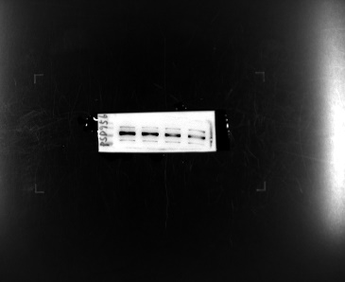 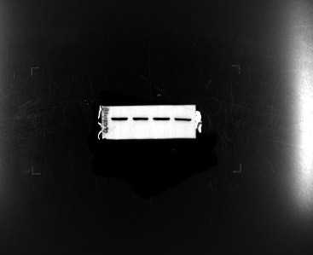
 | Ado+Control Adu+Control Ado+IFS Adu+IFS
Figure2 I | 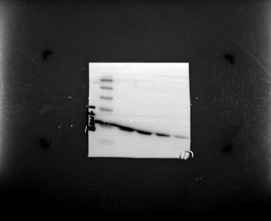 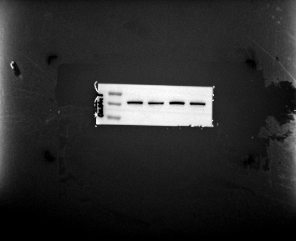
 | Ado+Control Adu+Control Ado+IFS Adu+IFS
Figure2 J

Figure2 B | Ado+Control | Adu+Control | Ado+IFS | Adu+IFS
 | 54 | 58 | 30 | 20
 | 61 | 68 | 28 | 18
 | 60 | 45 | 26 | 17
 | 59 | 51 | 27 | 15
 | 53 | 48 | 25 | 13
 | 57 | 53 | 39 | 16

Figure2 C | Ado+Control | Adu+Control | Ado+IFS | Adu+IFS
 | 229.71 | 264.46 | 212.66 | 172.9
 | 261.73 | 283.2 | 218.96 | 138.06
 | 230.22 | 237.74 | 171.59 | 108.26
 | 246.45 | 360 | 158.81 | 120.81
 | 255.56 | 231.04 | 184.72 | 112.92
 | 196.37 | 240.83 | 175.57 | 136.13

Figure2 F | Ado+Control | Adu+Control | Ado+IFS | Adu+IFS
 | 19 | 28 | 12 | 4
 | 24 | 17 | 11 | 6
 | 23 | 20 | 19 | 8
 | 20 | 15 | 16 | 10
 | 22 | 16 | 14 | 9
 | 18 | 27 | 13 | 5

Figure2 G | Ado+Control | Adu+Control | Ado+IFS | Adu+IFS
 | 0.31 | 0.38 | 0.22 | 0.18
 | 0.42 | 0.41 | 0.25 | 0.22
 | 0.42 | 0.44 | 0.33 | 0.13
 | 0.39 | 0.50 | 0.25 | 0.20
 | 0.50 | 0.41 | 0.36 | 0.21
 | 0.45 | 0.49 | 0.27 | 0.13

Figure3
Figure 3B | Ado+IFS | Ado+NaHS | Adu+IFS | Adu+NaHS
 | 1909.04 | 2510.26 | 1022.70 | 1568.14
 | 2234.79 | 4090.80 | 1590.87 | 1499.96
 | 1470.13 | 2318.12 | 1747.11 | 1886.31
 | 1235.76 | 3311.60 | 1772.68 | 1619.27
 | 1520.94 | 2462.06 | 1828.46 | 1558.40
 | 1756.95 | 1797.47 | 1512.74 | 1272.69

 | Ado+IFS Ado+NaHS Adu+IFS Adu+NaHS
Figure 3C | 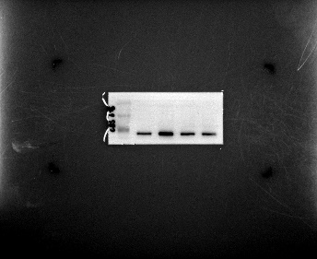 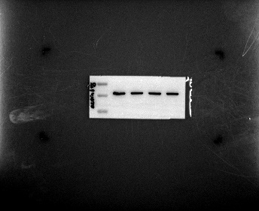

Figure 3D | Ado+IFS | Ado+NaHS | Adu+IFS | Adu+NaHS | Figure 3G | Ado+IFS | Ado+NaHS | Adu+IFS | Adu+NaHS
 | 10.9 | 34.1 | 13.5 | 17.9 |  | 31.98 | 37.06 | 109.8 | 56.61
 | 12.1 | 30.1 | 16.5 | 21.3 |  | 58.61 | 28.62 | 54.16 | 88.9
 | 8.1 | 22.7 | 11.6 | 6.7 |  | 68.72 | 35.99 | 83.79 | 90.59
 | 17.5 | 26.7 | 6.5 | 16.8 |  | 78.21 | 25.77 | 73.71 | 106.06
 | 10.7 | 23.1 | 12.7 | 23.3 |  | 63.09 | 16.55 | 93.49 | 97.65
 | 5.4 | 16.5 | 10.3 | 9.7 |  | 56.03 | 15.6 | 81.91 | 88.76
 | 12.9 | 20.5 | 9.3 | 6.9 |  | 79.35 | 8.79 | 99.07 | 89.11
 | 13.5 | 23.3 | 8.6 | 4.9 |  | 41.5 | 21.34 | 108.98 | 75.56
 | 20 | 28.5 | 14.1 | 11.3 |  | 93.4 | 16.34 | 76.57 | 108.53
 | 11.9 | 21.3 | 15.4 | 9.1 |  | 89.57 | 89.57 | 65.15 | 83.49

Figure 3E | Ado+IFS | Ado+NaHS | Adu+IFS | Adu+NaHS | Figure 3H | Ado+IFS | Ado+NaHS | Adu+IFS | Adu+NaHS
 | 110.689 | 110.1867 | 114.3685 | 144.4653 |  | 43.62 | 20.45 | 56.32 | 59.18
 | 104.1979 | 132.6727 | 110.9595 | 153.2326 |  | 67.71 | 24.73 | 56.88 | 86.61
 | 91.8285 | 107.0789 | 185.9151 | 126.9818 |  | 54.68 | 14.4 | 46.82 | 92.17
 | 117.01625 | 130.7721 | 178.506 | 122.3743 |  | 56.36 | 34.01 | 39.46 | 76.07
 | 121.6939 | 117.1935 | 131.5412 | 104.3556 |  | 66.47 | 24.32 | 42.94 | 75.08
 | 141.4579 | 118.8161 | 102.96 | 138.9411 |  | 48.42 | 23.94 | 49.98 | 49.83
 | 133.4204 | 150.446 | 85.1788 | 106.7366 |  | 43.27 | 17.48 | 88.97 | 116.79
 | 123.0937 | 111.4748 | 131.997 | 117.4848 |  | 69.41 | 19.79 | 92.62 | 51.39
 | 133.8418 | 124.7636 | 127.7851 | 133.4992 |  | 68.865 | 10.96 | 75.16 | 45.11
 | 101.5219 | 97.0498 | 98.1446 | 133.3424 |  | 34.76 | 37.25 | 114.37 | 60

Figure4

 | Ado+Control Adu+Control Ado+IFS Adu+IFS
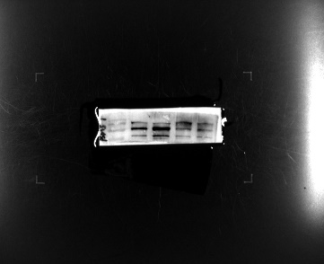 Figure 4H

 | Ado+Control Adu+Control Ado+IFS Adu+IFS
Figure 4I | 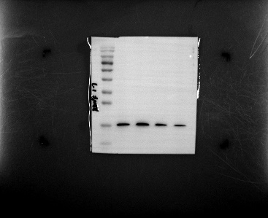 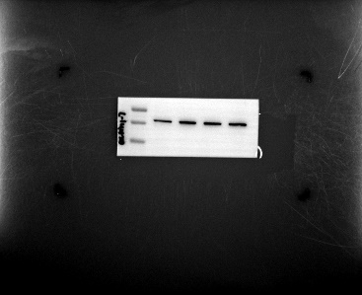

 | Ado+Control Adu+Control Ado+IFS Adu+IFS
Figure 4J | 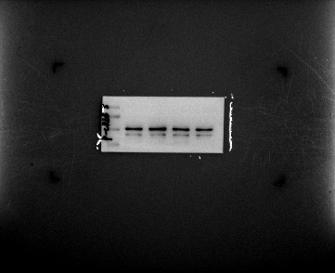 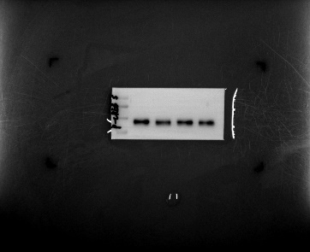 |  |  |  | 

Figure4 B | Ado+IFS | Ado+NaHS | Adu+IFS | Adu+NaHS |  | Figure4 G | Ado+IFS | Ado+NaHS | Adu+IFS | Adu+NaHS
 | 13 | 48 | 17 | 13 |  |  | 0.26 | 0.34 | 0.24 | 0.12
 | 28 | 65 | 18 | 25 |  |  | 0.17 | 0.62 | 0.23 | 0.18
 | 25 | 45 | 25 | 26 |  |  | 0.32 | 0.42 | 0.25 | 0.24
 | 26 | 37 | 25 | 19 |  |  | 0.24 | 0.55 | 0.14 | 0.10
 | 18 | 46 | 19 | 17 |  |  | 0.29 | 0.50 | 0.15 | 0.28
 | 30 | 57 | 26 | 21 |  |  | 0.28 | 0.32 | 0.06 | 0.25

Figure4 C | Ado+IFS | Ado+NaHS | Adu+IFS | Adu+NaHS
 | 118.46 | 164.83 | 177.19 | 110.63
 | 127.78 | 170.42 | 129.8 | 186.01
 | 124.02 | 244.76 | 122.26 | 138.81
 | 154.12 | 218.74 | 115.41 | 142.62
 | 194.25 | 269.87 | 151.59 | 106.62
 | 104.69 | 166.87 | 147.15 | 122.15

Figure4 F | Ado+IFS | Ado+NaHS | Adu+IFS | Adu+NaHS
 | 8 | 16 | 9 | 12
 | 13 | 17 | 10 | 15
 | 16 | 25 | 5 | 6
 | 9 | 21 | 6 | 5
 | 9 | 17 | 11 | 8
 | 10 | 26 | 10 | 13

Figure5
 | Adu+PBS+IFS+PBS Adu+NaHS+IFS+NaHS
Figure 5C | 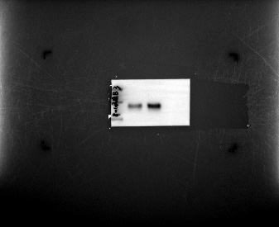 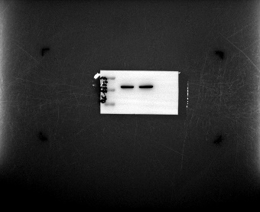

Figure 5B | Adu+PBS+IFS+PBS | Adu+NaHS+IFS+NaHS | Figure 5E | Adu+PBS+IFS+PBS | Adu+NaHS+IFS+NaHS | Figure 5H | Adu+PBS+IFS+PBS | Adu+NaHS+IFS+NaHS
 | 1383.65 | 2514.14 |  | 80.8635 | 82.3645 |  | 28.01 | 37.12
 | 1988.58 | 2272.67 |  | 102.5767 | 105.6329 |  | 22.96 | 36.59
 | 948.59 | 2234.79 |  | 123.8571 | 107.0361 |  | 66.47 | 18.54
 | 1461.00 | 2775.90 |  | 92.4798 | 109.2836 |  | 99.98 | 55.29
 | 1983.42 | 2386.30 |  | 80.4553 | 95.0061 |  | 82.35 | 24.7
 | 2076.39 | 2014.41 |  | 63.783 | 86.1275 |  | 35.55 | 28.7
 |  |  |  | 65.3816 | 103.1903 |  | 90.75 | 16.26
Figure 5D | Adu+PBS+IFS+PBS | Adu+NaHS+IFS+NaHS |  | 91.9318 | 49.9155 |  | 110.72 | 10.33
 | 12.9 | 41.8 |  | 48.2294 | 82.419 |  | 43.91 | 40.23
 | 22.1 | 21.9 |  | 83.8693 | 47.0303 |  | 93.46 | 60.02
 | 10.5 | 18.9
 | 18.5 | 34.9 | Figure 5G | Adu+PBS+IFS+PBS | Adu+NaHS+IFS+NaHS
 | 8.1 | 23.8 |  | 102.51 | 29.03
 | 28 | 11.5 |  | 109.52 | 44.82
 | 9.7 | 20.5 |  | 54.38 | 64.71
 | 13.3 | 32.3 |  | 75.27 | 87.65
 | 22 | 17.3 |  | 83.9 | 11.7
 | 6.2 | 20.7 |  | 96.99 | 70.37
 |  |  |  | 76.58 | 45.36
 |  |  |  | 49.12 | 42.81
 |  |  |  | 111.09 | 30.33
 |  |  |  | 67.86 | 41.5

Figure6
 | Adu+PBS+IFS+PBS Adu+NaHS+IFS+NaHS
Figure 6H | 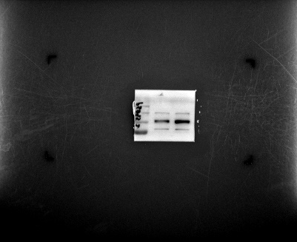 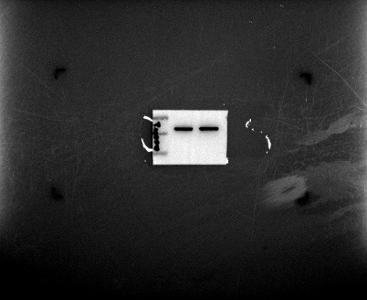

 | Adu+PBS+IFS+PBS Adu+NaHS+IFS+NaHS
Figure 6I | 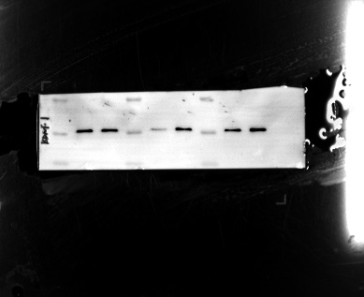

 | Adu+PBS+IFS+PBS Adu+NaHS+IFS+NaHS
Figure 6J | 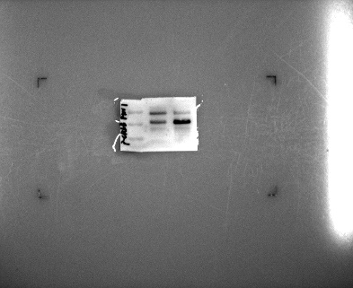 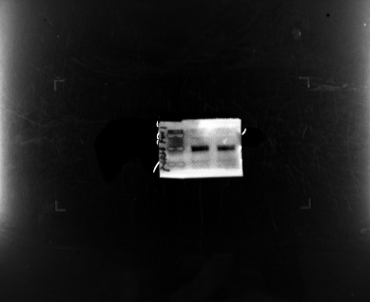 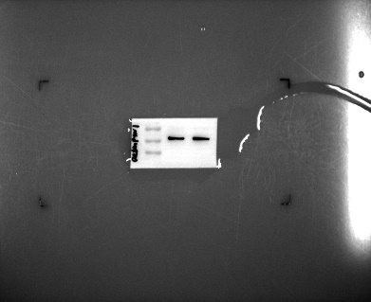

Figure 6B | Adu+PBS+IFS+PBS | Adu+NaHS+IFS+NaHS | Figure 6F | Adu+PBS+IFS+PBS | Adu+NaHS+IFS+NaHS
 | 20 | 41 |  | 7 | 29
 | 34 | 46 |  | 14 | 33
 | 19 | 59 |  | 12 | 21
 | 21 | 38 |  | 13 | 20
 | 24 | 65 |  | 14 | 19
 | 10 | 48 |  | 8 | 38

Figure 6C | Adu+PBS+IFS+PBS | Adu+NaHS+IFS+NaHS | Figure 6G | Adu+PBS+IFS+PBS | Adu+NaHS+IFS+NaHS
 | 159.7 | 177.63 |  | 0.28 | 0.39
 | 176.41 | 218.89 |  | 0.15 | 0.34
 | 205.39 | 227.09 |  | 0.14 | 0.43
 | 168.72 | 306.79 |  | 0.21 | 0.41
 | 187.83 | 236.28 |  | 0.23 | 0.39
 | 138.1 | 209.32 |  | 0.22 | 0.30

Figure7
 | Adu+IgG Adu+CBS antibody
Figure 7C | 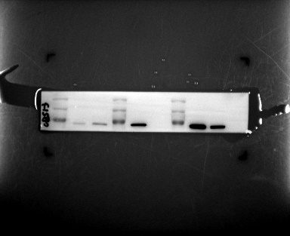 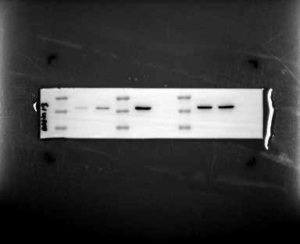

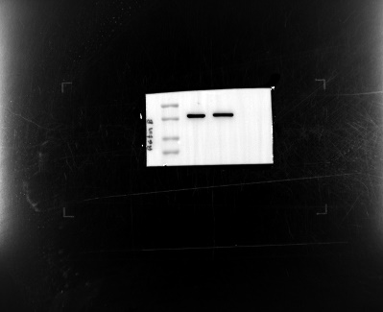
 | Adu+IgG Adu+CBS antibody
Figure 7J | 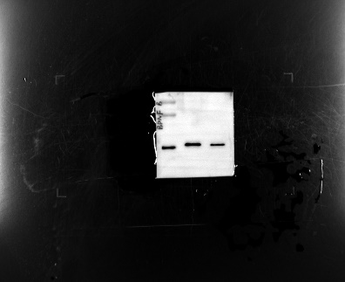

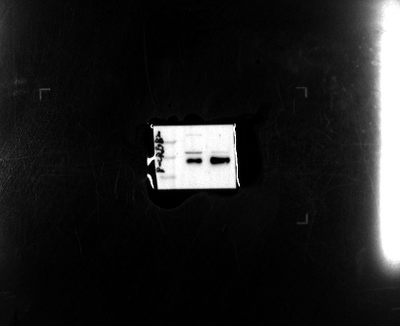
 | Adu+IgG Adu+CBS antibody
Figure 7K

Figure 7B | Adu+IgG | Adu+CBS antibody | Figure 7E | Adu+IgG | Adu+CBS antibody
 | 2420.39 | 2169.3636364 |  | 108.7924 | 89.3689
 | 2940.2625 | 1921.4363636 |  | 121.7766 | 114.6982
 | 2613.5666667 | 2940.2625 |  | 106.0712 | 99.2188
 | 1704.5 | 4204.4333333 |  | 138.9787 | 116.4762
 | 1704.5 | 2352.21 |  | 87.5764 | 132.1101
 | 2982.875 | 1960.175 |  | 143.6564 | 105.1527
 |  |  |  | 145.5052 | 138.6922
Figure 7D | Adu+IgG | Adu+CBS antibody
 | 44.9 | 11.3 | Figure 7G | Adu+IgG | Adu+CBS antibody
 | 21 | 16.7 |  | 47.15 | 32.22
 | 35.6 | 2.5 |  | 35.02 | 63.1
 | 25 | 30.8 |  | 44.93 | 47.9
 | 13.2 | 23.4 |  | 26.78 | 37.95
 | 28.4 | 4.9 |  | 29.45 | 55.75
 | 29.2 | 13.6 |  | 15.77 | 49.9
 |  |  |  | 18.62 | 65.89

