Table S4. GSEA_candidate gene
Table S4a. Top10 enriched pathways of GWAS genes
Pathway | p-value | q-value | Overlapped_GWAS_gene
Allograft Rejection WP2328 | 6.29E-13 | 3.56E-10 | IL10, CD40, HLA-DRB5, LRRK2, HLA-B, CXCR5, HLA-C, LOC110384692, TNF, VEGFA, C4B, C4A, HLA-DMA, IL2RA, IL12B, HLA-DQA2, MICA, HLA-DQA1, HLA-DRB1, HLA-DQB1
T Cell Activation SARS CoV 2 WP5098 | 3.99E-11 | 1.13E-08 | IL23R, NFATC1, FOS, TYK2, TNF, RASGRP1, NFKB1, PTPRC, LTA, STAT4, IL12B, PRKCQ, JAK2, HLA-DRB1, LAT, IL18R1, MAPK3, IL12RB2
Neuroinflammation And Glutamatergic Signaling WP5083 | 6.61E-11 | 1.25E-08 | IL10, CNTF, SMAD3, GOT1, IL1R1, PRKCB, IL1R2, IFNGR2, CAMK2A, STAT3, ADCY3, FOS, SLC7A10, TNF, NFKB1, SMAD7, CFL1, LTA, IL12B, DLD, CAMK2G, MAPK3
Th17 Cell Differentiation Pathway WP5130 | 6.89E-10 | 9.75E-08 | IL23R, STAT3, RORC, IL27, NFATC1, TYK2, FOS, NFKB1, HLA-DMA, NFIL3, IRF4, IL2RA, PRKCQ, JAK2, LAT
Inflammatory Bowel Disease Signaling WP5198 | 1.20E-09 | 1.36E-07 | IL10, HLA-DMA, IL18RAP, IL23R, STAT3, RORC, STAT4, NFATC1, NOD2, TNF, TLR4, NFKB1
Non Genomic Actions Of 1 25 Dihydroxyvitamin D3 WP4341 | 2.37E-09 | 2.23E-07 | CD40, PRKCB, IFNGR2, CAMK2A, TYK2, NOD2, ETS1, TNF, NFKB1, PLCG2, CCL2, PRKCQ, TLR4, CAMK2G, MAPK3
Genes Associated With The Development Of Rheumatoid Arthritis WP5033 | 1.33E-08 | 1.08E-06 | SLC22A4, CD40, IL2RA, STAT4, PTPN22, IRF5, HLA-DRB1, CD244
Extrafollicular And Follicular B Cell Activation By SARS CoV 2 WP5218 | 1.72E-08 | 1.22E-06 | IL10, CD40, CXCR5, PRDM1, LOC110384692, ETS1, TNF, BACH2, C4A, PTPRC, IRF4, GPR183, IRF8, TLR4
IL 26 Signaling Pathways WP5347 | 7.56E-07 | 4.31E-05 | IL10, CCL20, STAT3, RORC, NFATC1, TYK2, JAK2, TNF, ICAM1, MAPK3
Overview Of Proinflammatory And Profibrotic Mediators WP5095 | 7.62E-07 | 4.31E-05 | IL10, CNTF, EPO, CCL20, IL27, PPBP, TNF, NFKB1, CXCL5, VEGFA, CCL7, LTA, IL12B, CCL2, PF4V1, PF4

Table S4b. Top10 enriched pathways of monogenic IBD genes
Pathway | p-value | q-value
T Cell Activation SARS CoV 2 WP5098 | 3.01E-14 | 1.05E-11 | NFKBIA, ZAP70, PTEN, PIK3CD, CTLA4, CD3G, IKBKG, PIK3R1, BCL10, ICOS, MALT1, RELA
Microglia Pathogen Phagocytosis Pathway WP3937 | 4.67E-13 | 7.77E-11 | NCF1, NCF2, ARPC1B, NCF4, PLCG2, PIK3CD, CYBB, CYBA, PIK3R1
Modulators Of TCR Signaling And T Cell Activation WP5072 | 6.72E-13 | 7.77E-11 | NFKBIA, ZAP70, SH2D1A, TNFAIP3, CD3G, IKBKG, BCL10, PIK3R1, RELA, MALT1
Th17 Cell Differentiation Pathway WP5130 | 2.45E-12 | 2.12E-10 | IL21, NFKBIA, ZAP70, TGFB1, STAT1, IL2RA, STAT3, CD3G, FOXP3, TGFBR1
T Cell Receptor Signaling Pathway WP69 | 5.81E-12 | 4.04E-10 | NFKBIA, ZAP70, WAS, CD3G, IKBKG, BCL10, PIK3R1, ICOS, RELA, MALT1
Genetic Causes Of Porto Sinusoidal Vascular Disease WP5269 | 1.39E-11 | 8.01E-10 | CYBC1, NCF1, NCF2, NCF4, BTK, SBDS, CYBB, CYBA
Nucleotide Binding Oligomerization Domain NOD Pathway WP1433 | 3.37E-11 | 1.67E-09 | NFKBIA, XIAP, NOD2, NLRC4, IKBKG, MEFV, RELA, DUOX2
Inflammatory Bowel Disease Signaling WP5198 | 4.14E-11 | 1.80E-09 | IL21, IL10, TGFB1, STAT1, STAT3, NOD2, IL2RG, FOXP3
Urotensin II Mediated Signaling Pathway WP5158 | 8.55E-11 | 3.30E-09 | TGFB1, NCF1, NCF2, NCF4, STAT3, PTEN, CYBB, CYBA, RELA
Measles Virus Infection WP4630 | 1.24E-10 | 4.31E-09 | NFKBIA, STAT1, IL2RA, STAT3, TNFAIP3, PIK3CD, CD3G, PIK3R1, IKBKG, IL2RG, RELA

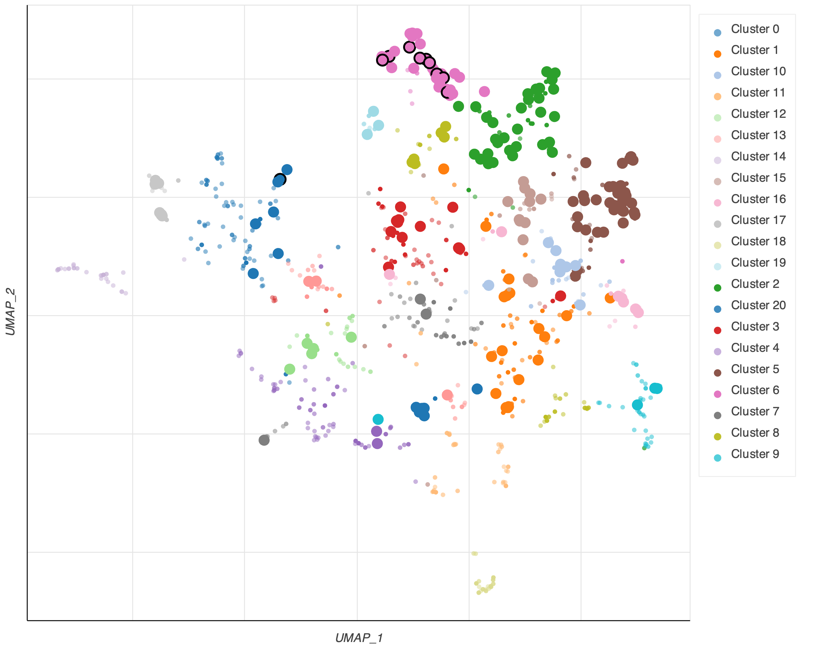
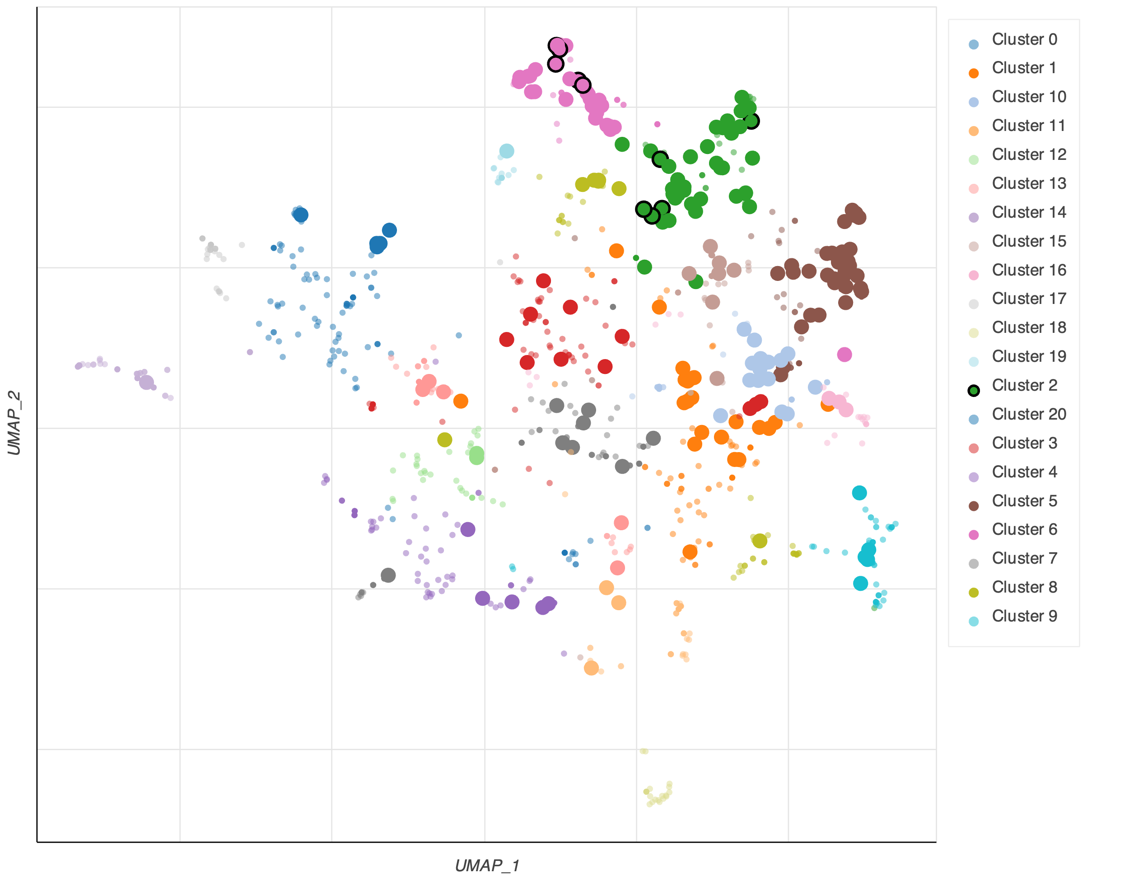

Figure S1a-b. Scatterplot of all terms in the WikiPathway_2023_Human gene set library. Each point represents a term in the library. Term frequency-inverse document frequency (TF-IDF) values were computed for the gene set corresponding to each term, and UMAP was applied to the resulting values. The terms are plotted based on the first two UMAP dimensions. Generally, terms with more similar gene sets are positioned closer together. Terms are colored by automatically identified clusters computed with the Leiden algorithm applied to the TF-IDF values. The darker and larger the point, the more significantly enriched the term, and those with black boundaries are the top10 enriched pathways.

