Supplementary Fig. 2
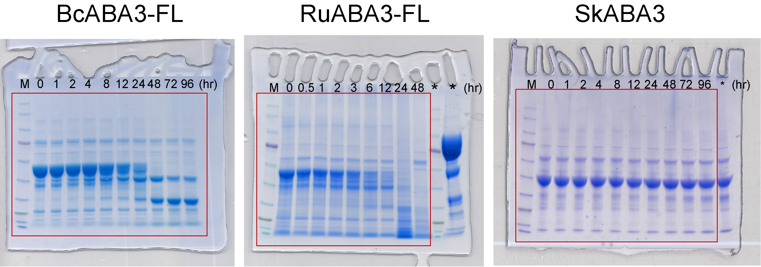

Red lines frame the cropped areas. *, unrelated samples.

