Figure 1
Fig 1c | Fig 1d | Fig 1h
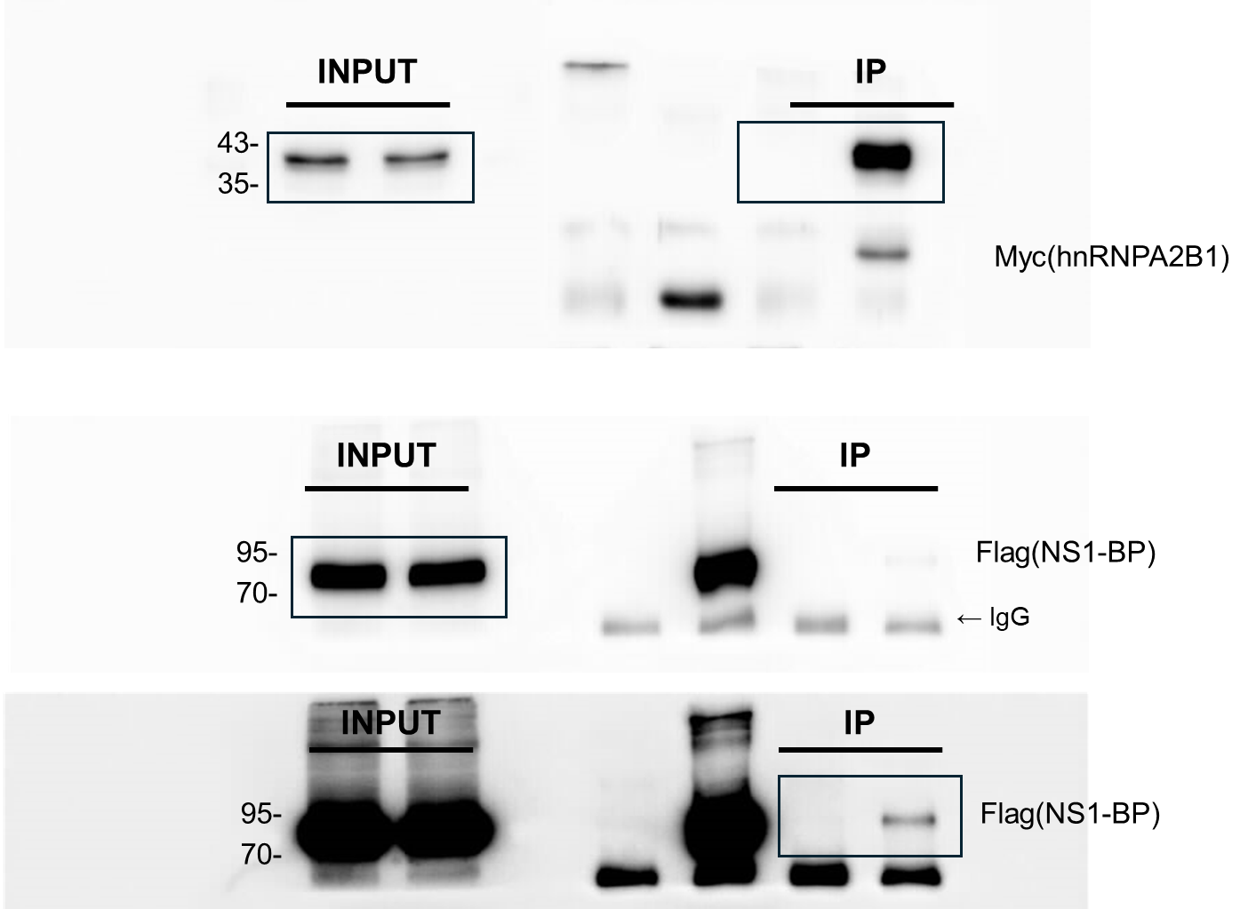
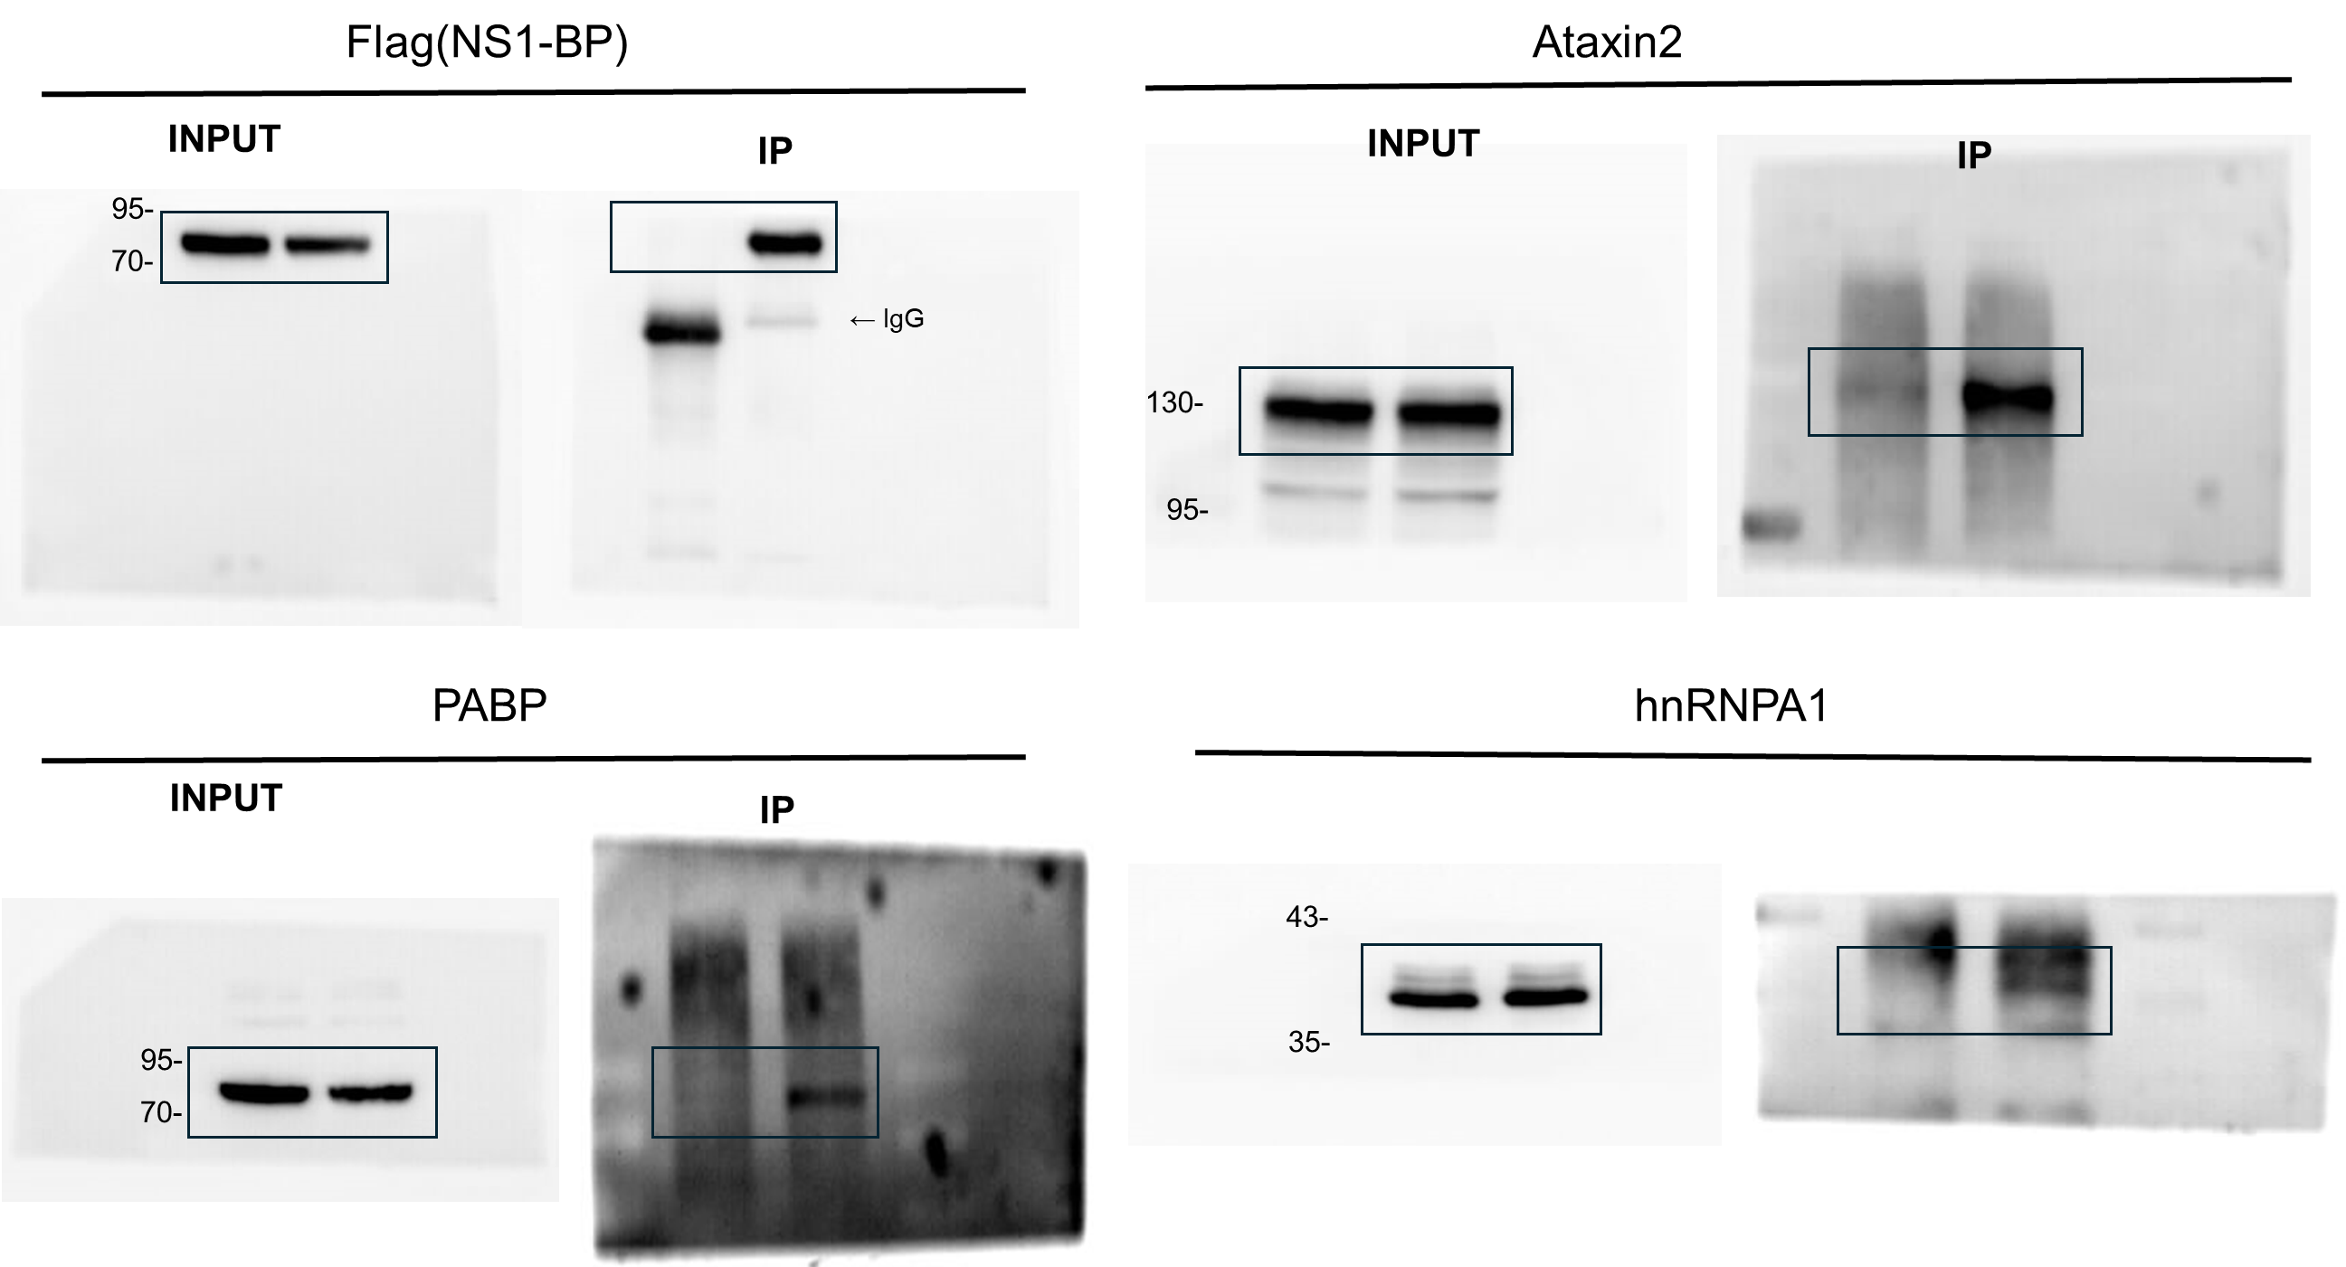
 |  | control | S.A
 |  | 10 | 59
 |  | 15 | 67
 |  | 9 | 61
 |  | 11 | 58
 |  | 9 | 44
 |  | 7 | 32
 |  | 5 | 49
 |  | 7 | 37
 |  | 11 | 41
 |  | 11 | 44
 |  | 15 | 20
 |  | 12 | 47
 |  | 11 | 23
 |  | 15 | 24
 |  | 16 | 22
 |  | 17 | 33
 |  | 17 | 23

Figure 3
Fig 3a | Fig 3c |  |  | Fig 3e
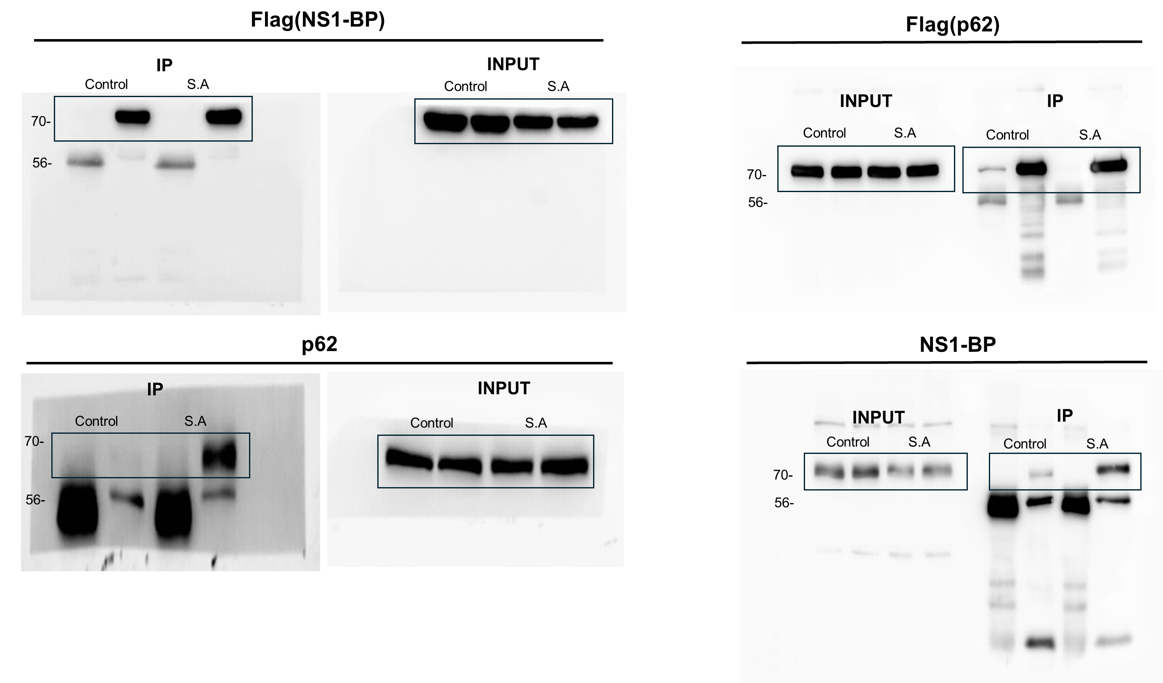
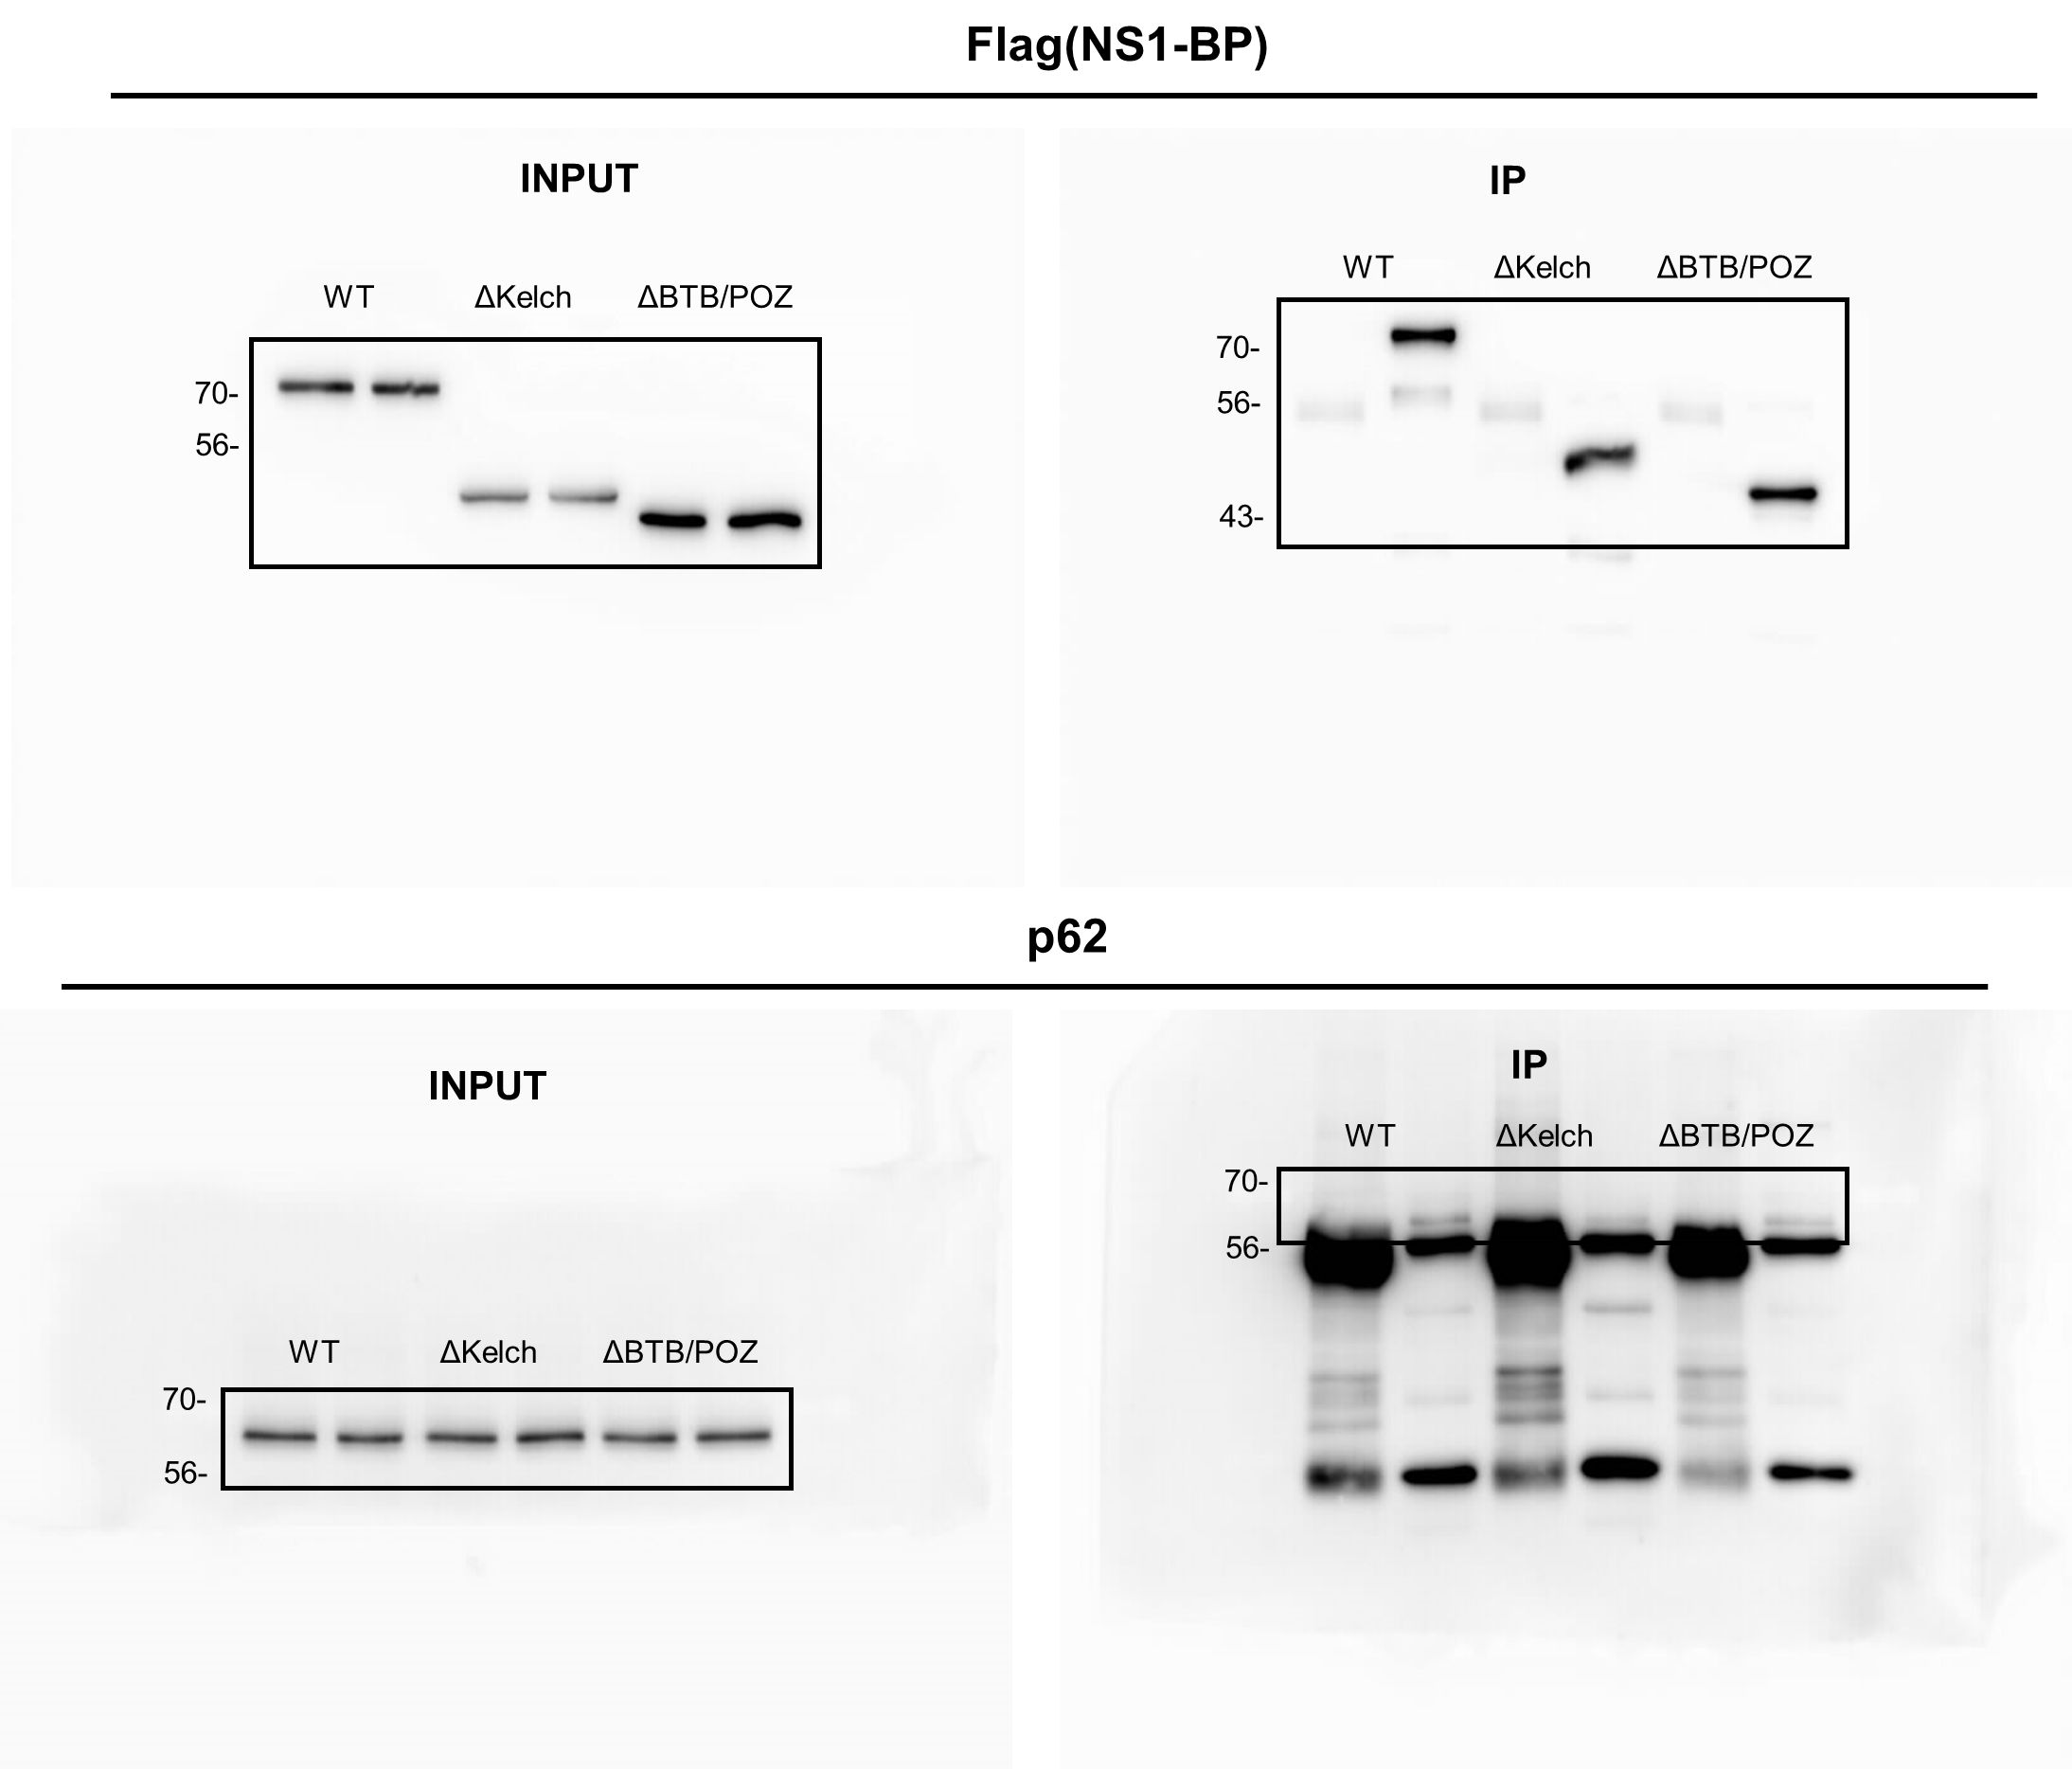
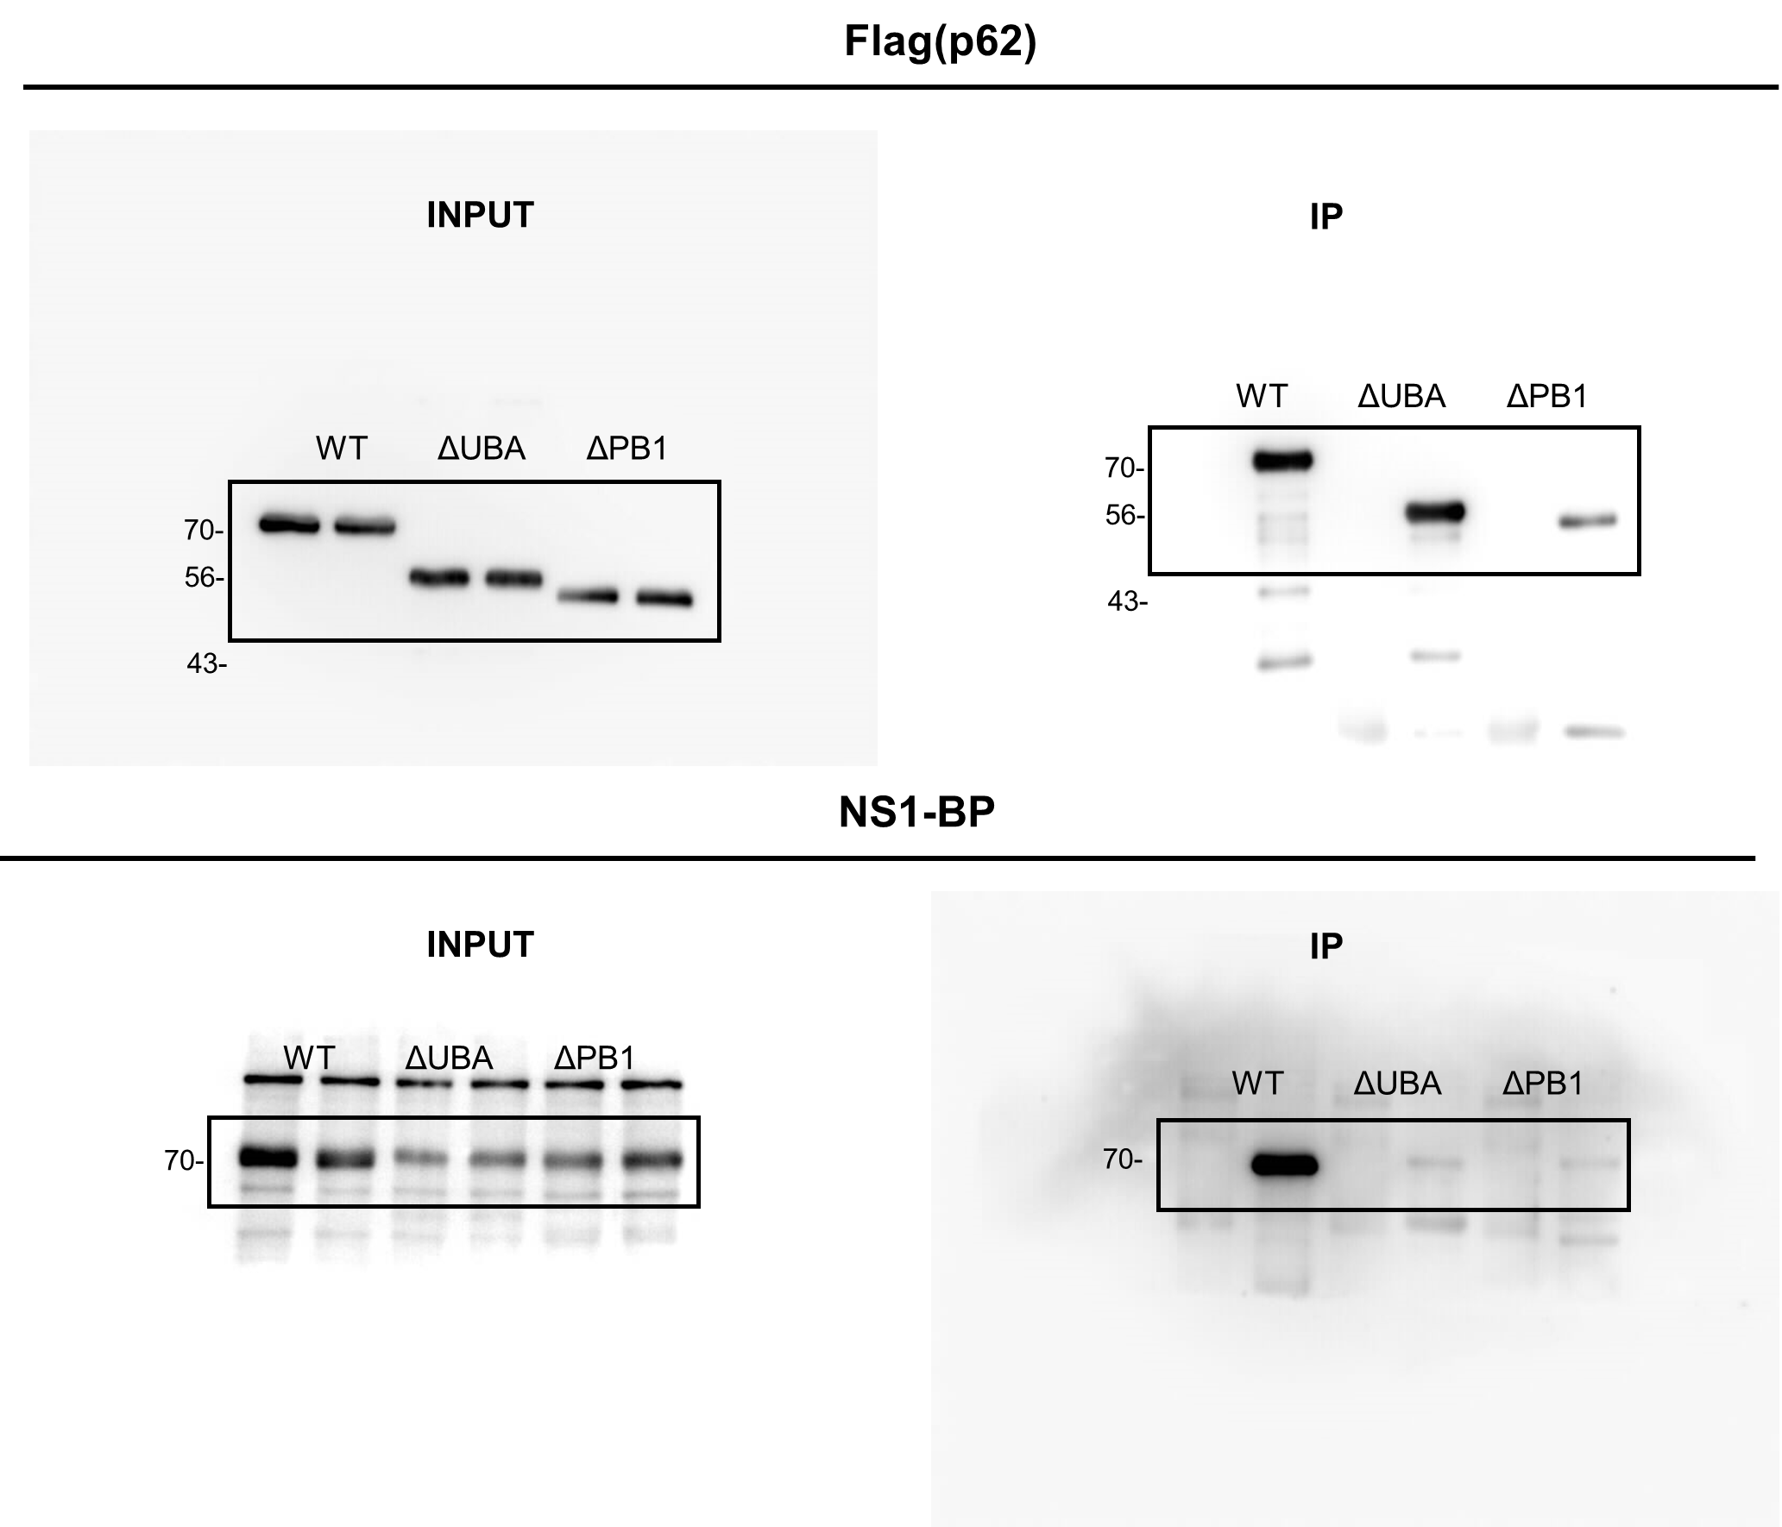

 | Fig 3d |  |  | Fig 3f
 | WT | ΔKelch | ΔBTB/POZ | WT | ΔUBA | ΔPB1
 | 1 | 0.9404079 | 0.5941302 | 1 | 0.1852881 | 0.5569066
 | 1 | 0.198302 | 0.4033288 | 1 | 0.2879606 | 0.8674763
 | 1 | 0.5716255 | 0.7783747 | 1 | 0.297959 | 0.4532998
 | 1 | 0.5135741 | 1.291796
 | 1 | 0.1910796 | 0.4023765

Figure 4
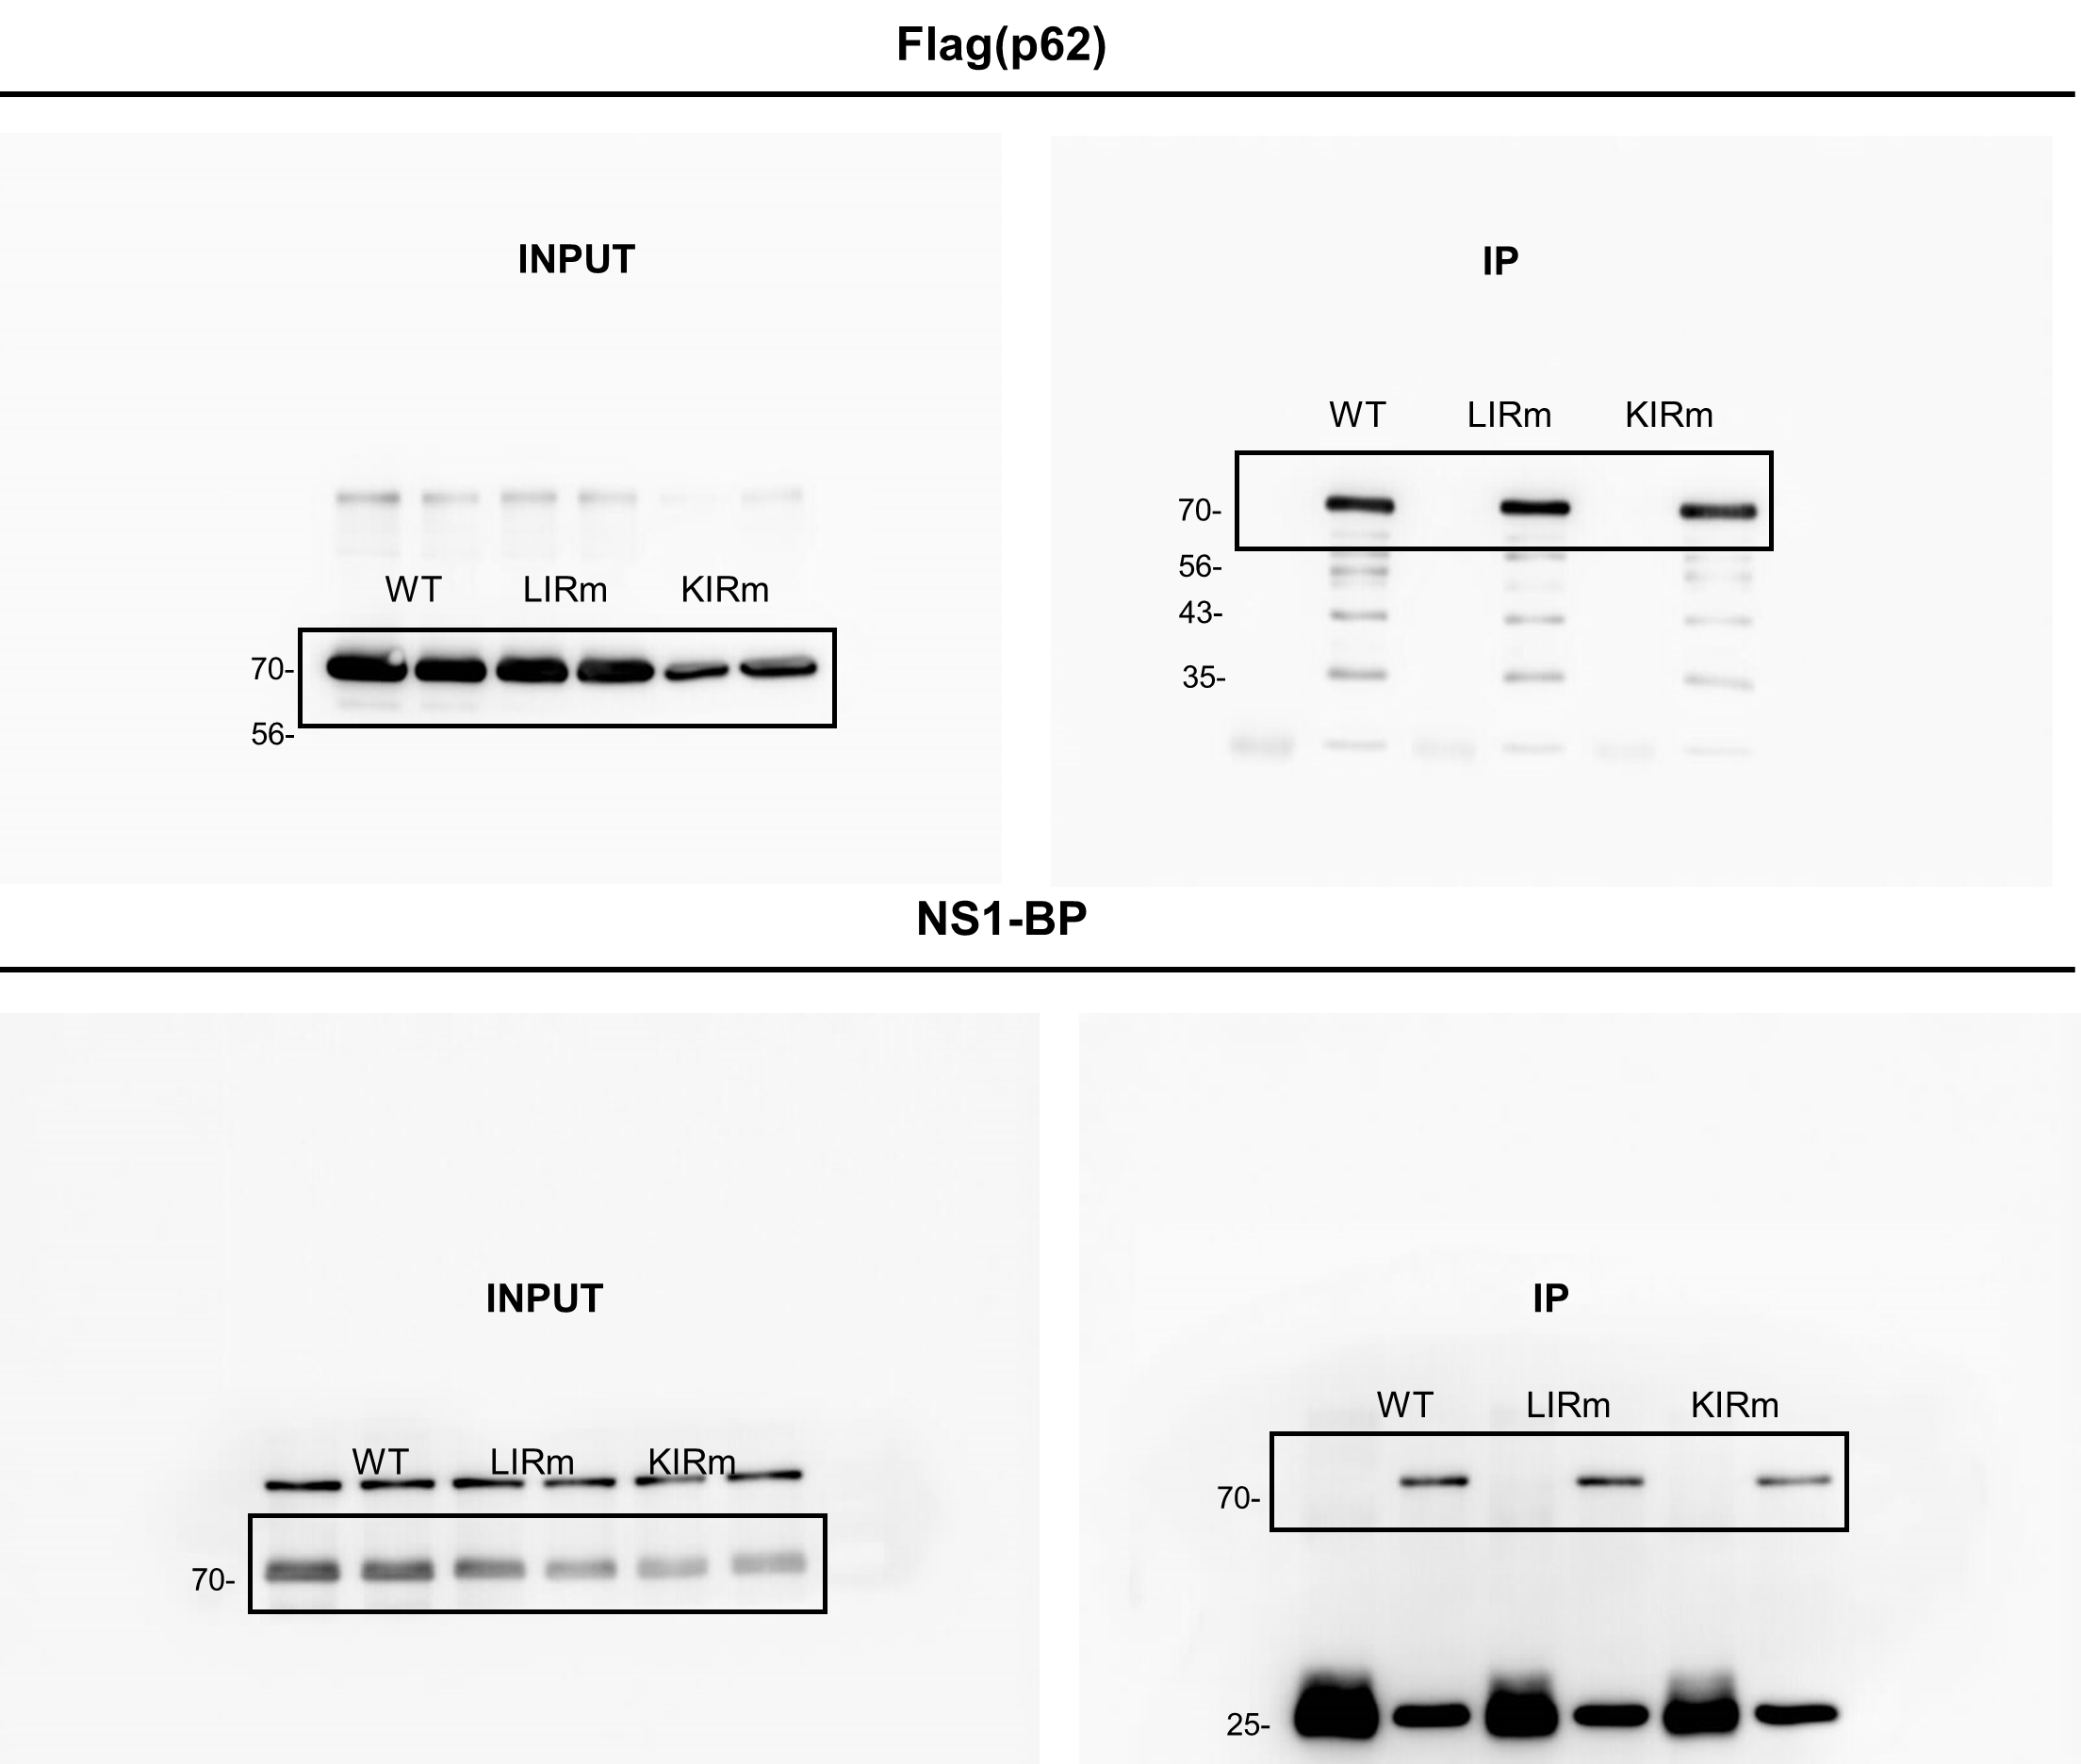
Fig 4c | Fig 4d
 |  | WT | LIRm | KIRm
 |  | 1 | 0.4683881 | 0.8228092
 |  | 1 | 1.077482 | 1.009311
 |  | 1 | 1.284941 | 1.027776
 |  | 1 | 1.226778 | 0.5757738
 |  | 1 | 0.5834358 | 0.9212332
 |  | 1 | 0.8563406 | 1.149232
 |  | 1 | 0.7778386 | 0.8904856

Figure 5
Fig 5a | Fig 5b
 |  | NS1-BP WT |  |  | NS1-BP KO
 |  | Control | MG132 | BafA1 | Control | MG132 | BafA1
 |  | 1 | 1.126465 | 0.7519948 | 0.1669292 | 0.7200548 | 0.83245
 |  | 1 | 1.179334 | 1.003578 | 0.6761786 | 0.8139626 | 1.123149
 |  | 1 | 1.236877 | 1.671456 | 0.5327583 | 1.185383 | 1.076951
 |  | 1 | 1.032325 | 1.14342 | 0.4022848 | 0.8585255 | 0.8523488
 |  | 1 | 1.130646 | 0.9631788 | 0.7241001 | 0.5903443 | 0.6164489
 |  | 1 | 0.8077707 | 0.9917312 | 0.6339552 | 0.9116426 | 0.95632
 |  | 1 | 1.062242 | 1.020039 | 0.6974092 | 0.7197381 | 0.841457

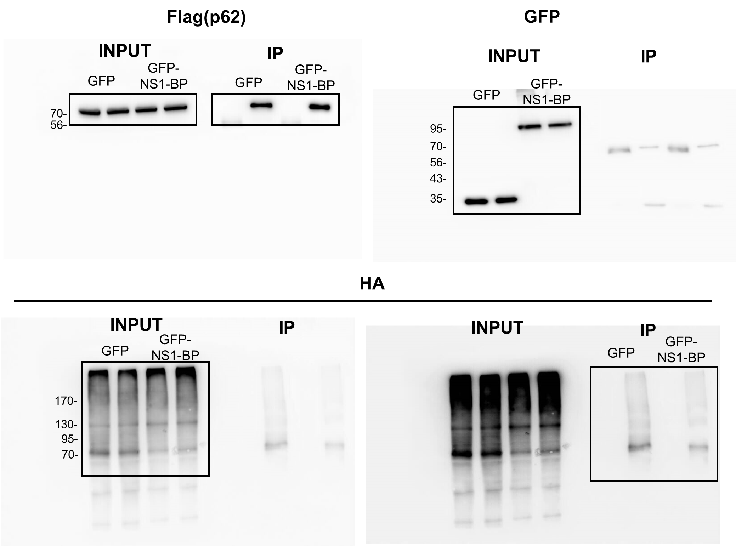
Fig 5c | Fig 5d
 |  | GFP | GFP-NS1-BP
 |  | 1 | 0.8237619
 |  | 1 | 0.1138902
 |  | 1 | 0.6080376
 |  | 1 | 0.04759726
 |  | 1 | 0.4282604

Figure 6
Fig 6b |  |  | Fig 6c |  |  | Fig 6d |  |  | Fig 6e
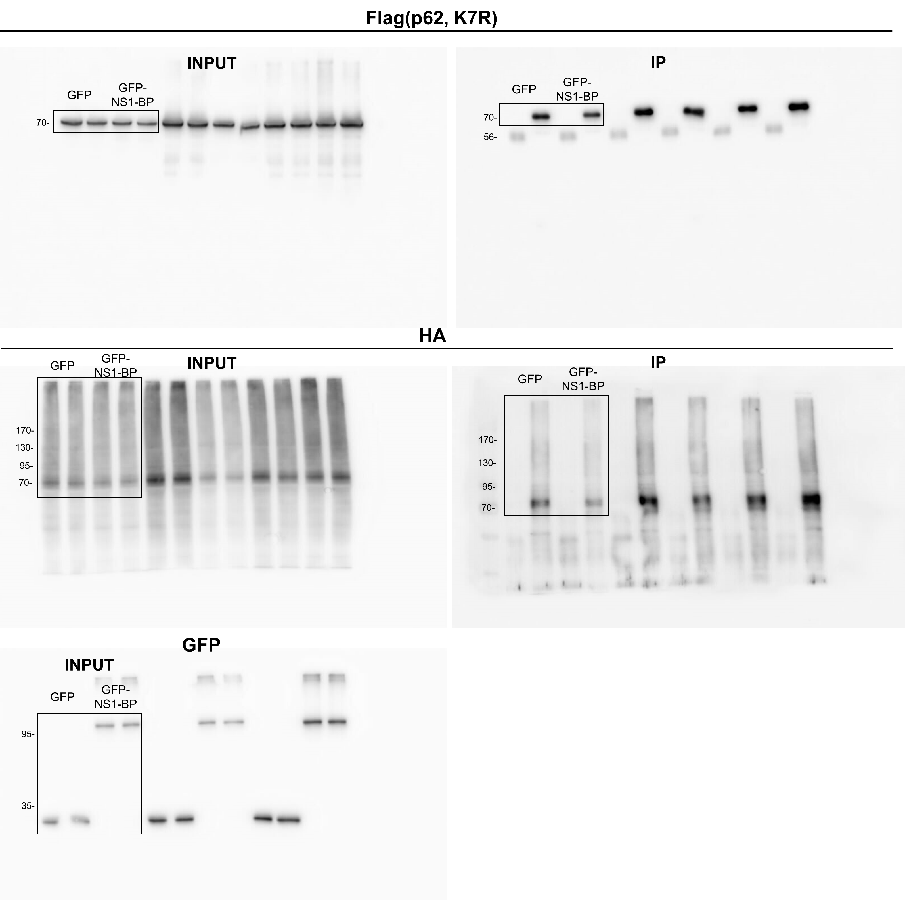
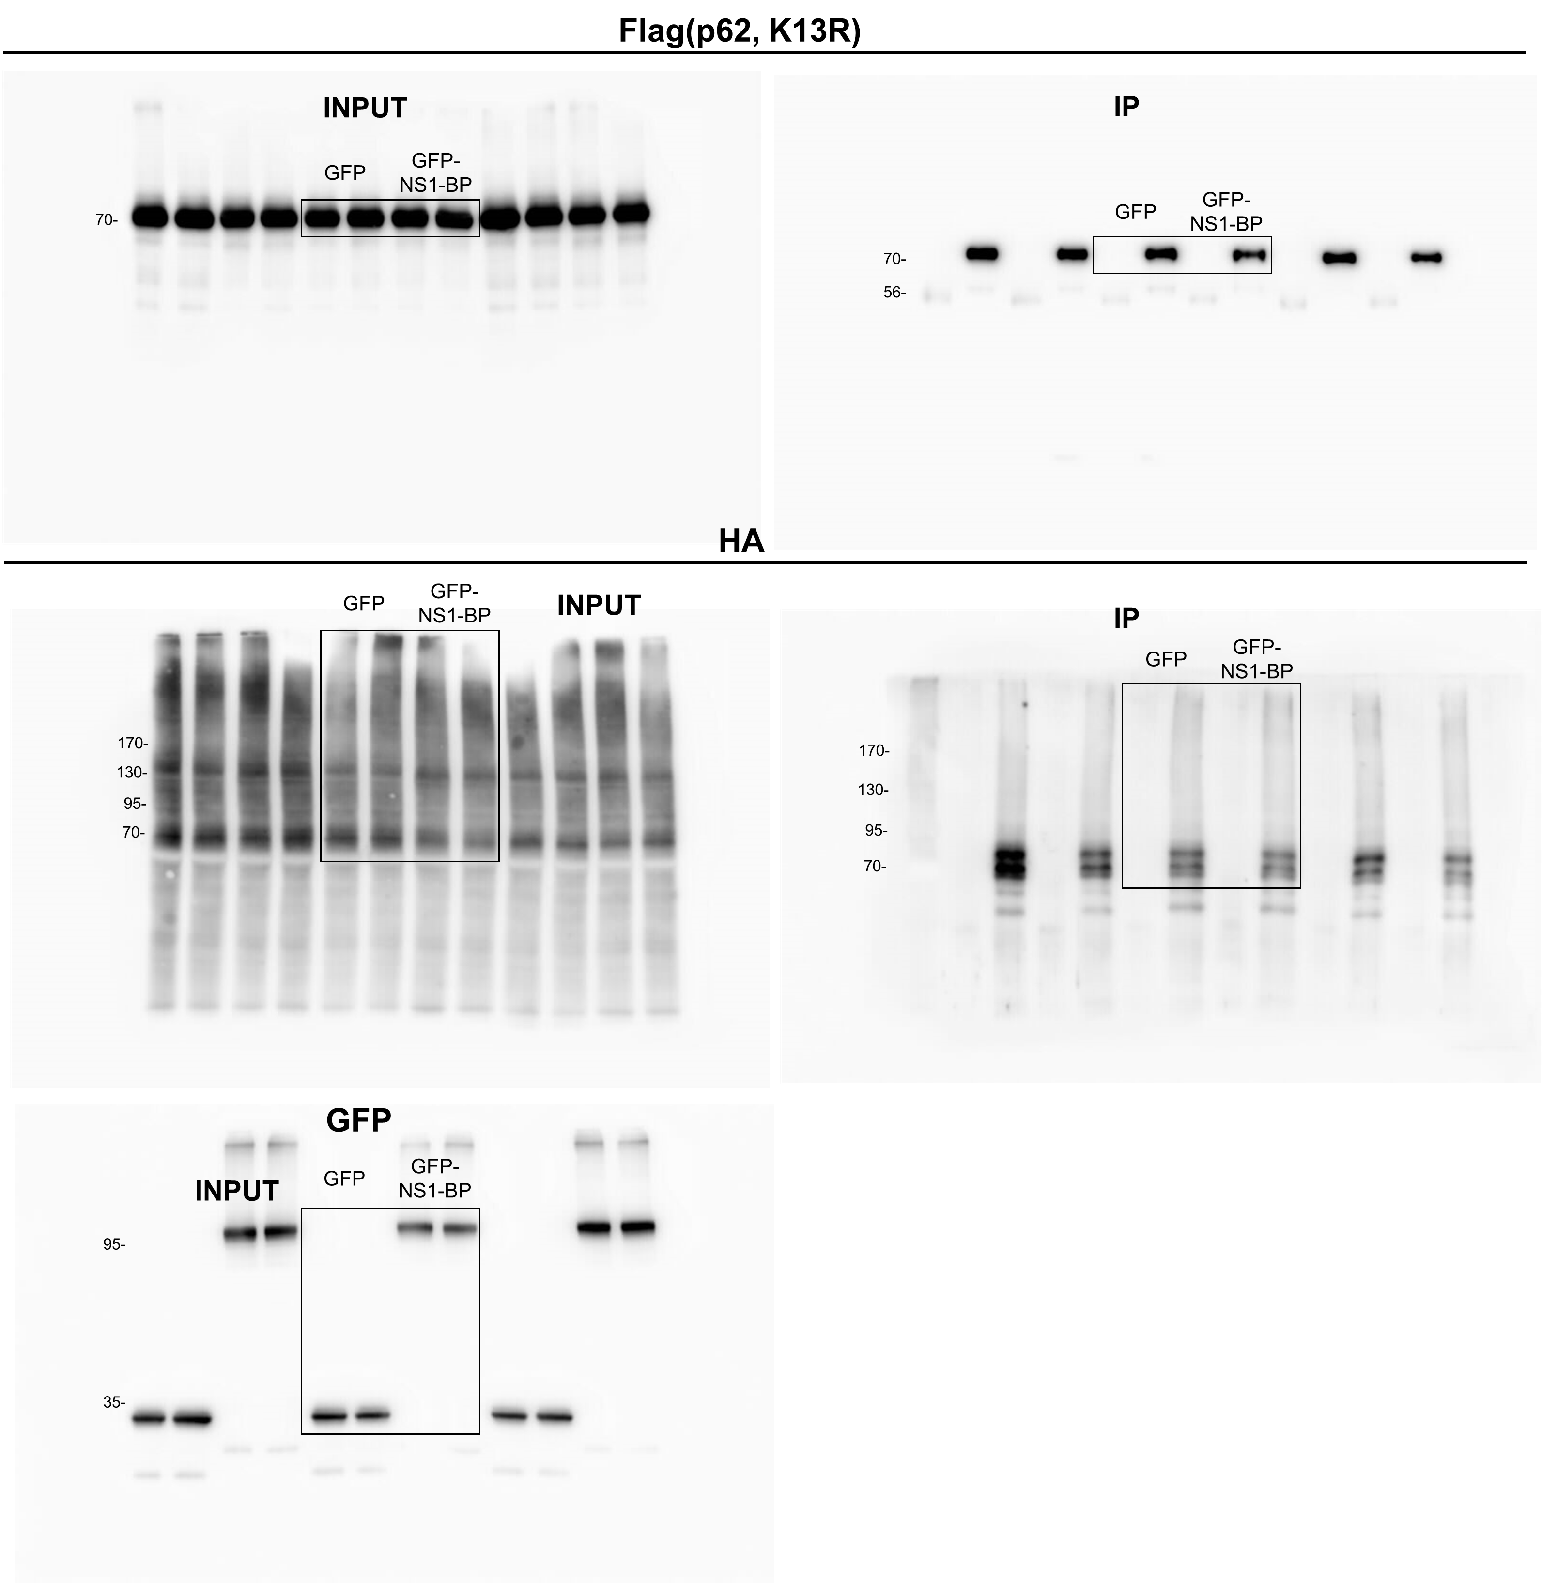
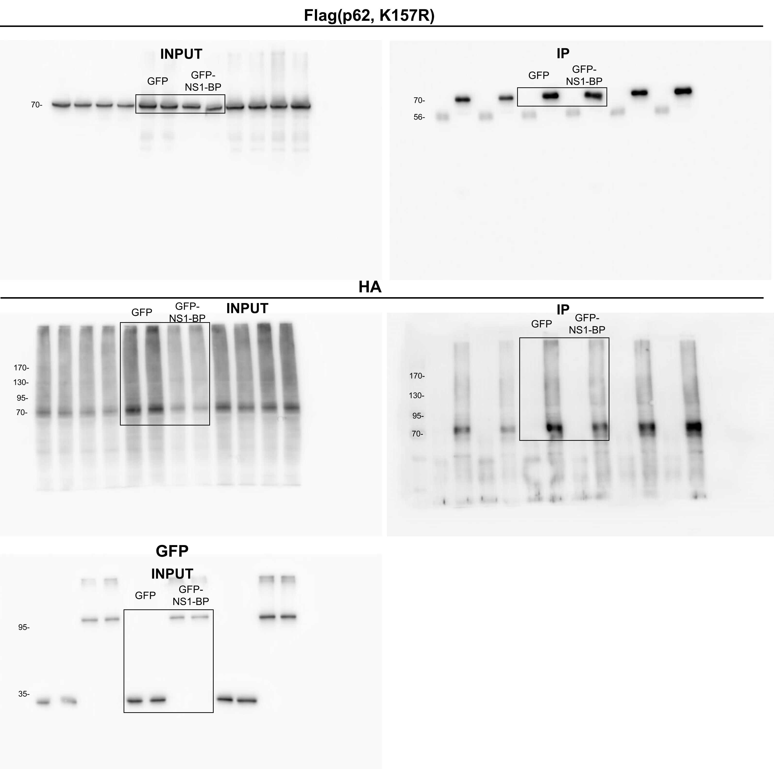
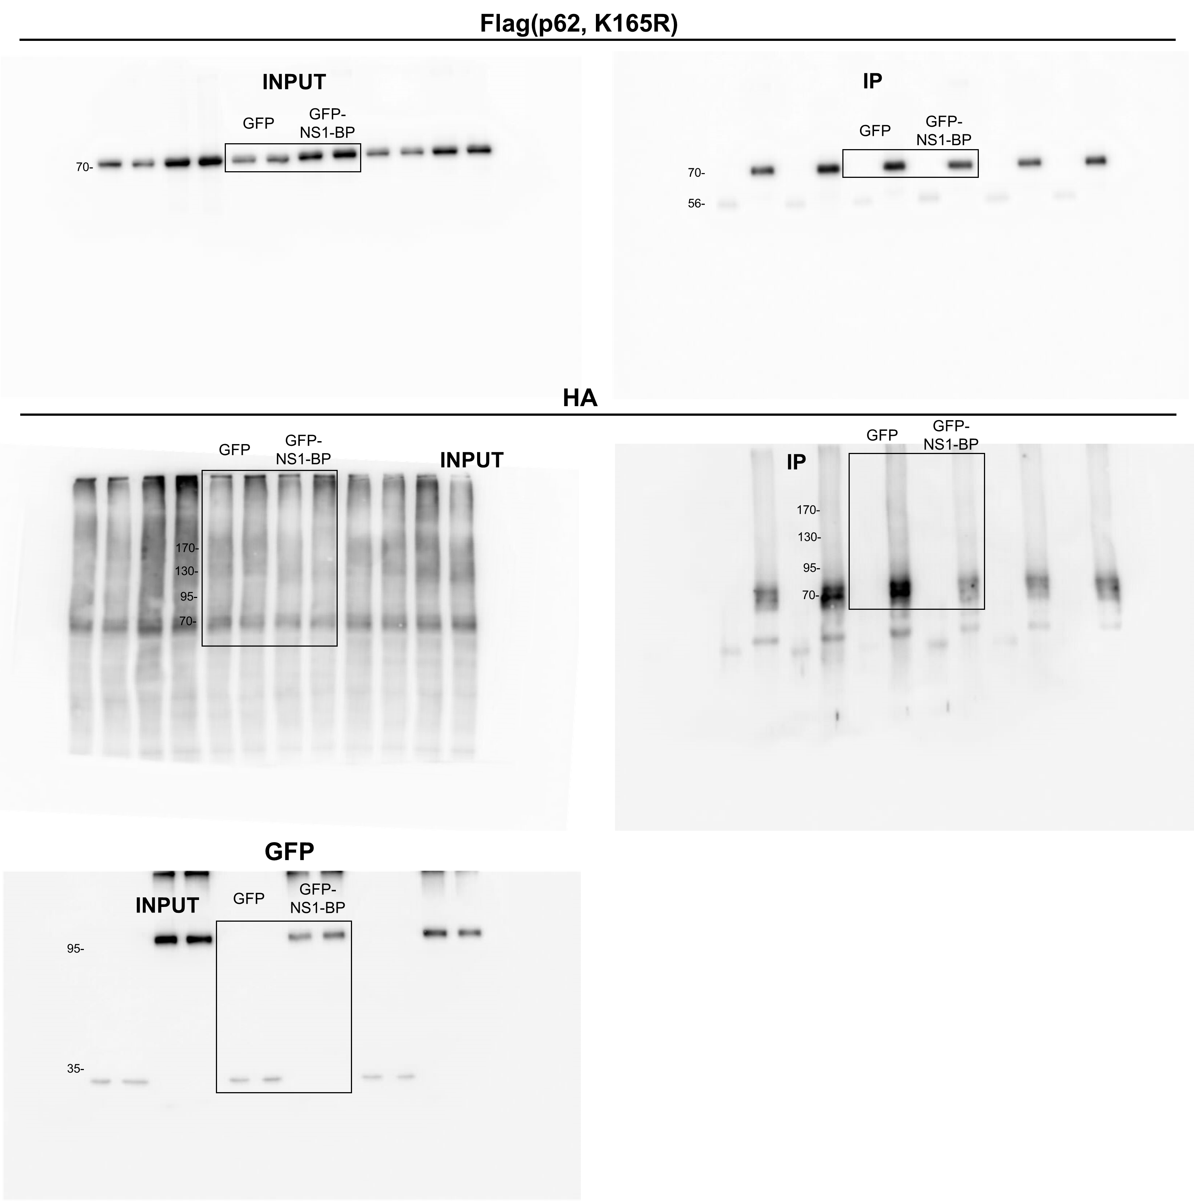

Fig 6f |  |  | Fig 6g |  |  | Fig 6h |  |  | Fig 6i
 | GFP | GFP-NS1-BP |  | GFP | GFP-NS1-BP |  | GFP | GFP-NS1-BP |  | GFP | GFP-NS1-BP
 | 1 | 0.9195719 |  | 1 | 0.81334329 |  | 1 | 0.41882602 |  | 1 | 0.49917898
 | 1 | 0.694560545 |  | 1 | 0.951318651 |  | 1 | 0.55018267 |  | 1 | 0.483997572
 | 1 | 0.504127188 |  | 1 | 0.921654397 |  | 1 | 0.55068802 |  | 1 | 0.514955937
 | 1 | 0.81725363 |  | 1 | 1.0534213 |  | 1 | 0.75835428 |  | 1 | 0.509151173
 | 1 | 0.721498962 |  | 1 | 0.867032883 |  | 1 | 0.258671299 |  | 1 | 0.908846944

Fig 6j |  |  | Fig 6k |  |  | Fig 6l |  |  | Fig 6m
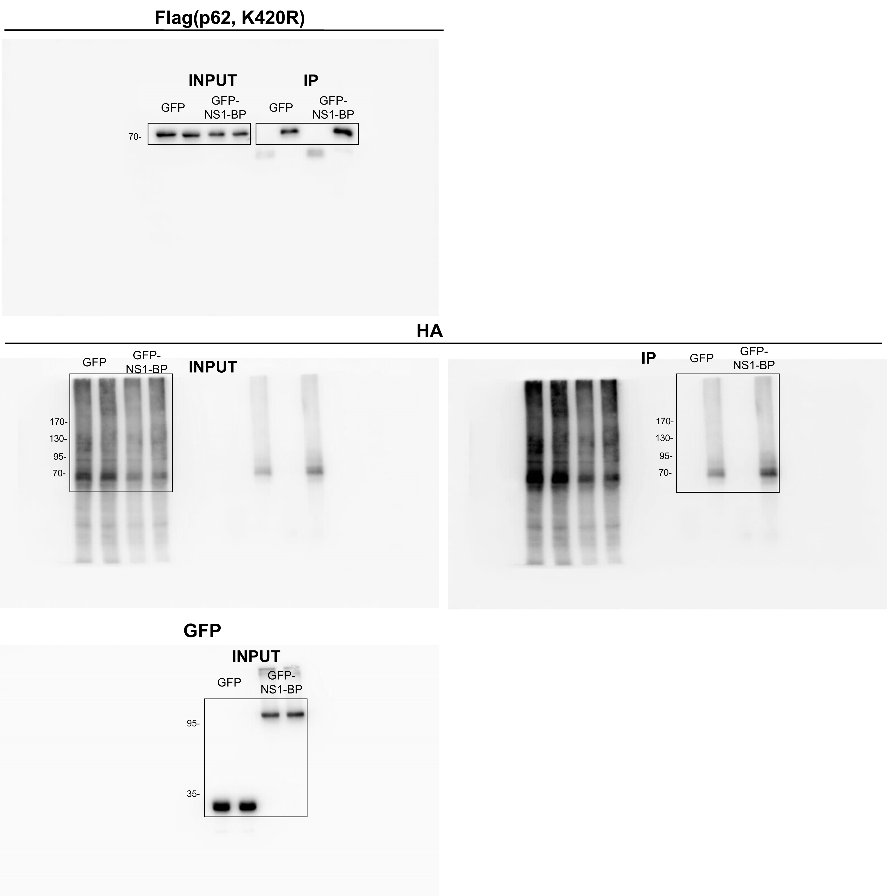
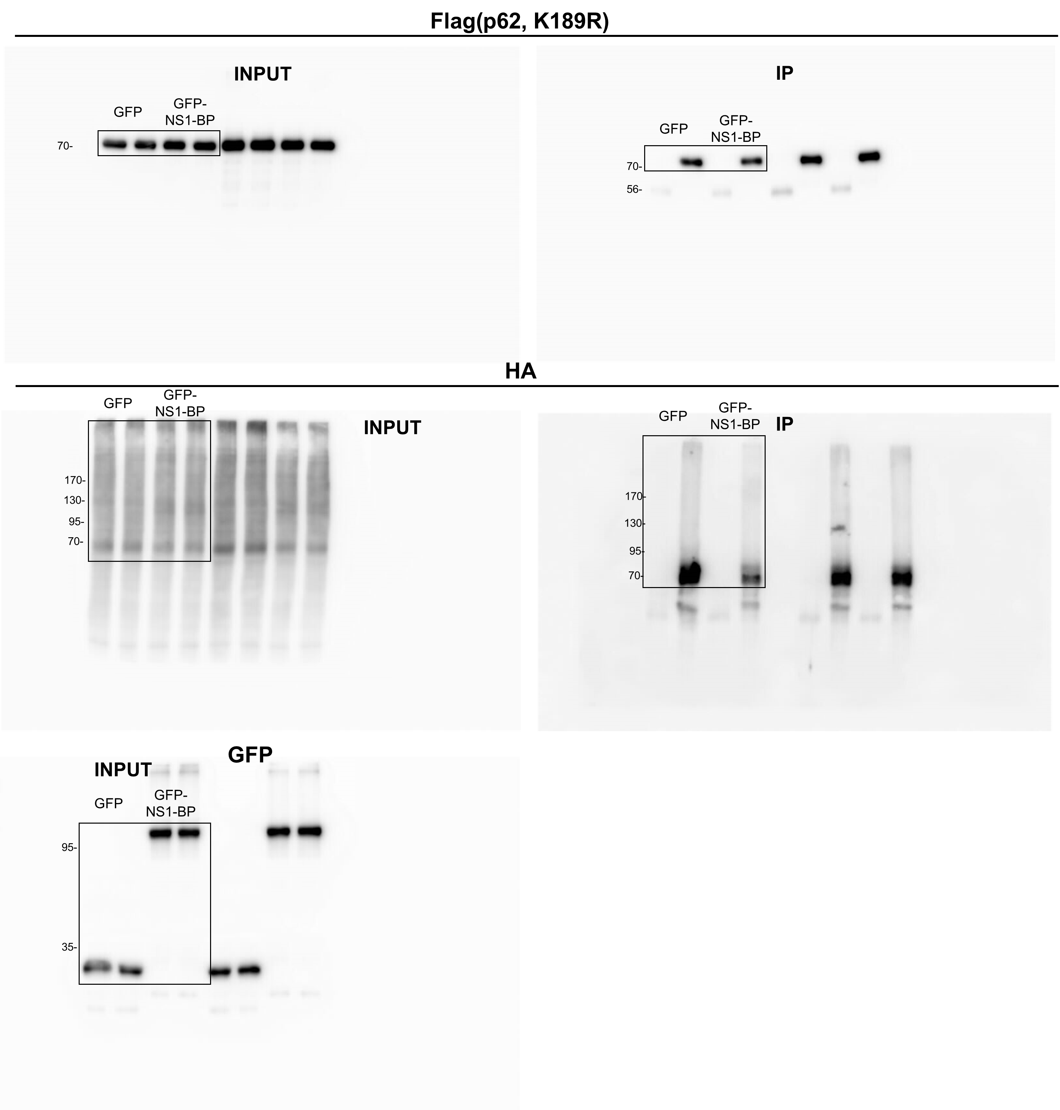
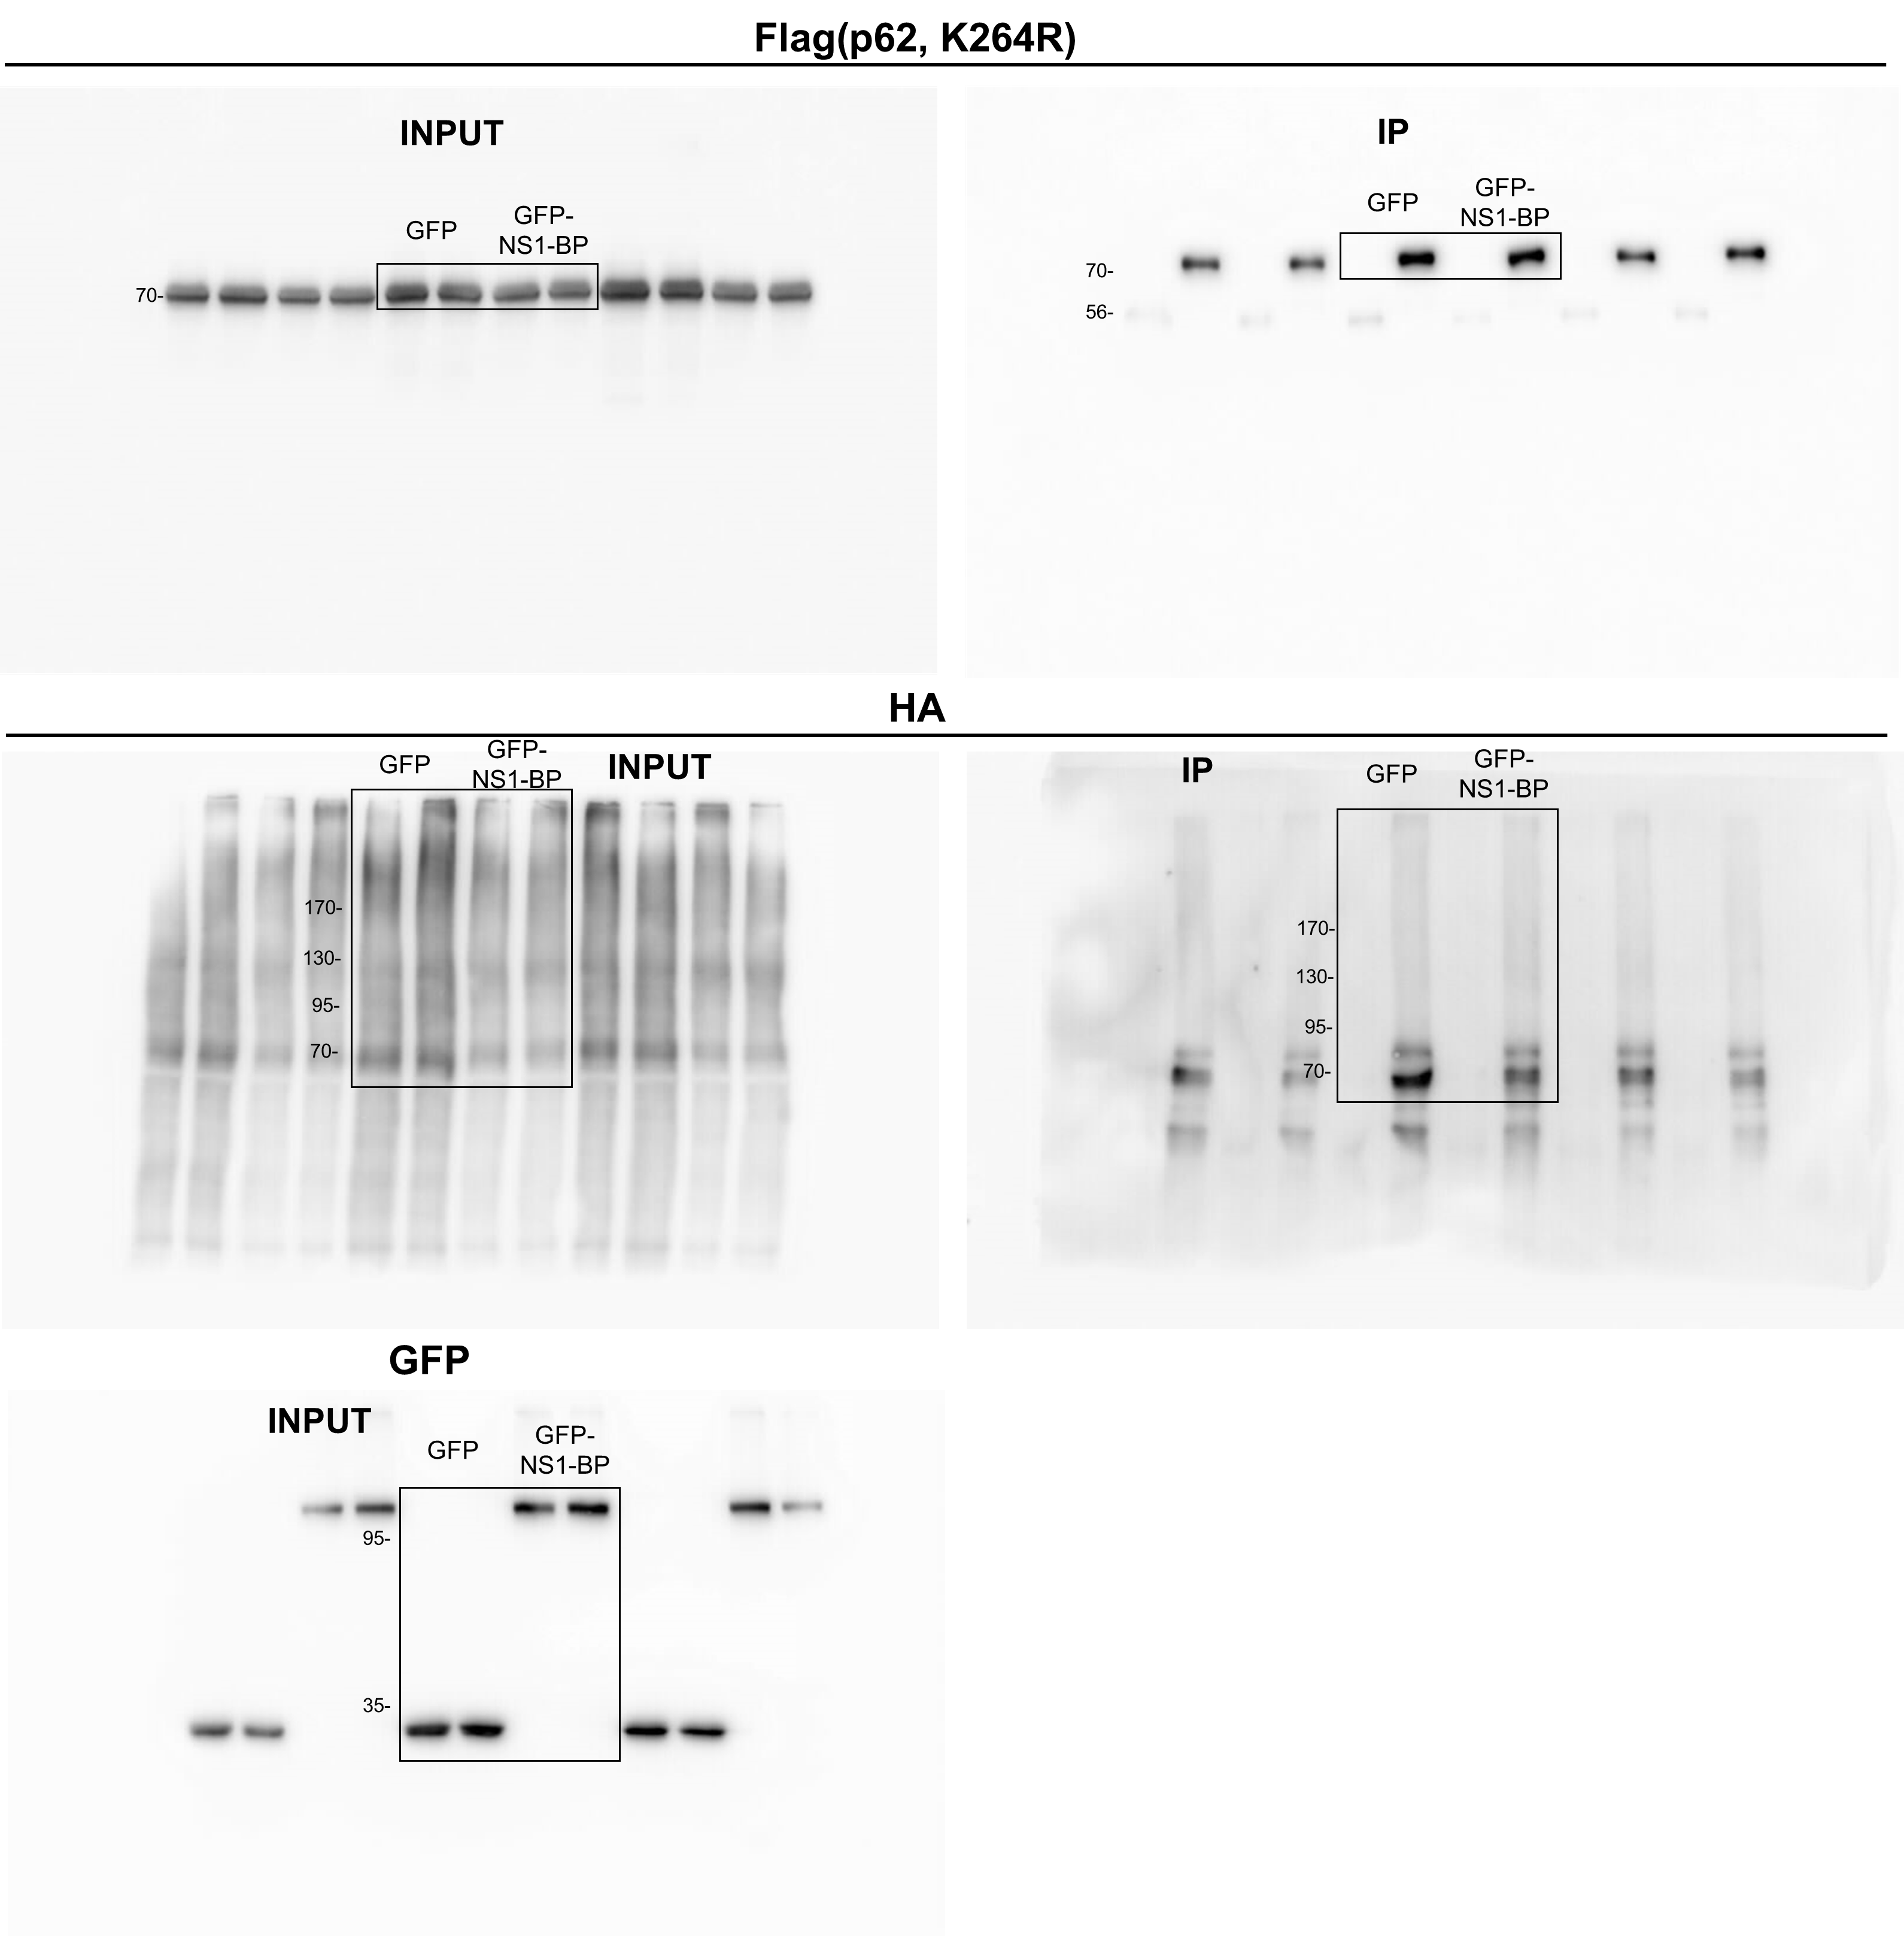
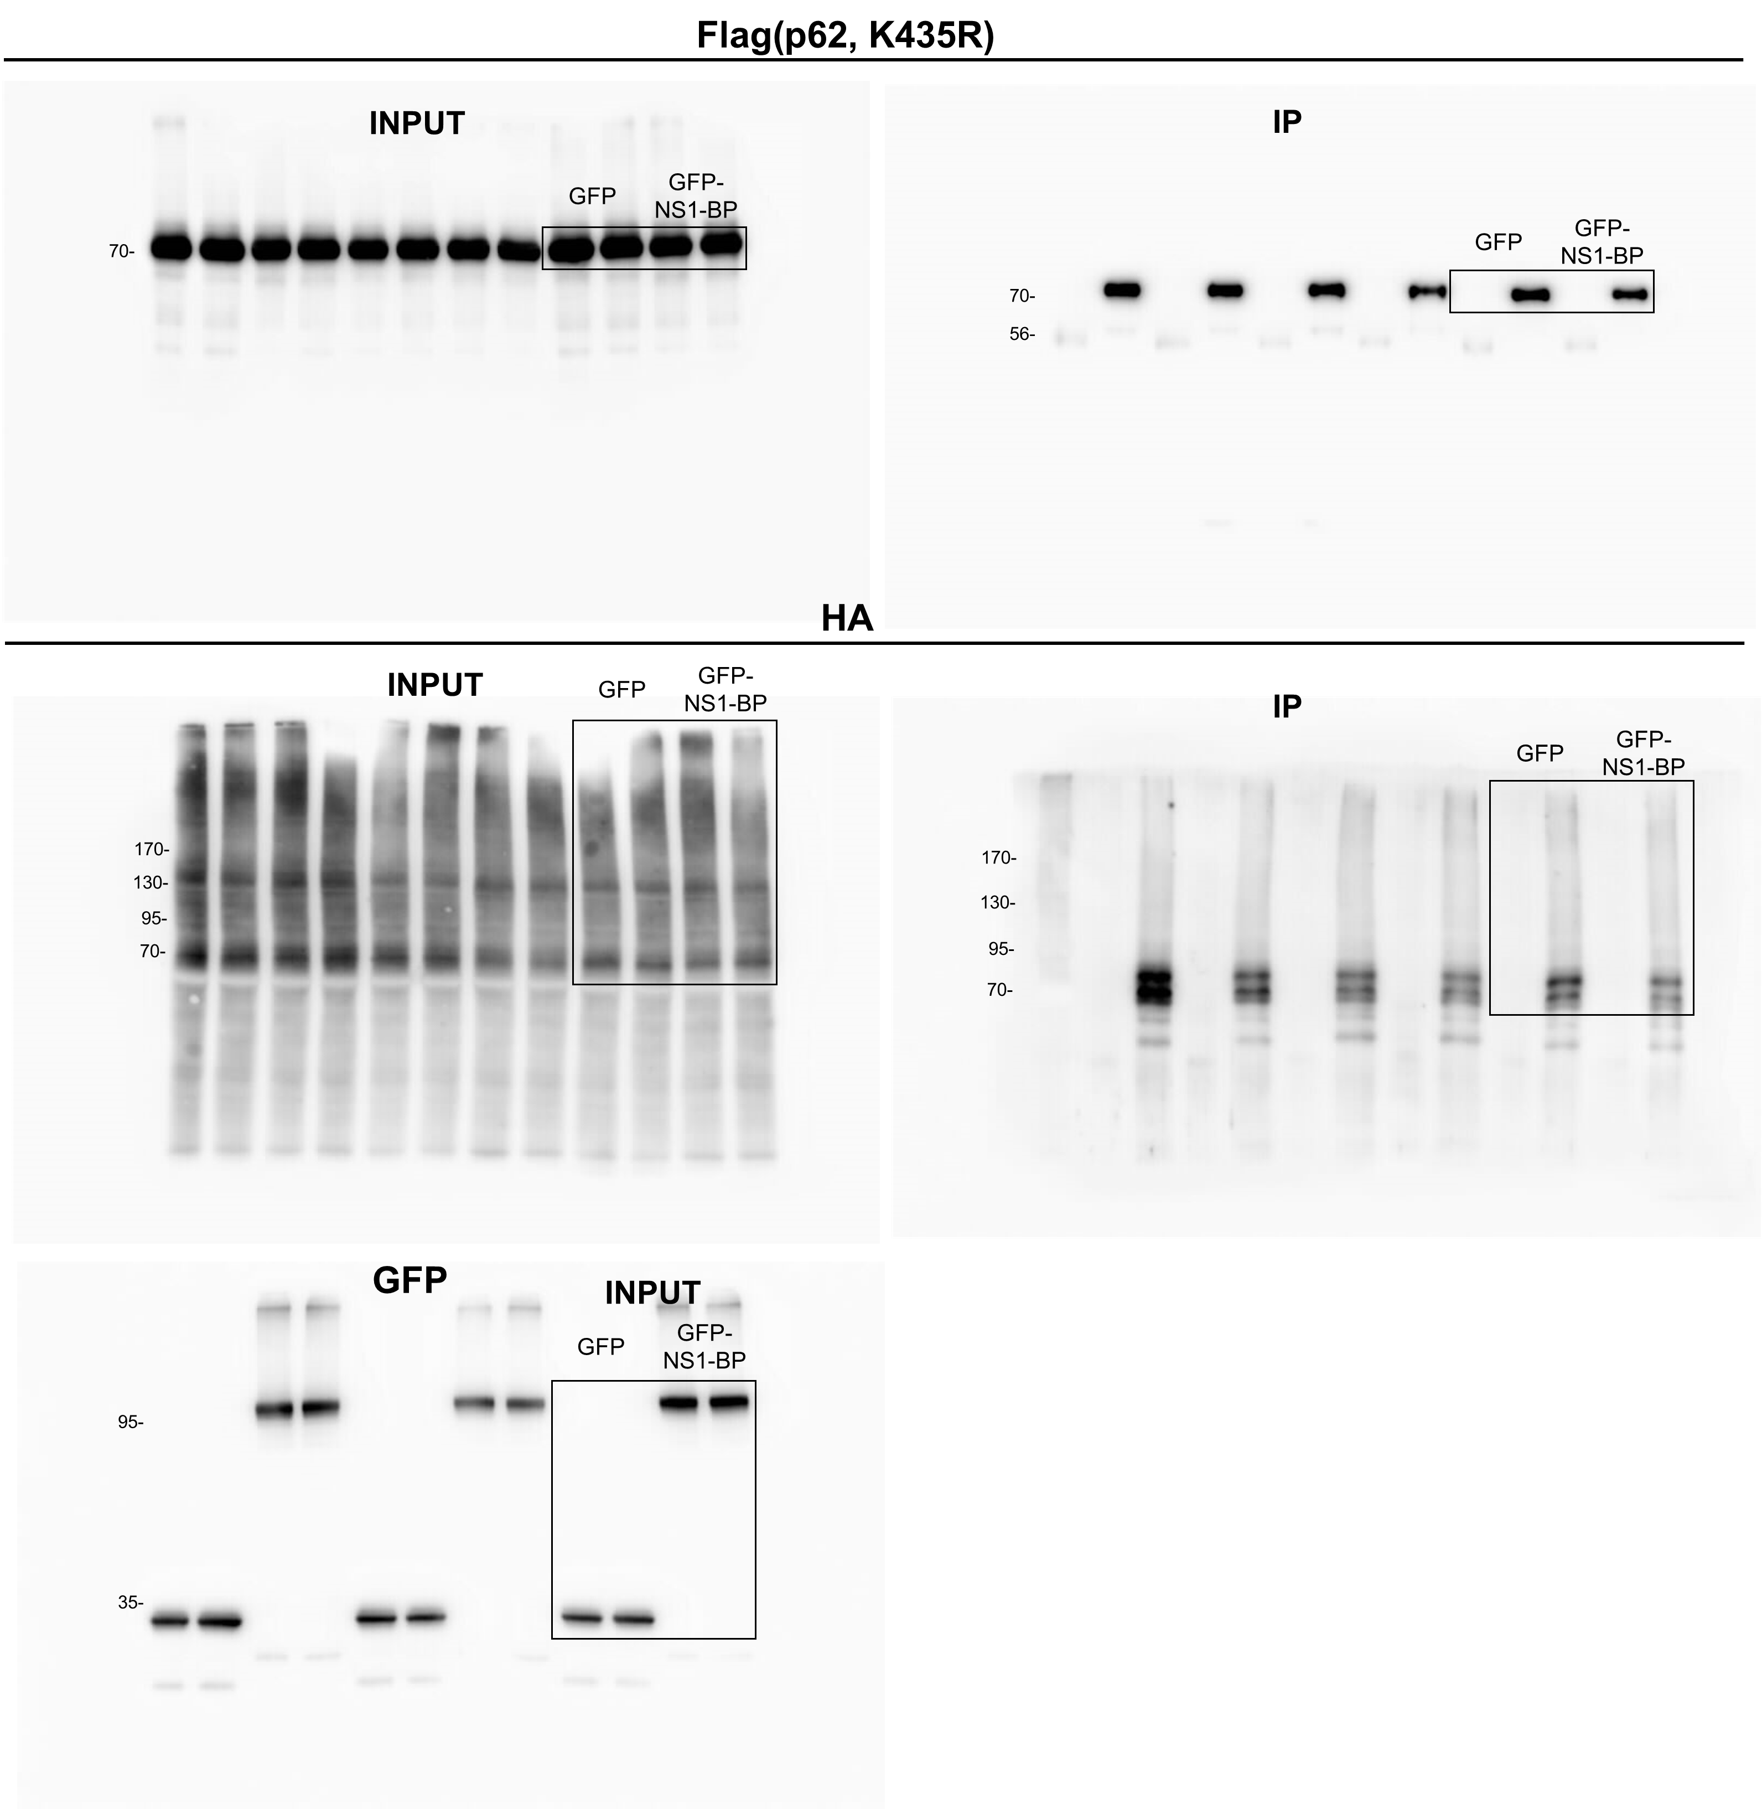

Fig 6n |  |  | Fig 6o |  |  | Fig 6p |  |  | Fig 6q
 | GFP | GFP-NS1-BP |  | GFP | GFP-NS1-BP |  | GFP | GFP-NS1-BP |  | GFP | GFP-NS1-BP
 | 1 | 0.710873116 |  | 1 | 0.684549048 |  | 1 | 0.975185498 |  | 1 | 0.600318704
 | 1 | 0.639619999 |  | 1 | 0.84027913 |  | 1 | 1.018855378 |  | 1 | 1.033571487
 | 1 | 0.585201905 |  | 1 | 0.69846897 |  | 1 | 1.347123518 |  | 1 | 1.239304875
 | 1 | 0.69724638 |  | 1 | 0.63208913 |  | 1 | 0.92852804 |  | 1 | 0.940539351
 | 1 | 0.7023546 |  | 1 | 0.80496664 |  | 1 | 0.715872811 |  | 1 | 1.11554807

Figure 8
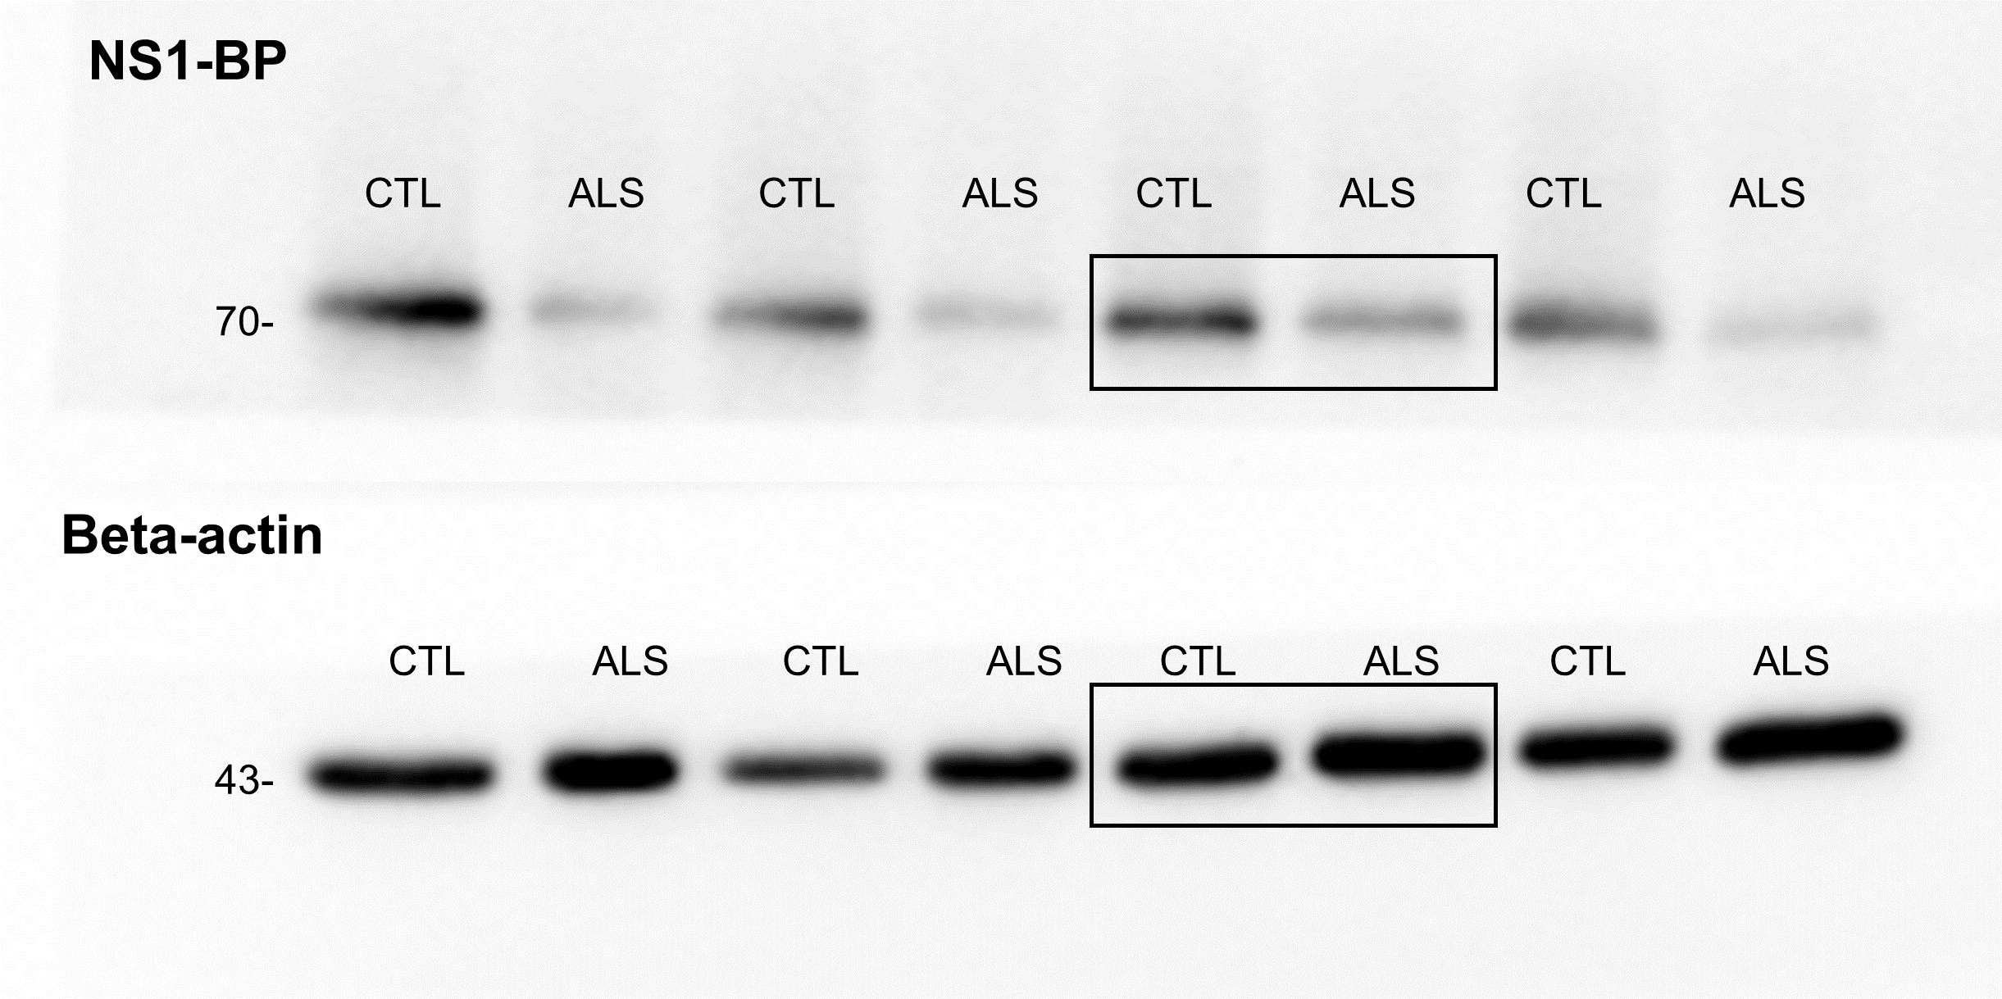
Fig 8b | Fig 8c |  |  | Fig 8e |  |  | Fig 8f
 |  | CTL-MN | ALS-MN |  | CTL-MN | ALS-MN |  | CTL-MN | ALS-MN
 |  | 1 | 0.40322264 |  | 0.428986 | 0.547012 |  | 17 | 13
 |  | 1 | 0.32112061 |  | 0.397102 | 0.740886 |  | 15 | 10
 |  | 1 | 0.93280313 |  | 0.42948 | 0.527907 |  | 15 | 14
 |  | 1 | 0.21534515 |  | 0.392864 | 0.64914 |  | 19 | 21
 |  | 1 | 0.32075882 |  | 0.392571 | 0.889928 |  | 16 | 12
 |  |  |  |  | 0.503773 | 0.602141 |  | 18 | 25
 |  |  |  |  | 0.437672 | 0.813448 |  | 22 | 17
 |  |  |  |  | 0.502324 | 0.690081 |  | 13 | 22
 |  |  |  |  | 0.311674 | 0.682563 |  | 18 | 12
 |  |  |  |  | 0.413158 | 0.797948 |  | 16 | 18
 |  |  |  |  | 0.311485 | 0.687213 |  | 18 | 15
 |  |  |  |  | 0.327115 | 1.041686 |  | 24 | 9
 |  |  |  |  | 0.435347 | 0.73997 |  | 28 | 15
 |  |  |  |  | 0.36291 | 0.511964 |  | 28 | 9
 |  |  |  |  | 0.445844 | 1.259951 |  | 15 | 15
 |  |  |  |  | 0.503313 | 0.684752 |  | 16 | 12
 |  |  |  |  | 0.441025 | 0.625325 |  | 25 | 12
 |  |  |  |  | 0.360522 | 0.828054 |  | 14 | 15
 |  |  |  |  | 0.478324 | 0.70402 |  | 21 | 10
 |  |  |  |  | 0.255674 | 0.740974 |  | 31 | 21
 |  |  |  |  | 0.486816 | 0.494646 |  | 18 | 31
 |  |  |  |  | 0.534839 | 0.846829 |  | 30 | 18
 |  |  |  |  | 0.795002 | 0.860724 |  | 19 | 13
 |  |  |  |  | 0.390275 | 0.81229 |  | 18 | 12
 |  |  |  |  | 0.639898 | 0.719156 |  | 15 | 26
 |  |  |  |  | 0.37625 | 0.474959 |  | 31 | 15
 |  |  |  |  | 0.449113 | 0.877153 |  | 27 | 9
 |  |  |  |  | 0.459053 | 0.569246 |  | 39 | 15
 |  |  |  |  | 0.612438 | 0.608141 |  | 7 | 15
 |  |  |  |  | 0.460661 | 1.267079 |  | 16 | 7
 |  |  |  |  | 0.823923 | 1.085404 |  | 8 | 8
 |  |  |  |  | 0.489805 | 0.688249 |  | 23 | 7
 |  |  |  |  | 0.554552 | 0.727535 |  | 5 | 13
 |  |  |  |  | 1.176218 | 0.827607 |  | 6 | 6
 |  |  |  |  | 0.470528 | 0.879312 |  | 31 | 13
 |  |  |  |  | 0.598215 | 0.714954 |  | 12 | 14
 |  |  |  |  | 0.583571 | 0.850882 |  | 14 | 11
 |  |  |  |  | 0.94021 | 0.482111 |  | 20 | 14
 |  |  |  |  | 1.128164 | 0.861652 |  | 9 | 10
 |  |  |  |  | 1.181291 | 0.894349 |  | 10 | 8
 |  |  |  |  | 0.395419 | 0.544887 |  | 28 | 18
 |  |  |  |  | 0.952569 | 0.635576 |  | 4 | 7
 |  |  |  |  | 1.202623 | 0.309397 |  | 10 | 21
 |  |  |  |  | 0.351659 | 0.430188 |  | 28 | 11
 |  |  |  |  | 0.311295 | 0.555623 |  | 46 | 11
 |  |  |  |  | 0.480134 | 0.405408 |  | 19 | 14
 |  |  |  |  | 0.331723 | 0.41937 |  | 19 | 25
 |  |  |  |  | 0.245463 | 0.883979 |  | 28 | 7
 |  |  |  |  | 0.272875 |  |  | 34
 |  |  |  |  | 0.2467 |  |  | 14
 |  |  |  |  | 0.256906 |  |  | 18
 |  |  |  |  | 0.339027 |  |  | 31
 |  |  |  |  | 0.263206 |  |  | 29
 |  |  |  |  | 0.3137 |  |  | 28
 |  |  |  |  | 0.291828 |  |  | 28
 |  |  |  |  | 0.337992 |  |  | 24
 |  |  |  |  | 0.338053 |  |  | 28
 |  |  |  |  | 0.464654 |  |  | 16
 |  |  |  |  | 0.32083 |  |  | 16
 |  |  |  |  | 0.469311 |  |  | 11

Supplementary Figure 2
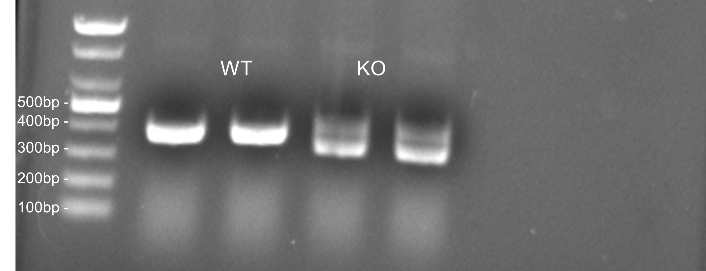
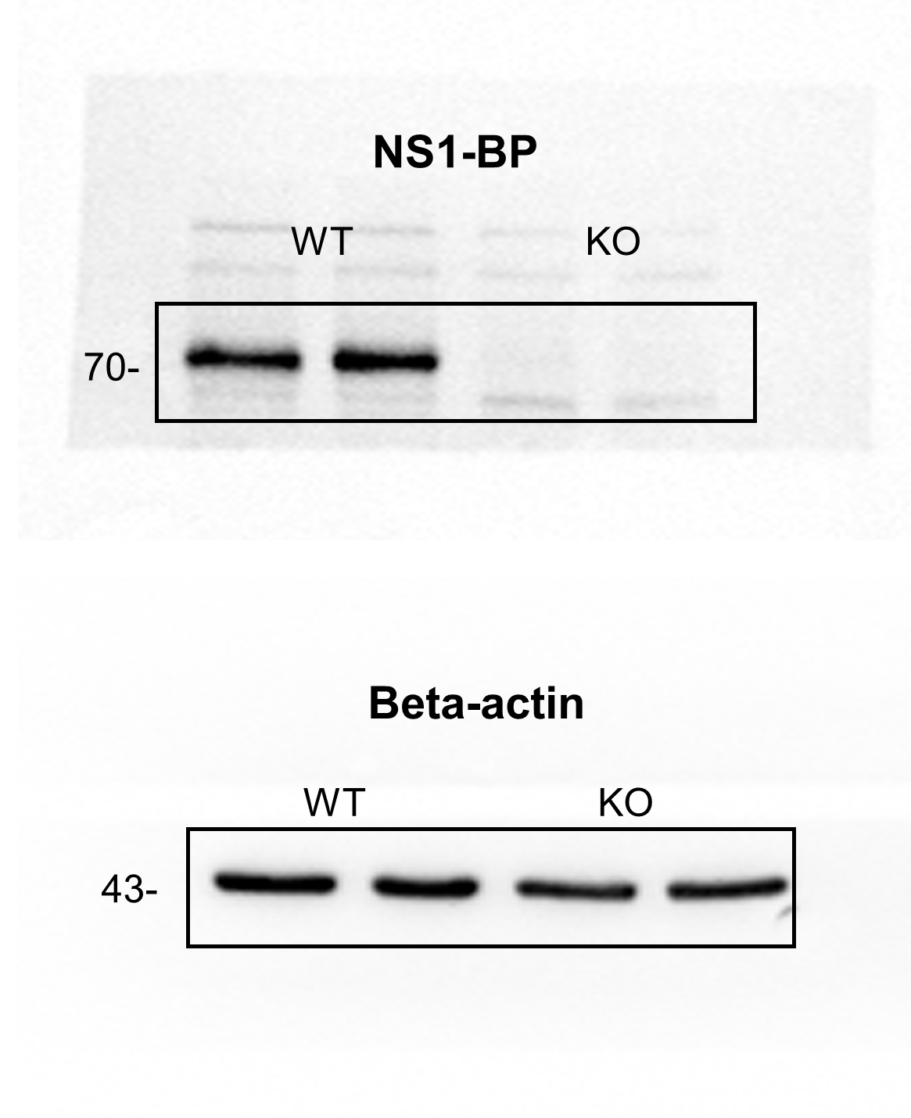
Fig S2b | Fig S2d

Supplementary Figure 3
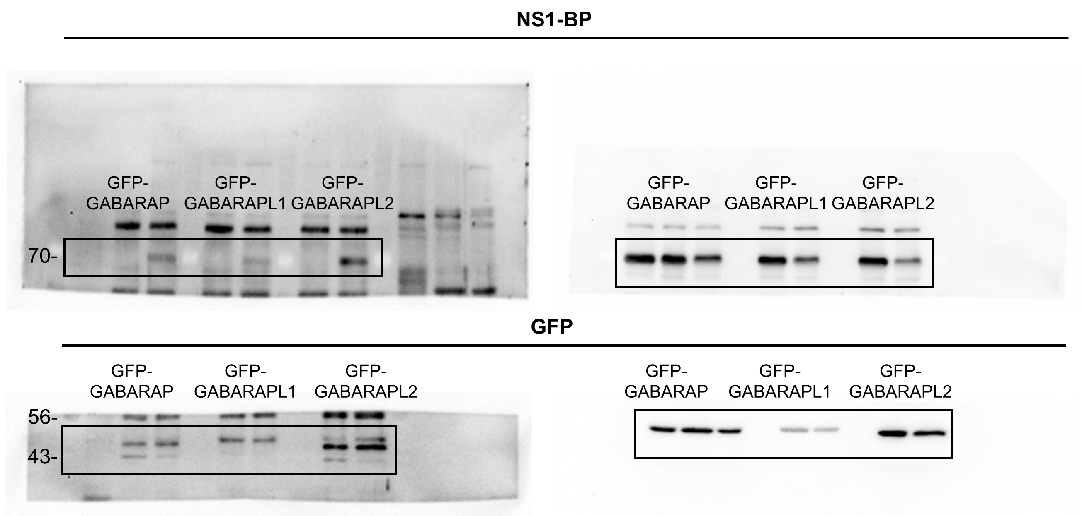
Fig S3a

Supplementary Figure 4
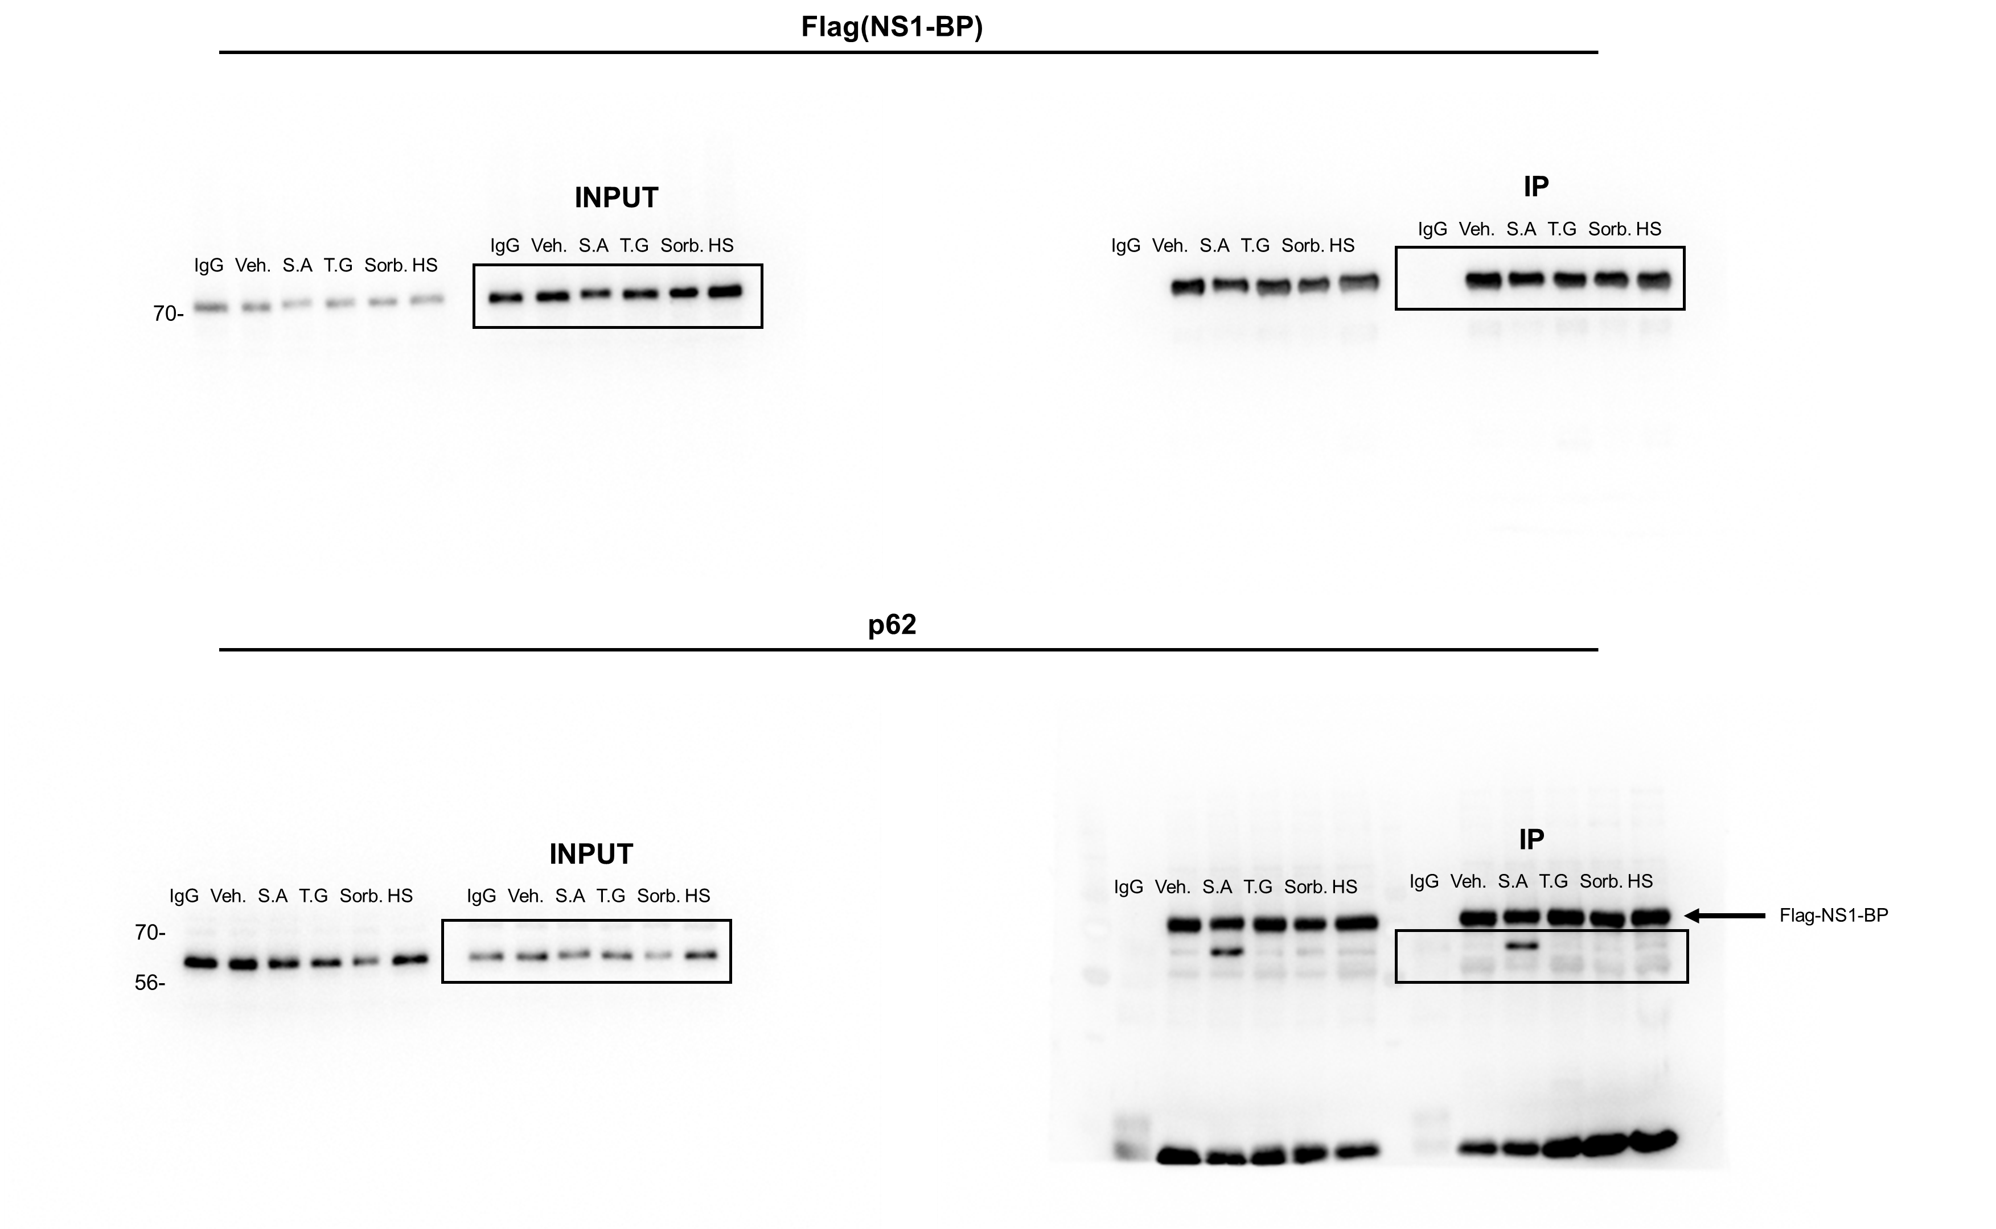
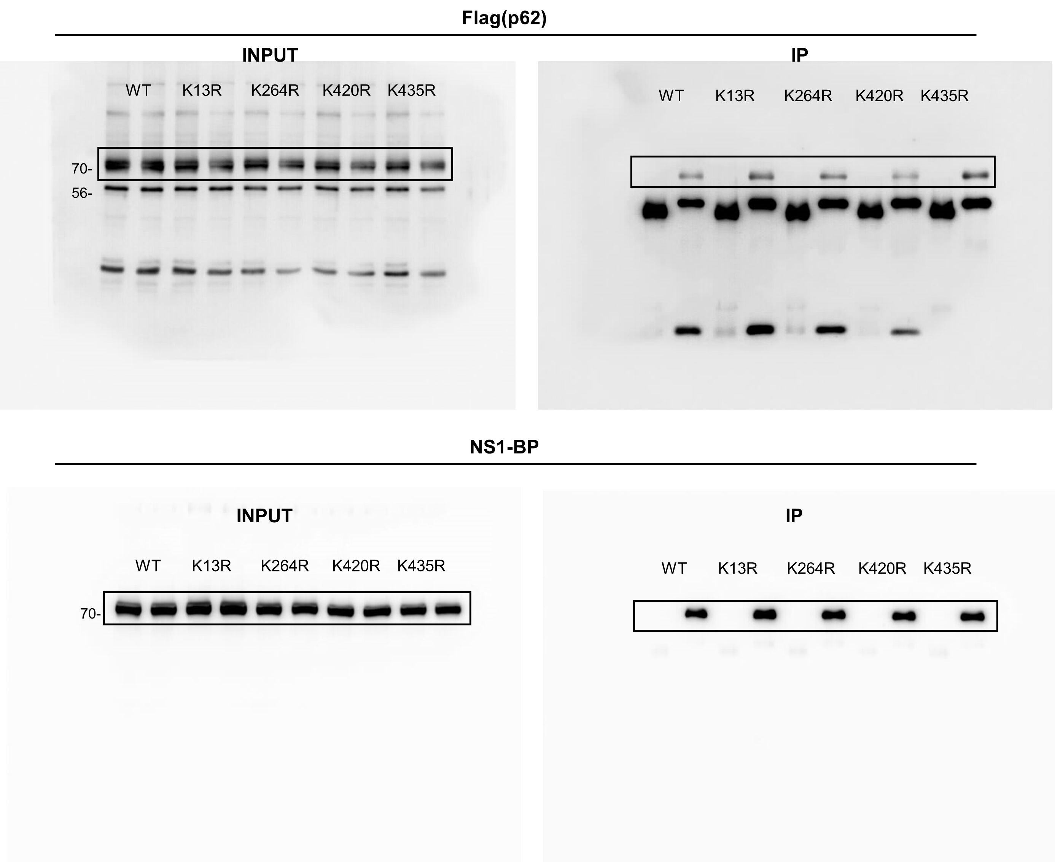
Fig S4a | Fig S4b

Supplementary Figure 5
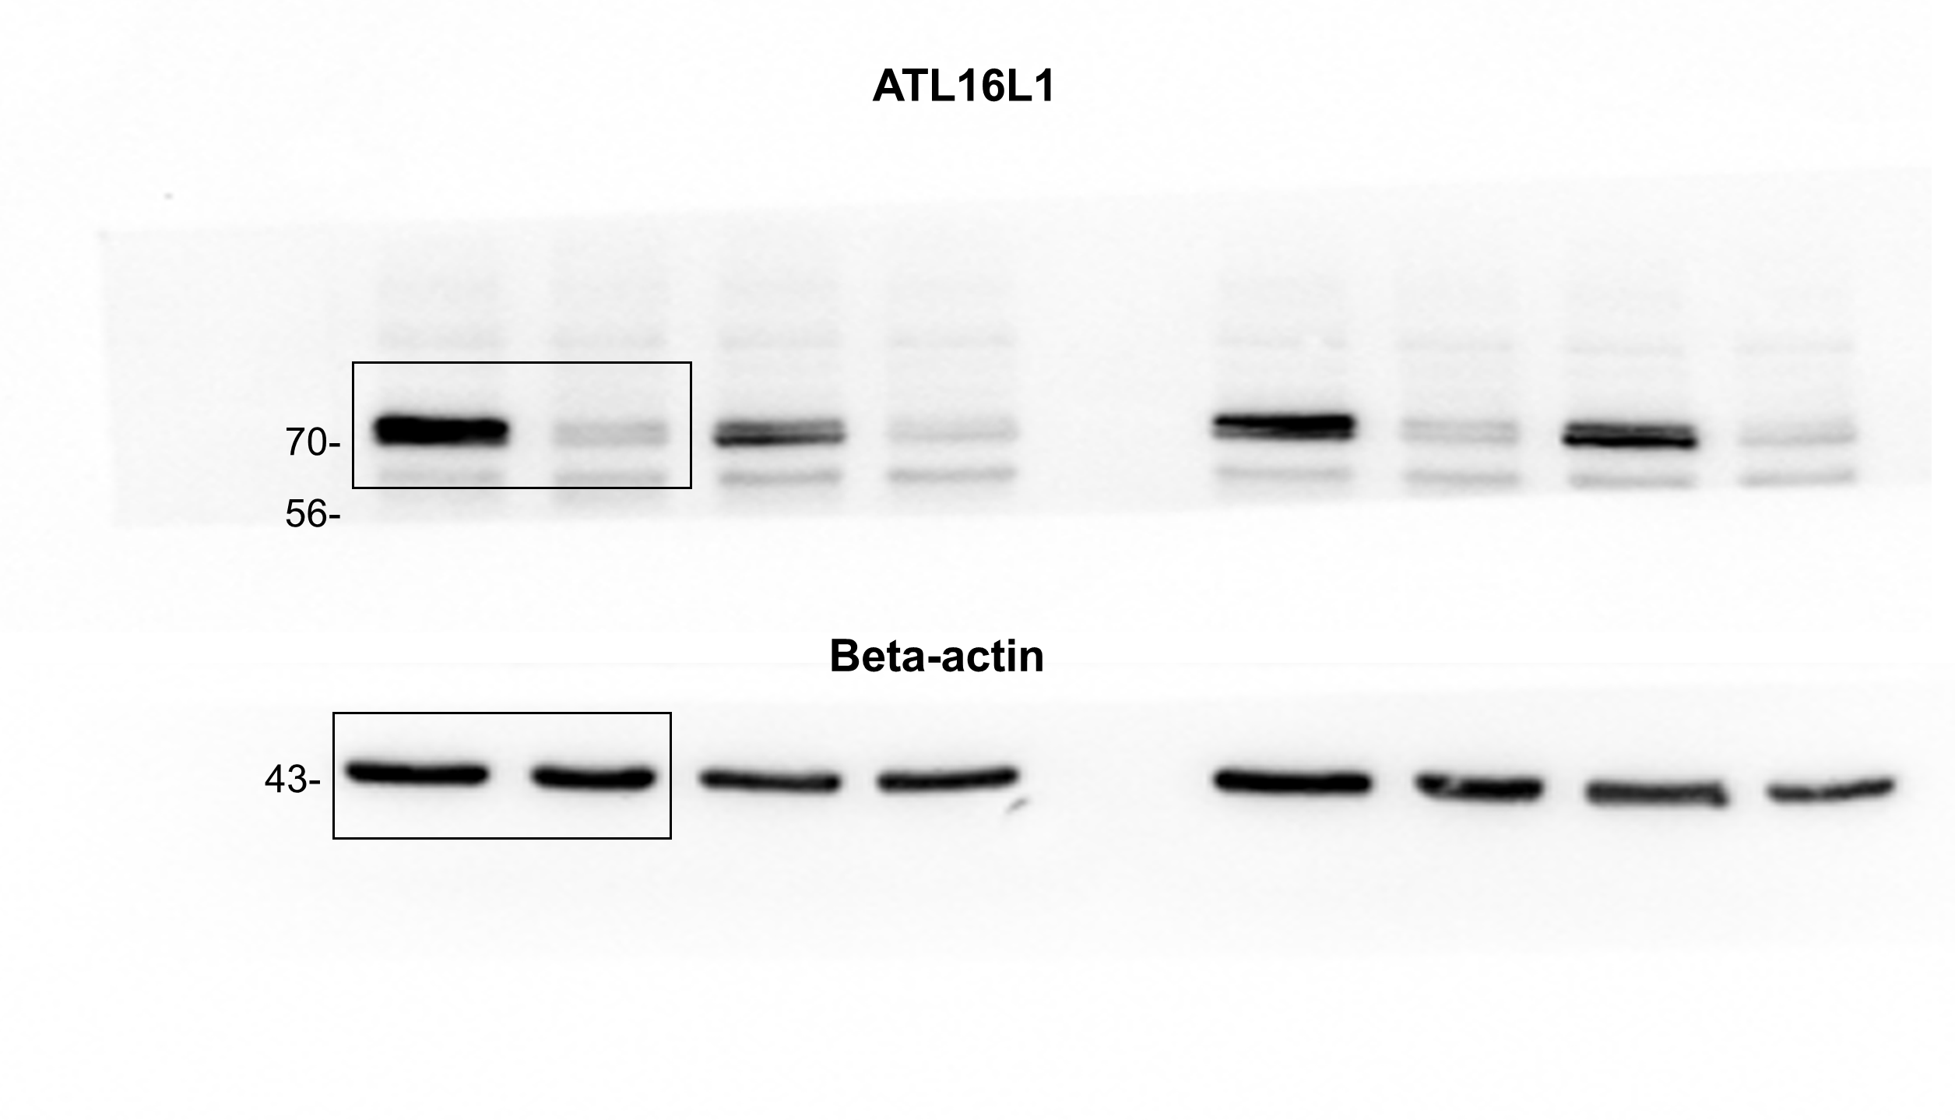
Fig S5c |  |  |  |  | Fig S5d |  |  |  |  | Fig S5f
 | Vehicle | RavZ WT | Fyco1 | Stbd1 |  | Vehicle | RavZ WT | Fyco1 | Stbd1
 | 0.726705 | 1.311601 | 1.009088 | 0.955383 |  | 48 | 23 | 33 | 43
 | 0.776432 | 1.000233 | 0.837147 | 1.176109 |  | 54 | 38 | 39 | 34
 | 0.695623 | 0.765606 | 1.094087 | 1.08176 |  | 46 | 72 | 75 | 49
 | 0.961918 | 0.757123 | 1.130582 | 0.812256 |  | 57 | 79 | 56 | 57
 | 1.208548 | 1.321732 | 0.878586 | 0.940732 |  | 38 | 22 | 90 | 60
 | 0.848222 | 0.902035 | 0.963751 | 1.003152 |  | 54 | 41 | 46 | 30
 | 1.070789 | 1.137574 | 0.8683 | 1.070553 |  | 38 | 50 | 63 | 58
 | 1.031118 | 0.873144 | 0.824183 | 0.955839 |  | 47 | 44 | 79 | 74
 | 0.859152 | 1.253859 | 0.866365 | 1.630915 |  | 42 | 31 | 99 | 34
 | 0.916236 | 1.669625 | 1.03157 | 1.4615 |  | 58 | 19 | 80 | 37
 | 0.913248 | 1.05355 | 1.24733 | 1.051886 |  | 37 | 41 | 43 | 77
 | 1.010982 | 1.066587 | 0.864663 | 1.208922 |  | 51 | 27 | 85 | 61
 | 0.893942 | 1.452979 | 0.993193 | 1.720704 |  | 58 | 43 | 67 | 36
 | 1.07454 | 1.064278 | 0.978382 | 1.573167 |  | 59 | 59 | 47 | 32
 | 0.684725 | 0.768958 | 0.718659 | 1.287729 |  | 60 | 40 | 64 | 29
 | 0.642875 | 0.992345 | 0.862647 | 1.108707 |  | 62 | 59 | 66 | 33
 | 0.603167 | 0.843898 | 0.88771 | 0.852134 |  | 94 | 84 | 66 | 52 | Fig S5g |  |  | Fig S5h
 | 0.496201 | 0.782952 | 0.479183 | 0.922286 |  | 52 | 36 | 37 | 31 |  | siScramble | siATG16L1 |  | siScramble | siATG16L1
 | 0.927998 | 1.182348 | 0.455491 | 1.126237 |  | 66 | 30 | 57 | 42 |  | 0.001078 | 0.000784 |  | 44 | 41
 | 0.655969 | 0.742021 | 0.571961 | 0.979955 |  | 60 | 54 | 51 | 49 |  | 0.000648 | 0.000784 |  | 91 | 57
 | 0.950994 | 0.822484 | 0.721704 | 1.096474 |  | 64 | 46 | 61 | 49 |  | 0.000849 | 0.001327 |  | 64 | 38
 | 0.647374 | 0.953301 | 0.534372 | 0.981839 |  | 51 | 37 | 46 | 63 |  | 0.000635 | 0.000645 |  | 89 | 62
 | 0.682358 | 0.915121 | 0.601139 | 1.228548 |  | 76 | 33 | 59 | 34 |  | 0.000762 | 0.001142 |  | 74 | 43
 | 0.720527 | 0.800672 | 0.634749 | 1.412782 |  | 78 | 41 | 58 | 27 |  | 0.000479 | 0.001046 |  | 110 | 52
 | 0.866235 | 0.970584 | 0.606393 | 1.085575 |  | 45 | 51 | 78 | 21 |  | 0.000688 | 0.000749 |  | 61 | 63
 | 0.817988 | 1.8038 | 0.53595 | 1.022666 |  | 62 | 23 | 62 | 34 |  | 0.000602 | 0.000898 |  | 77 | 44
 | 0.868931 | 0.93139 | 0.961291 | 0.803873 |  | 46 | 30 | 35 | 48 |  | 0.000517 | 0.00084 |  | 71 | 76
 | 0.718914 | 0.812918 | 0.829948 | 0.82835 |  | 96 | 54 | 36 | 34 |  | 0.000442 | 0.00056 |  | 91 | 97
 | 0.756463 | 0.644581 | 0.848134 | 0.603215 |  | 56 | 65 | 36 | 81 |  | 0.000609 | 0.000477 |  | 74 | 92
 | 0.652018 | 1.304433 | 0.815966 | 0.668281 |  | 63 | 20 | 50 | 83 |  | 0.000493 | 0.000749 |  | 103 | 72
 | 0.677306 | 0.926907 | 0.577231 | 0.660871 |  | 97 | 45 | 92 | 53 |  | 0.000722 | 0.000573 |  | 71 | 84
 | 0.697606 | 0.786963 | 0.665821 | 0.518376 |  | 40 | 59 | 59 | 71 |  | 0.000656 | 0.000739 |  | 69 | 72
 | 0.53351 | 0.715857 | 0.719006 | 0.90142 |  | 53 | 44 | 59 | 32 |  | 0.000752 | 0.000591 |  | 65 | 80
 | 0.856921 | 0.94168 | 0.711205 | 0.689984 |  | 64 | 45 | 62 | 49 |  | 0.000624 | 0.001064 |  | 60 | 53
 | 0.79183 | 1.037757 | 0.725774 | 0.63117 |  | 85 | 33 | 72 | 53 |  | 0.000786 | 0.000958 |  | 64 | 60
 | 0.634573 | 1.454546 | 0.707441 | 0.808599 |  | 51 | 19 | 64 | 45 |  | 0.000707 | 0.000957 |  | 59 | 48
 | 0.525603 | 0.882965 | 0.7152 | 0.71522 |  | 65 | 39 | 36 | 46 |  | 0.000796 | 0.000927 |  | 67 | 61
 | 0.725314 | 0.850765 | 0.861306 | 1.005324 |  | 82 | 48 | 35 | 36 |  | 0.000825 | 0.000889 |  | 55 | 55
 | 0.675051 | 0.958208 | 0.65887 | 0.720955 |  | 68 | 41 | 59 | 43 |  | 0.000575 | 0.00091 |  | 81 | 56
 | 0.55752 | 1.028736 | 0.625504 | 0.580217 |  | 55 | 40 | 52 | 42 |  | 0.000752 | 0.001363 |  | 84 | 37
 | 0.654413 | 1.116786 | 0.638805 | 0.732359 |  | 91 | 41 | 30 | 32 |  | 0.000667 | 0.001127 |  | 82 | 44
 | 0.556973 | 0.925583 | 0.88101 |  |  | 123 | 56 | 21 |  |  | 0.000482 | 0.00089 |  | 100 | 54
 | 0.645016 | 0.795794 | 0.60469 |  |  | 63 | 63 | 36 |  |  | 0.000511 | 0.00115 |  | 75 | 37
 | 0.454074 | 0.697667 | 0.706523 |  |  | 70 | 62 | 30 |  |  | 0.000806 | 0.001786 |  | 65 | 37
 | 0.810262 |  | 0.713186 |  |  | 54 |  | 41 |  |  | 0.000976 | 0.000725 |  | 44 | 68
 |  |  | 0.607178 |  |  |  |  | 62 |  |  |  | 0.000757 |  |  | 84
 |  |  |  |  |  |  |  |  |  |  |  | 0.001384 |  |  | 41
 |  |  |  |  |  |  |  |  |  |  |  | 0.001117 |  |  | 53

