Fig. 2
Westernblot Quantificaitons |  |  |  |  |  |  | c. XIRP1 Pellet |  | d. FLNC Pellet |  | e. HSPB1 Pellet |  | f. HSPB5 Pellet |  | g. DEPTOR Pellet
c. XIRP1 Pellet
x | M2 | M3 | M4 | M5 | M8 | M9 | Table Analyzed | XIRP1_Pellet | Table Analyzed | FLNC_Pellet | Table Analyzed | HSPB1_Pellet | Table Analyzed | HSPB5_Pellet | Table Analyzed | Deptor_Pellet
R1 | 1.207582198 | 1.0919082303 | 0.76390254432 | 0.81882102554 | 0.66610664707 | 0.75791291345
SMO1 | 2.0621168109 | 2.1698355923 | 2.3604522693 | 1.7593386754 | 2.4821697339 | 2.4261046605 | Column B | SMO1 | Column B | SMO1 | Column B | SMO1 | Column B | SMO1 | Column B | SMO1
R3 | 1.3263832824 | 1.2564286173 | 0.91783238101 | 0.83999642397 | 1.4305687702 | 1.6510412265 | vs. | vs, | vs. | vs, | vs. | vs, | vs. | vs, | vs. | vs,
SMO3 | 1.4078743269 | 1.5561148991 | 1.7676404614 | 2.0827420136 | 2.1368911862 | 1.5633552708 | Column A | R1 | Column A | R1 | Column A | R1 | Column A | R1 | Column A | R1
R4 | 0.76585847577 | 0.63413575645 | 0.82920649198 | 1.017420047 | 0.55253971034 | 0.62476279225
SMO4 | 1.2667955065 | 1.4114901532 | 1.532439802 | 1.5572672341 | 1.122253703 | 1.1597767951 | Wilcoxon matched-pairs signed rank test |  | Wilcoxon matched-pairs signed rank test |  | Wilcoxon matched-pairs signed rank test |  | Wilcoxon matched-pairs signed rank test |  | Wilcoxon matched-pairs signed rank test
 |  |  |  |  |  |  | P value | 0.0313 | P value | 0.0313 | P value | 0.0313 | P value | 0.0313 | P value | 0.0313
 |  |  |  |  |  |  | Exact or approximate P value? | Exact | Exact or approximate P value? | Exact | Exact or approximate P value? | Exact | Exact or approximate P value? | Exact | Exact or approximate P value? | Exact
 |  |  |  |  |  |  | P value summary | * | P value summary | * | P value summary | * | P value summary | * | P value summary | *
d. FLNC Pellet |  |  |  |  |  |  | Significantly different (P < 0.05)? | Yes | Significantly different (P < 0.05)? | Yes | Significantly different (P < 0.05)? | Yes | Significantly different (P < 0.05)? | Yes | Significantly different (P < 0.05)? | Yes
 | M2 | M3 | M4 | M5 | M8 | M9 | One- or two-tailed P value? | Two-tailed | One- or two-tailed P value? | Two-tailed | One- or two-tailed P value? | Two-tailed | One- or two-tailed P value? | Two-tailed | One- or two-tailed P value? | Two-tailed
R1 | 0.99669377258 | 1.0274126782 | 1.1512722096 | 1.2560288951 | 0.66049384447 | 0.77287826516 | Sum of positive, negative ranks | 21,00 , 0,000 | Sum of positive, negative ranks | 21,00 , 0,000 | Sum of positive, negative ranks | 21,00 , 0,000 | Sum of positive, negative ranks | 21,00 , 0,000 | Sum of positive, negative ranks | 21,00 , 0,000
SMO1 | 1.3800604217 | 1.4831160162 | 1.7007230757 | 1.6525073855 | 1.1534232716 | 1.4704447982 | Sum of signed ranks (W) | 21 | Sum of signed ranks (W) | 21 | Sum of signed ranks (W) | 21 | Sum of signed ranks (W) | 21 | Sum of signed ranks (W) | 21
R3 | 1.0831856254 | 1.2928860544 | 1.1793003241 | 1.0453711651 | 1.1011797246 | 1.3649196042 | Number of pairs | 6 | Number of pairs | 6 | Number of pairs | 6 | Number of pairs | 6 | Number of pairs | 6
SMO3 | 1.4871812006 | 1.441479301 | 1.1439985709 | 1.5225922634 | 1.8053508891 | 1.3060497146 | Number of ties (ignored) | 0 | Number of ties (ignored) | 0 | Number of ties (ignored) | 0 | Number of ties (ignored) | 0 | Number of ties (ignored) | 0
R4 | 1.1139756418 | 1.1381864576 | 0.83184397398 | 1.0091311426 | 1.2019194243 | 1.0260923364
SMO4 | 1.3806324101 | 1.0908932946 | 1.5447563351 | 1.0153195494 | 1.6200393616 | 1.5786749191 | Median of differences |  | Median of differences |  | Median of differences |  | Median of differences |  | Median of differences
 |  |  |  |  |  |  | Median | 1.337 | Median | 0.4743 | Median | 5.495 | Median | 8.727 | Median | 1.444

 |  |  |  |  |  |  | How effective was the pairing? |  | How effective was the pairing? |  | How effective was the pairing? |  | How effective was the pairing? |  | How effective was the pairing?
e. HSPB1 Pellet |  |  |  |  |  |  | rs (Spearman) | -0.8286 | rs (Spearman) | 0.8857 | rs (Spearman) | 0.1429 | rs (Spearman) | -0.08571 | rs (Spearman) | -0.08571
x | M2 | M3 | M4 | M5 | M8 | M9 | P value (one tailed) | 0.0292 | P value (one tailed) | 0.0167 | P value (one tailed) | 0.4014 | P value (one tailed) | 0.4597 | P value (one tailed) | 0.4597
R1 | 1.4152232607 | 0.81535793552 | 0.98455549062 | 1.3557414173 | 1.1236808797 | 0.75035552168 | P value summary | * | P value summary | * | P value summary | ns | P value summary | ns | P value summary | ns
SMO1 | 5.7629928941 | 5.7330178301 | 8.2933482755 | 6.7111335916 | 10.78331504 | 6.3847752362 | Was the pairing significantly effective? | Yes | Was the pairing significantly effective? | Yes | Was the pairing significantly effective? | No | Was the pairing significantly effective? | No | Was the pairing significantly effective? | No
R3 | 2.2442544548 | 1.3030803735 | 1.76737307 | 0.72020249666 | 1.2953995398 | 1.824720426
SMO3 | 5.3158466629 | 5.1044117519 | 4.9269861907 | 5.0063633733 | 4.2191270271 | 2.497233248
R4 | 1.5730008076 | 1.0022021314 | 1.2482075134 | 1.8966335229 | 1.2380845767 | 1.348120089 | Table Analyzed | XIRP1_Pellet | Table Analyzed | FLNC_Pellet | Table Analyzed | HSPB1_Pellet | Table Analyzed | HSPB5_Pellet | Table Analyzed | Deptor_Pellet
SMO4 | 4.9883394263 | 7.410504227 | 3.465383818 | 5.3421949502 | 2.4832898328 | 9.6881672044
 |  |  |  |  |  |  | Column D | SMO3 | Column D | SMO3 | Column D | SMO3 | Column D | SMO3 | Column D | SMO3
f. HSPB5 Pellet |  |  |  |  |  |  | vs. | vs, | vs. | vs, | vs. | vs, | vs. | vs, | vs. | vs,
x | M2 | M3 | M4 | M5 | M8 | M9 | Column C | R3 | Column C | R3 | Column C | R3 | Column C | R3 | Column C | R3
R1 | 0.98975625708 | 0.80554135546 | 1.2173887342 | 1.2381156829 | 1.5763551841 | 0.77699481696
SMO1 | 10.201517849 | 7.7156326732 | 9.4588014527 | 9.3212777808 | 12.353653587 | 14.907538287 | Wilcoxon matched-pairs signed rank test |  | Wilcoxon matched-pairs signed rank test |  | Wilcoxon matched-pairs signed rank test |  | Wilcoxon matched-pairs signed rank test |  | Wilcoxon matched-pairs signed rank test
R3 | 0.98991870378 | 0.79285301585 | 0.94479426884 | 0.98867591283 | 1.4148587018 | 0.84373345304 | P value | 0.0938 | P value | 0.1563 | P value | 0.0313 | P value | 0.0313 | P value | 0.0313
...
x | M2 | M3 | M4 | M5 | M8 | M9 | Sum of signed ranks (W) | 17 | Sum of signed ranks (W) | 15 | Sum of signed ranks (W)
R1 | 1.3894902421 | 0.53821463894 | 0.82809647591 | 1.3391032004 | 1.1090739673 | 1.2252544043 | Number of pairs | 6 | Number of pairs | 6 | Number of pairs
SMO1 | 2.8218526799 | 1.6997562196 | 3.0998157605 | 1.670170998 | 2.5654454246 | 2.9026977811 | Number of ties (ignored) | 0 | Number of ties (ignored) | 0 | Number of ties (ignored)
R3 | 1.0571812336 | 0.96098671756 | 1.2580954268 | 0.94592322738 | 0.60253461106 | 0.71594604051
SMO3 | 2.6569666287 | 3.0388516375 | 1.6567308589 | 2.0453143538 | 2.3422062095 | 2.1347503945 | Median of differences |  | Median of differences |  | Median of differences
R4 | 0.67588447346 | 0.92896585939 | 1.2052382475 | 0.91848713422 | 0.79620751303 | 0.90679894963 | Median | 0.503 | Median | 0.2763 | Median
SMO4 | 1.388533483 | 2.6590799504 | 1.8626296493 | 3.0029446209 | 2.5241372281 | 1.7722319678
 |  |  |  |  |  |  | How effective was the pairing? |  | How effective was the pairing? |  | How effective was the pairing?
 |  |  |  |  |  |  | rs (Spearman) | -0.1429 | rs (Spearman) | -0.6571 | rs (Spearman)
 |  |  |  |  |  |  | P value (one tailed) | 0.4014 | P value (one tailed) | 0.0875 | P value (one tailed)
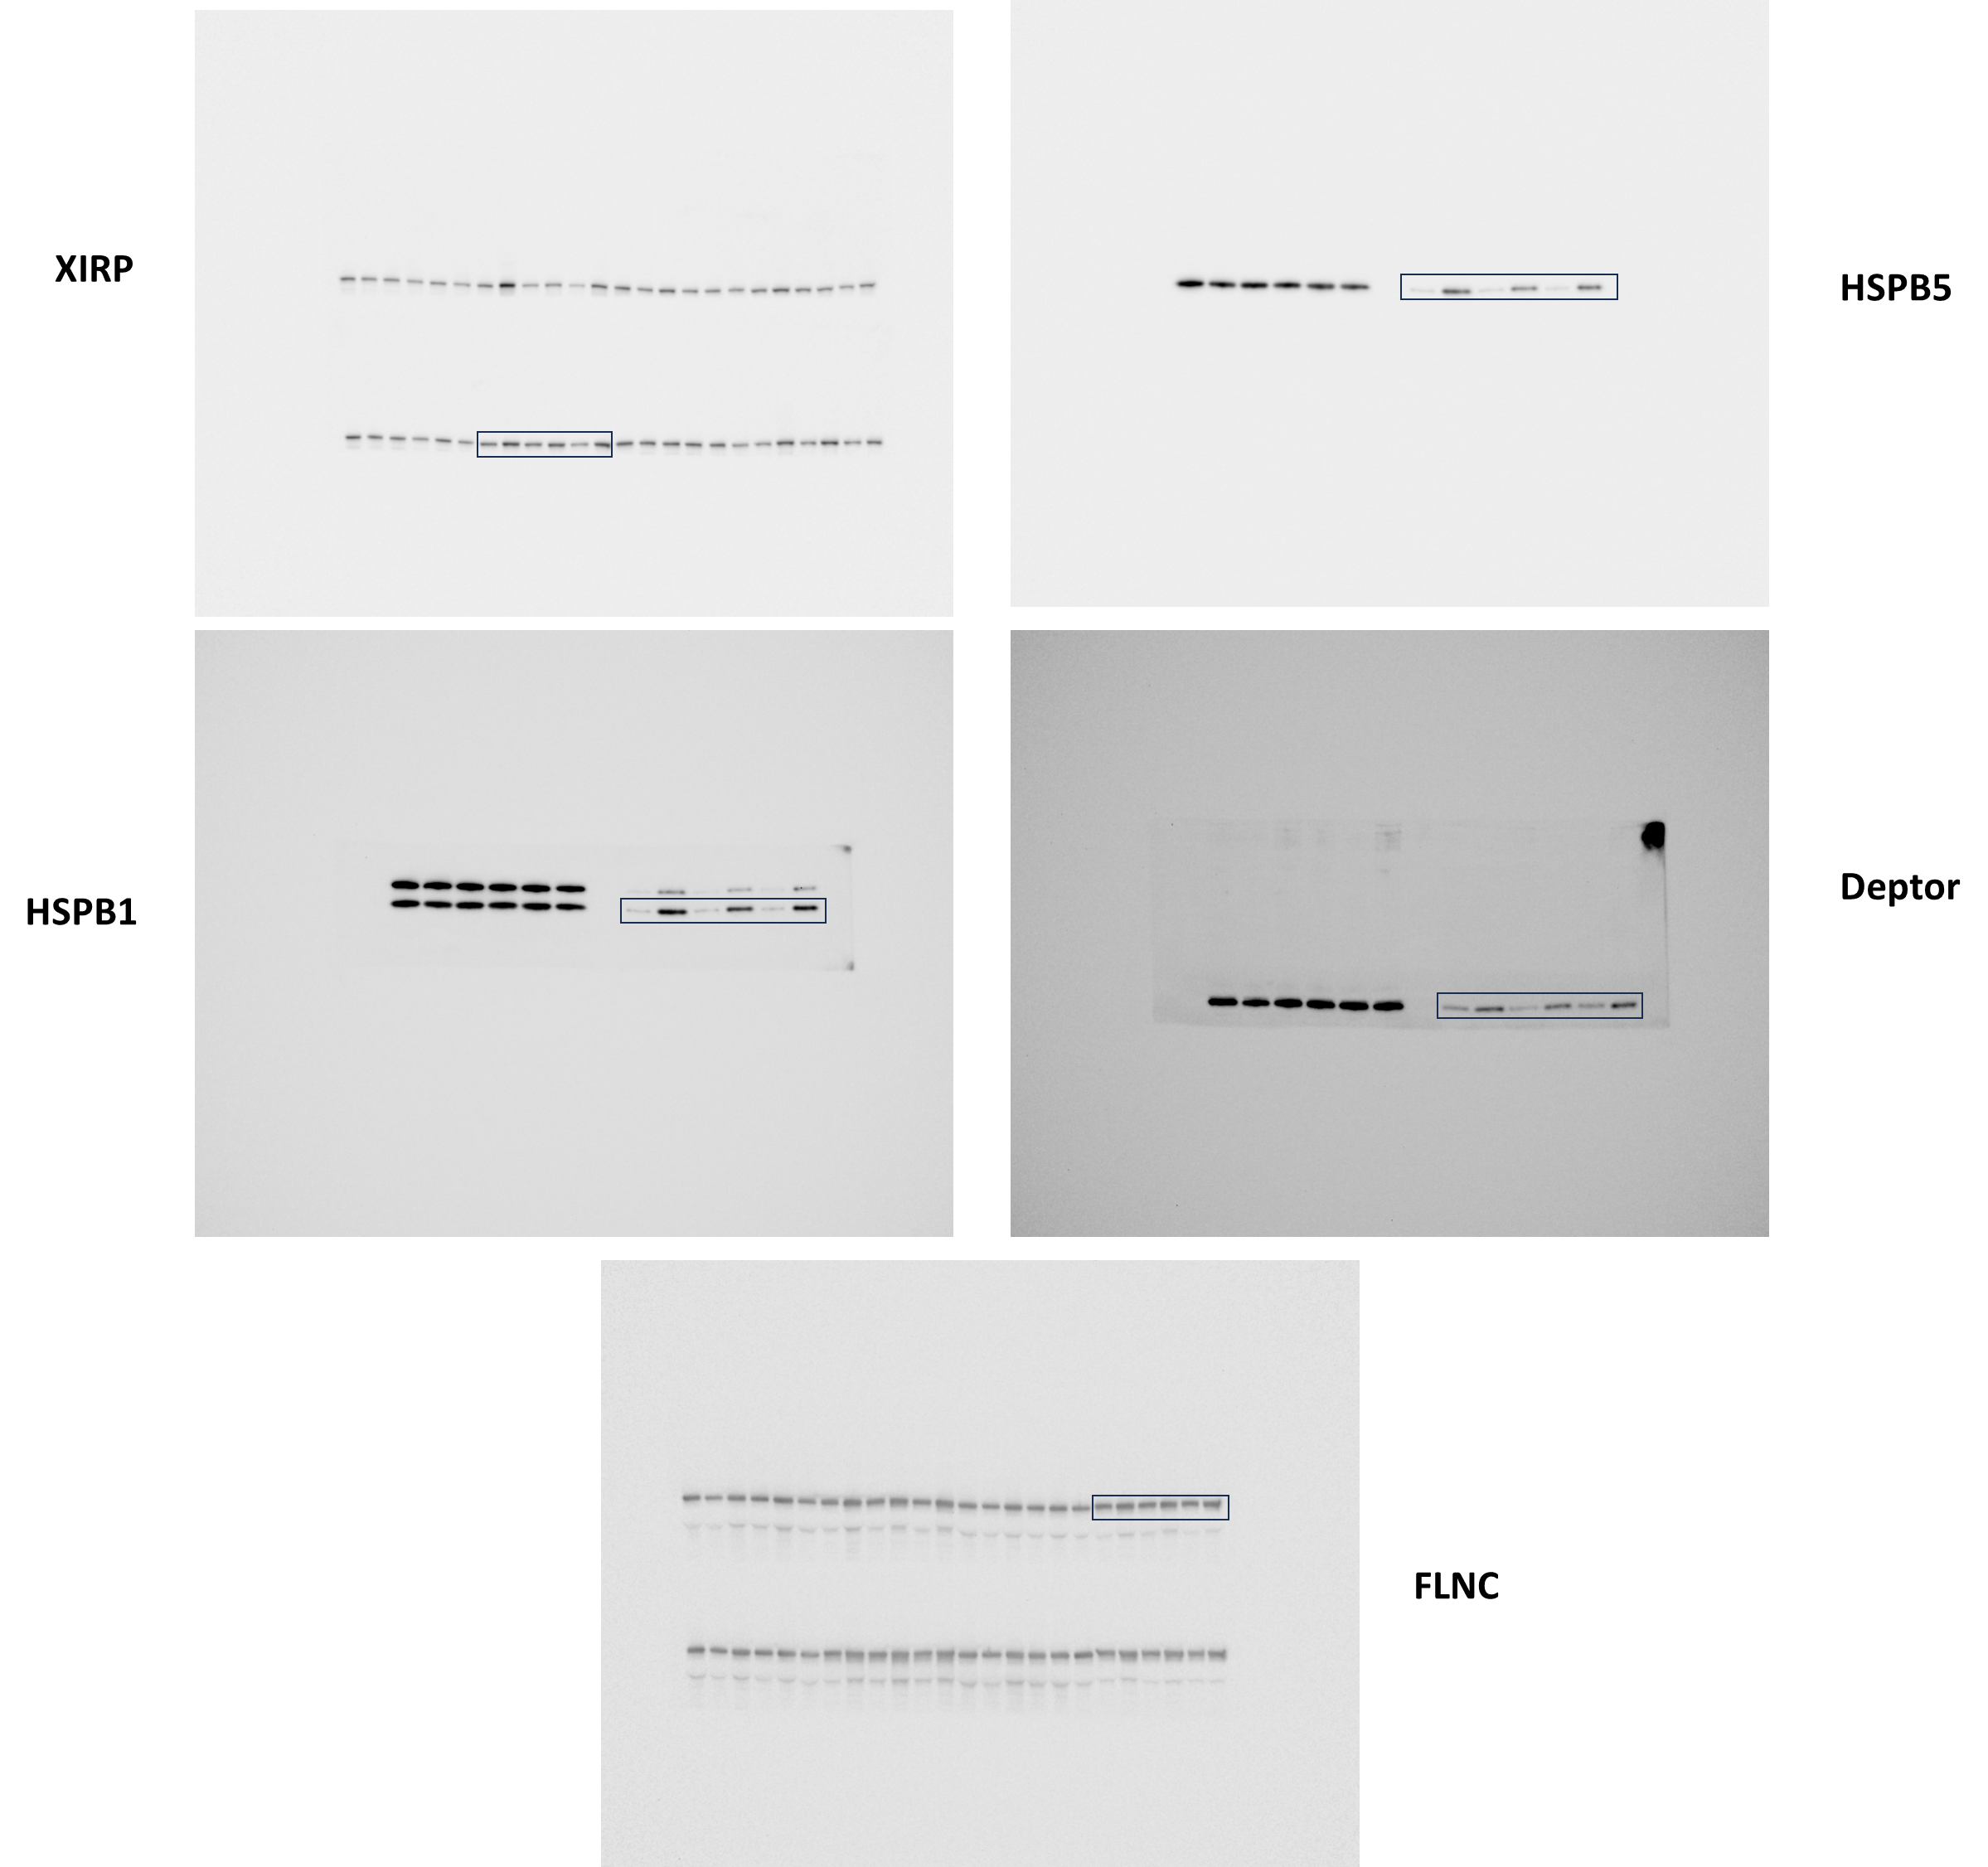
 |  |  |  |  |  |  | P value summary | ns | P value summary | ns | P value summary
 |  |  |  |  |  |  | Was the pairing significantly effective? | No | Was the pairing significantly effective? | No | Was the pairing significantly effective?

 |  |  |  |  |  |  | Table Analyzed | XIRP1_Pellet | Table Analyzed | FLNC_Pellet | Table Analyzed

 |  |  |  |  |  |  | Column F | SMO4 | Column F | SMO4 | Column F
 |  |  |  |  |  |  | vs. | vs, | vs. | vs, | vs.
 |  |  |  |  |  |  | Column E | R4 | Column E | R4 | Column E

 |  |  |  |  |  |  | Wilcoxon matched-pairs signed rank test |  | Wilcoxon matched-pairs signed rank test |  | Wilcoxon matched-pairs signed rank test
 |  |  |  |  |  |  | P value | 0.0313 | P value | 0.0938 | P value
 |  |  |  |  |  |  | Exact or approximate P value? | Exact | Exact or approximate P value? | Exact | Exact or approximate P value?
 |  |  |  |  |  |  | P value summary | * | P value summary | ns | P value summary
 |  |  |  |  |  |  | Significantly different (P < 0.05)? | Yes | Significantly different (P < 0.05)? | No | Significantly different (P < 0.05)?
 |  |  |  |  |  |  | One- or two-tailed P value? | Two-tailed | One- or two-tailed P value? | Two-tailed | One- or two-tailed P value?
 |  |  |  |  |  |  | Sum of positive, negative ranks | 21,00 , 0,000 | Sum of positive, negative ranks | 19,00 , -2,000 | Sum of positive, negative ranks
 |  |  |  |  |  |  | Sum of signed ranks (W) | 21 | Sum of signed ranks (W) | 17 | Sum of signed ranks (W)
 |  |  |  |  |  |  | Number of pairs | 6 | Number of pairs | 6 | Number of pairs
 |  |  |  |  |  |  | Number of ties (ignored) | 0 | Number of ties (ignored) | 0 | Number of ties (ignored)

 |  |  |  |  |  |  | Median of differences |  | Median of differences |  | Median of differences
 |  |  |  |  |  |  | Median | 0.5548 | Median | 0.3424 | Median

 |  |  |  |  |  |  | How effective was the pairing? |  | How effective was the pairing? |  | How effective was the pairing?
 |  |  |  |  |  |  | rs (Spearman) | 0.9429 | rs (Spearman) | 0.3143 | rs (Spearman)
 |  |  |  |  |  |  | P value (one tailed) | 0.0083 | P value (one tailed) | 0.2819 | P value (one tailed)
 |  |  |  |  |  |  | P value summary | ** | P value summary | ns | P value summary
 |  |  |  |  |  |  | Was the pairing significantly effective? | Yes | Was the pairing significantly effective? | No | Was the pairing significantly effective?

Fig. S3
...
d. XIRP1 Supernatant
SMO4 | 0.47379696443 | 0.4149922744 | 0.36330350411 | 0.36425976863 | 0.48321579127 | 0.35157923115 | P value | 0.1563 | P value | 0.3125 | P value | >0,9999 | P value
 |  |  |  |  |  |  | Exact or approximate P value? | Exact | Exact or approximate P value? | Exact | Exact or approximate P value? | Exact | Exact or approximate P value?
e. FLNC Supernatant |  |  |  |  |  |  | P value summary | ns | P value summary | ns | P value summary | ns | P value summary
 | M2 | M3 | M4 | M5 | M8 | M9 | Significantly different (P < 0.05)? | No | Significantly different (P < 0.05)? | No | Significantly different (P < 0.05)? | No | Significantly different (P < 0.05)?
R1 | 0.84148459508 | 1.0326085025 | 1.0086028521 | 1.1250158815 | 0.73752893484 | 1.0963238872 | One- or two-tailed P value? | Two-tailed | One- or two-tailed P value? | Two-tailed | One- or two-tailed P value? | Two-tailed | One- or two-tailed P value?
SMO1 | 0.8208519069 | 0.76188535519 | 0.80501595028 | 0.97959496541 | 0.6435886015 | 0.72961446063 | Sum of positive, negative ranks | 3,000 , -18,00 | Sum of positive, negative ranks | 16,00 , -5,000 | Sum of positive, negative ranks | 10,00 , -11,00 | Sum of positive, negative ranks
R3 | 1.0220529099 | 1.1088841019 | 0.88098604519 | 0.69454576824 | 0.97120126766 | 0.95925772803 | Sum of signed ranks (W) | -15 | Sum of signed ranks (W) | 11 | Sum of signed ranks (W) | -1 | Sum of signed ranks (W)
SMO3 | 0.86952549919 | 0.78922602969 | 0.73370020499 | 0.51383123459 | 0.8158598115 | 0.72526028535 | Number of pairs | 6 | Number of pairs | 6 | Number of pairs | 6 | Number of pairs
R4 | 0.91772104858 | 0.93337997759 | 0.95542434871 | 1.0056687844 | 0.96977252498 | 0.96182594268 | Number of ties (ignored) | 0 | Number of ties (ignored) | 0 | Number of ties (ignored) | 0 | Number of ties (ignored)
SMO4 | 0.68212125554 | 0.58761948016 | 0.78267787416 | 0.80141904156 | 1.1664952743 | 0.74366730307
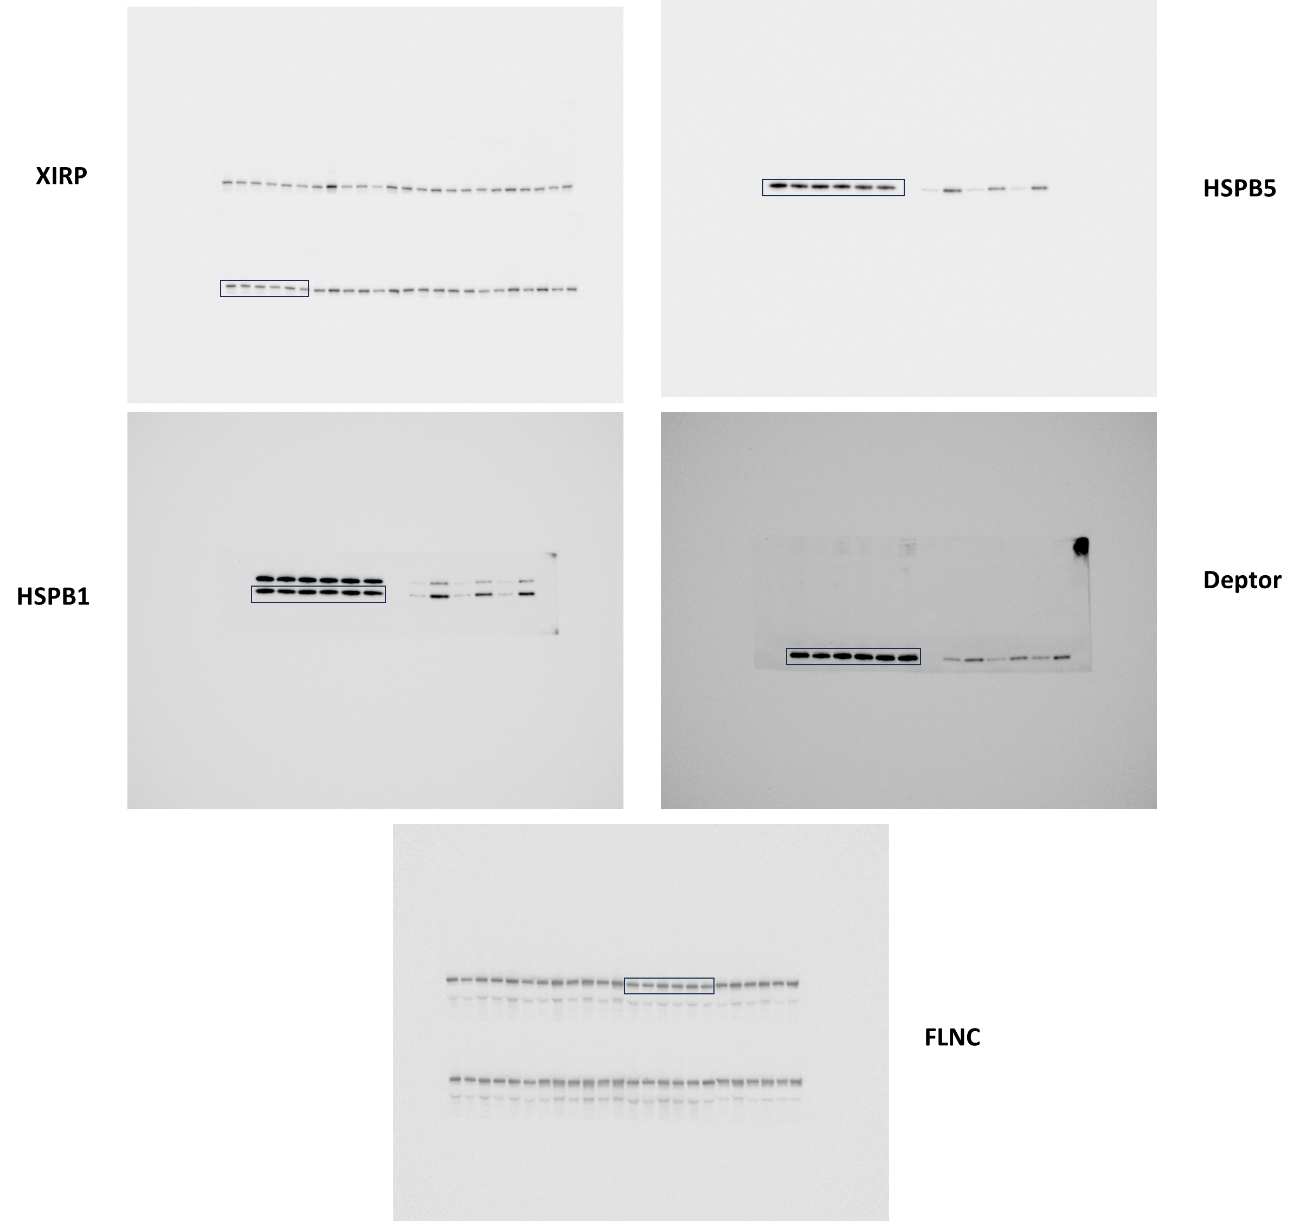
 |  |  |  |  |  |  | Median of differences |  | Median of differences |  | Median of differences |  | Median of differences
 |  |  |  |  |  |  | Median | -0.1452 | Median | 0.1617 | Median | -3.80E-05 | Median

 |  |  |  |  |  |  | How effective was the pairing? |  | How effective was the pairing? |  | How effective was the pairing? |  | How effective was the pairing?
 |  |  |  |  |  |  | rs (Spearman) | -0.6571 | rs (Spearman) | 0.2 | rs (Spearman) | 0.4857 | rs (Spearman)
 |  |  |  |  |  |  | P value (one tailed) | 0.0875 | P value (one tailed) | 0.3569 | P value (one tailed) | 0.1778 | P value (one tailed)
 |  |  |  |  |  |  | P value summary | ns | P value summary | ns | P value summary | ns | P value summary
 |  |  |  |  |  |  | Was the pairing significantly effective? | No | Was the pairing significantly effective? | No | Was the pairing significantly effective? | No | Was the pairing significantly effective?

 |  |  |  |  |  |  | Table Analyzed | HSPB5_supernatant | Table Analyzed | HSPB1_supernatant | Table Analyzed | Deptor_supernatant | Table Analyzed

 |  |  |  |  |  |  | Column F | SMO4 | Column F | SMO4 | Column F | SMO4 | Column F
 |  |  |  |  |  |  | vs. | vs, | vs. | vs, | vs. | vs, | vs.
 |  |  |  |  |  |  | Column E | R4 | Column E | R4 | Column E | R4 | Column E

 |  |  |  |  |  |  | Wilcoxon matched-pairs signed rank test |  | Wilcoxon matched-pairs signed rank test |  | Wilcoxon matched-pairs signed rank test |  | Wilcoxon matched-pairs signed rank test
 |  |  |  |  |  |  | P value | 0.0313 | P value | 0.0313 | P value | >0,9999 | P value
 |  |  |  |  |  |  | Exact or approximate P value? | Exact | Exact or approximate P value? | Exact | Exact or approximate P value? | Exact | Exact or approximate P value?
 |  |  |  |  |  |  | P value summary | * | P value summary | * | P value summary | ns | P value summary
 |  |  |  |  |  |  | Significantly different (P < 0.05)? | Yes | Significantly different (P < 0.05)? | Yes | Significantly different (P < 0.05)? | No | Significantly different (P < 0.05)?
 |  |  |  |  |  |  | One- or two-tailed P value? | Two-tailed | One- or two-tailed P value? | Two-tailed | One- or two-tailed P value? | Two-tailed | One- or two-tailed P value?
 |  |  |  |  |  |  | Sum of positive, negative ranks | 0,000 , -21,00 | Sum of positive, negative ranks | 0,000 , -21,00 | Sum of positive, negative ranks | 11,00 , -10,00 | Sum of positive, negative ranks
 |  |  |  |  |  |  | Sum of signed ranks (W) | -21 | Sum of signed ranks (W) | -21 | Sum of signed ranks (W) | 1 | Sum of signed ranks (W)
 |  |  |  |  |  |  | Number of pairs | 6 | Number of pairs | 6 | Number of pairs | 6 | Number of pairs
 |  |  |  |  |  |  | Number of ties (ignored) | 0 | Number of ties (ignored) | 0 | Number of ties (ignored) | 0 | Number of ties (ignored)

 |  |  |  |  |  |  | Median of differences |  | Median of differences |  | Median of differences |  | Median of differences
 |  |  |  |  |  |  | Median | -0.272 | Median | -0.1623 | Median | -0.01456 | Median

 |  |  |  |  |  |  | How effective was the pairing? |  | How effective was the pairing? |  | How effective was the pairing? |  | How effective was the pairing?
 |  |  |  |  |  |  | rs (Spearman) | 0.4286 | rs (Spearman) | 0.6 | rs (Spearman) | 0.08571 | rs (Spearman)
 |  |  |  |  |  |  | P value (one tailed) | 0.2097 | P value (one tailed) | 0.1208 | P value (one tailed) | 0.4597 | P value (one tailed)
 |  |  |  |  |  |  | P value summary | ns | P value summary | ns | P value summary | ns | P value summary
 |  |  |  |  |  |  | Was the pairing significantly effective? | No | Was the pairing significantly effective? | No | Was the pairing significantly effective? | No | Was the pairing significantly effective?

Fig. S4
...
a. BAG3 Supernatat |  |  |  |  |  |  | a. BAG3 Supernatat |  | b. HSPB8 Supernatant |  | c. BAG3 Pellet |  | d. HSPB8 Pellet
SMO1 | 1.243961617 | 1.2340088425 | 1.3689388131 | 1.5022470374 | 0.72901817482 | 1.1034791083
R3 | 0.93111453849 | 1.0900074196 | 1.1372812796 | 1.1430406695 | 0.94565728676 | 0.95585509803 | Column D | SMO3 | Column D | SMO3 | Column D | SMO3 | Column D
SMO3 | 1.6151550813 | 1.500972101 | 1.1394077087 | 1.3634920699 | 1.35199823 | 2.0040267915 | vs. | vs, | vs. | vs, | vs. | vs, | vs.
R4 | 0.92482188492 | 1.0393244411 | 1.0483497578 | 0.99269756412 | 0.70631203243 | 0.59395054211 | Column C | R3 | Column C | R3 | Column C | R3 | Column C
SMO4 | 1.6208327281 | 1.2506115976 | 1.506757262 | 1.1951705613 | 1.0676824445 | 2.3341914293
 |  |  |  |  |  |  | Wilcoxon matched-pairs signed rank test |  | Wilcoxon matched-pairs signed rank test |  | Wilcoxon matched-pairs signed rank test |  | Wilcoxon matched-pairs signed rank test
 |  |  |  |  |  |  | P value | 0.6875 | P value | 0.8438 | P value | 0.4375 | P value
 |  |  |  |  |  |  | Exact or approximate P value? | Exact | Exact or approximate P value? | Exact | Exact or approximate P value? | Exact | Exact or approximate P value?
 |  |  |  |  |  |  | P value summary | ns | P value summary | ns | P value summary | ns | P value summary
 |  |  |  |  |  |  | Significantly different (P < 0.05)? | No | Significantly different (P < 0.05)? | No | Significantly different (P < 0.05)? | No | Significantly different (P < 0.05)?
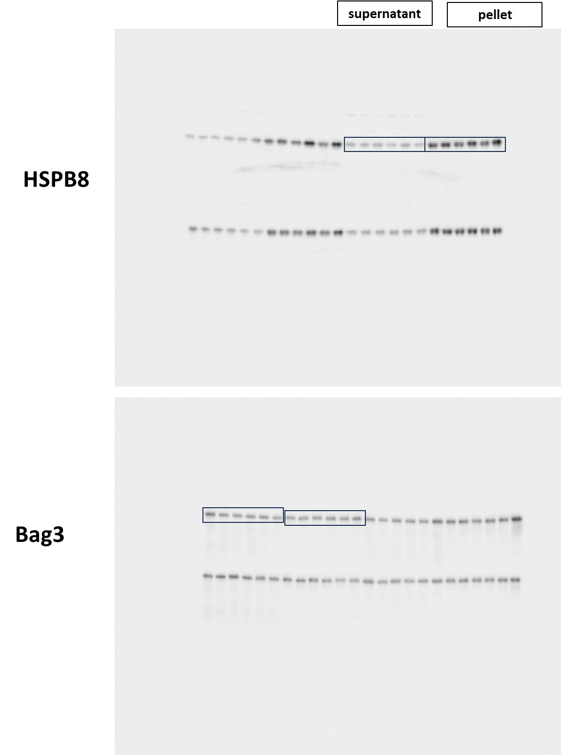
 |  |  |  |  |  |  | One- or two-tailed P value? | Two-tailed | One- or two-tailed P value? | Two-tailed | One- or two-tailed P value? | Two-tailed | One- or two-tailed P value?
 |  |  |  |  |  |  | Sum of positive, negative ranks | 8,000 , -13,00 | Sum of positive, negative ranks | 9,000 , -12,00 | Sum of positive, negative ranks | 15,00 , -6,000 | Sum of positive, negative ranks
 |  |  |  |  |  |  | Sum of signed ranks (W) | -5 | Sum of signed ranks (W) | -3 | Sum of signed ranks (W) | 9 | Sum of signed ranks (W)
 |  |  |  |  |  |  | Number of pairs | 6 | Number of pairs | 6 | Number of pairs | 6 | Number of pairs
 |  |  |  |  |  |  | Number of ties (ignored) | 0 | Number of ties (ignored) | 0 | Number of ties (ignored) | 0 | Number of ties (ignored)

 |  |  |  |  |  |  | Median of differences |  | Median of differences |  | Median of differences |  | Median of differences
 |  |  |  |  |  |  | Median | -0.04125 | Median | -0.08421 | Median | 0.2791 | Median

 |  |  |  |  |  |  | How effective was the pairing? |  | How effective was the pairing? |  | How effective was the pairing? |  | How effective was the pairing?
 |  |  |  |  |  |  | rs (Spearman) | -0.3714 | rs (Spearman) | -0.4286 | rs (Spearman) | -0.2 | rs (Spearman)
 |  |  |  |  |  |  | P value (one tailed) | 0.2486 | P value (one tailed) | 0.2097 | P value (one tailed) | 0.3569 | P value (one tailed)
 |  |  |  |  |  |  | P value summary | ns | P value summary | ns | P value summary | ns | P value summary
 |  |  |  |  |  |  | Was the pairing significantly effective? | No | Was the pairing significantly effective? | No | Was the pairing significantly effective? | No | Was the pairing significantly effective?

 |  |  |  |  |  |  | Table Analyzed | Bag3_supernatant_Fig,S4 a | Table Analyzed | HSPB8_supernatant_Fig,S4 b | Table Analyzed | Bag3_Pellet_Fig,S4 c | Table Analyzed

 |  |  |  |  |  |  | Column F | SMO4 | Column F | SMO4 | Column F | SMO4 | Column F
 |  |  |  |  |  |  | vs. | vs, | vs. | vs, | vs. | vs, | vs.
 |  |  |  |  |  |  | Column E | R4 | Column E | R4 | Column E | R4 | Column E

 |  |  |  |  |  |  | Wilcoxon matched-pairs signed rank test |  | Wilcoxon matched-pairs signed rank test |  | Wilcoxon matched-pairs signed rank test |  | Wilcoxon matched-pairs signed rank test
 |  |  |  |  |  |  | P value | 0.0625 | P value | 0.0313 | P value | 0.0313 | P value
 |  |  |  |  |  |  | Exact or approximate P value? | Exact | Exact or approximate P value? | Exact | Exact or approximate P value? | Exact | Exact or approximate P value?
 |  |  |  |  |  |  | P value summary | ns | P value summary | * | P value summary | * | P value summary
 |  |  |  |  |  |  | Significantly different (P < 0.05)? | No | Significantly different (P < 0.05)? | Yes | Significantly different (P < 0.05)? | Yes | Significantly different (P < 0.05)?
 |  |  |  |  |  |  | One- or two-tailed P value? | Two-tailed | One- or two-tailed P value? | Two-tailed | One- or two-tailed P value? | Two-tailed | One- or two-tailed P value?
 |  |  |  |  |  |  | Sum of positive, negative ranks | 1,000 , -20,00 | Sum of positive, negative ranks | 0,000 , -21,00 | Sum of positive, negative ranks | 21,00 , 0,000 | Sum of positive, negative ranks
 |  |  |  |  |  |  | Sum of signed ranks (W) | -19 | Sum of signed ranks (W) | -21 | Sum of signed ranks (W) | 21 | Sum of signed ranks (W)
 |  |  |  |  |  |  | Number of pairs | 6 | Number of pairs | 6 | Number of pairs | 6 | Number of pairs
 |  |  |  |  |  |  | Number of ties (ignored) | 0 | Number of ties (ignored) | 0 | Number of ties (ignored) | 0 | Number of ties (ignored)

 |  |  |  |  |  |  | Median of differences |  | Median of differences |  | Median of differences |  | Median of differences
 |  |  |  |  |  |  | Median | -0.1819 | Median | -0.1687 | Median | 0.3806 | Median

 |  |  |  |  |  |  | How effective was the pairing? |  | How effective was the pairing? |  | How effective was the pairing? |  | How effective was the pairing?
 |  |  |  |  |  |  | rs (Spearman) | 0.8286 | rs (Spearman) | 0.5429 | rs (Spearman) | 0.3714 | rs (Spearman)
 |  |  |  |  |  |  | P value (one tailed) | 0.0292 | P value (one tailed) | 0.1486 | P value (one tailed) | 0.2486 | P value (one tailed)
 |  |  |  |  |  |  | P value summary | * | P value summary | ns | P value summary | ns | P value summary
 |  |  |  |  |  |  | Was the pairing significantly effective? | Yes | Was the pairing significantly effective? | No | Was the pairing significantly effective? | No | Was the pairing significantly effective?

