Table S12
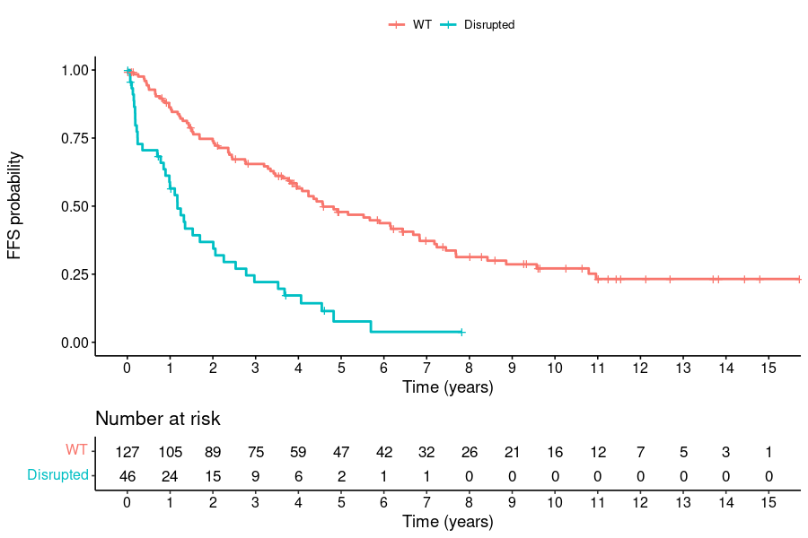
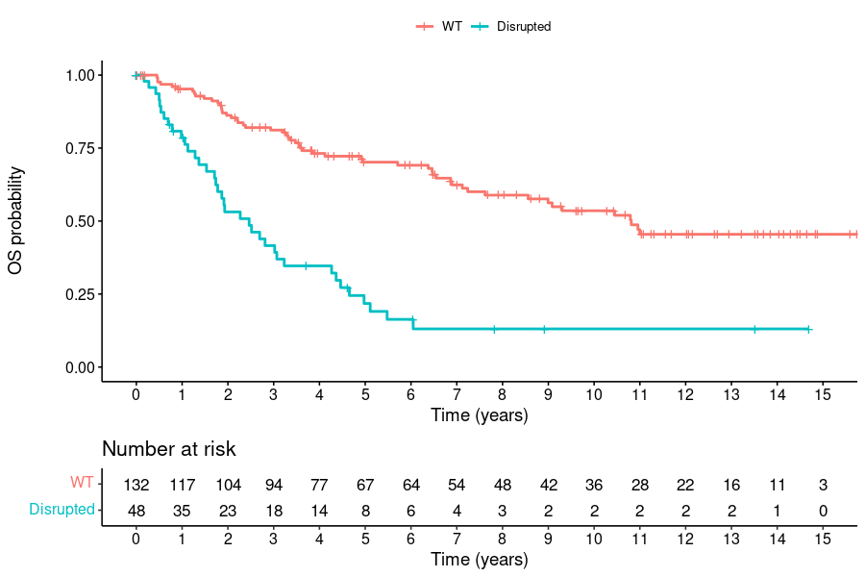
Table S12 Association between TP53 disrupting mutations/CNVs and failure-free (FFS) and overall survival rates (OS)

FFS
 | N | events | Median FFS (95% CI) | Log-rank P | HR (95% CI) | P | MIPI-adjusted HR (95% CI) | P
No mut/del | 79 | 55 | 4.6 (3.3-6.8) | <0.0001 | ref |  | ref
Mut only | 16 | 15 | 1.2 (0.8-3.5) |  | 3.34 (1.82 - 6.13) | <0.0001 | 3.12 (1.66 - 5.87) | 0.00043
Del only | 6 | 5 | 2.5 (0.2- NA) |  | 2.21 (0.87 - 5.59) | 0.096 | 2.11 (0.83 - 5.40) | 0.12
Mut & del | 14 | 11 | 1.2 (0.2- NA) |  | 3.49 (1.77 - 6.88) | 0.00031 | 3.29 (1.64 - 6.61) | 0.00081

OS
 | N | events | Median OS (95% CI) | Log-rank P | HR (95% CI) | P | MIPI-adjusted HR (95% CI) | P
No mut/del | 81 | 41 | 9.0 (6.5- NA) | <0.0001 | ref |  | ref
Mut only | 17 | 16 | 1.9 (1.7-4.5) |  | 4.31 (2.33 - 8.01) | <0.0001 | 3.98 (2.11 - 7.51) | <0.0001
Del only | 6 | 3 | 5.0 (1.9- NA) |  | 1.12 (0.35 - 3.61) | 0.85 | 1.11 (0.34 - 3.60) | 0.86
Mut & del | 14 | 10 | 3.2 (1.4- NA) |  | 2.50 (1.24 - 5.04) | 0.011 | 2.38 (1.17 - 4.83) | 0.016

 |  | N | events | Median (95% CI) | Log-rank P | HR (95% CI) | P | MIPI-adjusted HR (95% CI) | P | age-adjusted HR | P
 |  |  |  |  |  |  |  |  |  | (95% CI)
FFS | WT | 127 | 81 | 4.6 (4.0-6.7) | <0.0001 | ref |  | ref |  | ref
 | Disrupted | 46 | 39 | 1.2 (0.9-2.1) |  | 3.35 (2.24 - 5.01) | <0.0001 | 2.81 (1.82 - 4.35) | <0.0001 | 2.97 (1.97 - 4.46) | <0.0001
OS | WT | 132 | 54 | 10.8 (8.6- NA) | <0.0001 | ref |  | ref |  | ref
 | Disrupted | 48 | 37 | 2.5 (1.7-4.3) |  | 3.78 (2.45 - 5.83) | <0.0001 | 3.25 (2.06 - 5.11) | <0.0001 | 3.51 (2.27 - 5.44) | <0.0001

Table S13
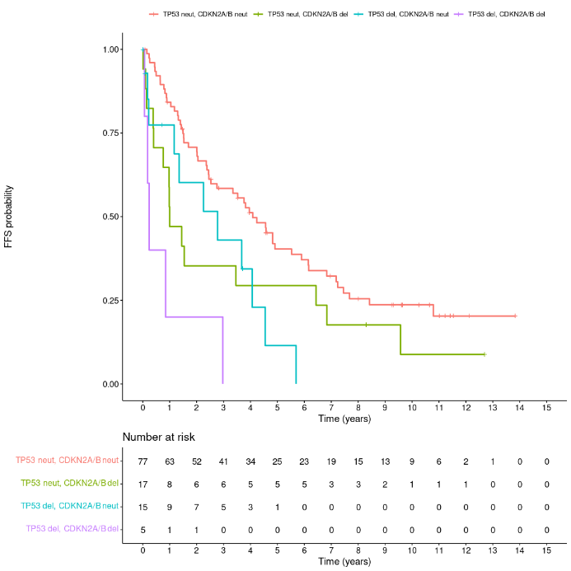
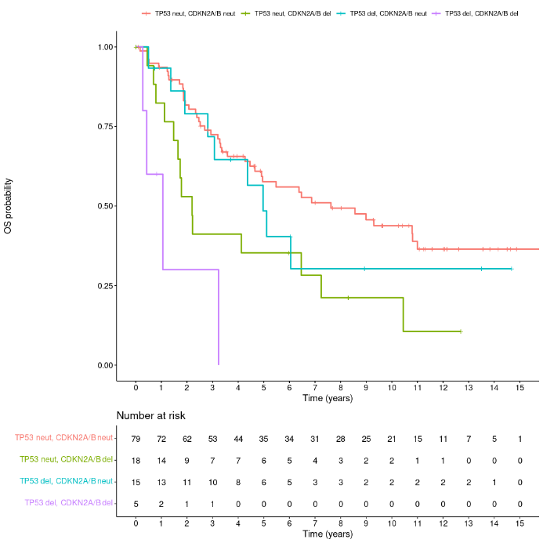
Table S13 Association between CDKN2A/B CNVs and failure-free and overall survival rates (OS) stratified by TP53 status

FFS
 | No. of patients | No. of events | Median FFS (95% CI) | P value (log_rank) | HR (95% CI) | P value (uncorrected) | HR adjusted for MIPI score (95% CI) | P value (uncorrected)
CDKN2A/B neut, TP53 neut | 77 | 54 | 4.1 (2.5-6.1) | 0.00011 | ref |  | ref
CDKN2A/B del, TP53 neut | 17 | 15 | 1.0 (0.8-6.8) |  | 1.73 (0.97 - 3.07) | 0.062 | 1.58 (0.86 - 2.91) | 0.14
CDKN2A/B neut, TP53 del | 15 | 11 | 2.8 (1.2- NA) |  | 2.10 (1.08 - 4.07) | 0.028 | 1.99 (1.02 - 3.91) | 0.045
CDKN2A/B del, TP53 del | 5 | 5 | 0.2 (0.2- NA) |  | 5.99 (2.33 - 15.39) | 0.0002 | 5.22 (1.93 - 14.13) | 0.0011
* 1 patient with TP53 amp is excluded
OS
 | No. of patients | No. of events | Median OS (95% CI) | P value (log_rank) | HR (95% CI) | P value (uncorrected) | HR adjusted for MIPI score (95% CI) | P value (uncorrected)
CDKN2A/B neut, TP53 neut | 79 | 42 | 7.6 (4.9-NA) | <0.0001 | ref |  | ref
CDKN2A/B del, TP53 neut | 18 | 14 | 2.2 (1.7-NA) |  | 2.28 (1.24 - 4.20) | 0.0078 | 2.07 (1.06 - 4.04) | 0.032
CDKN2A/B neut, TP53 del | 15 | 9 | 5.0 (3.1-NA) |  | 1.31 (0.64 - 2.71) | 0.46 | 1.28 (0.62 - 2.65) | 0.5
CDKN2A/B del, TP53 del | 5 | 4 | 1.1 (0.4-NA) |  | 7.68 (2.66 - 22.20) | 0.00017 | 6.84 (2.26 - 20.68) | 0.00066
* 1 patient with TP53 amp is excluded

Table S14
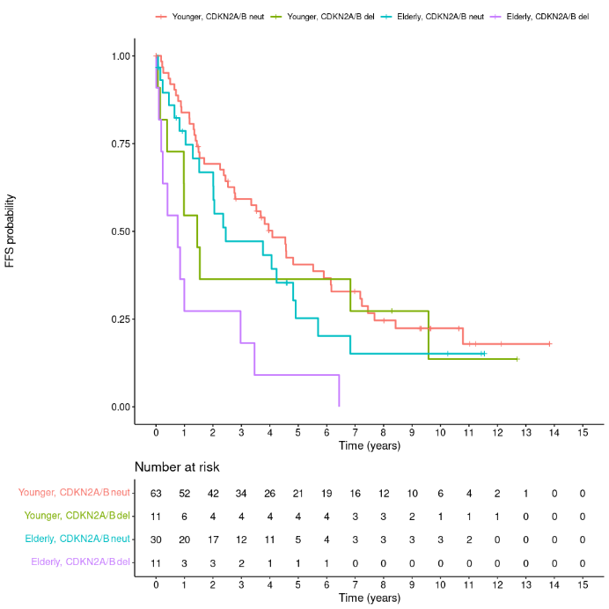
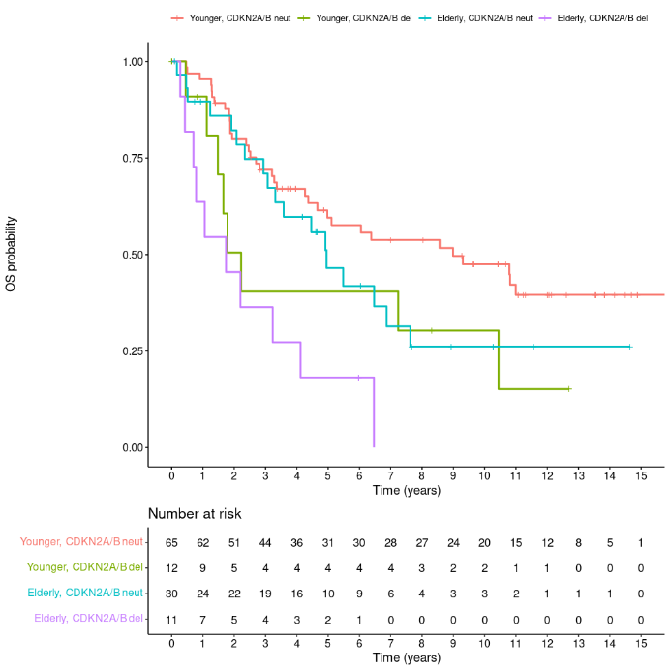
Table S14 Association between CDKN2A/B CNVs and failure-free and overall survival rates (OS) stratified by age group

FFS
 | No. of patients | No. of events | Median FFS (95% CI) | P value (log_rank) | HR (95% CI) | P value (uncorrected) | HR adjusted for MIPI score (95% CI) | P value (uncorrected)
Younger, CDKN2A/B neut | 63 | 45 | 4.1 (2.8-6.1) | 0.0013 | ref |  | ref
Younger, CDKN2A/B del | 11 | 9 | 1.4 (1.0- NA) |  | 1.34 (0.65 - 2.74) | 0.43 | 1.27 (0.60 - 2.68) | 0.54
Elderly, CDKN2A/B neut | 30 | 21 | 2.5 (2.0-5.7) |  | 1.31 (0.78 - 2.20) | 0.31 | 1.23 (0.69 - 2.19) | 0.48
Elderly, CDKN2A/B del | 11 | 11 | 0.8 (0.2- NA) |  | 3.61 (1.84 - 7.07) | 0.00018 | 3.22 (1.42 - 7.30) | 0.005

OS
 | No. of patients | No. of events | Median OS (95% CI) | P value (log_rank) | HR (95% CI) | P value (uncorrected) | HR adjusted for MIPI score (95% CI) | P value (uncorrected)
Younger, CDKN2A/B neut | 65 | 34 | 9.0 (5.0-NA) | 0.00042 | ref |  | ref
Younger, CDKN2A/B del | 12 | 8 | 2.2 (1.5-NA) |  | 2.09 (0.97 - 4.53) | 0.061 | 2.14 (0.95 - 4.80) | 0.066
Elderly, CDKN2A/B neut | 30 | 18 | 5.0 (3.3-NA) |  | 1.53 (0.86 - 2.73) | 0.15 | 1.57 (0.83 - 2.98) | 0.17
Elderly, CDKN2A/B del | 11 | 10 | 1.7 (0.8-NA) |  | 4.17 (2.02 - 8.62) | 0.00011 | 4.40 (1.71 - 11.32) | 0.0021

Table S17
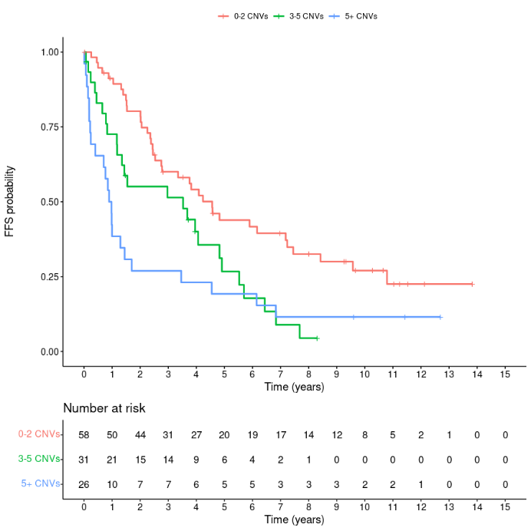
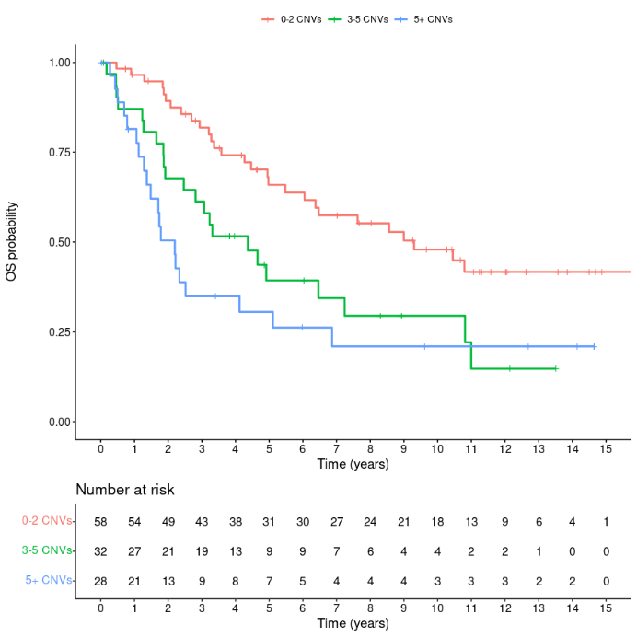
Table S17 Survival analysis of patients with genetic complexity

FFS
 | No. of patients | No. of events | Median FFS (95% CI) | P value (log_rank) | HR (95% CI) | P value (uncorrected) | HR adjusted for MIPI score (95% CI) | P value (uncorrected)
0-2 CNVs | 58 | 38 | 4.6 (2.8-7.4) | 0.00093 | ref |  | ref
3-5 CNVs | 31 | 25 | 3.5 (1.3-5.5) |  | 1.87 (1.12 - 3.12) | 0.016 | 1.76 (1.04 - 2.98) | 0.036
>5 CNVs | 26 | 23 | 0.9 (0.4-3.5) |  | 2.50 (1.48 - 4.20) | 0.00058 | 2.30 (1.33 - 3.97) | 0.0028
Number of CNVs | 115 | 86 |  |  | 1.60 (1.24 - 2.06) | 0.00027 | 1.53 (1.17 - 2.00) | 0.0018

OS
 | No. of patients | No. of events | Median OS (95% CI) | P value (log_rank) | HR (95% CI) | P value (uncorrected) | HR adjusted for MIPI score (95% CI) | P value (uncorrected)
0-2 CNVs | 58 | 28 | 9.3 (6.0- NA) | 0.00075 | ref |  | ref
3-5 CNVs | 32 | 22 | 4.4 (2.5-11.0) |  | 2.05 (1.17 - 3.59) | 0.012 | 1.95 (1.10 - 3.47) | 0.022
>5 CNVs | 28 | 20 | 2.2 (1.5- 6.9) |  | 2.81 (1.58 - 5.01) | 0.00046 | 2.58 (1.38 - 4.81) | 0.0029
Number of CNVs | 118 | 70 |  |  | 1.69 (1.28 - 2.24) | 0.00023 | 1.62 (1.20 - 2.19) | 0.0018

Table S18
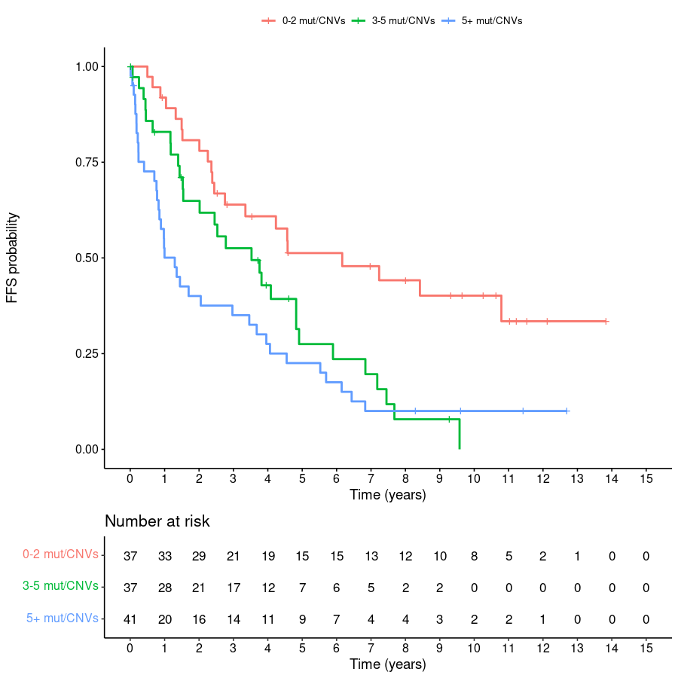
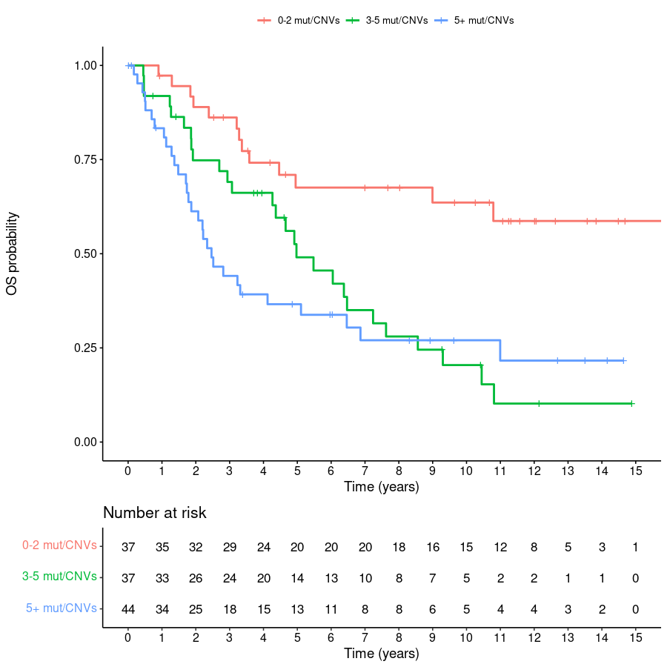
Table S18 Survival analysis of patients with genetic complexity combining mutations and CNVs

FFS
 | No. of patients | No. of events | Median FFS (95% CI) | P value (log_rank) | HR (95% CI) | P value (uncorrected) | HR adjusted for MIPI score (95% CI) | P value (uncorrected)
0-2 mut/CNVs | 37 | 21 | 6.2 (2.8- NA) | 0.00044 | ref |  | ref
3-5 mut/CNVs | 37 | 29 | 3.5 (2.0-4.9) |  | 2.08 (1.17 - 3.67) | 0.012 | 2.05 (1.16 - 3.63) | 0.014
>5 mut/CNVs | 41 | 36 | 1.3 (0.8-3.7) |  | 2.86 (1.66 - 4.92) | 0.00015 | 2.63 (1.48 - 4.68) | 0.00099
Number of mut/CNVs | 115 | 86 |  |  | 1.07 (1.03 - 1.10) | 0.00024 | 1.06 (1.02 - 1.10) | 0.0033

OS
 | No. of patients | No. of events | Median OS (95% CI) | P value (log_rank) | HR (95% CI) | P value (uncorrected) | HR adjusted for MIPI score (95% CI) | P value (uncorrected)
0-2 mut/CNVs | 37 | 13 | NA (9.0- NA) | 0.00034 | ref |  | ref
3-5 mut/CNVs | 37 | 27 | 5.0 (4.3-7.6) |  | 2.88 (1.48 - 5.61) | 0.0019 | 2.83 (1.45 - 5.52) | 0.0023
>5 mut/CNVs | 44 | 30 | 2.5 (1.9-6.5) |  | 3.47 (1.80 - 6.67) | 0.0002 | 3.15 (1.58 - 6.26) | 0.0011
Number of mut/CNVs | 118 | 70 |  |  | 1.08 (1.04 - 1.12) | <0.0001 | 1.07 (1.03 - 1.12) | 0.001

