Fig5b
Fig. 5b

ATPase activity (% of WT)

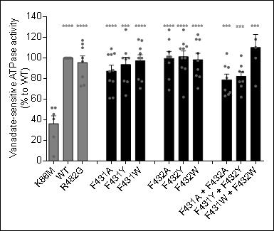
 | K86M | WT | R482G |  | F431A | F431Y | F431W |  | F432A | F432Y | F432W |  | F431A + F432A | F431Y + F432Y | F431W + F432W
 | 40.90 | 100.00 | 110.00 |  | 87.00 | 77.80 | 118.00 | 0.00 | 95.50 | 111.20 | 117.90 |  | 92.00 | 92.20 | 72.70
 | 45.50 | 100.00 | 100.00 |  | 61.40 | 104.50 | 100.00 | 0.00 | 69.00 | 100.00 | 97.60 |  | 66.70 | 87.10 | 150.00
 | 23.50 | 100.00 | 96.60 |  | 61.10 | 100.00 | 104.50 | 0.00 | 127.30 | 62.10 | 88.90 |  | 69.00 | 62.10 | 100.00
 | 4.50 | 100.00 | 72.70 |  | 77.30 | 63.60 | 77.30 | 0.00 | 105.90 | 109.10 | 81.80 |  | 64.70 | 72.70 | 110.30
 | 51.70 | 100.00 | 81.80 |  | 88.20 | 100.00 | 70.60 | 0.00 | 118.20 | 113.60 | 118.20 |  | 90.90 | 77.30 | 118.20
 | 51.70 | 100.00 | 113.60 |  | 109.10 | 127.60 | 109.10 |  | 79.30 | 100.00 | 70.60 |  | 104.50 | 86.40
 |  | 100.00 | 117.20 |  | 104.50 | 77.00 | 79.30 |  | 101.10 | 109.10 | 122.70 |  | 63.20 | 77.00
 |  | 100.00 | 73.60 |  | 103.40 | 98.90 | 100.00 |  | 101.10 | 127.30 | 104.60 |  | 80.70 | 102.30
 |  | 100.00 |  |  | 78.20 |  | 117.00 |  |  | 89.70 | 83.00
 |  | 100.00 |  |  | 103.40 |  |  |  |  | 90.90
Average | 36.30 | 100.00 | 95.69 | 0.00 | 87.36 | 93.68 | 97.31 | 0.00 | 99.68 | 101.30 | 98.37 | 0.00 | 78.96 | 82.14 | 110.24

Mitoxantrone efflux (% of WT)

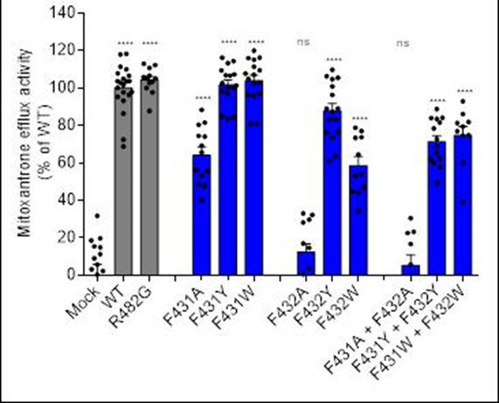
 | Mock | WT | R482G |  | F431A | F431Y | F431W |  | F432A | F432Y | F432W |  | F431A + F432A | F431Y + F432Y | F431W + F432W
 | -3.67 | 106.54 | 105.08 |  | 55.98 | 106.75 | 115.03 |  | 0.45 | 83.18 | 64.45 |  | 30.44 | 57.52 | 79.42
 | 2.24 | 109.87 | 100.05 |  | 88.29 | 116.18 | 115.98 |  | 29.65 | 105.45 | 73.35 |  | -6.71 | 83.88 | 81.24
 | 5.62 | 97.85 | 103.41 |  | 48.40 | 113.24 | 116.18 |  | -1.63 | 83.36 | 44.62 |  | -19.21 | 68.93 | 74.79
 | -61.36 | 103.64 | 105.81 |  | 80.37 | 100.19 | 107.09 |  | 33.08 | 76.94 | 34.21 |  | 5.63 | 78.37 | 39.22
 | 9.02 | 117.93 | 97.62 |  | 100.06 | 119.98 | 96.32 |  | -7.42 | 61.23 | 46.97 |  | -3.62 | 81.50 | 60.02
 | 19.68 | 93.14 | 87.76 |  | 47.59 | 106.56 | 104.80 |  | 3.48 | 89.10 | 78.78 |  | 22.59 | 61.76 | 92.94
 | 31.74 | 95.23 | 112.22 |  | 81.52 | 84.89 | 80.69 |  | -0.52 | 106.24 | 53.86 |  | -0.46 | 49.23 | 76.92
 | -27.64 | 103.62 | 112.95 |  | 40.01 | 84.37 | 95.71 |  | -0.22 | 63.54 | 44.01 |  | 16.66 | 72.69 | 86.04
 | -24.44 | 72.49 | 106.56 |  | 69.28 | 98.28 | 80.80 |  | 28.11 | 73.31 | 73.69 |  | 23.17 | 84.07 | 81.83
 | 14.91 | 104.93 | 102.72 |  | 74.02 | 83.26 | 109.41 |  | 14.66 | 76.44 | 53.10 |  | -16.22 | 65.21 | 74.61
 | -14.75 | 68.82 | 110.65 |  | 53.24 | 109.35 | 111.30 |  | 32.27 | 76.07 |  |  |  | 62.22
 | 11.24 | 102.75 | 105.05 |  | 55.57 | 114.36 | 96.90 |  | 16.90 | 109.75 |  |  |  | 83.50
 | 3.20 | 96.30 |  |  | 74.41 | 101.27 | 107.70 |  |  | 88.96 |  |  |  | 59.92
 | 0.27 | 100.20 |  |  | 65.57 | 96.90 | 102.11 |  |  | 96.26
 | 18.56 | 97.72 |  |  |  | 107.20 | 102.73 |  |  | 100.84
 | 15.41 | 111.33 |  |  |  | 102.55 |  |  |  | 87.23
 |  | 118.29
 |  | 86.36
 |  | 101.60
 |  | 107.72
 |  | 103.68
Average | 0.00 | 100.00 | 104.16 |  | 66.74 | 102.83 | 102.85 |  | 12.40 | 86.12 | 56.70 |  | 5.23 | 69.91 | 74.70

Pheophorbide A efflux (% of WT)

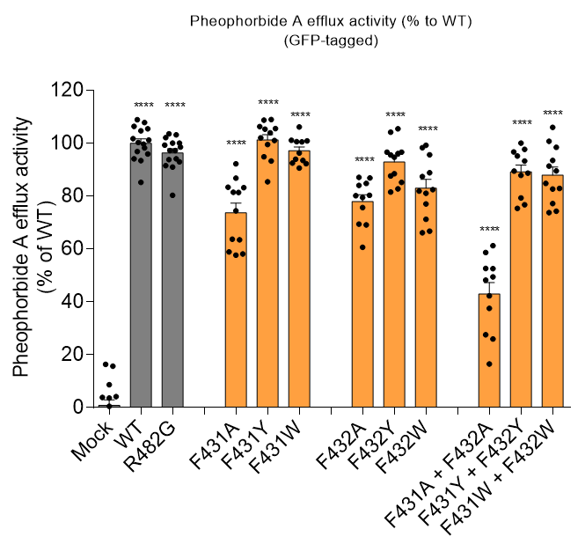
 | Mock | WT | R482G |  | F431A | F431Y | F431W |  | F432A | F432Y | F432W |  | F431A + F432A | F431Y + F432Y | F431W + F432W
 | -0.67 | 96.83 | 97.24 |  | 83.39 | 99.54 | 96.29 |  | 84.02 | 96.62 | 81.06 |  | 49.41 | 95.22 | 84.80
 | -5.75 | 99.69 | 100.05 |  | 81.45 | 103.93 | 93.48 |  | 86.84 | 96.11 | 88.83 |  | 61.24 | 89.45 | 89.51
 | 3.62 | 94.15 | 90.96 |  | 74.41 | 93.25 | 93.94 |  | 75.63 | 85.19 | 77.05 |  | 37.56 | 76.73 | 77.17
 | -1.76 | 93.45 | 93.83 |  | 63.45 | 85.42 | 100.61 |  | 69.08 | 82.77 | 66.17 |  | 25.94 | 75.36 | 73.79
 | -4.53 | 101.71 | 103.55 |  | 92.23 | 106.34 | 92.32 |  | 84.79 | 96.63 | 81.94 |  | 52.59 | 97.67 | 82.90
 | -3.54 | 100.28 | 94.12 |  | 81.39 | 102.06 | 100.52 |  | 69.40 | 87.66 | 87.42 |  | 58.63 | 96.70 | 82.71
 | 8.69 | 95.92 | 91.49 |  | 83.20 | 108.75 | 100.87 |  | 80.32 | 88.50 | 95.67 |  | 27.56 | 93.31 | 91.39
 | 4.15 | 85.19 | 80.34 |  | 86.76 | 109.01 | 92.51 |  | 60.62 | 105.50 | 99.24 |  | 52.61 | 100.10 | 106.00
 | 0.49 | 101.24 | 97.26 |  | 58.15 | 101.03 | 106.19 |  | 79.48 | 81.56 | 71.25 |  | 16.47 | 79.30 | 98.46
 | 3.88 | 104.68 | 98.52 |  | 58.88 | 105.57 | 101.14 |  | 87.14 | 95.59 | 66.77 |  | 48.20 | 88.69 | 93.48
 | -1.83 | 108.90 | 103.21 |  | 63.69 | 105.35 | 90.60 |  | 80.18 | 104.18 | 98.31 |  | 42.24 | 87.84 | 100.75
 |  | 105.47 | 100.09 |  | 57.66 | 94.91 |  |  |  | 94.71 | 82.47 |  |  |  | 74.28
 |  | 107.84 | 99.31
 |  | 106.41 | 102.13
 |  | 98.23 | 92.96
Average | 0.25 | 100.00 | 96.34 |  | 73.72 | 101.26 | 97.13 |  | 77.95 | 92.92 | 83.02 |  | 42.95 | 89.12 | 87.94

Daunorubicin efflux (% of R482G)
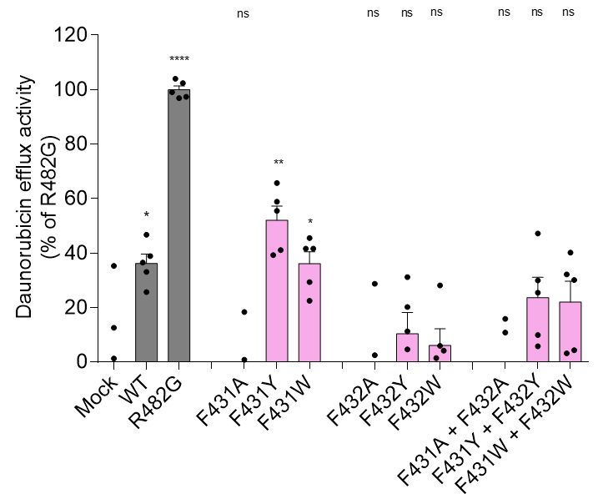
 | Mock | WT | R482G |  | F431A | F431Y | F431W |  | F432A | F432Y | F432W |  | F431A + F432A | F431Y + F432Y | F431W + F432W
 | -16.09 | 46.79 | 102.46 |  | -15.57 | 39.30 | 29.39 |  | -16.46 | 11.32 | 5.98 |  | -16.60 | 9.97 | 32.18
 | 12.61 | 36.54 | 104.05 |  | -44.55 | 55.56 | 22.53 |  | -11.44 | 4.72 | 1.49 |  | -19.07 | 25.51 | 40.22
 | 1.33 | 38.92 | 97.42 |  | 0.85 | 58.90 | 41.66 |  | 2.57 | 20.22 | 4.25 |  | 10.89 | 29.97 | 30.14
 | -33.19 | 25.73 | 99.10 |  | -48.03 | 41.13 | 41.66 |  | -19.01 | -15.57 | -9.03 |  | -20.09 | 5.86 | 3.27
 | 35.33 | 33.14 | 96.96 |  | 18.43 | 65.73 | 45.58 |  | 28.81 | 31.21 | 28.18 |  | 15.91 | 47.21 | 4.36
Average | 0.00 | 36.22 | 100.00 |  | -17.77 | 52.12 | 36.16 |  | -3.11 | 10.38 | 6.17 |  | -5.79 | 23.70 | 22.03

Fig5c
Fig. 5c |  |  |  |  |  |  |  |  |  |  |  |  | Fig. 5c

Mitoxantrone accumulation (% of Mock) without Ko143 |  |  |  |  |  |  |  |  |  |  |  |  | Mitoxantrone accumulation (% of WT) in the present of Ko143

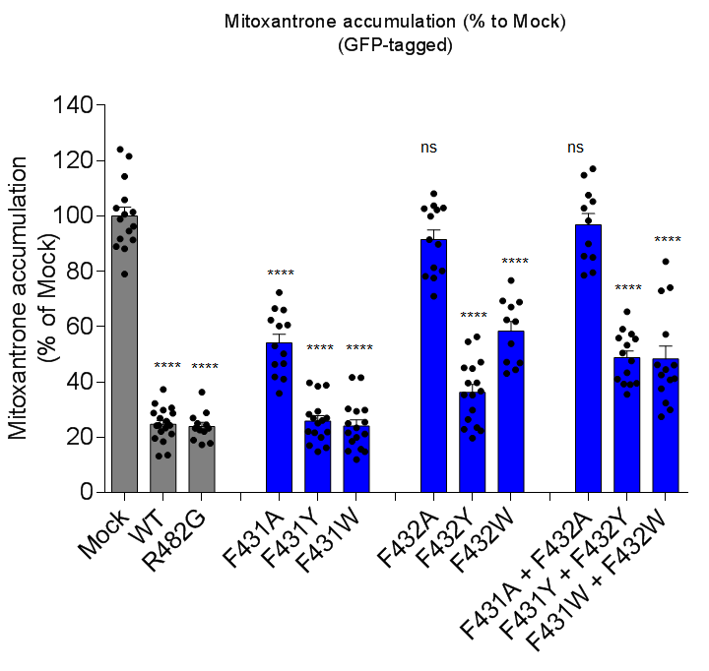
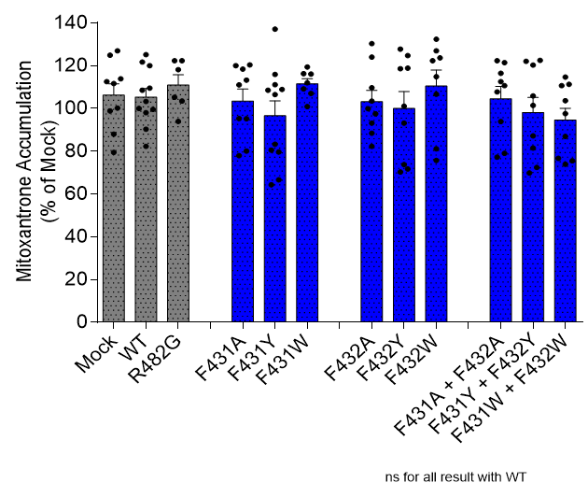
 | Mock | WT | R482G | F431A | F431Y | F431W | F432A | F432Y | F432W | F431A + F432A | F431Y + F432Y | F431W + F432W |  | Mock | WT | R482G | F431A | F431Y | F431W | F432A | F432Y | F432W | F431A + F432A | F431Y + F432Y | F431W + F432W
 | 105.89 | 22.12 | 23.22 | 60.29 | 21.96 | 15.70 | 102.21 | 39.75 | 53.89 | 79.57 | 59.13 | 42.59 |  | 111.69 | 82.31 | 93.95 | 80.10 | 64.37 | 107.06 | 93.17 | 71.77 | 75.70 | 79.00 | 122.08 | 76.68
 | 101.40 | 19.61 | 27.01 | 35.90 | 14.84 | 14.99 | 80.17 | 22.94 | 47.18 | 107.62 | 39.23 | 41.22 |  | 113.93 | 121.73 | 103.51 | 120.40 | 115.91 | 116.13 | 130.36 | 127.74 | 126.99 | 116.43 | 72.42 | 75.58
 | 98.84 | 28.67 | 24.48 | 66.01 | 17.06 | 14.83 | 103.79 | 39.62 | 68.87 | 78.61 | 50.51 | 46.09 |  | 98.89 | 99.55 | 118.16 | 77.92 | 83.29 | 100.88 | 82.29 | 73.76 | 81.18 | 77.22 | 87.25 | 73.98
 | 96.26 | 24.31 | 22.66 | 41.87 | 26.91 | 21.70 | 77.57 | 23.55 | 44.46 | 117.06 | 35.55 | 72.95 |  | 100.24 | 103.32 | 105.30 | 118.39 | 108.52 | 112.03 | 103.50 | 124.77 | 123.69 | 110.71 | 101.44 | 86.90
 | 88.17 | 13.52 | 28.85 | 41.01 | 27.01 | 29.83 | 108.15 | 56.33 | 76.73 | 98.30 | 43.38 | 57.24 |  | 79.44 | 125.19 | 122.33 | 120.03 | 111.17 | 116.28 | 88.45 | 70.34 | 132.40 | 107.80 | 69.88 | 110.65
 | 79.01 | 32.23 | 36.29 | 50.25 | 22.10 | 23.43 | 99.93 | 35.28 | 67.09 | 105.28 | 41.02 | 32.39 |  | 126.94 | 99.99 | 122.36 | 95.22 | 79.66 | 119.44 | 99.96 | 101.10 | 106.68 | 93.88 | 122.51 | 103.63
 | 124.08 | 30.65 | 17.83 | 46.67 | 38.46 | 41.63 | 102.95 | 22.34 | 43.08 | 85.49 | 55.93 | 74.14 |  | 124.88 | 90.28 |  | 111.04 | 66.70 | 109.18 | 109.68 | 118.89 | 114.86 | 121.44 | 81.50 | 97.62
 | 121.65 | 24.32 | 17.28 | 62.36 | 38.86 | 30.29 | 102.72 | 54.58 | 61.89 | 102.90 | 65.38 | 44.48 |  | 87.97 | 108.58 |  | 95.30 | 108.93 |  | 97.53 | 93.20 | 122.31 | 112.54 | 120.31 | 111.33
 | 91.79 | 23.33 | 22.10 | 60.60 | 28.36 | 41.55 | 71.06 | 47.21 | 69.32 | 89.98 | 47.67 | 27.43 |  | 112.55 | 98.05 |  | 113.24 | 80.54 |  | 124.06 | 118.62 |  | 122.37 | 105.92 | 114.72
 | 114.30 | 24.98 | 25.00 | 46.38 | 19.99 | 19.95 | 81.33 | 44.84 | 46.92 | 85.06 | 39.08 | 37.60 |  |  | 120.03 |  |  | 137.12
 | 94.57 | 29.85 | 19.01 | 53.05 | 16.21 | 18.53 | 91.48 | 45.12 | 62.47 | 114.80 | 53.32 | 40.77 |  |  | 109.50 |  |  | 106.53
 | 100.67 | 26.91 | 23.24 |  | 26.10 | 29.40 | 78.19 | 35.39 |  |  | 55.58 | 29.89 | Average | 106.28 | 105.32 | 110.94 | 103.52 | 96.61 | 111.57 | 103.22 | 100.02 | 110.48 | 104.60 | 98.15 | 94.57
 | 102.90 | 28.78 |  |  | 29.39 | 21.24 | 89.79 | 29.87 |  |  | 39.51 | 46.22
 | 89.02 | 18.50 |  |  | 21.62 | 25.46 |  | 26.42 |  |  | 57.31
 | 91.41 | 13.25 |  |  | 25.13 | 25.00 |  | 36.70
 |  | 37.35
 |  | 25.85
 |  | 21.23
 |  | 24.28
 |  | 47.83
 |  | 50.59
Average | 100.00 | 27.06 | 23.91 | 51.31 | 24.93 | 24.90 | 91.49 | 37.33 | 58.35 | 96.79 | 48.76 | 45.62

Pheophorbide A accumulation (% of Mock) without Ko143 |  |  |  |  |  |  |  |  |  |  |  |  | Pheophorbide A accumulation (% of WT) in the present of Ko143

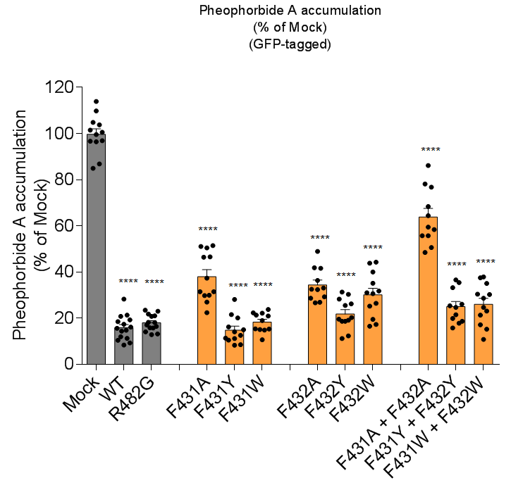
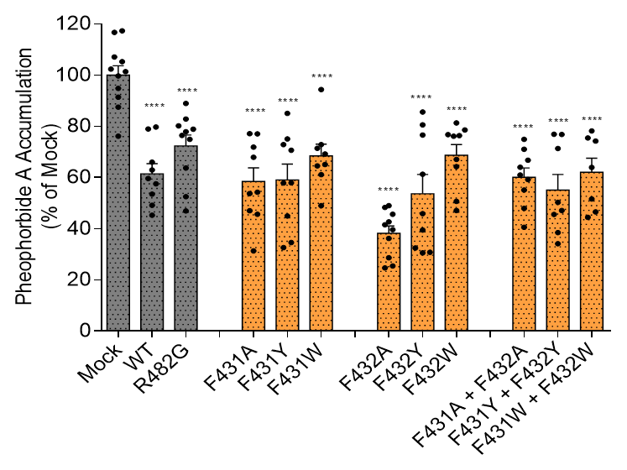
 | Mock | WT | R482G | F431A | F431Y | F431W | F432A | F432Y | F432W | F431A + F432A | F431Y + F432Y | F431W + F432W |  | Mock | WT | R482G | F431A | F431Y | F431W | F432A | F432Y | F432W | F431A + F432A | F431Y + F432Y | F431W + F432W
 | 100.57 | 18.57 | 18.23 | 29.88 | 16.29 | 19.02 | 29.34 | 18.74 | 31.83 | 58.45 | 19.92 | 28.69 |  | 99.69 | 62.90 | 63.66 | 54.21 | 57.89 | 64.55 | 36.14 | 39.44 | 64.22 | 64.03 | 47.05 | 63.90
 | 104.83 | 16.17 | 15.86 | 31.51 | 12.60 | 21.39 | 26.97 | 19.18 | 25.30 | 48.50 | 24.77 | 24.72 |  | 76.12 | 45.22 | 46.95 | 45.65 | 32.61 | 48.96 | 24.63 | 30.50 | 47.04 | 47.94 | 34.14 | 46.58
 | 85.00 | 20.82 | 23.50 | 37.43 | 21.58 | 21.00 | 36.40 | 28.36 | 35.21 | 68.41 | 35.47 | 35.10 |  | 102.36 | 57.56 | 80.15 | 53.72 | 57.79 | 65.09 | 39.62 | 45.89 | 78.53 | 70.98 | 45.55 | 78.20
 | 96.95 | 21.41 | 21.09 | 46.64 | 28.16 | 15.39 | 41.91 | 30.39 | 44.35 | 78.19 | 36.63 | 37.94 |  | 91.39 | 49.12 | 52.52 | 46.97 | 44.97 | 61.07 | 28.63 | 32.47 | 67.07 | 60.98 | 38.44 | 75.43
 | 113.94 | 14.46 | 12.92 | 22.44 | 10.57 | 22.37 | 28.69 | 18.74 | 31.09 | 55.78 | 17.86 | 30.28 |  | 94.82 | 53.50 | 78.90 | 31.30 | 34.58 | 71.41 | 25.43 | 30.79 | 50.67 | 40.49 | 50.28 | 44.39
 | 86.85 | 15.66 | 20.85 | 31.55 | 14.17 | 15.47 | 41.64 | 26.28 | 26.48 | 50.69 | 18.68 | 30.44 |  | 117.27 | 78.94 | 74.87 | 71.89 | 72.85 | 94.36 | 48.96 | 61.23 | 76.12 | 66.74 | 71.29 | 74.21
 | 96.51 | 19.34 | 23.06 | 30.03 | 8.54 | 15.17 | 32.46 | 25.58 | 19.55 | 76.82 | 21.53 | 23.15 |  | 105.21 | 79.69 | 82.87 | 77.04 | 75.02 | 69.15 | 41.51 | 85.57 | 76.35 | 74.92 | 76.84 | 51.61
 | 99.58 | 28.36 | 18.21 | 27.03 | 8.33 | 22.20 | 49.02 | 11.28 | 16.55 | 55.76 | 15.82 | 10.86 |  | 107.09 | 59.56 | 88.96 | 67.89 | 85.08 | 72.84 | 42.68 | 80.54 | 76.74 | 55.10 | 76.92
 | 96.74 | 14.86 | 17.15 | 51.10 | 15.04 | 10.70 | 33.16 | 31.41 | 40.08 | 86.15 | 33.31 | 17.20 |  | 101.37 | 66.02 | 76.40 | 77.14 | 70.63 |  | 45.60 | 76.58 | 81.29 | 59.19
 | 109.84 | 11.97 | 13.20 | 50.49 | 11.22 | 14.94 | 26.72 | 19.61 | 43.85 | 59.47 | 25.41 | 21.39 |  | 116.67 |  | 77.88 |  |  |  | 48.29
 | 101.48 | 8.42 | 15.83 | 46.44 | 11.41 | 23.81 | 32.57 | 12.39 | 17.33 | 64.48 | 26.13 | 15.27 |  | 87.51
 | 103.81 | 11.31 | 16.48 | 51.51 | 20.19 |  |  | 20.35 | 30.65 |  |  | 37.53 | Average | 99.95 | 61.39 | 72.32 | 58.42 | 59.05 | 68.43 | 38.15 | 53.67 | 68.67 | 60.04 | 55.06 | 62.05
 | 83.00 | 9.31 | 14.11
 | 124.00 | 10.52 | 21.83
 |  | 17.39
Average | 100 | 15.90 | 18.02 | 38.00 | 14.84 | 18.31 | 34.44 | 21.86 | 30.19 | 63.88 | 25.05 | 26.05

Daunorubicin accumulation (% of Mock) without Ko143 |  |  |  |  |  |  |  |  |  |  |  |  | Daunorubicin accumulation (% of WT) in the present of Ko143

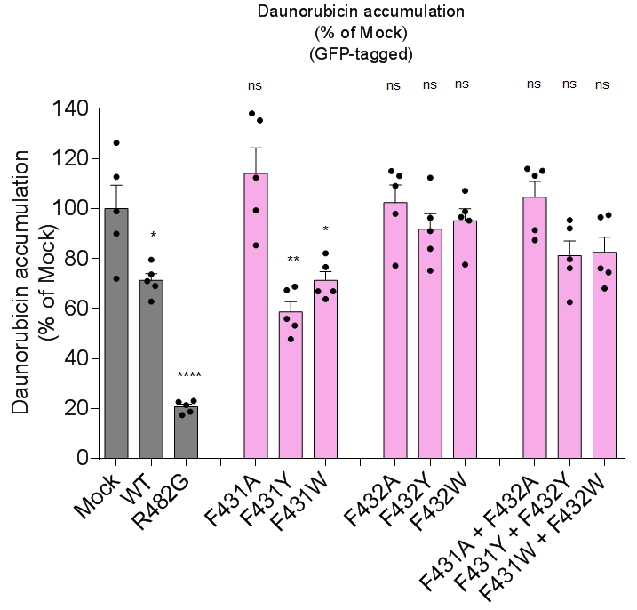
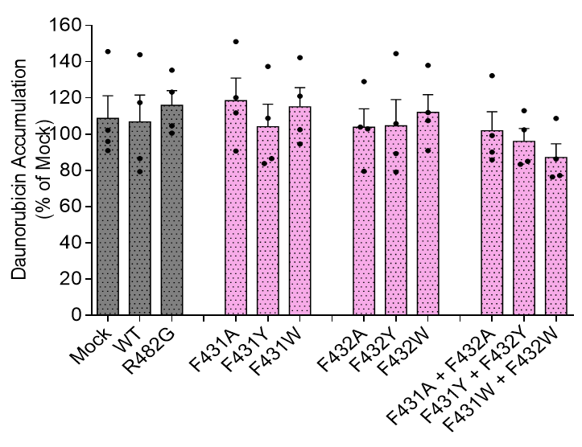
 | Mock | WT | R482G | F431A | F431Y | F431W | F432A | F432Y | F432W | F431A + F432A | F431Y + F432Y | F431W + F432W |  | Mock | WT | R482G | F431A | F431Y | F431W | F432A | F432Y | F432W | F431A + F432A | F431Y + F432Y | F431W + F432W
 | 112.77 | 62.87 | 18.68 | 112.36 | 68.81 | 76.67 | 113.06 | 91.02 | 95.25 | 113.17 | 92.08 | 74.46 |  | 90.91 | 79.29 | 100.58 | 90.70 | 83.79 | 94.57 | 79.53 | 79.13 | 90.94 | 85.89 | 85.04 | 77.24
 | 89.99 | 71.00 | 17.42 | 135.36 | 55.91 | 82.12 | 109.08 | 96.25 | 98.82 | 115.14 | 79.75 | 68.08 |  | 102.17 | 143.90 | 123.24 | 111.73 | 108.80 | 121.06 | 102.97 | 105.84 | 107.50 | 90.09 | 83.36 | 76.35
 | 98.94 | 69.11 | 22.68 | 99.32 | 53.25 | 66.94 | 97.96 | 83.95 | 96.63 | 91.36 | 76.22 | 76.08 |  | 96.02 | 86.55 | 104.64 | 120.23 | 86.53 | 102.56 | 103.95 | 89.34 | 111.97 | 99.23 | 102.41 | 86.34
 | 126.34 | 79.58 | 21.35 | 138.11 | 67.36 | 66.94 | 115.08 | 112.36 | 107.17 | 115.95 | 95.35 | 97.40 |  | 145.66 | 117.43 | 135.34 | 151.08 | 137.34 | 142.24 | 129.04 | 144.46 | 137.98 | 132.29 | 113.03 | 108.72
 | 71.96 | 73.70 | 23.05 | 85.37 | 47.84 | 63.82 | 77.14 | 75.23 | 77.64 | 87.37 | 62.53 | 96.54 | Average | 108.69 | 106.79 | 115.95 | 118.44 | 104.12 | 115.11 | 103.87 | 104.69 | 112.10 | 101.88 | 95.96 | 87.16
Average | 100.00 | 71.25 | 20.64 | 114.10 | 58.63 | 71.30 | 102.46 | 91.76 | 95.10 | 104.60 | 81.19 | 82.51

Fig6b
Fig. 6b

ATPase activity (% of WT)
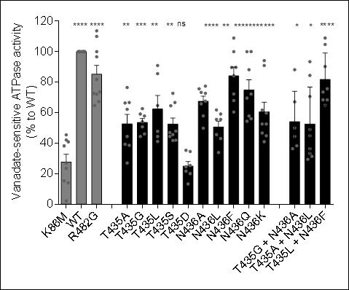
 | K86M | WT | R482G | T435A | T435G | T435L | T435S | T435D | N436A | N436L | N436F | N436Q | N436K | T435G + N436A | T435A + N436L | T435L + N436F
 |  | 100.00 | 110.00 | 62.20 | 50.70 | 85.60 | 47.90 | 13.30 | 49.80 | 55.60 | 72.20 | 100.10 | 90.90 | 44.40 | 70.60 | 64.90
 | 40.90 | 100.00 | 100.00 | 66.70 | 44.40 |  | 66.70 | 24.60 | 72.70 | 59.10 | 100.00 | 72.20 | 94.10 | 36.40 | 33.30 | 108.90
 | 45.50 | 100.00 | 96.60 | 76.50 | 59.10 | 90.90 | 72.70 | 21.70 | 73.30 | 55.60 | 108.90 | 100.00 | 46.70 | 88.20 | 36.40 | 68.40
 | 23.50 | 100.00 | 72.70 | 44.40 | 57.80 | 44.40 | 44.40 | 35.30 | 57.90 | 45.60 | 84.20 | 57.80 | 52.60 | 67.10 | 29.40 | 68.40
 | 2.20 | 100.00 | 81.80 | 38.60 | 46.10 | 47.80 | 45.60 | 34.60 | 65.80 | 33.90 | 89.60 | 54.40 | 52.60 | 38.30 | 84.40 | 73.50
 | 42.10 | 100.00 | 64.70 | 27.00 | 62.60 | 64.70 | 47.00 | 25.40 | 77.40 | 61.80 | 89.70 | 69.60 | 61.70 | 50.00 | 93.40 | 104.70
 | 38.20 | 100.00 | 113.60 | 66.40 | 54.10 | 41.10 | 64.50 | 20.10 | 67.60 | 43.00 | 68.00 | 88.20 | 59.80 |  | 49.00 | 90.20
 | 14.00 | 100.00 | 73.60 | 39.30 |  |  | 41.80 |  | 75.70 |  | 60.40 | 56.10 | 44.90 |  | 44.90 | 75.70
 | 27.00 | 100.00 | 67.30 |  |  |  | 42.00 |  |  |  |  |  | 41.00 |  | 31.40
 | 15.40 | 100.00 | 72.10
 |  | 100.00
 |  | 100.00
Average | 27.64 | 100.00 | 85.24 | 52.64 | 53.54 | 62.42 | 52.51 | 25.00 | 67.53 | 0.51 | 84.13 | 74.80 | 60.48 | 54.07 | 52.53 | 81.84

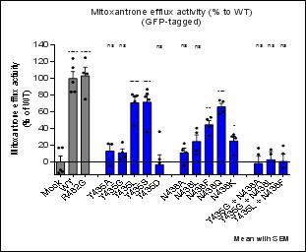
Mitoxantrone efflux (% of WT)

 | Mock | WT | R482G | T435A | T435G | T435L | T435S | T435D | N436A | N436L | N436F | N436Q | N436K | T435G + N436A | T435G + N436L | T435L + N436F
 | -13.15 | 83.84 | 75.19 | 21.43 | 11.22 | 72.38 | 74.68 | -1.31 | 11.44 | 8.93 | 53.33 | 57.29 | 8.17 | -16.24 | -16.10 | -19.88
 | 16.99 | 123.81 | 124.69 | 21.88 | 6.07 | 79.39 | 87.01 | 36.22 | 14.25 | 35.08 | 51.05 | 73.80 | 28.57 | 16.55 | 14.91 | 19.45
 | -9.54 | 83.97 | 106.65 | -4.70 | 3.18 | 80.70 | 81.70 | -24.56 | -4.44 | 13.77 | 31.48 | 72.44 | 32.85 | -16.90 | 9.52 | -7.05
 | -11.52 | 112.85 | 105.60 | -27.99 | 23.70 | 43.25 | 35.92 | -29.36 | 22.22 | 40.45 | 42.21 | 60.00 | 30.46 | 9.08 |  | 10.04
 | 17.20 | 95.53 |  |  |  | 78.63 | 78.12 | 3.14
Average | 0.00 | 100.00 | 103.03 | 2.66 | 11.04 | 70.87 | 71.49 | -3.17 | 10.87 | 24.56 | 44.52 | 65.88 | 25.01 | -1.88 | 2.78 | 0.64

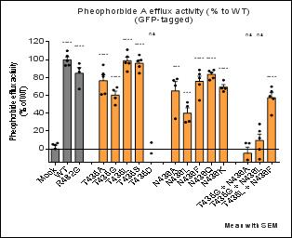
Pheophorbide A efflux (% of WT)

 | Mock | WT | R482G | T435A | T435G | T435L | T435S | T435D | N436A | N436L | N436F | N436Q | N436K | T435G + N436A | T435G + N436L | T435L + N436F
 | -16.06 | 93.77 | 67.14 | 94.16 | 68.89 | 103.48 | 98.29 | -30.25 | 76.79 | 47.71 | 88.36 | 88.48 | 64.33 | -20.24 | 12.08 | 58.94
 | 5.20 | 109.93 | 95.80 | 84.24 | 65.96 | 86.57 | 92.35 | -4.97 | 70.97 | 52.14 | 72.24 | 77.11 | 68.01 | -12.39 | 27.83 | 64.42
 | 6.46 | 98.77 | 86.25 | 81.14 | 49.01 | 96.52 | 99.52 | 7.09 | 78.47 | 30.81 | 83.89 | 85.60 | 76.95 | 6.60 | 19.85 | 56.11
 | 4.41 | 104.06 | 90.32 | 61.07 | 57.13 | 95.98 | 84.76 | -40.63 | 33.72 | 29.82 | 54.44 | 87.27 | 67.64 | 6.34 | -0.43 | 69.81
 | 0.00 | 93.48 |  | 61.83 |  | 111.11 | 105.32 |  |  |  | 79.26 | 79.51 |  |  | -11.56 | 37.58
Average | 0.00 | 100.00 | 84.88 | 76.49 | 60.25 | 98.73 | 96.05 | -17.19 | 64.99 | 40.12 | 75.64 | 83.59 | 69.23 | -4.92 | 9.55 | 57.37

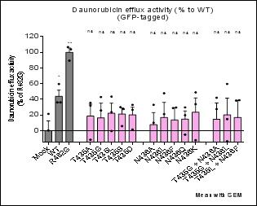
Daunorubicin efflux (% of R482G)

 | Mock | WT | R482G | T435A | T435G | T435L | T435S | T435D | N436A | N436L | N436F | N436Q | N436K | T435G + N436A | T435G + N436L | T435L + N436F
 | -21.64 | 36.07 | 103.84 | -11.68 | -19.52 | -0.43 | 5.82 | 1.40 | -20.18 | -18.52 | -17.27 | -5.06 | -12.23 | -26.38 | -13.57 | -26.94
 | 0.25 | 36.06 | 89.42 | 31.99 | 42.94 | 23.74 | 27.60 | 26.62 | 33.02 | 47.78 | 28.79 | 19.69 | 48.82 | 42.00 | 59.62 | 38.40
 | 21.40 | 59.54 | 106.75 | 35.55 | 25.79 | 43.53 | 29.98 | 32.91 | 10.06 | 21.05 | 29.57 | 29.63 | 33.81 | 27.56 | 14.69 | 38.91
Average | 0.00 | 43.89 | 100.00 | 18.62 | 16.40 | 22.28 | 21.13 | 20.31 | 7.63 | 16.77 | 13.70 | 14.75 | 23.47 | 14.39 | 20.25 | 16.79

Fig6c
Fig. 6c |  |  |  |  |  |  |  |  |  |  |  |  |  |  |  |  | Fig. 6c

Mitoxantrone accumulation (% of Mock) without Ko143 |  |  |  |  |  |  |  |  |  |  |  |  |  |  |  |  | Mitoxantrone accumulation (% of WT) in the present of Ko143

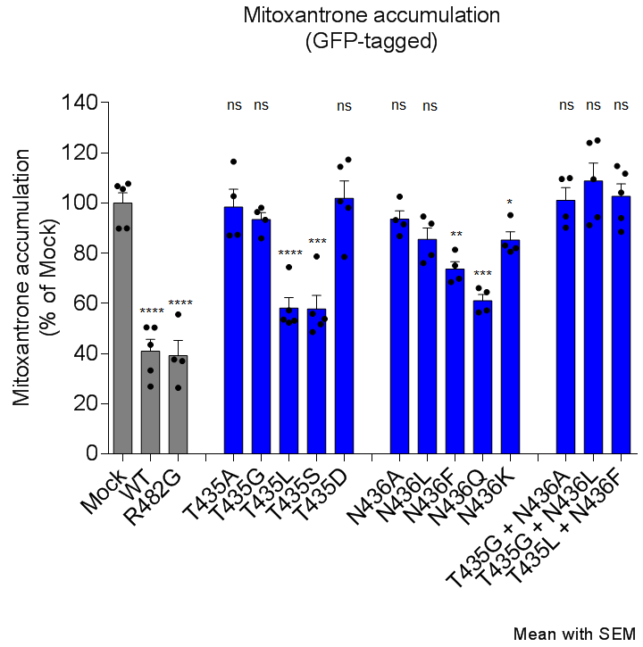
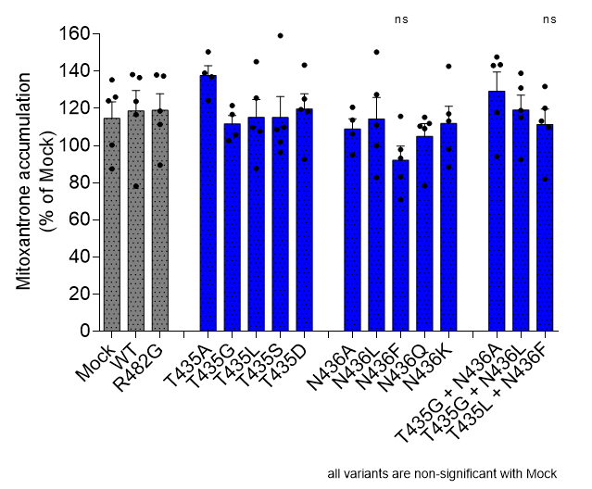
 | Mock | WT | R482G | T435A | T435G | T435L | T435S | T435D | N436A | N436L | N436F | N436Q | N436K | T435G + N436A | T435G + N436L | T435L + N436F |  | Mock | WT | R482G | T435A | T435G | T435L | T435S | T435D | N436A | N436L | N436F | N436Q | N436K | T435G + N436A | T435G + N436L | T435L + N436F
 | 107.76 | 50.48 | 55.6 | 87.35 | 93.37 | 57.25 | 55.89 | 100.77 | 93.24 | 94.72 | 68.5 | 66.16 | 95.18 | 109.59 | 109.51 | 111.74 |  | 135.37 | 138.15 | 137.98 | 136.97 | 105.73 | 109.75 | 108.62 | 118.29 | 113.73 | 127.38 | 83.11 | 109.11 | 113.19 | 147.61 | 118.85 | 120.12
 | 89.96 | 26.88 | 26.36 | 87.08 | 96.42 | 53.12 | 48.61 | 78.61 | 91.58 | 79.28 | 69.85 | 56.42 | 83.13 | 90.23 | 91.19 | 88.51 |  | 87.46 | 78.12 | 89.49 | 124.19 | 102.65 | 87.71 | 96.29 | 92.51 | 94.86 | 82.78 | 70.93 | 78.32 | 88.42 | 94.06 | 92.44 | 82.03
 | 105.63 | 50.41 | 37.02 | 102.78 | 98.12 | 52.34 | 51.75 | 114.51 | 102.62 | 91.87 | 81.41 | 57.22 | 80.6 | 109.98 | 94.38 | 104.16 |  | 126.09 | 136.52 | 118.59 | 139.05 | 116.74 | 125.64 | 109.87 | 119.36 | 120.66 | 111.06 | 97.81 | 111.91 | 97.92 | 143.48 | 130.93 | 109.83
 | 106.8 | 33.35 | 37.64 | 116.53 | 86.01 | 74.46 | 78.79 | 117.34 | 86.88 | 76.11 | 75.07 | 64.56 | 82.01 | 94.64 |  | 94.07 |  | 124.06 | 116.65 | 137.34 | 150.39 | 121.49 | 145.06 | 159.10 | 143.28 | 106.29 | 150.33 | 115.74 | 115.20 | 142.62 | 143.09 | 138.87 | 113.20
 | 89.84 | 43.58 |  |  |  | 53.57 | 53.86 | 98.14 |  |  |  |  |  |  |  |  |  | 100.32 | 123.73 | 111.31 |  |  | 107.70 | 101.95 | 125.13 |  | 99.83 | 93.14 | 110.44 | 117.02 | 117.87 | 115.06 | 131.80
Average | 100.00 | 40.94 | 39.16 | 98.44 | 93.48 | 58.15 | 57.78 | 101.87 | 93.58 | 85.50 | 73.71 | 61.09 | 85.23 | 101.11 | 98.36 | 99.62 | Average | 114.66 | 118.63 | 118.94 | 137.65 | 111.65 | 115.17 | 115.17 | 119.71 | 108.89 | 114.28 | 92.15 | 105.00 | 111.83 | 129.22 | 119.23 | 111.40

Pheophorbide A accumulation (% of Mock) without Ko143 |  |  |  |  |  |  |  |  |  |  |  |  |  |  |  |  | Pheophorbide A accumulation (% of WT) in the present of Ko143

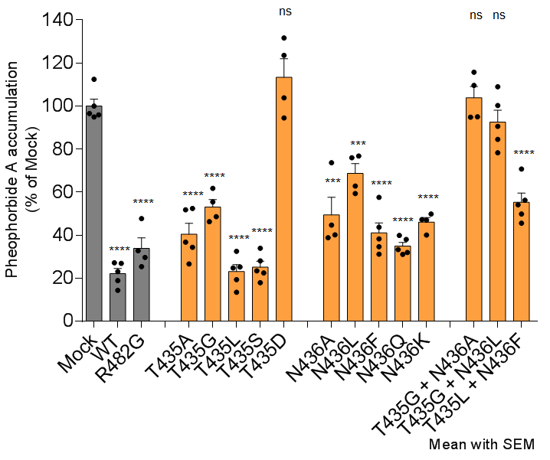
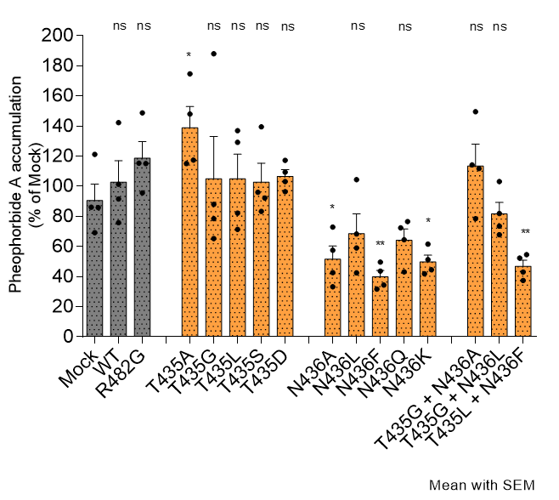
 | Mock | WT | R482G | T435A | T435G | T435L | T435S | T435D | N436A | N436L | N436F | N436Q | N436K | T435G + N436A | T435G + N436L | T435L + N436F |  | Mock | WT | R482G | T435A | T435G | T435L | T435S | T435D | N436A | N436L | N436F | N436Q | N436K | T435G + N436A | T435G + N436L | T435L + N436F
 | 112.51 | 26.94 | 47.69 | 26.64 | 46.33 | 19.37 | 23.42 | 123.57 | 40.17 | 62.83 | 31.16 | 31.07 | 49.88 | 115.77 | 90.59 | 54.08 |  | 121.13 | 101.33 | 148.71 | 117.39 | 78.48 | 82.18 | 92.23 | 103.09 | 33.20 | 68.34 | 31.67 | 72.30 | 51.22 | 111.69 | 73.53 | 52.34
 | 95.95 | 14.35 | 25.36 | 34.37 | 48.61 | 32.55 | 28.05 | 103.87 | 44.70 | 59.38 | 43.72 | 39.92 | 47.01 | 109.66 | 78.32 | 49.81 |  | 86.03 | 142.23 | 115.07 | 115.09 | 88.03 | 136.86 | 95.95 | 109.34 | 57.50 | 59.03 | 43.70 | 43.14 | 41.87 | 149.45 | 103.13 | 54.55
 | 94.97 | 23.05 | 32.80 | 36.78 | 61.81 | 24.80 | 22.46 | 94.48 | 38.86 | 75.99 | 34.64 | 33.31 | 40.05 | 94.86 | 84.54 | 56.28 |  | 85.88 | 75.82 | 115.34 | 174.68 | 187.93 | 129.14 | 139.45 | 117.20 | 72.89 | 104.34 | 49.64 | 76.52 | 61.51 | 114.20 | 81.84 | 43.05
 | 96.57 | 18.92 | 29.63 | 52.42 | 55.49 | 25.22 | 33.97 | 131.65 | 73.73 | 76.77 | 57.59 | 32.00 | 47.30 | 95.06 | 100.33 | 45.61 |  | 69.22 | 91.59 | 95.57 | 147.91 | 65.29 | 71.31 | 83.34 | 96.42 | 42.60 | 42.51 | 34.41 | 64.53 | 44.53 | 78.40 | 67.81 | 37.38
 | 100.00 | 27.16 |  | 51.83 |  | 13.44 | 17.94 |  |  |  | 38.25 | 38.06 |  |  | 109.01 | 70.72 | Average | 90.57 | 102.74 | 118.67 | 138.77 | 104.93 | 104.87 | 102.74 | 106.51 | 51.55 | 68.56 | 39.86 | 64.12 | 49.78 | 113.44 | 81.58 | 46.83
Average | 100.00 | 22.08 | 33.87 | 40.41 | 53.06 | 23.08 | 25.17 | 113.39 | 49.37 | 68.74 | 41.07 | 34.87 | 46.06 | 103.84 | 92.56 | 55.30

Daunorubicin accumulation (% of Mock) without Ko143 |  |  |  |  |  |  |  |  |  |  |  |  |  |  |  |  | Daunorubicin accumulation (% of WT) in the present of Ko143

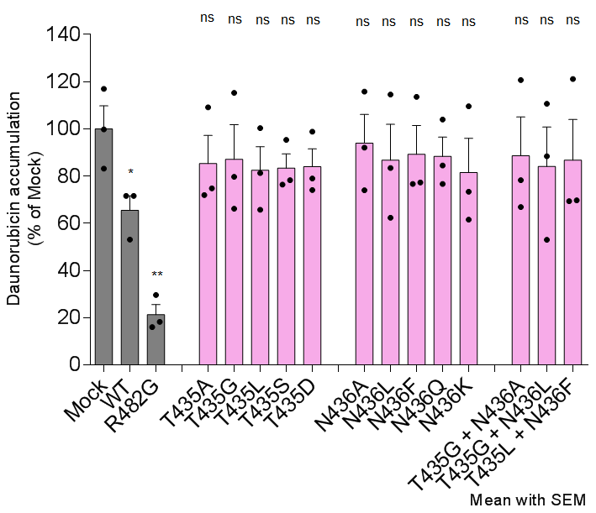
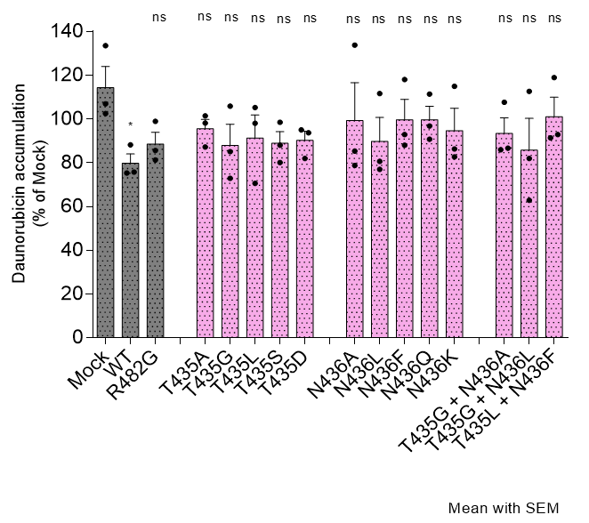
 | Mock | WT | R482G | T435A | T435G | T435L | T435S | T435D | N436A | N436L | N436F | N436Q | N436K | T435G + N436A | T435G + N436L | T435L + N436F |  | Mock | WT | R482G | T435A | T435G | T435L | T435S | T435D | N436A | N436L | N436F | N436Q | N436K | T435G + N436A | T435G + N436L | T435L + N436F
 | 117.03 | 71.62 | 18.31 | 109.19 | 115.36 | 100.34 | 95.42 | 98.90 | 115.88 | 114.57 | 113.59 | 103.98 | 109.62 | 120.75 | 110.67 | 121.20 |  | 133.57 | 88.19 | 98.93 | 98.12 | 105.89 | 98.10 | 98.52 | 95.02 | 133.83 | 111.67 | 118.07 | 111.37 | 114.98 | 107.64 | 112.65 | 118.92
 | 99.81 | 71.63 | 29.65 | 74.83 | 66.22 | 81.33 | 78.29 | 79.06 | 74.02 | 62.41 | 77.35 | 84.51 | 61.59 | 66.96 | 53.10 | 69.79 |  | 106.96 | 75.28 | 81.21 | 87.24 | 85.05 | 105.25 | 88.01 | 93.73 | 85.38 | 76.97 | 87.98 | 90.77 | 82.65 | 86.67 | 62.88 | 92.90
 | 83.17 | 53.16 | 16.02 | 72.03 | 79.71 | 65.76 | 76.42 | 74.10 | 92.08 | 83.44 | 76.74 | 76.69 | 73.40 | 78.32 | 88.45 | 69.38 |  | 102.48 | 75.74 | 85.57 | 101.40 | 72.91 | 70.55 | 80.10 | 81.95 | 78.72 | 80.62 | 92.86 | 96.79 | 86.31 | 86.01 | 81.93 | 91.38
Average | 100.00 | 65.47 | 21.33 | 85.35 | 87.10 | 82.48 | 83.38 | 84.02 | 93.99 | 86.81 | 89.23 | 88.39 | 81.54 | 88.68 | 84.07 | 86.79 | Average | 114.34 | 79.74 | 88.57 | 95.59 | 87.95 | 91.30 | 88.88 | 90.23 | 99.31 | 89.75 | 99.64 | 99.64 | 94.65 | 93.44 | 85.82 | 101.07

Sup-Fig8g
Supplementary Fig. 8g

Protein expression of F182 variants

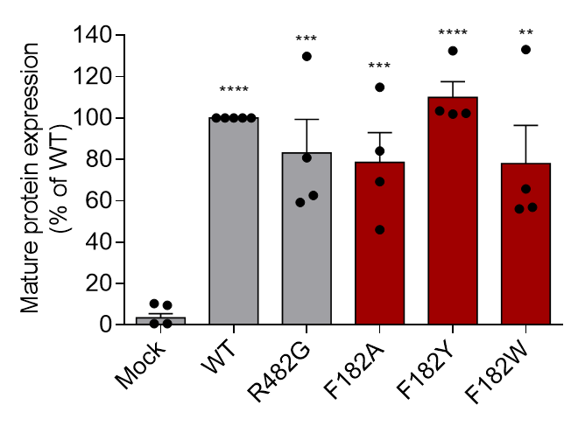
 | Mock | WT | R482G | F182A | F182Y | F182W
 | 0.63 | 100.00 | 59.17 | 84.09 | 103.39 | 65.70
 | 0.65 | 100.00 | 129.79 | 45.97 | 101.96 | 56.10
 | 9.52 | 100.00 | 80.85 | 69.23 | 102.23 | 56.88
 | 10.35 | 100.00 | 62.58 | 114.84 | 132.47 | 133.10
 |  | 100.00

21-Dec-22

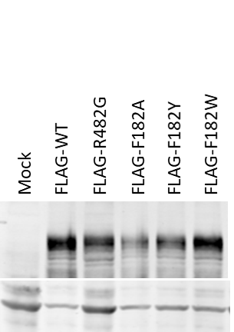
21-Dec-22

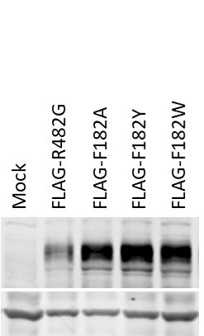
28-Dec-22

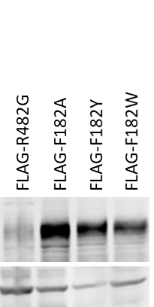
28-Dec-22

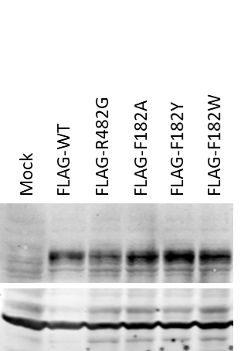
28-Dec-22

20-Jan-23

Sup-Fig8j-k-m
Supplementary Fig. 8j, k, m

Supplementary Fig. 8k, m

ATPase activity (% of WT)

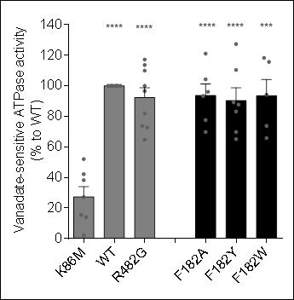
 | K86M | WT | R482G | F182A | F182Y | F182W
 | 2.20 | 100.00 | 110.00 | 93.30 | 127.30 | 118.20
 | 42.10 | 100.00 | 100.00 | 121.10 | 87.70 | 94.10
 | 38.20 | 100.00 | 96.60 | 69.70 | 110.40 | 73.70
 | 52.00 | 100.00 | 72.70 | 104.30 | 89.20 | 65.80
 | 14.00 | 100.00 | 81.80 | 96.10 | 83.20 | 115.70
 | 27.00 | 100.00 | 64.70 | 77.60 | 69.70
 | 15.40 | 100.00 | 113.60 |  | 65.10
 |  | 100.00 | 117.20
 |  |  | 73.60
Average | 27.27 | 100.00 | 92.24 | 93.68 | 90.37 | 93.50

Supplementary Fig. 8j, m |  |  |  |  |  |  | Supplementary Fig. 8i-l

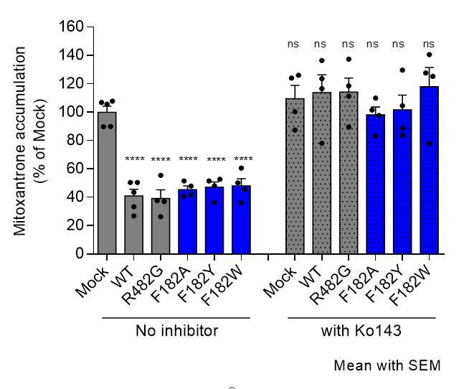
Mitoxantrone efflux (% of WT) |  |  |  |  |  |  | Mitoxantrone accumulation (% of Mock) without Ko143 |  |  |  |  |  |  | Mitoxantrone accumulation (% of WT) in the present of Ko143
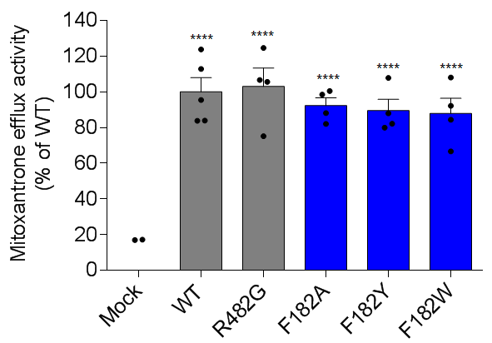
 | Mock | WT | R482G | F182A | F182Y | F182W |  | No inhibitor |  |  |  |  |  |  | with Ko143
 | -13.15 | 83.84 | 75.19 | 98.57 | 107.88 | 108.14 |  | Mock | WT | R482G | F182A | F182Y | F182W |  | Mock | WT | R482G | F182A | F182Y | F182W
 | 16.99 | 123.81 | 124.69 | 88.15 | 88.04 | 84.41 |  | 107.76 | 50.48 | 55.6 | 41.79 | 36.29 | 36.14 |  | 87.46 | 78.12 | 89.49 | 83.16 | 83.81 | 78.01
 | -9.54 | 83.97 | 106.65 | 100.52 | 82.14 | 92.23 |  | 89.96 | 26.88 | 26.36 | 47.94 | 48.01 | 50.15 |  | 126.09 | 136.52 | 118.59 | 109.89 | 104.64 | 127.65
 | -11.52 | 112.85 | 105.60 | 82.12 | 79.96 | 66.71 |  | 105.63 | 50.41 | 37.02 | 40.63 | 51.49 | 45.53 |  | 124.06 | 116.65 | 137.34 | 97.73 | 88.79 | 125.23
 | 17.20 | 95.53 |  |  |  |  |  | 106.8 | 33.35 | 37.64 | 51.5 | 52.78 | 60.6 |  | 100.32 | 123.73 | 111.31 | 101.47 | 129.62 | 140.64
Average | 0.00 | 100.00 | 103.03 | 92.34 | 89.51 | 87.87 |  | 89.84 | 43.58
 |  |  |  |  |  |  | Average | 99.998 | 40.94 | 39.155 | 45.465 | 47.1425 | 48.105 | Average | 109.4825 | 113.755 | 114.1825 | 98.0625 | 101.715 | 117.8825

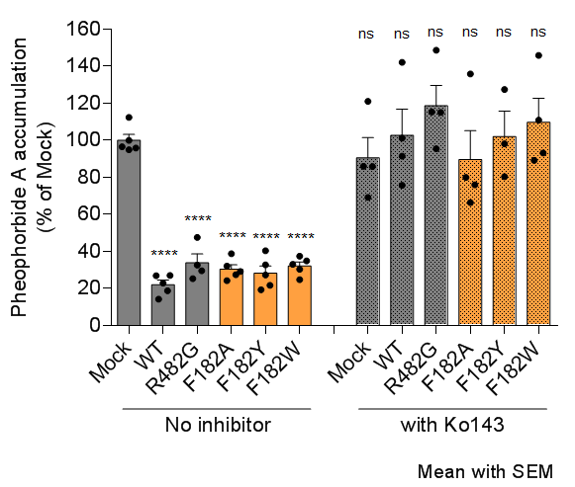
Pheophorbide A efflux (% of WT) |  |  |  |  |  |  | Pheophorbide A accumulation (% of Mock) without Ko143 |  |  |  |  |  |  | Pheophorbide A accumulation (% of WT) in the present of Ko143
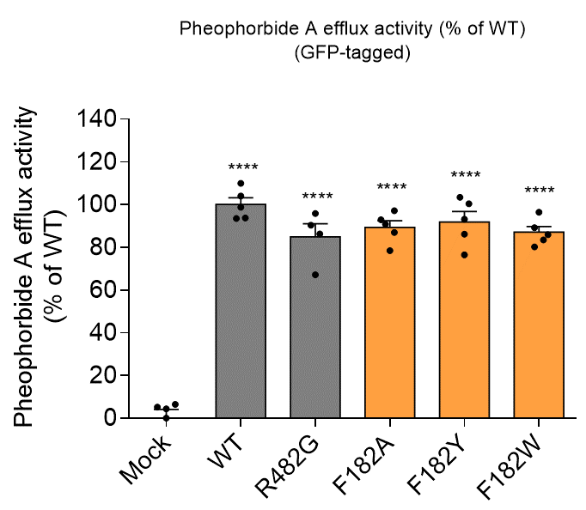
 | Mock | WT | R482G | F182A | F182Y | F182W |  | Mock | WT | R482G | F182A | F182Y | F182W |  | Mock | WT | R482G | F182A | F182Y | F182W
 | -16.06 | 93.77 | 67.14 | 78.41 | 86.16 | 83.50 |  | 112.51 | 26.94 | 47.69 | 38.91 | 32.87 | 34.95 |  | 121.13 | 101.33 | 148.71 | 135.94 | 127.56 | 145.89
 | 5.20 | 109.93 | 95.80 | 90.87 | 103.40 | 96.43 |  | 95.95 | 14.35 | 25.36 | 29.2 | 19.44 | 24.87 |  | 86.03 | 142.23 | 115.07 | 76.04 | 98.18 | 110.98
 | 6.46 | 98.77 | 86.25 | 92.94 | 93.17 | 89.16 |  | 94.97 | 23.05 | 32.8 | 27.59 | 27.41 | 30.53 |  | 85.88 | 75.82 | 115.34 | 80.06 | 80.5 | 93.27
 | 4.41 | 104.06 | 90.32 | 97.14 | 100.36 | 80.19 |  | 96.57 | 18.92 | 29.63 | 24.32 | 21.81 | 37.52 |  | 69.22 | 91.59 | 95.57 | 66.49 |  | 89.24
 |  | 93.48 |  | 86.97 | 76.49 | 85.89 |  | 100 | 27.16 |  | 32.24 | 40.41 | 33.08
Average | 0.00 | 100.00 | 84.88 | 89.27 | 91.92 | 87.03 | Average | 100 | 22.084 | 33.87 | 30.452 | 28.388 | 32.19 | Average | 90.565 | 102.7425 | 118.6725 | 89.6325 | 102.08 | 109.845

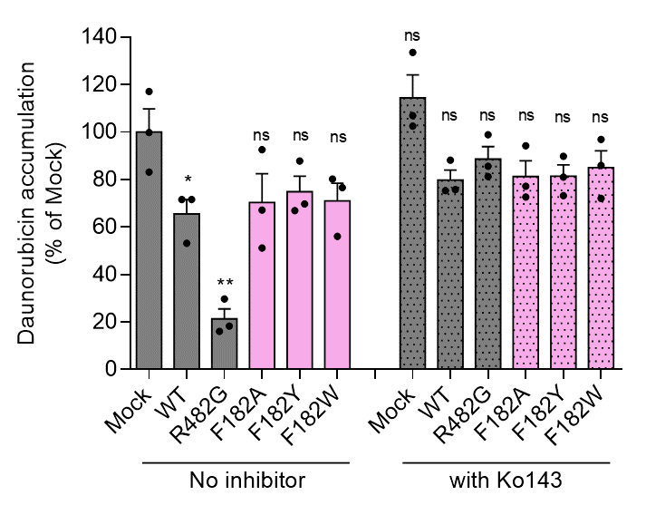
Daunorubicin efflux (% of R482G) |  |  |  |  |  |  | Daunorubicin accumulation (% of Mock) without Ko143 |  |  |  |  |  |  | Daunorubicin accumulation (% of WT) in the present of Ko143
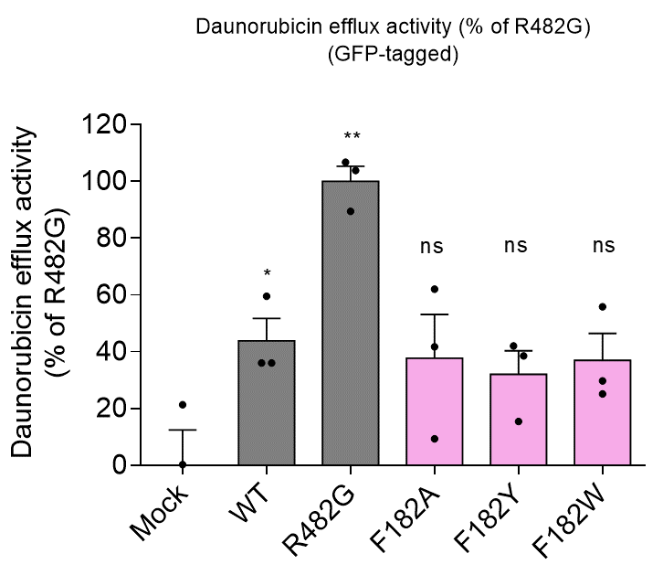
 | Mock | WT | R482G | F182A | F182Y | F182W |  | Mock | WT | R482G | F182A | F182Y | F182W |  | Mock | WT | R482G | F182A | F182Y | F182W
 | -21.64 | 36.07 | 103.84 | 9.37 | 15.44 | 25.15 |  | 117.03 | 71.62 | 18.31 | 92.63 | 87.85 | 80.22 |  | 133.57 | 88.19 | 98.93 | 94.19 | 89.83 | 96.85
 | 0.25 | 36.06 | 89.42 | 62.1 | 42.04 | 55.85 |  | 99.81 | 71.63 | 29.65 | 51.14 | 66.92 | 56.06 |  | 106.96 | 75.28 | 81.21 | 72.62 | 81.06 | 72.02
 | 21.4 | 59.54 | 106.75 | 41.77 | 38.52 | 29.72 |  | 83.17 | 53.16 | 16.02 | 67.14 | 69.70 | 76.62 |  | 102.48 | 75.74 | 85.57 | 77.13 | 73.25 | 85.97
Average | 0.0033333333333 | 43.89 | 100.00 | 37.746666667 | 32 | 36.906666667 | Average | 100.00 | 65.47 | 21.33 | 70.30 | 74.82 | 70.97 | Average | 114.34 | 79.74 | 88.57 | 81.31 | 81.38 | 84.95

Sup-Fig10d
Supplementary Fig 10d

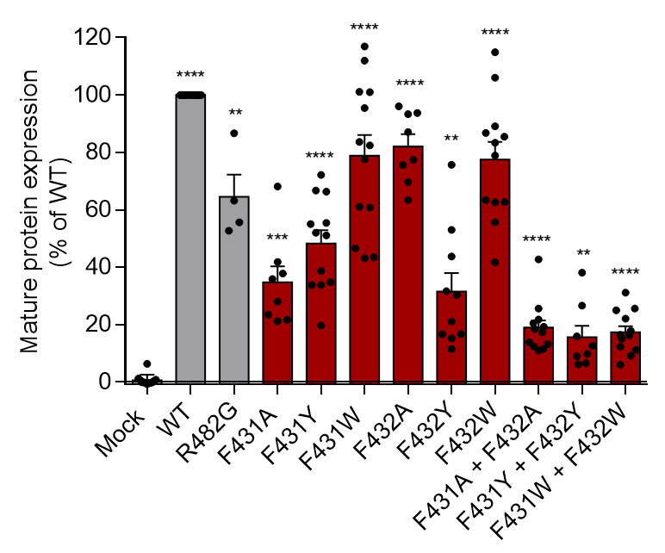
Expression of F431-F432 variants
 | Mock | WT | R482G | F431A | F431Y | F431W | F432A | F432Y | F432W | F431A + F432A | F431Y + F432Y | F431W + F432W
 | 6.31 | 100.00 | 52.71 | 35.85 | 52.00 | 82.39 | 75.63 | 43.74 | 86.75 | 42.75 | 38.08 | 16.24
 | 1.15 | 100.00 | 86.69 | 68.17 | 19.63 | 100.95 | 63.41 | 52.99 | 106.07 | 10.91 | 6.10 | 9.11
 | -0.33 | 100.00 | 63.13 | 23.48 | 33.73 | 95.44 | 96.07 | 75.68 | 55.62 | 19.25 | 6.55 | 5.98
 | 0.80 | 100.00 | 55.63 | 41.83 | 38.66 | 43.46 | 69.66 | 16.60 | 83.33 | 13.13 | 26.61 | 16.43
 | 0.68 | 100.00 |  | 21.68 | 34.71 | 60.74 | 87.06 | 31.57 | 62.61 | 13.89 | 12.56 | 22.04
 | -0.11 | 100.00 |  | 21.10 | 66.35 | 43.13 | 93.30 | 21.04 | 41.69 | 25.57 | 8.89 | 11.16
 | -0.14 | 100.00 |  | 37.73 | 51.06 | 46.58 | 77.43 | 30.26 | 62.63 | 20.43 | 15.84 | 17.81
 | 0.37 | 100.00 |  | 28.02 | 55.00 | 77.62 | 93.71 | 16.65 | 78.91 | 17.35 | 9.78 | 12.30
 | -0.37 | 100.00 |  |  | 66.66 | 101.08 |  | 15.14 | 85.42 | 11.47 |  | 31.12
 | -0.43 | 100.00 |  |  | 33.73 | 61.10 |  | 11.42 | 89.12 | 12.37 |  | 24.95
 | -0.12 | 100.00 |  |  | 55.41 | 116.91 |  |  | 63.42 | 21.78 |  | 25.52
 | -0.78 | 100.00 |  |  | 72.19 | 83.64 |  |  | 114.86 | 18.39 |  | 15.10
 |  | 100.00 |  |  |  | 112.02
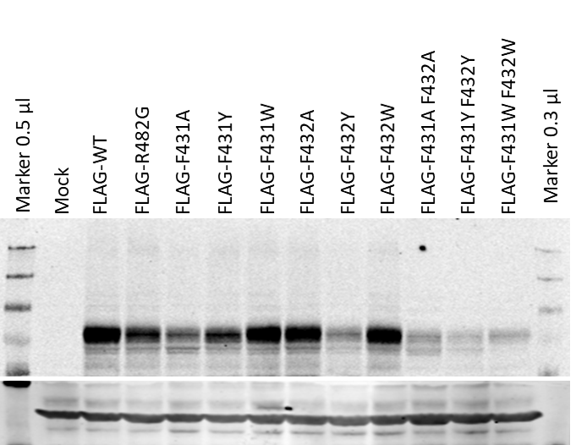

14-Dec-21

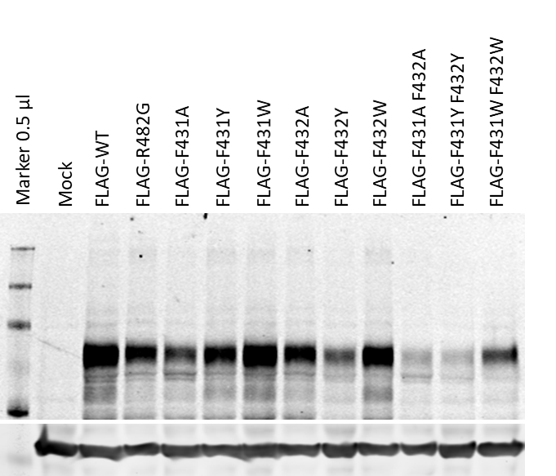

29-Sep-21

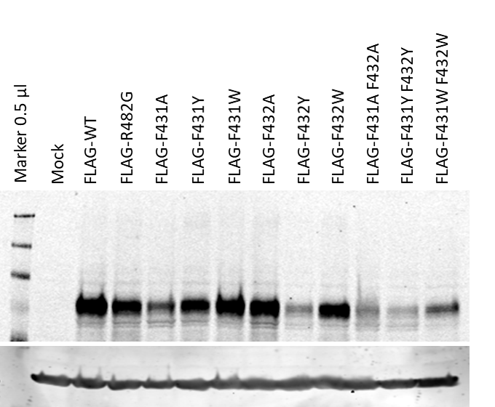

11-Nov-21

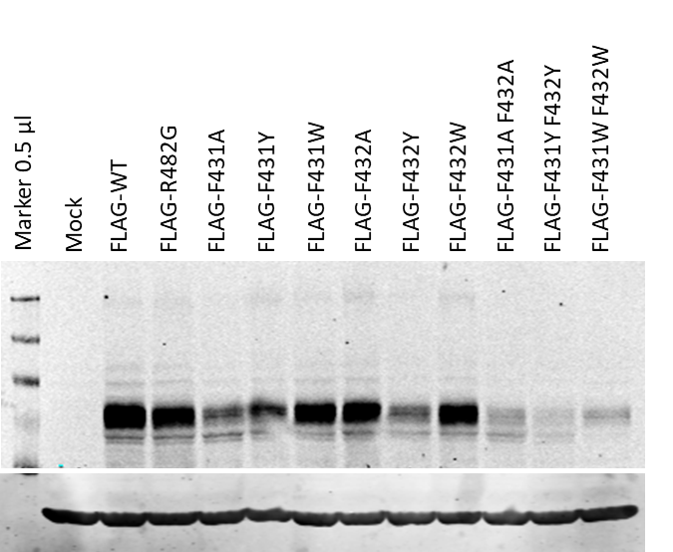

11-Nov-21

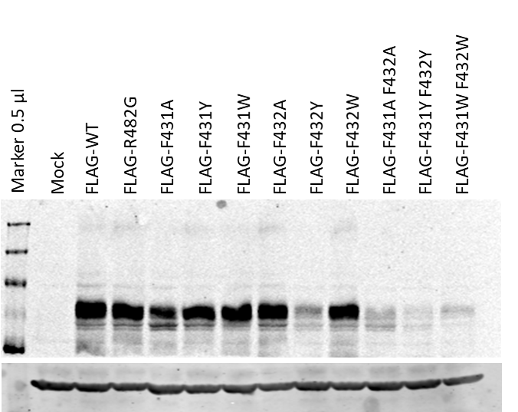

5-Nov-21

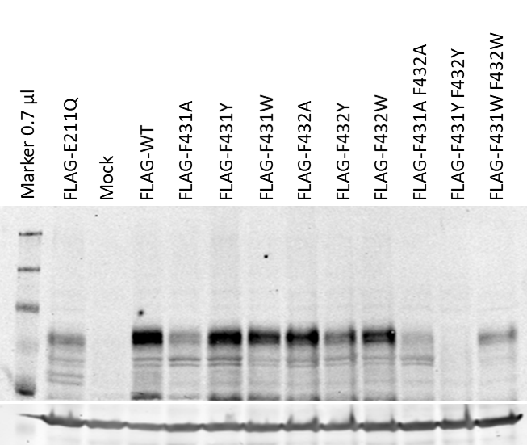

17-Sep-21

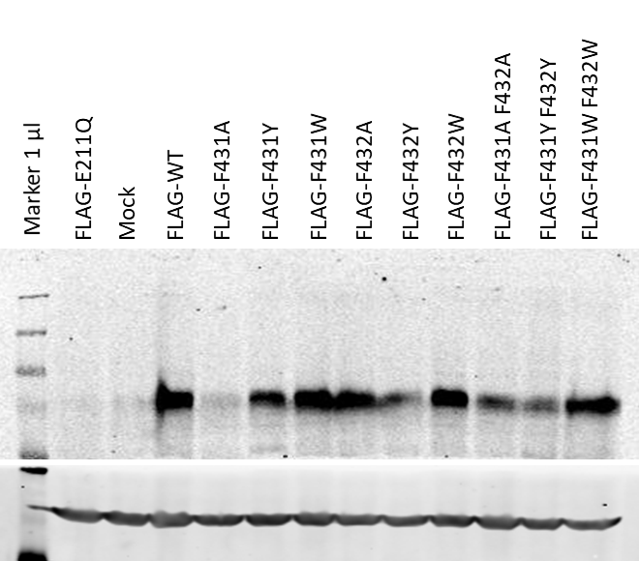

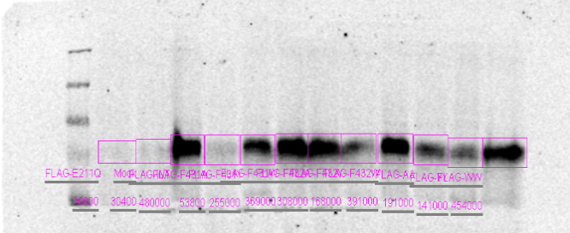

19-Aug-21

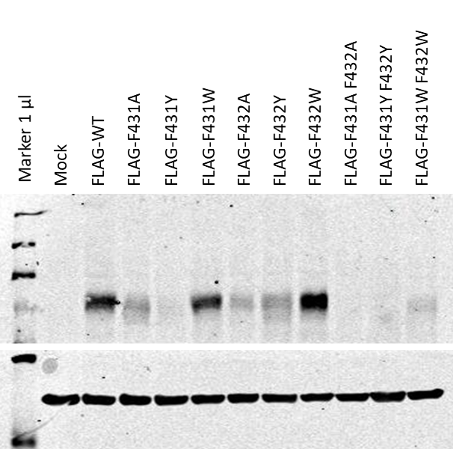

25-Aug-21

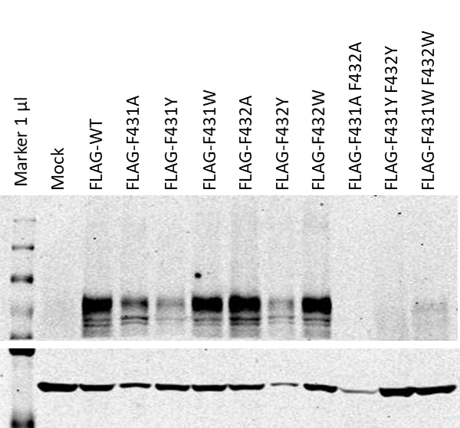

28-Aug-21

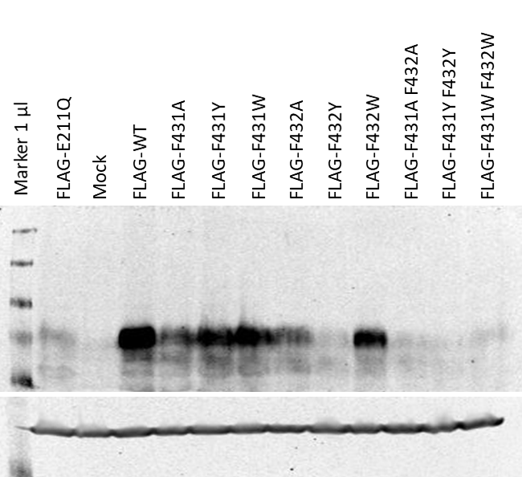

31-Aug-21

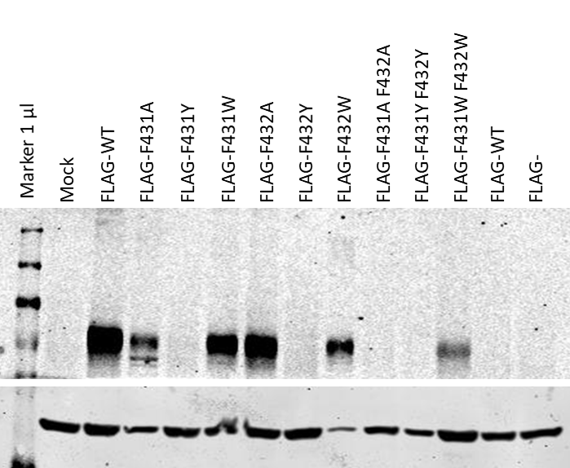

1-Sep-21
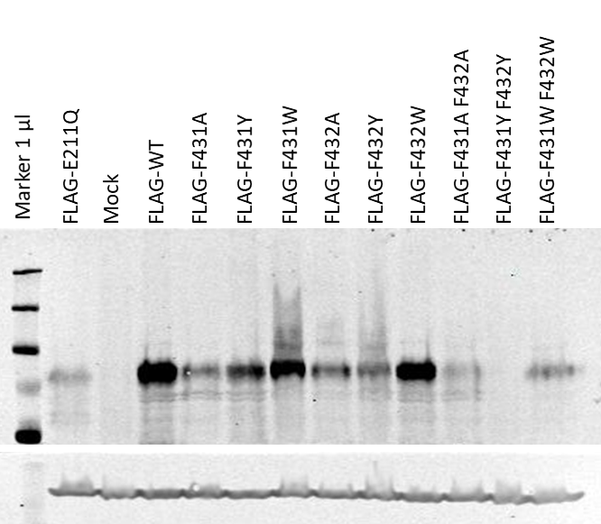

3-Sep-21

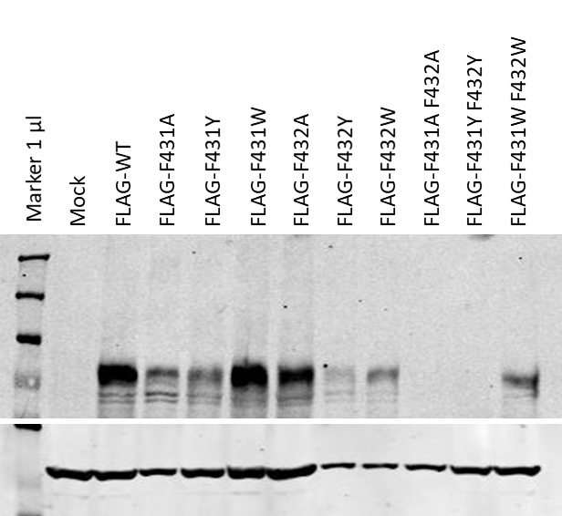

3-Sep-21

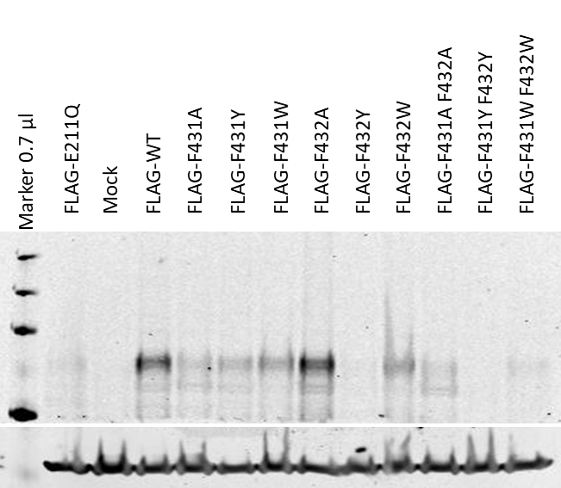

10-Sep-21

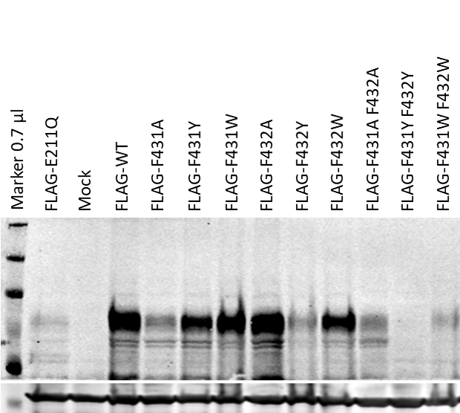

22-Sep-21

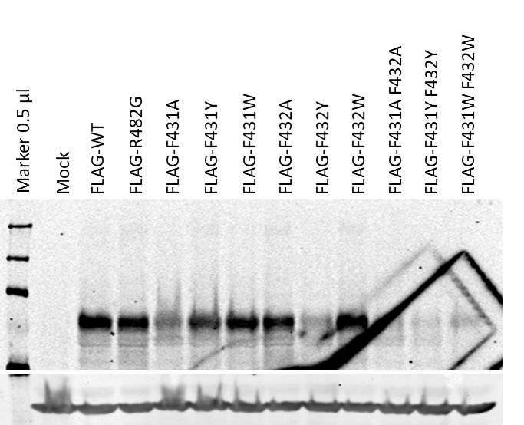

3-Nov-21

5-Nov-21

