Supplementary Figs-S1–S2
Supplementary Figs-S1–S2: Scatter plot and Funnel plot for MR analysis of the causal effect of CRP on IVDD
S1: Scatter for MR analysis of the causal effect of CRP on IVDD | S2: Forest plot of the causal effects of CRP on IVDD.
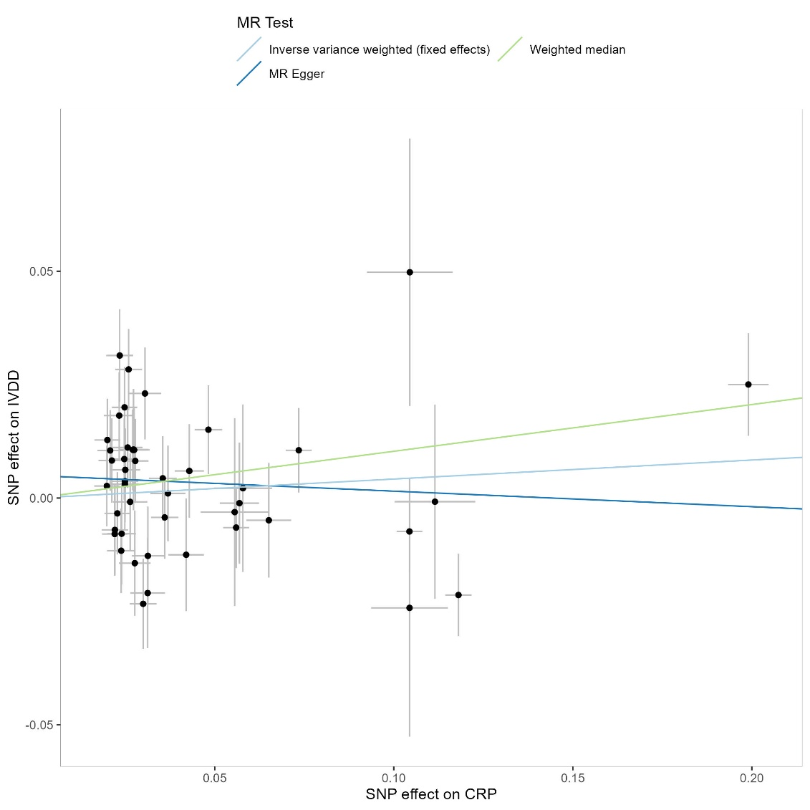 | 