Supplementary Figure S1
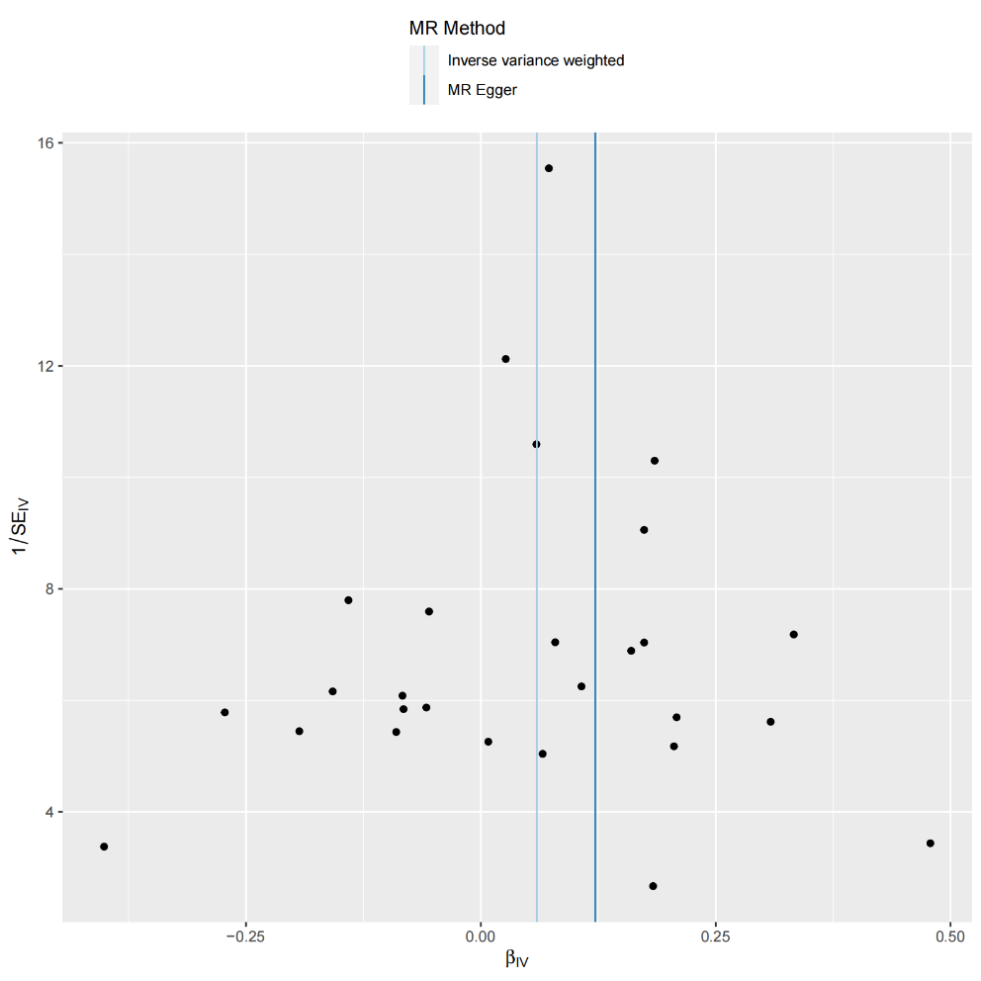
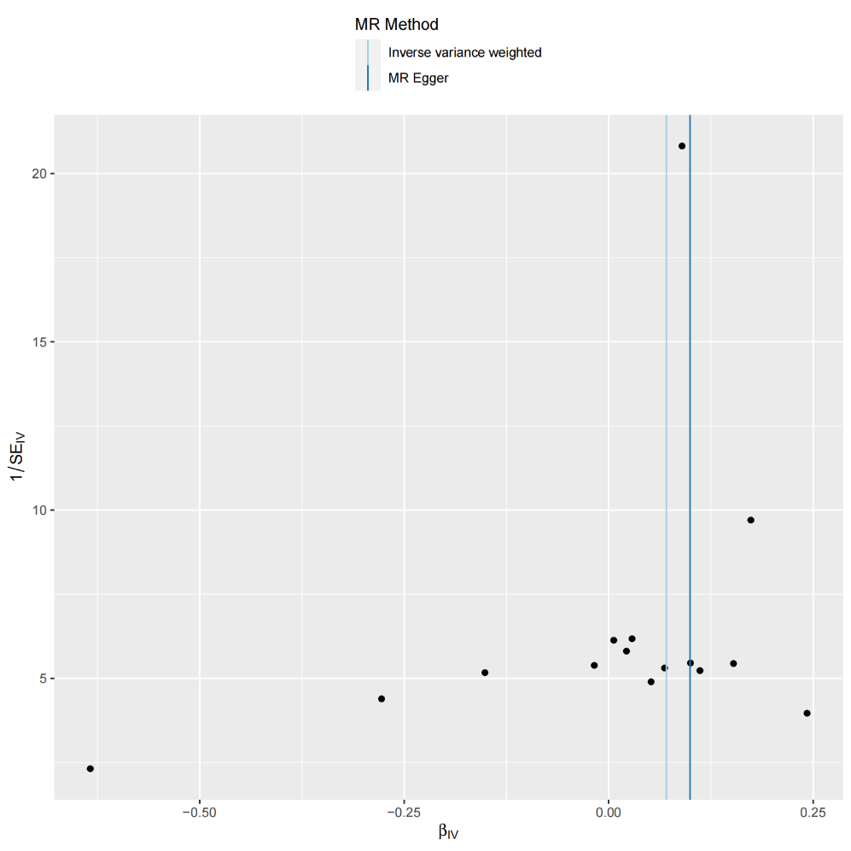
Supplementary Figure S1:The funnel plot displays the overall heterogeneity of the Mendelian Randomization (MR) analysis.

(A) TG on Hypotension | (B) TG on CD25++ CD8br AC | (C) TG on IgD+ CD38dim %B cell
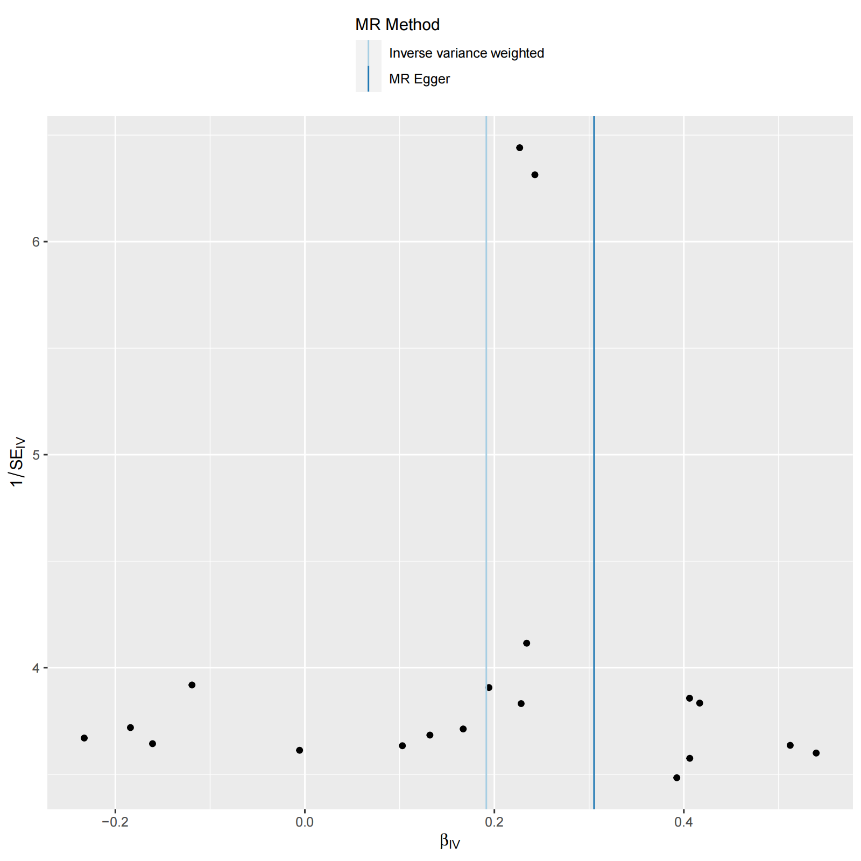
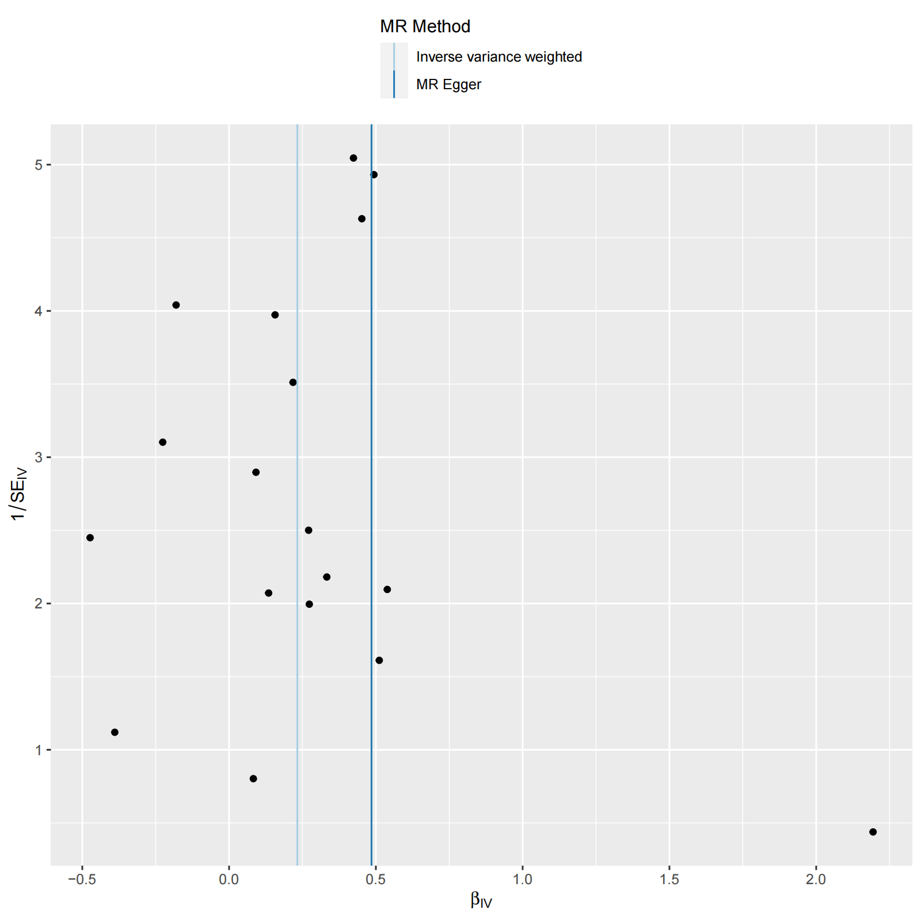
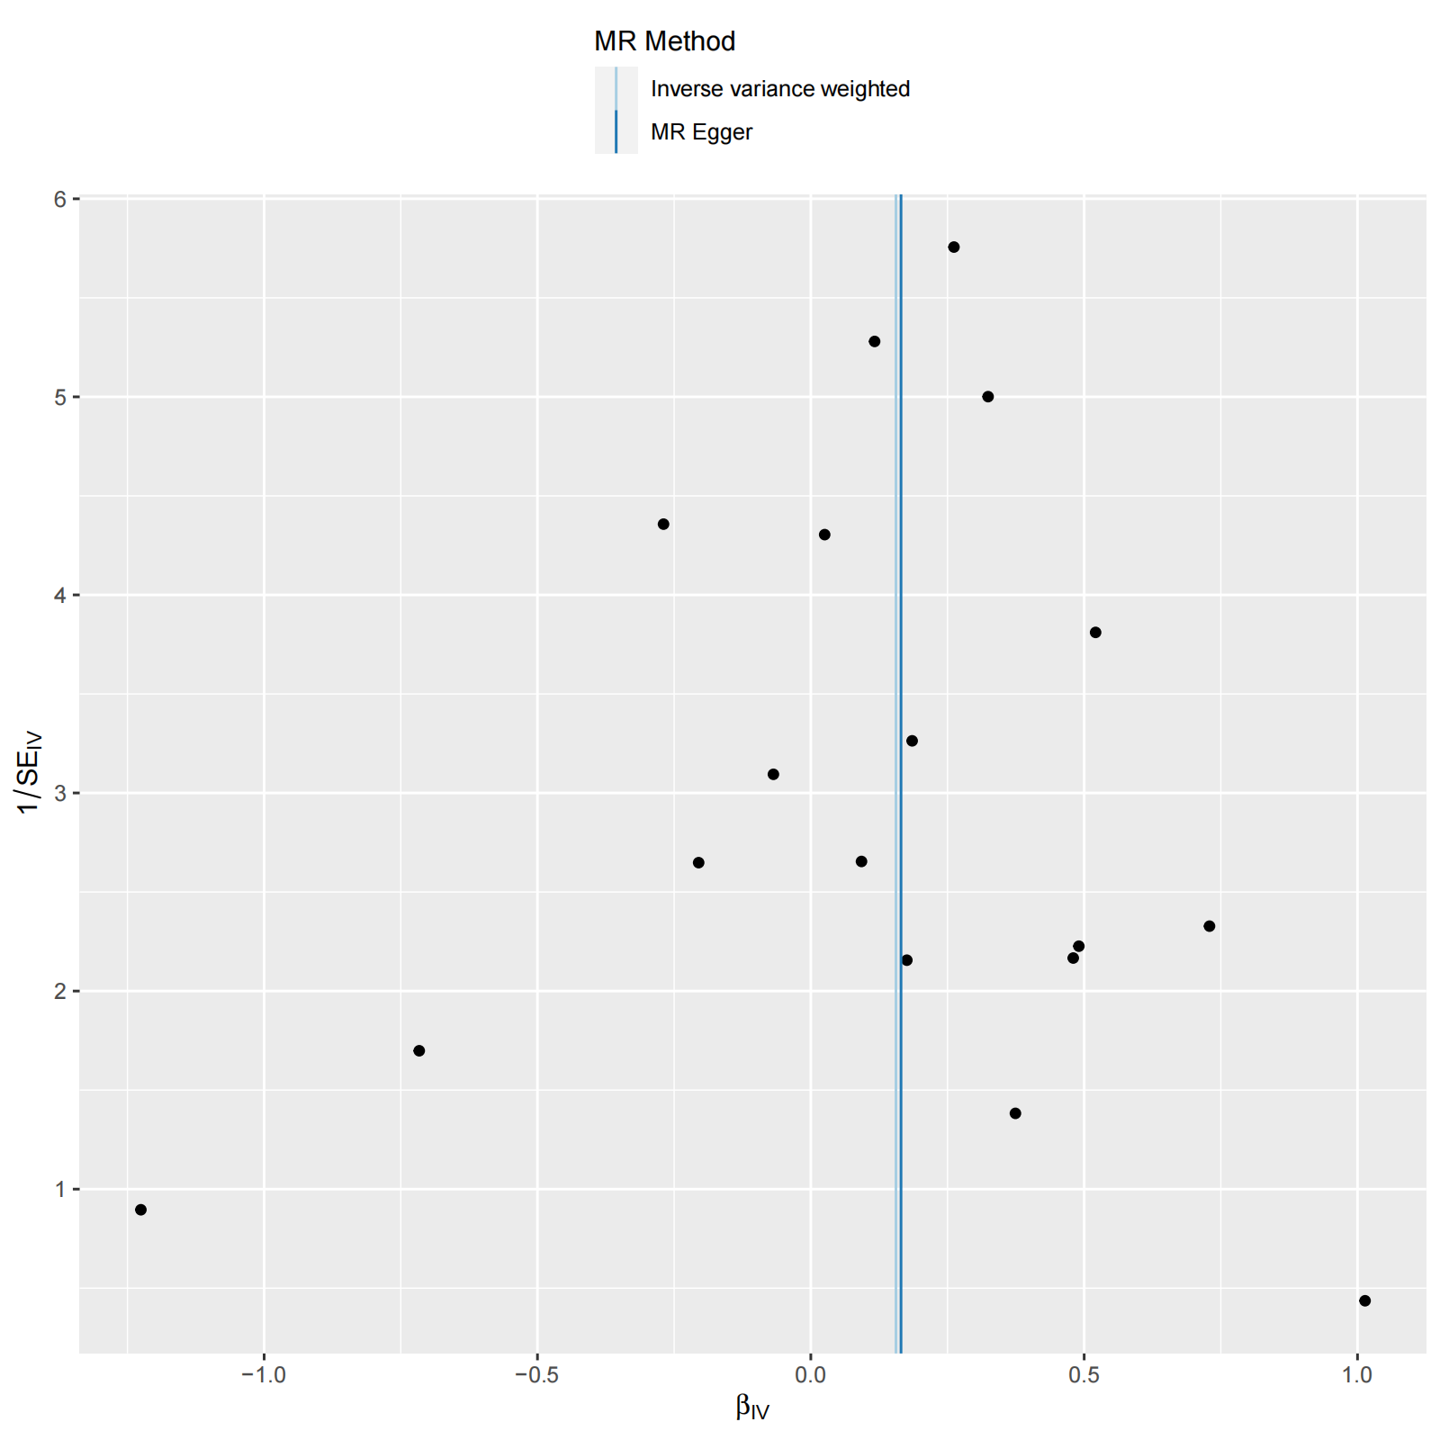

(D) CD25++ CD8br AC on Hypotension | (E) IgD+ CD38dim %B cell on Hypotension

Supplementary Figure S2
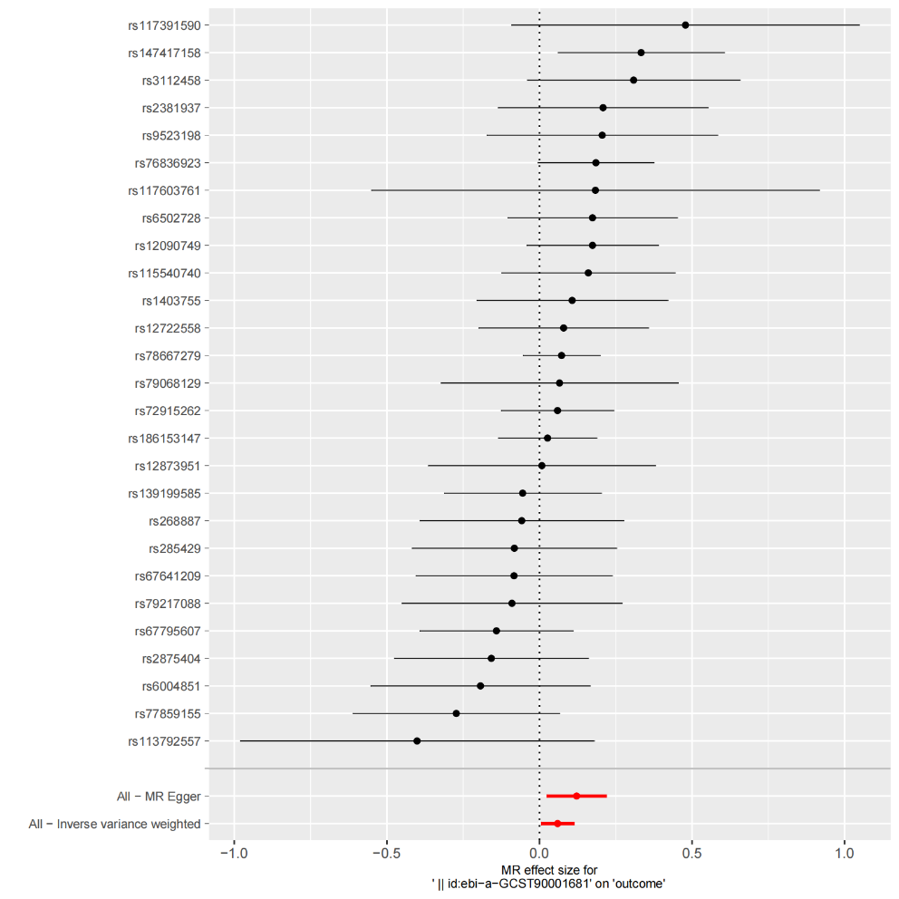
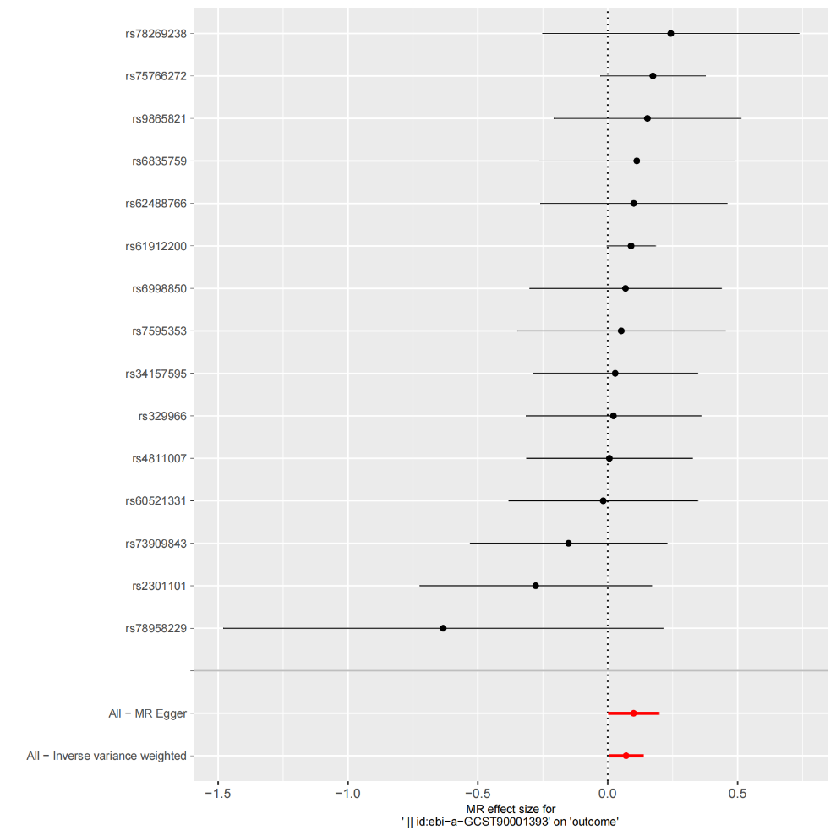
Supplementary Figure S2:The forest plot displays the causal effects of the Mendelian Randomization (MR) analysis.

(A) TG on Hypotension | (B) TG on CD25++ CD8br AC | (C) TG on IgD+ CD38dim %B cell
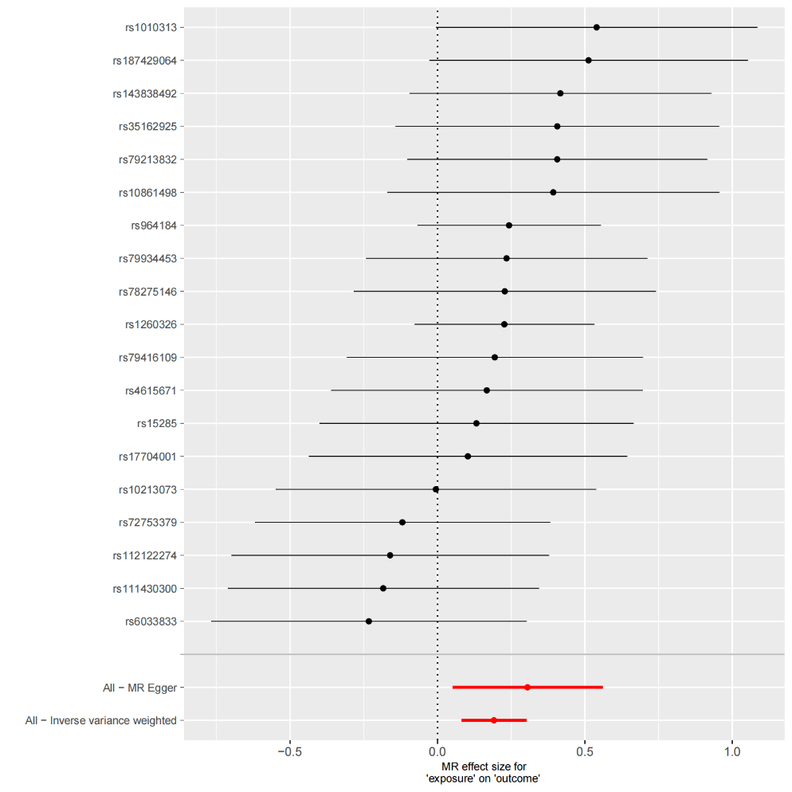
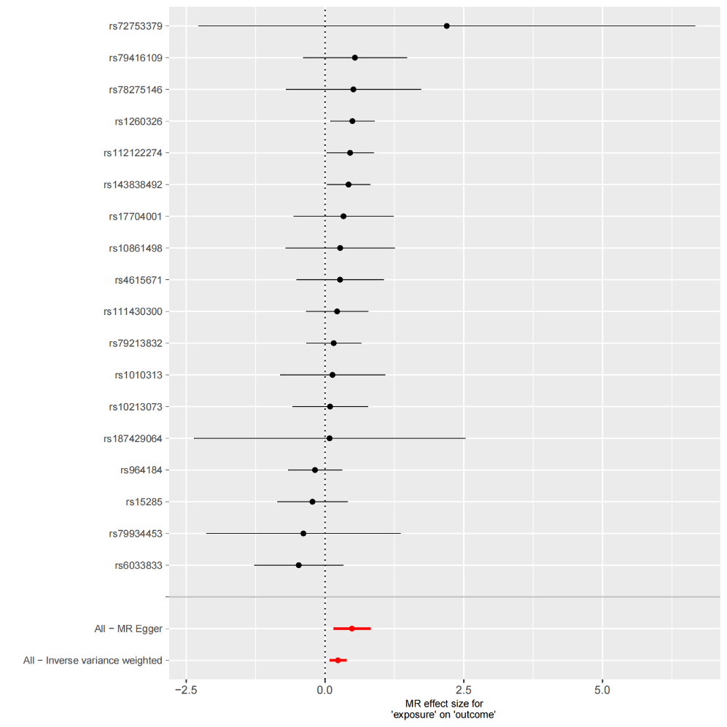
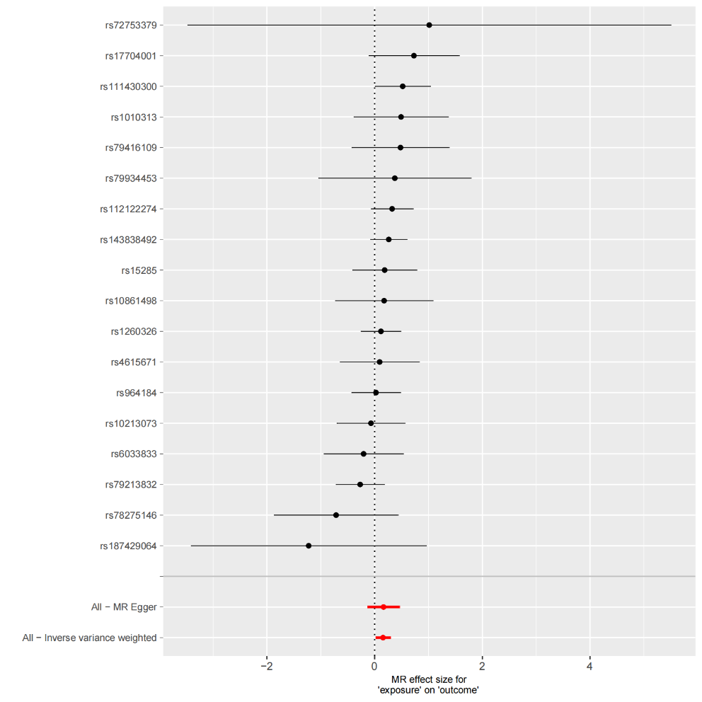

(D) CD25++ CD8br AC on Hypotension | (E) IgD+ CD38dim %B cell on Hypotension

