Fig 5b
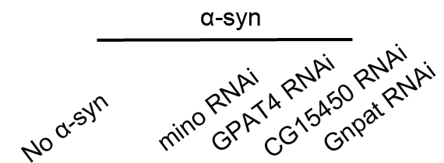
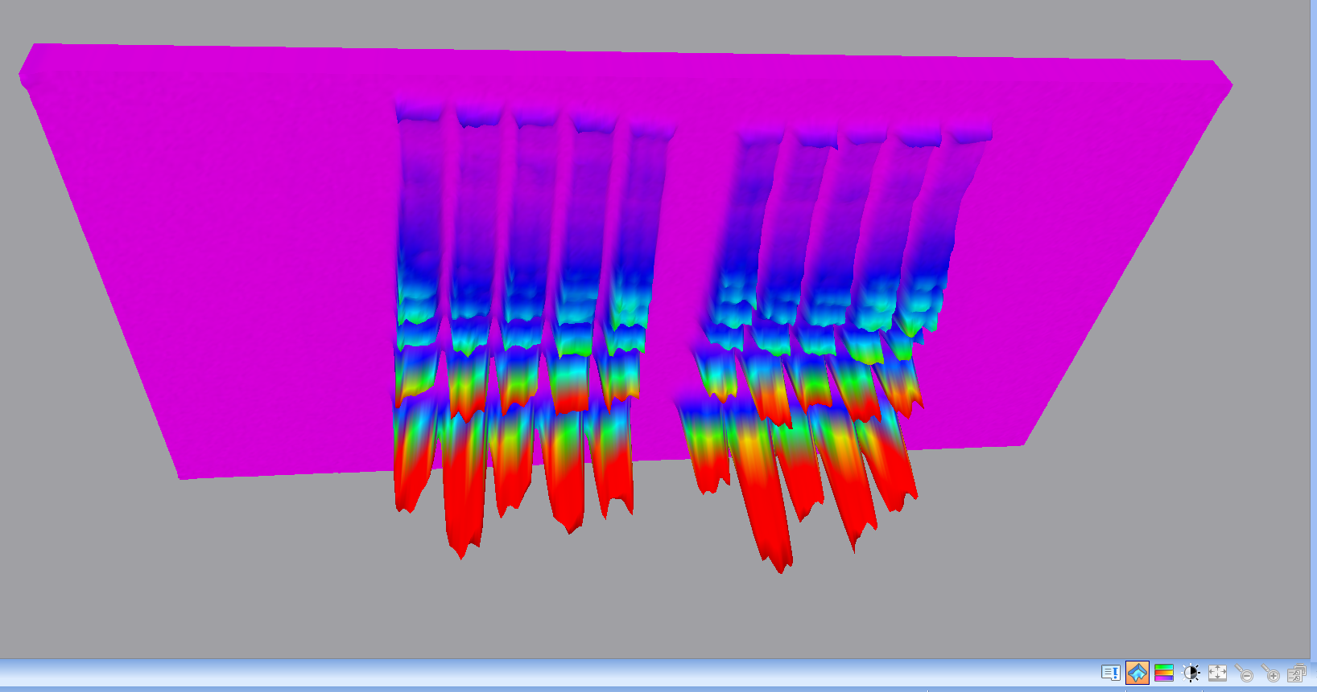
anti-α-syn
heatmap

anti-α-syn

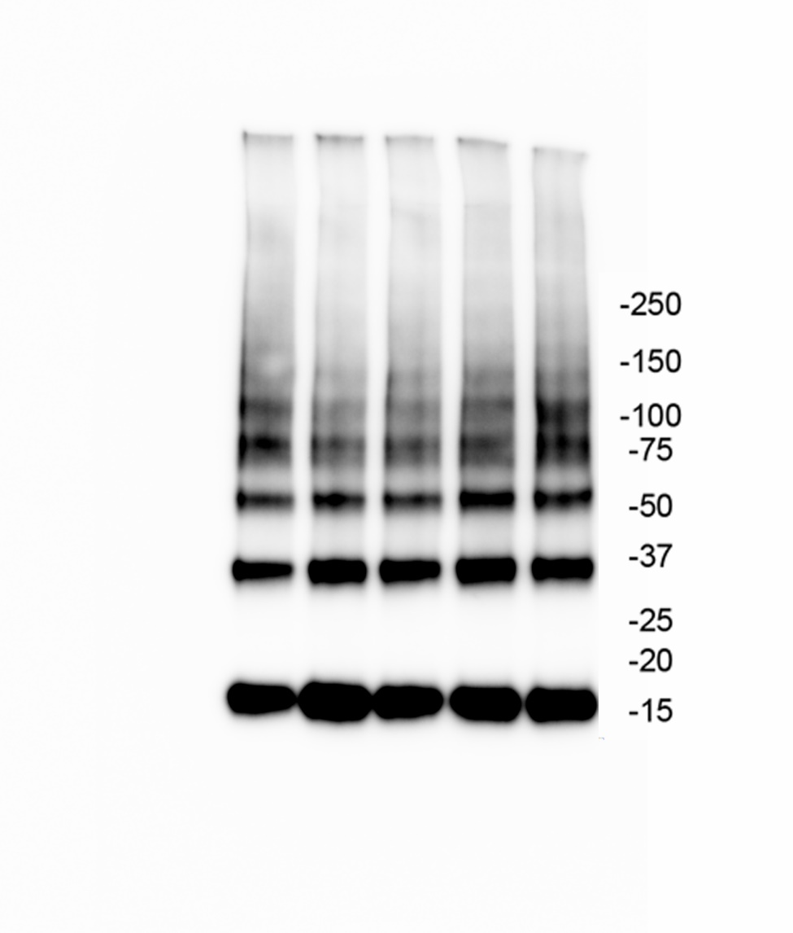

anti-α-Tubulin

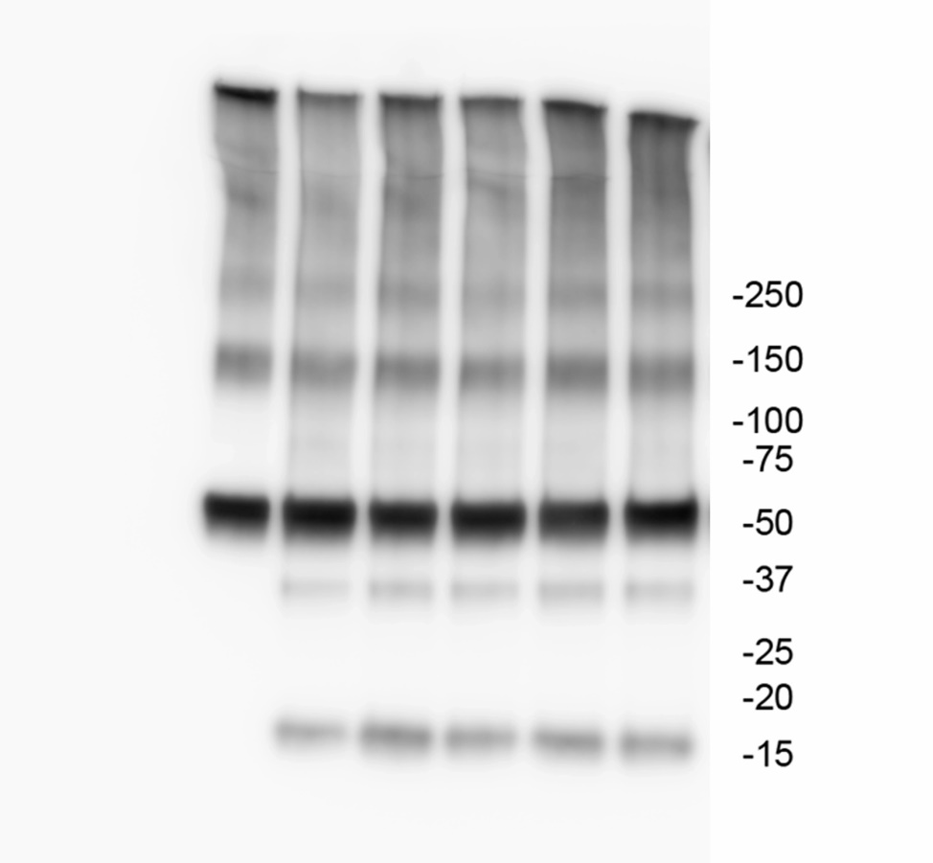

The green arrows indicates the HRP signals arised from the unstripped remains from anti-α-syn

stain-free

Supp Fig 4b
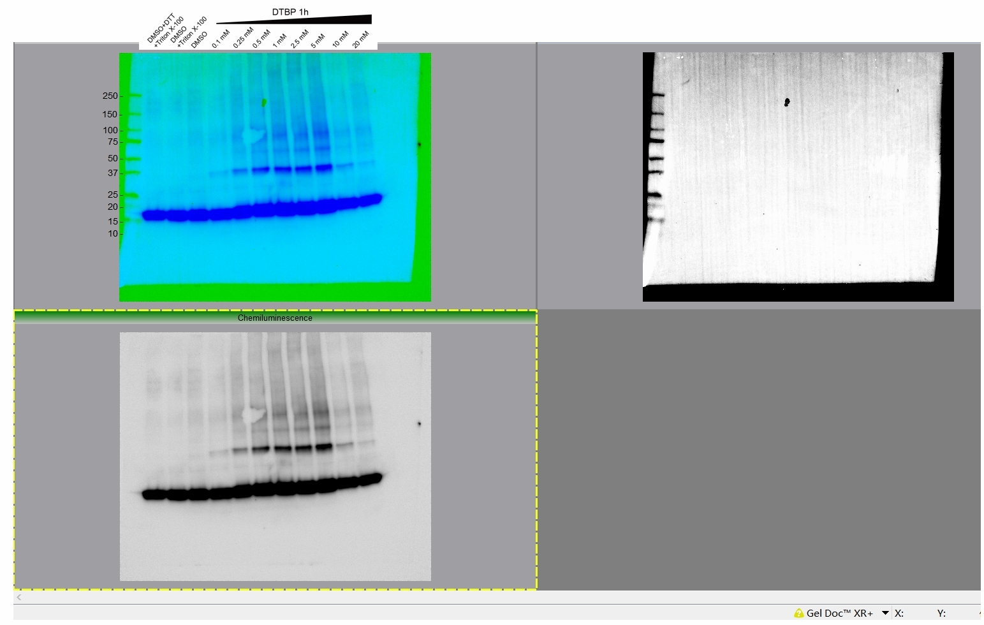
Supplementary figure 4b
 | α-syn

 | α-Tubulin
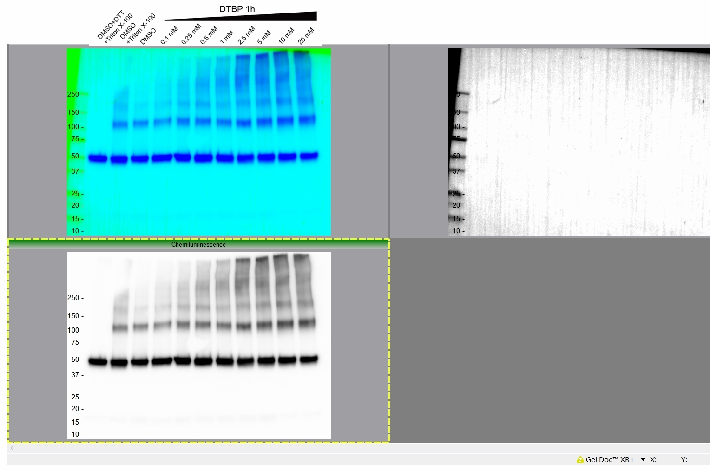

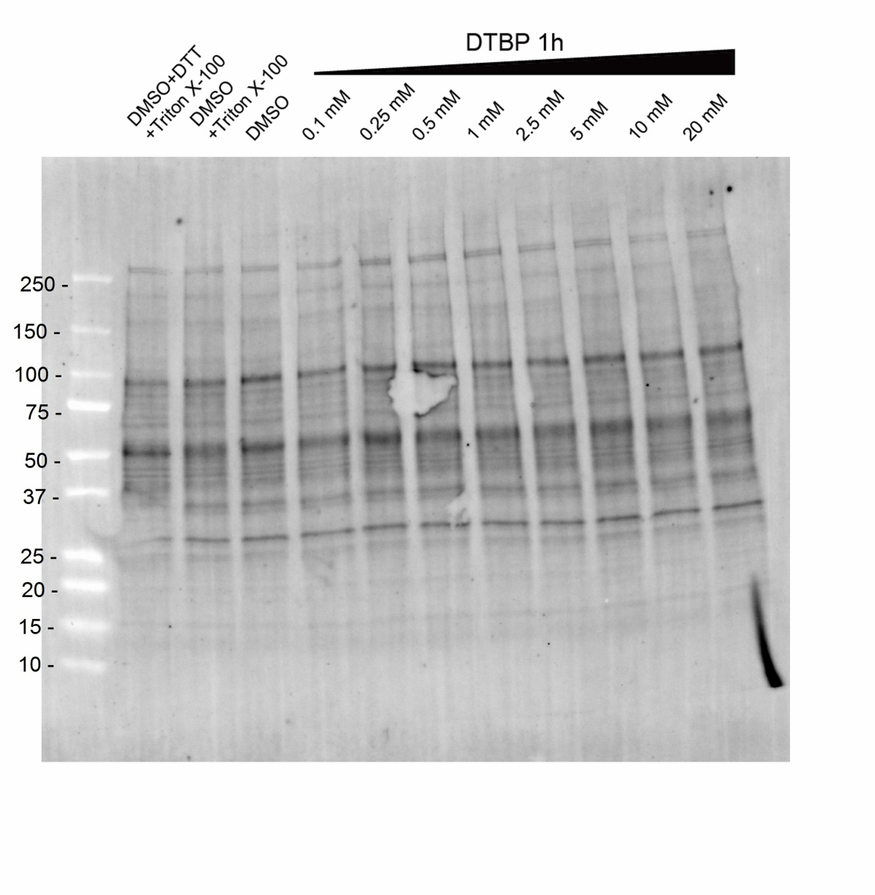
 | stain-free

