Fig2 Counts
 |  |  |  | 327

 | WG TWO |  | WG THREE |  | Total
 | n | % | n | %
Children | 209 | 76% | 31 | 58% | 240 | 73%
Youth | 65 | 24% | 22 | 42% | 87 | 27%
Total by WG | 274 | 84% | 53 | 16% | 327

Total
Rows in spreadsheet | 308
Total refs to children and youth | 327 | 19 refs included children and youth

Risks
Rows in spreadsheet | 201 | Refs with at least 1 risk
Total refs to risk | 294 | Refs for both children and youth are double counted

Responses
Rows in spreadsheet | 107 | Refs with at least 1 response
Total refs to responses | 114 | Refs for both children and youth are double counted

Line List
Rows in spreadsheet | 80
Child | 62 | 25.83% | of all refs to children
Youth | 28 | 32.18% | of all refs to youth
Total refs with line list | 90 | 27.52% | of all refs to children and youth

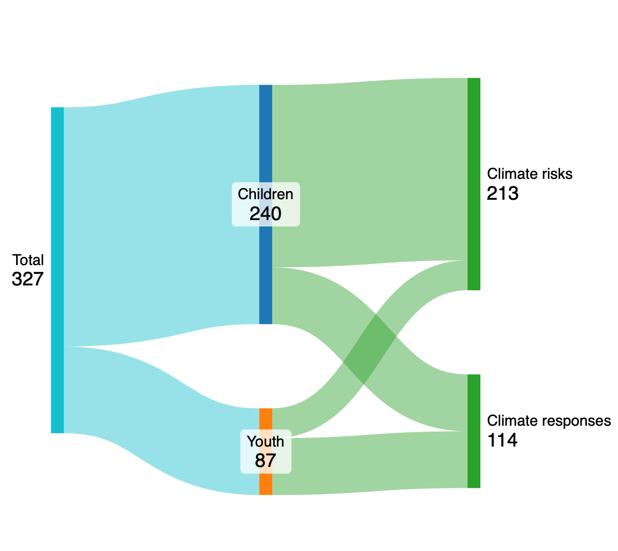
Flow diagram -- https://sankeymatic.com/build/

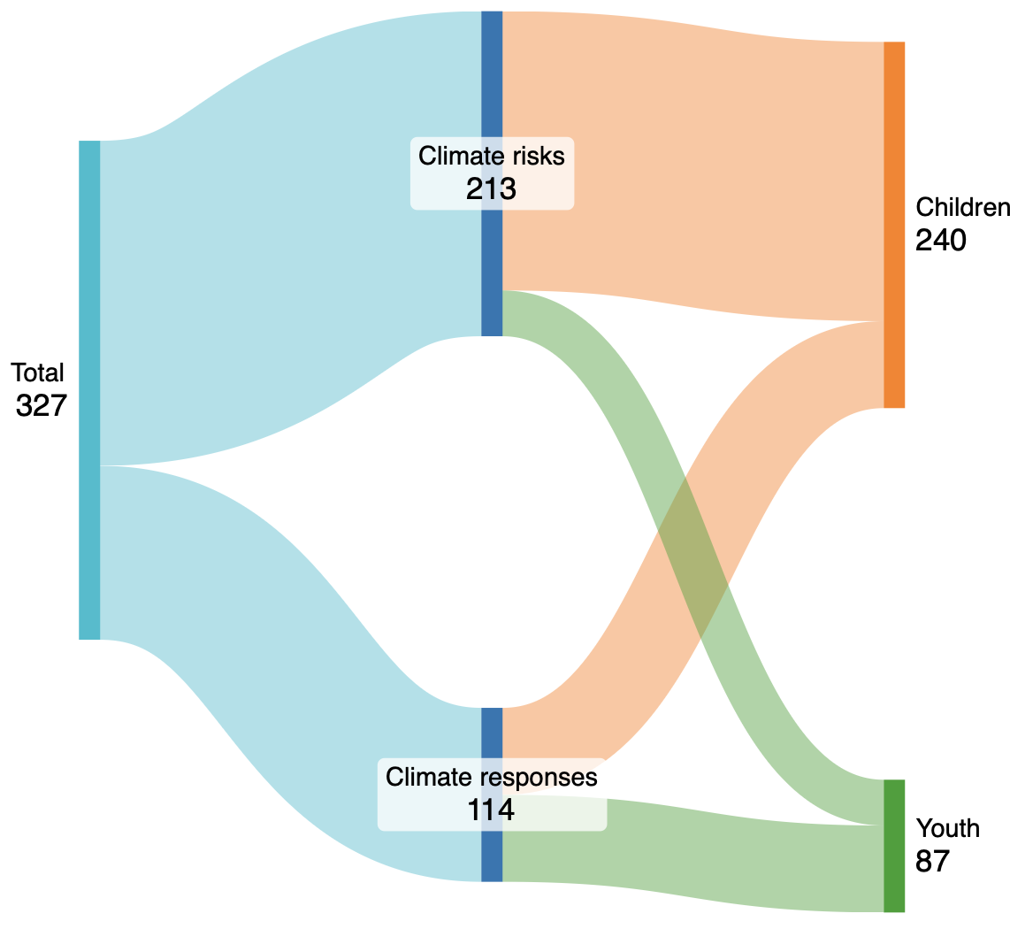
References to children or youth: WGII [274] Total
References to children and youth: WGIII [53] Total
 |  |  |  |  |  |  | Total [240] Children
Total [213] Climate risks |  |  |  |  |  |  | Total [87] Youth
Total [114] Climate responses

 |  |  |  |  |  |  | Children [183] Climate risks
Climate risks [183] Children | 0.8591549296 |  |  |  |  |  | Children [57] Climate responses
Climate risks [30] Youth | 0.1408450704
 |  |  |  |  |  |  | Youth [30] Climate risks
Climate responses [57] Children |  |  |  |  |  |  | Youth [57] Climate responses
Climate responses [57] Youth

----
Children [273] Climate risks
Children [57] Climate responses

Climate risks | [96] | Physical health
Climate risks | [60] | Nutrition
Climate risks | [31] | Mortality
Climate risks | [21] | WASH
Climate risks | [15] | Education and play
Climate risks | [14] | General burden
Climate risks | [12] | Violence & CP
Climate risks | [11] | Livelihoods
Climate risks | [10] | Mental health
Climate risks | [3] | Migration

Climate responses | [2] | Collective action and social organising
Climate responses | [10] | Participatory governance and planning
Climate responses | [3] | Climate-change education
Climate responses | [7] | Community adaptation
Climate responses | [16] | Economic/health/social systems and protection
Climate responses | [4] | Food production/systems
Climate responses | [1] | Litigation
Climate responses | [14] | Built Environment

