Sheet1
 |  |  |  |  |  |  |  | Human mtDNA
Sample | Sequencing ID# | File number | Description |  | Raw reads | reads >30 length cutadapt | % of raw | Number of seq aligned q30 | % end | rmdup aligned q30 | duplicate rate | Percent 5' C to T | Notes
MT_1CRA_2749 | 250380 | 1 | Guattari_C10a | Upper 2nd Molar | 2342645 | 2011091 | 85.8 | 455659 | 19.5 | 1317 | 346.0 | 4.43686
MT_1CRA_2750 | 250381 | 2 | Guattari_C10b | Upper 3rd Molar | 1621270 | 998241 | 61.6 | 238676 | 14.7 | 708 | 337.1 | 11.1111 | Suspicious length distribution, the 3' end has a G to T signal, which it should not
MT_1CRA_2751 | 250382 | 3 | Guattari_C14 | URPremolar fragment of crown | 2745391 | 2159067 | 78.6 | 824913 | 30.0 | 2100 | 392.8 | 4.66926
MT_1CRA_2752 | 250383 | 4 | Guattari_C11 | L3rd molar good condition | 2202751 | 1045283 | 47.5 | 363384 | 16.5 | 476 | 763.4 | 12.5 | G to A again has a signal, which it should not
MT_1CRA_2753 | 250384 | 5 | Guattari_C13 | URC good condition glued | 1537433 | 919483 | 59.8 | 161847 | 10.5 | 3564 | 45.4 | 2.87425
MT_1CRA_2754 | 250385 | 6 | Guattari_C15 | Upper Molar incomplete | 4670605 | 3759447 | 80.5 | 1882083 | 40.3 | 979 | 1922.5 | 4.68085
MT_1CRA_2755 | 250386 | 7 | Guattari_C12 | tooth broken in 4 parts | 2399434 | 1854949 | 77.3 | 991715 | 41.3 | 4089 | 242.5 | 1.48305
MT_1CRA_2757 | 250388 | 9 | Circeo 3_7144 | mandible | 5228330 | 4552846 | 87.1 | 3294926 | 63.0 | 3735 | 882.2 | 4.83271
pool_blanks_MT_1CRA | 250391 | 11 | Extraction blank |  | 1070950 | 319341 | 29.8 | 29184 | 2.7 | 555 | 52.6 | 4.31034
pool_blanks_MT_1CRA | 250393 | 12 | Library blank |  | 845766 | 299155 | 35.4 | 283 | 0.0 | 98 | 2.9 | 0
pool_blanks_MT_1CRA | 250394 | 13 | Library blank |  | 284237 | 95907 | 33.7 | 105 | 0.0 | 45 | 2.3 | 11.1111

Sample |  | C to T |  |  |  |  |  |  |  |  |  |  | Length distribution
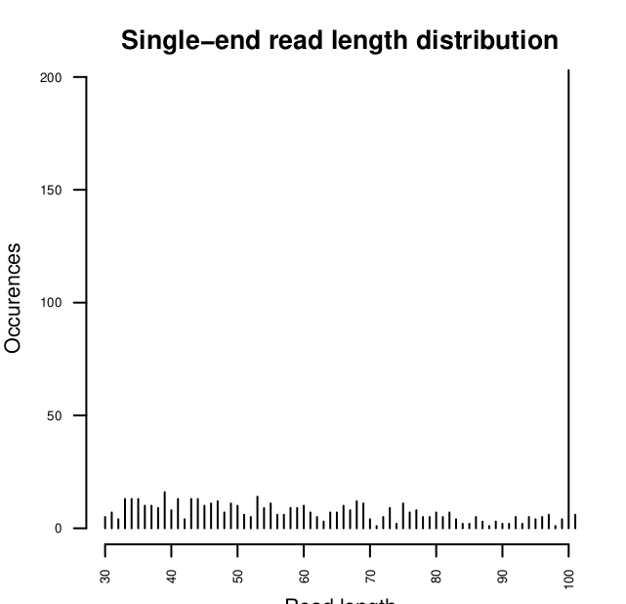

2750

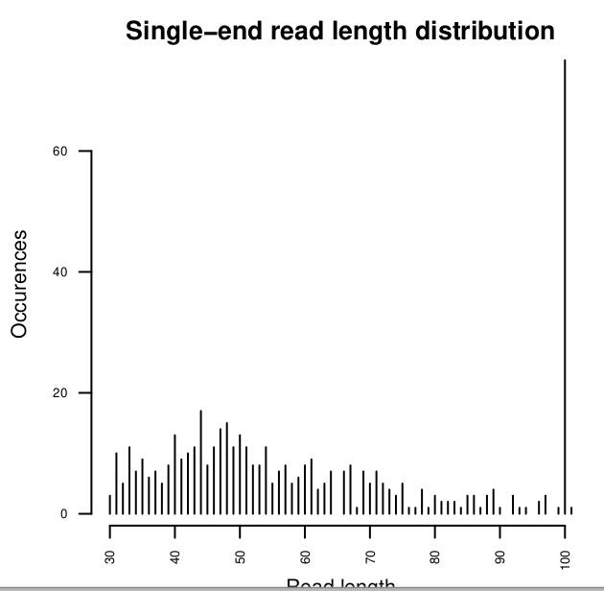

2752

