Venn down
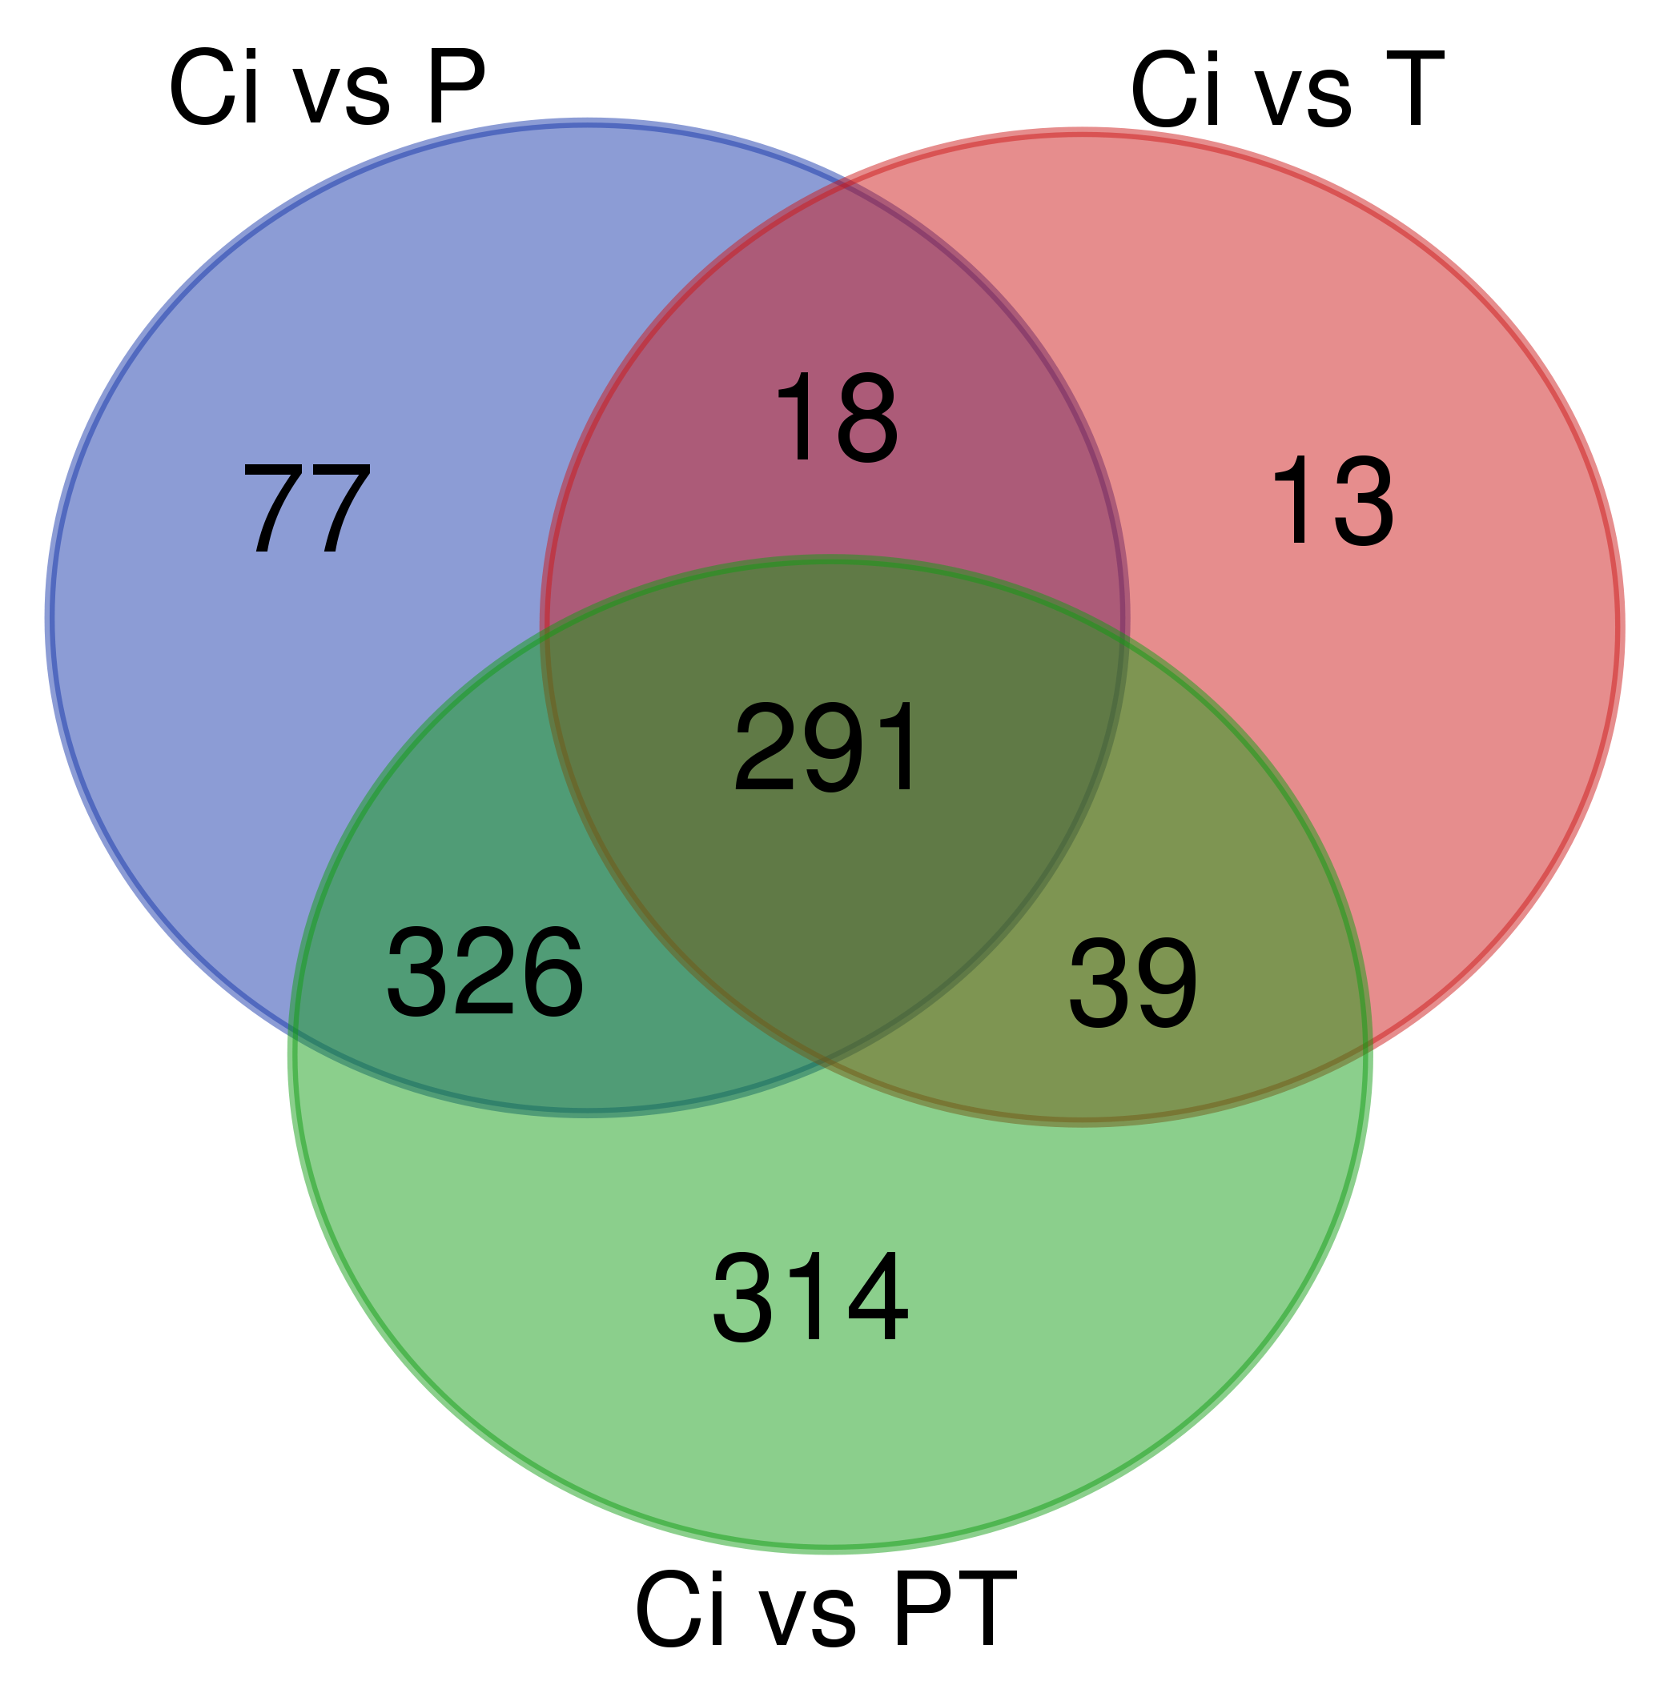
Names | total | elements | Alignment ID | Average Rt(min) | Average Mz | Metabolite name | Adduct type | Reference m/z
Ci vs P Ci vs PT Ci vs T | 291 | 7661 | 1438 | 3.01 | 133.02809 | w/o MS2:6-Hydroxy-7-methoxyflavone | [M-H]- | 133.03000
 |  | 13666 | 13572 | 3.93 | 497.12885 | w/o MS2:Roccellin | [2MᶧH]- | 497.12900
 |  | 8349 | 17690 | 3.50 | 643.16736 | w/o MS2:NCGC00347589-02![(2S,3R,4S,5S,6R)-4,5-dihydroxy-2-[2-(1-hydroxy-4-oxocyclohexa-2,5-dien-1-yl)acetyl]oxy-6-[[2-(1-hydroxy-4-oxocyclohexa-2,5-dien-1-yl)acetyl]oxymethyl]oxan-3-yl] 2-phenylacetate | [2M-H]- | 643.16699
 |  | 6043 | 14286 | 4.67 | 517.15057 | w/o MS2:NCGC00381233-01_C21H28O12_alpha-D-Glucopyranoside, 4-O-[(2E)-1-oxo-3-phenyl-2-propen-1-yl]-beta-D-fructofuranosyl | [MH]- | 517.15601
 |  | 11870 | 14285 | 6.10 | 517.15051 | w/o MS2:NCGC00381233-01_C21H28O12_alpha-D-Glucopyranoside, 4-O-[(2E)-1-oxo-3-phenyl-2-propen-1-yl]-beta-D-fructofuranosyl | [M2H]- | 517.15601
 |  | 11859 | 11163 | 6.80 | 435.14551 | w/o MS2:Loganin | [M-H2O-H]- | 435.15079
 |  | 19706 | 13263 | 8.46 | 489.11121 | w/o MS2:2-[4-(2H-benzo[3,4-d]1,3-dioxolan-5-yl)-5-(3,4,5-trimethoxyphenyl)-1,2,4-triaz ol-3-ylthio]acetamide | [M]- | 489.10901
 |  | 12478 | 13258 | 8.00 | 489.11108 | w/o MS2:2-[4-(2H-benzo[3,4-d]1,3-dioxolan-5-yl)-5-(3,4,5-trimethoxyphenyl)-1,2,4-triaz ol-3-ylthio]acetamide | [M]- | 489.10901
 |  | 5335 | 13256 | 6.19 | 489.11096 | w/o MS2:2-[4-(2H-benzo[3,4-d]1,3-dioxolan-5-yl)-5-(3,4,5-trimethoxyphenyl)-1,2,4-triaz ol-3-ylthio]acetamide | [2MH]- | 489.10901
 |  | 11051 | 5764 | 3.01 | 281.06686 | w/o MS2:7-amino-2,4-dioxo-5-phenyl-1,3-dihydro-5H-pyrano[2,3-d]pyrimidine-6-carbonitri le | [MᶧH]- | 281.06799
 |  | 18464 | 14208 | 7.30 | 515.13513 | w/o MS2:ethyl 3-indol-3-yl-2-{[(4-methoxy-3-(1,2,3,4-tetraazolyl)phenyl)sulfonyl]amino }propanoate | [MH]- | 515.13501
 |  | 20398 | 12482 | 7.29 | 469.12979 | w/o MS2:ethyl 3-indol-3-yl-2-{[(4-methoxy-3-(1,2,3,4-tetraazolyl)phenyl)sulfonyl]amino }propanoate | [M-H]- | 469.13000
 |  | 12242 | 10653 | 3.30 | 423.00223 | w/o MS2:Massbank:KO000475 Cocarboxylase|Thiamin pyrophosphate|TPP|Thiamine diphosphate|ThPP|Thiamin diphosphate|Thiamine pyrophosphate | [MᶧH]- | 423.00000
 |  | 10081 | 16996 | 5.19 | 610.14917 | w/o MS2:cyclohexyl 4-(3-bromo-4-hydroxy-5-methoxyphenyl)-2-methyl-5-oxo-7-phenyl-1,4,6 ,7,8-pentahydroquinoline-3-carboxylate | [M-H]- | 610.14502
 |  | 18234 | 11353 | 3.01 | 441.01169 | w/o MS2:Sucralose - 40.0 eV | [M-H]- | 441.01300
 |  | 2699 | 11356 | 3.81 | 441.01208 | w/o MS2:Sucralose - 40.0 eV | [M-H]- | 441.01300
 |  | 9985 | 17858 | 3.72 | 651.15833 | w/o MS2:NCGC00380531-01!3-(1,3-benzodioxol-5-yl)-7-[(2S,3R,4S,5S,6R)-6-[[(2S,3R,4R)-3,4-dihydroxy-4-(hydroxymethyl)oxolan-2-yl]oxymethyl]-3,4,5-trihydroxyoxan-2-yl]oxy-6-methoxychromen-4-one | [M-H]- | 651.15601
 |  | 1438 | 17152 | 3.30 | 617.11597 | w/o MS2:6-[(2S,3R,4S,5S,6R)-4,5-dihydroxy-6-(hydroxymethyl)-3-[(2S,3R,4R,5R,6S)-3,4,5-trihydroxy-6-methyloxan-2-yl]oxyoxan-2-yl]-5,7-dihydroxy-2-(4-hydroxyphenyl)chromen-4-one | [M-H]- | 617.11200
 |  | 11869 | 17729 | 5.20 | 645.12085 | w/o MS2:NCGC00386049-01!3-[(2S,3R,4S,5R,6S)-3,4-dihydroxy-6-methyl-5-[(2S,3R,4S,5S,6R)-3,4,5-trihydroxy-6-(hydroxymethyl)oxan-2-yl]oxyoxan-2-yl]oxy-2-(3,4-dihydroxyphenyl)-5,7-dihydroxychromen-4-one | [Mࡽ숸H]- | 645.12201
 |  | 14208 | 5397 | 3.57 | 265.07150 | w/o MS2:Dihydrocitrinone | [M-H]- | 265.07181
...

Venn up
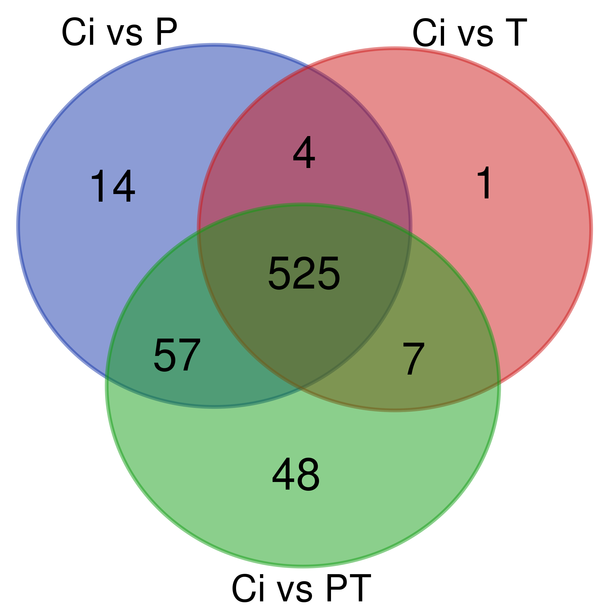
Names | total | elements | Alignment ID | Average Rt(min) | Average Mz | Metabolite name | Adduct type | Reference m/z
Ci vs P Ci vs PT Ci vs T | 525 | 14009 | 14405 | 4.50 | 520.20056 | w/o MS2:matairesinoside | [M-H]- | 520.19501
 |  | 17537 | 14406 | 6.91 | 520.20074 | w/o MS2:matairesinoside | [M-H]- | 520.19501
 |  | 1801 | 6033 | 5.28 | 289.11200 | w/o MS2:altenusin | [M-H]- | 289.11115
 |  | 11533 | 6034 | 5.76 | 289.11206 | w/o MS2:altenusin | [M2H]- | 289.11115
 |  | 13048 | 15833 | 8.19 | 567.25702 | w/o MS2:LPI 16:2 | [M]- | 567.25757
 |  | 1050 | 15590 | 6.56 | 559.15918 | w/o MS2:N-{9-[3,4-dihydroxy-5-(hydroxymethyl)oxolan-2-yl]-6-oxohydropurin-2-yl}-2-(1,3 -dioxobenzo[c]azolidin-2-yl)-3-phenylpropanamide | [M-H]- | 559.15802
 |  | 10355 | 9461 | 4.86 | 389.14621 | w/o MS2:Loganin | [M-H]- | 389.14532
 |  | 22187 | 9503 | 3.97 | 390.13980 | w/o MS2:{2-[(3,4-dimethoxyphenyl)carbonylamino]phenyl}-N-(6-methyl(2-pyridyl))carboxam ide | [Mୡ2H]- | 390.14600
 |  | 7161 | 6131 | 6.56 | 293.08804 | w/o MS2:cyclopenin | [M-H]- | 293.08609
 |  | 15550 | 6126 | 6.68 | 293.08743 | w/o MS2:cyclopenin | [M-H]- | 293.08609
 |  | 16017 | 1474 | 4.24 | 134.03615 | w/o MS2:Massbank:EQ289958 1-Hydroxybenzotriazole | [M-H]- | 134.03600
 |  | 17205 | 16132 | 8.00 | 577.28741 | w/o MS2:(3S,4S)-5-[(3S,4S)-4,10-dihydroxy-7,9-dimethoxy-3-methyl-3,4-dihydro-1H-benzo[g]isochromen-5-yl]-7,9-dimethoxy-3-methyl-3,4-dihydro-1H-benzo[g]isochromene-4,10-diol | [M-H]- | 577.28314
 |  | 8882 | 16135 | 6.92 | 577.28760 | w/o MS2:(3S,4S)-5-[(3S,4S)-4,10-dihydroxy-7,9-dimethoxy-3-methyl-3,4-dihydro-1H-benzo[g]isochromen-5-yl]-7,9-dimethoxy-3-methyl-3,4-dihydro-1H-benzo[g]isochromene-4,10-diol | [M2H]- | 577.28314
 |  | 9695 | 16131 | 8.19 | 577.28741 | w/o MS2:(3S,4S)-5-[(3S,4S)-4,10-dihydroxy-7,9-dimethoxy-3-methyl-3,4-dihydro-1H-benzo[g]isochromen-5-yl]-7,9-dimethoxy-3-methyl-3,4-dihydro-1H-benzo[g]isochromene-4,10-diol | [MᶧH]- | 577.28314
 |  | 6131 | 6031 | 5.63 | 289.11191 | w/o MS2:dehydrocurvularin | [M-H]- | 289.10831
 |  | 15611 | 14960 | 6.91 | 537.19653 | w/o MS2:2-[4-[4-[hydroxy-(4-hydroxy-3-methoxyphenyl)methyl]-3-(hydroxymethyl)oxolan-2-yl]-2-methoxyphenoxy]-6-(hydroxymethyl)oxane-3,4,5-triol | [M-H]- | 537.19708
 |  | 18338 | 8660 | 4.72 | 367.15372 | w/o MS2:PA 2:0_10:0 | [M-H]- | 367.15274
 |  | 15172 | 8658 | 4.92 | 367.15222 | w/o MS2:PA 12:0 | [M-H]- | 367.15219
 |  | 10318 | 12330 | 7.88 | 465.13855 | w/o MS2:NCGC00180155-02!3-(4-hydroxyphenyl)-1-[2-hydroxy-4-[(2S,3R,4S,5R,6R)-3,4,5-trihydroxy-6-(hydroxymethyl)oxan-2-yl]oxyphenyl]propan-1-one | [M-H]- | 465.14001
 |  | 14548 | 2824 | 5.89 | 179.05505 | D-PSICOSE | [M-H]- | 179.05507
...

Figures Down
...
 |  |  |  |  |  |  |  |  |  | Common Down | P Down | T Down | PT Down
Completed | Organic compounds | Benzenoids | Benzene and substituted derivatives | Benzoic acids and derivatives | Hydroxybenzoic acid derivatives |  |  |  | Nucleosides & nucleotides |  |  |  | 5
Completed | Organic compounds | Benzenoids | Benzene and substituted derivatives | Benzoic acids and derivatives | Phthalic acid and derivatives | M-phthalic acid and derivatives |  |  | Organic acids | 3 | 5 |  | 5
Completed | Organic compounds | Benzenoids | Benzene and substituted derivatives | Benzoic acids and derivatives | Phthalic acid and derivatives | Phthalate esters | m-Phthalate esters |  | Organic oxygen compounds | 4 | 2 |  | 5
Completed | Organic compounds | Benzenoids | Benzene and substituted derivatives | Benzoic acids and derivatives | Phthalic acid and derivatives | Phthalate esters | m-Phthalate esters |  | Organoheterocyclic compounds | 28 | 5 |  | 28
Completed | Organic compounds | Benzenoids | Benzene and substituted derivatives | Benzonitriles | Benzonitriles |  |  |  | Phenolics | 120 | 8 | 3 | 82
Completed | Organic compounds | Benzenoids | Benzene and substituted derivatives | Benzophenones | Benzophenones |  |  |  | Terpenes | 10 | 8 |  | 10
Completed | Organic compounds | Benzenoids | Benzene and substituted derivatives | Benzophenones | Benzophenones |  |  |  | Unknowns | 71 | 21 | 7 | 121
Completed | Organic compounds | Benzenoids | Benzene and substituted derivatives | Diphenylethers | Diphenylethers |  |  |  |  | 291 | 77 | 13 | 314
Completed | Organic compounds | Benzenoids | Benzene and substituted derivatives | Diphenylethers | Diphenylethers
Completed | Organic compounds | Benzenoids | Benzene and substituted derivatives | Diphenylethers | Diphenylethers
 | Common
Alkaloids
Amino acids | 9
Benzenoids | 33
Carbohydrates | 3
Lignans
Lipids | 10
Nucleosides & nucleotides
Organic acids | 3
Organic oxygen compounds | 4
Organoheterocyclic compounds | 28
Phenolics | 120
Terpenes | 10
Unknowns | 71
Completed | Organic compounds | Benzenoids | Benzene and substituted derivatives | Diphenylethers | Diphenylethers
Completed | Organic compounds | Benzenoids | Benzene and substituted derivatives | Nitrobenzenes | Nitrophenyl ethers
Completed | Organic compounds | Benzenoids | Benzene and substituted derivatives | N-phenylureas | N-phenylureas
Completed | Organic compounds | Benzenoids | Benzene and substituted derivatives | Styrenes | Styrenes
Completed | Organic compounds | Benzenoids | Benzene and substituted derivatives | Styrenes | Styrenes
Completed | Organic compounds | Benzenoids | Benzene and substituted derivatives |  | Benzene and substituted derivatives
Completed | Organic compounds | Benzenoids | Benzene and substituted derivatives |  | Benzene and substituted derivatives
Completed | Organic compounds | Benzenoids | Indanes |  | Indanes
Completed | Organic compounds | Benzenoids | Naphthalenes | Naphthalenecarboxylic acids and derivatives | Naphthalenecarboxylic acids
Completed | Organic compounds | Benzenoids | Naphthalenes | Naphthalenecarboxylic acids and derivatives | Naphthalenecarboxylic acids
Completed | Organic compounds | Benzenoids | Phenols | 1-hydroxy-2-unsubstituted benzenoids | 1-hydroxy-2-unsubstituted benzenoids
Completed | Organic compounds | Benzenoids | Phenols | 1-hydroxy-2-unsubstituted benzenoids | 1-hydroxy-2-unsubstituted benzenoids
Completed | Organic compounds | Benzenoids | Phenols | Benzenediols | Catechols
Completed | Organic compounds | Benzenoids | Phenols | Benzenediols | Catechols
Completed | Organic compounds | Benzenoids | Phenols | Methoxyphenols | Methoxyphenols
Completed | Organic compounds | Benzenoids | Pyrenes | Benzopyrenes | Benzopyrenes
Completed | Organic compounds | Benzenoids | Pyrenes | Benzopyrenes | Benzopyrenes
Completed | Organic compounds | Lipids and lipid-like molecules | Fatty Acyls | Eicosanoids | Prostaglandins and related compounds
Completed | Organic compounds | Lipids and lipid-like molecules | Glycerophospholipids |  | Glycerophospholipids
Completed | Organic compounds | Lipids and lipid-like molecules | Prenol lipids | Diterpenoids | Acyclic diterpenoids
Completed | Organic compounds | Lipids and lipid-like molecules | Prenol lipids | Diterpenoids | Taxanes and derivatives
Completed | Organic compounds | Lipids and lipid-like molecules | Prenol lipids | Quinone and hydroquinone lipids | Vitamin K compounds
Completed | Organic compounds | Lipids and lipid-like molecules | Prenol lipids | Terpene glycosides | Iridoid O-glycosides
Completed | Organic compounds | Lipids and lipid-like molecules | Prenol lipids | Terpene glycosides | Iridoid O-glycosides
Completed | Organic compounds | Lipids and lipid-like molecules | Prenol lipids | Terpene glycosides | Terpene glycosides
Alkaloids | 1
Amino acids | 8
Benzenoids | 3
Carbohydrates | 1
Lignans
Lipids | 15
Nucleosides & nucleotides
Organic acids | 5
Organic oxygen compounds | 2
Organoheterocyclic compounds | 5
Phenolics | 8
Terpenes | 8
Unknowns | 21
Completed | Organic compounds | Lipids and lipid-like molecules | Prenol lipids | Terpene lactones | Diterpene lactones | Ginkgolides and bilobalides
Completed | Organic compounds | Lipids and lipid-like molecules | Prenol lipids | Terpene lactones | Diterpene lactones | Ginkgolides and bilobalides
Completed | Organic compounds | Lipids and lipid-like molecules | Prenol lipids | Terpene lactones | Terpene lactones
Completed | Organic compounds | Lipids and lipid-like molecules | Prenol lipids | Triterpenoids | Limonoids
Completed | Organic compounds | Lipids and lipid-like molecules | Saccharolipids |  | Saccharolipids
Completed | Organic compounds | Lipids and lipid-like molecules | Saccharolipids |  | Saccharolipids
Completed | Organic compounds | Lipids and lipid-like molecules | Steroids and steroid derivatives | Hydroxysteroids | 1-hydroxysteroids
Completed | Organic compounds | Lipids and lipid-like molecules | Steroids and steroid derivatives | Hydroxysteroids | 1-hydroxysteroids
Completed | Organic compounds | Lipids and lipid-like molecules | Steroids and steroid derivatives | Hydroxysteroids | 21-hydroxysteroids
Completed | Organic compounds | Organic acids and derivatives | Carboxylic acids and derivatives | Amino acids, peptides, and analogues | Amino acids and derivatives | Alpha amino acids and derivatives | Alpha amino acid esters
Completed | Organic compounds | Organic acids and derivatives | Carboxylic acids and derivatives | Amino acids, peptides, and analogues | Amino acids and derivatives | Alpha amino acids and derivatives | Alpha amino acid esters
Completed | Organic compounds | Organic acids and derivatives | Carboxylic acids and derivatives | Amino acids, peptides, and analogues | Amino acids and derivatives | Alpha amino acids and derivatives | Leucine and derivatives
Completed | Organic compounds | Organic acids and derivatives | Carboxylic acids and derivatives | Amino acids, peptides, and analogues | Amino acids and derivatives | Alpha amino acids and derivatives | N-acyl-alpha amino acids and derivatives | N-acyl-alpha amino acids
Completed | Organic compounds | Organic acids and derivatives | Carboxylic acids and derivatives | Amino acids, peptides, and analogues | Amino acids and derivatives | Alpha amino acids and derivatives | Tyrosine and derivatives
Completed | Organic compounds | Organic acids and derivatives | Carboxylic acids and derivatives | Amino acids, peptides, and analogues | Amino acids and derivatives | Alpha amino acids and derivatives | Tyrosine and derivatives
Completed | Organic compounds | Organic acids and derivatives | Carboxylic acids and derivatives | Amino acids, peptides, and analogues | Amino acids and derivatives | Alpha amino acids and derivatives
Completed | Organic compounds | Organic acids and derivatives | Carboxylic acids and derivatives | Amino acids, peptides, and analogues | Peptides
Completed | Organic compounds | Organic acids and derivatives | Carboxylic acids and derivatives | Carboxylic acids | Carboxylic acids
Completed | Organic compounds | Organic acids and derivatives | Peptidomimetics | Depsipeptides | Depsipeptides
Completed | Organic compounds | Organic acids and derivatives | Peptidomimetics | Hybrid peptides | Hybrid peptides
Completed | Organic compounds | Organic nitrogen compounds | Organonitrogen compounds | Amino acids, peptides, and analogues | Primary amines | Monoalkylamines
Completed | Organic compounds | Organic oxygen compounds | Organooxygen compounds | Alcohols and polyols | Cyclic alcohols and derivatives | Cyclitols and derivatives | Quinic acids and derivatives
Completed | Organic compounds | Organic oxygen compounds | Organooxygen compounds | Carbohydrates and carbohydrate conjugates | Glycosyl compounds | C-glycosyl compounds
Completed | Organic compounds | Organic oxygen compounds | Organooxygen compounds | Carbohydrates and carbohydrate conjugates | Glycosyl compounds | C-glycosyl compounds
Alkaloids
Amino acids
Benzenoids | 1
Carbohydrates
Lignans | 1
Lipids | 1
Nucleosides & nucleotides
Organic acids
Organic oxygen compounds
Organoheterocyclic compounds
Phenolics | 3
Terpenes
Unknowns | 7
Completed | Organic compounds | Organic oxygen compounds | Organooxygen compounds | Carbohydrates and carbohydrate conjugates | Glycosyl compounds | Phenolic glycosides
Completed | Organic compounds | Organic oxygen compounds | Organooxygen compounds | Carbohydrates and carbohydrate conjugates | Glycosyl compounds | Phenolic glycosides
Completed | Organic compounds | Organic oxygen compounds | Organooxygen compounds | Carbohydrates and carbohydrate conjugates | Glycosyl compounds | Phenolic glycosides
Completed | Organic compounds | Organic oxygen compounds | Organooxygen compounds | Carbohydrates and carbohydrate conjugates | Glycosyl compounds | Phenolic glycosides
Completed | Organic compounds | Organic oxygen compounds | Organooxygen compounds | Carbohydrates and carbohydrate conjugates | Glycosyl compounds | Phenolic glycosides
Completed | Organic compounds | Organic oxygen compounds | Organooxygen compounds | Carbohydrates and carbohydrate conjugates | Glycosyl compounds | Phenolic glycosides
Completed | Organic compounds | Organic oxygen compounds | Organooxygen compounds | Carbohydrates and carbohydrate conjugates | Glycosyl compounds | Phenolic glycosides
Completed | Organic compounds | Organic oxygen compounds | Organooxygen compounds | Carbohydrates and carbohydrate conjugates | Glycosyl compounds | Phenolic glycosides
Completed | Organic compounds | Organic oxygen compounds | Organooxygen compounds | Carbohydrates and carbohydrate conjugates | Glycosyl compounds | Phenolic glycosides
Completed | Organic compounds | Organic oxygen compounds | Organooxygen compounds | Carbohydrates and carbohydrate conjugates | Glycosyl compounds | Phenolic glycosides
Completed | Organic compounds | Organic oxygen compounds | Organooxygen compounds | Carbohydrates and carbohydrate conjugates | Glycosyl compounds | Phenolic glycosides
Completed | Organic compounds | Organic oxygen compounds | Organooxygen compounds | Carbohydrates and carbohydrate conjugates | Monosaccharides | Monosaccharide phosphates
Completed | Organic compounds | Organic oxygen compounds | Organooxygen compounds | Carbohydrates and carbohydrate conjugates | Monosaccharides | Pentoses | Pentose phosphates
Completed | Organic compounds | Organic oxygen compounds | Organooxygen compounds | Carbohydrates and carbohydrate conjugates | Sugar acids and derivatives | Glucuronic acid derivatives | Glucuronides | O-glucuronides
Completed | Organic compounds | Organic oxygen compounds | Organooxygen compounds | Carbonyl compounds | Ketones | Cyclic ketones | Cyclohexenones
Completed | Organic compounds | Organoheterocyclic compounds | Azaphilones |  | Azaphilones
Completed | Organic compounds | Organoheterocyclic compounds | Azoles | Pyrazoles | Phenylpyrazoles
Completed | Organic compounds | Organoheterocyclic compounds | Azoles | Pyrazoles | Phenylpyrazoles
Completed | Organic compounds | Organoheterocyclic compounds | Azoles | Triazoles | Phenyltriazoles | Phenyl-1,2,4-triazoles
Completed | Organic compounds | Organoheterocyclic compounds | Azoles | Triazoles | Phenyltriazoles | Phenyl-1,2,4-triazoles
Completed | Organic compounds | Organoheterocyclic compounds | Azoles | Triazoles | Phenyltriazoles | Phenyl-1,2,4-triazoles
Completed | Organic compounds | Organoheterocyclic compounds | Benzofurans | Benzofuranones | Benzofuranones
Completed | Organic compounds | Organoheterocyclic compounds | Benzopyrans | 1-benzopyrans | Chromones
Completed | Organic compounds | Organoheterocyclic compounds | Benzopyrans | 1-benzopyrans | Chromones
Alkaloids | 1
Amino acids | 3
Benzenoids | 30
Carbohydrates | 8
Lignans
Lipids | 16
Nucleosides & nucleotides | 5
Organic acids | 5
Organic oxygen compounds | 5
Organoheterocyclic compounds | 28
Phenolics | 82
Terpenes | 10
Unknowns | 121
Completed | Organic compounds | Organoheterocyclic compounds | Benzopyrans | 1-benzopyrans | Chromones
Completed | Organic compounds | Organoheterocyclic compounds | Benzopyrans | 1-benzopyrans | Chromones
Completed | Organic compounds | Organoheterocyclic compounds | Benzopyrans | 1-benzopyrans | Chromones
Completed | Organic compounds | Organoheterocyclic compounds | Diazines | Pyrimidines and pyrimidine derivatives | Pyrimidones
Completed | Organic compounds | Organoheterocyclic compounds | Diazines | Pyrimidines and pyrimidine derivatives | Thiamines | Thiamine phosphates
Completed | Organic compounds | Organoheterocyclic compounds | Indoles and derivatives | Benzoylindoles | Benzoylindoles
Completed | Organic compounds | Organoheterocyclic compounds | Indoles and derivatives | Indoles | 3-alkylindoles
Completed | Organic compounds | Organoheterocyclic compounds | Lactams | Beta lactams | Cephems | Cephalosporins
Completed | Organic compounds | Organoheterocyclic compounds | Naphthopyrans | Naphthopyranones | Naphthopyranones
Completed | Organic compounds | Organoheterocyclic compounds | Naphthopyrans |  | Naphthopyrans
Completed | Organic compounds | Organoheterocyclic compounds | Piperidines | Phenylpiperidines | Phenylpiperidines
Completed | Organic compounds | Organoheterocyclic compounds | Pyranopyrimidines |  | Pyranopyrimidines
Completed | Organic compounds | Organoheterocyclic compounds | Pyrans | Pyranones and derivatives | Pyranones and derivatives
Completed | Organic compounds | Organoheterocyclic compounds | Quinolines and derivatives | Hydroquinolines | Hydroquinolines
Completed | Organic compounds | Organoheterocyclic compounds | Quinolines and derivatives | Phenylquinolines | Phenylquinolines
Completed | Organic compounds | Organoheterocyclic compounds | Quinolines and derivatives | Quinoline carboxamides | Quinoline carboxamides
Completed | Organic compounds | Organoheterocyclic compounds | Quinolines and derivatives | Quinoline carboxamides | Quinoline carboxamides
Completed | Organic compounds | Organoheterocyclic compounds | Quinolines and derivatives | Quinoline carboxamides | Quinoline carboxamides
Completed | Organic compounds | Organoheterocyclic compounds | Thienopyridines |  | Thienopyridines
Completed | Organic compounds | Phenylpropanoids and polyketides | 2-arylbenzofuran flavonoids |  | 2-arylbenzofuran flavonoids
Completed | Organic compounds | Phenylpropanoids and polyketides | 2-arylbenzofuran flavonoids |  | 2-arylbenzofuran flavonoids
Completed | Organic compounds | Phenylpropanoids and polyketides | 2-arylbenzofuran flavonoids |  | 2-arylbenzofuran flavonoids
Completed | Organic compounds | Phenylpropanoids and polyketides | 2-arylbenzofuran flavonoids |  | 2-arylbenzofuran flavonoids
Completed | Organic compounds | Phenylpropanoids and polyketides | 2-arylbenzofuran flavonoids |  | 2-arylbenzofuran flavonoids
Completed | Organic compounds | Phenylpropanoids and polyketides | 2-arylbenzofuran flavonoids |  | 2-arylbenzofuran flavonoids
Completed | Organic compounds | Phenylpropanoids and polyketides | 2-arylbenzofuran flavonoids |  | 2-arylbenzofuran flavonoids
Completed | Organic compounds | Phenylpropanoids and polyketides | 2-arylbenzofuran flavonoids |  | 2-arylbenzofuran flavonoids
Completed | Organic compounds | Phenylpropanoids and polyketides | 2-arylbenzofuran flavonoids |  | 2-arylbenzofuran flavonoids
Completed | Organic compounds | Phenylpropanoids and polyketides | 2-arylbenzofuran flavonoids |  | 2-arylbenzofuran flavonoids
Completed | Organic compounds | Phenylpropanoids and polyketides | 2-arylbenzofuran flavonoids |  | 2-arylbenzofuran flavonoids
Completed | Organic compounds | Phenylpropanoids and polyketides | 2-arylbenzofuran flavonoids |  | 2-arylbenzofuran flavonoids
Completed | Organic compounds | Phenylpropanoids and polyketides | 2-arylbenzofuran flavonoids |  | 2-arylbenzofuran flavonoids
Completed | Organic compounds | Phenylpropanoids and polyketides | 2-arylbenzofuran flavonoids |  | 2-arylbenzofuran flavonoids
Completed | Organic compounds | Phenylpropanoids and polyketides | 2-arylbenzofuran flavonoids |  | 2-arylbenzofuran flavonoids
...

Figures UP
...
 |  |  |  |  |  |  |  |  | Common Up | P Up | T Up | PT Up
Completed | Organic compounds | Alkaloids and derivatives | Harmala alkaloids |  | Harmala alkaloids |  |  | Lipids | 58 | 2 |  | 8
Completed | Organic compounds | Alkaloids and derivatives | Harmala alkaloids |  | Harmala alkaloids |  |  | Nucleosides & nucleotides | 6
Completed | Organic compounds | Alkaloids and derivatives | Harmala alkaloids |  | Harmala alkaloids |  |  | Organic acids | 8 |  |  | 2
Completed | Organic compounds | Alkaloids and derivatives | Indolonaphthyridine alkaloids |  | Indolonaphthyridine alkaloids |  |  | Organic oxygen compounds | 5 | 1 |  | 2
Completed | Organic compounds | Alkaloids and derivatives | Lupin alkaloids | Cytisine and derivatives | Cytisine and derivatives |  |  | Organoheterocyclic compounds | 34 | 1 |  | 8
Completed | Organic compounds | Alkaloids and derivatives | Lupin alkaloids | Cytisine and derivatives | Cytisine and derivatives |  |  | Phenolics | 63 | 4 |  | 6
Completed | Organic compounds | Alkaloids and derivatives | Yohimbine alkaloids |  | Yohimbine alkaloids |  |  | Terpenes | 48
Completed | Organic compounds | Benzenoids | Benzene and substituted derivatives | Anilides | Aromatic anilides | Benzanilides |  | Unknowns | 206 | 4 | 1 | 15
Completed | Organic compounds | Benzenoids | Benzene and substituted derivatives | Anilides | Aromatic anilides | Benzanilides |  |  | 0 | 14 | 1 | 48
Completed | Organic compounds | Benzenoids | Benzene and substituted derivatives | Anilides | Aromatic anilides | Benzanilides
 | Common
Alkaloids | 12
Amino acids | 11
Benzenoids | 41
Carbohydrates | 23
Lignans | 10
Lipids | 58
Nucleosides & nucleotides | 6
Organic acids | 8
Organic oxygen compounds | 5
Organoheterocyclic compounds | 34
Phenolics | 63
Terpenes | 48
Unknowns | 206
Completed | Organic compounds | Benzenoids | Benzene and substituted derivatives | Anilides | Aromatic anilides | Benzanilides
Completed | Organic compounds | Benzenoids | Benzene and substituted derivatives | Anilides | Aromatic anilides | Benzanilides
Completed | Organic compounds | Benzenoids | Benzene and substituted derivatives | Anilides | Aromatic anilides | Benzanilides
Completed | Organic compounds | Benzenoids | Benzene and substituted derivatives | Anilides | Aromatic anilides | Benzanilides
Completed | Organic compounds | Benzenoids | Benzene and substituted derivatives | Benzenesulfonamides | Benzenesulfonamides
Completed | Organic compounds | Benzenoids | Benzene and substituted derivatives | Benzenesulfonamides | Benzenesulfonamides
Completed | Organic compounds | Benzenoids | Benzene and substituted derivatives | Benzenesulfonamides | Benzenesulfonamides
Completed | Organic compounds | Benzenoids | Benzene and substituted derivatives | Benzenesulfonamides | Benzenesulfonamides
Completed | Organic compounds | Benzenoids | Benzene and substituted derivatives | Benzenesulfonamides | Benzenesulfonamides
Completed | Organic compounds | Benzenoids | Benzene and substituted derivatives | Benzoic acids and derivatives | Aminobenzoic acids and derivatives | Aminobenzoic acids
Completed | Organic compounds | Benzenoids | Benzene and substituted derivatives | Benzoic acids and derivatives | Benzamides | Hippuric acids and derivatives
Completed | Organic compounds | Benzenoids | Benzene and substituted derivatives | Benzoic acids and derivatives | Benzamides | N-benzylbenzamides
Completed | Organic compounds | Benzenoids | Benzene and substituted derivatives | Benzoic acids and derivatives | Benzoic acid esters | p-Hydroxybenzoic acid esters | p-Hydroxybenzoic acid alkyl esters
Completed | Organic compounds | Benzenoids | Benzene and substituted derivatives | Benzoic acids and derivatives | Methoxybenzoic acids and derivatives | P-methoxybenzoic acids and derivatives
Completed | Organic compounds | Benzenoids | Benzene and substituted derivatives | Benzoic acids and derivatives | Methoxybenzoic acids and derivatives | P-methoxybenzoic acids and derivatives
Completed | Organic compounds | Benzenoids | Benzene and substituted derivatives | Benzoic acids and derivatives | Methoxybenzoic acids and derivatives | P-methoxybenzoic acids and derivatives
Completed | Organic compounds | Benzenoids | Benzene and substituted derivatives | Biphenyls and derivatives | Biphenyls and derivatives
Completed | Organic compounds | Benzenoids | Benzene and substituted derivatives | Biphenyls and derivatives | Biphenyls and derivatives
Completed | Organic compounds | Benzenoids | Benzene and substituted derivatives | Nitrobenzenes | Nitrophenyl ethers
Completed | Organic compounds | Benzenoids | Benzene and substituted derivatives | Phenethylamines | Phenethylamines
Completed | Organic compounds | Benzenoids | Benzene and substituted derivatives | Phenethylamines | Phenethylamines
Completed | Organic compounds | Benzenoids | Benzene and substituted derivatives | Phenoxyacetic acid derivatives | Phenoxyacetic acid derivatives
Completed | Organic compounds | Benzenoids | Benzene and substituted derivatives | Styrenes | Styrenes
Completed | Organic compounds | Benzenoids | Benzene and substituted derivatives | Trifluoromethylbenzenes | Trifluoromethylbenzenes
Alkaloids | 1
Amino acids
Benzenoids
Carbohydrates
Lignans | 1
Lipids | 2
Nucleosides & nucleotides
Organic acids
Organic oxygen compounds | 1
Organoheterocyclic compounds | 1
Phenolics | 4
Terpenes
Unknowns | 4
Completed | Organic compounds | Benzenoids | Benzene and substituted derivatives | Trifluoromethylbenzenes | Trifluoromethylbenzenes
Completed | Organic compounds | Benzenoids | Benzene and substituted derivatives | Trifluoromethylbenzenes | Trifluoromethylbenzenes
Completed | Organic compounds | Benzenoids | Benzene and substituted derivatives | Trifluoromethylbenzenes | Trifluoromethylbenzenes
Completed | Organic compounds | Benzenoids | Benzene and substituted derivatives | Trifluoromethylbenzenes | Trifluoromethylbenzenes
Completed | Organic compounds | Benzenoids | Fluorenes |  | Fluorenes
Completed | Organic compounds | Benzenoids | Fluorenes |  | Fluorenes
Completed | Organic compounds | Benzenoids | Fluorenes |  | Fluorenes
Completed | Organic compounds | Benzenoids | Fluorenes |  | Fluorenes
Completed | Organic compounds | Benzenoids | Phenol esters |  | Phenol esters
Completed | Organic compounds | Benzenoids | Phenol esters |  | Phenol esters
Completed | Organic compounds | Benzenoids | Phenol esters |  | Phenol esters
Completed | Organic compounds | Benzenoids | Phenols | Benzenediols | Catechols
Completed | Organic compounds | Benzenoids | Phenols | Benzenetriols and derivatives | Hydroxyquinols and derivatives
Completed | Organic compounds | Benzenoids | Phenols | Methoxyphenols | Methoxyphenols
Completed | Organic compounds | Lignans, neolignans and related compounds | Arylnaphthalene lignans |  | Arylnaphthalene lignans
Completed | Organic compounds | Lignans, neolignans and related compounds | Arylnaphthalene lignans |  | Arylnaphthalene lignans
Completed | Organic compounds | Lignans, neolignans and related compounds | Arylnaphthalene lignans |  | Arylnaphthalene lignans
Completed | Organic compounds | Lignans, neolignans and related compounds | Furanoid lignans | Tetrahydrofuran lignans | 7,9'-epoxylignans
Completed | Organic compounds | Lignans, neolignans and related compounds | Lignan glycosides |  | Lignan glycosides
Completed | Organic compounds | Lignans, neolignans and related compounds | Lignan glycosides |  | Lignan glycosides
Completed | Organic compounds | Lignans, neolignans and related compounds | Lignan glycosides |  | Lignan glycosides
Completed | Organic compounds | Lignans, neolignans and related compounds | Lignan glycosides |  | Lignan glycosides
Completed | Organic compounds | Lignans, neolignans and related compounds | Lignan glycosides |  | Lignan glycosides
Completed | Organic compounds | Lignans, neolignans and related compounds | Lignan lactones | Podophyllotoxins | Podophyllotoxins
Alkaloids
Amino acids
Benzenoids
Carbohydrates
Lignans
Lipids
Nucleosides & nucleotides
Organic acids
Organic oxygen compounds
Organoheterocyclic compounds
Phenolics
Terpenes
Unknowns | 1
Completed | Organic compounds | Lipids and lipid-like molecules | Fatty Acyls | Fatty acids and conjugates | Medium-chain fatty acids
Completed | Organic compounds | Lipids and lipid-like molecules | Fatty Acyls | Fatty acyl glycosides | Fatty acyl glycosides of mono- and disaccharides
Completed | Organic compounds | Lipids and lipid-like molecules | Fatty Acyls | Fatty acyl glycosides | Fatty acyl glycosides of mono- and disaccharides
Completed | Organic compounds | Lipids and lipid-like molecules | Fatty Acyls | Fatty acyl glycosides | Fatty acyl glycosides of mono- and disaccharides
Completed | Organic compounds | Lipids and lipid-like molecules | Fatty Acyls | Fatty acyl glycosides | Fatty acyl glycosides of mono- and disaccharides
Completed | Organic compounds | Lipids and lipid-like molecules | Fatty Acyls | Fatty acyl glycosides | Fatty acyl glycosides of mono- and disaccharides
Completed | Organic compounds | Lipids and lipid-like molecules | Fatty Acyls | Fatty acyl glycosides | Fatty acyl glycosides of mono- and disaccharides
Completed | Organic compounds | Lipids and lipid-like molecules | Fatty Acyls | Fatty acyl glycosides | Fatty acyl glycosides of mono- and disaccharides
Completed | Organic compounds | Lipids and lipid-like molecules | Fatty Acyls | Fatty acyl glycosides | Fatty acyl glycosides of mono- and disaccharides
Completed | Organic compounds | Lipids and lipid-like molecules | Fatty Acyls | Fatty acyl glycosides | Fatty acyl glycosides of mono- and disaccharides
Completed | Organic compounds | Lipids and lipid-like molecules | Fatty Acyls | Fatty acyl glycosides | Fatty acyl glycosides of mono- and disaccharides
Completed | Organic compounds | Lipids and lipid-like molecules | Fatty Acyls | Fatty acyl glycosides | Fatty acyl glycosides of mono- and disaccharides
Completed | Organic compounds | Lipids and lipid-like molecules | Fatty Acyls | Fatty acyl glycosides | Fatty acyl glycosides of mono- and disaccharides
Completed | Organic compounds | Lipids and lipid-like molecules | Fatty Acyls | Fatty acyl glycosides | Fatty acyl glycosides of mono- and disaccharides
Completed | Organic compounds | Lipids and lipid-like molecules | Fatty Acyls | Fatty acyl glycosides | Fatty acyl glycosides of mono- and disaccharides
Completed | Organic compounds | Lipids and lipid-like molecules | Fatty Acyls | Fatty acyl glycosides | Fatty acyl glycosides of mono- and disaccharides
Completed | Organic compounds | Lipids and lipid-like molecules | Fatty Acyls | Fatty acyl glycosides | Fatty acyl glycosides of mono- and disaccharides
Completed | Organic compounds | Lipids and lipid-like molecules | Fatty Acyls | Fatty alcohols | Annonaceous acetogenins
Completed | Organic compounds | Lipids and lipid-like molecules | Glycerolipids | Glycosylglycerols | Glycosyldiradylglycerols | Glycosylalkylacylglycerols
Completed | Organic compounds | Lipids and lipid-like molecules | Glycerolipids | Glycosylglycerols | Glycosyldiradylglycerols | Glycosylalkylacylglycerols
Completed | Organic compounds | Lipids and lipid-like molecules | Glycerolipids | Glycosylglycerols | Glycosyldiradylglycerols | Glycosylalkylacylglycerols
Completed | Organic compounds | Lipids and lipid-like molecules | Glycerolipids | Glycosylglycerols | Glycosyldiradylglycerols | Glycosylalkylacylglycerols
Completed | Organic compounds | Lipids and lipid-like molecules | Glycerolipids | Glycosylglycerols | Glycosyldiradylglycerols | Glycosyldiacylglycerols
Completed | Organic compounds | Lipids and lipid-like molecules | Glycerolipids | Glycosylglycerols | Glycosylglycerols
Alkaloids | 2
Amino acids | 1
Benzenoids | 4
Carbohydrates
Lignans
Lipids | 8
Nucleosides & nucleotides
Organic acids | 2
Organic oxygen compounds | 2
Organoheterocyclic compounds | 8
Phenolics | 6
Terpenes
Unknowns | 15
Completed | Organic compounds | Lipids and lipid-like molecules | Glycerophospholipids | Glycerophosphocholines | Monoalkylglycerophosphocholines
Completed | Organic compounds | Lipids and lipid-like molecules | Glycerophospholipids | Glycerophosphoglycerols | Lysophosphatidylglycerols
Completed | Organic compounds | Lipids and lipid-like molecules | Glycerophospholipids | Glycerophosphoinositols | Lysophosphatidylinositols | 1-acyl-sn-glycerol-3-phosphoinositols
Completed | Organic compounds | Lipids and lipid-like molecules | Glycerophospholipids | Glycerophosphoserines | Lysophosphatidylserines | 1-acyl-glycerol-3-phosphoserines
Completed | Organic compounds | Lipids and lipid-like molecules | Prenol lipids | Diterpenoids | Colensane and clerodane diterpenoids
Completed | Organic compounds | Lipids and lipid-like molecules | Prenol lipids | Diterpenoids | Diterpenoids
Completed | Organic compounds | Lipids and lipid-like molecules | Prenol lipids | Monoterpenoids | Aromatic monoterpenoids
Completed | Organic compounds | Lipids and lipid-like molecules | Prenol lipids | Monoterpenoids | Aromatic monoterpenoids
Completed | Organic compounds | Lipids and lipid-like molecules | Prenol lipids | Monoterpenoids | Iridoids and derivatives
Completed | Organic compounds | Lipids and lipid-like molecules | Prenol lipids | Monoterpenoids | Menthane monoterpenoids
Completed | Organic compounds | Lipids and lipid-like molecules | Prenol lipids | Sesquiterpenoids | Eudesmane, isoeudesmane or cycloeudesmane sesquiterpenoids
Completed | Organic compounds | Lipids and lipid-like molecules | Prenol lipids | Sesquiterpenoids | Eudesmane, isoeudesmane or cycloeudesmane sesquiterpenoids
Completed | Organic compounds | Lipids and lipid-like molecules | Prenol lipids | Sesquiterpenoids | Eudesmane, isoeudesmane or cycloeudesmane sesquiterpenoids
Completed | Organic compounds | Lipids and lipid-like molecules | Prenol lipids | Sesquiterpenoids | Eudesmane, isoeudesmane or cycloeudesmane sesquiterpenoids
Completed | Organic compounds | Lipids and lipid-like molecules | Prenol lipids | Sesquiterpenoids | Eudesmane, isoeudesmane or cycloeudesmane sesquiterpenoids
Completed | Organic compounds | Lipids and lipid-like molecules | Prenol lipids | Sesquiterpenoids | Eudesmane, isoeudesmane or cycloeudesmane sesquiterpenoids
Completed | Organic compounds | Lipids and lipid-like molecules | Prenol lipids | Sesquiterpenoids | Eudesmane, isoeudesmane or cycloeudesmane sesquiterpenoids
Completed | Organic compounds | Lipids and lipid-like molecules | Prenol lipids | Sesquiterpenoids | Eudesmane, isoeudesmane or cycloeudesmane sesquiterpenoids
Completed | Organic compounds | Lipids and lipid-like molecules | Prenol lipids | Sesquiterpenoids | Eudesmane, isoeudesmane or cycloeudesmane sesquiterpenoids
Completed | Organic compounds | Lipids and lipid-like molecules | Prenol lipids | Sesquiterpenoids | Eudesmane, isoeudesmane or cycloeudesmane sesquiterpenoids
Completed | Organic compounds | Lipids and lipid-like molecules | Prenol lipids | Sesquiterpenoids | Eudesmane, isoeudesmane or cycloeudesmane sesquiterpenoids
Completed | Organic compounds | Lipids and lipid-like molecules | Prenol lipids | Sesquiterpenoids | Eudesmane, isoeudesmane or cycloeudesmane sesquiterpenoids
Completed | Organic compounds | Lipids and lipid-like molecules | Prenol lipids | Sesquiterpenoids | Eudesmane, isoeudesmane or cycloeudesmane sesquiterpenoids
Completed | Organic compounds | Lipids and lipid-like molecules | Prenol lipids | Sesquiterpenoids | Eudesmane, isoeudesmane or cycloeudesmane sesquiterpenoids
Completed | Organic compounds | Lipids and lipid-like molecules | Prenol lipids | Sesquiterpenoids | Eudesmane, isoeudesmane or cycloeudesmane sesquiterpenoids
Completed | Organic compounds | Lipids and lipid-like molecules | Prenol lipids | Sesquiterpenoids | Eudesmane, isoeudesmane or cycloeudesmane sesquiterpenoids
Completed | Organic compounds | Lipids and lipid-like molecules | Prenol lipids | Sesquiterpenoids | Eudesmane, isoeudesmane or cycloeudesmane sesquiterpenoids
Completed | Organic compounds | Lipids and lipid-like molecules | Prenol lipids | Sesquiterpenoids | Eudesmane, isoeudesmane or cycloeudesmane sesquiterpenoids
Completed | Organic compounds | Lipids and lipid-like molecules | Prenol lipids | Sesquiterpenoids | Eudesmane, isoeudesmane or cycloeudesmane sesquiterpenoids
Completed | Organic compounds | Lipids and lipid-like molecules | Prenol lipids | Sesquiterpenoids | Eudesmane, isoeudesmane or cycloeudesmane sesquiterpenoids
Completed | Organic compounds | Lipids and lipid-like molecules | Prenol lipids | Terpene glycosides | Diterpene glycosides
Completed | Organic compounds | Lipids and lipid-like molecules | Prenol lipids | Terpene glycosides | Diterpene glycosides
Completed | Organic compounds | Lipids and lipid-like molecules | Prenol lipids | Terpene glycosides | Iridoid O-glycosides
Completed | Organic compounds | Lipids and lipid-like molecules | Prenol lipids | Terpene glycosides | Iridoid O-glycosides
...

