Sheet1
Table S2 Indicator data of table grape berry quality.
Cultivars | Weights and sizes |  |  |  |  |  |  | Color traits |  |  |  | Texture traits |  |  |  |  |  | Sugar and acid |  |  | Phenolic traits
 | BL (mm) | BWi (mm) | BWe (g) | TD (mm) | LD (mm) | SBW (g) | BSI | L* | a* | b* | C* | Hardness (N) | Adhesiveness (mj) | Cohesiveness (Ratio) | Springiness (mm) | Gumminess (N) | Chewiness (mj) | TSS（°Brix） | TA (%) | TSS/TA | TPSk (mg GAE/g) | TFOSk (mg RAE/g) | TFASk (mg CAE/g) | TPPu (mg GAE/g) | TFOPu (mg RAE/g) | TFAPu (mg CAE/g) | TPSe (mg GAE/g) | TFOSe (mg RAE/g) | TFASe (mg CAE/g) | TAC (mg CGE/g) | DPPHSk (μmol TE/g) | FRAPSk (μmol TE/g) | DPPHPu (μmol TE/g) | FRAPPu (μmol TE/g) | DPPHSe (μmol TE/g) | FRAPSe (μmol TE/g)
Bixiang seedless | 193.00±85.14cdefghi | 154.83±14.04abcde | 422.67±44.46efghijk | 1.62±0.16k | 1.79±0.19r | 3.21±0.82nopq | 1.10±0.06bcdef | 38.38±2.63abc | -2.31±0.83j | 10.97±1.69a | 11.24±1.65a | 7.30±2.00fg | 0.12±0.01bcdef | 0.26±0.02def | 3.81±0.32defghi | 1.85±0.43efgh | 7.15±2.23defg | 19.30±4.46ab | 0.30±0.03r | 55.46±19.41a | 5.08±0.24rs | 2.98±2.21rs | 0.94±0.20no | 1.25±0.28qr | 0.64±0.28qrs | 0.50±0.07kl | - | - | - | ND | 19.20±1.35o | 30.54±4.84z | 22.38±0.25st | 30.78±0.30gh | - | -
Centennial seedless | 247.83±20.77b | 154.33±24.07abcde | 640.17±87.77bcde | 2.04±0.53u | 2.45±0.64mnop | 4.94±0.40hijk | 1.41±0.51a | 36.40±0.30bcd | -2.43±0.25j | 7.94±0.48b | 8.31±0.39cde | 12.35±0.94abcdefg | 0.10±0.01cdefghij | 0.25±0.03def | 4.59±0.23bcdef | 1.52±0.52fgh | 15.20±2.69defg | 17.62±2.13bcde | 0.44±0.12mn | 42.90±15.41bc | 5.47±0.43r | 2.23±2.01rs | 0.93±0.15o | 1.03±0.11r | 0.48±0.18s | 0.49±0.05kl | - | - | - | ND | 21.30±0.97no | 34.63±3.03z | 20.00±2.47v | 30.42±4.68gh | - | -
Jinhuanghou | 185.17±42.15defghij | 125.88±33.12defghij | 375.07±80.19ghijkl | 2.12±0.10l | 2.46±0.16hijklm | 5.85±1.14fgh | 1.09±0.10bcde | 40.13±2.73a | -1.28±0.16ij | 8.23±1.77b | 8.33±1.77cde | 9.49±2.27cdefg | 0.09±0.01defghij | 0.21±0.01def | 4.66±0.19bcdef | 2.00±0.51efgh | 9.36±2.53defg | 17.08±0.97cdef | 0.36±0.07pq | 48.32±8.94b | 4.54±0.43s | 3.25±1.07qr | 1.23±0.46mno | 1.07±0.13r | 0.39±0.21s | 0.60±0.09ijkl | 54.65±2.10gh | 48.13±1.27k | 18.78±2.00cde | ND | 21.78±1.77no | 37.25±1.50x | 20.78±2.19u | 31.99±3.57gh | 84.03±1.73ghijk | 100.96±3.79j
Italia | 215.33±15.73bcdefgh | 142.95±13.85bcdefg | 619.60±126.71bcdefg | 2.44±0.05mn | 2.87±0.08ab | 9.91±0.46ab | 1.17±0.04bcdef | 39.21±2.45ab | -0.12±0.23hi | 9.82±1.21a | 8.32±1.77cde | 12.36±0.54abcdefg | 0.07±0.07fghij | 3.83±0.22defghi | 1.41±0.25fgh | 2.12±0.31efgh | 32.57±6.43bc | 13.33±1.61jklmn | 0.30±0.02r | 44.46±7.67bc | 5.31±0.35rs | 4.93±0.45p | 1.31±0.34mno | 1.09±0.10r | 0.64±0.50qrs | 0.45±0.06l | 46.33±1.00j | 43.71±0.90p | 13.71±0.90p | ND | 20.55±0.13no | 24.23±0.62z | 18.33±0.33w | 22.78±0.59h | 59.99±0.93o | 81.70±2.43o
Cuixia | 134.55±26.09jklm | 71.01±9.30mn | 177.33±37.51lmn | 1.84±0.11st | 2.12±0.10nop | 4.16±0.65ijklm | 1.18±0.08bcdef | 26.46±2.18ijklm | 1.12±0.12gh | 0.54±0.55f | 6.66±0.69ef | 8.18±2.44efg | 0.06±0.07hij | 0.17±0.09fg | 4.73±0.56bcdef | 4.23±3.41cdefg | 1.35±0.42fgh | 13.00±0.87klmn | 0.49±0.02klm | 26.57±2.09ijklmn | 14.18±0.07l | 12.31±0.17j | 1.12±0.15mno | 4.12±0.22i | 2.66±0.24hi | 0.73±0.08ghijkl | 58.59±2.05f | 58.17±0.88fg | 15.72±0.82lmno | 0.80±0.01hij | 37.06±0.29h | 51.78±0.66r | 33.72±1.20h | 59.09±0.56efgh | 83.57±1.36fghijk | 118.11±0.98h
Flame seedless | 201.71±21.56hijkl | 125.00±17.64hijkl | 231.08±63.14klmn | 1.48±0.12u | 1.53±0.10s | 2.16±0.53rs | 1.06±0.16bcdef | 33.92±0.78de | 4.14±1.06cd | 7.62±0.62bc | 8.72±0.55bcd | 7.95±1.52efg | 0.07±0.01fghij | 0.29±0.06def | 3.55±0.26efghi | 0.25±0.28efgh | 8.03±1.57defg | 16.87±0.76cdef | 0.46±0.08lmn | 37.53±5.12de | 11.98±0.54n | 6.54±1.49lmn | 3.72±0.62g | 6.85±0.70ef | 5.31±0.83g | 1.05±0.28fg | - | - | - | 0.88±0.05ghi | 46.14±22.84f | 58.87±24.81n | 30.01±5.47b | 46.08±8.10bcdefg | - | -
Jingxiu | 221.12±40.21bcdef | 137.13±17.98bcdefghi | 600.82±266.61bcdef | 1.97±0.18opqr | 2.26±0.24mnop | 4.96±0.61hijkl | 1.17±0.18bcdef | 36.45±0.98bcd | 3.98±2.42cd | 5.93±1.07d | 7.34±1.64def | 17.16±8.99abcdef | 0.06±0.01hij | 0.31±0.06de | 4.91±0.46bcdef | 6.71±1.60bc | 33.43±10.43bc | 19.18±4.05ab | 0.70±0.05fg | 28.11±8.16ghijkl | 12.09±0.67n | 12.26±2.86j | 3.03±0.50hi | 3.31±0.40ji | 1.62±0.30klmn | 0.87±0.15fghij | 42.01±1.93kl | 45.57±13.12l | 16.87±1.46hijkl | 0.75±0.03ij | 28.76±0.34k | 47.55±8.74t | 21.96±1.88t | 34.97±3.70efgh | 62.50±1.48hijkl | 84.83±3.38n
Yatomi Rosa | 139.67±27.79jklmn | 123.93±39.24defghij | 221.23±111.92jklmn | 2.09±0.13efg | 2.59±0.17bcde | 7.54±1.21ef | 1.22±0.06bcdef | 27.39±1.00hijkl | 4.84±0.87cd | -0.32±0.47fghi | 4.87±0.86hijkl | 14.87±4.86abcdefg | 0.08±0.02efghij | 0.26±0.02def | 4.99±1.16bcdef | 5.37±3.05bcde | 21.73±13.53cde | 10.45±1.77o | 0.35±0.03q | 30.11±3.68fghijk | 7.58±0.31q | 5.95±0.67no | 1.78±0.35l | 1.94±0.55no | 1.39±1.15nop | 0.96±0.19fgh | 57.47±2.47fg | 52.44±5.04ij | 16.20±0.89ijklmn | 0.39±0.01k | 28.12±2.77kl | 38.41±1.09w | 22.75±0.99rs | 39.13±1.71gh | 81.52±2.36jklmn | 104.55±14.32i
87-1 | 220.53±35.53bcdefg | 149.70±60.85abcdef | 494.43±230.95defghi | 1.69±0.26fgh | 1.88±0.29r | 4.34±1.46klmno | 1.12±0.04bcdef | 26.56±3.99ijklm | 6.65±0.38b | 0.53±0.56f | 6.69±0.39efg | 8.19±3.94efg | 0.10±0.01bcdefghij | 0.27±0.01def | 3.81±0.97defghi | 2.20±1.15efgh | 9.10±7.11defg | 11.48±0.81no | 0.88±0.03c | 13.14±1.18tu | 10.64±0.71o | 6.09±1.71mno | 1.10±0.28mno | 6.04±0.80g | 6.91±1.29c | 0.86±0.11fghij | 53.96±1.32h | 50.59±1.02ij | 15.99±0.97jklmno | 0.88±0.14ghi | 37.01±0.75h | 40.72±0.51v | 32.76±0.61i | 32.65±1.55fgh | 83.86±2.84efghi | 100.91±20.57g
Shenxiang seedless | 133.13±38.69klmn | 77.69±19.53klm | 425.02±305.19defghi | 1.52±0.12b | 1.85±0.13r | 2.91±0.84pqr | 1.17±0.17bcdef | 24.65±0.16lmn | 1.09±0.01gh | -0.24±0.22fgh | 1.13±0.05o | 6.39±1.79fg | 0.08±0.01efghij | 0.22±0.03def | 4.22±1.41cdefg | 1.37±0.24fgh | 5.56±0.79efg | 18.57±5.01abc | 0.57±0.16jk | 32.77±4.69efgh | 18.66±1.79h | 20.35±0.83ef | 5.71±0.68c | 7.60±0.80c | 7.60±1.58b | 1.53±0.38de | - | - | - | 1.35±0.23cd | 63.03v11.49d | 78.61±15.77j | 37.62±1.91e | 50.98±1.37abcde | - | -
Zaoxia Rose | 208.52±29.31bcdefgh | 103.90±12.63hijkl | 403.00±210.58ijklmn | 2.28±0.21m | 2.68±0.41abc | 8.17±1.15de | 1.22±0.03bcde | 26.25±0.49klm | 0.02±0.05hi | -1.22±0.20ghi | 1.22±0.20no | 9.01±1.43defg | 0.09±0.02defghij | 0.17±0.01fg | 4.74±0.15bcdef | 1.52±0.32fgh | 7.24±1.73defg | 13.83±0.68ijklm | 0.75±0.12e | 18.92±3.21opqrs | 22.94±1.86e | 19.83±2.52f | 6.87±0.29a | 8.38±0.67b | 6.96±0.47c | 1.82±0.16d | - | - | - | 1.16±0.53ef | 66.37±8.07b | 85.12±6.68f | 38.42±0.22b | 56.21±3.17abcd | - | -
Shine Muscat | 205.33±34.43bcdefgh | 153.33±20.72abcde | 531.67±241.32cdefgh | 1.84±0.10rst | 2.31±0.15ijklmno | 4.24±0.47jklmn | 1.25±0.07bc | 39.22±0.84ab | -2.85±0.78j | 10.77±0.65a | 11.15±0.81a | 12.61±1.02abcefg | 0.06±0.01fghij | 0.28±0.03def | 3.80±0.09defghi | 3.57±0.59cdefgh | 13.61±2.39defg | 11.97±0.49mno | 0.71±0.03ef | 16.78±0.16qrstu | 4.86±0.29rs | 1.16±0.54tu | 1.02±0.13mno | 0.98±0.07r | 0.45±0.25s | 0.48±0.08l | - | - | - | ND | 20.19±0.36o | 34.41±0.25y | 20.27±0.43uv | 34.04±0.41gh | - | -
Tiangongbaiyu | 209.00±23.08bcdefgh | 155.67±27.50abcd | 678.33±220.36bcd | 1.59±0.13u | 2.80±0.26abc | 3.92±0.87lmno | 1.77±0.09a | 36.81±1.55bc | -2.19±0.73j | 9.84±1.71a | 10.11±1.57ab | 13.44±2.81abcdefg | 0.10±0.01defghij | 0.28±0.02def | 3.97±0.40cdefghi | 3.71±0.51cdefgh | 14.82±3.50defg | 13.07±1.59klmn | 0.48±0.03klm | 27.19±4.60hijklm | 4.89±0.13rs | 2.07±0.49st | 0.95±0.12mno | 1.08±0.09r | 0.52±0.36rs | 0.51±0.04kl | 65.09±2.00e | 55.61±1.93h | 15.61±0.66mno | ND | 21.31±0.25mn | 40.25±0.40v | 22.35±0.24st | 38.12±0.27fgh | 94.42±0.51defgh | 120.94±2.47g
Tiangongyuzhu | 177.67±22.37efghijk | 119.00±11.27efghij | 308.03±50.32hijklm | 1.50±0.06u | 2.93±0.16a | 3.72±0.04mnop | 1.93±0.12a | 38.41±0.76abc | -2.59±0.61j | 10.45±1.34a | 10.78±1.28a | 16.76±1.90abcdef | 0.04±0.00j | 0.59±0.02a | 4.61±0.27bcdef | 9.86±1.31a | 46.67±6.90ab | 12.80±1.13klmn | 0.71±0.03ef | 18.01±1.05pqrst | 5.24±0.36rs | 0.20±0.13u | 1.02±0.17mno | 1.08±0.09r | 0.92±0.34pqrs | 0.67±0.07hijkl | 63.13±1.41e | 52.62±0.57i | 15.79±0.90klmno | ND | 22.87±0.19mn | 36.47±0.33x | 25.39±0.37p | 29.07±0.36gh | 89.90±1.13hijk | 117.91±1.15h
Zuijinxiang | 172.84±26.93fghijkl | 124.52±8.03defghij | 274.29±40.87ijklmn | 2.19±0.14jk | 2.65±0.19cdef | 6.99±1.21f | 1.23±0.06bcdef | 35.82±2.57cd | -2.65±0.22j | 6.36±0.36cd | 6.89±0.25efg | 9.84±0.57cdefg | 0.18±0.01a | 0.24±0.01def | 5.45±0.07bcd | 2.42±0.08defgh | 12.97±0.13defeg | 17.70±3.96bcd | 0.53±0.03ki | 33.74±7.82efg | 5.64±0.48r | 2.86±2.26rs | 2.63±0.93ij | 1.00±0.11r | 0.74±0.37qrs | 0.52±0.09jkl | 44.96±2.30jk | 41.50±4.42m | 17.30±3.99ghi | ND | 25.09±2.22mn | 38.26±0.24w | 18.81±0.90w | 29.17±2.39gh | 68.37±1.23klmn | 88.12±8.41m
Baoguang | 203.15±27.39bcdefgh | 137.49±20.25bcdefgh | 314.17±267.55hijklm | 2.14±0.27gh | 2.45±0.15ghijkl | 7.31±0.94ef | 1.09±0.02bcdef | 25.58±1.09klmn | 3.23±2.89def | -0.03±1.34fg | 3.44±2.84klm | 18.15±4.20abcde | 0.07±0.01fghij | 0.20±0.00ef | 5.21±0.47bcde | 3.64±0.83cdefgh | 19.24±5.84cdef | 16.30±3.28defg | 0.58±0.02j | 28.19±6.70ghijklm | 13.21±0.36m | 8.74±0.80k | 2.95±0.25i | 3.13±0.53k | 2.29±0.50hij | 0.99±0.23fgh | 55.22±3.88gh | 50.40±1.43j | 21.15±1.18a | 0.81±0.05hij | 34.05±3.45i | 51.04±1.97r | 26.28±0.78no | 40.84±1.59efgh | 86.49±5.40hijkl | 135.15±1.47e
Cuifeng | 198.23±42.70bcdefgh | 133.54±43.90cdefghi | 437.87±325.03efghij | 1.98±0.13pqrs | 2.46±0.22efgh | 6.66±1.46fg | 1.29±0.11b | 26.20±1.01klm | 4.09±1.12cd | -0.33±0.11fghi | 4.10±1.10jkl | 20.20±4.42abc | 0.06±0.01ij | 0.25±0.01def | 4.87±0.37bcdef | 5.09±1.32bcdef | 24.95±7.36cd | 14.20±0.51hijkl | 0.69±0.11fgh | 21.14±3.54nopqr | 5.86±0.34r | 4.15±1.53pq | 2.72±0.31i | 1.41±0.49pqr | 0.64±0.50qrs | 0.60±0.20ijkl | 40.44±4.47lm | 36.35±4.41n | 15.28±1.91no | 0.39±0.00k | 25.69±5.16lm | 40.04±1.30v | 20.82±0.25u | 36.03±3.80gh | 60.53±3.38no | 75.58±1.35p
Hanxiangmi seedless | 169.03±8.00ghijkl | 136.89±19.49bcdefhi | 280.83±79.52ijklmn | 1.62±0.13h | 1.72±0.11r | 2.90±0.70opqr | 1.08±0.06bcdef | 31.86±1.38efg | 4.38±1.30cd | 3.82±1.35e | 5.98±0.68fghi | 6.79±1.10fg | 0.09±0.01efghij | 0.16±0.03fg | 2.71±0.07ghi | 1.07±0.05gh | 2.89±0.17fg | 17.50±1.28bcde | 0.58±0.06j | 30.66±5.52fghij | 16.63±0.32j | 11.68±0.93j | 2.30±0.29jk | 1.64±0.21opq | 1.62±0.75klmn | 0.90±0.09fghi | - | - | - | 0.65±0.02j | 36.10±15.37hi | 50.24±16.76s | 22.70±0.99rs | 36.03±3.31efgh | - | -
Honey Juice | 178.14±19.52efghijk | 92.61±15.93jklm | 333.33±73.12hijklm | 2.29±0.20jk | 2.26±0.22ijklmno | 7.81±1.35de | 0.99±0.04fg | 29.46±3.74ghi | 4.39±0.52cd | -0.57±0.46fghi | 4.44±0.49ijkl | 5.74±0.84g | 0.12±0.04bcdefg | 0.07±0.03g | 2.31±0.79i | 0.46±0.21h | 1.17±0.88fg | 15.27±2.88fghij | 0.98±0.06b | 15.73±3.87rstu | 14.46±0.89kl | 8.74±1.83k | 1.14±0.30mno | 3.27±0.97jk | 2.76±0.96h | 0.75±0.17ghijkl | 55.76±3.54fgh | 48.24±2.42k | 17.67±3.87efgh | 0.78±0.03hij | 37.16±1.51h | 53.04±3.02q | 28.69±4.95lm | 42.81±0.51efgh | 81.81±1.62hijkl | 133.28±6.54e
Jinhongwa | 99.85±12.59n | 65.70±13.40m | 77.50±9.35n | 1.31±0.05h | 1.38±0.10t | 1.35±0.17s | 1.02±0.08defg | 31.27±0.93efg | 8.81±1.06a | 4.09±0.29e | 9.72±1.00abc | 10.26±1.88cdefg | 0.06±0.03hij | 0.46±0.03b | 3.99±0.44cdefgh | 5.28±1.20bcde | 17.97±2.03cdefg | 17.32±2.73bcde | 1.16±0.15a | 15.34±4.26stu | 12.90±0.45m | 5.13±1.24op | 2.22±0.46k | 1.80±0.78nop | 2.08±1.12ijkl | 0.59±0.11ijkl | 38.52±0.64m | 31.71±1.41o | 17.03±4.85ghij | 0.38±0.01k | 36.55±10.27h | 51.83±0.70r | 23.16±3.84r | 32.90±2.59efgh | 59.91±1.41mno | 74.16±4.47p
Molixiang | 142.65±21.11ijklmn | 101.09±18.96ijkl | 295.00±126.61ijklmn | 1.75±0.08i | 2.18±0.15mnop | 3.90±0.42mnop | 1.25±0.05bcd | 32.32±1.73ef | 1.92±0.50efgh | 6.14±1.01d | 6.44±1.10fgh | 14.38±3.92abcdefg | 0.07±0.02fghij | 0.23±0.06def | 3.94±0.56cdefghi | 2.75±1.07defgh | 15.92±3.14defg | 14.77±0.52ghijk | 0.62±0.08ij | 24.28±4.08klmno | 8.89±5.14p | 7.34±2.09l | 1.39±0.31m | 1.62±0.68opq | 1.45±0.90mnop | 0.60±0.07ijkl | 50.11±5.75i | 33.66±9.74o | 15.19±2.72no | 0.49±0.14k | 31.12±9.55j | 42.98±9.97u | 24.49±0.73q | 30.57±1.82fgh | 74.37±5.74hijkl | 91.86±7.00l
Zaohong seedless | 226.20±33.32bcde | 144.23±25.92bcdefg | 403.00±169.67hijklmn | 2.16±0.13bc | 2.38±0.14jklmnop | 4.24±1.78mnop | 1.09±0.12bcdef | 29.29±0.74ghij | 5.67±1.06bc | 0.46±0.52f | 5.71±1.02fghij | 12.49±3.34abcdefg | 0.16±0.01abc | 0.19±0.02efg | 3.74±0.49defghi | 2.41±0.70defgh | 9.23±3.85defg | 12.67±2.28lmn | 0.57±0.06j | 30.66±5.52fghij | 14.62±0.45kl | 11.43±2.19j | 2.78±0.08i | 6.80±0.40ef | 5.18±0.69g | 1.07±0.13fg | - | - | - | 0.95±0.03gh | 51.70±11.38e | 69.80±9.16l | 29.02±7.16l | 50.14±5.14abcdef | - | -
Cuiguang | 232.00±23.07bcd | 166.00±30.79abc | 1016.67±294.84a | 2.47±0.12m | 2.76±0.15abc | 2.32±0.23qrs | 1.12±0.04bcdef | 29.58±1.50fgh | 4.61±0.57cd | -0.47±1.18fghi | 4.73±0.58hijkl | 18.40±6.39abcde | 0.12±0.01bcdef | 0.22±0.02def | 5.40±0.68bcd | 3.93±1.07bcdefgh | 21.69±8.81cde | 17.63±0.23bcde | 0.44±0.06mno | 40.49±4.96cd | 15.16±0.18k | 7.49±0.34l | 2.34±0.24jk | 1.66±0.13opq | 1.57±0.47lmno | 0.65±0.12hijkl | 43.30±1.10jkl | 41.58±1.49m | 14.84±0.77o | 1.03±0.00ef | 62.20±0.17d | 83.23±0.71g | 26.57±0.34n | 42.17±0.20abcd | 65.09±0.75jklmn | 81.19±1.53o
Jizixiang | 139.97±76.97jklmn | 180.00±31.63a | 444.10±187.46efghij | 2.10±0.18jk | 2.23±0.20op | 5.72±1.43ghi | 1.06±0.02cdef | 23.22±0.58n | 5.10±0.11cd | -0.34±0.02fghi | 5.11±0.11ghijk | 18.29±5.64abcde | 0.12±0.01bcdef | 0.22±0.03def | 5.54±1.33bcd | 4.04±1.34bcdefgh | 21.71±7.53cde | 16.80±1.18cdef | 0.39±0.05opq | 43.27±6.75bc | 17.86±1.18i | 14.54±1.07i | 1.38±0.26mn | 2.46±0.36lm | 1.99±0.58jklm | 1.12±0.45f | 62.70±2.97e | 56.38±1.04gh | 19.53±3.80bc | 0.80±0.02hij | 45.98±7.17f | 61.62±8.26m | 23.89±1.88q | 39.91±0.64bcdefg | 90.39±2.55cdefg | 117.75±6.68h
Mars seedless | 116.15±32.12mn | 125.69±42.26defghij | 172.14±66.07lmn | 1.49±0.13ij | 1.52±0.14s | 1.88±0.39rs | 1.02±0.04defg | 25.55±0.16klmn | 1.22±0.10gh | -0.75±0.09fghi | 1.43±0.11no | 4.95±1.08g | 0.12±0.01cdefg | 0.19±0.04efg | 2.46±0.23hi | 0.91±0.12gh | 2.27±0.52fg | 15.20±0.86fghij | 0.59±0.14j | 27.08±5.71hijklm | 22.02±0.54f | 19.61±0.91fg | 6.86±0.30a | 7.71±0.47c | 6.47±0.56cde | 2.27±0.34c | - | - | - | 1.14±0.07ef | 65.94±6.83bc | 80.94±1.16i | 37.49±1.03e | 55.82±4.75abcd | - | -
Miguang | 213.33±44.38bcdefgh | 171.33±25.01ab | 766.67±187.94b | 2.12±0.13opq | 2.41±0.19fghijk | 6.39±0.32fgh | 1.15±0.02bcdef | 22.90±0.58n | 4.59±0.31cd | -0.37±0.09fghi | 4.61±0.31hijkl | 19.08±5.81abcd | 0.11±0.01bcdefghi | 0.22±0.03def | 5.18±0.34bcde | 4.28±1.35bcdefg | 22.53±8.61cde | 19.63±0.42a | 0.61±0.03ij | 32.05±1.37efghi | 11.69±0.80n | 6.02±0.30no | 1.38±0.25mn | 1.61±0.30opq | 1.12±0.32nopqr | 0.74±0.10ghijkl | 64.14±0.44e | 52.16±1.96ij | 18.93±0.38cd | 1.14±0.00ef | 52.24±0.25e | 71.87±0.38k | 26.24±0.17no | 42.74±0.46abcde | 92.61±1.37efghij | 120.74±1.39g
Tiangongmi | 161.67±21.50hijklm | 110.67±21.94ghijk | 203.33±36.86klmn | 2.08±0.10qrs | 2.42±0.19ghijkl | 6.70±0.19fg | 1.19±0.07bcdef | 25.625±0.53klm | 3.94±0.37cd | -0.83±0.04fghi | 4.02±0.37jkl | 10.76±1.54bcdefg | 0.12±0.03bcdefgh | 0.21±0.01def | 3.40±0.23fghij | 4.18±1.16bcdefgh | 14.01±1.68defg | 16.10±1.35defgh | 0.69±0.04fg | 23.31±2.84lmnop | 14.75±0.14kl | 7.10±0.84lm | 2.94±0.37i | 1.38±0.19pqr | 0.98±0.15opqrs | 0.90±0.13fghi | 44.34±1.62jk | 43.09±2.15m | 16.52±0.46hijklm | 0.88±0.29ghi | 61.05±0.31d | 81.88±0.95h | 25.37±0.33p | 39.30±0.58abcd | 68.37±1.03mno | 88.98±1.53m
Venus seedless | 162.08±22.75hijklm | 128.85±45.84defghi | 273.01±64.84ijklmn | 1.89±0.16a | 1.99±0.14qr | 3.59±0.53mnop | 1.06±0.02cdef | 24.27±0.72mn | 1.52±0.74efgh | -1.19±0.12ghi | 1.98±0.52mno | 6.82±0.95fg | 0.08±0.01efghij | 0.26±0.03def | 4.19±0.46cdefg | 1.74±0.08efgh | 7.29±1.13defg | 15.60±0.94efghi | 0.48±0.08klm | 32.82±3.90efgh | 17.67±0.55i | 15.33±1.20i | 4.52±0.98ef | 5.46±0.47h | 5.49±0.64fg | 1.56±0.28de | 64.81±1.94e | 59.68±3.96f | 17.49±3.06fgh | 1.13±0.07ef | 43.83±11.91f | 56.97±5.29o | 30.78±0.68j | 48.52±1.10cdefg | 96.06±2.07efghi | 120.84±20.57g
Xiangfeng | 341.28±23.49a | 92.70±14.17jklm | 156.67±33.27mn | 2.05±0.16l | 2.36±0.23klmnop | 5.28±0.46hij | 1.09±0.02bcdef | 26.05±0.63klm | 0.59±0.14h | -1.31±0.52ghi | 1.46±0.45no | 13.16±0.95abcdefg | 0.14±0.05abcde | 0.27±0.09def | 5.08±0.54bcdef | 3.60±1.34cdefgh | 18.73±9.04cdefg | 17.70±3.35bcd | 0.65±0.21ghi | 27.48±5.95hijklm | 22.45±0.81ef | 18.62±1.90gh | 7.18±0.37a | 2.86±0.79kl | 2.12±0.48ijkl | 1.45±0.55e | 80.32±3.69a | 74.36±4.15ab | 21.24±1.60a | 1.74±0.08a | 40.65±19.18g | 53.97±8.71p | 28.27±4.03m | 41.66±0.60defg | 117.51±7.16a | 146.68±8.16a
Zaoxia | 192.67±19.66cdefghi | 140.33±12.50bcdefg | 385.00±95.02fghijkl | 2.00±0.12pqrs | 2.23±0.13lmnop | 4.28±0.55jklmn | 1.08±0.04bcdef | 25.67±0.68klm | 2.84±1.26defg | -0.91±0.21fghi | 3.04±1.07lmno | 12.11±3.81abcdefg | 0.08±0.00efghij | 0.23±0.03def | 4.92±0.32bcdef | 2.77±0.54defgh | 13.68±3.26defg | 16.93±1.71bcde | 0.64±0.03hi | 26.57±1.87ijklmn | 19.60±0.89s | 20.96±0.85de | 3.36±0.31gh | 7.28±0.63cde | 7.77±0.76b | 1.73±0.17de | 58.50±1.57f | 51.83±1.71ij | 16.92±0.23hijk | 1.16±0.00ef | 63.49±0.36cd | 82.22±0.46h | 40.90±0.51a | 57.81±0.72abcd | 77.33±1.13ijklm | 97.37±1.39k
Chunguang | 125.64±29.34lmn | 119.86±29.13defghij | 243.33±57.24ijklmn | 2.09±0.12cde | 2.50±0.09fghij | 6.19±0.93fg | 1.17±0.06bcdef | 26.43±0.80jklm | 1.50±2.02efgh | -1.14±0.07ghi | 2.14±1.59mno | 13.29±3.61abcdefg | 0.08±0.01efghij | 0.24±0.02def | 4.73±0.49bcdef | 3.18±0.97cdefgh | 15.33±6.29defg | 18.55±4.47abc | 0.41±0.06nop | 45.94±12.82bc | 22.26±0.86ef | 19.60±1.52fg | 1.19±0.22mno | 6.45±1.15fg | 6.19±0.41de | 2.98±0.48a | 54.27±3.38h | 48.13±2.60k | 19.09±3.09cd | 1.22±0.10de | 65.56±2.86bc | 79.05±8.15j | 35.68±3.90f | 51.34±3.38abcde | 81.11±1.68hijkl | 100.36±2.30j
Guanghui | 237.29±36.29bc | 135.62±24.24cdefghi | 606.67±165.16bcdef | 2.60±0.11fgh | 2.84±0.09abc | 10.58±0.49a | 1.08±0.05bcdef | 26.17±0.65klm | 0.72±0.13h | -1.72±0.77hi | 1.89±0.68mno | 21.67±0.69a | 0.07±0.01fghij | 0.34±0.01cd | 7.01±0.39a | 7.30±0.11ab | 51.22±3.52a | 14.55±1.33ghijkl | 0.57±0.09jk | 25.86±4.14jklm | 26.66±0.51c | 24.25±1.62b | 6.85±1.13a | 8.57±0.60b | 6.62±0.52cd | 1.83±0.42d | 63.86±2.02e | 61.70±3.42e | 18.20±2.06defg | 1.35±0.20cd | 73.08±0.58a | 94.60±3.30b | 40.07±0.95b | 57.20±0.81a | 93.97±2.05bcd | 123.06±5.16f
Jingya | 207.45±31.02bcdefgh | 115.62±16.40fghij | 317.86±92.50hijklm | 2.26±0.19fgh | 2.54±0.26efghi | 9.17±1.51bc | 1.13±0.05bcdef | 28.07±0.72hijk | -0.06±0.05hi | -1.88±0.16hi | 1.88±0.16mno | 11.72±1.40abcdefg | 0.12±0.03bcdefg | 0.23±0.09def | 5.25±0.75bcde | 2.85±1.46defgh | 15.64±9.90defg | 17.57±2.43bcde | 0.68±0.14fgh | 26.38±2.78ijklmn | 28.43±0.17ab | 28.03±0.46a | 4.87±0.52e | 8.36±0.52b | 6.71±1.63cd | 1.64±0.44de | 74.74±1.85c | 67.24±3.86d | 18.60±1.92cdef | 1.71±0.08a | 73.11±0.66a | 90.62±1.35d | 39.13±0.84c | 52.70±0.59abc | 108.14±1.69cde | 139.91±4.54c
Kyoho | 199.11±11.82bcdefgh | 92.08±45.53jklm | 229.29±61.13ijklmn | 2.36±0.14cde | 2.76±0.09bcd | 9.15±1.49cd | 1.12±0.04bcdef | 27.61±1.43hijkl | 4.21±1.05cd | -0.98±0.30fghi | 4.34±1.01ijkl | 21.13±7.01ab | 0.16±0.05ab | 0.28±0.15def | 6.06±0.69ab | 6.03±3.82bcd | 24.95±7.17cd | 15.88±0.72defgh | 0.65±0.21ghi | 26.87±9.24ijklm | 28.28±0.94ab | 21.64±2.33d | 6.33±0.61b | 7.35±0.78cd | 5.99±0.30ef | 2.43±0.27bc | 71.89±6.56d | 70.33±0.84c | 20.31±0.91ab | 1.48±0.26bc | 73.16±0.28a | 94.87±4.32b | 34.97±1.07g | 52.57±0.46a | 110.16±5.48abc | 137.98±2.48cd
Shuofeng | 172.60±24.53ghijk | 114.59±18.65fghij | 360.8792.90ghijkl | 2.24±0.18nop | 2.50±0.19fghijk | 8.35±1.62de | 1.01±0.18efg | 26.00±0.55klm | 2.82±0.57defg | -1.30±0.07ghi | 3.12±0.49lmn | 9.06±3.36defg | 0.15±0.01abcd | 0.15±0.01fg | 5.02±0.70bcdef | 2.14±0.91efgh | 11.13±6.35defg | 16.35±1.26defg | 0.81±0.25d | 22.07±7.58mnopq | 22.70±0.71ef | 17.71±0.93h | 4.44±0.29f | 2.16±0.78mn | 1.21±0.21nopq | 0.83±0.45fghijk | 43.61±5.55jk | 32.82±1.28o | 19.22±4.10bcd | 1.58±0.28ab | 65.52±5.49bc | 90.31±3.93d | 25.72±6.20op | 42.08±11.25abcd | 64.44±3.83lmno | 79.77±1.42o
Summer Black | 244.75±27.81b | 126.78±40.57defghij | 403.00±210.58hijklm | 1.87±0.16bcd | 2.06±0.23pq | 4.53±1.21klmn | 1.13±0.05bcdef | 26.33±0.46jklm | 1.04±0.14gh | -0.37±0.37ghi | 1.73±0.29mno | 13.80±0.67abcdefg | 0.06±0.01ghij | 0.44±0.05bc | 5.66±0.37abc | 5.98±0.77bcd | 33.79±4.14bc | 16.38±0.48defg | 0.39±0.01opq | 42.01±1.80cd | 28.63±0.54a | 23.23±1.81c | 5.45±0.20cd | 9.08±1.11a | 6.47±1.09cde | 2.74±0.54a | - | - | - | 1.60±0.05ab | 73.67±0.10a | 98.71±5.53a | 38.44±1.37d | 55.33±3.65a | - | -
Tiangongmoyu | 229.33±23.97bcde | 178.67±10.26a | 745.21±65.38bc | 1.79±0.09tu | 2.02±0.09qr | 3.44±0.09nop | 1.12±0.05bcdef | 26.45±0.59jklm | 1.37±0.90fgh | -1.49±0.14ghi | 2.13±0.42mno | 10.91±2.60bcdefg | 0.08±0.00efghij | 0.26±0.02def | 4.45±0.42bcdef | 2.84±0.68defgh | 12.72±3.70defg | 17.30±1.71bcde | 0.51±0.07kl | 34.64±6.33ef | 27.76±0.43b | 18.37±0.90h | 5.30±0.37d | 6.95±0.74de | 8.69±0.29a | 2.21±0.13c | - | - | - | 1.52±0.01b | 73.22±0.17a | 92.30±0.56c | 34.13±0.21h | 51.74±0.59a | - | -
Xiangyue | 204.90±26.42bcdefgh | 120.42±12.73defghij | 401.45±80.59fghijk | 2.26±0.13no | 2.38±0.17hijklmn | 8.01±1.38de | 1.03±0.05cdefg | 25.90±0.55klm | 1.26±0.23gh | -1.29±0.08ghi | 1.81±0.21mno | 10.73±2.73bcdefg | 0.07±0.01fghij | 0.20±0.02def | 4.83±0.71bcdef | 2.19±0.64efgh | 10.87±4.88defg | 14.65±2.47ghijk | 1.19±0.08a | 12.22±1.17u | 23.86±0.85d | 22.64±1.70c | 6.88±0.48a | 3.73±1.99ij | 2.18±1.30hijk | 2.70±0.73ab | 79.31±2.12ab | 75.45±3.32a | 17.34±3.56ghi | 1.22±0.25de | 71.16±2.69a | 89.42±3.41e | 27.58±4.78n | 45.25±8.67ab | 117.10±1.96cdef | 114.00±4.72b
Average | 191.13 | 129.73 | 401.83 | 1.98 | 2.30 | 5.44 | 1.17 | 29.68 | 1.97 | 2.23 | 5.18 | 12.36 | 0.10 | 0.35 | 4.45 | 3.35 | 16.52 | 15.82 | 0.60 | 29.49 | 15.14 | 11.73 | 3.16 | 45.66 | 61.54 | 3.94 | 3.28 | 1.19 | 28.31 | 42.39 | 40.32 | 37.52 | 11.99 | 59.30 | 76.23 | 0.83
Abbreviations: BL, Bunch length; BWi, Bunch width; BWe, Bunch weight; TD, Transverse diameter; LD, Longitudinal diameter; BSI, Berry shape index; SBW, Single berry weight; TSS, Total soluble solids; TA, Titratable acidity; Sk, Skin; Pu, Pulp; Se, Seed; TP, Total Phenolic; TFO, Total Flavonoid; TFA, Total Flavan-3-ols; TAC, Total anthocyanin; DPPH, DPPH free radical scavenging activities; FRAP, FRAP ferric-reducing antioxidant potential.
Values are means of duplicate determination ± S.D. Diffrent letters in each column are significantly different at the 0.05 level according to ANOVA.
"-" means not detetermined.

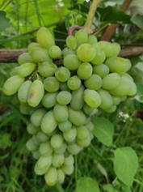
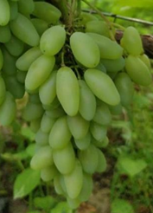
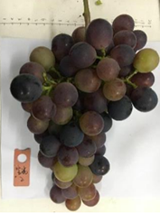
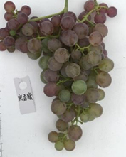
Fig.S2 Berry photoes of table grapes in this study.
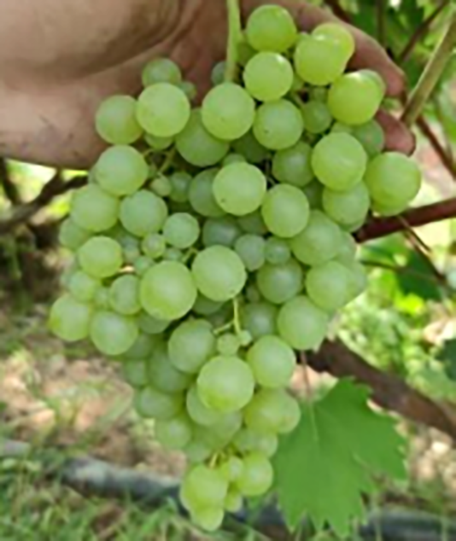
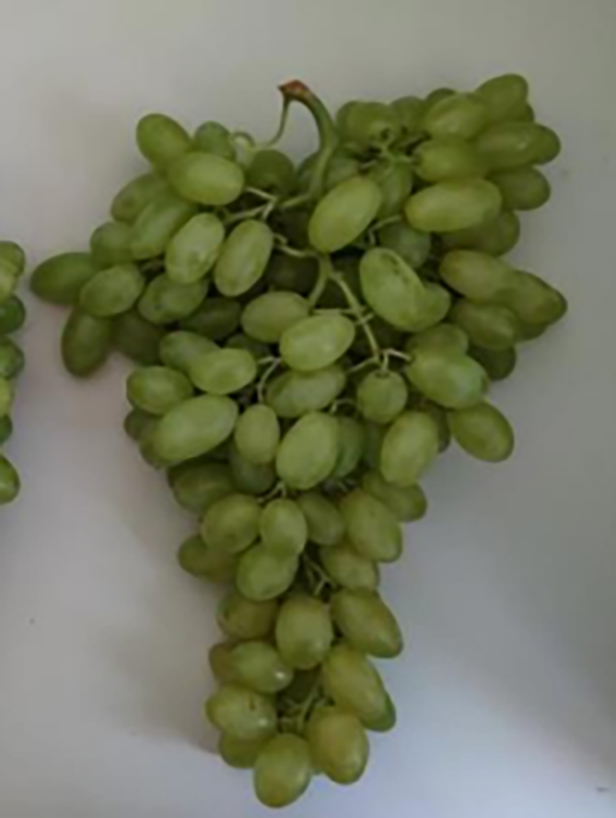
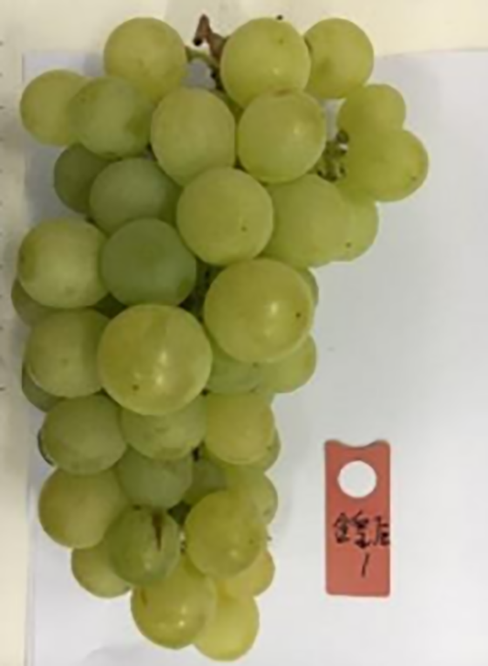
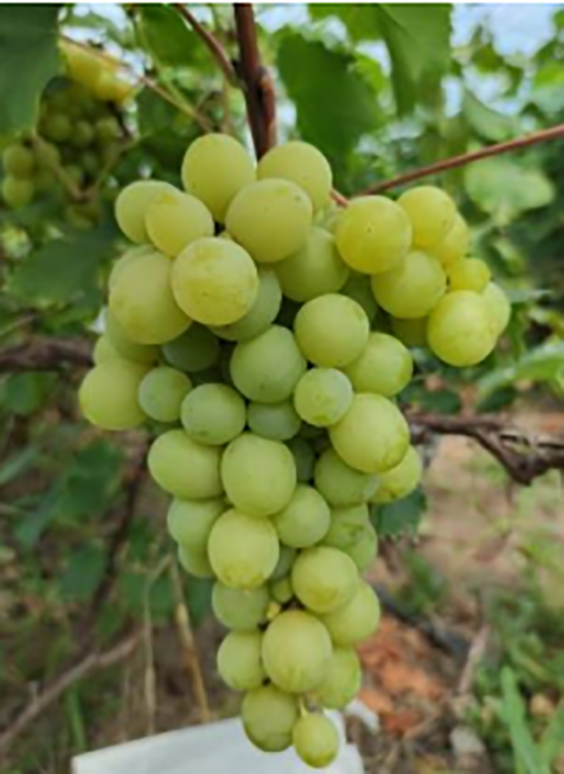
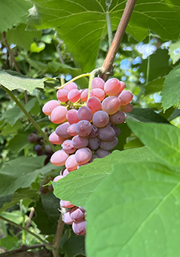
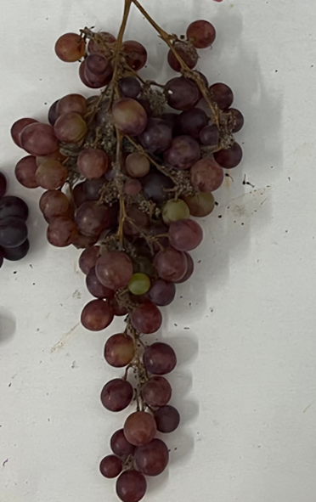
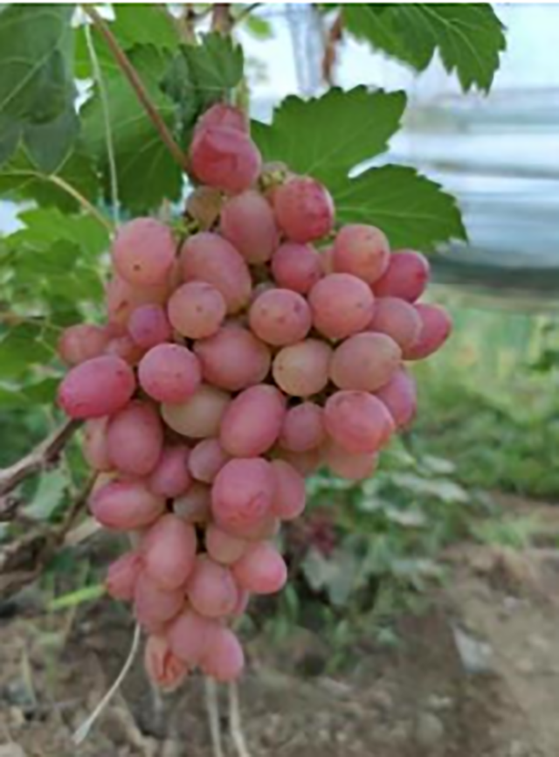
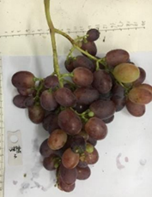
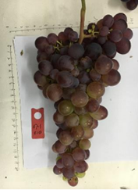
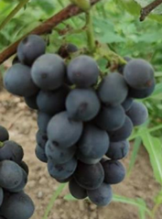
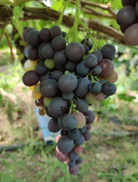
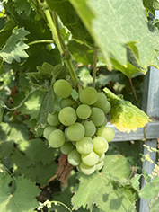
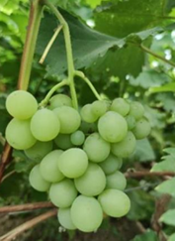
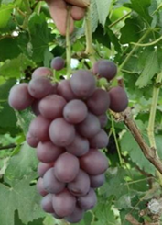

Bixiang seedless |  | Centennial seedless |  | Jinhuanghou |  | Italia |  | Cuixia |  | Flame seedless |  | Jingxiu |  | Yatomi Rosa |  | 87-1 |  | Shenxiang seedless |  | Zaoxia Rose |  | Shine Muscat |  | Tiangongbaiyu |  | Tiangongyuzhu |  | Zuijinxiang |  | Baoguang |  | Cuifeng |  | Hanxiangmi seedless
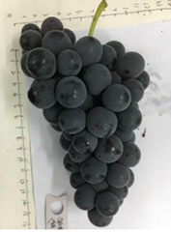
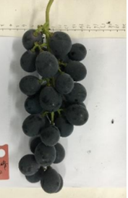
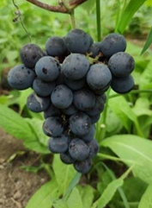
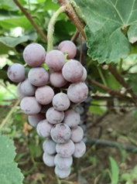
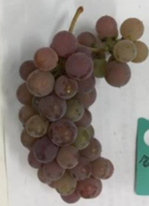
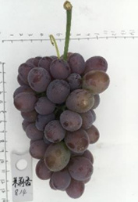
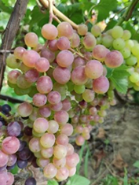
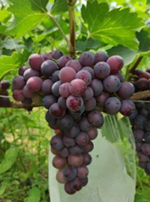
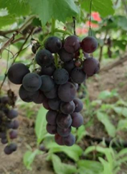
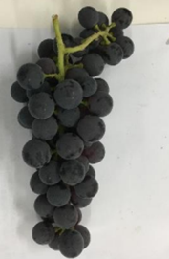
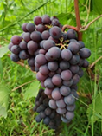
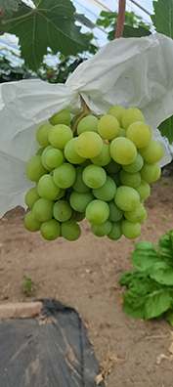
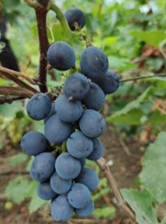
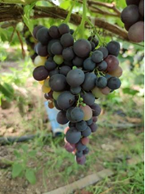
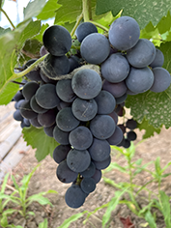
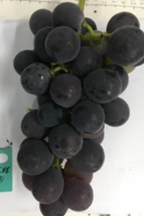
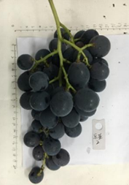
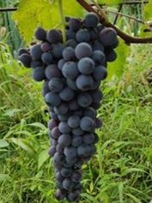

Honey Juice |  | Jinhongwa |  | Molixiang |  | Zaohong seedless |  | Cuiguang |  | Jizixiang |  | Mars seedless |  | Miguang |  | Tiangongmi |  | Venus seedless |  | Xiangfeng |  | Zaoxia |  | Chunguang |  | Guanghui |  | Jingya |  | Kyoho |  | Shuofeng |  | Summer Black
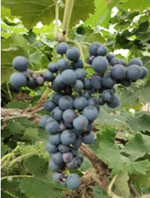
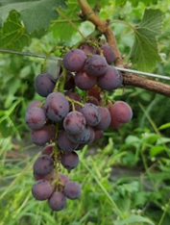

Tiangongmoyu |  | Xiangyue

