Fig.S5
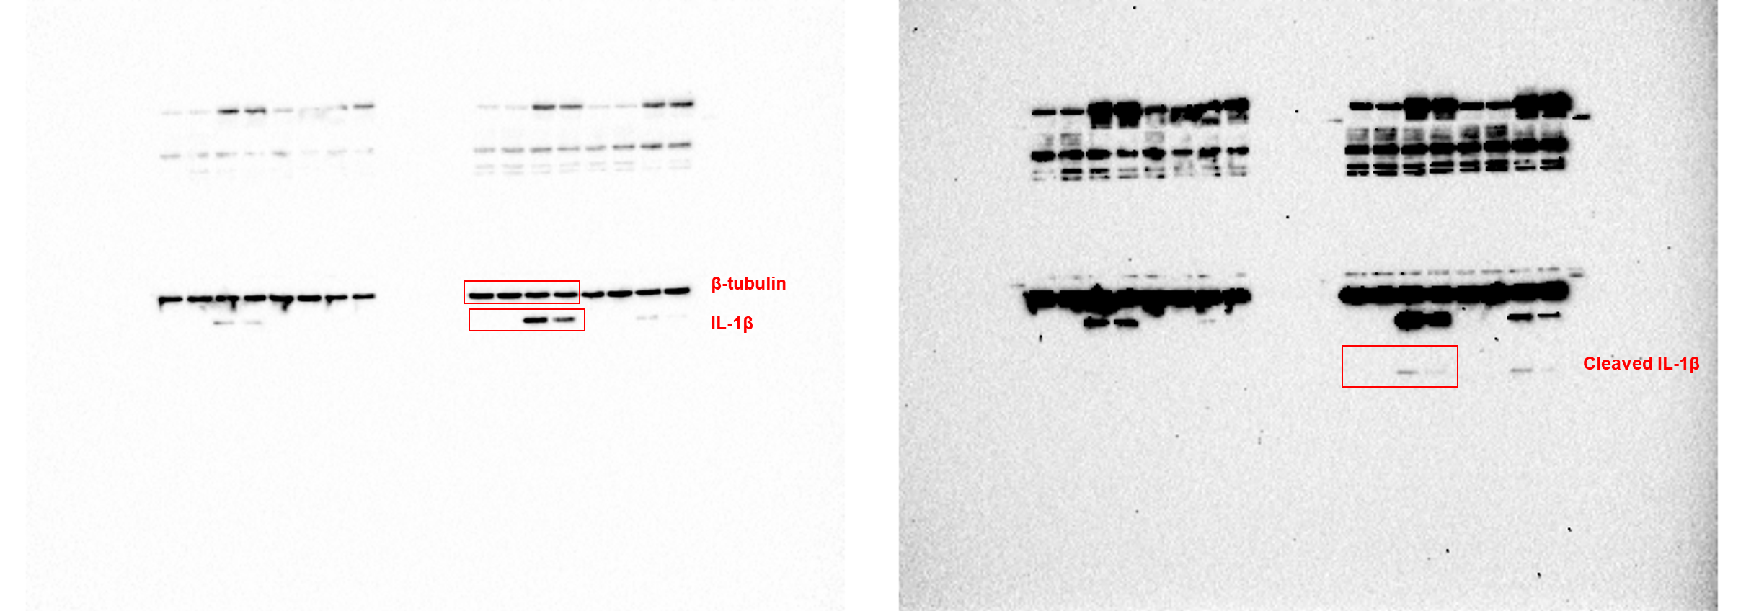
 |  |  |  |  |  |  | Fig.S5B | immunoblot source data
Fig.S5A | IL-6 ELISA
DMSO | -353.7142857 | -333.71429 | -45.5 | -45.5 | -37.166667 | -46.333333
LPS | 1006.2857 | 926.28571 | 485.33333 | 395.33333 | 482.83333 | 382
LPS/SB2037 2.5 μM | 577.71429 | 680.57143 | 352 | 272.83333 | 334.5 | 247.83333
LPS/SB2037 5 μM | 517.71429 | 560.57143 | 219.5 | 249.5 | 214.5 | 212
LPS/SB2037 10 μM | 300.57143 | 357.71429 | 191.16667 | 197.83333 | 188.66667 | 127
LPS/SB2037 20 μM | 140.57143 | 169.14286 | 108.66667 | 62 | 67.833333 | 44.5

Fig.S5C | IL-1β mRNA relative level
DMSO | 1 | 1 | 1 | 1
SB2037 | 0.806552 | 0.500278 | 0.792136 | 1.148892
LPS | 15067.2 | 15523.88 | 18744.32 | 23948.09
LPS/SB2037 | 8408.018 | 7928.547 | 13411.95 | 17168.18 |  |  | Fig.S5E | immunoblot source data
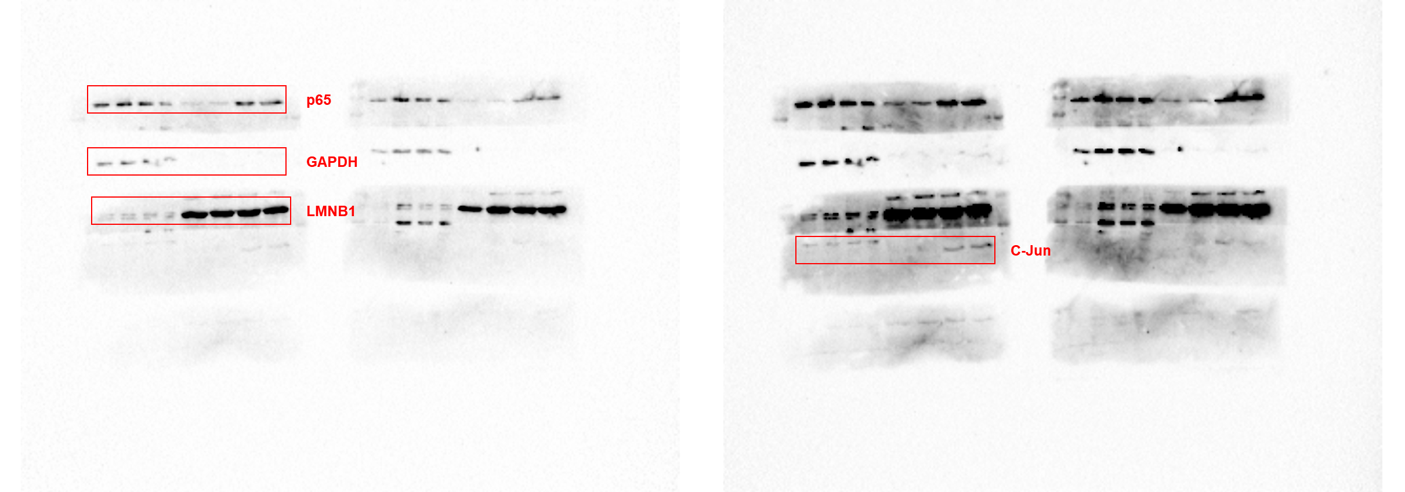

Fig.S5D | Nuclear p65/total ratio
DMSO | 0.265343 | 0.236586 | 0.113755 | 0.104122 | 0.231962
SB2037 | 0.131023 | 0.142796 | 0.14108 | 0.126033 | 0.194897
LPS | 0.937433 | 0.844886 | 0.957853 | 0.934203 | 0.72085
LPS/SB2037 | 0.152965 | 0.240293 | 0.23452 | 0.272514 | 0.150137

