ZBP1
Sample Name | Target Name | Cт | Internal reference Cт. |  | △Cт | △△Cт | 2-△△Cт | average. |  | standard deviation.
ZC | ZBP1 | 34.845503235 | 18.907066345 |  | 15.943545405 | -0.046222432454 | 1.0325577213
ZC | ZBP1 | 34.906311035 | 18.923297882 | 18.90195783 | 16.004353205 | 0.014585367839 | 0.98994112572 | 1.0002694669 | 15.989767838 | 0.028560845594
ZC | ZBP1 | 34.923362732 | 18.875509262 |  | 16.021404902 | 0.031637064616 | 0.97830955352
NC | ZBP1 | 34.487373352 | 14.819545937 |  | 20.040947978 | 4.0511801402 | 0.060321656602
NC | ZBP1 | 34.008514404 | 13.978830338 | 14.446425374 | 19.56208903 | 3.5723211924 | 0.084066732368 | 0.073361068548 |  | 0.012043335959
NC | ZBP1 | 34.159854889 | 14.540899849 |  | 19.713429515 | 3.723661677 | 0.075694816676
LV | ZBP1 | 35.1926651 | 14.133378983 |  | 20.821909904 | 4.832142067 | 0.035105914804
LV | ZBP1 | 35.062280273 | 14.84045887 | 14.370755196 | 20.691525078 | 4.7017572403 | 0.038426430004 | 0.035837603375 |  | 0.0023115312294
LV | ZBP1 | 35.239673615 | 14.138427734 |  | 20.868918419 | 4.8791505814 | 0.033980465317

describe.
VAR00002
 | N | average. | standard deviation. | standard error. | 95% confidence interval for the mean. |  | minimum value. | maximum.
 |  |  |  |  |  | lower limit. | upper limit.
1 | 3 | 1.0003000000000 | 0.0285600000000 | 0.01649 | 0.9293 | 1.0712 | 0.98 | 1.03
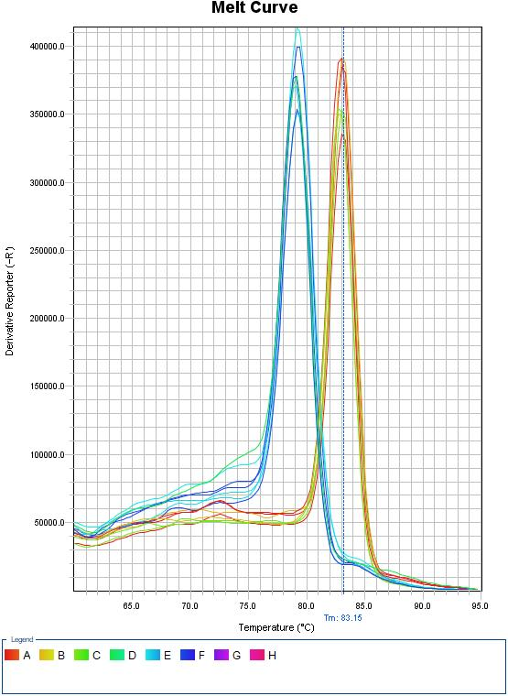
2 | 3 | 0.0734000000000 | 0.0120400000000 | 0.00695 | 0.0434 | 0.1033 | 0.06 | 0.08
3 | 3 | 0.0358000000000 | 0.0023100000000 | 0.00133 | 0.0301 | 0.0416 | 0.03 | 0.04
total. | 9 | 0.3698000000000 | 0.4733700000000 | 0.15779 | 0.006 | 0.7337 | 0.03 | 1.03

homogeneity of variance test.
VAR00002
Levene statistics. | df1 | df2 | significant.
1.452 | 2 | 6.0000000000000 | 0.0380000000000
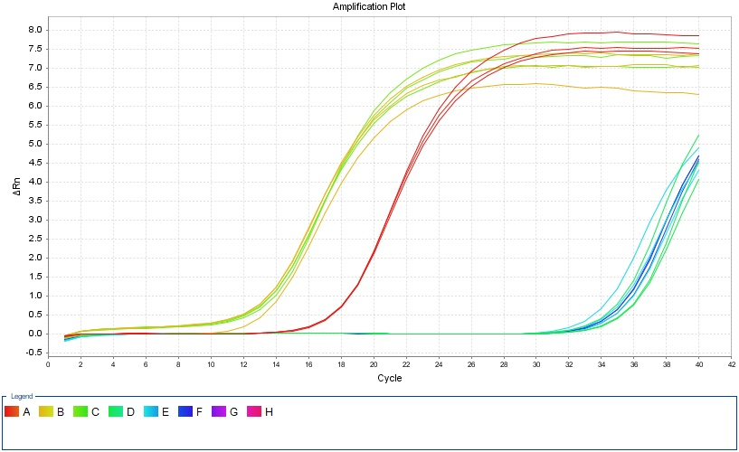

ANOVA.
VAR00002
 | sum of squares. | df | mean square. | F | significant.
Between groups. | 1.791 | 2 | 0.895 | 2780.276 | 0
within the group. | 0.002 | 6 | 0
total. | 1.793 | 8

Multiple comparisons.
Dependent variable: V.AR00002 | (I) VAR00001 | (J) VAR00001 | Mean Difference(I-J) | standard error. | significant. | 95%confidence interval.
 |  |  |  |  |  | lower limit. | upper limit.
LSD | 1 | 2 | .92691* | 0.01465 | 0 | 0.8911 | 0.9628
 |  | 3 | .96443* | 0.01465 | 0 | 0.9286 | 1.0003
 | 2 | 1 | -.92691* | 0.01465 | 0 | -0.9628 | -0.8911
 |  | 3 | .03752* | 0.01465 | 0.043 | 0.0017 | 0.0734
 | 3 | 1 | -.96443* | 0.01465 | 0 | -1.0003 | -0.9286
 |  | 2 | -.03752* | 0.01465 | 0.043 | -0.0734 | -0.0017
Dunnett T3 | 1 | 2 | .92691* | 0.0179 | 0 | 0.841 | 1.0128
 |  | 3 | .96443* | 0.01654 | 0.001 | 0.861 | 1.0678
 | 2 | 1 | -.92691* | 0.0179 | 0 | -1.0128 | -0.841
 |  | 3 | 0.03752 | 0.00708 | 0.062 | -0.0041 | 0.0791
 | 3 | 1 | -.96443* | 0.01654 | 0.001 | -1.0678 | -0.861
 |  | 2 | -0.03752 | 0.00708 | 0.062 | -0.0791 | 0.0041
* The significance level of the mean difference is. 0.05。

CD8A
Sample Name | Target Name | Cт | Internal reference Cт. |  | △Cт | △△Cт | 2-△△Cт | average. |  | standard deviation.
ZC | CD8A | 34.838699341 | 18.907066345 |  | 15.936741511 | 0.056560516357 | 0.96155379888
ZC | CD8A | 34.772354126 | 18.923297882 | 18.90195783 | 15.870396296 | -0.0097846984863 | 1.0068052876 | 1.0004376499 | 15.880180995 | 0.036123432918
ZC | CD8A | 34.735363007 | 18.875509262 |  | 15.833405177 | -0.046775817871 | 1.0329538633
NC | CD8A | 30.52611351 | 14.819545937 |  | 16.079688136 | 0.19950714111 | 0.87084801485
NC | CD8A | 30.642598343 | 13.978830338 | 14.446425374 | 16.196172969 | 0.31599197388 | 0.80329846572 | 0.81763313745 |  | 0.047691594554
NC | CD8A | 30.687368774 | 14.540899849 |  | 16.2409434 | 0.3607624054 | 0.77875293179
LV | CD8A | 35.061802673 | 14.133378983 |  | 20.691047478 | 4.8108664831 | 0.03562746183
LV | CD8A | 35.045178986 | 14.84045887 | 14.370755196 | 20.67442379 | 4.7942427953 | 0.036040359312 | 0.035215612307 |  | 0.0010906416979
LV | CD8A | 35.130148315 | 14.138427734 |  | 20.75939312 | 4.8792121251 | 0.033979015778

describe.
VAR00002
 | N | average. | standard deviation. | standard error. | 95% confidence interval for the mean. |  | minimum value. | maximum.
 |  |  |  |  |  | lower limit. | upper limit.
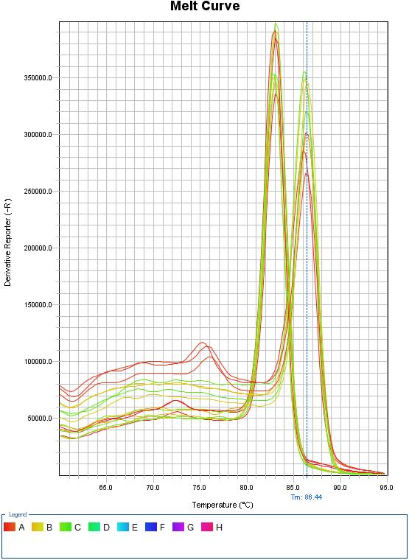
1 | 3 | 1.0004000000000 | 0.0361200000000 | 0.02086 | 0.9107 | 1.0902 | 0.96 | 1.03
2 | 3 | 0.8176000000000 | 0.0476900000000 | 0.02753 | 0.6992 | 0.9361 | 0.78 | 0.87
3 | 3 | 0.0352000000000 | 0.0010900000000 | 0.00063 | 0.0325 | 0.0379 | 0.03 | 0.04
total. | 9 | 0.6178000000000 | 0.4450300000000 | 0.14834 | 0.2757 | 0.9598 | 0.03 | 1.03

homogeneity of variance test.
VAR00002
Levene statistics. | df1 | df2 | significant.
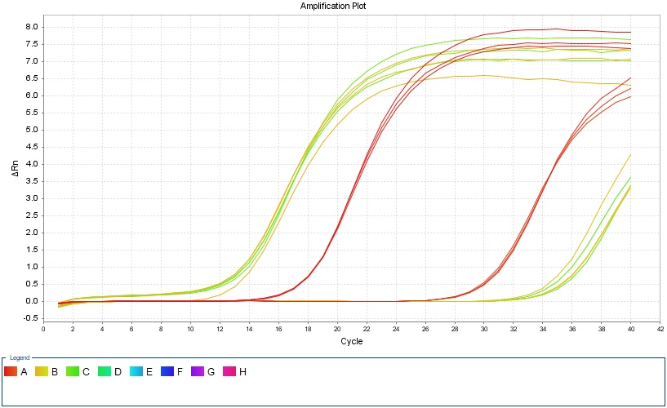
1.452 | 2 | 6.0000000000000 | 0.0720000000000

ANOVA.
VAR00002
 | sum of squares. | df | mean square. | F | significant.
Between groups. | 1.577 | 2 | 0.789 | 660.751 | 0
within the group. | 0.007 | 6 | 0.001
total. | 1.584 | 8

Multiple comparisons.
Dependent variable: V.AR00002
 | (I) VAR00001 | (J) VAR00001 | Mean Difference(I-J) | standard error. | significant. | 95%confidence interval.
 |  |  |  |  |  | lower limit. | upper limit.
LSD | 1 | 2 | .18280* | 0.02821 | 0.001 | 0.1138 | 0.2518
 |  | 3 | .96522* | 0.02821 | 0 | 0.8962 | 1.0342
 | 2 | 1 | -.18280* | 0.02821 | 0.001 | -0.2518 | -0.1138
 |  | 3 | .78242* | 0.02821 | 0 | 0.7134 | 0.8514
 | 3 | 1 | -.96522* | 0.02821 | 0 | -1.0342 | -0.8962
 |  | 2 | -.78242* | 0.02821 | 0 | -0.8514 | -0.7134
Dunnett T3 | 1 | 2 | .18280* | 0.03454 | 0.019 | 0.0487 | 0.3169
 |  | 3 | .96522* | 0.02087 | 0.001 | 0.8332 | 1.0973
 | 2 | 1 | -.18280* | 0.03454 | 0.019 | -0.3169 | -0.0487
 |  | 3 | .78242* | 0.02754 | 0.003 | 0.608 | 0.9568
 | 3 | 1 | -.96522* | 0.02087 | 0.001 | -1.0973 | -0.8332
 |  | 2 | -.78242* | 0.02754 | 0.003 | -0.9568 | -0.608
* The significance level of the mean difference is. 0.05。

AIM2
Sample Name | Target Name | Cт | Internal reference Cт. |  | △Cт | △△Cт | 2-△△Cт | average. |  | standard deviation.
ZC | AIM2 | 22.02009819 | 18.854454041 |  | 3.1568608093 | 0.02524559021 | 0.98265330708
ZC | AIM2 | 21.973413239 | 18.865997314 | 18.863237381 | 3.1101758575 | -0.021439361572 | 1.0149716012 | 1.0000888894 | 3.1316152191 | 0.016309687164
ZC | AIM2 | 21.991046371 | 18.869260788 |  | 3.1278089905 | -0.0038062286377 | 1.00264176
NC | AIM2 | 23.059341049 | 15.864712524 |  | 7.3972647985 | 4.2656495794 | 0.051989007385
NC | AIM2 | 23.02699173 | 15.947428131 | 15.662076251 | 7.364915479 | 4.2333002599 | 0.053167916407 | 0.051501282856 |  | 0.0019566299273
NC | AIM2 | 23.134587479 | 15.174088097 |  | 7.4725112279 | 4.3408960088 | 0.049346924776
LV | AIM2 | 28.58426857 | 18.821731567 |  | 9.7421067556 | 6.6104915365 | 0.01023396109
LV | AIM2 | 28.476733017 | 18.932312012 | 18.842161814 | 9.6345712026 | 6.5029559835 | 0.011025928922 | 0.010848698004 |  | 0.00054805281171
LV | AIM2 | 28.443072891 | 18.772441864 |  | 9.6009110769 | 6.4692958577 | 0.011286204001

describe.
VAR00002
 | N | average. | standard deviation. | standard error. | 95% confidence interval for the mean. |  | minimum value. | maximum.
 |  |  |  |  |  | lower limit. | upper limit.
1 | 3 | 1.0001000000000 | 0.0163100000000 | 0.00942 | 0.9596 | 1.0406 | 0.98 | 1.01
2 | 3 | 0.0515000000000 | 0.0019600000000 | 0.00113 | 0.0466 | 0.0564 | 0.05 | 0.05
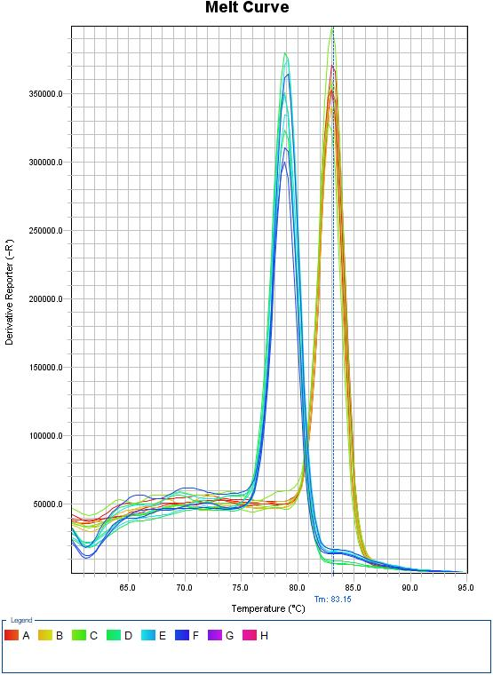
3 | 3 | 0.0108000000000 | 0.0005500000000 | 0.00032 | 0.0095 | 0.0122 | 0.01 | 0.01
total. | 9 | 0.3541000000000 | 0.4848500000000 | 0.16162 | -0.0185 | 0.7268 | 0.01 | 1.01

homogeneity of variance test.
VAR00002
Levene statistics. | df1 | df2 | significant.
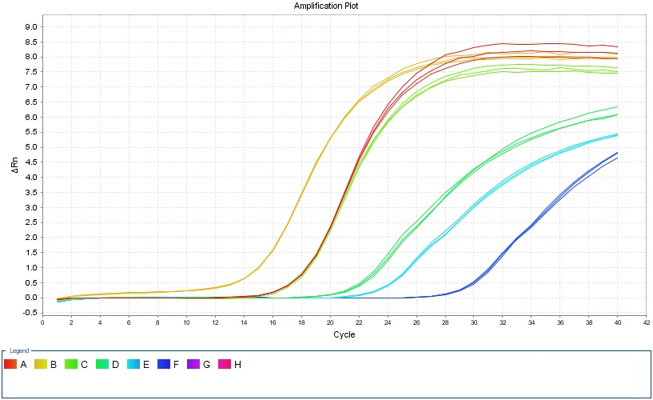
1.452 | 2 | 6.0000000000000 | 0.0460000000000

ANOVA.
VAR00002
 | sum of squares. | df | mean square. | F | significant.
Between groups. | 1.88 | 2 | 0.94 | 10439.612 | 0
within the group. | 0.001 | 6 | 0
total. | 1.881 | 8

Multiple comparisons.
Dependent variable: V.AR00002
 | (I) VAR00001 | (J) VAR00001 | Mean Difference(I-J) | standard error. | significant. | 95%confidence interval.
 |  |  |  |  |  | lower limit. | upper limit.
LSD | 1 | 2 | .94859* | 0.00775 | 0 | 0.9296 | 0.9675
 |  | 3 | .98924* | 0.00775 | 0 | 0.9703 | 1.0082
 | 2 | 1 | -.94859* | 0.00775 | 0 | -0.9675 | -0.9296
 |  | 3 | .04065* | 0.00775 | 0.002 | 0.0217 | 0.0596
 | 3 | 1 | -.98924* | 0.00775 | 0 | -1.0082 | -0.9703
 |  | 2 | -.04065* | 0.00775 | 0.002 | -0.0596 | -0.0217
Dunnett T3 | 1 | 2 | .94859* | 0.00948 | 0 | 0.8903 | 1.0069
 |  | 3 | .98924* | 0.00942 | 0 | 0.9297 | 1.0488
 | 2 | 1 | -.94859* | 0.00948 | 0 | -1.0069 | -0.8903
 |  | 3 | .04065* | 0.00117 | 0.001 | 0.0342 | 0.0471
 | 3 | 1 | -.98924* | 0.00942 | 0 | -1.0488 | -0.9297
 |  | 2 | -.04065* | 0.00117 | 0.001 | -0.0471 | -0.0342
* The significance level of the mean difference is. 0.05。

MEFV
Sample Name | Target Name | Cт | Internal reference Cт. |  | △Cт | △△Cт | 2-△△Cт | average. |  | standard deviation.
ZC | MEFV | 25.641198349 | 18.854454041 |  | 6.777960968 | -0.061432139079 | 1.0435011129
ZC | MEFV | 25.716451263 | 18.865997314 | 18.863237381 | 6.8532138824 | 0.01382077535 | 0.99046590894 | 1.0005013178 | 6.8393931071 | 0.03896371747
ZC | MEFV | 25.750241852 | 18.869260788 |  | 6.8870044708 | 0.047611363729 | 0.96753693168
NC | MEFV | 22.890711823 | 15.864712524 |  | 7.2286355718 | 0.3892424647 | 0.76353041643
NC | MEFV | 22.853520966 | 15.947428131 | 15.662076251 | 7.1914447149 | 0.35205160777 | 0.78346916036 | 0.75783874404 |  | 0.028899711217
NC | MEFV | 22.962401581 | 15.174088097 |  | 7.3003253301 | 0.460932223 | 0.72651665533
LV | MEFV | 26.902276993 | 18.821731567 |  | 8.0601151784 | 1.2207220713 | 0.42906791524
LV | MEFV | 26.899692535 | 18.932312012 | 18.842161814 | 8.057530721 | 1.2181376139 | 0.42983724041 | 0.42776538932 |  | 0.0029475041068
LV | MEFV | 26.918088913 | 18.772441864 |  | 8.0759270986 | 1.2365339915 | 0.42439101231

describe.
VAR00002
 | N | average. | standard deviation. | standard error. | 95% confidence interval for the mean. |  | minimum value. | maximum.
 |  |  |  |  |  | lower limit. | upper limit.
1 | 3 | 1.0005000000000 | 0.0389600000000 | 0.0225 | 0.9037 | 1.0973 | 0.97 | 1.04
2 | 3 | 0.7578000000000 | 0.0289000000000 | 0.01669 | 0.686 | 0.8296 | 0.73 | 0.78
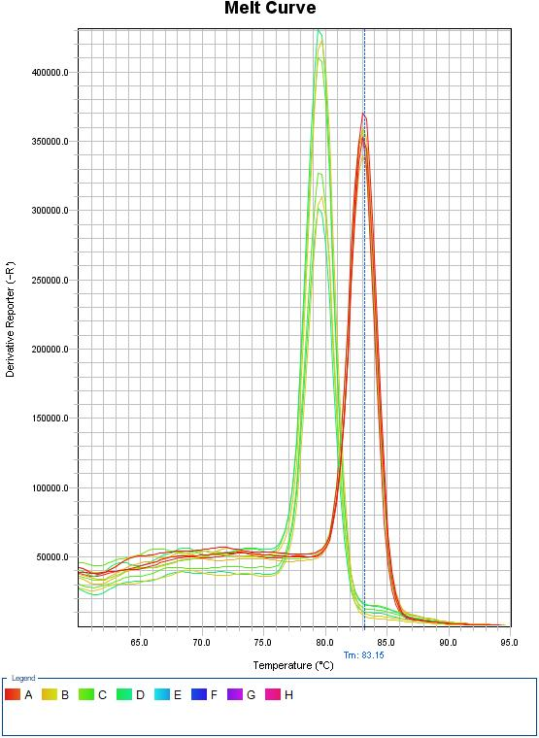
3 | 3 | 0.4278000000000 | 0.0029500000000 | 0.0017 | 0.4204 | 0.4351 | 0.42 | 0.43
total. | 9 | 0.7287000000000 | 0.2501500000000 | 0.08338 | 0.5364 | 0.921 | 0.42 | 1.04

homogeneity of variance test.
VAR00002
Levene statistics. | df1 | df2 | significant.
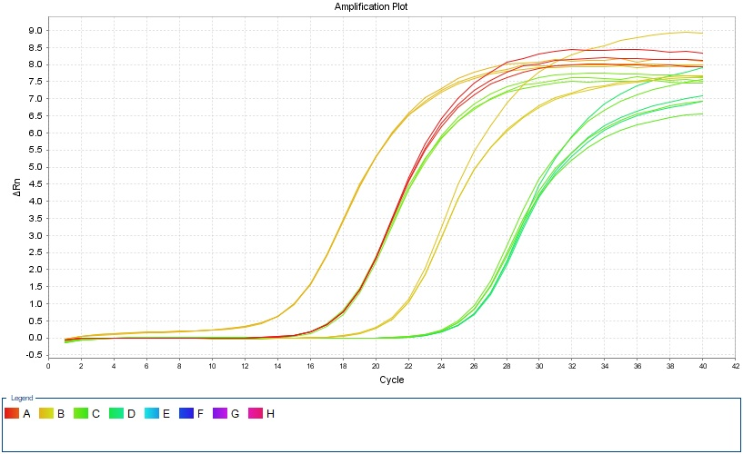
1.452 | 2 | 6.0000000000000 | 0.0960000000000

ANOVA.
VAR00002
 | sum of squares. | df | mean square. | F | significant.
Between groups. | 0.496 | 2 | 0.248 | 314.891 | 0
within the group. | 0.005 | 6 | 0.001
total. | 0.501 | 8

Multiple comparisons.
Dependent variable: V.AR00002
 | (I) VAR00001 | (J) VAR00001 | Mean Difference(I-J) | standard error. | significant. | 95%confidence interval.
 |  |  |  |  |  | lower limit. | upper limit.
LSD | 1 | 2 | .24266* | 0.02291 | 0 | 0.1866 | 0.2987
 |  | 3 | .57274* | 0.02291 | 0 | 0.5167 | 0.6288
 | 2 | 1 | -.24266* | 0.02291 | 0 | -0.2987 | -0.1866
 |  | 3 | .33007* | 0.02291 | 0 | 0.274 | 0.3861
 | 3 | 1 | -.57274* | 0.02291 | 0 | -0.6288 | -0.5167
 |  | 2 | -.33007* | 0.02291 | 0 | -0.3861 | -0.274
Dunnett T3 | 1 | 2 | .24266* | 0.02801 | 0.004 | 0.1333 | 0.352
 |  | 3 | .57274* | 0.02256 | 0.003 | 0.4315 | 0.714
 | 2 | 1 | -.24266* | 0.02801 | 0.004 | -0.352 | -0.1333
 |  | 3 | .33007* | 0.01677 | 0.005 | 0.2261 | 0.434
 | 3 | 1 | -.57274* | 0.02256 | 0.003 | -0.714 | -0.4315
 |  | 2 | -.33007* | 0.01677 | 0.005 | -0.434 | -0.2261
* The significance level of the mean difference is. 0.05。

casp8
Sample Name | Target Name | Cт | Internal reference Cт. |  | △Cт | △△Cт | 2-△△Cт | average. |  | standard deviation.
ZC | casp8 | 26.449951859 | 18.907066345 |  | 7.5479940287 | 0.036125132243 | 0.97527086768
ZC | casp8 | 26.389991531 | 18.923297882 | 18.90195783 | 7.4880337016 | -0.023835194906 | 1.0166585295 | 1.0001615068 | 7.5118688965 | 0.021933404526
ZC | casp8 | 26.401536789 | 18.875509262 |  | 7.4995789591 | -0.012289937337 | 1.0085551231
NC | casp8 | 23.139508057 | 14.819545937 |  | 8.6930826823 | 1.1812137858 | 0.44098033107
NC | casp8 | 23.169340897 | 13.978830338 | 14.446425374 | 8.7229155223 | 1.2110466258 | 0.43195513332 | 0.42543959037 |  | 0.019627105884
NC | casp8 | 23.268070984 | 14.540899849 |  | 8.8216456095 | 1.3097767131 | 0.4033833067
LV | casp8 | 23.736684799 | 14.133378983 |  | 9.3659296036 | 1.8540607071 | 0.27661269846
LV | casp8 | 23.870925903 | 14.84045887 | 14.370755196 | 9.5001707077 | 1.9883018112 | 0.25203538251 | 0.25616374016 |  | 0.018729191624
LV | casp8 | 23.942461014 | 14.138427734 |  | 9.5717058182 | 2.0598369217 | 0.23984313951

describe.
VAR00002
 | N | average. | standard deviation. | standard error. | 95% confidence interval for the mean. |  | minimum value. | maximum.
 |  |  |  |  |  | lower limit. | upper limit.
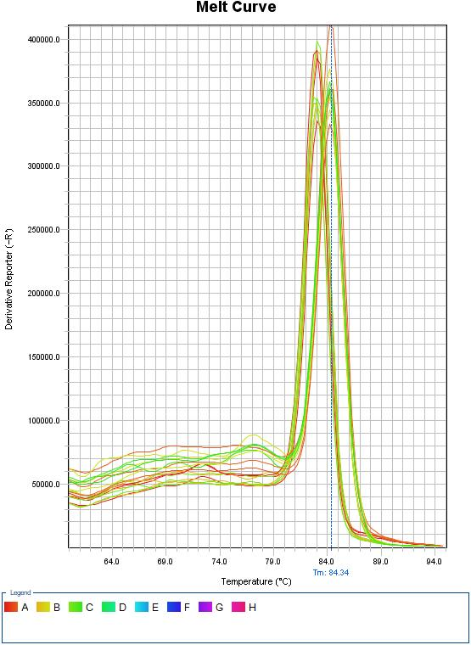
1 | 3 | 1.0002000000000 | 0.0219300000000 | 0.01266 | 0.9457 | 1.0546 | 0.98 | 1.02
2 | 3 | 0.4254000000000 | 0.0196300000000 | 0.01133 | 0.3767 | 0.4742 | 0.4 | 0.44
3 | 3 | 0.2562000000000 | 0.0187300000000 | 0.01081 | 0.2096 | 0.3027 | 0.24 | 0.28
total. | 9 | 0.5606000000000 | 0.3381800000000 | 0.11273 | 0.3006 | 0.8205 | 0.24 | 1.02

homogeneity of variance test.
VAR00002
Levene statistics. | df1 | df2 | significant.
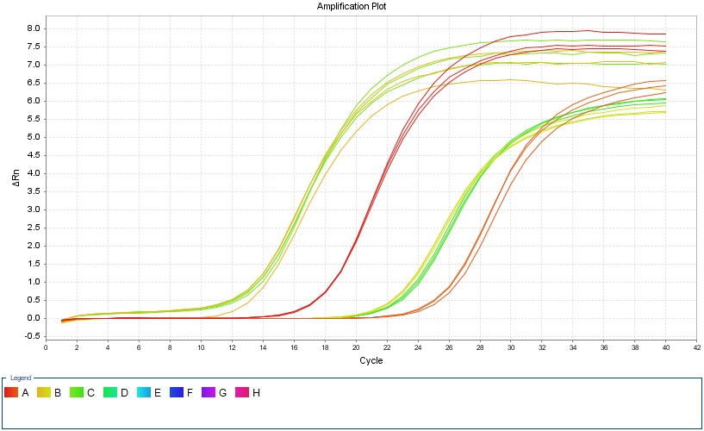
1.452 | 2 | 6.0000000000000 | 0.9060000000000

ANOVA.
VAR00002
 | sum of squares. | df | mean square. | F | significant.
Between groups. | 0.912 | 2 | 0.456 | 1124.608 | 0
within the group. | 0.002 | 6 | 0
total. | 0.915 | 8

Multiple comparisons.
Dependent variable: V.AR00002
 | (I) VAR00001 | (J) VAR00001 | Mean Difference(I-J) | standard error. | significant. | 95%confidence interval.
 |  |  |  |  |  | lower limit. | upper limit.
LSD | 1 | 2 | .57472* | 0.01645 | 0 | 0.5345 | 0.615
 |  | 3 | .74400* | 0.01645 | 0 | 0.7038 | 0.7842
 | 2 | 1 | -.57472* | 0.01645 | 0 | -0.615 | -0.5345
 |  | 3 | .16928* | 0.01645 | 0 | 0.129 | 0.2095
 | 3 | 1 | -.74400* | 0.01645 | 0 | -0.7842 | -0.7038
 |  | 2 | -.16928* | 0.01645 | 0 | -0.2095 | -0.129
Dunnett T3 | 1 | 2 | .57472* | 0.01699 | 0 | 0.5107 | 0.6387
 |  | 3 | .74400* | 0.01665 | 0 | 0.6809 | 0.8071
 | 2 | 1 | -.57472* | 0.01699 | 0 | -0.6387 | -0.5107
 |  | 3 | .16928* | 0.01566 | 0.001 | 0.1106 | 0.228
 | 3 | 1 | -.74400* | 0.01665 | 0 | -0.8071 | -0.6809
 |  | 2 | -.16928* | 0.01566 | 0.001 | -0.228 | -0.1106
* The significance level of the mean difference is. 0.05。

MLKL
Sample Name | Target Name | Cт | Internal reference Cт. |  | △Cт | △△Cт | 2-△△Cт | average. |  | standard deviation.
ZC | MLKL | 30.936262131 | 18.854454041 |  | 12.07302475 | -0.13977597555 | 1.1017340232
ZC | MLKL | 31.152893448 | 18.865997314 | 18.863237381 | 12.289656067 | 0.076855341593 | 0.94812202815 | 1.0023933909 | 12.212800725 | 0.086154457511
ZC | MLKL | 31.13895874 | 18.869260788 |  | 12.275721359 | 0.062920633952 | 0.9573241214
NC | MLKL | 24.647387695 | 15.864712524 |  | 8.9853114446 | -3.2274892807 | 9.3663651354
NC | MLKL | 24.654387054 | 15.947428131 | 15.662076251 | 8.9923108037 | -3.2204899216 | 9.3210334632 | 9.3894593892 |  | 0.082436021279
NC | MLKL | 24.629840851 | 15.174088097 |  | 8.9677646001 | -3.2450361252 | 9.4809795689
LV | MLKL | 28.303455353 | 18.821731567 |  | 9.4612935384 | -2.7515071869 | 6.734202886
LV | MLKL | 28.310432434 | 18.932312012 | 18.842161814 | 9.4682706197 | -2.7445301056 | 6.7017139335 | 6.6742448125 |  | 0.0774371923
LV | MLKL | 28.335380936 | 18.772441864 |  | 9.4932191213 | -2.719581604 | 6.5868176181

describe.
VAR00002
 | N | average. | standard deviation. | standard error. | 95% confidence interval for the mean. |  | minimum value. | maximum.
 |  |  |  |  |  | lower limit. | upper limit.
1 | 3 | 1.0024000000000 | 0.0861500000000 | 0.04974 | 0.7884 | 1.2164 | 0.95 | 1.1
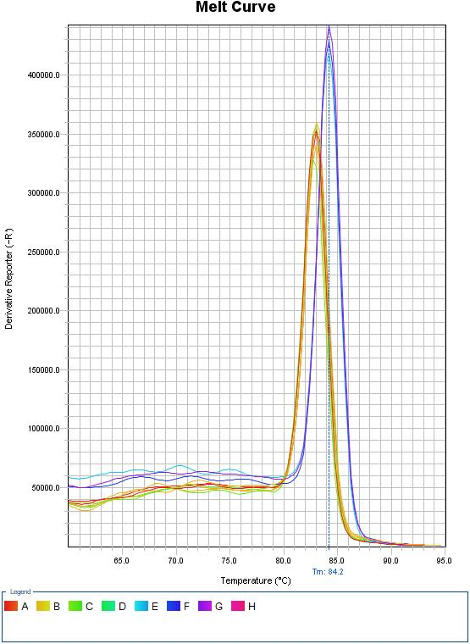
2 | 3 | 9.3895000000000 | 0.0824400000000 | 0.04759 | 9.1847 | 9.5942 | 9.32 | 9.48
3 | 3 | 6.6742000000000 | 0.0774400000000 | 0.04471 | 6.4819 | 6.8666 | 6.59 | 6.73
total. | 9 | 5.6887000000000 | 3.7068400000000 | 1.23561 | 2.8394 | 8.538 | 0.95 | 9.48

homogeneity of variance test.
VAR00002
Levene statistics. | df1 | df2 | significant.
1.452 | 2 | 6.0000000000000 | 0.9520000000000
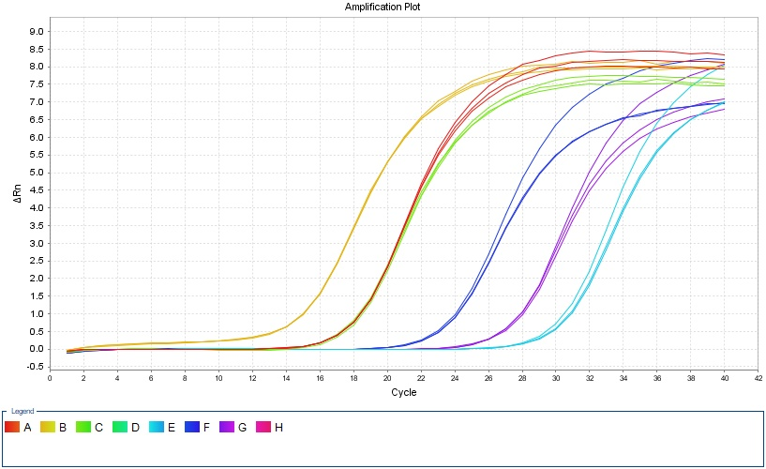

ANOVA.
VAR00002
 | sum of squares. | df | mean square. | F | significant.
Between groups. | 109.885 | 2 | 54.943 | 8153.813 | 0
within the group. | 0.04 | 6 | 0.007
total. | 109.926 | 8

Multiple comparisons.
Dependent variable: V.AR00002
 | (I) VAR00001 | (J) VAR00001 | Mean Difference(I-J) | standard error. | significant. | 95%confidence interval.
 |  |  |  |  |  | lower limit. | upper limit.
LSD | 1 | 2 | -8.38707* | 0.06702 | 0 | -8.5511 | -8.2231
 |  | 3 | -5.67185* | 0.06702 | 0 | -5.8359 | -5.5079
 | 2 | 1 | 8.38707* | 0.06702 | 0 | 8.2231 | 8.5511
 |  | 3 | 2.71521* | 0.06702 | 0 | 2.5512 | 2.8792
 | 3 | 1 | 5.67185* | 0.06702 | 0 | 5.5079 | 5.8359
 |  | 2 | -2.71521* | 0.06702 | 0 | -2.8792 | -2.5512
Dunnett T3 | 1 | 2 | -8.38707* | 0.06884 | 0 | -8.6451 | -8.129
 |  | 3 | -5.67185* | 0.06688 | 0 | -5.9237 | -5.42
 | 2 | 1 | 8.38707* | 0.06884 | 0 | 8.129 | 8.6451
 |  | 3 | 2.71521* | 0.0653 | 0 | 2.4702 | 2.9602
 | 3 | 1 | 5.67185* | 0.06688 | 0 | 5.42 | 5.9237
 |  | 2 | -2.71521* | 0.0653 | 0 | -2.9602 | -2.4702
* The significance level of the mean difference is. 0.05。

GSDMD
Sample Name | Target Name | Cт | Internal reference Cт. |  | △Cт | △△Cт | 2-△△Cт | average. |  | standard deviation.
ZC | GSDMD | 29.349428177 | 18.854454041 |  | 10.486190796 | -0.054255803426 | 1.0383233587
ZC | GSDMD | 29.457719803 | 18.865997314 | 18.863237381 | 10.594482422 | 0.05403582255 | 0.96323797624 | 1.0004696225 | 10.540446599 | 0.037546556611
ZC | GSDMD | 29.403903961 | 18.869260788 |  | 10.54066658 | 0.00021998087565 | 0.9998475325
NC | GSDMD | 27.13637886 | 15.864712524 |  | 11.47430261 | 0.93385601044 | 0.52345738255
NC | GSDMD | 27.208269119 | 15.947428131 | 15.662076251 | 11.546192869 | 1.0057462692 | 0.49801245568 | 0.5138629824 |  | 0.013828066228
NC | GSDMD | 27.145608902 | 15.174088097 |  | 11.483532651 | 0.94308605194 | 0.52011910897
LV | GSDMD | 30.932511139 | 18.821731567 |  | 12.090349325 | 1.5499027252 | 0.34153309153
LV | GSDMD | 31.0355793 | 18.932312012 | 18.842161814 | 12.193417486 | 1.6529708862 | 0.31798466859 | 0.33105559544 |  | 0.011986511922
LV | GSDMD | 30.966205215 | 18.772441864 |  | 12.124043401 | 1.5835968018 | 0.33364902619

describe.
VAR00002
 | N | average. | standard deviation. | standard error. | 95% confidence interval for the mean. |  | minimum value. | maximum.
 |  |  |  |  | lower limit. | upper limit.
1 | 3 | 1.0005000000000 | 0.0375500000000 | 0.02168 | 0.9072 | 1.0937 | 0.96 | 1.04
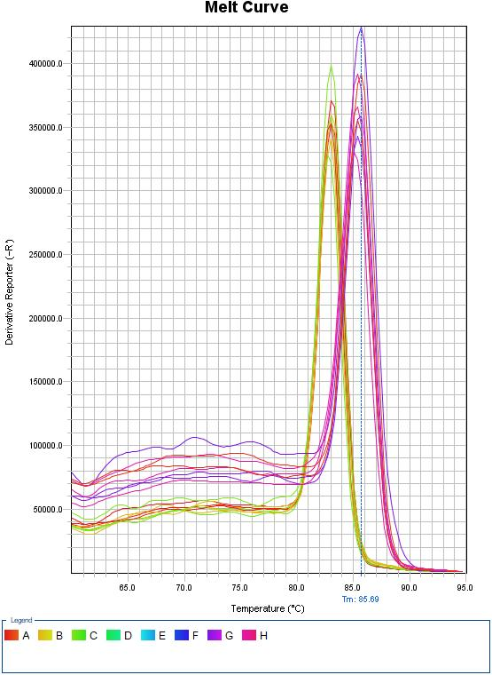
2 | 3 | 0.5139000000000 | 0.0138300000000 | 0.00798 | 0.4795 | 0.5482 | 0.5 | 0.52
3 | 3 | 0.3311000000000 | 0.0119900000000 | 0.00692 | 0.3013 | 0.3608 | 0.32 | 0.34
total. | 9 | 0.6151000000000 | 0.3003800000000 | 0.10013 | 0.3842 | 0.846 | 0.32 | 1.04

homogeneity of variance test.
VAR00002
Levene statistics. | df1 | df2 | significant.
1.452 | 2 | 6.0000000000000 | 0.3060000000000
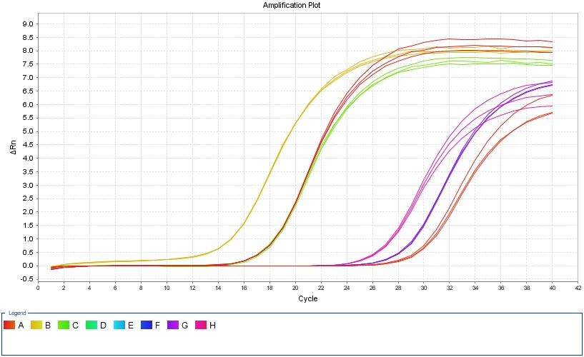

ANOVA.
VAR00002
 | sum of squares. | df | mean square. | F | significant.
Between groups. | 0.718 | 2 | 0.359 | 617.596 | 0
within the group. | 0.003 | 6 | 0.001
total. | 0.722 | 8

Multiple comparisons.
Dependent variable: V.AR00002
 | (I) VAR00001 | (J) VAR00001 | Mean Difference(I-J) | standard error. | significant. | 95%confidence interval.
 |  |  |  |  |  | lower limit. | upper limit.
LSD | 1 | 2 | .48661* | 0.01969 | 0 | 0.4384 | 0.5348
 |  | 3 | .66941* | 0.01969 | 0 | 0.6212 | 0.7176
 | 2 | 1 | -.48661* | 0.01969 | 0 | -0.5348 | -0.4384
 |  | 3 | .18281* | 0.01969 | 0 | 0.1346 | 0.231
 | 3 | 1 | -.66941* | 0.01969 | 0 | -0.7176 | -0.6212
 |  | 2 | -.18281* | 0.01969 | 0 | -0.231 | -0.1346
Dunnett T3 | 1 | 2 | .48661* | 0.0231 | 0.001 | 0.3702 | 0.603
 |  | 3 | .66941* | 0.02276 | 0.001 | 0.5494 | 0.7894
 | 2 | 1 | -.48661* | 0.0231 | 0.001 | -0.603 | -0.3702
 |  | 3 | .18281* | 0.01057 | 0 | 0.1428 | 0.2228
 | 3 | 1 | -.66941* | 0.02276 | 0.001 | -0.7894 | -0.5494
 |  | 2 | -.18281* | 0.01057 | 0 | -0.2228 | -0.1428
* The significance level of the mean difference is. 0.05。

