190-230
BT-9300Z 型激光粒度分布仪
粒度分析报告
Range : 0.1um - 1250um
样品名称:WorkSample-190-230 |  |  |  |  |  |  |  |  |  | 样品来源:Bettersize
介质名称:Water |  |  |  |  |  |  |  |  |  | 测试单位:Bettersize
物质折射率:1.59600+0.10000i |  |  |  |  | 光学模式:Mie |  |  |  |  | 测试人员:Z.H.B
介质折射率:1.333 |  |  |  |  | 分析模式:7.23 - 1 |  |  |  |  | 测试日期:2021-03-18 |  |  |  |  | 测试时间:12:13:03
备注: (1:3.00)-0-(0:3) |  |  |  |  |  |  |  |  |  |  |  |  |  |  | 分布类型:体积分布
中位径(D50):75.15um |  |  |  |  | 体积平均径:81.28um |  |  |  |  | 面积平均径:46.84um |  |  |  |  | 遮光率:6.18%
跨度:1.239 |  |  |  |  | 长度平均径:4.705um |  |  |  |  | 比表面积:47.43m^2/kg |  |  |  |  | 拟合残差:2.743%
D3:23.78um |  |  |  | D6:33.31um |  |  |  | D10:39.72um |  |  |  | D16:46.57um |  |  |  | D25:54.62um
D75:101.6um |  |  |  | D84:117.1um |  |  |  | D90:132.8um |  |  |  | D97:171.0um |  |  |  | D98:181.8um

粒径um |  | 区间% | 累积% |  | 粒径um |  | 区间% |  | 累积% | 粒径um |  |  | 区间% | 累积% | 粒径um |  | 区间% | 累积%
0 | 0.1 | 0 | 0 |  | 0.97 | 1.087 | 0.08 |  | 0.11 | 10.56 | 11.83 |  | 0.13 | 1.33 | 114.9 | 128.7 | 5.8 | 88.85 | 0 | 0.1 | 0.05 | 0 | 0
0.1 | 0.112 | 0 | 0 |  | 1.087 | 1.218 | 0.1 |  | 0.21 | 11.83 | 13.25 |  | 0.16 | 1.49 | 128.7 | 144.2 | 4.27 | 93.12 | 0.1 | 0.112 | 0.106 | 0 | 0
0.112 | 0.125 | 0 | 0 |  | 1.218 | 1.365 | 0.11 |  | 0.32 | 13.25 | 14.85 |  | 0.2 | 1.69 | 144.2 | 161.5 | 2.96 | 96.08 | 0.112 | 0.125 | 0.1185 | 0 | 0
0.125 | 0.14 | 0 | 0 |  | 1.365 | 1.529 | 0.09 |  | 0.41 | 14.85 | 16.64 |  | 0.23 | 1.92 | 161.5 | 181 | 1.88 | 97.96 | 0.125 | 0.14 | 0.1325 | 0 | 0
0.14 | 0.157 | 0 | 0 |  | 1.529 | 1.713 | 0.08 |  | 0.49 | 16.64 | 18.64 |  | 0.27 | 2.19 | 181 | 202.8 | 1.09 | 99.05 | 0.14 | 0.157 | 0.1485 | 0 | 0
0.157 | 0.176 | 0 | 0 |  | 1.713 | 1.92 | 0.08 |  | 0.57 | 18.64 | 20.88 |  | 0.32 | 2.51 | 202.8 | 227.2 | 0.58 | 99.63 | 0.157 | 0.176 | 0.1665 | 0 | 0
0.176 | 0.197 | 0 | 0 |  | 1.92 | 2.151 | 0.09 |  | 0.66 | 20.88 | 23.4 |  | 0.41 | 2.92 | 227.2 | 254.6 | 0.26 | 99.89 | 0.176 | 0.197 | 0.1865 | 0 | 0
0.197 | 0.221 | 0 | 0 |  | 2.151 | 2.41 | 0.08 |  | 0.74 | 23.4 | 26.22 |  | 0.58 | 3.5 | 254.6 | 285.2 | 0.09 | 99.98 | 0.197 | 0.221 | 0.209 | 0 | 0
0.221 | 0.248 | 0 | 0 |  | 2.41 | 2.7 | 0.09 |  | 0.83 | 26.22 | 29.37 |  | 0.88 | 4.38 | 285.2 | 319.5 | 0.02 | 100 | 0.221 | 0.248 | 0.2345 | 0 | 0
0.248 | 0.278 | 0 | 0 |  | 2.7 | 3.025 | 0.06 |  | 0.89 | 29.37 | 32.91 |  | 1.4 | 5.78 | 319.5 | 358 | 0 | 100 | 0.248 | 0.278 | 0.263 | 0 | 0
0.278 | 0.311 | 0 | 0 |  | 3.025 | 3.389 | 0.03 |  | 0.92 | 32.91 | 36.87 |  | 2.15 | 7.93 | 358 | 401.1 | 0 | 100 | 0.278 | 0.311 | 0.2945 | 0 | 0
0.311 | 0.349 | 0 | 0 |  | 3.389 | 3.797 | 0.02 |  | 0.94 | 36.87 | 41.31 |  | 3.22 | 11.15 | 401.1 | 449.4 | 0 | 100 | 0.311 | 0.349 | 0.33 | 0 | 0
0.349 | 0.391 | 0 | 0 |  | 3.797 | 4.254 | 0.01 |  | 0.95 | 41.31 | 46.28 |  | 4.53 | 15.68 | 449.4 | 503.5 | 0 | 100 | 0.349 | 0.391 | 0.37 | 0 | 0
0.391 | 0.438 | 0 | 0 |  | 4.254 | 4.767 | 0.01 |  | 0.96 | 46.28 | 51.85 |  | 6 | 21.68 | 503.5 | 564.1 | 0 | 100 | 0.391 | 0.438 | 0.4145 | 0 | 0
0.438 | 0.49 | 0 | 0 |  | 4.767 | 5.34 | 0.01 |  | 0.97 | 51.85 | 58.1 |  | 7.48 | 29.16 | 564.1 | 632 | 0 | 100 | 0.438 | 0.49 | 0.464 | 0 | 0
0.49 | 0.55 | 0 | 0 |  | 5.34 | 5.983 | 0.02 |  | 0.99 | 58.1 | 65.09 |  | 8.73 | 37.89 | 632 | 708.1 | 0 | 100 | 0.49 | 0.55 | 0.52 | 0 | 0
0.55 | 0.616 | 0 | 0 |  | 5.983 | 6.703 | 0.02 |  | 1.01 | 65.09 | 72.92 |  | 9.59 | 47.48 | 708.1 | 793.3 | 0 | 100 | 0.55 | 0.616 | 0.583 | 0 | 0
0.616 | 0.69 | 0 | 0 |  | 6.703 | 7.51 | 0.02 |  | 1.03 | 72.92 | 81.7 |  | 9.9 | 57.38 | 793.3 | 888.8 | 0 | 100 | 0.616 | 0.69 | 0.653 | 0 | 0
0.69 | 0.773 | 0 | 0 |  | 7.51 | 8.414 | 0.03 |  | 1.06 | 81.7 | 91.54 |  | 9.6 | 66.98 | 888.8 | 995.8 | 0 | 100 | 0.69 | 0.773 | 0.7315 | 0 | 0
0.773 | 0.866 | 0 | 0 |  | 8.414 | 9.427 | 0.05 |  | 1.11 | 91.54 | 102.5 |  | 8.67 | 75.65 | 995.8 | 1115 | 0 | 100 | 0.773 | 0.866 | 0.8195 | 0 | 0
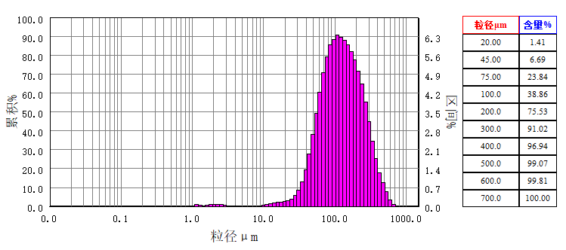

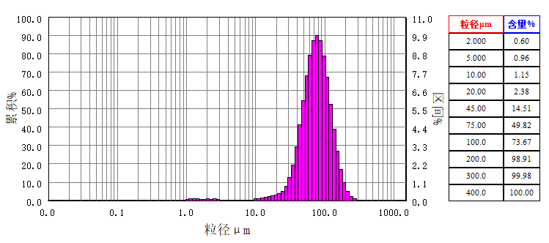
0.866 | 0.97 | 0.03 | 0.03 |  | 9.427 | 10.56 | 0.09 |  | 1.2 | 102.5 | 114.9 |  | 7.4 | 83.05 | 1115 | 1250 | 0 | 100 | 0.866 | 0.97 | 0.918 | 0.03 | 0.03
 |  |  |  |  |  |  |  |  |  |  |  |  |  |  |  |  |  |  | 0.97 | 1.087 | 1.0285 | 0.08 | 0.11
 |  |  |  |  |  |  |  |  |  |  |  |  |  |  |  |  |  |  | 1.087 | 1.218 | 1.1525 | 0.1 | 0.21
 |  |  |  |  |  |  |  |  |  |  |  |  |  |  |  |  |  |  | 1.218 | 1.365 | 1.2915 | 0.11 | 0.32
 |  |  |  |  |  |  |  |  |  |  |  |  |  |  |  |  |  |  | 1.365 | 1.529 | 1.447 | 0.09 | 0.41
 |  |  |  |  |  |  |  |  |  |  |  |  |  |  |  |  |  |  | 1.529 | 1.713 | 1.621 | 0.08 | 0.49
 |  |  |  |  |  |  |  |  |  |  |  |  |  |  |  |  |  |  | 1.713 | 1.92 | 1.8165 | 0.08 | 0.57
 |  |  |  |  |  |  |  |  |  |  |  |  |  |  |  |  |  |  | 1.92 | 2.151 | 2.0355 | 0.09 | 0.66
 |  |  |  |  |  |  |  |  |  |  |  |  |  |  |  |  |  |  | 2.151 | 2.41 | 2.2805 | 0.08 | 0.74
 |  |  |  |  |  |  |  |  |  |  |  |  |  |  |  |  |  |  | 2.41 | 2.7 | 2.555 | 0.09 | 0.83
 |  |  |  |  |  |  |  |  |  |  |  |  |  |  |  |  |  |  | 2.7 | 3.025 | 2.8625 | 0.06 | 0.89
 |  |  |  |  |  |  |  |  |  |  |  |  |  |  |  |  |  |  | 3.025 | 3.389 | 3.207 | 0.03 | 0.92
 |  |  |  |  |  |  |  |  |  |  |  |  |  |  |  |  |  |  | 3.389 | 3.797 | 3.593 | 0.02 | 0.94
 |  |  |  |  |  |  |  |  |  |  |  |  |  |  |  |  |  |  | 3.797 | 4.254 | 4.0255 | 0.01 | 0.95
 |  |  |  |  |  |  |  |  |  |  |  |  |  |  |  |  |  |  | 4.254 | 4.767 | 4.5105 | 0.01 | 0.96
 |  |  |  |  |  |  |  |  |  |  |  |  |  |  |  |  |  |  | 4.767 | 5.34 | 5.0535 | 0.01 | 0.97
 |  |  |  |  |  |  |  |  |  |  |  |  |  |  |  |  |  |  | 5.34 | 5.983 | 5.6615 | 0.02 | 0.99
 |  |  |  |  |  |  |  |  |  |  |  |  |  |  |  |  |  |  | 5.983 | 6.703 | 6.343 | 0.02 | 1.01
仪器制造商:丹东百特仪器有限公司 网址:www.bettersize.com 邮箱:bettersize@sohu.com 电话:0415-6184440 |  |  |  |  |  |  |  |  |  |  |  |  |  |  |  |  |  |  | 6.703 | 7.51 | 7.1065 | 0.02 | 1.03
 |  |  |  |  |  |  |  |  |  |  |  |  |  |  |  |  |  |  | 7.51 | 8.414 | 7.962 | 0.03 | 1.06
 |  |  |  |  |  |  |  |  |  |  |  |  |  |  |  |  |  |  | 8.414 | 9.427 | 8.9205 | 0.05 | 1.11
 |  |  |  |  |  |  |  |  |  |  |  |  |  |  |  |  |  |  | 9.427 | 10.56 | 9.9935 | 0.09 | 1.2
 |  |  |  |  |  |  |  |  |  |  |  |  |  |  |  |  |  |  | 10.56 | 11.83 | 11.195 | 0.13 | 1.33
 |  |  |  |  |  |  |  |  |  |  |  |  |  |  |  |  |  |  | 11.83 | 13.25 | 12.54 | 0.16 | 1.49
 |  |  |  |  |  |  |  |  |  |  |  |  |  |  |  |  |  |  | 13.25 | 14.85 | 14.05 | 0.2 | 1.69
 |  |  |  |  |  |  |  |  |  |  |  |  |  |  |  |  |  |  | 14.85 | 16.64 | 15.745 | 0.23 | 1.92
 |  |  |  |  |  |  |  |  |  |  |  |  |  |  |  |  |  |  | 16.64 | 18.64 | 17.64 | 0.27 | 2.19
 |  |  |  |  |  |  |  |  |  |  |  |  |  |  |  |  |  |  | 18.64 | 20.88 | 19.76 | 0.32 | 2.51
 |  |  |  |  |  |  |  |  |  |  |  |  |  |  |  |  |  |  | 20.88 | 23.4 | 22.14 | 0.41 | 2.92
 |  |  |  |  |  |  |  |  |  |  |  |  |  |  |  |  |  |  | 23.4 | 26.22 | 24.81 | 0.58 | 3.5
 |  |  |  |  |  |  |  |  |  |  |  |  |  |  |  |  |  |  | 26.22 | 29.37 | 27.795 | 0.88 | 4.38
 |  |  |  |  |  |  |  |  |  |  |  |  |  |  |  |  |  |  | 29.37 | 32.91 | 31.14 | 1.4 | 5.78
 |  |  |  |  |  |  |  |  |  |  |  |  |  |  |  |  |  |  | 32.91 | 36.87 | 34.89 | 2.15 | 7.93
 |  |  |  |  |  |  |  |  |  |  |  |  |  |  |  |  |  |  | 36.87 | 41.31 | 39.09 | 3.22 | 11.15
 |  |  |  |  |  |  |  |  |  |  |  |  |  |  |  |  |  |  | 41.31 | 46.28 | 43.795 | 4.53 | 15.68
 |  |  |  |  |  |  |  |  |  |  |  |  |  |  |  |  |  |  | 46.28 | 51.85 | 49.065 | 6 | 21.68
 |  |  |  |  |  |  |  |  |  |  |  |  |  |  |  |  |  |  | 51.85 | 58.1 | 54.975 | 7.48 | 29.16
 |  |  |  |  |  |  |  |  |  |  |  |  |  |  |  |  |  |  | 58.1 | 65.09 | 61.595 | 8.73 | 37.89
 |  |  |  |  |  |  |  |  |  |  |  |  |  |  |  |  |  |  | 65.09 | 72.92 | 69.005 | 9.59 | 47.48
 |  |  |  |  |  |  |  |  |  |  |  |  |  |  |  |  |  |  | 72.92 | 81.7 | 77.31 | 9.9 | 57.38
 |  |  |  |  |  |  |  |  |  |  |  |  |  |  |  |  |  |  | 81.7 | 91.54 | 86.62 | 9.6 | 66.98
 |  |  |  |  |  |  |  |  |  |  |  |  |  |  |  |  |  |  | 91.54 | 102.5 | 97.02 | 8.67 | 75.65
 |  |  |  |  |  |  |  |  |  |  |  |  |  |  |  |  |  |  | 102.5 | 114.9 | 108.7 | 7.4 | 83.05
 |  |  |  |  |  |  |  |  |  |  |  |  |  |  |  |  |  |  | 114.9 | 128.7 | 121.8 | 5.8 | 88.85
 |  |  |  |  |  |  |  |  |  |  |  |  |  |  |  |  |  |  | 128.7 | 144.2 | 136.45 | 4.27 | 93.12
 |  |  |  |  |  |  |  |  |  |  |  |  |  |  |  |  |  |  | 144.2 | 161.5 | 152.85 | 2.96 | 96.08
 |  |  |  |  |  |  |  |  |  |  |  |  |  |  |  |  |  |  | 161.5 | 181 | 171.25 | 1.88 | 97.96
 |  |  |  |  |  |  |  |  |  |  |  |  |  |  |  |  |  |  | 181 | 202.8 | 191.9 | 1.09 | 99.05
 |  |  |  |  |  |  |  |  |  |  |  |  |  |  |  |  |  |  | 202.8 | 227.2 | 215 | 0.58 | 99.63
 |  |  |  |  |  |  |  |  |  |  |  |  |  |  |  |  |  |  | 227.2 | 254.6 | 240.9 | 0.26 | 99.89
 |  |  |  |  |  |  |  |  |  |  |  |  |  |  |  |  |  |  | 254.6 | 285.2 | 269.9 | 0.09 | 99.98
 |  |  |  |  |  |  |  |  |  |  |  |  |  |  |  |  |  |  | 285.2 | 319.5 | 302.35 | 0.02 | 100
 |  |  |  |  |  |  |  |  |  |  |  |  |  |  |  |  |  |  | 319.5 | 358 | 338.75 | 0 | 100
 |  |  |  |  |  |  |  |  |  |  |  |  |  |  |  |  |  |  | 358 | 401.1 | 379.55 | 0 | 100
 |  |  |  |  |  |  |  |  |  |  |  |  |  |  |  |  |  |  | 401.1 | 449.4 | 425.25 | 0 | 100
 |  |  |  |  |  |  |  |  |  |  |  |  |  |  |  |  |  |  | 449.4 | 503.5 | 476.45 | 0 | 100
 |  |  |  |  |  |  |  |  |  |  |  |  |  |  |  |  |  |  | 503.5 | 564.1 | 533.8 | 0 | 100
 |  |  |  |  |  |  |  |  |  |  |  |  |  |  |  |  |  |  | 564.1 | 632 | 598.05 | 0 | 100
 |  |  |  |  |  |  |  |  |  |  |  |  |  |  |  |  |  |  | 632 | 708.1 | 670.05 | 0 | 100
 |  |  |  |  |  |  |  |  |  |  |  |  |  |  |  |  |  |  | 708.1 | 793.3 | 750.7 | 0 | 100
 |  |  |  |  |  |  |  |  |  |  |  |  |  |  |  |  |  |  | 793.3 | 888.8 | 841.05 | 0 | 100
 |  |  |  |  |  |  |  |  |  |  |  |  |  |  |  |  |  |  | 888.8 | 995.8 | 942.3 | 0 | 100
 |  |  |  |  |  |  |  |  |  |  |  |  |  |  |  |  |  |  | 995.8 | 1115 | 1055.4 | 0 | 100
 |  |  |  |  |  |  |  |  |  |  |  |  |  |  |  |  |  |  | 1115 | 1250 | 1182.5 | 0 | 100

150-190
BT-9300Z 型激光粒度分布仪
粒度分析报告
Range : 0.1um - 1250um
样品名称:WorkSample-150-190 |  |  |  |  |  |  |  | 样品来源:Bettersize
介质名称:Water |  |  |  |  |  |  |  | 测试单位:Bettersize
物质折射率:1.59600+0.10000i |  |  |  | 光学模式:Mie |  |  |  | 测试人员:Z.H.B
介质折射率:1.333 |  |  |  | 分析模式:7.23 - 1 |  |  |  | 测试日期:2021-03-18 |  |  |  | 测试时间:11:38:42
备注: (1:3.00)-0-(0:3) |  |  |  |  |  |  |  |  |  |  |  | 分布类型:体积分布
中位径(D50):89.56um |  |  |  | 体积平均径:97.91um |  |  |  | 面积平均径:54.52um |  |  |  | 遮光率:5.65%
跨度:1.307 |  |  |  | 长度平均径:4.704um |  |  |  | 比表面积:40.75m^2/kg |  |  |  | 拟合残差:2.817%
D3:27.53um |  |  | D6:38.21um |  |  | D10:45.96um |  |  | D16:54.05um |  |  |  | D25:64.02um
D75:123.7um |  |  | D84:143.1um |  |  | D90:163.0um |  |  | D97:212.2um |  |  |  | D98:225.7um

粒径um | 区间% | 累积% |  | 粒径um | 区间% |  | 累积% | 粒径um |  | 区间% | 累积% | 粒径um |  | 区间% | 累积%
0.000 - 0.100 | 0 | 0 |  | 0.970 - 1.087 | 0.06 |  | 0.09 | 10.56 - 11.83 |  | 0.11 | 1.11 | 114.9 - 128.7 |  | 7.85 | 77.82
0.100 - 0.112 | 0 | 0 |  | 1.087 - 1.218 | 0.09 |  | 0.18 | 11.83 - 13.25 |  | 0.15 | 1.26 | 128.7 - 144.2 |  | 6.61 | 84.43
0.112 - 0.125 | 0 | 0 |  | 1.218 - 1.365 | 0.09 |  | 0.27 | 13.25 - 14.85 |  | 0.17 | 1.43 | 144.2 - 161.5 |  | 5.26 | 89.69
0.125 - 0.140 | 0 | 0 |  | 1.365 - 1.529 | 0.08 |  | 0.35 | 14.85 - 16.64 |  | 0.19 | 1.62 | 161.5 - 181.0 |  | 3.88 | 93.57
0.140 - 0.157 | 0 | 0 |  | 1.529 - 1.713 | 0.06 |  | 0.41 | 16.64 - 18.64 |  | 0.22 | 1.84 | 181.0 - 202.8 |  | 2.73 | 96.3
0.157 - 0.176 | 0 | 0 |  | 1.713 - 1.920 | 0.07 |  | 0.48 | 18.64 - 20.88 |  | 0.25 | 2.09 | 202.8 - 227.2 |  | 1.81 | 98.11
0.176 - 0.197 | 0 | 0 |  | 1.920 - 2.151 | 0.08 |  | 0.56 | 20.88 - 23.40 |  | 0.3 | 2.39 | 227.2 - 254.6 |  | 1.09 | 99.2
0.197 - 0.221 | 0 | 0 |  | 2.151 - 2.410 | 0.08 |  | 0.64 | 23.40 - 26.22 |  | 0.38 | 2.77 | 254.6 - 285.2 |  | 0.56 | 99.76
0.221 - 0.248 | 0 | 0 |  | 2.410 - 2.700 | 0.09 |  | 0.73 | 26.22 - 29.37 |  | 0.55 | 3.32 | 285.2 - 319.5 |  | 0.2 | 99.96
0.248 - 0.278 | 0 | 0 |  | 2.700 - 3.025 | 0.07 |  | 0.8 | 29.37 - 32.91 |  | 0.83 | 4.15 | 319.5 - 358.0 |  | 0.04 | 100
0.278 - 0.311 | 0 | 0 |  | 3.025 - 3.389 | 0.03 |  | 0.83 | 32.91 - 36.87 |  | 1.27 | 5.42 | 358.0 - 401.1 |  | 0 | 100
0.311 - 0.349 | 0 | 0 |  | 3.389 - 3.797 | 0.02 |  | 0.85 | 36.87 - 41.31 |  | 1.92 | 7.34 | 401.1 - 449.4 |  | 0 | 100
0.349 - 0.391 | 0 | 0 |  | 3.797 - 4.254 | 0.01 |  | 0.86 | 41.31 - 46.28 |  | 2.84 | 10.18 | 449.4 - 503.5 |  | 0 | 100
0.391 - 0.438 | 0 | 0 |  | 4.254 - 4.767 | 0 |  | 0.86 | 46.28 - 51.85 |  | 3.96 | 14.14 | 503.5 - 564.1 |  | 0 | 100
0.438 - 0.490 | 0 | 0 |  | 4.767 - 5.340 | 0.01 |  | 0.87 | 51.85 - 58.10 |  | 5.27 | 19.41 | 564.1 - 632.0 |  | 0 | 100
0.490 - 0.550 | 0 | 0 |  | 5.340 - 5.983 | 0 |  | 0.87 | 58.10 - 65.09 |  | 6.6 | 26.01 | 632.0 - 708.1 |  | 0 | 100
0.550 - 0.616 | 0 | 0 |  | 5.983 - 6.703 | 0 |  | 0.87 | 65.09 - 72.92 |  | 7.82 | 33.83 | 708.1 - 793.3 |  | 0 | 100
0.616 - 0.690 | 0 | 0 |  | 6.703 - 7.510 | 0 |  | 0.87 | 72.92 - 81.70 |  | 8.76 | 42.59 | 793.3 - 888.8 |  | 0 | 100
0.690 - 0.773 | 0 | 0 |  | 7.510 - 8.414 | 0.02 |  | 0.89 | 81.70 - 91.54 |  | 9.27 | 51.86 | 888.8 - 995.8 |  | 0 | 100
0.773 - 0.866 | 0 | 0 |  | 8.414 - 9.427 | 0.04 |  | 0.93 | 91.54 - 102.5 |  | 9.25 | 61.11 | 995.8 - 1115 |  | 0 | 100
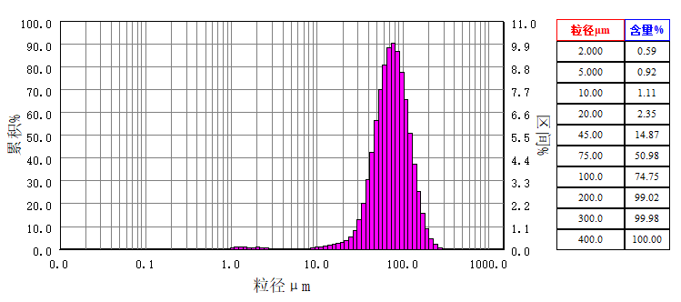
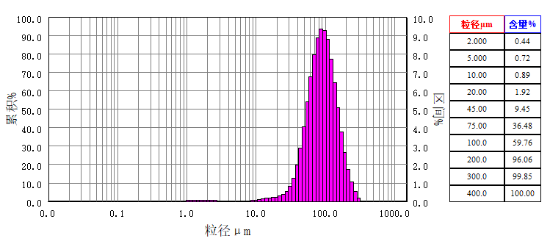
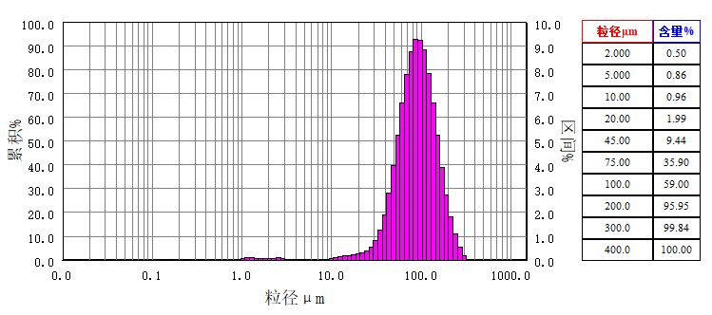
0.866 - 0.970 | 0.03 | 0.03 |  | 9.427 - 10.56 | 0.07 |  | 1 | 102.5 - 114.9 |  | 8.86 | 69.97 | 1115 - 1250 |  | 0 | 100

仪器制造商:丹东百特仪器有限公司 网址:www.bettersize.com 邮箱:bettersize@sohu.com 电话:0415-6184440

110-150
BT-9300Z 型激光粒度分布仪
粒度分析报告
Range : 0.1um - 1250um
样品名称:WorkSample-110-150 |  |  |  |  |  |  |  | 样品来源:Bettersize
介质名称:Water |  |  |  |  |  |  |  | 测试单位:Bettersize
物质折射率:1.59600+0.10000i |  |  |  | 光学模式:Mie |  |  |  | 测试人员:Z.H.B
介质折射率:1.333 |  |  |  | 分析模式:7.23 - 1 |  |  |  | 测试日期:2021-03-18 |  |  |  | 测试时间:11:01:50
备注: (1:3.00)-0-(0:3) |  |  |  |  |  |  |  |  |  |  |  | 分布类型:体积分布
中位径(D50):116.2um |  |  |  | 体积平均径:126.6um |  |  |  | 面积平均径:65.32um |  |  |  | 遮光率:4.72%
跨度:1.402 |  |  |  | 长度平均径:5.239um |  |  |  | 比表面积:34.01m^2/kg |  |  |  | 拟合残差:3.409%
D3:29.78um |  |  | D6:43.57um |  |  | D10:53.93um |  |  | D16:65.43um |  |  |  | D25:79.55um
D75:163.5um |  |  | D84:190.6um |  |  | D90:216.9um |  |  | D97:277.4um |  |  |  | D98:295.8um

粒径um | 区间% | 累积% |  | 粒径um | 区间% |  | 累积% | 粒径um |  | 区间% | 累积% | 粒径um |  | 区间% | 累积%
0.000 - 0.100 | 0 | 0 |  | 0.970 - 1.087 | 0.04 |  | 0.06 | 10.56 - 11.83 |  | 0.11 | 1.31 | 114.9 - 128.7 |  | 8.56 | 57.71
0.100 - 0.112 | 0 | 0 |  | 1.087 - 1.218 | 0.06 |  | 0.12 | 11.83 - 13.25 |  | 0.13 | 1.44 | 128.7 - 144.2 |  | 8.5 | 66.21
0.112 - 0.125 | 0 | 0 |  | 1.218 - 1.365 | 0.04 |  | 0.16 | 13.25 - 14.85 |  | 0.16 | 1.6 | 144.2 - 161.5 |  | 8.04 | 74.25
0.125 - 0.140 | 0 | 0 |  | 1.365 - 1.529 | 0.04 |  | 0.2 | 14.85 - 16.64 |  | 0.17 | 1.77 | 161.5 - 181.0 |  | 7.13 | 81.38
0.140 - 0.157 | 0 | 0 |  | 1.529 - 1.713 | 0.04 |  | 0.24 | 16.64 - 18.64 |  | 0.17 | 1.94 | 181.0 - 202.8 |  | 5.94 | 87.32
0.157 - 0.176 | 0 | 0 |  | 1.713 - 1.920 | 0.06 |  | 0.3 | 18.64 - 20.88 |  | 0.19 | 2.13 | 202.8 - 227.2 |  | 4.62 | 91.94
0.176 - 0.197 | 0 | 0 |  | 1.920 - 2.151 | 0.08 |  | 0.38 | 20.88 - 23.40 |  | 0.2 | 2.33 | 227.2 - 254.6 |  | 3.38 | 95.32
0.197 - 0.221 | 0 | 0 |  | 2.151 - 2.410 | 0.08 |  | 0.46 | 23.40 - 26.22 |  | 0.25 | 2.58 | 254.6 - 285.2 |  | 2.25 | 97.57
0.221 - 0.248 | 0 | 0 |  | 2.410 - 2.700 | 0.09 |  | 0.55 | 26.22 - 29.37 |  | 0.36 | 2.94 | 285.2 - 319.5 |  | 1.38 | 98.95
0.248 - 0.278 | 0 | 0 |  | 2.700 - 3.025 | 0.08 |  | 0.63 | 29.37 - 32.91 |  | 0.51 | 3.45 | 319.5 - 358.0 |  | 0.72 | 99.67
0.278 - 0.311 | 0 | 0 |  | 3.025 - 3.389 | 0.08 |  | 0.71 | 32.91 - 36.87 |  | 0.75 | 4.2 | 358.0 - 401.1 |  | 0.27 | 99.94
0.311 - 0.349 | 0 | 0 |  | 3.389 - 3.797 | 0.07 |  | 0.78 | 36.87 - 41.31 |  | 1.09 | 5.29 | 401.1 - 449.4 |  | 0.06 | 100
0.349 - 0.391 | 0 | 0 |  | 3.797 - 4.254 | 0.06 |  | 0.84 | 41.31 - 46.28 |  | 1.56 | 6.85 | 449.4 - 503.5 |  | 0 | 100
0.391 - 0.438 | 0 | 0 |  | 4.254 - 4.767 | 0.05 |  | 0.89 | 46.28 - 51.85 |  | 2.17 | 9.02 | 503.5 - 564.1 |  | 0 | 100
0.438 - 0.490 | 0 | 0 |  | 4.767 - 5.340 | 0.05 |  | 0.94 | 51.85 - 58.10 |  | 2.94 | 11.96 | 564.1 - 632.0 |  | 0 | 100
0.490 - 0.550 | 0 | 0 |  | 5.340 - 5.983 | 0.05 |  | 0.99 | 58.10 - 65.09 |  | 3.83 | 15.79 | 632.0 - 708.1 |  | 0 | 100
0.550 - 0.616 | 0 | 0 |  | 5.983 - 6.703 | 0.03 |  | 1.02 | 65.09 - 72.92 |  | 4.81 | 20.6 | 708.1 - 793.3 |  | 0 | 100
0.616 - 0.690 | 0 | 0 |  | 6.703 - 7.510 | 0.03 |  | 1.05 | 72.92 - 81.70 |  | 5.82 | 26.42 | 793.3 - 888.8 |  | 0 | 100
0.690 - 0.773 | 0 | 0 |  | 7.510 - 8.414 | 0.03 |  | 1.08 | 81.70 - 91.54 |  | 6.81 | 33.23 | 888.8 - 995.8 |  | 0 | 100
0.773 - 0.866 | 0 | 0 |  | 8.414 - 9.427 | 0.05 |  | 1.13 | 91.54 - 102.5 |  | 7.61 | 40.84 | 995.8 - 1115 |  | 0 | 100

0.866 - 0.970 | 0.02 | 0.02 |  | 9.427 - 10.56 | 0.07 |  | 1.2 | 102.5 - 114.9 |  | 8.31 | 49.15 | 1115 - 1250 |  | 0 | 100

仪器制造商:丹东百特仪器有限公司 网址:www.bettersize.com 邮箱:bettersize@sohu.com 电话:0415-6184440

70-110
BT-9300Z 型激光粒度分布仪
粒度分析报告
Range : 0.1um - 1250um
样品名称:WorkSample-70-110 |  |  |  |  |  |  |  | 样品来源:Bettersize
介质名称:Water |  |  |  |  |  |  |  | 测试单位:Bettersize
物质折射率:1.59600+0.10000i |  |  |  | 光学模式:Mie |  |  |  | 测试人员:Z.H.B
介质折射率:1.333 |  |  |  | 分析模式:7.23 - 1 |  |  |  | 测试日期:2021-03-18 |  |  |  | 测试时间:10:03:44
备注: (1:3.00)-0-(0:3) |  |  |  |  |  |  |  |  |  |  |  | 分布类型:体积分布
中位径(D50):244.8um |  |  |  | 体积平均径:265.4um |  |  |  | 面积平均径:212.7um |  |  |  | 遮光率:16.57%
跨度:1.234 |  |  |  | 长度平均径:156.5um |  |  |  | 比表面积:10.44m^2/kg |  |  |  | 拟合残差:12.89%
D3:96.32um |  |  | D6:116.0um |  |  | D10:133.3um |  |  | D16:153.6um |  |  |  | D25:179.2um
D75:332.1um |  |  | D84:384.1um |  |  | D90:435.6um |  |  | D97:547.3um |  |  |  | D98:576.6um

粒径um | 区间% | 累积% |  | 粒径um | 区间% |  | 累积% | 粒径um |  | 区间% | 累积% | 粒径um |  | 区间% | 累积%
0.000 - 0.100 | 0 | 0 |  | 0.970 - 1.087 | 0 |  | 0 | 10.56 - 11.83 |  | 0 | 0 | 114.9 - 128.7 |  | 3 | 8.74
0.100 - 0.112 | 0 | 0 |  | 1.087 - 1.218 | 0 |  | 0 | 11.83 - 13.25 |  | 0 | 0 | 128.7 - 144.2 |  | 4.22 | 12.96
0.112 - 0.125 | 0 | 0 |  | 1.218 - 1.365 | 0 |  | 0 | 13.25 - 14.85 |  | 0 | 0 | 144.2 - 161.5 |  | 5.59 | 18.55
0.125 - 0.140 | 0 | 0 |  | 1.365 - 1.529 | 0 |  | 0 | 14.85 - 16.64 |  | 0 | 0 | 161.5 - 181.0 |  | 7.08 | 25.63
0.140 - 0.157 | 0 | 0 |  | 1.529 - 1.713 | 0 |  | 0 | 16.64 - 18.64 |  | 0 | 0 | 181.0 - 202.8 |  | 8.44 | 34.07
0.157 - 0.176 | 0 | 0 |  | 1.713 - 1.920 | 0 |  | 0 | 18.64 - 20.88 |  | 0 | 0 | 202.8 - 227.2 |  | 9.45 | 43.52
0.176 - 0.197 | 0 | 0 |  | 1.920 - 2.151 | 0 |  | 0 | 20.88 - 23.40 |  | 0 | 0 | 227.2 - 254.6 |  | 10.04 | 53.56
0.197 - 0.221 | 0 | 0 |  | 2.151 - 2.410 | 0 |  | 0 | 23.40 - 26.22 |  | 0.01 | 0.01 | 254.6 - 285.2 |  | 9.85 | 63.41
0.221 - 0.248 | 0 | 0 |  | 2.410 - 2.700 | 0 |  | 0 | 26.22 - 29.37 |  | 0.05 | 0.06 | 285.2 - 319.5 |  | 9.04 | 72.45
0.248 - 0.278 | 0 | 0 |  | 2.700 - 3.025 | 0 |  | 0 | 29.37 - 32.91 |  | 0.07 | 0.13 | 319.5 - 358.0 |  | 7.74 | 80.19
0.278 - 0.311 | 0 | 0 |  | 3.025 - 3.389 | 0 |  | 0 | 32.91 - 36.87 |  | 0.09 | 0.22 | 358.0 - 401.1 |  | 6.28 | 86.47
0.311 - 0.349 | 0 | 0 |  | 3.389 - 3.797 | 0 |  | 0 | 36.87 - 41.31 |  | 0.11 | 0.33 | 401.1 - 449.4 |  | 4.93 | 91.4
0.349 - 0.391 | 0 | 0 |  | 3.797 - 4.254 | 0 |  | 0 | 41.31 - 46.28 |  | 0.13 | 0.46 | 449.4 - 503.5 |  | 3.72 | 95.12
0.391 - 0.438 | 0 | 0 |  | 4.254 - 4.767 | 0 |  | 0 | 46.28 - 51.85 |  | 0.15 | 0.61 | 503.5 - 564.1 |  | 2.6 | 97.72
0.438 - 0.490 | 0 | 0 |  | 4.767 - 5.340 | 0 |  | 0 | 51.85 - 58.10 |  | 0.15 | 0.76 | 564.1 - 632.0 |  | 1.51 | 99.23
0.490 - 0.550 | 0 | 0 |  | 5.340 - 5.983 | 0 |  | 0 | 58.10 - 65.09 |  | 0.2 | 0.96 | 632.0 - 708.1 |  | 0.63 | 99.86
0.550 - 0.616 | 0 | 0 |  | 5.983 - 6.703 | 0 |  | 0 | 65.09 - 72.92 |  | 0.28 | 1.24 | 708.1 - 793.3 |  | 0.14 | 100
0.616 - 0.690 | 0 | 0 |  | 6.703 - 7.510 | 0 |  | 0 | 72.92 - 81.70 |  | 0.45 | 1.69 | 793.3 - 888.8 |  | 0 | 100
0.690 - 0.773 | 0 | 0 |  | 7.510 - 8.414 | 0 |  | 0 | 81.70 - 91.54 |  | 0.76 | 2.45 | 888.8 - 995.8 |  | 0 | 100
0.773 - 0.866 | 0 | 0 |  | 8.414 - 9.427 | 0 |  | 0 | 91.54 - 102.5 |  | 1.26 | 3.71 | 995.8 - 1115 |  | 0 | 100

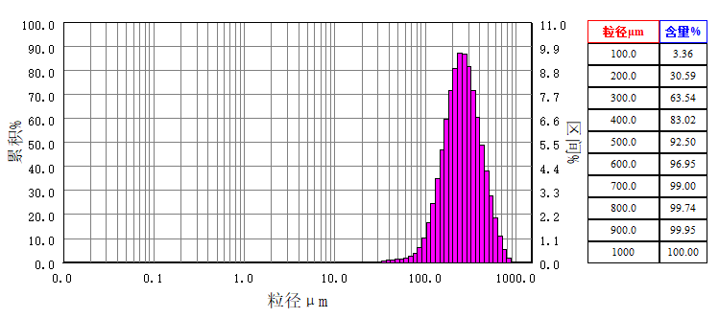
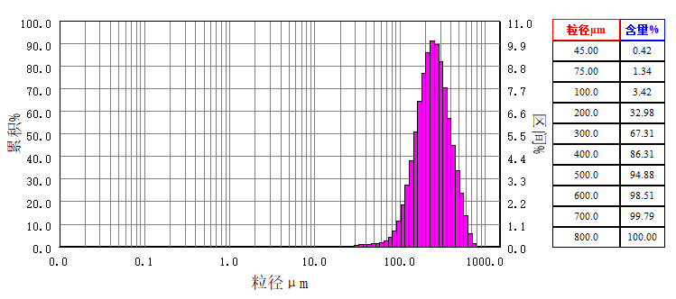
0.866 - 0.970 | 0 | 0 |  | 9.427 - 10.56 | 0 |  | 0 | 102.5 - 114.9 |  | 2.03 | 5.74 | 1115 - 1250 |  | 0 | 100

仪器制造商:丹东百特仪器有限公司 网址:www.bettersize.com 邮箱:bettersize@sohu.com 电话:0415-6184440

