2. CO Production
Table S2. CO production during grass clippings decomposition depending on time, season and football pitch type (µg CO∙g-1 d.m.)

Time, h | A1 Spring | A2 Spring | A3 Spring | A4 Spring | A1 Summer | A2 Summer | A3 Summer | A4 Summer | A1 Autumn | A2 Autumn | A3 Autumn | A4 Autumn | 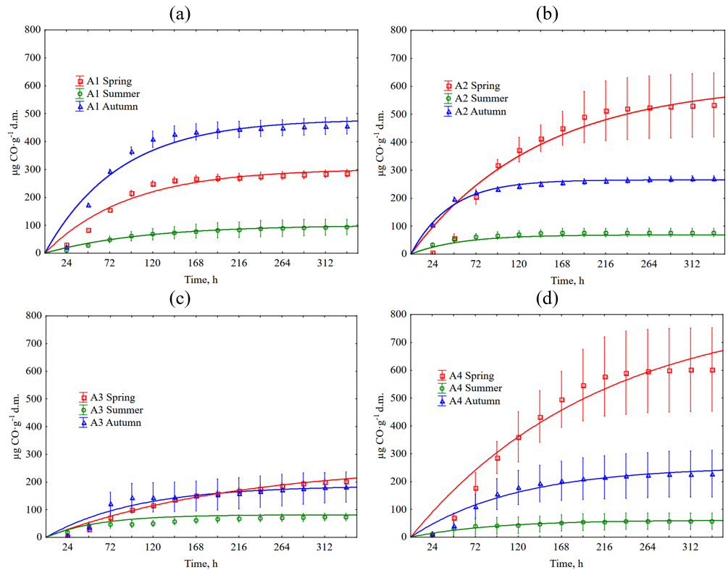
24 | 36.15 | 8.10 | 4.75 | 17.82 | 9.91 | 31.06 | 21.12 | 3.59 | 21.21 | 104.53 | 5.87 | 12.70
24 | 28.31 | 5.86 | 5.07 | 1.48 | 9.55 | 31.83 | 18.64 | 3.09 | 23.55 | 100.93 | 6.96 | 13.88
24 | 29.16 | 4.30 | 5.05 | 15.02 | 9.75 | 39.74 | 19.21 | 13.24 | 20.76 | 108.08 | 7.82 | 12.24
48 | 81.88 | 68.36 | 25.24 | 86.72 | 30.05 | 40.47 | 54.85 | 13.35 | 176.62 | 203.85 | 23.50 | 29.04
48 | 85.25 | 63.42 | 31.88 | 55.32 | 27.10 | 56.64 | 43.75 | 14.68 | 170.74 | 188.88 | 31.12 | 43.02
48 | 82.07 | 40.43 | 32.37 | 72.68 | 26.47 | 59.60 | 31.39 | 63.67 | 174.53 | 196.74 | 54.53 | 51.13
72 | 155.41 | 211.92 | 55.24 | 210.26 | 52.05 | 47.05 | 58.41 | 28.23 | 300.07 | 227.28 | 83.26 | 65.69
72 | 153.87 | 226.94 | 78.37 | 112.41 | 58.82 | 67.87 | 50.51 | 16.74 | 285.55 | 214.83 | 118.12 | 110.67
72 | 158.00 | 176.38 | 83.75 | 208.43 | 35.08 | 68.59 | 32.20 | 73.09 | 295.49 | 216.89 | 164.41 | 153.76
96 | 213.80 | 328.64 | 88.80 | 309.74 | 66.30 | 51.76 | 59.23 | 30.54 | 380.54 | 242.16 | 88.53 | 100.18
96 | 205.27 | 296.22 | 100.72 | 220.67 | 74.22 | 72.08 | 51.05 | 18.80 | 352.67 | 228.89 | 148.62 | 154.04
96 | 225.81 | 330.02 | 113.16 | 328.57 | 41.55 | 75.21 | 34.37 | 75.64 | 365.00 | 227.15 | 191.07 | 210.66
120 | 246.86 | 395.99 | 111.67 | 401.80 | 74.66 | 56.47 | 60.06 | 32.08 | 440.38 | 252.58 | 88.93 | 119.41
120 | 240.35 | 322.46 | 117.41 | 256.76 | 83.77 | 77.23 | 52.40 | 20.60 | 386.23 | 239.70 | 152.51 | 175.90
120 | 260.80 | 401.78 | 121.17 | 422.57 | 45.55 | 78.05 | 38.43 | 76.40 | 398.10 | 235.21 | 193.08 | 241.27
144 | 253.97 | 447.64 | 135.73 | 462.98 | 81.17 | 59.29 | 68.28 | 36.96 | 460.71 | 260.02 | 89.74 | 127.03
144 | 257.58 | 360.41 | 138.86 | 329.82 | 90.85 | 81.45 | 59.69 | 24.98 | 403.89 | 248.35 | 153.33 | 193.24
144 | 273.92 | 434.12 | 133.65 | 508.17 | 48.01 | 82.31 | 44.92 | 80.22 | 416.46 | 241.80 | 194.88 | 258.55
168 | 256.44 | 505.12 | 153.84 | 517.62 | 88.61 | 60.23 | 74.04 | 41.07 | 467.97 | 264.86 | 91.57 | 130.66
168 | 263.74 | 386.14 | 155.55 | 386.32 | 97.32 | 85.19 | 64.01 | 28.58 | 411.54 | 254.12 | 156.60 | 205.39
168 | 279.86 | 458.38 | 141.67 | 582.65 | 50.16 | 85.62 | 49.25 | 84.04 | 424.28 | 246.20 | 199.09 | 271.52
192 | 257.67 | 576.52 | 159.78 | 575.23 | 93.56 | 60.23 | 77.61 | 43.89 | 472.91 | 268.95 | 94.81 | 133.57
192 | 268.05 | 395.30 | 168.66 | 406.73 | 101.32 | 85.19 | 67.52 | 31.41 | 417.13 | 258.81 | 162.95 | 213.71
192 | 283.92 | 499.32 | 149.98 | 656.83 | 51.40 | 85.62 | 51.96 | 86.59 | 430.00 | 249.50 | 205.71 | 282.68
216 | 258.91 | 608.93 | 163.05 | 609.98 | 96.04 | 60.23 | 80.07 | 45.94 | 476.40 | 271.55 | 99.67 | 135.75
216 | 270.82 | 398.11 | 179.98 | 421.81 | 103.78 | 85.19 | 69.41 | 32.44 | 421.26 | 262.41 | 165.61 | 219.26
216 | 287.05 | 530.15 | 161.86 | 699.48 | 52.01 | 85.62 | 53.85 | 88.62 | 433.01 | 252.06 | 211.92 | 290.24
240 | 262.31 | 619.06 | 165.72 | 623.34 | 100.38 | 60.23 | 82.54 | 48.25 | 479.88 | 274.15 | 105.34 | 137.92
240 | 274.20 | 401.67 | 191.01 | 428.62 | 108.40 | 85.19 | 71.30 | 34.25 | 424.79 | 265.29 | 172.16 | 223.77
240 | 290.17 | 540.25 | 173.15 | 721.41 | 54.17 | 85.62 | 56.02 | 90.66 | 436.62 | 254.26 | 217.94 | 297.45
264 | 265.09 | 624.63 | 177.01 | 628.39 | 102.24 | 60.23 | 84.19 | 48.25 | 482.21 | 275.64 | 111.22 | 139.37
264 | 276.97 | 404.47 | 199.65 | 434.24 | 109.63 | 85.19 | 71.84 | 34.25 | 427.14 | 267.46 | 177.89 | 227.94
264 | 293.30 | 546.07 | 181.76 | 727.61 | 55.40 | 85.62 | 56.56 | 90.66 | 439.33 | 255.73 | 223.35 | 301.29
288 | 267.87 | 628.42 | 191.27 | 631.36 | 105.03 | 60.23 | 84.74 | 48.25 | 485.69 | 277.87 | 117.09 | 141.55
288 | 279.74 | 406.51 | 205.31 | 436.31 | 111.48 | 85.19 | 74.01 | 34.25 | 430.38 | 269.98 | 183.22 | 231.75
288 | 295.80 | 550.11 | 186.22 | 730.92 | 57.86 | 86.57 | 56.56 | 90.66 | 442.64 | 257.92 | 228.16 | 305.97
312 | 270.65 | 631.72 | 198.69 | 633.44 | 106.26 | 60.23 | 85.83 | 48.25 | 488.89 | 279.36 | 121.55 | 141.55
312 | 282.51 | 408.55 | 209.48 | 437.79 | 112.71 | 85.19 | 75.09 | 34.25 | 432.15 | 271.42 | 186.90 | 231.75
312 | 297.98 | 553.65 | 189.78 | 732.72 | 60.63 | 86.57 | 58.73 | 90.66 | 445.04 | 259.39 | 229.77 | 307.41
336 | 273.43 | 634.50 | 202.55 | 634.33 | 106.88 | 60.23 | 85.83 | 48.25 | 490.05 | 279.36 | 124.38 | 142.28
336 | 284.97 | 410.08 | 213.06 | 439.27 | 112.71 | 85.19 | 75.09 | 34.25 | 432.74 | 272.14 | 189.56 | 233.14
336 | 300.17 | 556.68 | 193.05 | 733.62 | 61.86 | 86.57 | 59.27 | 90.66 | 446.25 | 260.12 | 231.57 | 308.85

 |  |  |  |  |  |  |  |  |  |  |  |  | Figure S2. Cumulative CO production during grass clipping decomposition depends on the season and type of football pitch. The error bars show +/− standard deviation around the mean. The equations used in the figures are shown in Table S57 (sheet 8). The Kruskal-Wallis test p < 0.05 are shown in Tables S3-S19 (Supplementary Materials, sheet 3).

4. CO2 Production
Table S20. CO2 production during grass clippings decomposition depending on time, season and football pitch type (mg CO2∙g-1 d.m.)
 |  |  |  |  |  |  |  |  |  |  |  |  | 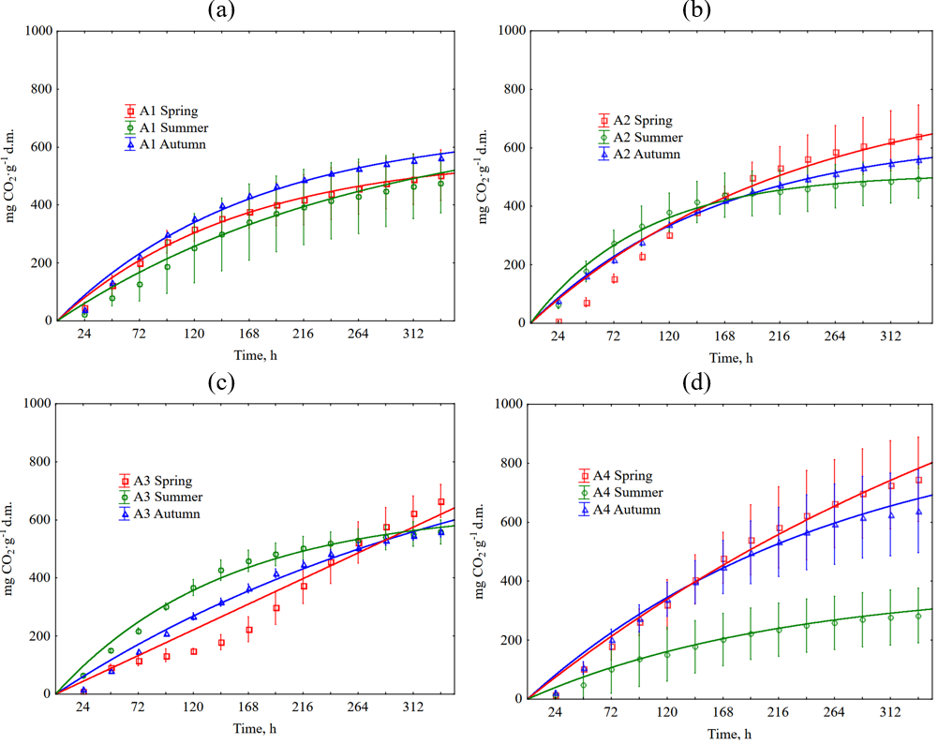
Time, h | A1 Spring | A2 Spring | A3 Spring | A4 Spring | A1 Summer | A2 Summer | A3 Summer | A4 Summer | A1 Autumn | A2 Autumn | A3 Autumn | A4 Autumn
24 | 12.63 | 5.28 | 4.91 | 13.43 | 12.66 | 9.82 | 4.53 | 11.61 | 11.87 | 7.76 | 3.35 | 16.41
24 | 28.63 | 3.32 | 5.18 | 1.03 | 28.65 | 6.11 | 4.70 | 0.90 | 27.39 | 4.70 | 3.56 | 1.21
24 | 29.62 | 3.52 | 4.13 | 9.92 | 29.17 | 6.58 | 3.77 | 8.42 | 28.52 | 5.10 | 2.79 | 11.90
48 | 44.60 | 44.25 | 41.58 | 60.17 | 51.19 | 55.24 | 48.65 | 16.74 | 58.35 | 51.43 | 36.82 | 48.92
48 | 76.00 | 39.20 | 51.05 | 41.67 | 63.73 | 73.26 | 48.38 | 8.96 | 75.51 | 48.58 | 37.38 | 50.08
48 | 72.00 | 28.78 | 49.84 | 56.41 | 42.82 | 69.93 | 47.30 | 49.38 | 77.97 | 49.70 | 36.61 | 59.18
72 | 85.17 | 85.20 | 49.33 | 107.43 | 74.89 | 98.61 | 81.79 | 55.80 | 102.55 | 79.90 | 70.29 | 89.32
72 | 111.59 | 80.84 | 63.22 | 65.33 | 106.05 | 126.18 | 90.19 | 12.54 | 121.85 | 77.42 | 71.20 | 101.97
72 | 112.21 | 70.31 | 67.92 | 103.42 | 49.78 | 122.17 | 77.42 | 88.80 | 127.17 | 77.73 | 70.09 | 114.92
96 | 119.02 | 123.29 | 57.85 | 150.55 | 116.38 | 116.61 | 124.71 | 75.88 | 143.98 | 112.24 | 102.35 | 119.93
96 | 145.84 | 120.27 | 68.15 | 107.78 | 147.82 | 151.01 | 134.34 | 23.29 | 158.96 | 107.51 | 102.00 | 139.68
96 | 158.13 | 110.53 | 80.32 | 145.21 | 59.41 | 169.88 | 119.31 | 112.72 | 165.89 | 108.00 | 102.69 | 157.51
120 | 140.51 | 162.48 | 74.89 | 190.32 | 156.52 | 140.75 | 163.34 | 87.04 | 173.53 | 145.24 | 127.19 | 146.76
120 | 166.45 | 155.48 | 72.81 | 115.49 | 189.60 | 186.01 | 174.50 | 31.35 | 185.84 | 139.17 | 135.29 | 175.28
120 | 183.40 | 150.08 | 81.87 | 191.17 | 76.27 | 184.28 | 141.90 | 118.70 | 194.41 | 139.22 | 135.81 | 196.02
144 | 157.44 | 202.77 | 84.45 | 229.31 | 184.54 | 156.30 | 196.25 | 101.77 | 196.27 | 170.79 | 151.49 | 167.27
144 | 187.32 | 191.81 | 84.47 | 159.73 | 213.70 | 205.55 | 208.09 | 44.78 | 209.14 | 162.36 | 161.10 | 210.27
144 | 202.69 | 191.39 | 107.69 | 238.18 | 97.14 | 203.20 | 167.55 | 129.77 | 219.01 | 164.07 | 161.79 | 230.15
168 | 160.93 | 239.54 | 100.72 | 266.76 | 209.86 | 165.30 | 211.99 | 113.82 | 212.69 | 187.93 | 175.10 | 183.37
168 | 203.65 | 209.75 | 104.16 | 196.00 | 237.26 | 218.98 | 226.41 | 57.77 | 226.80 | 178.35 | 186.73 | 241.04
168 | 220.08 | 228.30 | 140.75 | 278.40 | 115.61 | 218.01 | 183.79 | 142.39 | 236.80 | 181.59 | 186.37 | 262.09
192 | 164.42 | 275.65 | 130.94 | 306.27 | 223.60 | 167.76 | 221.05 | 124.31 | 230.37 | 203.78 | 201.70 | 198.84
192 | 220.51 | 225.91 | 142.26 | 208.35 | 251.99 | 221.83 | 240.26 | 68.29 | 243.18 | 194.02 | 214.50 | 271.21
192 | 237.47 | 268.73 | 187.24 | 320.44 | 130.86 | 221.30 | 195.79 | 152.14 | 254.86 | 198.16 | 212.00 | 292.47
216 | 165.23 | 295.90 | 164.77 | 334.93 | 235.99 | 171.03 | 231.54 | 132.35 | 243.50 | 214.14 | 222.13 | 211.14
216 | 231.48 | 232.56 | 186.05 | 218.89 | 263.24 | 226.31 | 251.77 | 73.44 | 253.68 | 205.62 | 222.87 | 293.54
216 | 249.97 | 295.32 | 228.56 | 347.08 | 143.44 | 222.94 | 205.44 | 159.89 | 264.28 | 210.26 | 231.18 | 313.76
240 | 174.36 | 312.86 | 197.31 | 358.95 | 247.85 | 175.53 | 240.61 | 140.16 | 255.37 | 225.13 | 240.10 | 222.19
240 | 243.79 | 241.64 | 232.69 | 231.50 | 274.49 | 232.82 | 259.52 | 80.38 | 264.43 | 217.21 | 242.27 | 312.54
240 | 261.65 | 315.32 | 274.01 | 373.98 | 153.08 | 226.24 | 213.21 | 166.75 | 275.53 | 222.05 | 250.36 | 334.11
264 | 184.03 | 327.17 | 245.35 | 375.99 | 255.93 | 182.08 | 248.95 | 144.40 | 263.46 | 232.90 | 251.90 | 230.40
264 | 251.82 | 248.73 | 267.15 | 253.62 | 279.84 | 237.29 | 265.63 | 85.53 | 272.62 | 225.68 | 256.51 | 330.34
264 | 271.71 | 330.70 | 311.20 | 395.66 | 162.44 | 229.94 | 218.85 | 171.85 | 284.16 | 230.97 | 263.96 | 350.40
288 | 193.44 | 339.28 | 282.02 | 392.26 | 264.55 | 186.17 | 253.96 | 149.53 | 273.06 | 242.28 | 263.00 | 241.44
288 | 260.38 | 254.71 | 292.80 | 270.34 | 286.81 | 240.96 | 273.15 | 90.68 | 281.07 | 237.27 | 270.75 | 343.62
288 | 279.86 | 343.88 | 336.25 | 415.25 | 175.82 | 234.05 | 222.62 | 178.71 | 292.80 | 241.49 | 276.68 | 362.30
312 | 201.77 | 349.41 | 311.46 | 406.46 | 269.13 | 191.08 | 259.21 | 154.44 | 280.63 | 249.39 | 271.28 | 244.92
312 | 268.41 | 260.47 | 315.09 | 286.80 | 291.89 | 245.03 | 279.72 | 93.37 | 285.42 | 244.17 | 280.90 | 347.24
312 | 287.46 | 355.09 | 355.62 | 430.13 | 190.81 | 236.52 | 229.21 | 182.92 | 298.81 | 249.45 | 284.01 | 369.19
336 | 208.75 | 357.77 | 337.03 | 413.95 | 274.25 | 199.67 | 263.74 | 157.34 | 285.43 | 255.22 | 276.57 | 250.91
336 | 275.63 | 265.34 | 334.26 | 300.18 | 295.11 | 248.69 | 283.01 | 96.95 | 289.26 | 251.06 | 287.84 | 353.87
336 | 294.26 | 364.32 | 374.73 | 438.75 | 201.51 | 239.81 | 232.97 | 186.24 | 303.26 | 255.82 | 289.24 | 375.45

 |  |  |  |  |  |  |  |  |  |  |  |  | Figure S3. Cumulative CO2 production during grass clipping decomposition depends on the season and type of football pitch. The error bars show +/− standard deviation around the mean. The equations used in the figures are shown in Table S59 (sheet 8). The Kruskal-Wallis test p < 0.05 are shown in Tables S21-S37 (Supplementary Materials, sheet 5).

6. O2 Consumption
Table S38. O2 consumption during grass clippings decomposition depending on time, season and football pitch type (mg O2∙g-1 d.m.) |  |  |  |  |  |  |  |  |  |  |  |  | 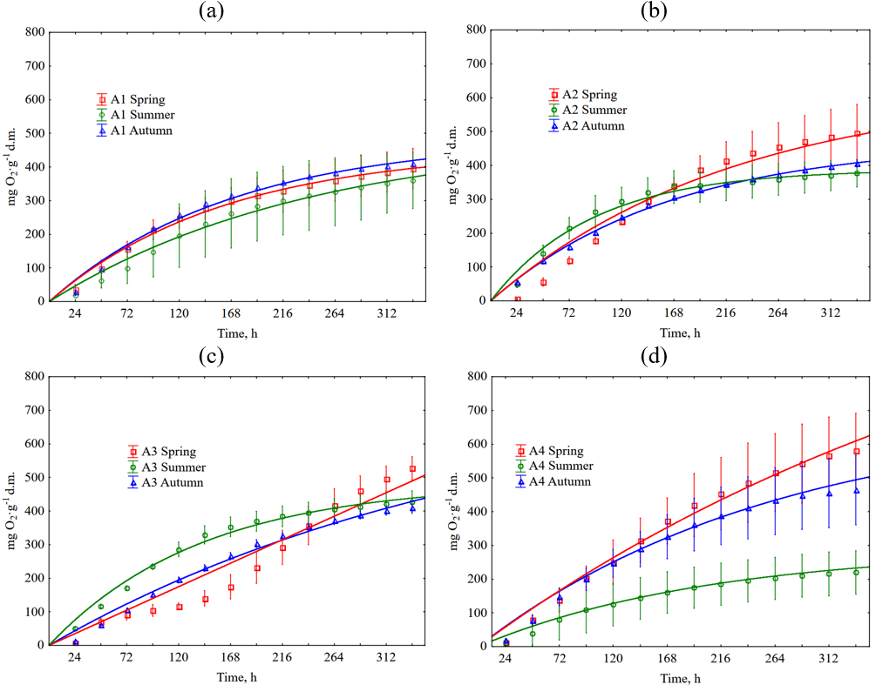

Time, h | A1 Spring | A2 Spring | A3 Spring | A4 Spring | A1 Summer | A2 Summer | A3 Summer | A4 Summer | A1 Autumn | A2 Autumn | A3 Autumn | A4 Autumn
24 | 13.43 | 5.50 | 5.17 | 14.20 | 13.74 | 27.01 | 33.38 | 2.45 | 20.71 | 33.96 | 7.22 | 10.73
24 | 30.77 | 3.32 | 5.18 | 1.03 | 12.32 | 36.23 | 34.76 | 1.57 | 22.78 | 38.87 | 8.37 | 14.18
24 | 31.52 | 3.74 | 4.39 | 10.71 | 12.31 | 41.96 | 38.59 | 16.61 | 16.48 | 44.92 | 9.94 | 10.96
48 | 48.63 | 47.12 | 44.42 | 64.04 | 54.96 | 79.79 | 80.60 | 8.03 | 67.19 | 77.63 | 40.69 | 43.24
48 | 81.62 | 41.64 | 54.41 | 44.24 | 49.81 | 107.86 | 81.50 | 11.42 | 70.91 | 82.75 | 42.19 | 63.05
48 | 76.89 | 30.76 | 53.20 | 60.33 | 26.76 | 109.83 | 85.19 | 60.46 | 65.94 | 89.52 | 43.76 | 58.24
72 | 91.88 | 90.93 | 52.68 | 114.66 | 82.97 | 126.43 | 118.51 | 50.22 | 111.40 | 106.10 | 74.16 | 83.64
72 | 119.62 | 86.16 | 67.63 | 69.45 | 95.07 | 164.44 | 126.12 | 17.24 | 117.24 | 111.58 | 76.01 | 114.94
72 | 119.82 | 75.15 | 72.57 | 110.73 | 33.99 | 165.77 | 117.43 | 102.53 | 115.13 | 117.56 | 77.23 | 113.98
96 | 128.69 | 131.66 | 61.72 | 160.88 | 127.43 | 149.76 | 164.30 | 72.31 | 152.82 | 138.44 | 106.22 | 114.25
96 | 156.28 | 128.46 | 72.81 | 114.98 | 139.79 | 192.12 | 172.86 | 31.57 | 154.36 | 141.67 | 106.81 | 152.65
96 | 169.00 | 118.22 | 86.00 | 155.39 | 44.16 | 216.77 | 162.14 | 128.22 | 153.86 | 147.82 | 109.84 | 156.57
120 | 153.94 | 173.49 | 79.80 | 203.75 | 170.26 | 175.53 | 205.79 | 85.03 | 182.37 | 171.44 | 131.06 | 141.08
120 | 178.76 | 166.11 | 77.48 | 123.21 | 184.51 | 216.94 | 215.84 | 45.01 | 181.23 | 173.33 | 140.09 | 188.25
120 | 195.90 | 160.62 | 89.87 | 204.49 | 62.09 | 231.99 | 186.14 | 134.20 | 182.38 | 179.04 | 142.96 | 195.08
144 | 172.75 | 216.42 | 89.87 | 245.32 | 198.28 | 191.08 | 238.70 | 99.76 | 205.11 | 196.99 | 155.37 | 161.59
144 | 200.97 | 204.87 | 89.91 | 170.28 | 208.61 | 236.48 | 249.42 | 58.44 | 204.53 | 196.53 | 165.90 | 223.25
144 | 216.55 | 204.79 | 117.51 | 254.63 | 82.96 | 250.92 | 211.79 | 145.27 | 206.97 | 203.89 | 168.94 | 229.21
168 | 178.93 | 255.83 | 107.18 | 285.61 | 223.60 | 200.08 | 254.44 | 111.81 | 221.53 | 214.14 | 178.98 | 177.69
168 | 218.37 | 223.92 | 111.16 | 209.12 | 232.18 | 249.91 | 267.74 | 71.43 | 222.19 | 212.51 | 191.54 | 254.02
168 | 235.03 | 244.56 | 152.89 | 297.72 | 101.43 | 265.72 | 228.03 | 157.89 | 224.77 | 221.41 | 193.52 | 261.15
192 | 182.42 | 294.58 | 139.46 | 327.96 | 237.34 | 202.54 | 263.50 | 122.30 | 239.21 | 229.99 | 205.58 | 193.15
192 | 236.30 | 240.75 | 151.84 | 222.24 | 246.90 | 252.76 | 281.60 | 81.95 | 238.57 | 228.18 | 219.31 | 284.19
192 | 253.50 | 287.85 | 202.47 | 342.90 | 116.68 | 269.01 | 240.03 | 167.64 | 242.82 | 237.98 | 219.15 | 291.53
216 | 183.77 | 316.16 | 175.87 | 358.43 | 249.73 | 205.81 | 273.99 | 130.34 | 252.34 | 240.34 | 226.01 | 205.46
216 | 248.07 | 247.62 | 198.74 | 234.33 | 258.15 | 257.24 | 293.11 | 87.10 | 249.07 | 239.78 | 227.67 | 306.51
216 | 266.82 | 316.19 | 246.64 | 371.37 | 129.26 | 270.66 | 249.68 | 175.39 | 252.24 | 250.09 | 238.33 | 312.82
240 | 196.12 | 334.21 | 214.61 | 384.26 | 261.59 | 210.31 | 283.05 | 138.15 | 264.22 | 251.33 | 243.98 | 216.51
240 | 261.18 | 257.59 | 248.49 | 248.47 | 269.40 | 263.75 | 300.86 | 94.04 | 259.82 | 251.38 | 247.08 | 325.52
240 | 279.04 | 337.51 | 295.19 | 400.10 | 138.89 | 273.95 | 257.45 | 182.25 | 263.49 | 261.87 | 257.50 | 333.17
264 | 206.33 | 349.41 | 266.01 | 402.33 | 269.67 | 216.86 | 291.40 | 142.39 | 272.30 | 259.10 | 255.78 | 224.72
264 | 269.48 | 264.89 | 285.29 | 272.14 | 274.76 | 268.23 | 306.97 | 99.19 | 268.01 | 259.84 | 261.32 | 343.32
264 | 289.64 | 353.77 | 334.96 | 423.34 | 148.26 | 277.65 | 263.09 | 187.35 | 272.13 | 270.80 | 271.10 | 349.46
288 | 216.27 | 362.18 | 305.26 | 419.63 | 278.29 | 220.95 | 296.41 | 147.52 | 281.90 | 268.48 | 266.88 | 235.76
288 | 278.58 | 271.32 | 312.49 | 289.89 | 281.72 | 271.89 | 314.48 | 104.34 | 276.46 | 271.44 | 275.56 | 356.59
288 | 298.33 | 367.83 | 361.56 | 444.24 | 161.64 | 281.77 | 266.86 | 194.21 | 280.76 | 281.31 | 283.83 | 361.36
312 | 225.14 | 372.96 | 337.03 | 434.61 | 282.87 | 225.86 | 301.65 | 152.43 | 289.48 | 275.59 | 275.16 | 239.23
312 | 287.14 | 277.30 | 336.07 | 307.64 | 286.81 | 275.96 | 321.06 | 107.03 | 280.81 | 278.33 | 285.70 | 360.21
312 | 306.21 | 379.70 | 381.96 | 460.43 | 176.63 | 284.23 | 273.45 | 198.42 | 286.78 | 289.27 | 291.15 | 368.25
336 | 232.93 | 381.99 | 364.14 | 442.62 | 287.99 | 234.45 | 306.18 | 155.33 | 294.27 | 281.42 | 280.44 | 245.23 | Figure S4. Cumulative O2 consumption during grass clipping decomposition depends on the season and type of football pitch. The error bars show +/− standard deviation around the mean. The equations used in the figures are shown in Table S61 (sheet 8). The Kruskal-Wallis test p < 0.05 are shown in Tables S39–S55 (Supplementary Materials, sheet 7).
336 | 294.90 | 282.61 | 356.54 | 322.04 | 290.02 | 279.63 | 324.35 | 110.61 | 284.65 | 285.23 | 292.65 | 366.85
336 | 313.28 | 389.36 | 402.11 | 469.57 | 187.33 | 287.52 | 277.21 | 201.74 | 291.23 | 295.64 | 296.38 | 374.51

9. Neural Networks
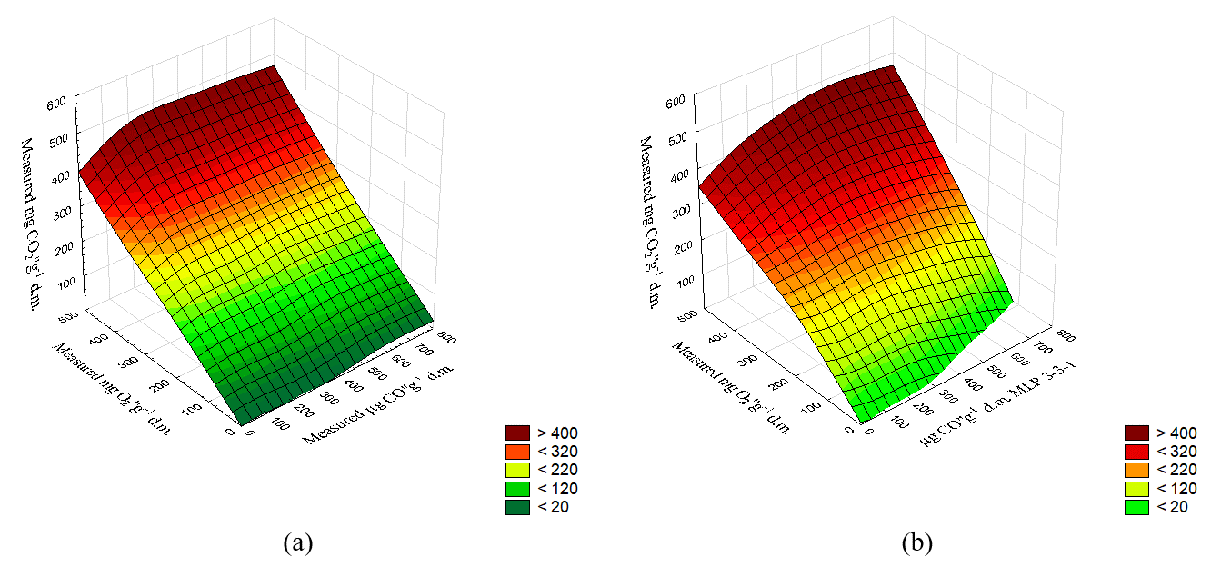 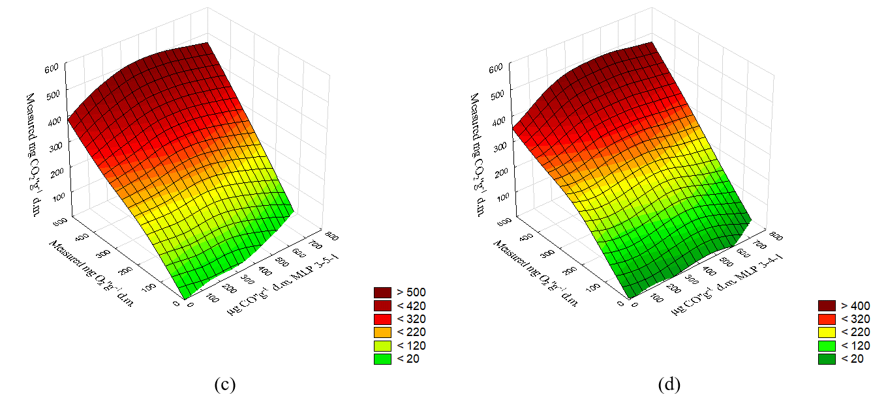

 | 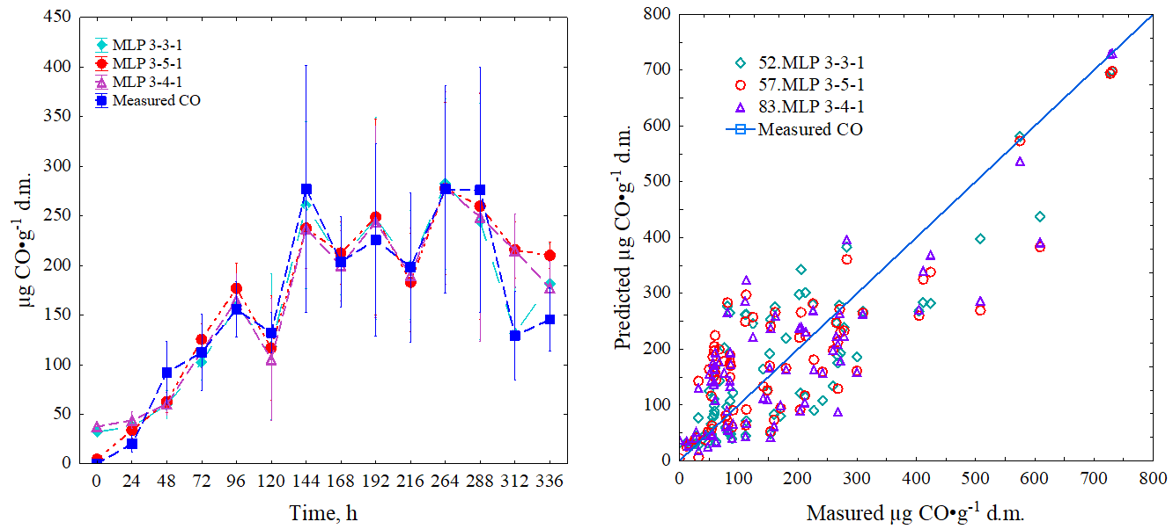

 | (a) | (b)

 | Figure S5. Process simulation with the neural network model – comparison of predicted and measured CO production, a) CO production in a time, b) for entire dataset comparison of MLP 3-3-1, MLP 3-4-1, MLP, 3-5-1 predictions

Figure S6. Process simulation with the neural network model: effect of CO2 production and O2 consumption on CO production during the store of clipped grass a) measured CO production b) results of CO prediction from model MLP 3-3-1, c) results of CO prediction from model MLP 3-5-1, d) results of CO prediction from model MLP 3-4-1

