Venn for SNP
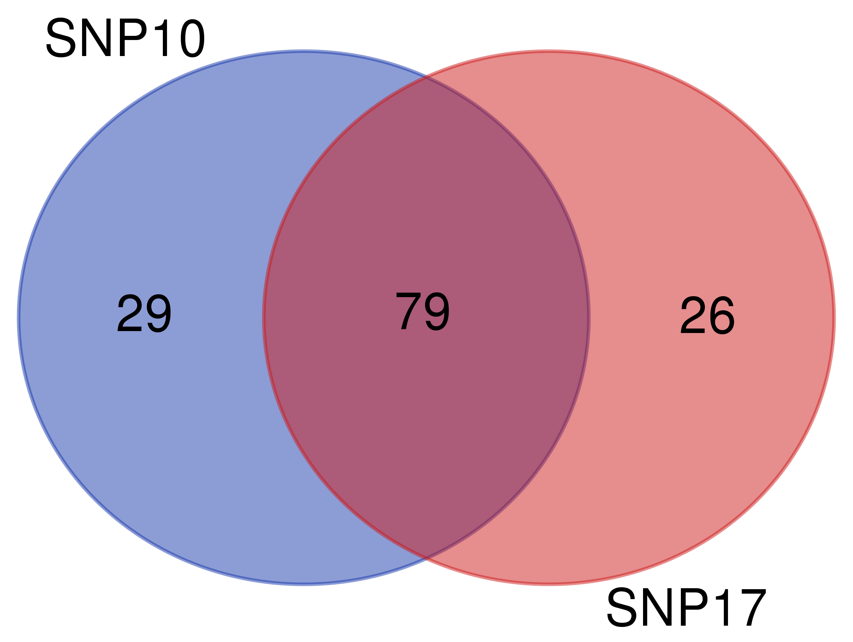
Table S13. Comparison of GWAS results for SNP-DArT markers associated with resposne to LR isolate S 10 and 17 dpi on chromosome 1R
List names | number of elements | number of unique elements
SNP10 | 109 | 108
SNP17 | 106 | 105
Overall number of unique elements |  | 134

Venn for silico
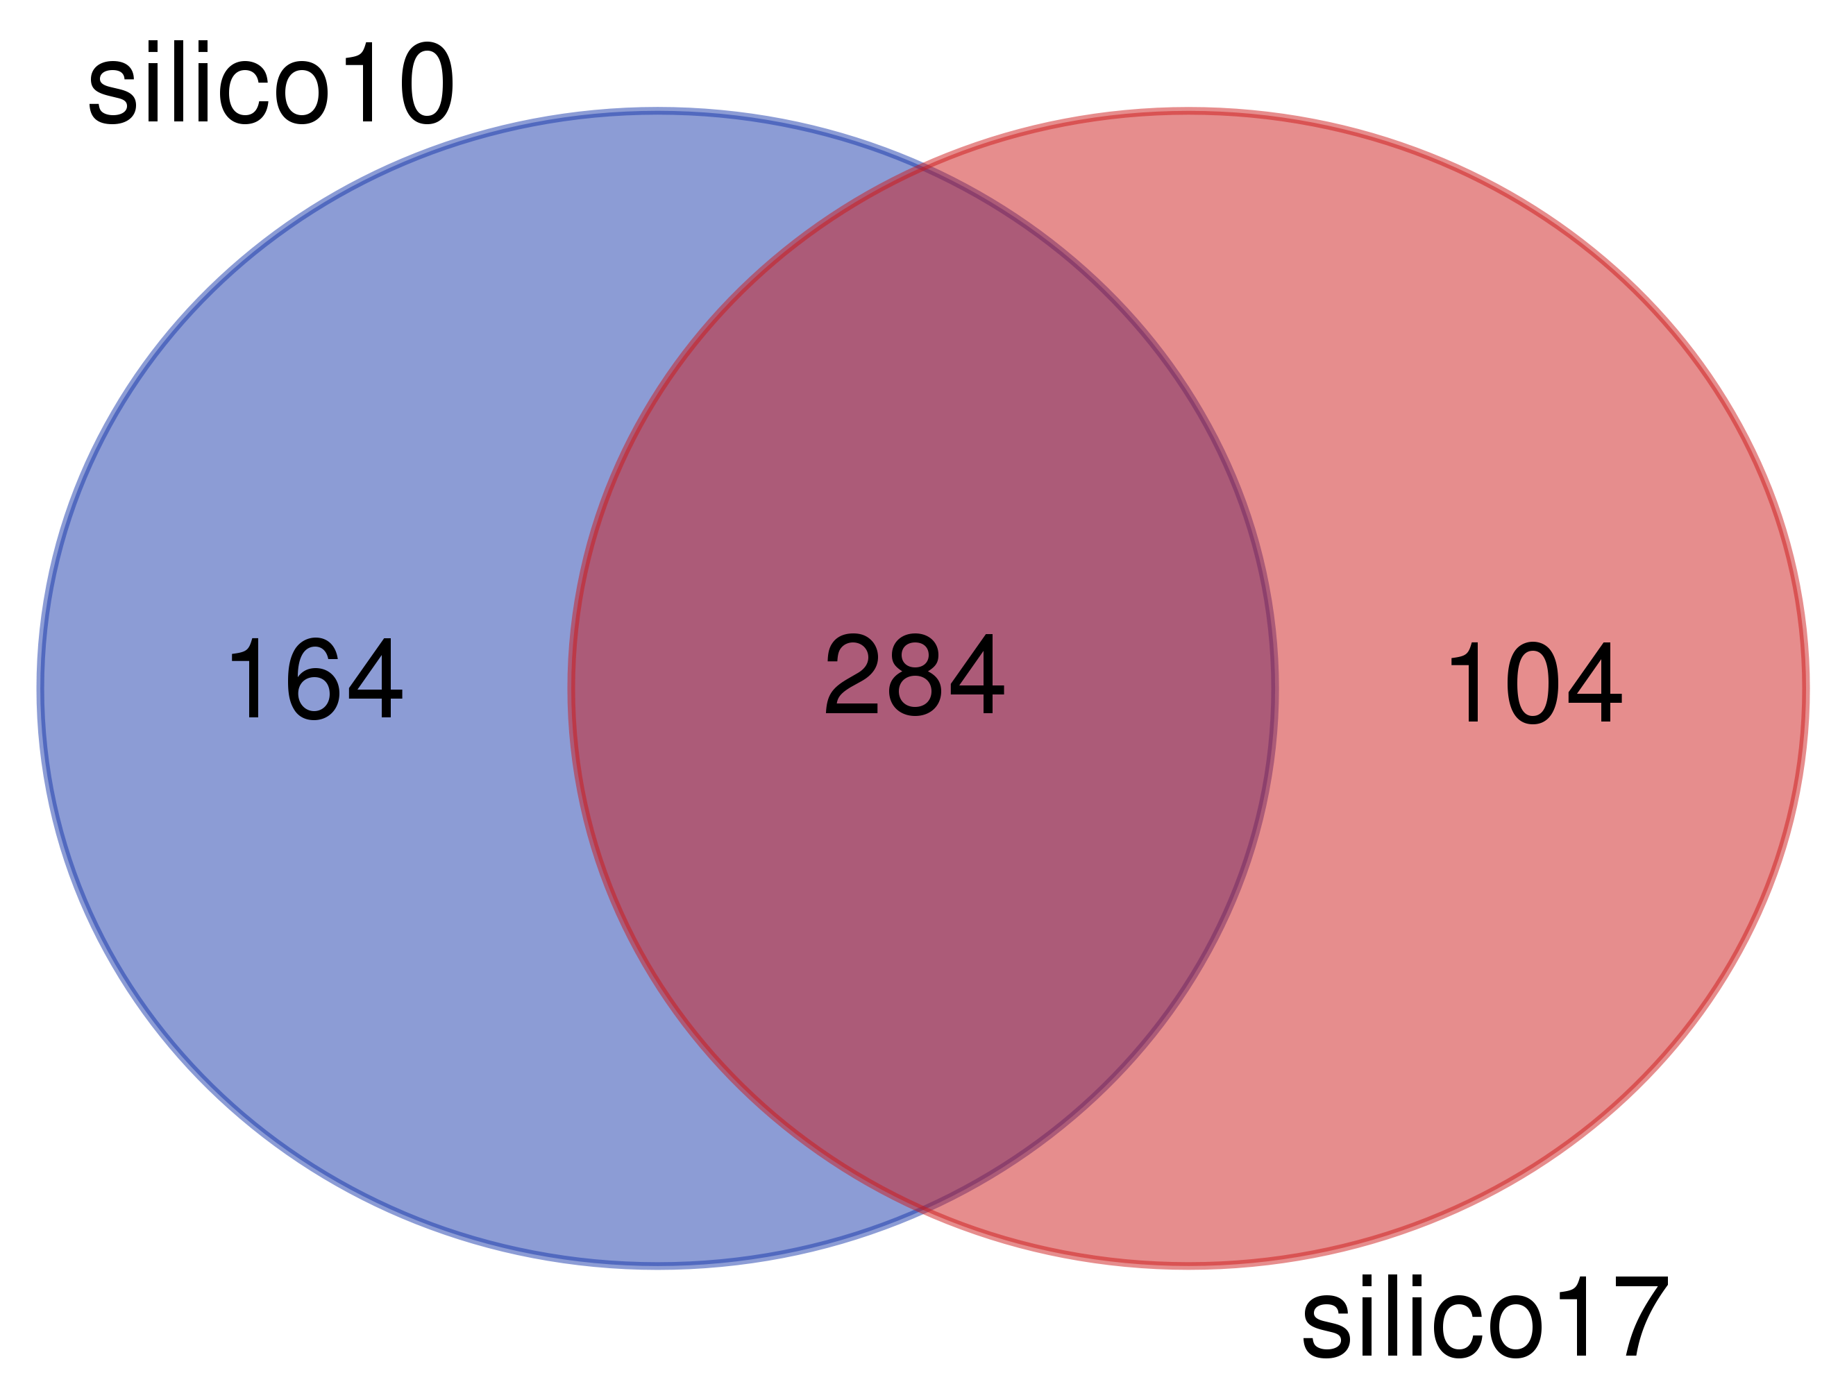
Table S13. Comparison of GWAS results for silico-DArT markers associated with resposne to LR isolate S 10 and 17 dpi on chromosome 1R
List names | number of elements | number of unique elements
silico10 | 458 | 448
silico17 | 392 | 388
Overall number of unique elements |  | 552

