Supp Fig1
Corlouer et al.
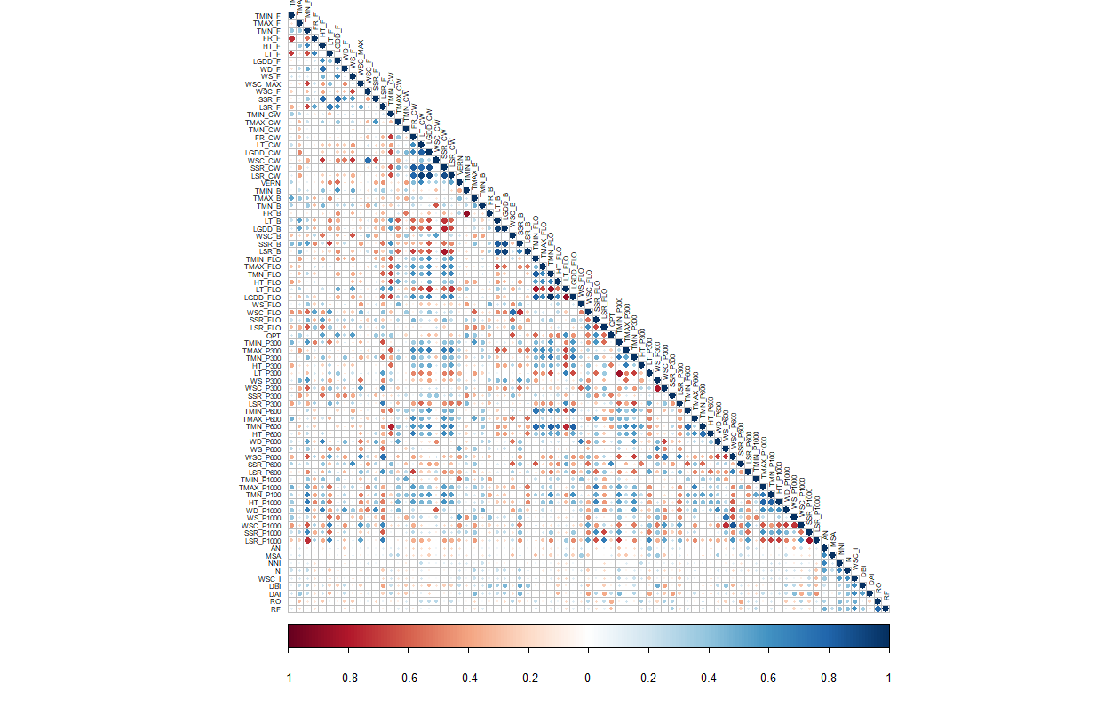
-1
0.2
-0.6
-0.8
-0.4
-0.2
0
0.4
0.6
0.8
1
TMIN_F
TMAX_F
TMN_F
HT_F
LT_F
FR_F
LGDD_F
WD_F
WS_F
WSC_F
WSC_MAX
SSR_F
LSR_F
TMIN_CW
TMAX_CW
TMN_CW
FR_CW
LT_CW
LGDD_CW
WSC_CW
SSR_CW
LSR_CW
VERN
TMIN_B
TMAX_B
TMN_B
FR_B
LSR_B
LT_B
LGDD_B
WSC_B
SSR_B
TMIN_FLO
TMAX_FLO
TMN_FLO
HT_FLO
LT_FLO
WS_FLO
WSC_FLO
LSR_FLO
SSR_FLO
QPT
TMIN_P300
TMAX_P300
TMN_P300
HT_P300
LT_P300
WS_P300
WSC_P300
LSR_P300
SSR_P300
TMIN_P600
TMAX_P600
TMN_P600
HT_P600
WD_P600
WS_P600
WSC_P600
LSR_P600
SSR_P600
TMIN_F
TMAX_F
TMN_F
HT_F
LT_F
FR_F
LGDD_F
WD_F
WS_F
WSC_F
WSC_MAX
SSR_F
LSR_F
TMIN_CW
TMIN_B
TMIN_FLO
TMAX_CW
TMN_CW
FR_CW
LT_CW
LGDD_CW
WSC_CW
SSR_CW
LSR_CW
VERN
TMAX_B
TMN_B
FR_B
LSR_B
LT_B
LGDD_B
WSC_B
SSR_B
TMAX_FLO
TMN_FLO
HT_FLO
LT_FLO
LGDD_FLO
WS_FLO
WSC_FLO
LSR_FLO
SSR_FLO
QPT
TMIN_P300
TMAX_P300
TMN_P300
HT_P300
LT_P300
WS_P300
WSC_P300
LSR_P300
SSR_P300
AN
TMIN_P600
TMAX_P600
TMN_P600
HT_P600
WD_P600
WS_P600
WSC_P600
LSR_P600
SSR_P600
TMIN_P1000
TMAX_P1000
TMN_1000
HT_P1000
WD_P1000
WS_P1000
WSC_P1000
LSR_P1000
SSR_P1000
ADB
NNI
N_{total}
WSC_I
DBI
DAI
RO
RF
AN
TMIN_P1000
TMAX_P1000
TMN_1000
HT_P1000
WD_P1000
WS_P1000
WSC_P1000
LSR_P1000
SSR_P1000
ADB
NNI
N_{total}
WSC_I
DBI
DAI
RO
RF
LGDD_FLO
*
*
*
*
*
*
*
*
*
*
*
*
*
*
*
*
*
*
*
*
*
*
*
*
*
*

Supplemental Fig. 1. Correlation matrix of the 79 pedoclimaticic indicators used in the present study.
Correlations are represented by circles with different colors and diameters. Positive correlations are in blue and negative correlations in red. The more the correlation coefficient is close to 1, the more the diameter of the circle is big.

Supp Fig2
Corlouer et al.

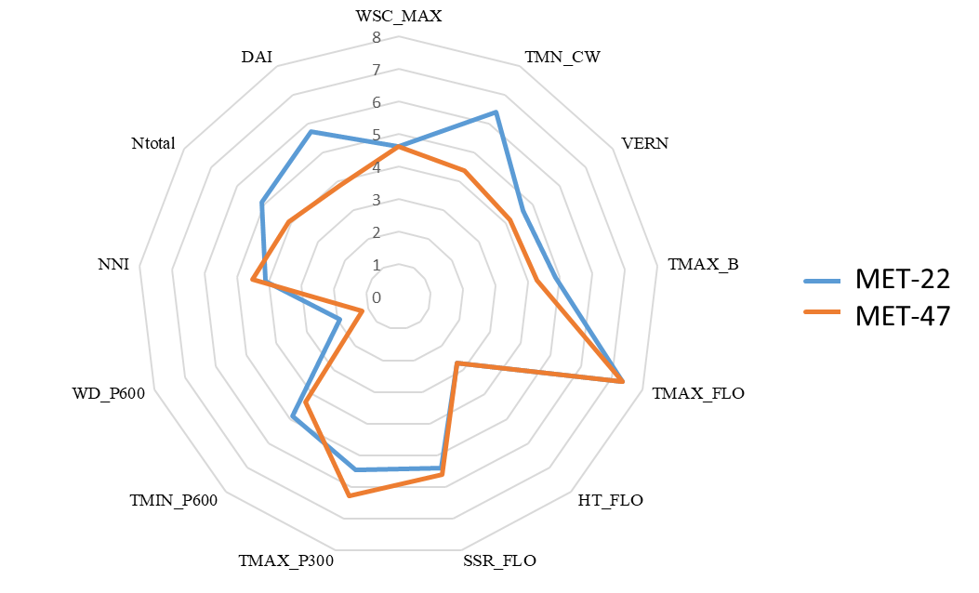

Supplemental Fig. 2. MET-47 and MET-22 description based on the seed yield limiting factors.
The profile of each limiting indicator is represented on a 0-10 scale for each MET. Abbreviations of the indicators are as following: TMN_CW: mean temperature at climatic winter, VERN: vernalization condition, TMAX_B: maximal temperature at bolting, HT_FLO: number of days with high temperature (>25°C) at flowering, SSR_FLO: sum of solar radiation at flowering, TMAX_P300: maximal temperature during the seed number fixation period, TMIN_P600: minimal temperature during the pod growth, WD_P600: water deficit during the pod growth, NNI: Nitrogen Nutrition Index, N_{total}: Amount of Nitrogen bring to the environment, DAI: number of dry days after the N-input. WSC_MAX: maximal water soil capacity.

