Data collections
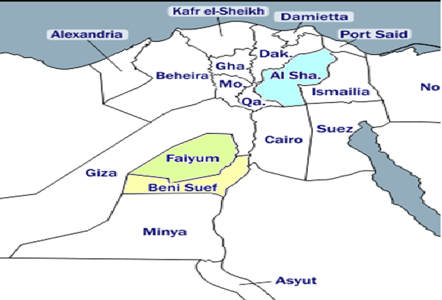
Pectinophora gossypiella collection sites from egyptian governorates

gel scanned
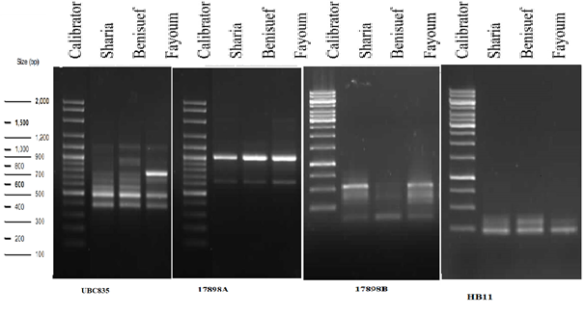
Gel scanned lans and bands

statistical analysis
 | Principle component analysis |  |  |  |  | Corresponding analysis
Scores | PC1 | PC2 | PC3 | Eigenvalue | Variance | PC1 | PC2 | PC3 | Eigenvalue | Variance
Sharkia | 0.604 | -0.515 | 0.607 | 34.6 | 2.79 | -1.34 | 1.37 | -1.6 | 40.1 | 18
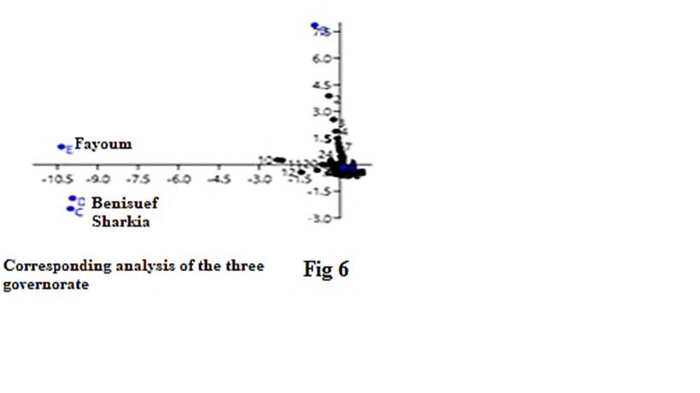
Benisuef | 0.648 | -0.124 | -0.75 | 7.5 | 3.27 | 1.34 | 0.31 | 1.9 | 8.7 | 4.33
Fayoum | 0.462 | 0.847 | 0.259 | 4.9 | 0.595 | -1 | -2.6 | -0.79 | 5.7 | 6.5

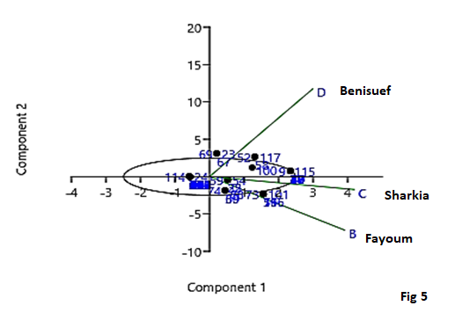
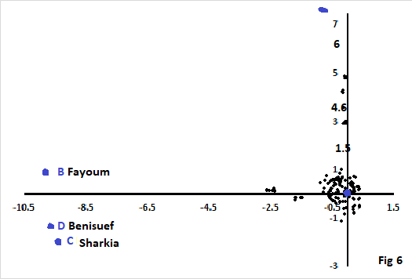

Fig6

population genetic analysis
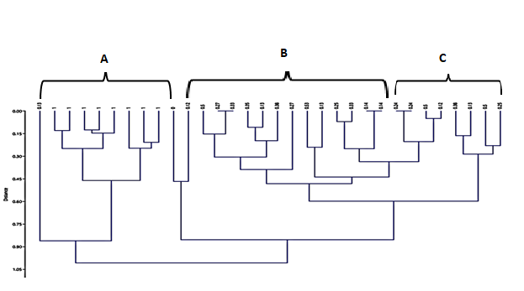
 |  |  |  |  | Some Population genetic information measurements

Population | Ho | He | Hs | Ht | Na | Ne | DST | GST | F | Fis | Fst | NM
Calibrator | 1 | 0.75 | 27.1 | 81.9 | 1.88 | 1.52 | 54.8 | 0.6691 | -0.333 | 0.669 | 0.669 | -0.493
Sharkia | 1 | 0.76 | 5.9 | 18.1 | 1.929 | 1.6 | 12.2 | 0.674 | -0.316 | 0.674 | 0.674 | -0.472
Benisuef | 1 | 0.75 | 6.4 | 19.6 | 2.11 | 1.93 | 13.2 | 0.6735 | -0.333 | 0.674 | 0.674 | -0.474
Fayoum | 1 | 0.76 | 4.4 | 13.6 | 2.03 | 1.78 | 9.2 | 0.6765 | -0.317 | 0.677 | 0.677 | -0.462

