PhosphoSVM
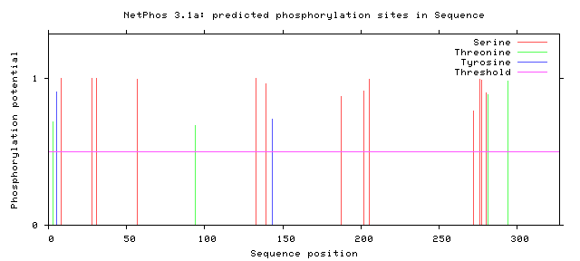
>Sequence 327 amino acids
#
# netphos-3.1b prediction results
#
# Sequence # x Context Score Kinase Answer
# -------------------------------------------------------------------
# Sequence 3 T --MGTDYRN 0.703 PKC YES
#
# Sequence 5 Y MGTDYRNSG 0.903 unsp YES
#
# Sequence 8 S DYRNSGRGG 0.996 unsp YES
#
# Sequence 28 S DRRDSGRSF 0.997 unsp YES
# Sequence 28 S DRRDSGRSF 0.738 PKA YES
# Sequence 28 S DRRDSGRSF 0.725 PKC YES
# Sequence 28 S DRRDSGRSF 0.629 RSK YES
#
# Sequence 31 S DSGRSFGDR 0.996 unsp YES
#
# Sequence 57 S DRRGSGPPG 0.993 unsp YES
# Sequence 57 S DRRGSGPPG 0.790 PKA YES
#
# Sequence 94 T GGAKTMVKP 0.680 PKC YES
#
# Sequence 133 S EKRISVEGT 0.998 unsp YES
#
# Sequence 139 S EGTESKIEY 0.960 unsp YES
# Sequence 139 S EGTESKIEY 0.648 CKII YES
#
# Sequence 143 Y SKIEYREWN 0.723 unsp YES
#
# Sequence 187 S VSHVSDIVG 0.876 unsp YES
#
# Sequence 202 S AVEFSQRSG 0.913 unsp YES
#
# Sequence 205 S FSQRSGRDL 0.995 unsp YES
#
# Sequence 272 S GMLISIKAS 0.779 PKC YES
#
# Sequence 276 S SIKASSVDS 0.991 unsp YES
#
# Sequence 277 S IKASSVDST 0.983 unsp YES
# Sequence 277 S IKASSVDST 0.677 PKC YES
#
# Sequence 280 S SSVDSTLKP 0.898 unsp YES
#
# Sequence 281 T SVDSTLKPE 0.884 unsp YES
#
# Sequence 294 T REIETLREH 0.978 unsp YES
#
MGTDYRNSGRGGRDGPGGRGPGNDRRDSGRSFGDRRPERPDFKRGDGGRG # 50
FGDRRGSGPPGGPDRGDRRGPRDGPGGRGGPGGPGGGFKGGAKTMVKPHP # 100
KYDGIFISHGRGDVLVTKSLAPGVAVYGEKRISVEGTESKIEYREWNPFR # 150
SKLGAAVRLNVLDMPIKPGAKVLYLGAASGTTVSHVSDIVGPTGAVYAVE # 200
FSQRSGRDLLEVAKARTNVYPIIADARHPYKYRMIVPEVDCIFSDVAQPD # 250
QARIVAENARYYLKANGGMLISIKASSVDSTLKPEAVFAREIETLREHDF # 300
KCKEQLDIGEFHRNHAIVVGRFRVKAA # 350
%1 ..T.Y..S...................S..S................... # 50
%1 ......S....................................T...... # 100
%1 ................................S.....S...Y....... # 150
%1 ....................................S............. # 200
%1 .S..S............................................. # 250
%1 .....................S...SS..ST............T...... # 300
%1 ...........................

