SFig 2a
Raw data and Gels
Gel 1 (Cleavage + Early Blastula)

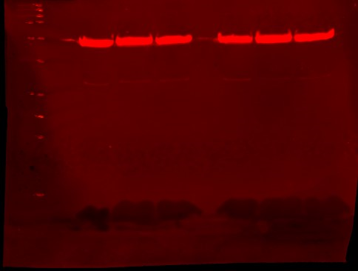
C C C EB EB EB
α-Tubulin - 52kDa
a-Tubulin
Sample | Band Value | Inverted Band | Background | Inverted Background | Net Value | Sample | Ratio |  | Sample | Cleavage | Early Blastula | Late Blastula | Grastrula
C1 | 95.067 | 159.933 | 71.135 | 183.865 | -23.932 | C1 | 0.088458967073 |  |  | 0.088458967073 | 0.11178891665 | 0.087613586666 | 0.723082399
C2 | 104.906 | 150.094 | 70.579 | 184.421 | -34.327 | C2 | 0.079383575611 |  |  | 0.079383575611 | 0.053563671601 | 0.01577876919 | 0.90181986786
C3 | 103.403 | 151.597 | 70.366 | 184.634 | -33.037 | C3 | 0.16605623997 |  |  | 0.16605623997 | 0.064587218173 | 0.0048417654901 | 1.3168413754
EB1 | 99.643 | 155.357 | 72.431 | 182.569 | -27.212 | EB1 | 0.11178891665
EB2 | 96.859 | 158.141 | 66.932 | 188.068 | -29.927 | EB2 | 0.053563671601 |  | Average | 0.11129959422 | 0.076646602143 | 0.036078040449 | 0.98058121408
EB3 | 95.476 | 159.524 | 65.981 | 189.019 | -29.495 | EB3 | 0.064587218173 |  | Stdev | 0.047637258246 | 0.0309292151 | 0.044964863009 | 0.30461441651
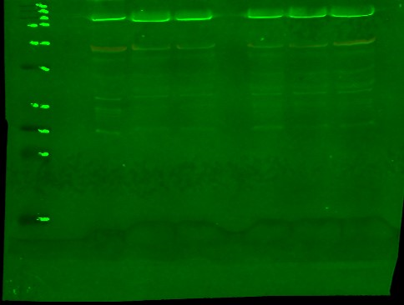
C C C EB EB EB
H3K27me3 - 17kDa
 |  |  |  |  |  | LB1 | 0.087613586666 |  | SE | 0.027503383872 | 0.017856990664 | 0.025960475762 | 0.17586921537
H3K27me3 |  |  |  |  |  | LB2 | 0.01577876919
Sample | Band Value | Inverted Band | Background | Inverted Background | Net Value | LB3 | 0.0048417654901
C1 | 66.617 | 188.383 | 64.5 | 190.5 | -2.117 | G1 | 0.723082399
C2 | 68.278 | 186.722 | 65.553 | 189.447 | -2.725 | G2 | 0.90181986786
C3 | 70.567 | 184.433 | 65.081 | 189.919 | -5.486 | G3 | 1.3168413754
EB1 | 69.456 | 185.544 | 66.414 | 188.586 | -3.042
EB2 | 66.828 | 188.172 | 65.225 | 189.775 | -1.603 | Tukey Multiple Comparisons Test |  |  |  |  |  |  |  |  | One-Way ANOVA Summary
EB3 | 64.522 | 190.478 | 62.617 | 192.383 | -1.905 | Tukey's multiple comparisons test | Mean Diff. | 95.00% CI of diff. | Below threshold? | Summary | Adjusted P Value |  |  |  | Table Analyzed+X20:X26X20:X26 | Embryo Densitometry
 |  |  |  |  |  | Cleavage vs. Early Blastula | 0.03465 | -0.3747 to 0.4440 | No | ns | 0.9925 | A-B |  |  | Data sets analyzed | A-D
Gel 2 (Late Blastula + Gastrula) |  |  |  |  |  | Cleavage vs. Late Blastula | 0.07522 | -0.3341 to 0.4846 | No | ns | 0.9328 | A-C
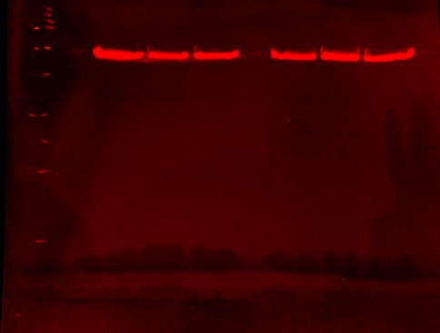
LB LB LB G G G
α-Tubulin - 52kDa
 |  |  |  |  |  | Cleavage vs. Grastrula | -0.8693 | -1.279 to -0.4599 | Yes | *** | 0.0006 | A-D |  |  | ANOVA summary
a-Tubulin |  |  |  |  |  | Early Blastula vs. Late Blastula | 0.04057 | -0.3688 to 0.4499 | No | ns | 0.9881 | B-C |  |  | F | 25.23
Sample | Band Value | Inverted Band | Background | Inverted Background | Net Value | Early Blastula vs. Grastrula | -0.9039 | -1.313 to -0.4946 | Yes | *** | 0.0005 | B-D |  |  | P value | 0.0002
LB1 | 91.434 | 163.566 | 70.855 | 184.145 | -20.579 | Late Blastula vs. Grastrula | -0.9445 | -1.354 to -0.5352 | Yes | *** | 0.0004 | C-D |  |  | P value summary | ***
LB2 | 100.734 | 154.266 | 70.25 | 184.75 | -30.484 |  |  |  |  |  |  |  |  |  | Significant diff. among means (P < 0.05)? | Yes
LB3 | 98.741 | 156.259 | 70.239 | 184.761 | -28.502 | Test details | Mean 1 | Mean 2 | Mean Diff. | SE of diff. | n1 | n2 | q | DF | R squared | 0.9044
G1 | 94.459 | 160.541 | 71.983 | 183.017 | -22.476 | Cleavage vs. Early Blastula | 0.1113 | 0.07665 | 0.03465 | 0.1278 | 3 | 3 | 0.3834 | 8
G2 | 92.16 | 162.84 | 66.279 | 188.721 | -25.881 | Cleavage vs. Late Blastula | 0.1113 | 0.03608 | 0.07522 | 0.1278 | 3 | 3 | 0.8322 | 8 | Brown-Forsythe test
G3 | 90.737 | 164.263 | 66.22 | 188.78 | -24.517 | Cleavage vs. Grastrula | 0.1113 | 0.9806 | -0.8693 | 0.1278 | 3 | 3 | 9.617 | 8 | F (DFn, DFd) | 1.897 (3, 8)
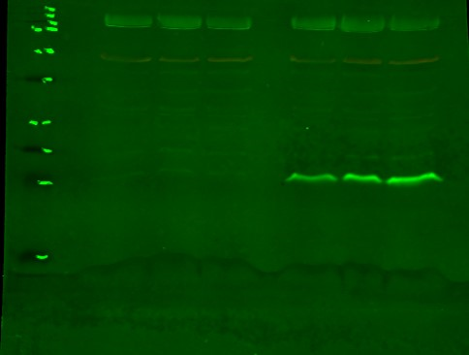
LB LB LB G G G
H3K27me3 - 17kDa
 |  |  |  |  |  | Early Blastula vs. Late Blastula | 0.07665 | 0.03608 | 0.04057 | 0.1278 | 3 | 3 | 0.4488 | 8 | P value | 0.2086
H3K27me3 |  |  |  |  |  | Early Blastula vs. Grastrula | 0.07665 | 0.9806 | -0.9039 | 0.1278 | 3 | 3 | 10 | 8 | P value summary | ns
Sample | Band Value | Inverted Band | Background | Inverted Background | Net Value | Late Blastula vs. Grastrula | 0.03608 | 0.9806 | -0.9445 | 0.1278 | 3 | 3 | 10.45 | 8 | Are SDs significantly different (P < 0.05)? | No
LB1 | 50.712 | 204.288 | 48.909 | 206.091 | -1.803
LB2 | 51.391 | 203.609 | 50.91 | 204.09 | -0.481 |  |  |  |  |  |  |  |  |  | Bartlett's test
LB3 | 52.13 | 202.87 | 51.992 | 203.008 | -0.138 |  |  |  |  |  |  |  |  |  | Bartlett's statistic (corrected)
G1 | 64.777 | 190.223 | 48.525 | 206.475 | -16.252 |  |  |  |  |  |  |  |  |  | P value
G2 | 70.836 | 184.164 | 47.496 | 207.504 | -23.34 |  |  |  |  |  |  |  |  |  | P value summary
G3 | 80.672 | 174.328 | 48.387 | 206.613 | -32.285 |  |  |  |  |  |  |  |  |  | Are SDs significantly different (P < 0.05)?

 |  |  |  |  |  |  |  |  |  |  |  |  |  |  | ANOVA table | SS | DF | MS | F (DFn, DFd) | P value
 |  |  |  |  |  |  |  |  |  |  |  |  |  |  | Treatment (between columns) | 1.855 | 3 | 0.6183 | F (3, 8) = 25.23 | P=0.0002
 |  |  |  |  |  |  |  |  |  |  |  |  |  |  | Residual (within columns) | 0.1961 | 8 | 0.02451
 |  |  |  |  |  |  |  |  |  |  |  |  |  |  | Total | 2.051 | 11

SFig 2b
M M M ND ND ND
H3K27me3- 17kDa
 | H3K27me3 |  | α-tubulin
 | Area | Percent | Area | Percent
Mat-1 | 6363.447 | 26.781 | 3537.355 | 14.327 | Table Analyzed | Blast Densitometry
Mat-2 | 5541.548 | 23.322 | 3222.77 | 13.053
Mat-3 | 6491.376 | 27.32 | 4054.841 | 16.423 | Column B | Ant. ALM
NA-P1 | 2096.79 | 8.825 | 4501.891 | 18.234 | vs. | vs.
NA-P2 | 1732.184 | 7.29 | 5352.79 | 21.68 | Column A | Mat.
NA-P3 | 1535.426 | 6.462 | 4020.376 | 16.283
 |  |  |  |  | Unpaired t test
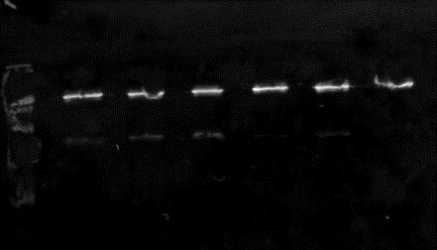
M M M ND ND ND
α-Tubulin - 52kDa
 |  |  |  |  | P value | <0.0001
 | Mat | ND-A |  |  | P value summary | ****
1 | 1.798928013 | 0.465757612 |  |  | Significantly different (P < 0.05)? | Yes
2 | 1.719498444 | 0.323603952 |  |  | One- or two-tailed P value? | Two-tailed
3 | 1.600895325 | 0.381911045 |  |  | t, df | t=18.59, df=4

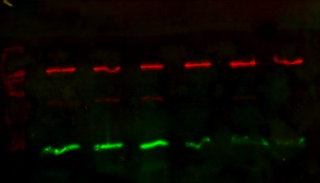
Combined Gel
Average | 1.706440594 | 0.390424203 |  |  | How big is the difference?
Stdev | 0.099660007 | 0.071458177 |  |  | Mean of column A | 1.706
SEM | 0.057538732 | 0.041256398 |  |  | Mean of column B | 0.3904
 |  |  |  |  | Difference between means (B - A) ± SEM | -1.316 ± 0.07080
 |  |  |  |  | 95% confidence interval | -1.513 to -1.119
 |  |  |  |  | R squared (eta squared) | 0.9886

 |  |  |  |  | F test to compare variances
 |  |  |  |  | F, DFn, Dfd | 1.945, 2, 2
 |  |  |  |  | P value | 0.6791
 |  |  |  |  | P value summary | ns
 |  |  |  |  | Significantly different (P < 0.05)? | No

 |  |  |  |  | Data analyzed
 |  |  |  |  | Sample size, column A | 3
 |  |  |  |  | Sample size, column B | 3

SFig 2d
H3K27me3- 17kDa
α-Tubulin - 52kDa
D0 D0 D0
 | H3K | alpha-tub | Ratio |  | Sham+DMSO | Denervs.+DMSO | Denerve.+EZH2i
D0 1 | 2692.184 | 5883.761 | 0.45756175344 |  | 0.45756175344 | 1.2835206428 | 0.53500321889
D0 2 | 2345.77 | 4933.912 | 0.47543815131 |  | 0.47543815131 | 1.0479640838 | 0.58201668066
D0 3 | 1137.284 | 3337.184 | 0.34079151764 |  | 0.34079151764 | 1.0698817802 | 0.69915579748

 | Gel 2 (48 hours) |  |  | Average | 0.4245971408 | 1.1337888356 | 0.60539189901
 | H3K | alpha-tub | Ratio | Stdev | 0.07312611199 | 0.13013380389 | 0.084535897046
DMSO1 | 7136.326 | 5559.962 | 1.2835206428 | SEM | 0.042219380442 | 0.075132786707 | 0.048806822916
DMSO2 | 7103.569 | 6778.447 | 1.0479640838
DMSO3 | 5496.569 | 5137.548 | 1.0698817802
DZNep1 | 3214.447 | 6008.276 | 0.53500321889 | Tukey's Multiple Comparisons Test |  |  |  |  |  |  |  | One-Way ANOVA Summary
DZNep2 | 2635.79 | 4528.719 | 0.58201668066 | Number of families | 1 |  |  |  |  |  |  | Table Analyzed | DZNEP Val
DZNep3 | 2713.962 | 3881.77 | 0.69915579748 | Number of comparisons per family | 3 |  |  |  |  |  |  | Data sets analyzed | A-C
H3K27me3- 17kDa
α-Tubulin - 52kDa
 |  |  |  | Alpha | 0.05
DM. DM. DM. DZ. DZ. DZ.
 |  |  |  |  |  |  |  |  |  |  |  | ANOVA summary
 |  |  |  | Tukey's multiple comparisons test | Mean Diff. | 95.00% CI of diff. | Below threshold? | Summary | Adjusted P Value |  |  | F | 41.53
 |  |  |  | Sham+DMSO vs. Denerve.+DMSO | -0.7092 | -0.9573 to -0.4611 | Yes | *** | 0.0003 | A-B |  | P value | 0.0003
 |  |  |  | Sham+DMSO vs. Denerve.+EZH2i | -0.1808 | -0.4289 to 0.06733 | No | ns | 0.143 | A-C |  | P value summary | ***
 |  |  |  | Denerve.+DMSO vs. Denerve.+EZH2i | 0.5284 | 0.2803 to 0.7765 | Yes | ** | 0.0015 | B-C |  | Significant diff. among means (P < 0.05)? | Yes
 |  |  |  |  |  |  |  |  |  |  |  | R squared | 0.9326
 |  |  |  | Test details | Mean 1 | Mean 2 | Mean Diff. | SE of diff. | n1 | n2 | q
 |  |  |  | Sham+DMSO vs. Denerve.+DMSO | 0.4246 | 1.134 | -0.7092 | 0.08087 | 3 | 3 | 12.4 | Brown-Forsythe test
 |  |  |  | Sham+DMSO vs. Denerve.+EZH2i | 0.4246 | 0.6054 | -0.1808 | 0.08087 | 3 | 3 | 3.162 | F (DFn, DFd) | 0.1267 (2, 6)
 |  |  |  | Denerve.+DMSO vs. Denerve.+EZH2i | 1.134 | 0.6054 | 0.5284 | 0.08087 | 3 | 3 | 9.241 | P value | 0.8833
 |  |  |  |  |  |  |  |  |  |  |  | P value summary | ns
 |  |  |  |  |  |  |  |  |  |  |  | Are SDs significantly different (P < 0.05)? | No

 |  |  |  |  |  |  |  |  |  |  |  | Bartlett's test
 |  |  |  |  |  |  |  |  |  |  |  | Bartlett's statistic (corrected)
 |  |  |  |  |  |  |  |  |  |  |  | P value
 |  |  |  |  |  |  |  |  |  |  |  | P value summary
 |  |  |  |  |  |  |  |  |  |  |  | Are SDs significantly different (P < 0.05)?

 |  |  |  |  |  |  |  |  |  |  |  | ANOVA table | SS | DF | MS | F (DFn, DFd) | P value
 |  |  |  |  |  |  |  |  |  |  |  | Treatment (between columns) | 0.8148 | 2 | 0.4074 | F (2, 6) = 41.53 | P=0.0003
 |  |  |  |  |  |  |  |  |  |  |  | Residual (within columns) | 0.05886 | 6 | 0.00981
 |  |  |  |  |  |  |  |  |  |  |  | Total | 0.8737 | 8

 |  |  |  |  |  |  |  |  |  |  |  | Data summary
 |  |  |  |  |  |  |  |  |  |  |  | Number of treatments (columns) | 3
 |  |  |  |  |  |  |  |  |  |  |  | Number of values (total) | 9

