Sheet1
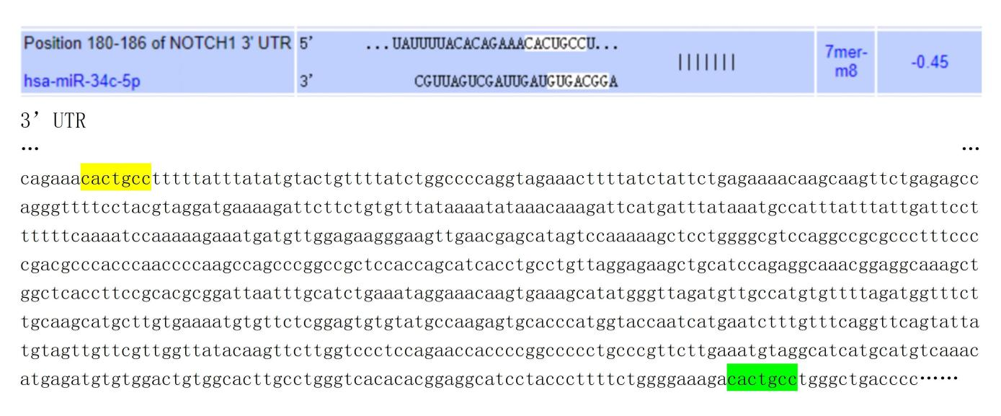
Supplementary Table 3 Prediction of binding sites of miR-34c-5p and Notch1

