Sheet1
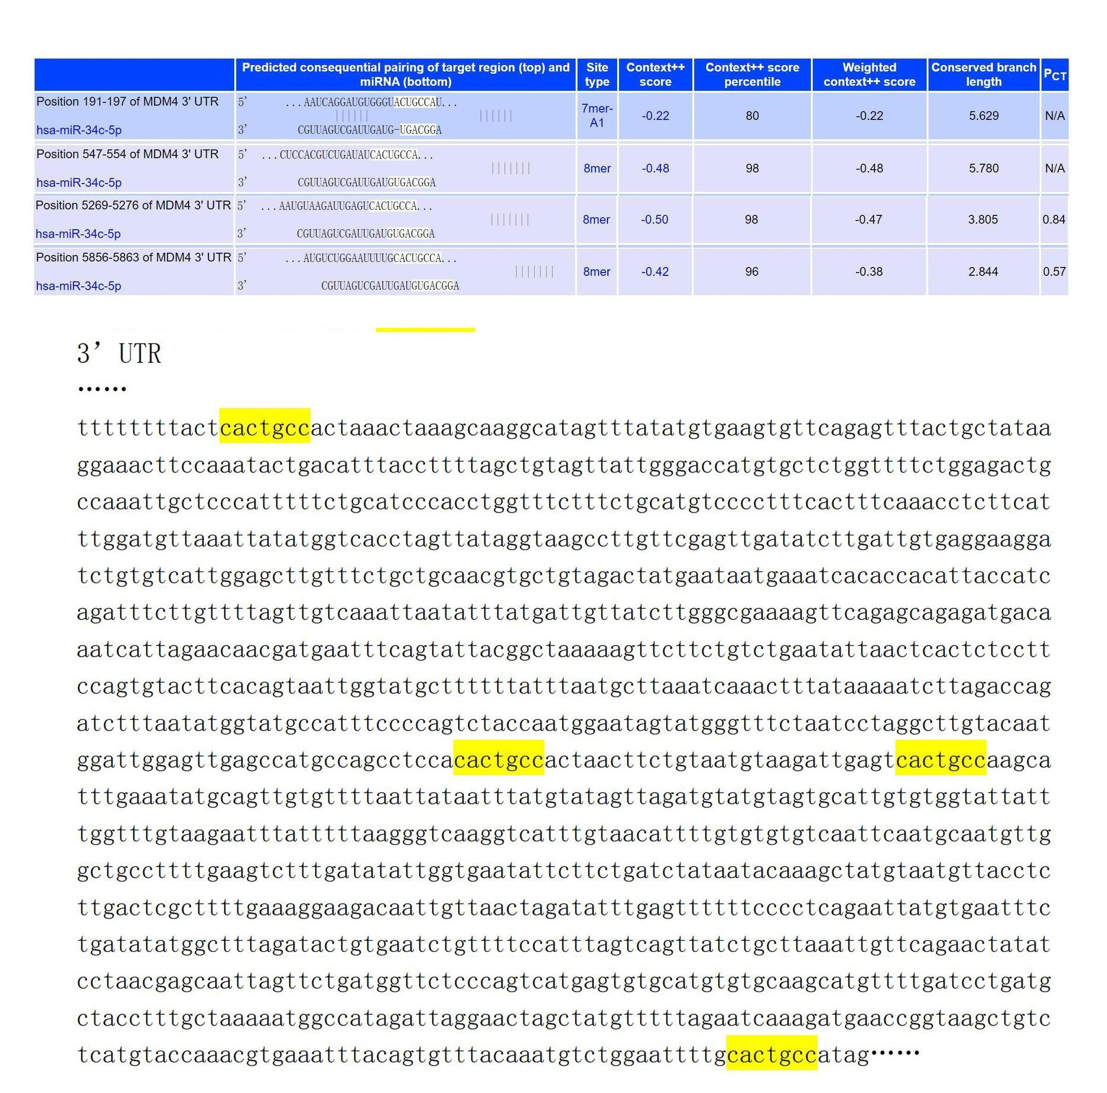
Supplementary Table 4 Prediction of binding sites of miR-34c-5p and MDMX

