FigS3
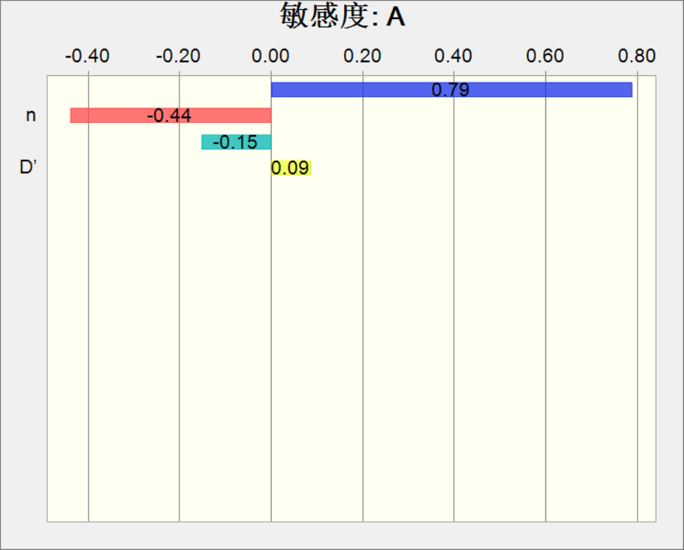
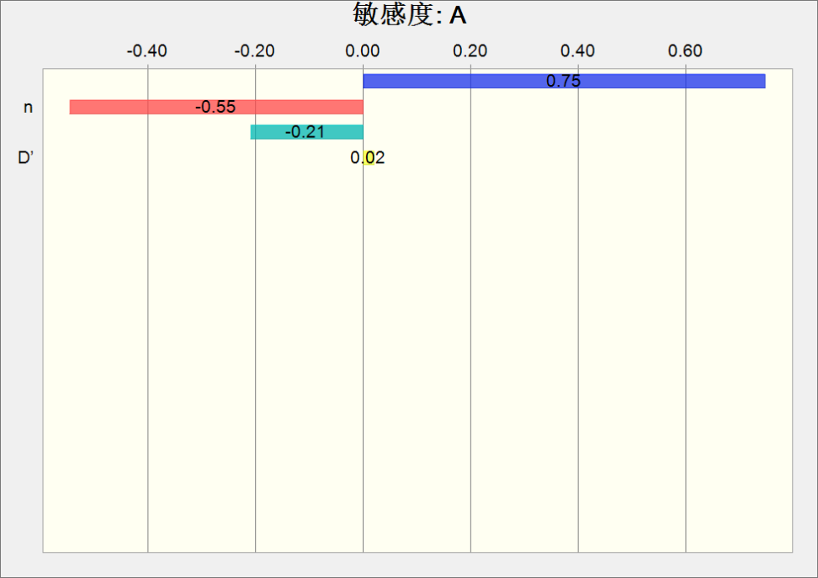
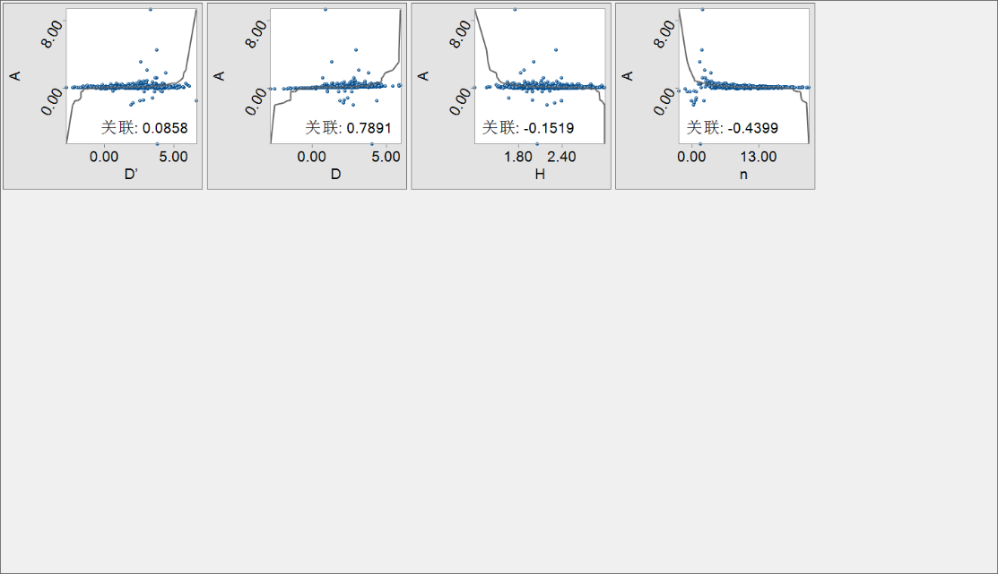
Crystal Ball Report - Theoretical scenario |  |  | Crystal Ball Report - Target scenario
Simulation start date 9/18/2022, 23:22 |  |  | Simulation start date 9/18/2022, 23:51
Simulation stop date 9/18/2022, 23:22 |  |  | Simulation stop date 9/18/2022, 23:51

Run preferences: |  |  | Run preferences:
 | Number of test runs | 10,000 |  | Number of test runs | 10,000
 | Limit Speed |  |  | Limit Speed
 | Monte Carlo Sampling |  |  | Monte Carlo Sampling
 | Random seeding |  |  | Random seeding
 | Enable precision control |  |  | Enable precision control
 | Confidence level | 95.00% |  | Confidence level | 95.00%

Run statistics: |  |  | Run statistics:
 | Total run time (sec) | 0.31 |  | Total run time (sec) | 0.30
 | Trials/second (average) | 32,061 |  | Trials/second (average) | 33,781
 | Random number/second | 128,246 |  | Random number/second | 135,126

Crystal Ball data: |  |  | Crystal Ball data:
 | Hypothesis | 4 |  | Hypothesis | 4
 | Associations | 0 |  | Associations | 0
 | Measure of association | 0 |  | Measure of association | 0
 | Decision Variables | 0 |  | Decision Variables | 0
 | Prediction | 1 |  | Prediction | 1

Prediction |  |  | Prediction
Summary: |  |  | Summary:
The entire range is from -165.05 to 321.28 |  |  | The entire range is from -22.01 to 4.69
The base case is 0.09 |  |  | The base case is 0.05
After 10,000 trials, the standard error of the mean is 0.05 |  |  | After 10,000 trials, the standard error of the mean is 0.00
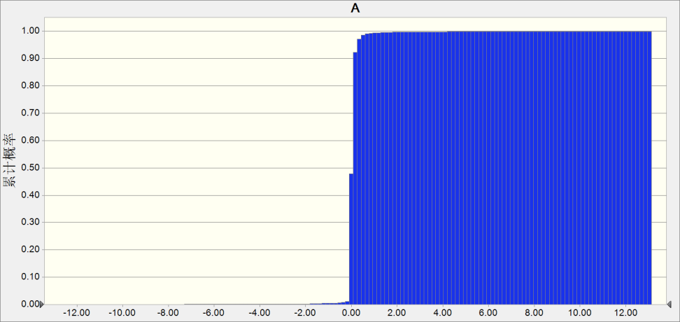
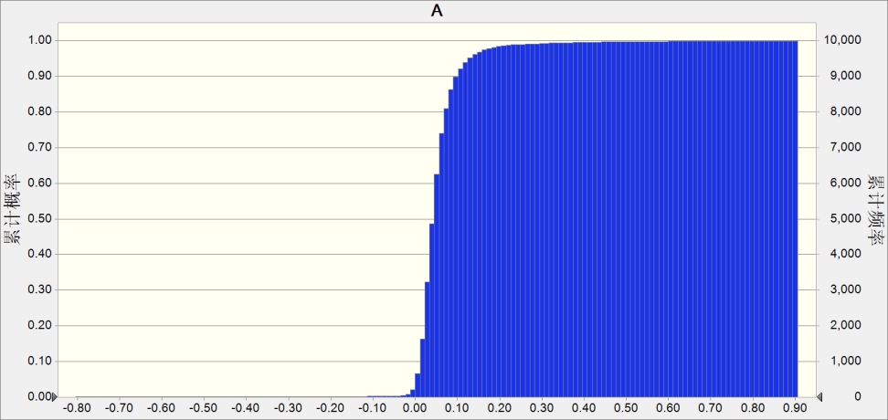

Statistical values: |  | Predicted value | Statistical values: |  | Predicted value
 | Number of tests | 10,000 |  | Number of tests | 10,000
 | Basic conditions | 0.09 |  | Basic conditions | 0.05
 | Mean value | 0.17 |  | Mean value | 0.05
 | Median value | 0.09 |  | Median value | 0.05
 | Mode | --- |  | Mode | ---
 | Standard deviation | 4.62 |  | Standard deviation | 0.31
 | Variance | 21.38 |  | Variance | 0.09
 | Skewness | 45.97 |  | Skewness | -51.71
 | Kurtosis | 3,311.01 |  | Kurtosis | 3,339.19
 | Coefficient of variation | 27.35 |  | Coefficient of variation | 5.98
 | Min | -165.05 |  | Min | -22.01
 | Max | 321.28 |  | Max | 4.69
 | Range width | 486.33 |  | Range width | 26.70
 | Mean standard error | 0.05 |  | Mean standard error | 0.00

Percent: |  | Predicted value | Percent: |  | Predicted value
 | 0% | -165.05 |  | 0% | -22.01
 | 10% | 0.01 |  | 10% | 0.02
 | 20% | 0.04 |  | 20% | 0.03
 | 30% | 0.05 |  | 30% | 0.03
 | 40% | 0.07 |  | 40% | 0.04
 | 50% | 0.09 |  | 50% | 0.05
 | 60% | 0.11 |  | 60% | 0.05
 | 70% | 0.13 |  | 70% | 0.06
 | 80% | 0.16 |  | 80% | 0.08
 | 90% | 0.22 |  | 90% | 0.10
 | 100% | 321.28 |  | 100% | 4.69

Hypothesis |  |  | Hypothesis
Normal(N) Distribution with the following parameters: |  |  | Normal(N) Distribution with the following parameters:
Mean |  |  | Mean
Standard deviation |  |  | Standard deviation
Hypothesis: D |  |  | Hypothesis: D

Hypothesis: D’ |  |  | Hypothesis: D’

Hypothesis: H |  |  | Hypothesis: H

Hypothesis: n |  |  | Hypothesis: n

Sensitivity analysis results |  |  | Sensitivity analysis results

