Fig1(b)
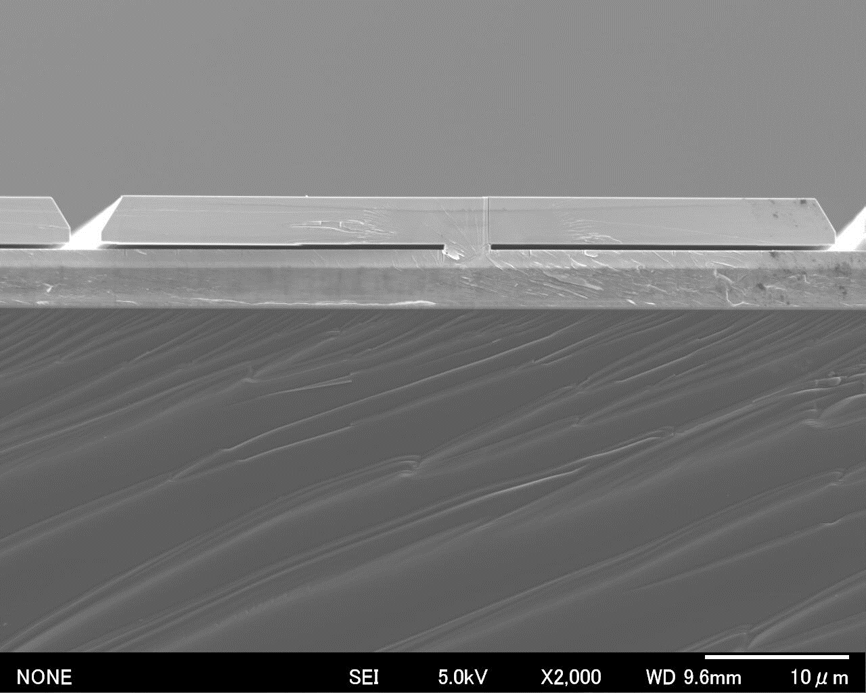
Fig.1(b)

Fig.1(b)
SEM images of an ELO-GaN layer on a Si(111) substrate for the cross section.

Fig1(c)

Fig.1(c)

Fig.1(c)
SEM images of an ELO-GaN layer on a Si(111) substrate for top surface.

Fig1(d)
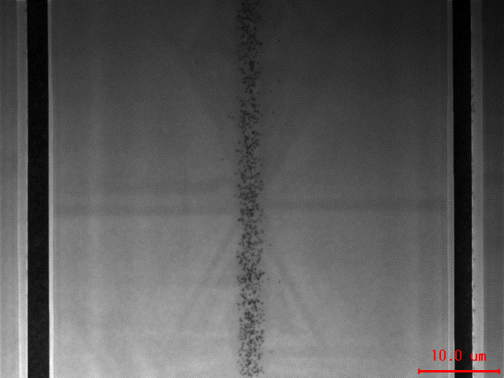
Fig.1(d)

Fig.1(d)
CL images of an ELO-GaN layer on a Si(111) substrate for top surface.

