Ecoinvent values
LCI values

 | 'market for sand - CH - sand' |  | 0.01 | kg CO2-Eq/kg
 | 'market for calcined clay production - GLO - calcined clay' |  | 0.27 | kg CO2-Eq/kg
 | 'market for inert waste, for final disposal - RoW - inert waste, for final disposal' |  | 0.01 | kg CO2-Eq/kg
 | 'market for water, deionised - CH - water, deionised' |  | 0.0004 | kg CO2-Eq/kg
 | 'market for potassium hydroxide production - GLO - potassium hydroxide' |  | 2.68 | kg CO2-Eq/kg
 | 'market for activated silica production - GLO - sodium sulfate, anhydrite' |  | 0.33 | kg CO2-Eq/kg
 | 'market for Clay - Row' |  | 0.01 | kg CO2-Eq/kg
 | 'market cement, Portland- Ch- Cement & concrete' |  | 0.74 | kg CO2-Eq/kg
 | 'market for Lime, packed - CH - Minerals, cement & concrete' |  | 0.02 | kg CO2-Eq/kg
 | 'market for reinforcing steel - GLO - reinforcing steel' |  | 2.20 | kg CO2-Eq/kg

 | Energy consumptions of 3D printing
 | Electricity, medium voltage (CH) | market for | Alloc Def, U |  | 0.038878 | kg CO2-Eq/kwh

 | Values from literature:
 | 1. Dry mixer (Powder) |  | 0.004 | kWh/kg |  | 1. From "How to improve the cradle-to-gate environmental and economic sustainability in limebased construction materials? Answers from a real-life case-study Agustin Laveglia" https://doi.org/10.1016/j.dibe.2023.100186 |  |  | 677.20090293
 | 2. Electricity consumption
 | (202 kWh/4.46 m3 functional unit)--> |  | 45.29 | kWh/m3 |  | 2. and 3. From "Life cycle assessment of 3D printing geopolymer concrete An ex-ante study" https://doi.org/10.1111/jiec.12930
 | 3. Machines consumption
 | (11.5 kWh/4.46 m3 functional unit)--> |  | 2.58 | kWh/m3

Mix design
 | Mix design Geopolymer composites
 |  |  | kg per kg Product | kg per m3 Product |  |  | Density (g/cm3) | 1.81
 | sand (gneiss) |  | 0.56 | 1017
 | metakaolin |  | 0.14 | 254
 | Sodium silicate:
 | deionized water |  | 0.16 | 286.84
 | KOH |  | 0.08 | 137.71
 | silica gel |  | 0.06 | 116.51

 | tot |  | 1.0 | 1812

 | Mix design Earth Plaster
 |  |  | kg per kg Product | kg per m3 Product |  |  | Density (g/cm3) | 1.74
 | sand |  | 0.29 | 513
 | clay |  | 0.58 | 1025
 | deionized water |  | 0.12 | 205

 |  |  | 1.0 | 1743

 | Mix design Lime-Cement Plaster ( https://doi.org/10.3390/infrastructures6010011)
 |  |  | kg per kg Product | kg per m3 Product |  |  | Density (g/cm3) | 1.88
 | sand |  | 0.70 | 1315
 | Air Lime |  | 0.05 | 101
 | Cement |  | 0.09 | 174
 | deionized water |  | 0.14 | 265

 | tot |  | 1.0 | 1854

 | Embodied emissions in geopolymer composites 1m3 (kg CO2-Eq)
 |  | 3D printed geopolymer tiles | Geopolymer plaster (Quarry waste) | lime-cement mortar | earth

 | Primary sand |  |  | 6.65 | 2.59
 | metakaolin | 69.40 | 69.40
 | Silica gel | 37.87 | 37.87
 | Potassium hydroxide | 369.07 | 369.07
 | Water | 0.12 | 0.12 | 0.11 | 0.08
 | Clay |  |  |  | 11.37
 | Air lime |  |  | 2.15
 | Cement |  |  | 195.87
 | Dry mix of powder | 0.28 | 0.28 | 0.28 | 0.28
 | Electricity consumption | 1.76
 | Machines consumption | 0.10

 | avoided landfill | -9.71 | -9.71

 | Total: | 469 | 467 | 205 | 14

 | Embodied emissions in geopolymer composites 1kg (kg CO2-Eq)
 |  | 3D printed geopolymer tiles | Geopolymer plaster (Quarry waste) | cement-lime | earth

 | Primary sand |  |  | 0.004 | 0.001
 | metakaolin | 0.04 | 0.04
 | Silica gel | 0.02 | 0.02
 | Potassium hydroxide | 0.20 | 0.20
 | Water | 0.0001 | 0.0001 | 0.00006 | 0.00005
 | Clay |  |  |  | 0.01
 | Air lime |  |  | 0.00
 | Cement |  |  | 0.10
 | Dry mix of powder | 0.0002 | 0.0002 | 0.0001 | 0.0002
 | Electricity consumption | 0.0010
 | Machines consumption | 0.0001

 | avoided landfill | -0.0054 | -0.0054

 | Total: | 0.259 | 0.258 | 0.109 | 0.008

 | Embodied emissions in geopolymer composites 1m2 coveed with 4cm (kg CO2-Eq)
 |  | 3D printed geopolymer tiles | Geopolymer plaster (Quarry waste)* | lime-cement mortr | earth

 | Total: | 7.8 | 18.7 | 8.2 | 0.6
 |  |  | *Contribution of metal fastening: 0.37 kg of fastening per m2 of tiles applied
 |  | 7 | 19 | 8 | 1
 |  |  | 1m2
 | 1 m2 of 3DP geopolymer composite TYLES 4cm thick | 0.01 | m3/m2
 |  | 26.85 | kg/m2

 | geopolymer plaster 4cm: kg/m2 | 0.04 | m3/m2
 |  | 72.48 | kg/m2

 | cement-lime plaster 4cm: kg/m2 | 0.04 | m3/m2
 |  | 75.2 | kg/m2

 | earth plaster | 0.04 | m3/m2
 |  | 69.72 | kg/m2

 |  |  |  |  | .
 | GEOPOLYMER TILE GEOMETRY
 | V/covered A | 0.3704075
 | Aexp/Acovered | 4.3017

Dehumidification
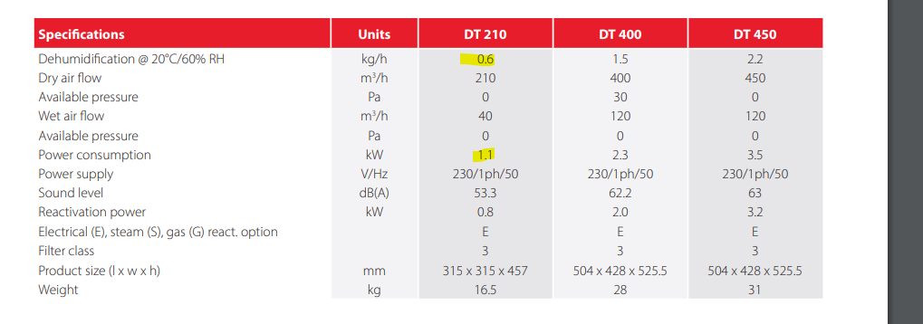
 |  |  | Mechanical system 1
 |  |  | 0.6 | kg/h
 |  |  | 1.1 | kW/l
 |  |  | 1.83 | kW/l
 |  |  | https://www.puravent.co.uk/pub/media/resources/brand-pdfs/DT210_DT400_DT450_brochure_page.pdf

 |  |  | 16.5 | kg

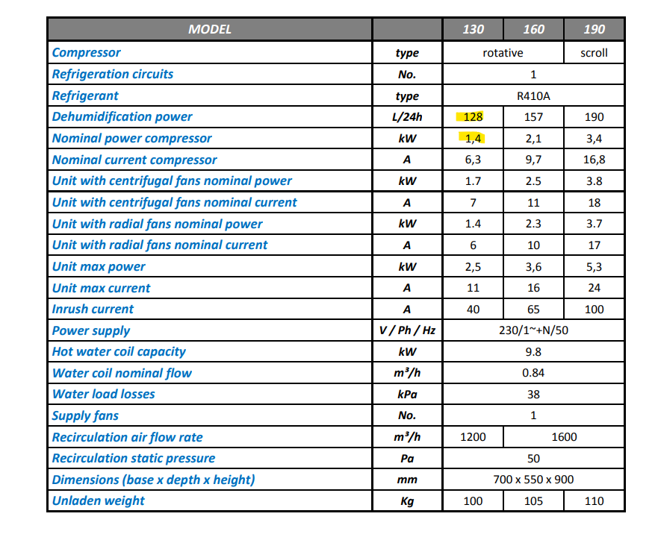

 |  |  | Mechanical system 2
 |  |  | 5.3 | kg/h
 |  |  | 1.4 | kW/l
 |  |  | 0.26 | kW/l
 |  |  | https://ek-teknikk.no/wp-content/uploads/2016/07/ENG_Technical-Manual_ID-SP-rev06.pdf

 |  |  | 100 | kg

 |  |  | Averages:
 |  |  | 3.0 | kg/h
 |  |  | 1.3 | kW/l
 |  |  | 1.05 | kW/l

 |  |  | 58.3 | kg

