Table S3 Statistical analysis 1
Methanobrevibacter sp. YE315 / Pyramidobacter piscolens
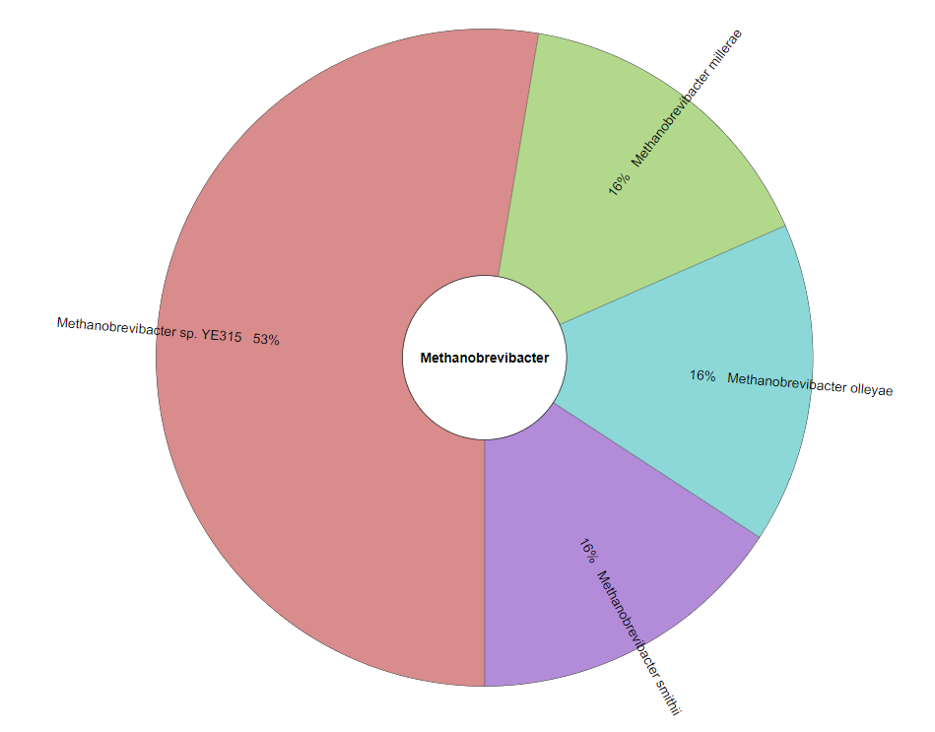
Data series 1: 97L x 2C
Méthod : Pearson's product-moment correlation; Alternative :two.sided
Observed statistic Qobs: 2.262386468187
p-value : 0.025951982524442
ρ: 0.2261 95% confidence interval [0.0279; 0.4072]
Degrees of freedom: 95

Unclassified Methanobrevibacter / Pyramidobacter piscolens

Data series 1: 97L x 2C
Méthod : Pearson's product-moment correlation; Alternative :two.sided
Observed statistic Qobs: 2.1140204651696
p-value : 0.037132776585542
ρ: 0.212 95% confidence interval [0.0131; 0.3947]
Degrees of freedom: 95

Methanobrevibacter sp. YE315 + Unclassified Methanobrevibacter / Pyramidobacter piscolens

Data series 1: 97L x 2C
Méthod : Pearson's product-moment correlation; Alternative :two.sided
Observed statistic Qobs: 2.1827171450961
p-value : 0.03152142394271
ρ: 0.2185 95% confidence interval [0.02 ; 0.4005]
Degrees of freedom: 95

Methanobrevibacter sp. YE315 + Methanobrevibacter smithii + Methanobrevibacter smithii ATCC + Methanobrevibacter millirae + Methanobrevibacter olleyae / Pyramidobacter piscolens

Data series 1: 97L x 2C
Méthod : Pearson's product-moment correlation; Alternative :two.sided
Observed statistic Qobs: 1.7467252332867
p-value : 0.083917032703861
ρ: 0.1764 95% confidence interval [-0.0239 ; 0.3631]
Degrees of freedom: 95

Methanobrevibacter sp. YE315 / Fretibacterium fastidiosum

Data series 1: 97L x 2C
Méthod : Pearson's product-moment correlation; Alternative :two.sided
Observed statistic Qobs: -0.39735997096799
p-value : 0.69199341578507
ρ: -0.0407 95% confidence interval [-0.2382; 0.16]
Degrees of freedom: 95

Unclassified Methanobrevibacter / Fretibacterium fastidiosum | Taxonomic assignment of the 19 contigs from M. massiliense genome using Kraken2 and visualized using Krona on the Galaxy plateform (https://usegalaxy.eu/)

Data series 1: 97L x 2C
Méthod: Pearson's product-moment correlation; Alternative :two.sided
Observed statistic Qobs: -0.32774207108413
p-value : 0.74382787310841
ρ: -0.0336 95% confidence interval [-0.2315; 0.167]
Degrees of freedom: 95

Methanobrevibacter sp. YE315 + Unclassified Methanobrevibacter / Fretibacterium fastidiosum

Data series 1: 97L x 2C
Méthod : Pearson's product-moment correlation; Alternative :two.sided
Observed statistic Qobs: -0.35639912300814
p-value : 0.72233200622594
ρ: -0.0365 95% confidence interval [-0.2343 ; 0.1641]
Degrees of freedom: 95

Methanobrevibacter sp. YE315 + Methanobrevibacter smithii + Methanobrevibacter smithii ATCC + Methanobrevibacter millirae + Methanobrevibacter olleyae / Fretibacterium fastidiosum

Data series 1: 97L x 2C
Méthod : Pearson's product-moment correlation; Alternative :two.sided
Observed statistic Qobs: -0.34542895013488
p-value : 0.73053561852508
ρ: -0.0354 95% confidence interval [-0.2332 ; 0.1652]
Degrees of freedom: 95

Methanobrevibacter sp. YE315 / Synergistetes

Data series 1: 97L x 2C
Method: Pearson's product-moment correlation; Alternative: two-sided
Observed statistic Qobs: -0.070408200804542
p-value : 0.94401676685602
ρ: -0.0072 95% confidence interval [-0.2064; 0.1925]
Degrees of freedom: 95

Unclassified Methanobrevibacter / Synergistetes

Data series 1: 97L x 2C
Method: Pearson's product-moment correlation; Alternative: two-sided
Observed statistic Qobs: -0.017697795128542
p-value : 0.9859170558633
ρ: -0.0018 95% confidence interval [-0.2012; 0.1977]
Degrees of freedom: 95

Methanobrevibacter sp. YE315 + Unclassified Methanobrevibacter / Synergistetes

Data series 1: 97L x 2C
Méthod : Pearson's product-moment correlation; Alternative :two.sided
Observed statistic Qobs: -0.038220413070668
p-value : 0.96959214815799
ρ: -0.0039 95% confidence interval [-0.2032 ; 0.1957]
Degrees of freedom: 95

Methanobrevibacter sp. YE315 + Methanobrevibacter smithii + Methanobrevibacter smithii ATCC + Methanobrevibacter millirae + Methanobrevibacter olleyae / Synergistetes

Data series 1: 97L x 2C
Méthod : Pearson's product-moment correlation; Alternative :two.sided
Observed statistic Qobs: -0.07747982298223
p-value : 0.93840479377355
ρ: -0.0079 95% confidence interval [-0.2071 ; 0.1918]
Degrees of freedom: 95

Table S4 Statistical analysis 2
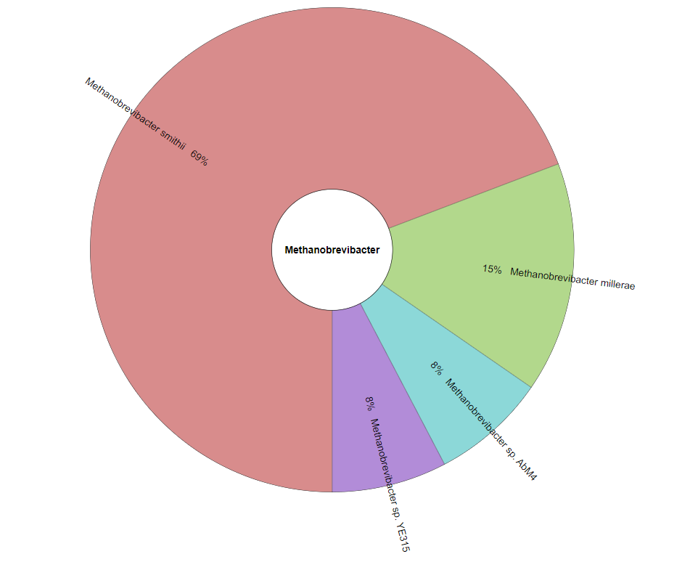
Methanobrevibacter smithii / Pyramidobacter piscolens

Data series 1: 97L x 2C
Méthod : Pearson's product-moment correlation; Alternative :two.sided
Observed statistic Qobs: 1.3306905128864
p-value : 0.18647605517258
ρ: 0.1353 95% confidence interval [-0.066 ; 0.3259]
Degrees of freedom: 95

Methanobrevibacter sp. TLL-48-HuF1 / Pyramidobacter piscolens

Data series 1: 97L x 2C
Méthod : Pearson's product-moment correlation; Alternative :two.sided
Observed statistic Qobs: 1.5755994063835
p-value : 0.11844258914534
ρ: 0.1596 95% confidence interval [-0.0412 ; 0.348]
Degrees of freedom: 95

Methanobrevibacter smithii + Methanobrevibacter smithii ATCC 35061/ Pyramidobacter piscolens

Data series 1: 97L x 2C
Méthod : Pearson's product-moment correlation; Alternative :two.sided
Observed statistic Qobs: 1.4213090619237
p-value : 0.15850132687002
ρ: 0.1443 95% confidence interval [-0.0568 ; 0.3341]
Degrees of freedom: 95

Methanobrevibacter smithii + Methanobrevibacter smithii ATCC 35061 + Methanobrevibacter sp. TLL-48-HuF1 / Pyramidobacter piscolens

Data series 1: 97L x 2C
Méthod : Pearson's product-moment correlation; Alternative :two.sided
Observed statistic Qobs: 1.4213090619237
p-value : 0.15850132687002
ρ: 0.1443 95% confidence interval [-0.0568 ; 0.3341]
Degrees of freedom: 95

All Methanobrevibacter smithii + Methanobrevibacter millerae / Pyramidobacter piscolens

Data series 1: 97L x 2C
Méthod : Pearson's product-moment correlation; Alternative :two.sided
Observed statistic Qobs: 1.4361492671466
p-value : 0.15424471207998
ρ: 0.1458 95% confidence interval [-0.0553 ; 0.3355]
Degrees of freedom: 95

All Methanobrevibacter smithii + Methanobrevibacter millerae + Methanobrevibacter sp. YE315 + Methanobrevibacter sp. AbM4 / Pyramidobacter piscolens

Data series 1: 97L x 2C
Méthod : Pearson's product-moment correlation; Alternative :two.sided | Taxonomic assignment of the 14 contigs from M. oralis genome using Kraken2 and visualized using Krona on the Galaxy plateform (https://usegalaxy.eu/)
Observed statistic Qobs: 1.7992207917391
p-value : 0.075158783752046
ρ: 0.1815 95% confidence interval [-0.0186 ; 0.3677]
Degrees of freedom: 95

Methanobrevibacter smithii / Fretibacterium fastidiosum

Data series 1: 97L x 2C
Méthod : Pearson's product-moment correlation; Alternative :two.sided
Observed statistic Qobs: -0.3116091422234
p-value : 0.75602040259149
ρ: -0.032 95% confidence interval [-0.2299 ; 0.1686]
Degrees of freedom: 95

Methanobrevibacter sp. TLL-48-HuF1 / Fretibacterium fastidiosum

Data series 1: 97L x 2C
Méthod : Pearson's product-moment correlation; Alternative :two.sided
Observed statistic Qobs: -0.1963871538296
p-value : 0.84472665258194
ρ: -0.0201 95% confidence interval [-0.2187 ; 0.18]
Degrees of freedom: 95

Methanobrevibacter smithii + Methanobrevibacter smithii ATCC 35061/ Fretibacterium fastidiosum

Data series 1: 97L x 2C
Méthod : Pearson's product-moment correlation; Alternative :two.sided
Observed statistic Qobs: -0.34845483455051
p-value : 0.72826965325406
ρ: -0.0357 95% confidence interval [-0.2335 ; 0.1649]
Degrees of freedom: 95

Methanobrevibacter smithii + Methanobrevibacter smithii ATCC 35061 + Methanobrevibacter sp. TLL-48-HuF1 / Fretibacterium fastidiosum

Data series 1: 97L x 2C
Méthod : Pearson's product-moment correlation; Alternative :two.sided
Observed statistic Qobs: -0.30506097103715
p-value : 0.76098707304883
ρ: -0.0313 95% confidence interval [-0.2293 ; 0.1692]
Degrees of freedom: 95

All Methanobrevibacter smithii + Methanobrevibacter millerae / Fretibacterium fastidiosum

Data series 1: 97L x 2C
Méthod : Pearson's product-moment correlation; Alternative :two.sided
Observed statistic Qobs: -0.3150120485544
p-value : 0.7534433824653
ρ: -0.0323 95% confidence interval [-0.2303 ; 0.1682]
Degrees of freedom: 95

All Methanobrevibacter smithii + Methanobrevibacter millerae + Methanobrevibacter sp. YE315 + Methanobrevibacter sp. AbM4 / Fretibacterium fastidiosum

Data series 1: 97L x 2C
Méthod : Pearson's product-moment correlation; Alternative :two.sided
Observed statistic Qobs: -0.34627068780101
p-value : 0.7299050335473
ρ: -0.0355 95% confidence interval [-0.2333 ; 0.1651]
Degrees of freedom: 95

Methanobrevibacter smithii / Synergistetes

Data series 1: 97L x 2C
Méthod : Pearson's product-moment correlation; Alternative :two.sided
Observed statistic Qobs: -0.094944648136685
p-value : 0.924558771457
ρ: -0.0097 95% confidence interval [-0.2088 ; 0.1901]
Degrees of freedom: 95

Methanobrevibacter sp. TLL-48-HuF1 / Synergistetes

Data series 1: 97L x 2C
Méthod : Pearson's product-moment correlation; Alternative :two.sided
Observed statistic Qobs: 0.045141828348871
p-value : 0.964089015091
ρ: 0.0046 95% confidence interval [-0.195 ; 0.2039]
Degrees of freedom: 95

Methanobrevibacter smithii + Methanobrevibacter smithii ATCC 35061/ Synergistetes

Data series 1: 97L x 2C
Méthod : Pearson's product-moment correlation; Alternative :two.sided
Observed statistic Qobs: -0.12753690971925
p-value : 0.89878503836667
ρ: -0.0131 95% confidence interval [-0.212 ; 0.1868]
Degrees of freedom: 95

Methanobrevibacter smithii + Methanobrevibacter smithii ATCC 35061 + Methanobrevibacter sp. TLL-48-HuF1 / Synergistetes

Data series 1: 97L x 2C
Méthod : Pearson's product-moment correlation; Alternative :two.sided
Observed statistic Qobs: -0.077589579816945
p-value : 0.9383177155285
ρ: -0.008 95% confidence interval [-0.2071 ; 0.1918]
Degrees of freedom: 95

All Methanobrevibacter smithii + Methanobrevibacter millerae / Synergistetes

Data series 1: 97L x 2C
Méthod : Pearson's product-moment correlation; Alternative :two.sided
Observed statistic Qobs: -0.085908250443355
p-value : 0.93172015351893
ρ: -0.0088 95% confidence interval [-0.2079 ; 0.191]
Degrees of freedom: 95

All Methanobrevibacter smithii + Methanobrevibacter millerae + Methanobrevibacter sp. YE315 + Methanobrevibacter sp. AbM4 / Synergistetes

Data series 1: 97L x 2C
Méthod : Pearson's product-moment correlation; Alternative :two.sided
Observed statistic Qobs: -0.072085042491479
p-value : 0.94268577504508
ρ: -0.0074 95% confidence interval [-0.2065 ; 0.1923]
Degrees of freedom: 95

