DEGs CD133- EIF4G2KDvsControl
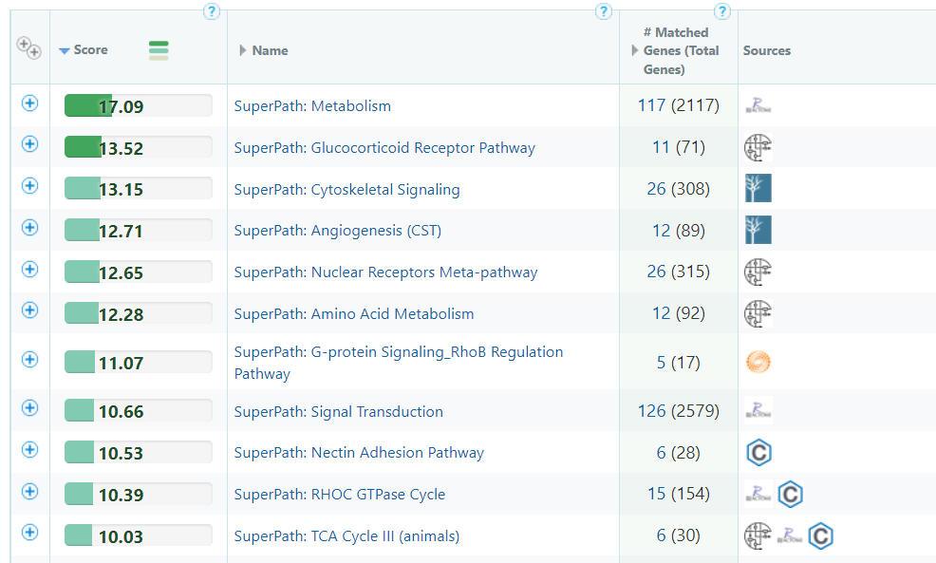
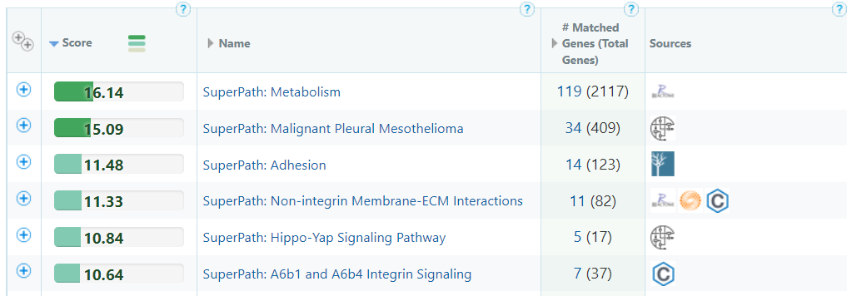
 | CD133-(EIF4G2KD) / CD133-(Control)
Gene Name | baseMean | log2FC | pval | padj
NID2 | 14.290 | -2.323 | 1.97E-05 | 4.50E-03
F2R | 32.471 | -2.241 | 5.93E-09 | 1.24E-05
IL1RAPL1 | 28.877 | -2.010 | 1.15E-07 | 1.20E-04
PPARG | 59.402 | -1.968 | 4.31E-09 | 1.08E-05
CLIC4 | 47.869 | -1.810 | 2.02E-05 | 4.53E-03
PIK3CD-AS2 | 33.966 | -1.718 | 5.68E-07 | 3.75E-04
LINC00431 | 44.528 | -1.708 | 7.15E-10 | 2.99E-06
LRP12 | 14.844 | -1.702 | 4.32E-04 | 0.036
L1CAM | 19.188 | -1.700 | 5.05E-04 | 0.040
EHF | 14.173 | -1.686 | 7.09E-04 | 0.048
CDC42EP3 | 22.505 | -1.662 | 1.41E-05 | 3.48E-03
FHL2 | 34.724 | -1.611 | 3.20E-07 | 2.36E-04
KIF3A | 14.077 | -1.605 | 1.05E-04 | 0.015
KRTAP2-3 | 27.307 | -1.599 | 3.13E-04 | 0.030
EIF4G2 | 719.640 | -1.591 | 6.77E-06 | 2.02E-03
KLHL13 | 14.729 | -1.561 | 3.70E-05 | 6.65E-03
LCP1 | 41.899 | -1.544 | 3.67E-05 | 6.65E-03
GPNMB | 21.265 | -1.511 | 5.80E-04 | 0.042
ZNF467 | 26.559 | -1.450 | 3.05E-05 | 5.81E-03
VSTM1 | 101.437 | -1.439 | 1.36E-10 | 8.53E-07
FHL1 | 65.887 | -1.424 | 2.06E-06 | 8.08E-04
IL1R2 | 18.505 | -1.368 | 3.51E-04 | 0.033
NTN4 | 22.667 | -1.357 | 2.11E-04 | 0.023
ELFN2 | 92.112 | -1.356 | 7.50E-08 | 8.56E-05
ESF1 | 23.596 | -1.354 | 4.86E-04 | 0.039
DDIAS | 22.930 | -1.354 | 3.69E-04 | 0.033
PLLP | 81.643 | -1.351 | 7.41E-07 | 4.23E-04
GBP1 | 27.202 | -1.334 | 2.23E-05 | 4.79E-03
ROBO3 | 21.633 | -1.328 | 2.65E-04 | 0.027
IFI27 | 17.003 | -1.307 | 8.69E-05 | 0.013
USP14 | 28.421 | -1.304 | 5.04E-04 | 0.040
FBXO2 | 25.517 | -1.298 | 1.50E-05 | 3.62E-03
ROBO1 | 14.391 | -1.296 | 3.81E-04 | 0.034
ZNF367 | 25.134 | -1.288 | 5.49E-04 | 0.041
KCTD17 | 62.160 | -1.259 | 3.03E-06 | 1.06E-03
SLC25A36 | 50.657 | -1.249 | 4.73E-04 | 0.039
ACTR3-AS1 | 19.574 | -1.245 | 2.59E-04 | 0.027
APOC1 | 77.555 | -1.236 | 9.79E-07 | 4.98E-04
ANGPTL4 | 42.137 | -1.222 | 6.46E-05 | 0.010
SPEG | 66.320 | -1.189 | 5.98E-07 | 3.75E-04
CBLL1 | 19.582 | -1.153 | 5.11E-04 | 0.040
BRSK1 | 69.267 | -1.146 | 4.28E-05 | 7.37E-03
UGCG | 67.178 | -1.141 | 3.93E-04 | 0.034
ACSL4 | 30.304 | -1.139 | 5.34E-04 | 0.041
PJA2 | 19.959 | -1.132 | 6.51E-04 | 0.045
RIN2 | 28.096 | -1.131 | 6.41E-04 | 0.045
CTH | 66.828 | -1.128 | 5.45E-04 | 0.041
CAMK2N1 | 77.806 | -1.127 | 9.28E-06 | 2.56E-03
FBXO11 | 44.857 | -1.119 | 4.74E-05 | 7.81E-03
ADORA2B | 42.513 | -1.093 | 1.75E-04 | 0.021
ETV7 | 35.032 | -1.065 | 1.05E-04 | 0.015
EED | 49.801 | -1.050 | 5.95E-04 | 0.042
CD163L1 | 56.227 | -1.015 | 5.06E-04 | 0.040
MAP1LC3B | 198.792 | -1.009 | 1.44E-04 | 0.019
GZMM | 38.576 | -1.009 | 4.21E-04 | 0.036
CPE | 44.648 | -0.998 | 7.35E-05 | 0.011
CRYAB | 36.608 | -0.965 | 3.15E-04 | 0.030
EIF3J | 139.784 | -0.955 | 6.36E-04 | 0.045
SERTAD4-AS1 | 59.496 | -0.935 | 1.91E-06 | 7.99E-04
EPAS1 | 182.305 | -0.928 | 7.75E-05 | 0.012
SEMA3C | 92.834 | -0.918 | 2.76E-04 | 0.028
PAIP2 | 241.079 | -0.907 | 1.38E-07 | 1.24E-04
PTK6 | 21.381 | -0.906 | 6.64E-04 | 0.046
SFTA1P | 177.517 | -0.879 | 2.47E-06 | 9.11E-04
CCN1 | 2220.285 | -0.850 | 7.69E-06 | 2.21E-03
ERICH2 | 105.777 | -0.841 | 5.36E-04 | 0.041
FXYD5 | 175.433 | -0.840 | 2.69E-06 | 9.63E-04
TMEM61 | 53.400 | -0.837 | 1.90E-04 | 0.022
CLIP4 | 182.689 | -0.837 | 4.68E-05 | 7.81E-03
CST6 | 537.545 | -0.820 | 1.53E-09 | 4.79E-06
PLCB4 | 307.909 | -0.816 | 1.96E-04 | 0.022
SMIM30 | 84.332 | -0.799 | 6.41E-04 | 0.045
RPL39 | 300.646 | -0.795 | 1.93E-04 | 0.022
SLC22A17 | 148.080 | -0.792 | 4.22E-05 | 7.36E-03
TNNT1 | 918.067 | -0.791 | 1.24E-07 | 1.20E-04
GADD45A | 911.851 | -0.784 | 1.87E-07 | 1.50E-04
STC2 | 306.674 | -0.771 | 2.08E-04 | 0.023
RTN2 | 192.642 | -0.756 | 1.27E-05 | 3.26E-03
KLC3 | 75.127 | -0.751 | 1.66E-04 | 0.021
TAF15 | 129.094 | -0.741 | 9.42E-05 | 0.014
ANXA6 | 327.174 | -0.725 | 1.87E-05 | 4.36E-03
MS4A15 | 110.686 | -0.714 | 4.79E-05 | 7.81E-03
PLPP5 | 53.830 | -0.705 | 5.68E-04 | 0.041
CXCL1 | 153.648 | -0.696 | 3.95E-04 | 0.034
CPNE2 | 75.650 | -0.684 | 1.54E-04 | 0.020
CD74 | 472.006 | -0.683 | 9.36E-06 | 2.56E-03
SLC20A2 | 248.166 | -0.678 | 2.38E-05 | 4.90E-03
QPRT | 463.840 | -0.656 | 4.53E-06 | 1.47E-03
NME4 | 257.319 | -0.650 | 4.57E-06 | 1.47E-03
IFI35 | 216.000 | -0.644 | 2.42E-05 | 4.91E-03
KLF4 | 174.841 | -0.641 | 3.89E-04 | 0.034
PRSS22 | 160.622 | -0.603 | 2.19E-04 | 0.024
EMP3 | 211.995 | -0.587 | 2.21E-04 | 0.024
DEAF1 | 272.425 | 0.589 | 4.45E-05 | 7.56E-03
ALDH4A1 | 73.332 | 0.598 | 1.40E-04 | 0.018
SLPI | 1225.247 | 0.623 | 8.69E-05 | 0.013
ASRGL1 | 135.334 | 0.632 | 3.78E-04 | 0.034
PNPO | 102.304 | 0.655 | 1.89E-04 | 0.022
S100A16 | 2196.339 | 0.656 | 3.25E-05 | 6.09E-03
RNF208 | 110.349 | 0.658 | 4.02E-04 | 0.035
MFSD12 | 118.291 | 0.668 | 2.86E-04 | 0.029
CHST3 | 189.013 | 0.674 | 2.16E-05 | 4.75E-03
PLEKHA1 | 104.742 | 0.679 | 1.00E-06 | 4.98E-04
TLE3 | 58.404 | 0.685 | 3.53E-04 | 0.033
ABHD8 | 131.418 | 0.691 | 9.27E-07 | 4.98E-04
CD24 | 106.277 | 0.698 | 3.09E-04 | 0.030
MYRF | 188.807 | 0.701 | 2.36E-05 | 4.90E-03
WNT7B | 446.990 | 0.725 | 2.36E-06 | 8.99E-04
SYK | 100.903 | 0.731 | 3.58E-05 | 6.62E-03
ZDHHC3 | 58.703 | 0.757 | 1.80E-04 | 0.022
PCDH1 | 228.125 | 0.775 | 1.34E-04 | 0.018
WDTC1 | 194.517 | 0.781 | 4.18E-08 | 6.45E-05
LAMC1 | 98.001 | 0.783 | 5.00E-04 | 0.040
TM4SF1 | 619.865 | 0.784 | 4.75E-04 | 0.039
SLC27A5 | 201.180 | 0.788 | 1.50E-06 | 6.73E-04
SIPA1L3 | 226.254 | 0.788 | 3.68E-04 | 0.033
ANO6 | 124.293 | 0.804 | 1.17E-05 | 3.12E-03
GLS | 204.698 | 0.817 | 1.39E-05 | 3.48E-03
E2F2 | 46.097 | 0.819 | 3.91E-04 | 0.034
TRAF3 | 35.688 | 0.851 | 2.16E-04 | 0.024
WSCD1 | 33.939 | 0.922 | 4.99E-04 | 0.040
ABCA3 | 56.652 | 0.934 | 2.99E-05 | 5.78E-03
PTPRU | 141.391 | 0.944 | 1.72E-05 | 4.07E-03
HOXA5 | 181.170 | 0.975 | 7.15E-07 | 4.23E-04
HTRA1 | 398.712 | 0.979 | 5.10E-08 | 6.45E-05
TCN2 | 58.376 | 0.985 | 7.75E-06 | 2.21E-03
FOXC1 | 70.872 | 1.062 | 4.27E-06 | 1.45E-03
PHETA1 | 46.043 | 1.071 | 1.83E-06 | 7.93E-04
TMOD1 | 35.275 | 1.134 | 9.58E-05 | 0.014
CYSRT1 | 229.933 | 1.343 | 1.91E-07 | 1.50E-04
PCSK5 | 36.649 | 1.411 | 5.90E-06 | 1.85E-03
CETN2 | 35.669 | 1.569 | 2.76E-04 | 0.028
TERC | 30.448 | 1.614 | 1.03E-06 | 4.98E-04
SCARNA22 | 36.800 | 1.712 | 5.14E-08 | 6.45E-05
SEMA3F | 97.851 | 2.010 | 2.25E-05 | 4.79E-03
MSMP | 70.087 | 2.043 | 2.79E-05 | 5.56E-03

