Suppl Table 3
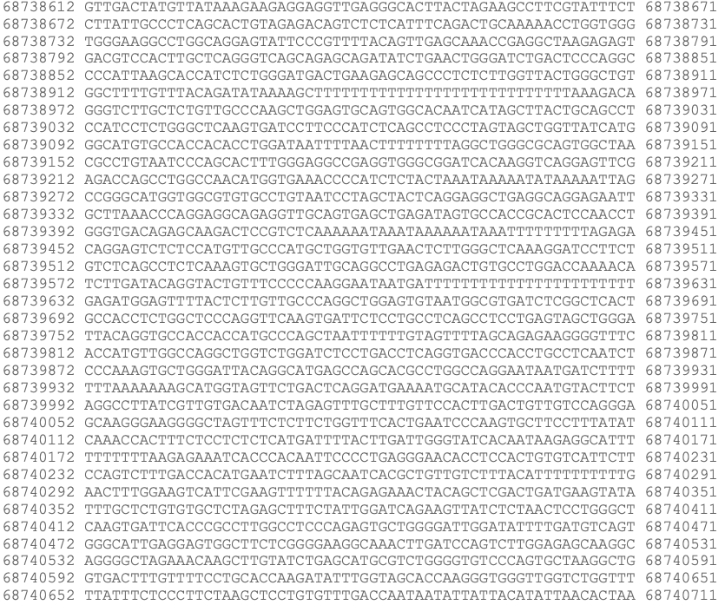
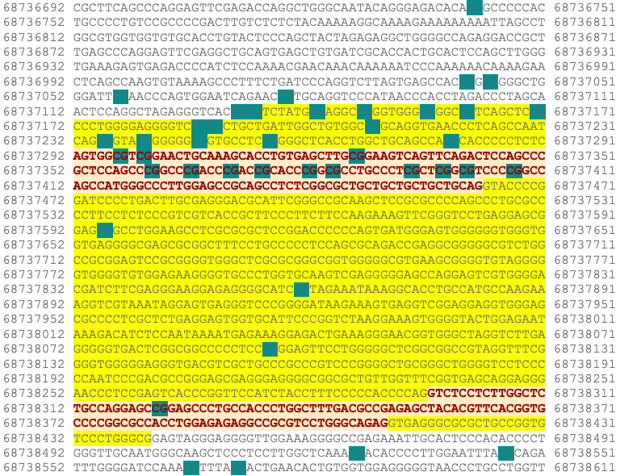
Supplementary Table 3. CpGs sites along the CDH1 gene that have been studied by methylation analysis.
UCSC_REFGENE_GROUP | RELATION_TO_UCSC_CPG_ISLAND | Position | References* | References*
TSS1500 | N_shore | 68736742 | 8 | 1. Sarrió, D. et al. Epigenetic and genetic alterations of APC and CDH1 genes in lobular breast cancer: Relationships with abnormal E-cadherin and catenin expression and microsatellite instability: E-Cadherin, Catenins and APC. Int. J. Cancer 106, 208–215 (2003).
 |  | 68737040 | Present study, 7, 8
 |  | 68737043 | Present study, 8 | 2. Lombaerts, M. et al. Infiltrating leukocytes confound the detection of E-cadherin promoter methylation in tumors. Biochemical and Biophysical Research Communications 319, 697–704 (2004).
 |  | 68737056 | Present study
 |  | 68737077 | Present study, 7, 8 | 3. Zou, D. et al. Epigenetic silencing in non-neoplastic epithelia identifies E-cadherin ( CDH1 ) as a target for chemoprevention of lobular neoplasia. J. Pathol. 218, 265–272 (2009).
TSS200 | Island | 68737131 | Present study, 2, 4, 5, 6, 8, 9
 |  | 68737133 | Present study, 2, 4, 5, 6, 9 | 4. Shinozaki, M. et al. Distinct hypermethylation profile of primary breast cancer is associated with sentinel lymph node metastasis. Clin Cancer Res 11, 2156–2162 (2005).
 |  | 68737141 | Present study, 2, 4, 5, 6, 9
 |  | 68737147 | Present study, 2, 4, 5, 6, 9 | 5. Liu, J. et al. CDH1 promoter methylation correlates with decreased gene expression and poor prognosis in patients with breast cancer. Oncology Letters 11, 2635–2643 (2016).
 |  | 68737155 | Present study, 2, 4, 5, 6, 7, 8, 9
 |  | 68737160 | Present study, 2, 4, 5, 6, 9 | 6. Droufakou, S. et al. Multiple ways of silencing E-cadherin gene expression in lobular carcinoma of the breast. Int. J. Cancer 92, 404–408 (2001).
 |  | 68737169 | Present study, 2, 4, 5, 6
 |  | 68737186 | 2, 4, 5, 6 | 7. Ciriello, G. et al. Comprehensive Molecular Portraits of Invasive Lobular Breast Cancer. Cell 163, 506–519 (2015).
 |  | 68737188 | 2, 4, 5, 6, 7, 8
 |  | 68737208 | 2, 4, 5, 6 | 8. Alexander, J. et al. Assessment of the Molecular Heterogeneity of E-Cadherin Expression in Invasive Lobular Breast Cancer. Cancers 14, 295 (2022).
 |  | 68737234 | 3
 |  | 68737239 | 3, 8 | 9. Fridrichova, I. et al. CXCL12 and ADAM23 hypermethylation are associated with advanced breast cancers. Translational Research 165, 717–730 (2015).
 |  | 68737246 | 3
 |  | 68737255 | 3
First exon |  | 68737278 | Present study, 1, 3, 7, 8
 |  | 68737296 | Present study, 1, 3, 7, 8
 |  | 68737299 | Present study, 1, 3, 7, 8
 |  | 68737326 | 1, 3
 |  | 68737349 | 1, 3
 |  | 68737359 | 1, 3
 |  | 68737364 | 1, 3
 |  | 68737369 | 1, 3
 |  | 68737373 | 1, 3
 |  | 68737382 | 3
 |  | 68737392 | 3
 |  | 68737396 | 3
 |  | 68737399 | 3
 |  | 68737405 | 3
Body |  | 68737594 | 7, 8
 |  | 68737859 | 7, 8
 |  | 68738095 | 7, 8
Second exon |  | 68738321 | 7, 8
Body | S_shore | 68738526 | Present study, 7, 8
 |  | 68738545 | Present study
 |  | 68738565 | Present study, 7, 8
 |  | 68738571 | Present study
 |  | 68740805 | 8
 |  | 68741082 | 8

hg38_cpgIslandExt_CpG: 103 range=chr16:68737132-68738441

Suppl Figure 1
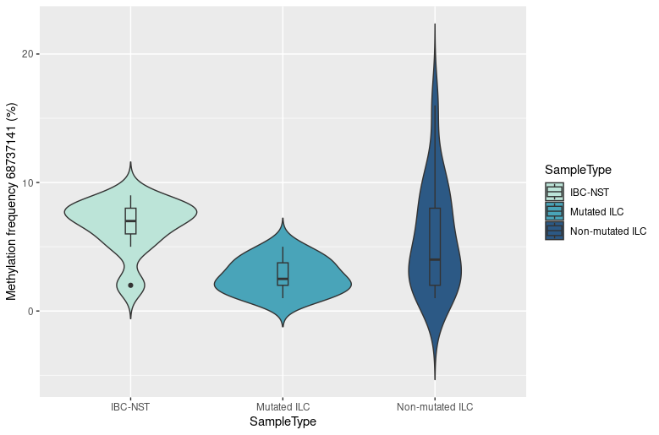
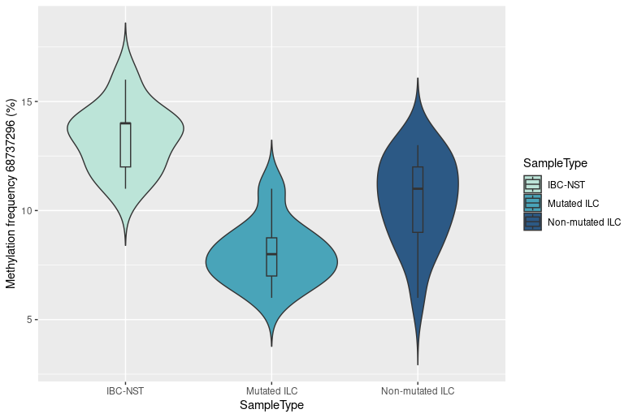
Supplementary Figure 1. A.Violin plots for each group of tumors showing the methylation data distribution in the CpG site at position 68737141. B.Violin plots for each group of tumors showing the methylation data distribution in the CpG site at position 68737296.
A |  | B

 | p-value = 0.013 |  | p-value = 7.84e-07

Suppl Figure 2
Supplementary Figure 2. A. Correlation between methylation frequency and percentage of TILs across N-shore region. B.Correlation between methylation frequency and percentage of TILs across S-shore region.

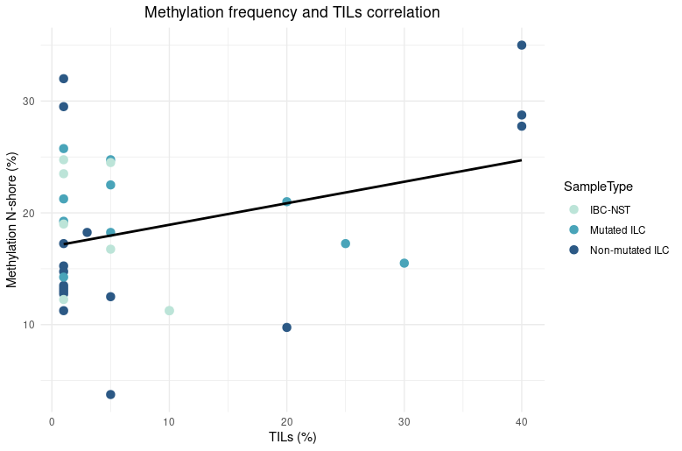
R= 0.33
p-value= 0.049
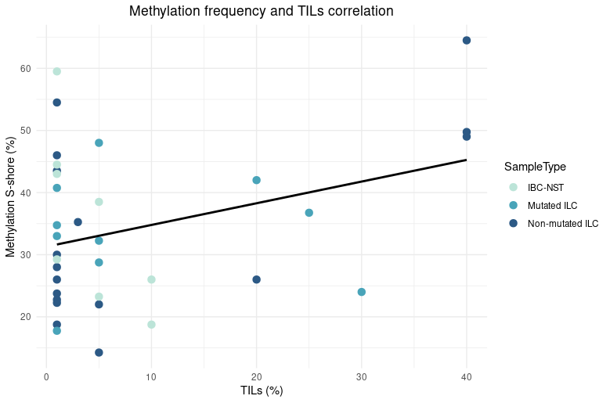
R=0.34
p-value= 0.045
A | B

