Table_S1e
ID | DRUG_NAME | EC50 | GRAPH (Pt1) | DSS | EC50 | GRAPH (Pt2) | DSS | EC50 | GRAPH (pt3) | DSS | EC50 | GRAPH (Pt4) | DSS | EC50 | GRAPH (Pt5) | DSS | Mechanism/Targets | Class.explained | High.phase/Approval.status | ID | DRUG_NAME | ID | DRUG_NAME
FIMM109453 | 4-hydroxytamoxifen | 10000 | 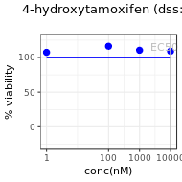 | 0 | 3133.4 | 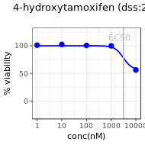 | 2.3 | 3301.4 | 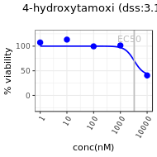 | 3.1 | 2495.3 | 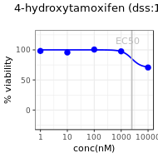 | 1.6 | 10000 | 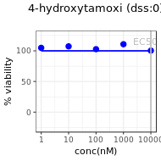 | 0 | Selective estrogen receptor modulator | F. Hormone therapy | Investigational as a gel preparation | FIMM109453 | 4-hydroxytamoxifen | FIMM109453 | 4-hydroxytamoxifen
FIMM136520 | ABC294640 | 50000 | 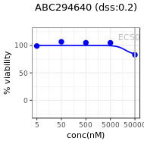 | 0.2 | 18539.3 | 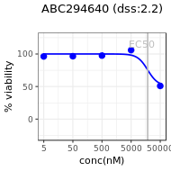 | 2.2 | 10894.6 | 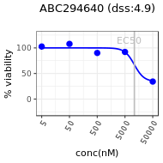 | 4.9 | 9610 | 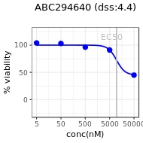 | 4.4 | 13253.9 | 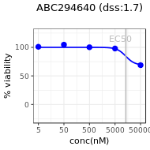 | 1.7 | Sphingosine kinase 2 inhibitor | B. Kinase inhibitor | Investigational (Ph 2) | FIMM136520 | ABC294640 | FIMM136520 | ABC294640
FIMM003716 | Abiraterone | 5000 | 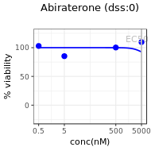 | 0 | 5000 | 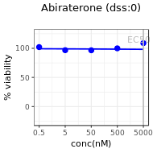 | 0 | 5000 | 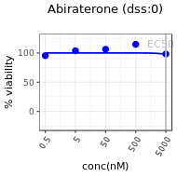 | 0 | 5000 | 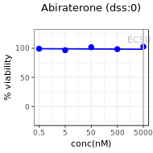 | 0 | 5000 | 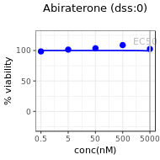 | 0 | P450 17alpha-hydroxylase-17,20-lyase inhibitor | F. Hormone therapy | Approved | FIMM003716 | Abiraterone | FIMM003716 | Abiraterone
FIMM003710 | Afatinib | 1000 | 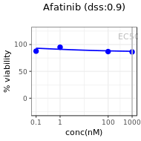 | 0.9 | 1000 | 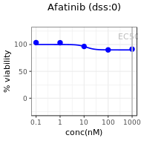 | 0 | 12.9 | 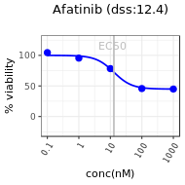 | 12.4 | 1000 | 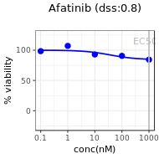 | 0.8 | 1000 | 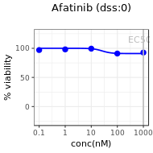 | 0 | EGFR inhibitor | B. Kinase inhibitor | Approved | FIMM003710 | Afatinib | FIMM003710 | Afatinib
FIMM003725 | Alvocidib | 10000 | 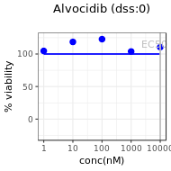 | 0 | 170.8 | 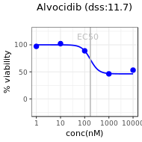 | 11.7 | 177.2 | 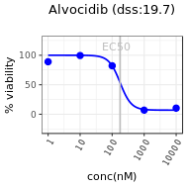 | 19.7 | 167.5 | 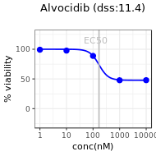 | 11.4 | 165.8 | 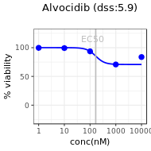 | 5.9 | CDK inhibitor | B. Kinase inhibitor | Investigational (Ph 2) | FIMM003725 | Alvocidib | FIMM003725 | Alvocidib
FIMM000360 | Aminoglutethimide | 10000 | 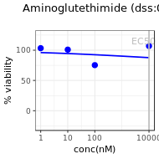 | 0 | 10000 | 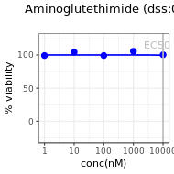 | 0 | 10000 | 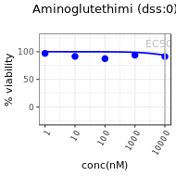 | 0 | 10000 | 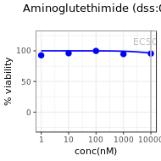 | 0 | 10000 |  | 0 | Anti-steroid, aromatase inhibitor | F. Hormone therapy | Approved | FIMM000360 | Aminoglutethimide | FIMM000360 | Aminoglutethimide
FIMM000171 | Anagrelide | 10000 | 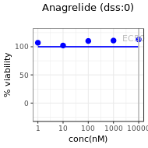 | 0 | 10000 | 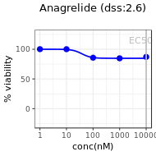 | 2.6 | 10000 | 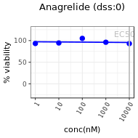 | 0 | 2077.6 |  | 2.6 | 10000 |  | 0 | PDE-3, PLA2 inhibitor | X. Other | Approved | FIMM000171 | Anagrelide | FIMM000171 | Anagrelide
FIMM000303 | Anastrozole | 10000 | 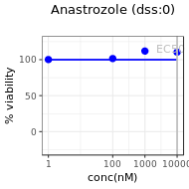 | 0 | 10000 |  | 0 | 10000 | 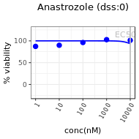 | 0 | 10000 |  | 0 | 10000 | 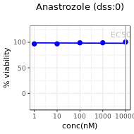 | 0 | Aromatase inhibitor | F. Hormone therapy | Approved | FIMM000303 | Anastrozole | FIMM000303 | Anastrozole
FIMM003778 | Axitinib | 1000 | 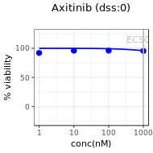 | 0 | 1658.9 | 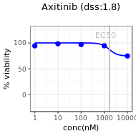 | 1.8 | 10000 | 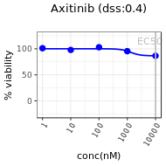 | 0.4 | 10000 | 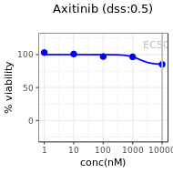 | 0.5 | 10000 | 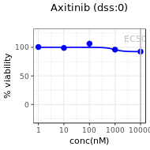 | 0 | VEGFR, PDGFR, KIT inhibitor | B. Kinase inhibitor | Approved | FIMM003778 | Axitinib | FIMM003778 | Axitinib
FIMM003741 | AZD7762 | 1000 | 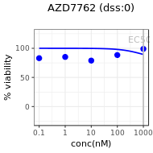 | 0 | 79.1 | 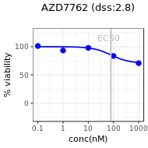 | 2.8 | 184.6 | 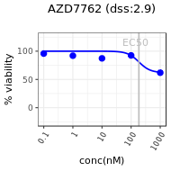 | 2.9 | 145.3 | 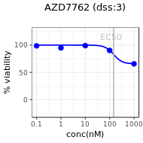 | 3 | 1000 | 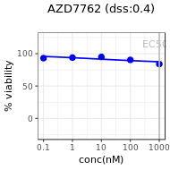 | 0.4 | Chk1 inhibitor | B. Kinase inhibitor | Investigational (Ph 1) | FIMM003741 | AZD7762 | FIMM003741 | AZD7762
FIMM003743 | AZD8055 | 42.3 | 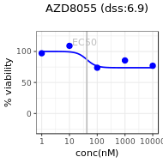 | 6.9 | 85.2 | 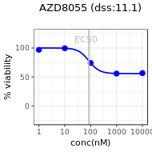 | 11.1 | 51.8 | 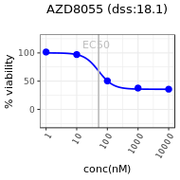 | 18.1 | 57.6 | 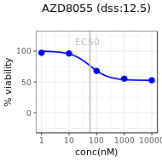 | 12.5 | 10000 | 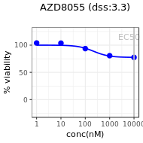 | 3.3 | mTOR inhibitor | B. Kinase inhibitor | Investigational (Ph 1) | FIMM003743 | AZD8055 | FIMM003743 | AZD8055
FIMM000304 | Bicalutamide | 10000 |  | 0 | 10000 |  | 0 | 10000 |  | 1.2 | 10000 |  | 0 | 10000 |  | 0 | Nonsteriodal antiandrogen | F. Hormone therapy | Approved | FIMM000304 | Bicalutamide | FIMM000304 | Bicalutamide
FIMM003745 | Bimatoprost | 5500 |  | 0 | 5500 |  | 0 | 5500 |  | 0 | 5500 |  | 0 | 5500 |  | 0 | Prostaglandin analog | D. Immunomodulatory | Approved | FIMM003745 | Bimatoprost | FIMM003745 | Bimatoprost
FIMM003749 | BMS-754807 | 42.9 |  | 8.3 | 62.3 |  | 8.4 | 605.9 |  | 9.3 | 211.7 |  | 10.9 | 1555.3 |  | 3.5 | IGF1R inhibitor | B. Kinase inhibitor | Investigational (Ph 2) | FIMM003749 | BMS-754807 | FIMM003749 | BMS-754807
FIMM003780 | Bosutinib | 519.5 |  | 5.6 | 1492.2 |  | 6.9 | 1422.8 |  | 6.7 | 1229.4 |  | 5.3 | 202.5 |  | 3.7 | Abl, Src inhibitor | B. Kinase inhibitor | Approved | FIMM003780 | Bosutinib | FIMM003780 | Bosutinib
FIMM100387 | Brivanib | 100 |  | 0 | 1000 |  | 0 | 1000 |  | 0 | 1000 |  | 0 | 1000 |  | 0 | VEGFR inhibitor | B. Kinase inhibitor | Investigational (Ph 3) | FIMM100387 | Brivanib | FIMM100387 | Brivanib
FIMM100388 | Buparlisib | 1385.4 |  | 3.8 | 1472.6 |  | 5 | 1413.6 |  | 6.7 | 1235.3 |  | 4.9 | 3324.4 |  | 1.5 | PI3K inhibitor, pan-class I | B. Kinase inhibitor | Investigational (Ph 2) | FIMM100388 | Buparlisib | FIMM100388 | Buparlisib
FIMM136469 | Cabazitaxel | 1000 |  | 0 | 8.8 |  | 7.2 | 1.9 |  | 14.6 | 4.7 |  | 8.4 | 1000 |  | 1.4 | Taxane microtubule stabilizer, antimitotic | A. Conv. Chemo | Approved | FIMM136469 | Cabazitaxel | FIMM136469 | Cabazitaxel
FIMM100395 | Cabozantinib | 1000 |  | 0 | 1000 |  | 0.6 | 1000 |  | 0 | 1000 |  | 0 | 1000 |  | 0 | VEGFR2, Met, FLT3, Tie2, Kit and Ret inhibitor | B. Kinase inhibitor | Approved | FIMM100395 | Cabozantinib | FIMM100395 | Cabozantinib
FIMM003781 | Canertinib | 1518.4 |  | 2.8 | 761.1 |  | 3.7 | 533.9 |  | 14.1 | 696.7 |  | 6.4 | 1139.3 |  | 2.2 | pan-HER inhibitor | B. Kinase inhibitor | Investigational (Ph 3) | FIMM003781 | Canertinib | FIMM003781 | Canertinib
FIMM133852 | Capmatinib | 1000 |  | 1.6 | 1000 |  | 0 | 1000 |  | 1.4 | 1000 |  | 0.8 | 1000 |  | 0 | MET inhibitor | B. Kinase inhibitor | Investigational (Ph 2) | FIMM133852 | Capmatinib | FIMM133852 | Capmatinib
FIMM023806 | Carboplatin | 100000 |  | 2.4 | 6817.4 |  | 1.9 | 16789 |  | 5.2 | 16496.3 |  | 3.2 | 100000 |  | 0 | Platinum-based antineoplastic agent | A. Conv. Chemo | Approved | FIMM023806 | Carboplatin | FIMM023806 | Carboplatin
FIMM000298 | Celecoxib | 10000 |  | 0 | 10000 |  | 0 | 10000 |  | 0.3 | 10000 |  | 0 | 10000 |  | 0 | Selective COX-2 inhibitor | J. NSAID | Approved | FIMM000298 | Celecoxib | FIMM000298 | Celecoxib
FIMM133831 | Ceritinib | 2500 |  | 1.9 | 2500 |  | 0.9 | 332 |  | 2.4 | 376.1 |  | 2.1 | 2500 |  | 0 | ALK inhibitor | B. Kinase inhibitor | Approved | FIMM133831 | Ceritinib | FIMM133831 | Ceritinib
FIMM023807 | Cisplatin | 37389.7 |  | 1 | 26556 |  | 3.6 | 30831.1 |  | 4.9 | 31435.2 |  | 3.8 | 37283.8 |  | 1.1 | Platinum-based antineoplastic agent | A. Conv. Chemo | Approved | FIMM023807 | Cisplatin | FIMM023807 | Cisplatin
FIMM000396 | Clomifene | 10000 |  | 0 | 2803.1 |  | 2.2 | 2512.8 |  | 4.9 | 3106 |  | 3.2 | 10000 |  | 0 | Selective estrogen receptor modulator | F. Hormone therapy | Approved | FIMM000396 | Clomifene | FIMM000396 | Clomifene
FIMM133824 | Copanlisib | 162 |  | 8.2 | 114 |  | 5.6 | 106.9 |  | 8.2 | 54.8 |  | 6.6 | 90.2 |  | 3.2 | PI3K alpha, delta selective inhibitor | B. Kinase inhibitor | Investigational (Ph 2) | FIMM133824 | Copanlisib | FIMM133824 | Copanlisib
FIMM109464 | Crenolanib | 10000 |  | 0 | 3055.2 |  | 5.3 | 3141.6 |  | 5.2 | 2371.5 |  | 5.3 | 10000 |  | 1 | PDGFRA and PDGFRB inhibitor | B. Kinase inhibitor | Investigational (Ph 2) | FIMM109464 | Crenolanib | FIMM109464 | Crenolanib
FIMM003713 | Crizotinib | 1000 |  | 1.4 | 1000 |  | 0.4 | 1000 |  | 0 | 1000 |  | 0 | 1000 |  | 0 | ALK, c-Met inhibitor | B. Kinase inhibitor | Approved | FIMM003713 | Crizotinib | FIMM003713 | Crizotinib
FIMM000406 | Cytarabine | 10000 |  | 0 | 10000 |  | 1.3 | 10000 |  | 8 | 237 |  | 6.2 | 10000 |  | 0 | Antimetabolite, interferes with DNA synthesis | A. Conv. Chemo | Approved | FIMM000406 | Cytarabine | FIMM000406 | Cytarabine
FIMM109459 | Dacomitinib | 1000 |  | 1.1 | 1000 |  | 0.1 | 15.9 |  | 12.5 | 96.9 |  | 2.7 | 1000 |  | 1.3 | pan-HER inhibitor | B. Kinase inhibitor | Investigational (Ph 3) | FIMM109459 | Dacomitinib | FIMM109459 | Dacomitinib
FIMM023832 | Dactolisib | 1000 |  | 4.9 | 8.8 |  | 11.8 | 8.4 |  | 15.3 | 11 |  | 10.1 | 1000 |  | 2.9 | mTOR/(PI3K) inhibitor | B. Kinase inhibitor | Investigational (Ph 2) | FIMM023832 | Dactolisib | FIMM023832 | Dactolisib
FIMM003775 | Dasatinib | 1000 |  | 0 | 1000 |  | 3.1 | 35.3 |  | 7.6 | 31 |  | 4.9 | 1000 |  | 0 | Abl, Src, Kit, EphR... Inhibitor | B. Kinase inhibitor | Approved | FIMM003775 | Dasatinib | FIMM003775 | Dasatinib
FIMM003724 | Decitabine | 10000 |  | 0.5 | 10000 |  | 0 | 10000 |  | 0 | 10000 |  | 0 | 10000 |  | 0 | Nucleoside analog DNA methyl transferase inhibitor | E. Differentiating/ epigenetic modifier | Approved | FIMM003724 | Decitabine | FIMM003724 | Decitabine
FIMM000914 | Deferoxamine | 10000 |  | 0 | 10000 |  | 1.1 | 2284.5 |  | 3.2 | 10000 |  | 0.6 | 10000 |  | 0 | Iron chelator | X. Other | Approved (non-oncology) | FIMM000914 | Deferoxamine | FIMM000914 | Deferoxamine
FIMM000227 | Dexamethasone | 10000 |  | 0 | 10000 |  | 0 | 10000 |  | 0 | 10000 |  | 0 | 10000 |  | 0 | Glucocorticoid, immunomodulatory agent | D. Immunomodulatory | Approved | FIMM000227 | Dexamethasone | FIMM000227 | Dexamethasone
FIMM003797 | Docetaxel | 1000 |  | 0 | 1000 |  | 6.1 | 4.6 |  | 12 | 4.4 |  | 7.4 | 1000 |  | 0 | Mitotic inhibitor, taxane microtubule stabilizer | A. Conv. Chemo | Approved | FIMM003797 | Docetaxel | FIMM003797 | Docetaxel
FIMM003711 | Dovitinib | 10000 |  | 0 | 10000 |  | 0 | 10000 |  | 0 | 10000 |  | 0 | 10000 |  | 0 | FGFR inhibitor | B. Kinase inhibitor | Investigational (Ph 3) | FIMM003711 | Dovitinib | FIMM003711 | Dovitinib
FIMM023818 | Doxorubicin | 1000 |  | 0 | 314.8 |  | 1.6 | 191 |  | 6.6 | 146 |  | 3.1 | 1000 |  | 0 | Topoisomerase II inhibitor | A. Conv. Chemo | Approved | FIMM023818 | Doxorubicin | FIMM023818 | Doxorubicin
FIMM109456 | Enzalutamide | 10000 |  | 0 | 10000 |  | 0 | 10000 |  | 0 | 10000 |  | 0 | 10000 |  | 0 | AR antagonist | F. Hormone therapy | Approved | FIMM109456 | Enzalutamide | FIMM109456 | Enzalutamide
FIMM001355 | Epirubicin | 1000 |  | 0 | 152.6 |  | 3.6 | 182.1 |  | 6.7 | 148 |  | 4.2 | 1000 |  | 0 | Topoisomerase II inhibitor | A. Conv. Chemo | Approved | FIMM001355 | Epirubicin | FIMM001355 | Epirubicin
FIMM136549 | Eribulin | 1000 |  | 0 | 8.4 |  | 6.5 | 7.8 |  | 9.8 | 1000 |  | 6.3 | 1000 |  | 0 | Mitotic inhibitor, microtubule depolymerizer. | A. Conv. Chemo | Approved | FIMM136549 | Eribulin | FIMM136549 | Eribulin
FIMM000183 | Erlotinib | 10000 |  | 4.3 | 10000 |  | 1.7 | 399.3 |  | 10.7 | 831.5 |  | 2.9 | 10000 |  | 1.6 | EGFR inhibitor | B. Kinase inhibitor | Approved | FIMM000183 | Erlotinib | FIMM000183 | Erlotinib
FIMM023814 | Etoposide | 10000 |  | 0 | 10000 |  | 0.9 | 10000 |  | 2 | 10000 |  | 2.1 | 10000 |  | 0 | Topoisomerase II inhibitor | A. Conv. Chemo | Approved | FIMM023814 | Etoposide | FIMM023814 | Etoposide
FIMM003755 | Everolimus | 100 |  | 0 | 100 |  | 3.2 | 1.2 |  | 7.7 | 100 |  | 2.4 | 100 |  | 0 | binds FKBP12, causes inhibition of mTORC1 | C. Rapalog | Approved | FIMM003755 | Everolimus | FIMM003755 | Everolimus
FIMM003593 | Exemestane | 10000 |  | 0 | 10000 |  | 0 | 10000 |  | 0 | 10000 |  | 0 | 10000 |  | 0 | Aromatase inhibitor | F. Hormone therapy | Approved | FIMM003593 | Exemestane | FIMM003593 | Exemestane
FIMM000428 | Finasteride | 10000 |  | 0 | 10000 |  | 0 | 10000 |  | 0 | 10000 |  | 0 | 10000 |  | 0 | type II 5-alpha reductase inhibitor | F. Hormone therapy | Approved | FIMM000428 | Finasteride | FIMM000428 | Finasteride
FIMM003777 | Fingolimod | 3578.3 |  | 4.2 | 3188 |  | 5.5 | 3256.1 |  | 5.4 | 3053.7 |  | 5.7 | 10000 |  | 0 | S1PR antagonist | X. Other | Approved | FIMM003777 | Fingolimod | FIMM003777 | Fingolimod
FIMM023797 | Floxuridine | 10000 |  | 0 | 10000 |  | 0.6 | 1013.4 |  | 4 | 10000 |  | 1 | 10000 |  | 0 | Antimetabolite; Analog of 5-fluorouracil | A. Conv. Chemo | Approved | FIMM023797 | Floxuridine | FIMM023797 | Floxuridine
FIMM023828 | Fludarabine | 10000 |  | 0 | 10000 |  | 0 | 10000 |  | 0.3 | 10000 |  | 0.5 | 10000 |  | 0 | Antimetabolite; Purine analog | A. Conv. Chemo | Approved | FIMM023828 | Fludarabine | FIMM023828 | Fludarabine
FIMM000439 | Fluorouracil | 1000 |  | 0 | 10000 |  | 0 | 10000 |  | 1.1 | 10000 |  | 0 | 10000 |  | 0 | Antimetabolite | A. Conv. Chemo | Approved | FIMM000439 | Fluorouracil | FIMM000439 | Fluorouracil
...

