table 1
Table1 Description of game scene and cognitive domain
Game Scene | Target cognitive domains | Operating Instructions | Picture examples
Deep sea | Response inhibition | Players need to keep tapping the sink button to maneuver the warrior to dive through the tunnel, which has lasers firing at irregular intervals and sharks appearing. Stop tapping the sink button when sharks appear. Maintain the player's attention steady and stay aware of specific missions as they appear. | 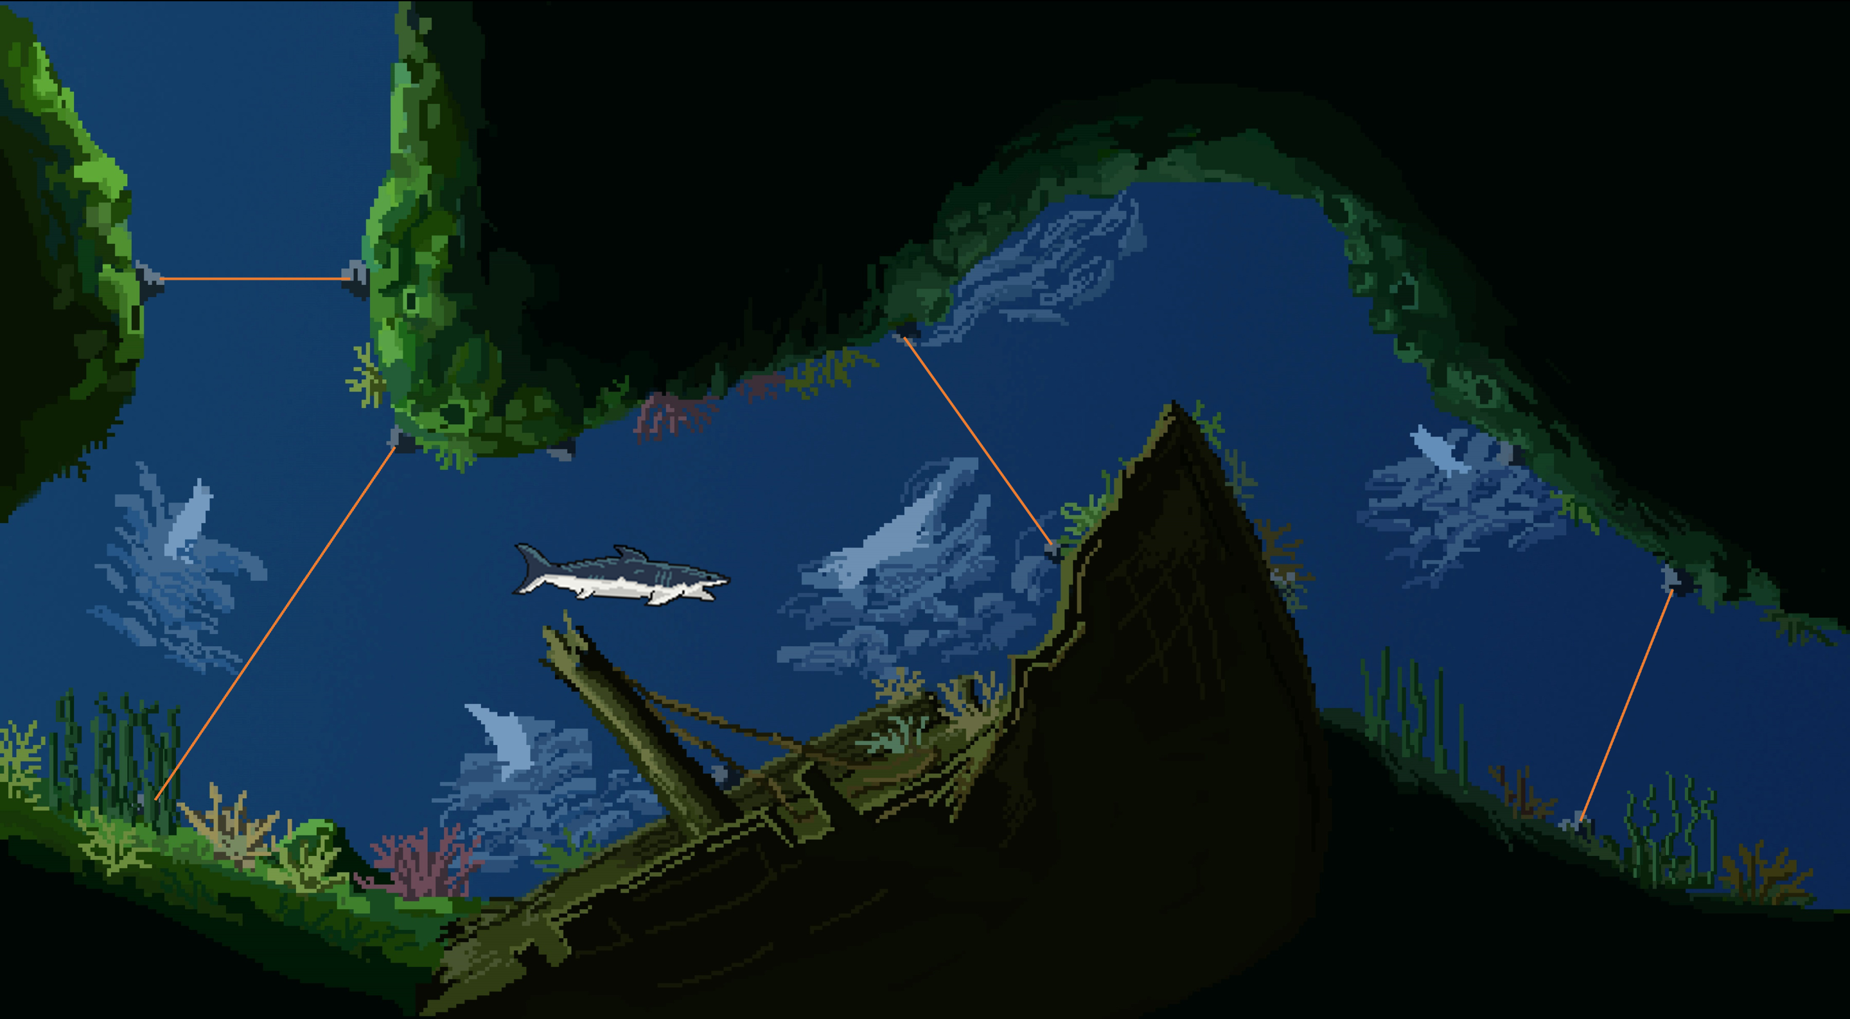
 | Interference inhibition
 | Sustained attention
Lava statue | Working memory | Players need to follow the red path that changes to reach the stone statue as required, with green paths interfering during the process. | 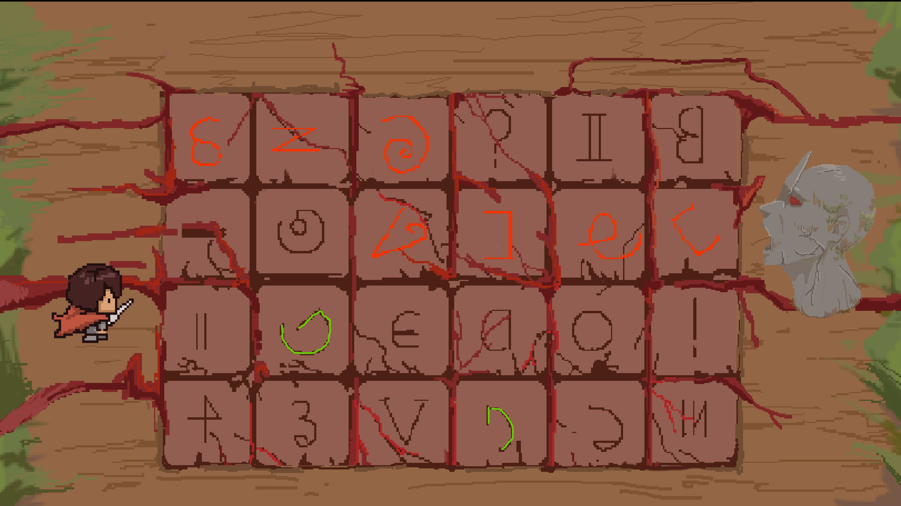
Olympic torch | Reaction | Players need to summon the flame power to defeat the demon by clicking on the labeled balls in sequence, the position of which is constantly changing. Train the mind reaction speed by tracking and capturing the target, and quickly find the target requirements with steady attention. | 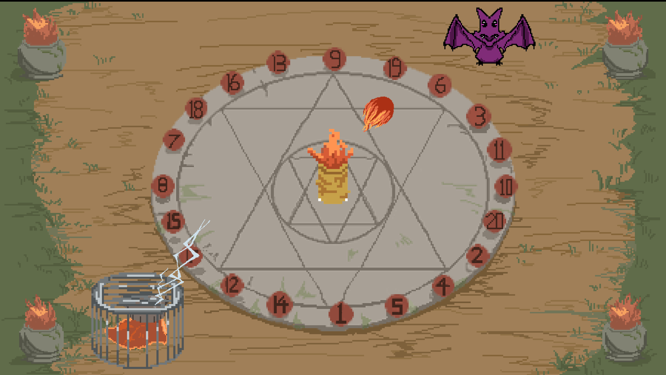
 | Selective attention
Desert ruins | sustained attention | Players need to find the real gems in the changing treasure chests. Players need to focus on the stability of attention during the changes and keep steady track with multiple targets. | 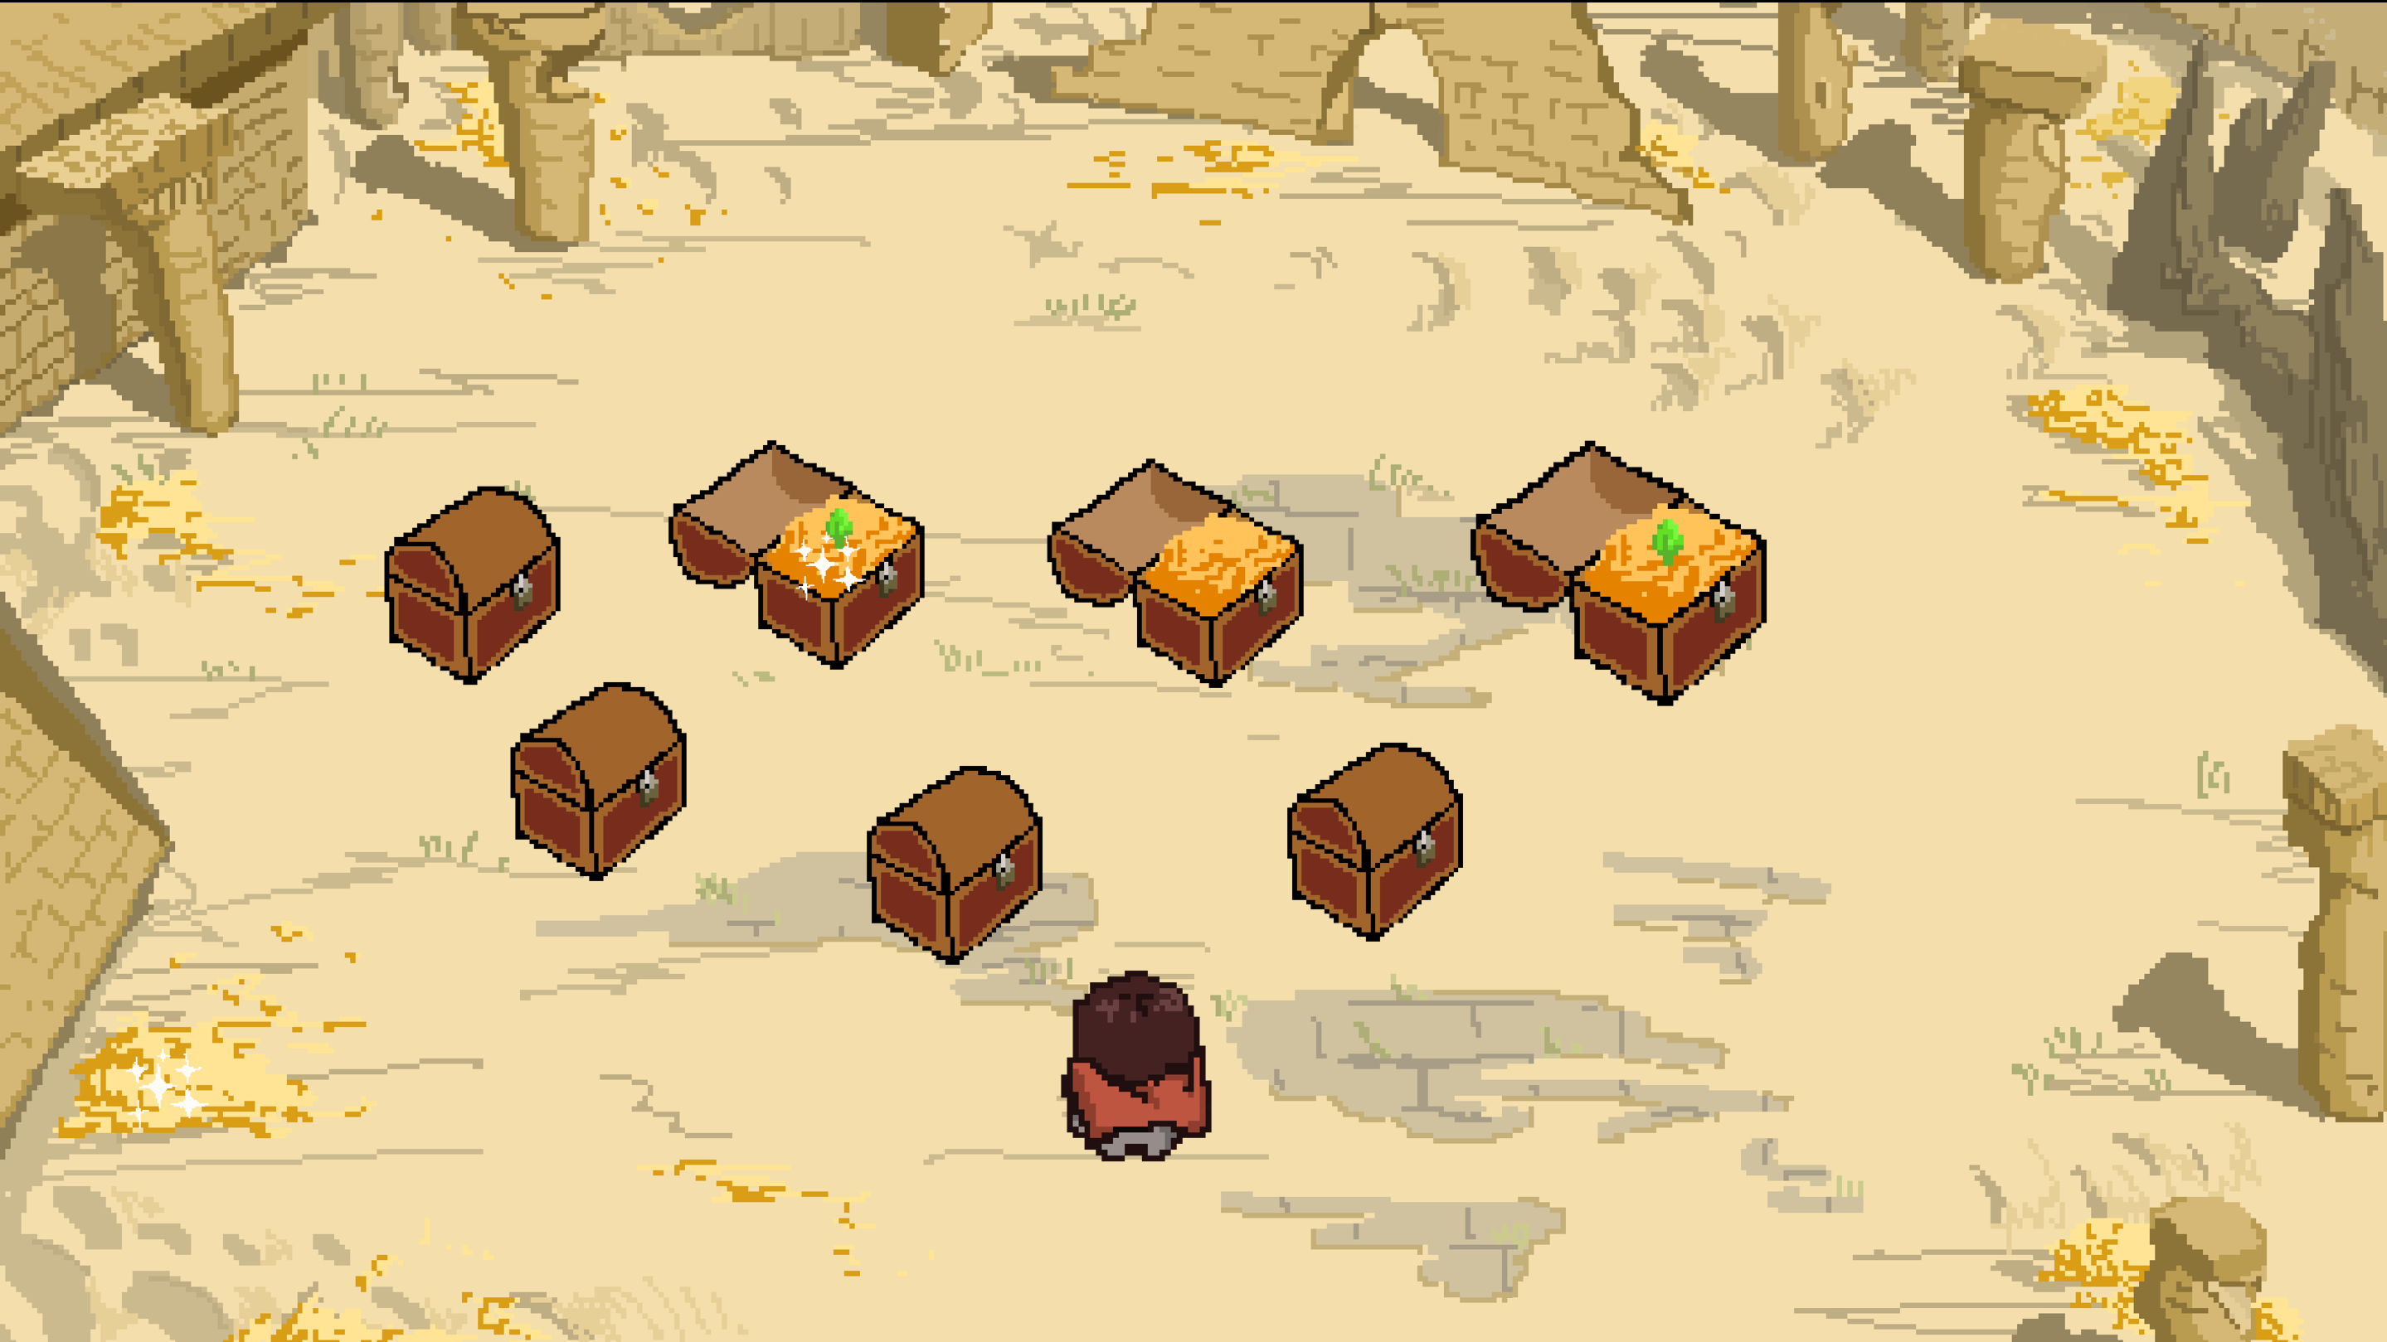
 | Working memory
Psychedelic forest | cognitive shift | Players need to defeat the demonic monsters with the correct collection of elements. Players are able to train to perform good task transitions with focused attention. | 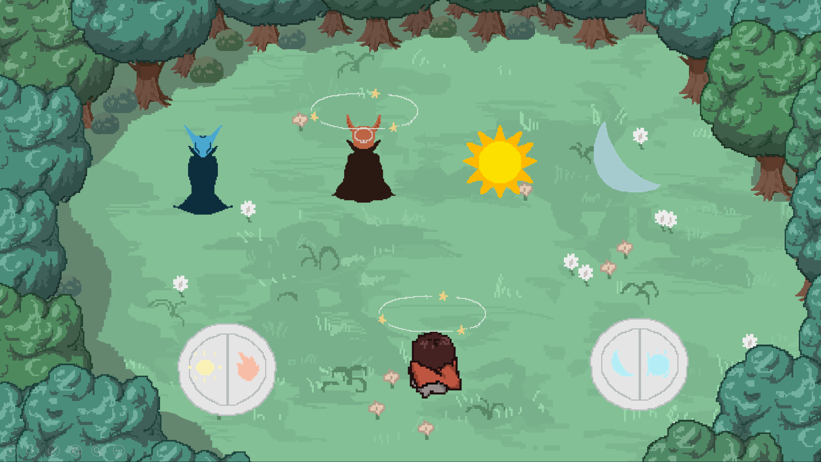
 | cognitive flexibility

